Sheet1
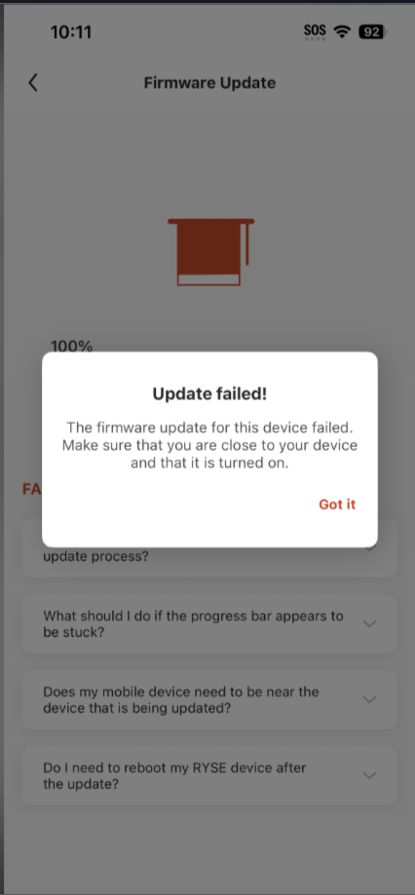
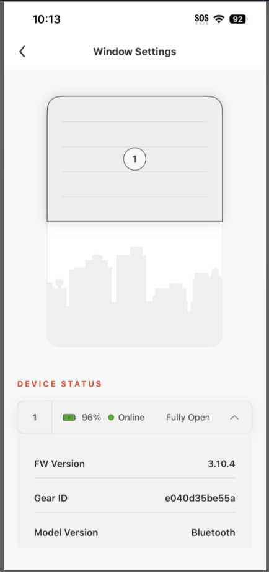
Test Order | Attempt | FW Version (before) | FW Version (After) | Status
1 | 1 | 3.10.0 | 3.10.0 | Fail | Step:
 | 2 | 3.10.0 | 3.10.4 | Pass | 1 | Forgot BLE device
2 | 1 | 3.10.0 | 3.10.4 | Pass | 2 | downgrade shade as 3.10.0
3 | 1 | 3.10.0 | 3.10.0 | Fail | 3 | Factory Reset Shade
 | 2 | 3.10.0 | 3.10.4 | Pass | 4 | Close and reopen RYSE app
4 | 1 | 3.10.0 | 3.10.0 | Fail | 5 | Add Shade as BLE mode
 | 2 | 3.10.0 | 3.10.4 | Pass | 6 | Click target shade at the dashboard
5 | 1 | 3.10.0 | 3.10.0 | Fail | 7 | OTA update at control page
 | 2 | 3.10.0 | 3.10.4 | Pass | 8 | Look for update fail or complete
6 | 1 | 3.10.0 | 3.10.0 | Fail | 9 | Go to Shade setting page
 | 2 | 3.10.0 | 3.10.4 | Pass |  | Check Device Details
7 | 1 | 3.10.0 | 3.10.0 | Fail
 | 2 | 3.10.0 | 3.10.4 | Pass
8 | 1 | 3.10.0 | 3.10.0 | Fail
 | 2 | 3.10.0 | 3.10.4 | Pass
9 | 1 | 3.10.0 | 3.10.0 | Fail
 | 2 | 3.10.0 | 3.10.4 | Pass
10 | 1 | 3.10.0 | 3.10.0 | Fail
 | 2 | 3.10.0 | 3.10.4 | Pass

 | 9/10 Fail at the first attempt

