Summary_v2
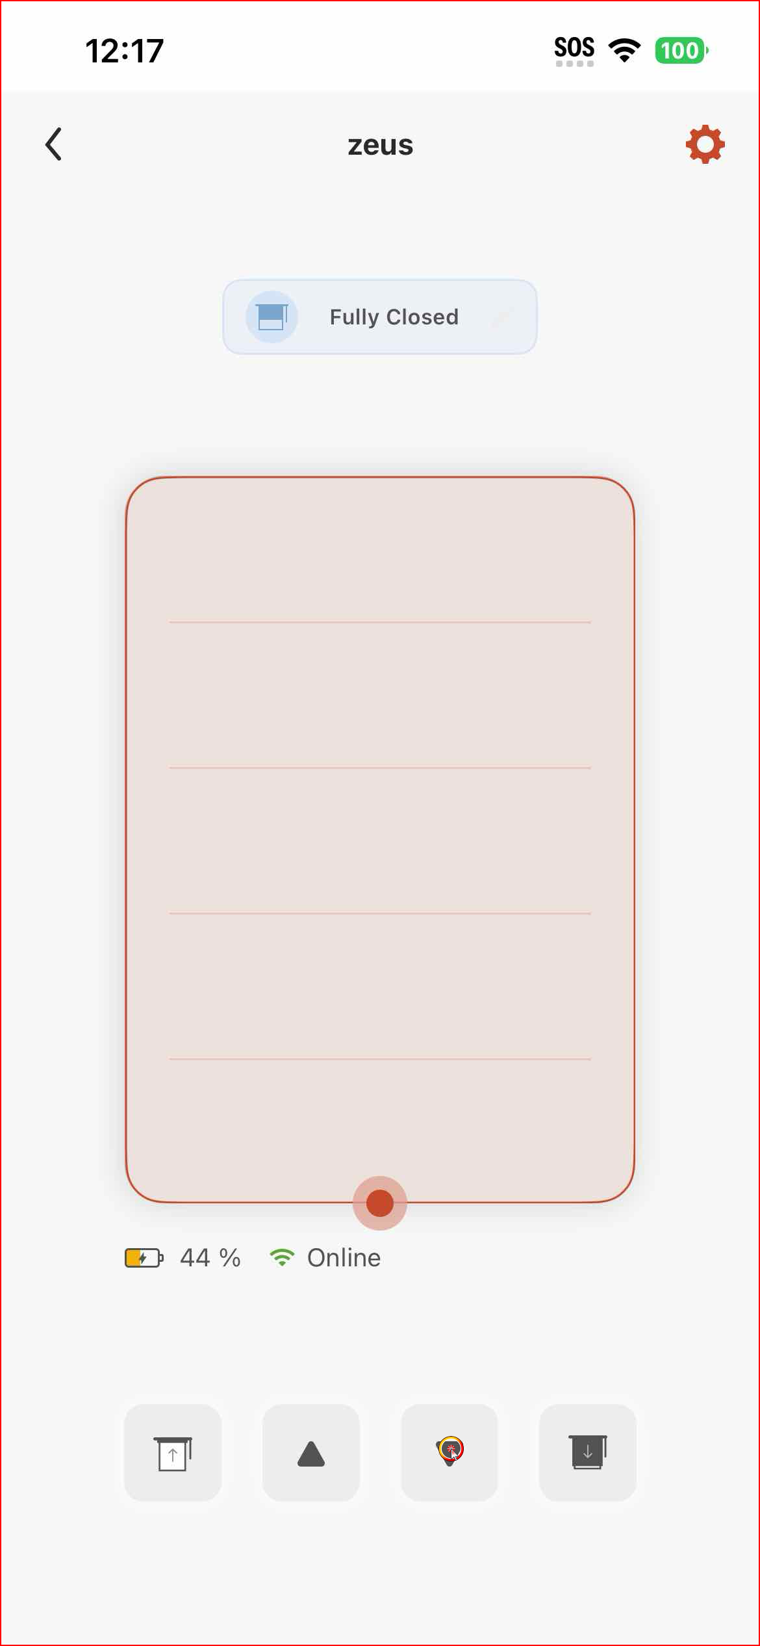
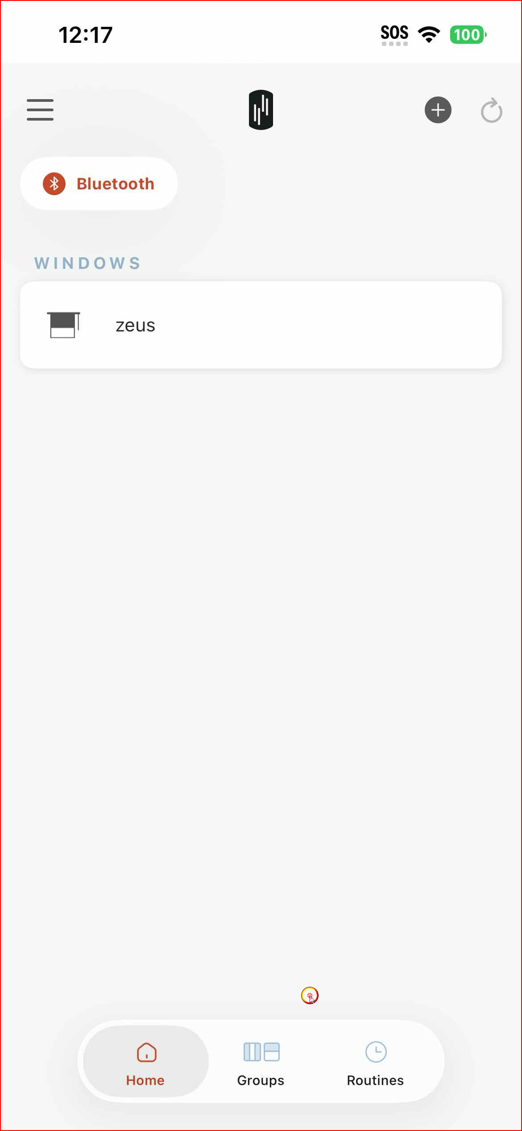
IOS App Release testing - IOS App Test Suite v2.3.4 at IOS 26.0 (SmartShade v5.0.2 & SmartCurtain v2.0.8 & SmartBridge 4.3.0 bnrf 4.2.2) |  |  |  |  | Date: 10-01-2026
Code | Test Cases | Date | Pass / Fail | File Name | Remark
AX | Account | 10-01-2026 | Pass
AX01 | ValidLogInOut | 09-01-2026 | Pass | IOS_App_Test_Suite_v2.3.4_Account_09Jan2026
AX02 | InvalidLogInOut | 09-01-2026 | Pass | IOS_App_Test_Suite_v2.3.4_Account_09Jan2026
AX03 | ValidSignUp | 09-01-2026 | Pass | IOS_App_Test_Suite_v2.3.4_Account_09Jan2026
AX04 | InvalidSignUp | 09-01-2026 | Pass | IOS_App_Test_Suite_v2.3.4_Account_09Jan2026
AX05 | ValidChangePassword | 09-01-2026 | Pass | IOS_App_Test_Suite_v2.3.4_Account_09Jan2026 | Manually Checked
AX06 | ValidViewProfile | 09-01-2026 | Pass | IOS_App_Test_Suite_v2.3.4_Account_09Jan2026
AX07 | ValidForgetPassword | 09-01-2026 | Pass | IOS_App_Test_Suite_v2.3.4_Account_09Jan2026
AX08 | InvalidLogInCapital | 09-01-2026 | Pass | IOS_App_Test_Suite_v2.3.4_Account_09Jan2026

BX | Bridge | 10-01-2026 | Pass
BX01 | Valid PairBridge (OCR) | 09-01-2026 | Pass | IOS_App_Test_Suite_v2.3.4_Bridge_Part1_09Jan2026
BX02 | Valid PairBridge Offline (OCR) | 09-01-2026 | Pass | IOS_App_Test_Suite_v2.3.4_Bridge_Part1_09Jan2026
BX03 | Invalid PairBridge Local (OCR) | 09-01-2026 | Pass | IOS_App_Test_Suite_v2.3.4_Bridge_Part2_09Jan2026 | Manually Checked
BX04 | Invalid PairBridge Wifi Off (OCR) | 10-01-2026 | Pass | IOS_App_Test_Suite_v2.3.4_Bridge_Part3_10Jan2026
BX05 | Valid CheckBridgeInfo | 10-01-2026 | Pass | IOS_App_Test_Suite_v2.3.4_Bridge_Part3_10Jan2026
BX06 | Valid PairDualBridges | 09-01-2026 | Pass | IOS_App_Test_Suite_v2.3.4_Bridge_Part2_09Jan2026
BX07 | Cloud CheckBridgeInfo | 10-01-2026 | Pass | IOS_App_Test_Suite_v2.3.4_Bridge_Part3_10Jan2026
BX08 | Cloud AddUser | 10-01-2026 | Pass | IOS_App_Test_Suite_v2.3.4_Bridge_Part3_10Jan2026 | Manually Checked
BX09 | Invalid PairManualIP | 09-01-2026 | Pass | IOS_App_Test_Suite_v2.3.4_Bridge_Part2_09Jan2026
BX10 | Valid PairManualIP | 09-01-2026 | Pass | IOS_App_Test_Suite_v2.3.4_Bridge_Part2_09Jan2026
BX11 | Invalid DeleteBridge | 09-01-2026 | Pass | IOS_App_Test_Suite_v2.3.4_Bridge_Part2_09Jan2026
BX12 | Valid PairBridge BonjourOff | 09-01-2026 | Pass | IOS_App_Test_Suite_v2.3.4_Bridge_Part2_09Jan2026

MX | Menu | 10-01-2026 | Pass
MX01 | ValidSubmitInstaBugReport | 09-01-2026 | Pass | IOS_App_Test_Suite_v2.3.4_Menu_Part1_09Jan2026
MX02 | ValidNavigateMenu | 09-01-2026 | Pass | IOS_App_Test_Suite_v2.3.4_Menu_Part1_09Jan2026
MX03 | ValidPairBridgeEmptyDashboard | 09-01-2026 | Pass | IOS_App_Test_Suite_v2.3.4_Menu_Part2_09Jan2026

SX | SmartShade | 13-01-2026 | Pass
SX01 | Valid Control Position - Sign In | 10-01-2026 | Pass | IOS_App_Test_Suite_v2.3.4_Shade_Part1_10Jan2026
 | Sign Out | 10-01-2026 | Pass | IOS_App_Test_Suite_v2.3.4_Shade_Part1_10Jan2026
SX02 | Invalid UncalibrateShade | 10-01-2026 | Pass | IOS_App_Test_Suite_v2.3.4_Shade_Part2_10Jan2026 | Manually Checked
SX03 | Valid CheckShadeInfo | 10-01-2026 | Pass | IOS_App_Test_Suite_v2.3.4_Shade_Part3_10Jan2026 | Manually checked the "obstacle detection" page. It cannot change the obstacle detection status, which is known as the shade firmware issue.
SX04 | Invalid RenameWeirdNames | 10-01-2026 | Pass | IOS_App_Test_Suite_v2.3.4_Shade_Part3_10Jan2026
SX05 | Cloud ControlPosition | 11-02-2026 | Pass | IOS_App_Test_Suite_v2.3.4_Shade_Part4_10Jan2026
SX06 | Valid ControlSpeeds | 11-01-2026 | Pass | IOS_App_Test_Suite_v2.3.4_Shade_Part4_10Jan2026
SX07 | Valid FWForceUpdate | 12-01-2026 | Pass | https://drive.google.com/drive/folders/14lpXt7LPdW5B6IJyyUNrUCi1Oxg18IxS?usp=drive_link | Manually Tested
SB01 | Invalid PairNoneShade | 11-01-2026 | Pass | IOS_App_Test_Suite_v2.3.4_Shade_Part5_10Jan2026
SB02 | Valid ControlPosition | 13-01-2026 | Pass | IOS_App_Test_Suite_v2.3.4_Shade_Part7_13Jan2026
SB03 | Valid SpeedControl | 13-01-2026 | Pass | IOS_App_Test_Suite_v2.3.4_Shade_Part7_13Jan2026
SB04 | Valid FWForceUpdate | 12-01-2026 | Pass | https://drive.google.com/drive/folders/14lpXt7LPdW5B6IJyyUNrUCi1Oxg18IxS?usp=drive_link | Manually Tested

CX | SmartCurtain | 13-01-2026 | Pass
CX01 | Valid Check Curtain Info | 11-01-2026 | Pass | IOS_App_Test_Suite_v2.3.4_Curtain_Part1_11Jan2026 | Manually checked "edit device" page
CX02 | Valid Position Control | 11-01-2026 | Pass | IOS_App_Test_Suite_v2.3.4_Curtain_Part3_11Jan2026
CX03 | Valid Speed Control | 12-01-2026 | Pass |  | Manually Tested. Fast (23s) vs Slow (26s)
CX04 | Invalid Uncalibrated Curtain Pair | 13-01-2025 | Pass | IOS_App_Test_Suite_v2.3.4_Curtain_Part7_12Jan2026
CX05 | Cloud Check Curtain Info | 11-01-2026 | Pass | IOS_App_Test_Suite_v2.3.4_Curtain_Part2_11Jan2026 | Manually checked the "edit device" page
CX06 | Cloud Position Control | 12-01-2026 | Pass | IOS_App_Test_Suite_v2.3.4_Curtain_Part4_11Jan2026 | Manually Checked
CX07 | Invalid Cloud Speed Control | 12-01-2026 | Pass | IOS_App_Test_Suite_v2.3.4_Curtain_Part4_11Jan2026
CG01 | Valid Group ControlPositions | 12-01-2026 | Pass | IOS_App_Test_Suite_v2.3.4_Curtain_Part5_11Jan2026 | Manually Checked
CR01 | Valid Routine ControlPositions | 12-01-2026 | Pass | IOS_App_Test_Suite_v2.3.4_Curtain_Part5_11Jan2026 | Manually Checked
CB01 | Invalid PairNoneCurtain | 12-01-2026 | Pass | IOS_App_Test_Suite_v2.3.4_Curtain_Part6_12Jan2026
CB02 | Valid Position Control | 12-01-2026 | Pass | https://drive.google.com/file/d/1Y9_iBhBcfBs2IOHsg2SotuLUmVc6IE_J/view?usp=drive_link | Manually Tested
CB03 | Valid Speed Control | 12-01-2026 | Pass |  | Manually Tested. Fast 90% (7s) vs Slow 40% (9s)

GX | Group | 13-01-2026 | Pass
GX01 | Valid CreateGroup | 11-01-2026 | Pass | IOS_App_Test_Suite_v2.3.4_Group_11Jan2026
GX02 | Invalid DuplicateGroup | 11-01-2026 | Pass | IOS_App_Test_Suite_v2.3.4_Group_11Jan2026
GX03 | Valid RenameGroup | 12-01-2026 | Pass | IOS_App_Test_Suite_v2.3.4_Group_11Jan2026 | Manually Checked
GX04 | Valid ControlPositions | 11-01-2026 | Pass | IOS_App_Test_Suite_v2.3.4_Group_11Jan2026
GX05 | Valid RemoveGroupDevice | 11-01-2026 | Pass | IOS_App_Test_Suite_v2.3.4_Group_11Jan2026

RX | Routine | 13-01-2026 | Pass
RX01 | Valid CreateRoutine - Sign In | 12-01-2026 | Pass | IOS_App_Test_Suite_v2.3.4_Routine_Part1_11Jan2026
 | Sign Out | 12-01-2026 | Pass | IOS_App_Test_Suite_v2.3.4_Routine_Part1_11Jan2026
RX02 | Invalid DuplicateRoutine | 12-01-2026 | Pass |  | Manually Tested
RX05 | Valid CreateSunrise | 12-01-2026 | Pass | IOS_App_Test_Suite_v2.3.4_Routine_Part2_12Jan2026
RX06 | Valid CreateSunset | 12-01-2026 | Pass | IOS_App_Test_Suite_v2.3.4_Routine_Part2_12Jan2026
RX07 | Valid CheckSuntime_Dashboard | 12-01-2026 | Pass | IOS_App_Test_Suite_v2.3.4_Routine_Part3_12Jan2026
RX08 | Valid ChangeTimezone | 12-01-2026 | Pass | IOS_App_Test_Suite_v2.3.4_Routine_Part3_12Jan2026 | Manually Checked

CS | CloudSync | 13-01-2026 | Fail
CS01 | Valid UpdateGearPower | 13-01-2026 | Pass | IOS_App_Test_Suite_v2.3.4_CloudSyn_13Jan2026
CS02 | Valid UpdateShadePosition | 13-01-2026 | Pass | IOS_App_Test_Suite_v2.3.4_CloudSyn_13Jan2026
CS03 | Valid UpdateBridgePower | 13-01-2026 | Fail | IOS_App_Test_Suite_v2.3.4_CloudSyn_13Jan2026

OT | OTA | 13-01-2026 | Pass
OT01 | Valid Update Shade FW | 13-01-2026 | Pass |  | Manually Tested
OT02 | Invalid PowerInterrupt | 13-01-2026 | Pass |  | Manually Tested

 | Issues: |  |  |  | Status: | File:
1 | Serial number and MAC address have to follow the format like "XX:XX:XX:XX:XX:XX" and "XXXX.XXXX.XXXX" during bridge onbarding |  |  |  | Fixed
2 | Failed to pair the curtain with brideg mode. The failed message always came first, but I can show the successfully pairing page show up in the background. Also, I can see the curtain in the dashboard |  |  |  | Fixed by testing with another bridge
3 | BLE shade (5.0.2) asked for firmware update during onboarding |  |  |  | Minor issue (It can reconnect in dashboard) | IOS_App_Test_Suite_v2.3.4_Shade_Part5_10Jan2026
4 | BLE shade (5.0.2) suddenly redirected back to the dashboard when clicking the arrow button |  |  |  |  | IOS_App_Test_Suite_v2.3.4_Shade_Part6_10Jan2026

BLE_SHADE_OTA_Test
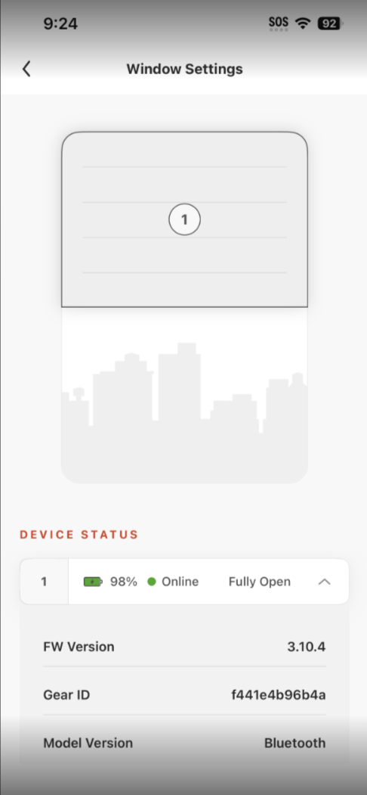
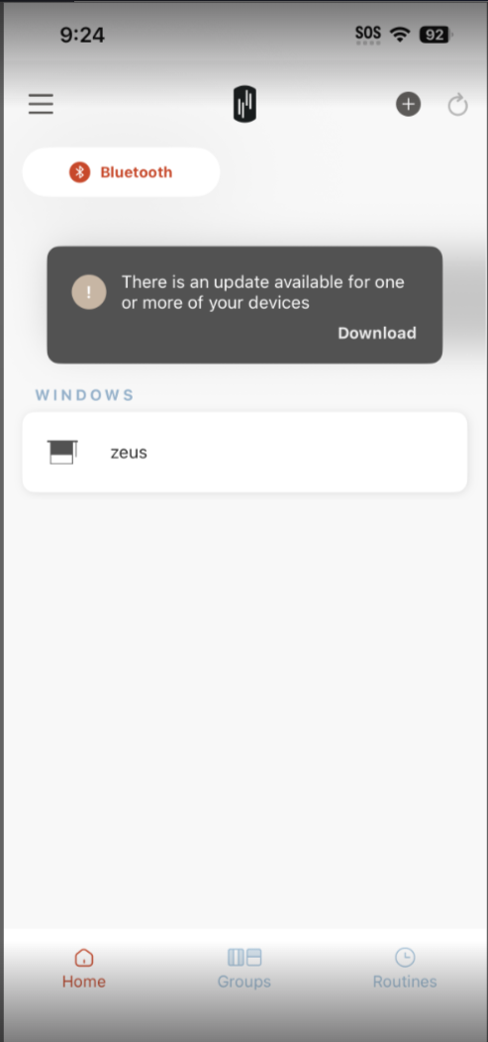
Test Order | FW Version (before) | FW Version (After) | Device
1 | 3.10.4 | 5.0.2 | BLE_Shade
2 | 3.10.4 | 5.0.2
3 | 3.10.4 | 3.10.4 |  | Submitted bug report
4 | 3.10.4 | 5.0.2
5 | 3.10.4 | 5.0.2
6 | 3.10.4 | 3.10.4
7 | 3.10.4 | 3.10.4
8 | 3.10.4 | 5.0.2
9 | 3.10.4 | 5.0.2
10 | 3.10.4 | 3.10.4

Step:
1 | downgrade shade as 3.10.4
2 | Factory Reset Shade
3 | Close and reopen RYSE app
4 | Add Shade as BLE mode
5 | OTA update shade at dashboard
6 | Wait for updating complete
7 | Back to dashboard
8 | Go to Shade setting page
9 | Check Device Details

