pump cost
practical pump cost in 32 threads(Intel Xeon 5128 16c 32@2.3GHz), 1.48T RAM and 2 gpus(NVIDIA Geforce RTX 3090). Test instance: svpchallenge-180. AvgTime in 10 trials. rebuild.sh -y

kappa | dim | sieve_dim | AvgT/s | log2(AvgT/s) | AvgRAM/GB
0 | 180 | 51 | 9.88 | 3.3045110418
0 | 180 | 53 | 9.88 | 3.3045110418
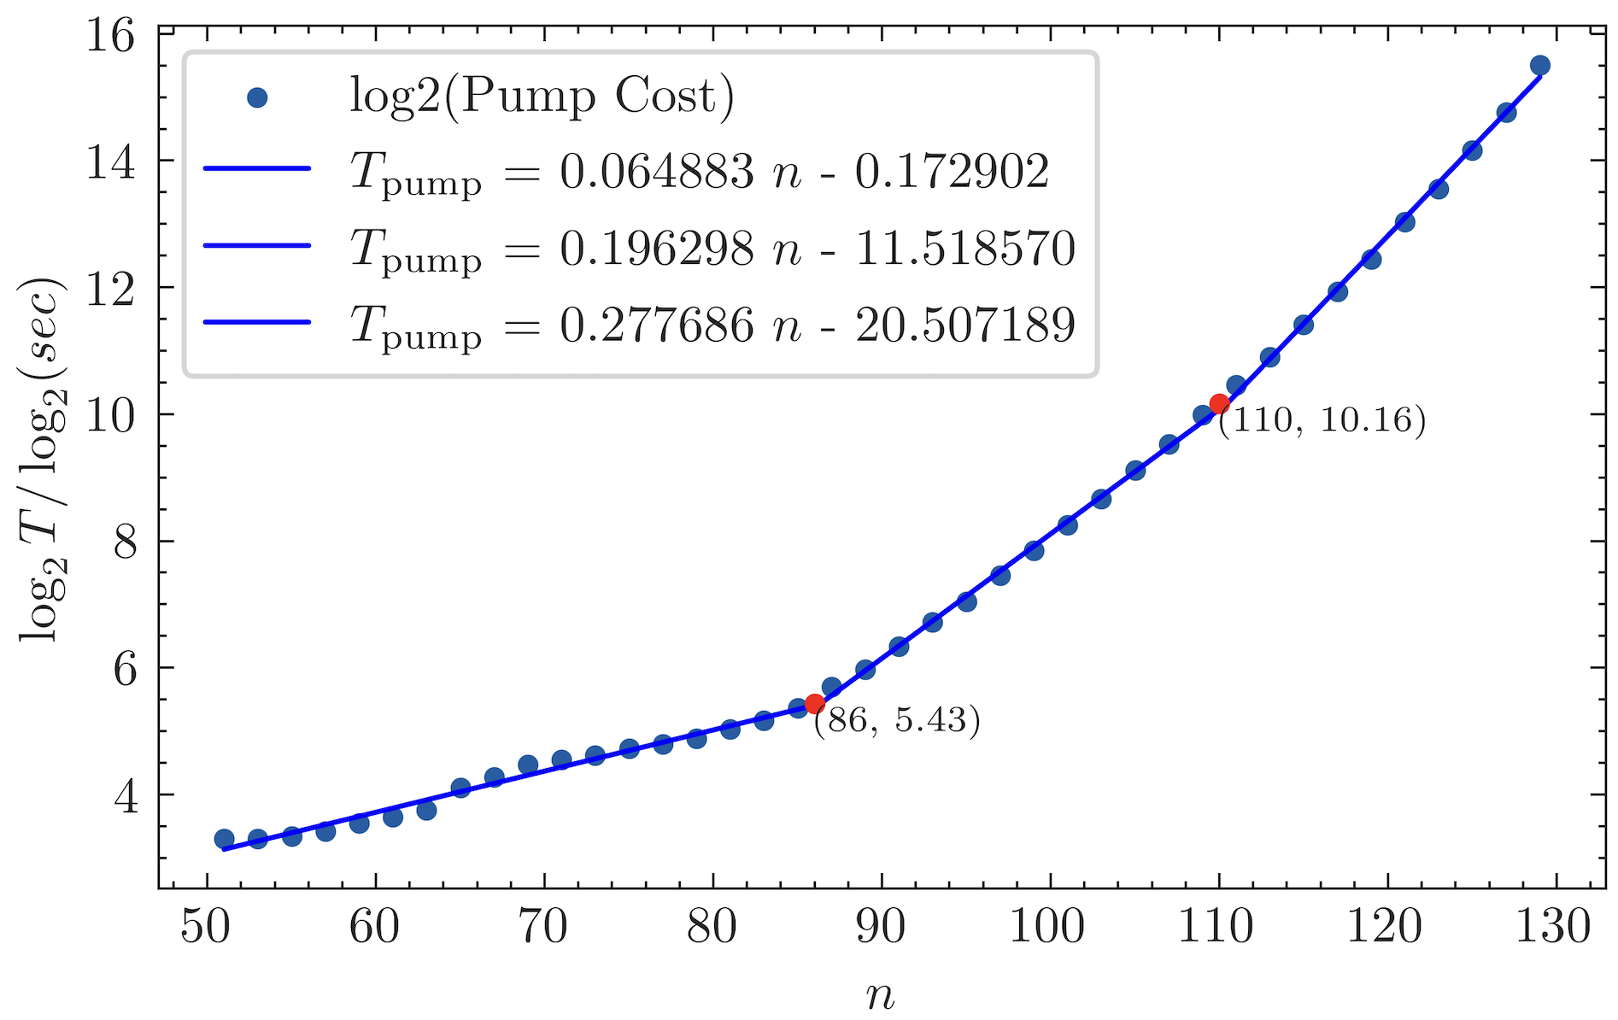
0 | 180 | 55 | 10.12 | 3.3391373849
0 | 180 | 57 | 10.67 | 3.415488271
0 | 180 | 59 | 11.69 | 3.5472030248
0 | 180 | 61 | 12.49 | 3.6427015718
0 | 180 | 63 | 13.49 | 3.7538184432
0 | 180 | 65 | 17.27 | 4.1101961778
0 | 180 | 67 | 19.36 | 4.2750070475
0 | 180 | 69 | 22.24 | 4.4750848829
0 | 180 | 71 | 23.47 | 4.5527459367
0 | 180 | 73 | 24.57 | 4.6188259526
0 | 180 | 75 | 26.41 | 4.7230123964
0 | 180 | 77 | 27.8 | 4.7970129778
0 | 180 | 79 | 29.55 | 4.8850862253
0 | 180 | 81 | 32.72 | 5.0321008432
0 | 180 | 83 | 35.84 | 5.1634987323
0 | 180 | 85 | 41.2 | 5.3645724323
0 | 180 | 87 | 51.97 | 5.6996071539
0 | 180 | 89 | 62.98 | 5.9768218524
0 | 180 | 91 | 80.67 | 6.3339603508
0 | 180 | 93 | 105.62 | 6.7227392363
0 | 180 | 95 | 132.27 | 7.0473420726
0 | 180 | 97 | 175.06 | 7.4517056654
0 | 180 | 99 | 230.55 | 7.8489358555
0 | 180 | 101 | 304.18 | 8.248781488
0 | 180 | 103 | 405.91 | 8.6650160725
0 | 180 | 105 | 554.64 | 9.1154078554
0 | 180 | 107 | 739 | 9.5294305541
0 | 180 | 109 | 1012.55 | 9.9837774351
0 | 180 | 111 | 1407.37 | 10.45878595
0 | 180 | 113 | 1908.88 | 10.898510697
0 | 180 | 115 | 2720.43 | 11.409618991
0 | 180 | 117 | 3912.69 | 11.933945096
0 | 180 | 119 | 5580.1 | 12.446075261
0 | 180 | 121 | 8352.5 | 13.027992362
0 | 180 | 123 | 12011.37 | 13.552113092 | 46.85 | 13.648189
0 | 180 | 125 | 18268.81 | 14.157095042 | 61.45 | 14.203561
0 | 180 | 127 | 27732.16 | 14.759272369 | 79.18 | 14.758933
0 | 180 | 129 | 46577.71 | 15.507352091 | 128.04 | 15.314305
0 | 180 | 131 | 80792.87 | 16.30194036 | 167.12 | 15.869677

SimPnjBKZ
blocksize | sieve_dim | A_of_AvgMidCost | B_of_AvgMidCost | log2(B_of_AvgMidCost) | SimPnjBKZCost[0] | log2(SimPnjBKZCost[0]) | SimPnjBKZCost[1:f+xf] | log2(SimPnjBKZCost[1:f+xf]) | SimPnjBKZCost[d-β-xf+1:d] | log2(SimPnjBKZCost[d-β-xf+1:d])
51 | 46 | 0.00534 | 2.84042 | 1.5061042703 | 4.07 | 2.0250287945 | 43.32 | 5.4369613378 | 51.15 | 5.6766623349
53 | 47 | 0.00764 | 2.84849 | 1.5101973414 | 2.73 | 1.4489009511 | 47.65 | 5.574404309 | 60.95 | 5.9295543157
55 | 48 | 0.00798 | 2.95271 | 1.5620396693 | 2.79 | 1.4802651221 | 52.36 | 5.7103931922 | 66.41 | 6.0533285934
57 | 49 | 0.00911 | 2.7975 | 1.4841381312 | 2.58 | 1.3673710656 | 54.33 | 5.7636771419 | 67.83 | 6.0838515877
59 | 50 | 0.00951 | 2.87286 | 1.5224876893 | 2.85 | 1.5109619193 | 58.96 | 5.8816646193 | 74.7 | 6.2230363379
61 | 51 | 0.01014 | 2.96269 | 1.5669076783 | 2.9 | 1.5360529002 | 64.44 | 6.0098845889 | 80.49 | 6.3307376502
63 | 52 | 0.01055 | 3.11718 | 1.6402414651 | 2.8 | 1.4854268272 | 69.49 | 6.1187334758 | 89.16 | 6.4783247115
65 | 53 | 0.01104 | 3.18518 | 1.671374904 | 3.07 | 1.6182386556 | 74.31 | 6.2154844642 | 92.68 | 6.5341861391
67 | 54 | 0.01135 | 3.31825 | 1.7304225844 | 3.06 | 1.6135316529 | 79.24 | 6.3081569751 | 104.98 | 6.7139706924
69 | 55 | 0.01132 | 3.32144 | 1.7318088532 | 3.27 | 1.7092906357 | 86.36 | 6.4322913382 | 106.37 | 6.7329475083
71 | 56 | 0.01635 | 3.0762 | 1.6211493036 | 3.31 | 1.726831217 | 88.18 | 6.4623795718 | 111.5 | 6.8008998999
73 | 57 | 0.01503 | 3.37666 | 1.7555969199 | 3.17 | 1.6644828404 | 95.36 | 6.5753123307 | 129.64 | 7.0183671155
75 | 58 | 0.01537 | 3.58225 | 1.8408660244 | 3.63 | 1.8599695482 | 104.18 | 6.702934532 | 131.89 | 7.0431913723
77 | 60 | 0.01542 | 3.91818 | 1.9701836761 | 3.91 | 1.9671686075 | 109.55 | 6.7754456741 | 142.3 | 7.1527918516
79 | 62 | 0.01789 | 4.24551 | 2.0859378707 | 4.38 | 2.1309308698 | 121.91 | 6.9296726616 | 155.48 | 7.2805852026
81 | 64 | 0.01731 | 4.81582 | 2.2677814698 | 4.71 | 2.2357270598 | 132.37 | 7.0484323802 | 158.97 | 7.312610723
83 | 66 | 0.0204 | 7.09192 | 2.8261762621 | 7.29 | 2.8659188146 | 195.62 | 7.6119100674 | 236.04 | 7.8828875532
85 | 68 | 0.02304 | 7.85439 | 2.973499235 | 8.78 | 3.1342209398 | 220.86 | 7.7869883453 | 251.94 | 7.9769363838
87 | 69 | 0.02557 | 8.24816 | 3.0440723188 | 9.52 | 3.2509615735 | 239.29 | 7.9026162973 | 273.5 | 8.0953970228
89 | 71 | 0.02061 | 9.54307 | 3.254453455 | 10.85 | 3.4396231376 | 259.07 | 8.0171981526 | 304.16 | 8.2486866269
91 | 73 | 0.02211 | 10.30168 | 3.3648077265 | 12.06 | 3.5921580021 | 284.61 | 8.1528425428 | 327.15 | 8.3538084605
93 | 75 | 0.03018 | 10.91955 | 3.4488414982 | 13.18 | 3.7202784652 | 305.28 | 8.2539892662 | 360.35 | 8.4932550351
95 | 77 | 0.0228 | 12.69289 | 3.6659486837 | 15.04 | 3.9107326619 | 343.05 | 8.4222750562 | 389.14 | 8.6041454734
97 | 79 | 0.02443 | 13.86835 | 3.7937242468 | 17.79 | 4.1529946055 | 379.95 | 8.5696657675 | 412.24 | 8.6873406874
99 | 81 | 0.03344 | 15.08675 | 3.9152101477 | 21.43 | 4.4215599449 | 427.57 | 8.7400168212 | 472.97 | 8.8856048676
101 | 82 | 0.0312 | 16.44398 | 4.0394876172 | 21.73 | 4.4416162694 | 467.88 | 8.8699947503 | 516.08 | 9.0114509117
103 | 84 | 0.02769 | 18.85646 | 4.2369869533 | 27.44 | 4.7782085764 | 542.89 | 9.0845160995 | 577.36 | 9.1733273497
105 | 86 | 0.0358 | 22.22364 | 4.4740232293 | 35.95 | 5.1679198656 | 642.26 | 9.3270136379 | 681.03 | 9.4115745415
107 | 88 | 0.02453 | 27.61019 | 4.7871289108 | 44.84 | 5.486714373 | 755.5 | 9.5612879452 | 774.54 | 9.5971959366
109 | 90 | 0.04554 | 33.01663 | 5.0451209671 | 59.26 | 5.8889867212 | 927.05 | 9.8565033418 | 964.41 | 9.9135028001
111 | 92 | 0.02219 | 43.40242 | 5.4397035805 | 75.66 | 6.2414588713 | 1161.6 | 10.181897643 | 1138.99 | 10.153539365
113 | 94 | 0.05102 | 53.0382 | 5.7289599093 | 97.34 | 6.6049608695 | 1467.14 | 10.51879083 | 1500.69 | 10.551410273
115 | 95 | -0.07373 | 69.92405 | 6.127716843 | 118.09 | 6.8837429906 | 1822.28 | 10.831528936 | 1681.68 | 10.715687492
117 | 97 | 0.17768 | 77.53214 | 6.2767225808 | 153.94 | 7.2662243422 | 2447.82 | 11.257281758 | 2314.65 | 11.176578344
119 | 99 | 0.08192 | 106.91253 | 6.7402871346 | 211.73 | 7.7260818889 | 3059.83 | 11.579235786 | 3022.42 | 11.561488438

PnjBKZ cost
practical PnjBKZ cost in 32 threads(Intel Xeon 5128 16c 32@2.3GHz), 1.48T RAM and 2 gpus(NVIDIA Geforce RTX 3090). Test instance: svpchallenge-180. AvgTime in 10 trials. rebuild.sh -y

beta | jump | sieve_dim | AvgT/s | simT/s(jump=1) | simT/s(jump>1, T(jump=1)/jump) | indices_num | simT/s(jump>1, T(jump=1)/jump)
51 | 1 | 46 | 218.05 | 221.32153121
53 | 1 | 47 | 229.4 | 225.97196705 |  | 155
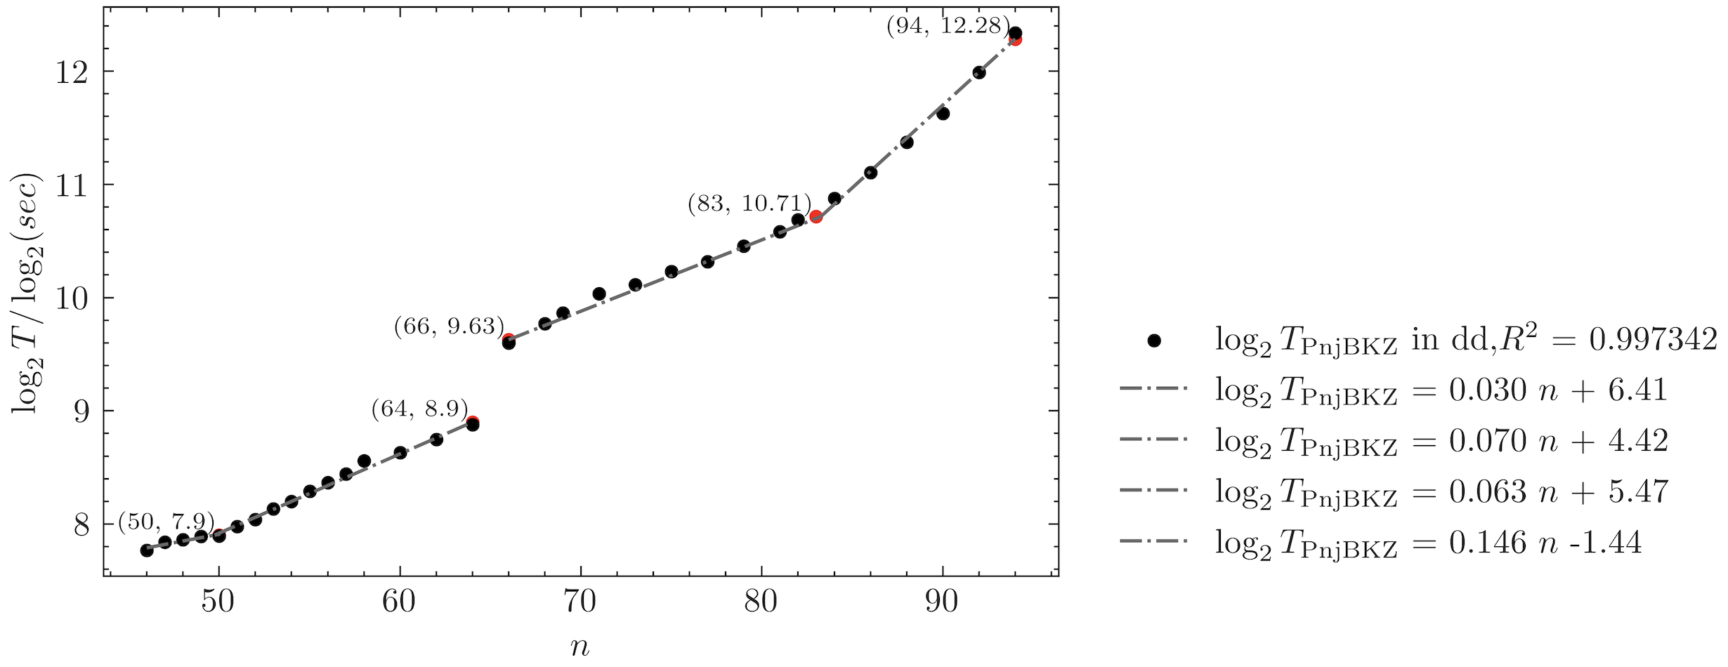
53 | 2 | 47 | 116.93 |  | 112.98598353 | 79 | 115.17280901 | `
55 | 1 | 48 | 232.58 | 230.72011843 |  | 155
55 | 2 | 48 | 122.94 |  | 115.36005921 | 78 | 116.10431766
jump=1
57 | 1 | 49 | 237.2 | 235.56803856 |  | 155
57 | 2 | 49 | 131.26 |  | 117.78401928 | 79
57 | 3 | 49 | 86.59 |  | 78.52267952 | 53
59 | 1 | 50 | 238.03 | 240.5178238 |  | 155
59 | 2 | 50 | 129.82 |  | 120.2589119 | 78
59 | 3 | 50 | 90.37 |  | 80.172607933 | 54
61 | 1 | 51 | 252.46 | 254.23167883 |  | 155
61 | 2 | 51 | 137.9 |  | 127.11583942 | 79
61 | 3 | 51 | 95.58 |  | 84.743892944 | 53
61 | 4 | 51 | 73.1 |  | 63.557919708 | 40
63 | 1 | 52 | 263.25 | 266.87123478 |  | 155
63 | 2 | 52 | 143.89 |  |  | 78
63 | 3 | 52 | 100.56 |  |  | 53
63 | 4 | 52 | 79.26 |  |  | 40
65 | 1 | 53 | 281.19 | 280.13918752 |  | 155
65 | 2 | 53 | 151.44 |  |  | 79
65 | 3 | 53 | 104.08 |  |  | 54
65 | 4 | 53 | 80.13 |  |  | 41
65 | 5 | 53 | 63.39 |  |  | 32
67 | 1 | 54 | 293.71 | 294.06677888 |  | 155
67 | 2 | 54 | 160.74 |  |  | 78
67 | 3 | 54 | 113.71 |  |  | 53
67 | 4 | 54 | 87.06 |  |  | 41
67 | 5 | 54 | 66.89 |  |  | 34
69 | 1 | 55 | 313.32 | 308.68680389 |  | 155
69 | 2 | 55 | 170.89 |  |  | 79
69 | 3 | 55 | 117.64 |  |  | 53
69 | 4 | 55 | 90.5 |  |  | 40
69 | 5 | 55 | 74.08 |  |  | 33
71 | 1 | 56 | 330.4 | 324.03368806 |  | 155
71 | 2 | 56 | 179.66 |  |  | 78
71 | 3 | 56 | 120.32 |  |  | 54
71 | 4 | 56 | 95.56 |  |  | 40
71 | 5 | 56 | 77.26 |  |  | 33
73 | 1 | 57 | 348.31 | 340.14356841 |  | 155
73 | 2 | 57 | 184.62 |  |  | 79
73 | 3 | 57 | 132.85 |  |  | 53
73 | 4 | 57 | 99.49 |  |  | 41
73 | 5 | 57 | 79.56 |  |  | 33
75 | 1 | 58 | 377.44 | 357.05437859 |  | 155
75 | 2 | 58 | 200.6 |  |  | 78
75 | 3 | 58 | 137.9 |  |  | 53
75 | 4 | 58 | 114.05 |  |  | 41
75 | 5 | 58 | 83.37 |  |  | 32
77 | 1 | 60 | 396.36 | 393.44004641 |  | 153
77 | 2 | 60 | 213.25 |  |  | 77
77 | 3 | 60 | 147.6 |  |  | 52
77 | 4 | 60 | 120.35 |  |  | 40
77 | 5 | 60 | 93.27 |  |  | 32
79 | 1 | 62 | 429.7 | 433.53359993 |  | 151
79 | 2 | 62 | 231.55 |  |  | 76
79 | 3 | 62 | 163.11 |  |  | 51
79 | 4 | 62 | 128.47 |  |  | 40
79 | 5 | 62 | 102.83 |  |  | 31
81 | 1 | 64 | 470.77 | 477.71289167 |  | 149
81 | 2 | 64 | 262.41 |  |  | 75
81 | 3 | 64 | 175.23 |  |  | 51
81 | 4 | 64 | 143.59 |  |  | 39
81 | 5 | 64 | 117.63 |  |  | 31
83 | 1 | 66 | 776.68 | 785.79000115 |  | 147
83 | 2 | 66 | 411.47 |  |  | 74
83 | 3 | 66 | 288.62 |  |  | 50
83 | 4 | 66 | 234.65 |  |  | 39
83 | 5 | 66 | 181.17 |  |  | 31
85 | 1 | 68 | 872.69 | 857.50424321 |  | 145
85 | 2 | 68 | 468.47 |  |  | 73
85 | 3 | 68 | 323.73 |  |  | 49
85 | 4 | 68 | 260.63 |  |  | 38
85 | 5 | 68 | 207.35 |  |  | 30
87 | 1 | 69 | 931.81 | 895.77959926 |  | 145
87 | 2 | 69 | 501.62 |  |  | 74
87 | 3 | 69 | 341.9 |  |  | 51
87 | 4 | 69 | 278.76 |  |  | 38
87 | 5 | 69 | 227.48 |  |  | 32
89 | 1 | 71 | 1048.23 | 977.53191848 |  | 143
89 | 2 | 71 | 548.54 |  |  | 73
89 | 3 | 71 | 385.23 |  |  | 50
89 | 4 | 71 | 301.74 |  |  | 37
89 | 5 | 71 | 247.07 |  |  | 31
91 | 1 | 73 | 1109.48 | 1066.7452713 |  | 141
91 | 2 | 73 | 589.46 |  |  | 72
91 | 3 | 73 | 411.34 |  |  | 49
91 | 4 | 73 | 326.97 |  |  | 37
91 | 5 | 73 | 266.69 |  |  | 31
93 | 1 | 75 | 1202.82 | 1164.1005806 |  | 139
93 | 2 | 75 | 636.19 |  |  | 71
93 | 3 | 75 | 438.65 |  |  | 49
93 | 4 | 75 | 352.46 |  |  | 36
93 | 5 | 75 | 284.38 |  |  | 31
95 | 1 | 77 | 1276.11 | 1270.3409129 |  | 137
95 | 2 | 77 | 679.22 |  |  | 70
95 | 3 | 77 | 479.17 |  |  | 48
95 | 4 | 77 | 387.07 |  |  | 36
95 | 5 | 77 | 313.15 |  |  | 30
97 | 1 | 79 | 1403.7 | 1386.2771497 |  | 135
97 | 2 | 79 | 742.55 |  |  | 69
97 | 3 | 79 | 525.36 |  |  | 47
97 | 4 | 79 | 415.59 |  |  | 35
97 | 5 | 79 | 342.83 |  |  | 30
99 | 1 | 81 | 1533.72 | 1512.7941771 |  | 133
99 | 2 | 81 | 830.1 |  |  | 68
99 | 3 | 81 | 568.75 |  |  | 47
99 | 4 | 81 | 468.65 |  |  | 35
99 | 5 | 81 | 374.76 |  |  | 29
101 | 1 | 82 | 1649.36 | 1580.3188993 |  | 133
101 | 2 | 82 | 894.69 |  |  | 67
101 | 3 | 82 | 627.54 |  |  | 46
101 | 4 | 82 | 484.21 |  |  | 34
101 | 5 | 82 | 422 |  |  | 29
103 | 1 | 84 | 1879.88 | 1812.7949099 |  | 131
103 | 2 | 84 | 1011.11 |  |  | 66
103 | 3 | 84 | 706.32 |  |  | 45
103 | 4 | 84 | 568.65 |  |  | 34
103 | 5 | 84 | 473.59 |  |  | 29
105 | 1 | 86 | 2200.37 | 2219.4707801 |  | 129
105 | 2 | 86 | 1187.36 |  |  | 65
105 | 3 | 86 | 842 |  |  | 45
105 | 4 | 86 | 655.73 |  |  | 33
105 | 5 | 86 | 578.22 |  |  | 28
107 | 1 | 88 | 2652.25 | 2717.3788479 |  | 127
107 | 2 | 88 | 1405.08 |  | 1358.689424 | 64 | 1369.3877659
107 | 3 | 88 | 1023.47 |  | 905.79294931 | 44 | 941.45408905
107 | 4 | 88 | 806.99 |  | 679.34471199 | 33 | 706.09056679
107 | 5 | 88 | 699.85 |  | 543.47576959 | 28 | 599.10714758
109 | 1 | 90 | 3159.65 | 3326.9858155 |  | 125
109 | 2 | 90 | 1741.36 |  |  | 63
109 | 3 | 90 | 1234.88 |  |  | 43
109 | 4 | 90 | 977.26 |  |  | 32
109 | 5 | 90 | 836.27 |  |  | 27
111 | 1 | 92 | 4068.67 | 4073.3498109 |  | 123
111 | 2 | 92 | 2248.07 |  |  | 62
111 | 3 | 92 | 1576.71 |  |  | 43
111 | 4 | 92 | 1277.9 |  |  | 32
111 | 5 | 92 | 1098.35 |  |  | 27
113 | 1 | 94 | 5177.49 | 4987.1504124 |  | 121
113 | 2 | 94 | 2829.48 |  |  | 61
113 | 3 | 94 | 2029.69 |  |  | 42
113 | 4 | 94 | 1548.8 |  |  | 31
113 | 5 | 94 | 1458.53 |  |  | 27

PnjBKZ cost （ds)
practical PnjBKZ cost in 32 threads(Intel Xeon 5128 16c 32@2.3GHz), 1.48T RAM and 2 gpus(NVIDIA Geforce RTX 3090). Test instance: svpchallenge-180 with down_stop = blocksize - dim4free AvgTime in 10 trials. rebuild.sh -y

beta | jump | sieve_dim | AvgT/s | simT/s(jump=1) | simT/s(jump>1, T(jump=1)/jump) | indices_num | simT/s(jump>1, T(jump=1)/jump)
51 | 1 | 46 | 437.54 | 438.97653076 |  | 152
51 | 2 | 46 | 232.42 |  | 219.48826538 | 75 | 216.60026189
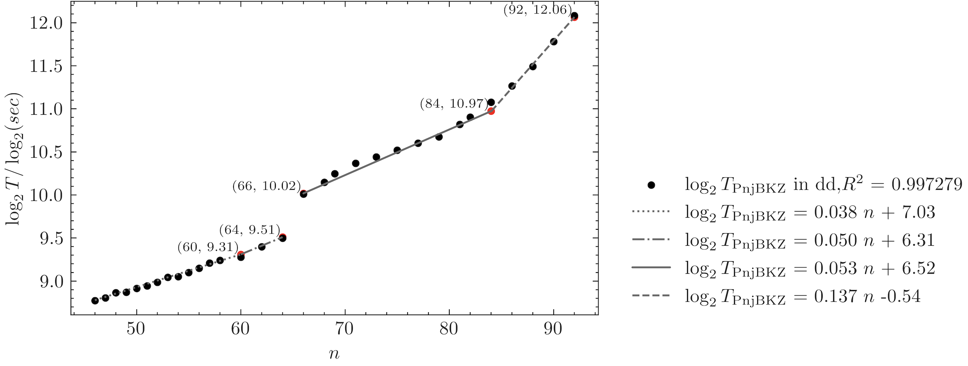
51 | 3 | 46 | 157.29 |  | 146.32551025 | 50 | 144.40017459
51 | 4 | 46 | 124.5 |  | 109.74413269 | 38 | 109.74413269
51 | 5 | 46 | 101.61 |  | 87.795306151 | 30 | 86.640104755
51 | 6 | 46 | 83.94 |  | 73.162755126 | 24 | 69.312083804
jump=1
53 | 1 | 47 | 447.2 | 450.69261494 |  | 152
53 | 2 | 47 | 232.85 |  | 225.34630747 | 76 | 225.34630747
53 | 3 | 47 | 159.66 |  | 150.23087165 | 51 | 151.21923265
53 | 4 | 47 | 124.26 |  | 112.67315374 | 37 | 109.70807074
53 | 5 | 47 | 101.48 |  | 90.138522989 | 30 | 88.952489792
53 | 6 | 47 | 87.23 |  | 75.115435824 | 26 | 77.092157819
55 | 1 | 48 | 465.87 | 462.7213961 |  | 152
55 | 2 | 48 | 241.76 |  | 231.36069805 | 75 | 228.31647834
55 | 3 | 48 | 167.44 |  | 154.24046537 | 50 | 152.21098556
55 | 4 | 48 | 129.08 |  | 115.68034902 | 37 | 112.63612931
55 | 5 | 48 | 103.89 |  | 92.544279219 | 29 | 88.282371624
55 | 6 | 48 | 92.42 |  | 77.120232683 | 25 | 76.105492779
57 | 1 | 49 | 467.78 | 475.07121995 |  | 152
57 | 2 | 49 | 243.86 |  | 237.53560998 | 76 | 237.53560998
57 | 3 | 49 | 167.56 |  | 158.35707332 | 50 | 152.21098556
57 | 4 | 49 | 128.22 |  | 118.76780499 | 38 | 115.68034902
57 | 5 | 49 | 106.09 |  | 95.014243991 | 31 | 94.370811046
57 | 6 | 49 | 93.87 |  | 79.178536659 | 25 | 76.105492779
59 | 1 | 50 | 482.34 | 487.750655 |  | 152
59 | 2 | 50 | 253.68 |  |  | 75
59 | 3 | 50 | 172.99 |  |  | 51
59 | 4 | 50 | 136.7 |  |  | 38
59 | 5 | 50 | 110.93 |  |  | 30
59 | 6 | 50 | 96.19 |  |  | 25
61 | 1 | 51 | 492.44 | 500.76849841 |  | 152
61 | 2 | 51 | 253.33 |  |  | 76
61 | 3 | 51 | 180.05 |  |  | 50
61 | 4 | 51 | 136.07 |  |  | 37
61 | 5 | 51 | 113.67 |  |  | 30
61 | 6 | 51 | 94.79 |  |  | 24
63 | 1 | 52 | 506.83 | 514.13378214 |  | 152
63 | 2 | 52 | 262.6 |  |  | 75
63 | 3 | 52 | 180.15 |  |  | 50
63 | 4 | 52 | 138.95 |  |  | 37
63 | 5 | 52 | 113.56 |  |  | 30
63 | 6 | 52 | 97.36 |  |  | 24
65 | 1 | 53 | 527.27 | 527.85577922 |  | 152
65 | 2 | 53 | 271.86 |  |  | 76
65 | 3 | 53 | 186.07 |  |  | 51
65 | 4 | 53 | 141.43 |  |  | 38
65 | 5 | 53 | 117.58 |  |  | 29
65 | 6 | 53 | 101.37 |  |  | 26
67 | 1 | 54 | 530.93 | 541.94401018 |  | 152
67 | 2 | 54 | 280.5 |  |  | 75
67 | 3 | 54 | 195.39 |  |  | 50
67 | 4 | 54 | 151.37 |  |  | 38
67 | 5 | 54 | 121.32 |  |  | 31
67 | 6 | 54 | 106.16 |  |  | 25
69 | 1 | 55 | 548.03 | 556.40824961 |  | 152
69 | 2 | 55 | 283.98 |  |  | 76
69 | 3 | 55 | 196.14 |  |  | 50
69 | 4 | 55 | 154.26 |  |  | 37
69 | 5 | 55 | 127.13 |  |  | 30
69 | 6 | 55 | 111.19 |  |  | 25
69 | 7 | 55 | 95.51 |  |  | 21
71 | 1 | 56 | 567.17 | 571.25853303 |  | 152
71 | 2 | 56 | 295.87 |  |  | 75
71 | 3 | 56 | 202.96 |  |  | 51
71 | 4 | 56 | 157.48 |  |  | 37
71 | 5 | 56 | 130.34 |  |  | 30
71 | 6 | 56 | 113.31 |  |  | 25
71 | 7 | 56 | 93.89 |  |  | 20
73 | 1 | 57 | 591.71 | 586.50516377 |  | 152
73 | 2 | 57 | 303.78 |  | 293.25258188 | 76 | 293.25258188
73 | 3 | 57 | 213.83 |  | 195.50172126 | 50 | 192.92933019
73 | 4 | 57 | 156.12 |  | 146.62629094 | 38 | 146.62629094
73 | 5 | 57 | 132.3 |  | 117.30103275 | 30 | 115.75759811
73 | 6 | 57 | 112.33 |  | 97.750860628 | 24 | 92.606078489
73 | 7 | 57 | 95.77 |  | 83.786451967 | 22 | 84.888905282
73 | 8 | 57 | 86.92 |  | 73.313145471 | 18 | 69.454558867
75 | 1 | 58 | 604.53 | 602.15872015 |  | 152
75 | 2 | 58 | 317.07 |  |  | 75
75 | 3 | 58 | 215.51 |  |  | 50
75 | 4 | 58 | 169.63 |  |  | 38
75 | 5 | 58 | 133.11 |  |  | 29
75 | 6 | 58 | 116.65 |  |  | 24
75 | 7 | 58 | 108.66 |  |  | 22
75 | 8 | 58 | 90.66 |  |  | 18
77 | 1 | 60 | 620.93 | 634.73034237 |  | 150
77 | 2 | 60 | 326.4 |  |  | 74
77 | 3 | 60 | 226.01 |  |  | 49
77 | 4 | 60 | 180.32 |  |  | 37
77 | 5 | 60 | 146.43 |  |  | 29
77 | 6 | 60 | 127.42 |  |  | 24
77 | 7 | 60 | 110.9 |  |  | 22
77 | 8 | 60 | 99.46 |  |  | 18
79 | 1 | 62 | 674.55 | 680.28713682 |  | 148
79 | 2 | 62 | 348.94 |  | 340.14356841 | 73 | 335.5470337
79 | 3 | 62 | 241.01 |  | 226.76237894 | 48 | 220.63366599
79 | 4 | 62 | 189.86 |  | 170.0717842 | 37 | 170.0717842
79 | 5 | 62 | 150.02 |  | 136.05742736 | 28 | 128.70297183
79 | 6 | 62 | 131.61 |  | 113.38118947 | 23 | 105.72029829
79 | 7 | 62 | 122.32 |  | 97.183876688 | 21 | 96.527228873
79 | 8 | 62 | 108.82 |  | 85.035892102 | 18 | 82.737624748
81 | 1 | 64 | 722.83 |  |  | 146
81 | 2 | 64 | 391.04 |  |  | 72
81 | 3 | 64 | 267.83 |  |  | 48
81 | 4 | 64 | 211.64 |  |  | 36
81 | 5 | 64 | 171.65 |  |  | 28
81 | 6 | 64 | 146.69 |  |  | 23
81 | 7 | 64 | 135.11 |  |  | 21
81 | 8 | 64 | 115.29 |  |  | 17
83 | 1 | 66 | 1030.59 |  |  | 144
83 | 2 | 66 | 546.49 |  |  | 71
83 | 3 | 66 | 375.72 |  |  | 47
83 | 4 | 66 | 296.59 |  |  | 36
83 | 5 | 66 | 233.44 |  |  | 28
83 | 6 | 66 | 209.79 |  |  | 23
83 | 7 | 66 | 193.71 |  |  | 21
83 | 8 | 66 | 162.99 |  |  | 17
85 | 1 | 68 | 1133.09 |  |  | 142
85 | 2 | 68 | 598.68 |  |  | 70
85 | 3 | 68 | 400.47 |  |  | 46
85 | 4 | 68 | 317.9 |  |  | 35
85 | 5 | 68 | 261.85 |  |  | 27
85 | 6 | 68 | 221.93 |  |  | 22
85 | 7 | 68 | 205.76 |  |  | 20
85 | 8 | 68 | 181.61 |  |  | 17
87 | 1 | 69 | 1214.91 |  |  | 142
87 | 2 | 69 | 638.48 |  |  | 71
87 | 3 | 69 | 431.21 |  |  | 48
87 | 4 | 69 | 346.09 |  |  | 35
87 | 5 | 69 | 280.06 |  |  | 29
87 | 6 | 69 | 237.54 |  |  | 24
87 | 7 | 69 | 222.46 |  |  | 20
87 | 8 | 69 | 197.49 |  |  | 17
87 | 9 | 69 | 175.47 |  |  | 16
89 | 1 | 71 | 1321.3 |  |  | 140
89 | 2 | 71 | 685.68 |  |  | 70
89 | 3 | 71 | 476.5 |  |  | 47
89 | 4 | 71 | 370.04 |  |  | 34
89 | 5 | 71 | 295.81 |  |  | 28
89 | 6 | 71 | 258.02 |  |  | 24
89 | 7 | 71 | 237.45 |  |  | 20
89 | 8 | 71 | 200.81 |  |  | 16
89 | 9 | 71 | 193.6 |  |  | 15
91 | 6 | 73 | 271.97 |  |  | 23
91 | 7 | 73 | 243.95 |  |  | 20
91 | 8 | 73 | 222.69 |  |  | 16
91 | 9 | 73 | 211.72 |  |  | 15
91 | 1 | 73 | 1389.99 |  |  | 138
91 | 2 | 73 | 730.94 |  |  | 69
91 | 3 | 73 | 498.46 |  |  | 46
91 | 4 | 73 | 398.86 |  |  | 34
91 | 5 | 73 | 322.26 |  |  | 28
93 | 1 | 75 | 1468.69 |  |  | 136
93 | 2 | 75 | 758.17 |  |  | 68
93 | 3 | 75 | 525.14 |  |  | 46
93 | 4 | 75 | 417.88 |  |  | 33
93 | 5 | 75 | 327.43 |  |  | 28
93 | 6 | 75 | 289.12 |  |  | 23
93 | 7 | 75 | 266.86 |  |  | 19
93 | 8 | 75 | 237.17 |  |  | 16
93 | 9 | 75 | 228.74 |  |  | 15
95 | 1 | 77 | 1554.68 |  |  | 134
95 | 2 | 77 | 814.18 |  |  | 67
95 | 3 | 77 | 571.95 |  |  | 45
95 | 4 | 77 | 448.6 |  |  | 33
95 | 5 | 77 | 353.03 |  |  | 27
95 | 6 | 77 | 321.05 |  |  | 23
95 | 7 | 77 | 296.44 |  |  | 19
95 | 8 | 77 | 258.69 |  |  | 16
95 | 9 | 77 | 248.59 |  |  | 15
97 | 1 | 79 | 1634.07 |  |  | 132
97 | 2 | 79 | 878.93 |  |  | 66
97 | 3 | 79 | 606.06 |  |  | 44
97 | 4 | 79 | 474.95 |  |  | 32
97 | 5 | 79 | 389.23 |  |  | 27
97 | 6 | 79 | 333.13 |  |  | 22
97 | 7 | 79 | 325.01 |  |  | 19
97 | 8 | 79 | 267.95 |  |  | 15
97 | 9 | 79 | 255.91 |  |  | 14
99 | 1 | 81 | 1807.1 | 1799.025599 |  | 130
99 | 2 | 81 | 942.15 |  |  | 65 | 899.51279948
99 | 3 | 81 | 645.15 |  |  | 44 | 608.90097195
99 | 4 | 81 | 524.01 |  |  | 32 | 442.83707051
99 | 5 | 81 | 414.5 |  |  | 26 | 359.80511979
99 | 6 | 81 | 374.53 |  |  | 22 | 304.45048598
99 | 7 | 81 | 339.58 |  |  | 18 | 249.09585216
99 | 8 | 81 | 298.07 |  |  | 15 | 207.5798768
99 | 9 | 81 | 283.29 |  |  | 14 | 193.74121835
101 | 1 | 82 | 1914.8 |  |  | 130
101 | 2 | 82 | 1028.76 |  |  | 64
101 | 3 | 82 | 722.87 |  |  | 43
101 | 4 | 82 | 548.38 |  |  | 31
101 | 5 | 82 | 469.42 |  |  | 26
101 | 6 | 82 | 419.97 |  |  | 22
101 | 7 | 82 | 362.69 |  |  | 18
101 | 8 | 82 | 317.68 |  |  | 15
101 | 9 | 82 | 301.44 |  |  | 14
103 | 1 | 84 | 2158.23 |  |  | 128
103 | 2 | 84 | 1125.46 |  |  | 63
103 | 3 | 84 | 791.87 |  |  | 42
103 | 4 | 84 | 613.97 |  |  | 31
103 | 5 | 84 | 515.19 |  |  | 26
103 | 6 | 84 | 456.47 |  |  | 21
103 | 7 | 84 | 409.92 |  |  | 18
103 | 8 | 84 | 362.04 |  |  | 15
103 | 9 | 84 | 341.74 |  |  | 14
105 | 1 | 86 | 2464.25 |  |  | 126
105 | 2 | 86 | 1305.35 |  |  | 62
105 | 3 | 86 | 903.28 |  |  | 42
105 | 4 | 86 | 702.42 |  |  | 30
105 | 5 | 86 | 589.2 |  |  | 25
105 | 6 | 86 | 545.66 |  |  | 21
105 | 8 | 86 | 405.99 |  |  | 14
105 | 9 | 86 | 385.26 |  |  | 14
107 | 1 | 88 | 2877.41 |  |  | 124
107 | 2 | 88 | 1529.64 |  |  | 61
107 | 3 | 88 | 1080.1 |  |  | 41
107 | 4 | 88 | 840.88 |  |  | 30
107 | 5 | 88 | 740.96 |  |  | 25
107 | 6 | 88 | 634.38 |  |  | 21
109 | 1 | 90 | 3521.55 |  |  | 122
109 | 2 | 90 | 1861.95 |  |  | 60
109 | 3 | 90 | 1315.44 |  |  | 40
109 | 4 | 90 | 1018.26 |  |  | 29
109 | 5 | 90 | 857.54 |  |  | 24
111 | 1 | 92 | 4338.66 | 4281.7949704 |  | 120
111 | 2 | 92 | 2304.19 |  | 2140.8974852 | 59 | 2105.2158605
111 | 3 | 92 | 1609.93 |  | 1427.2649901 | 40 | 1427.2649901
111 | 6 | 92 | 911.13 |  | 713.63249507 | 20 | 713.63249507
111 | 7 | 92 | 819.06 |  | 611.68499578 | 17 | 606.58762081
111 | 8 | 92 | 714.21 |  | 535.22437131 | 14 | 499.54274655
111 | 9 | 92 | 684.63 |  | 475.75499672 | 13 | 463.8611218
113 | 6 | 94 | 1142.04 |  |  | 20
113 | 7 | 94 | 966.92 |  |  | 16
113 | 8 | 94 | 856.21 |  |  | 13
113 | 9 | 94 | 840.46 |  |  | 13
115 | 6 | 95 | 1228.53 |  |  | 19
115 | 7 | 95 | 1080.08 |  |  | 16
115 | 8 | 95 | 939.46 |  |  | 15
115 | 9 | 95 | 896.63 |  |  | 12

