Chart1
 | AUROC | AUPR
LHGCE | 0.795 | 0.796
HINGRL | 0.884 | 0.877
LAGCN | 0.879 | 0.145
REDDA | 0.966 | 0.732
DDA-GTN | 0.836 | 0.828

Chart2
 | AUROC | AUPR
LHGCE | 0.500 | 0.750
LAGCN | 0.725 | 0.772
REDDA | 0.996 | 0.620
DDA-GTN | 0.845 | 0.834

Sheet1
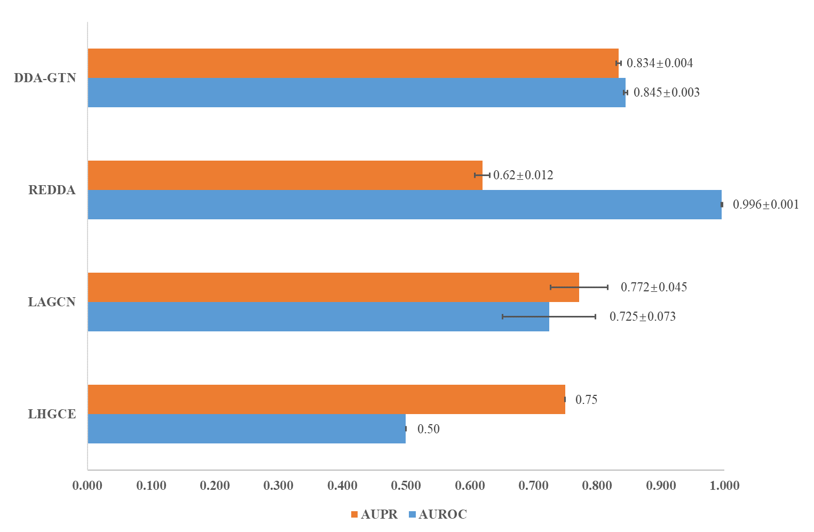

KFCdataset
 | LHGCE | LAGCN | REDDA | DDA-GTN
AUROC | 0.500 | 0.725 | 0.996 | 0.845
AUPR | 0.750 | 0.772 | 0.620 | 0.834

AUROC_std | 0 | 0.073 | 0.001 | 0.003
AUPR_std | 0 | 0.045 | 0.012 | 0.004

Note： HD version is in Chart 2
AUROC_label | 0.50 | 0.725±0.073 | 0.996±0.001 | 0.845±0.003
AUPR_label | 0.75 | 0.772±0.045 | 0.62±0.012 | 0.834±0.004
Data source | From running LHGCE-main/mainKFC.py, dataset replaced with KFCdataset | From running LAGCN-master/code/main.py, dataset replaced with KFCdataset | From running REDDA-main/main.py | From running src/MdataNW.py, dataset replaced with KFCdataset

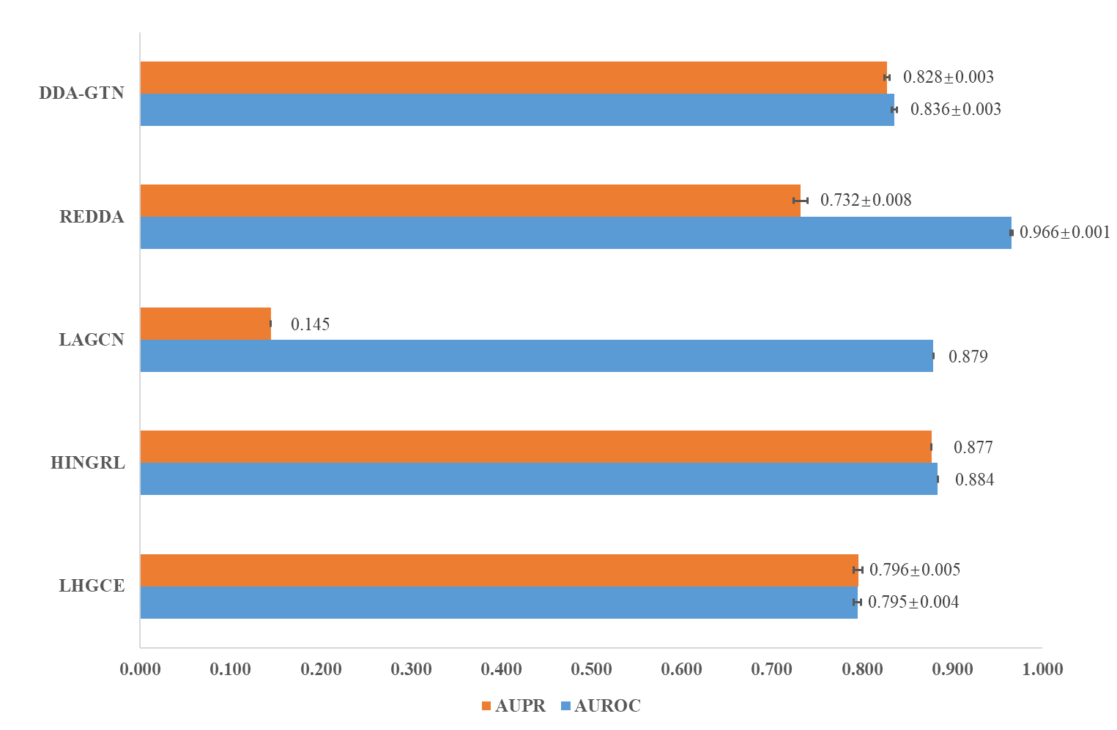

Bdataset
 | LHGCE | HINGRL | LAGCN | REDDA | DDA-GTN
AUROC | 0.795 | 0.884 | 0.879 | 0.966 | 0.836
AUPR | 0.796 | 0.877 | 0.145 | 0.732 | 0.828

AUROC_std | 0.004 | 0 | 0 | 0.001 | 0.003
AUPR_std | 0.005 | 0 | 0 | 0.008 | 0.003

Note： HD version is in Chart 1
AUROC_label | 0.795±0.004 | 0.884 | 0.879 | 0.966±0.001 | 0.836±0.003
AUPR_label | 0.796±0.005 | 0.877 | 0.145 | 0.732±0.008 | 0.828±0.003
Data source | From running LHGCE-main/main.py, dataset replaced with Bdataset | From paper HINGRL PMID: 34891172 | From paper HINGRL PMID: 34891172 | From running REDDA-main/main.py, dataset replaced with Bdataset | From running src/MdataNW.py, dataset replaced with Bdataset

