Chart1
 | LHGCE | LAGCN | REDDA | DDA-GTN
F1 | 0.667 | 0.503 | 0.669 | 0.769
Recall (Sensitivity) | 1.000 | 0.915 | 0.966 | 0.729
Precision (PPV) | 0.500 | 0.349 | 0.511 | 0.814

Sheet1
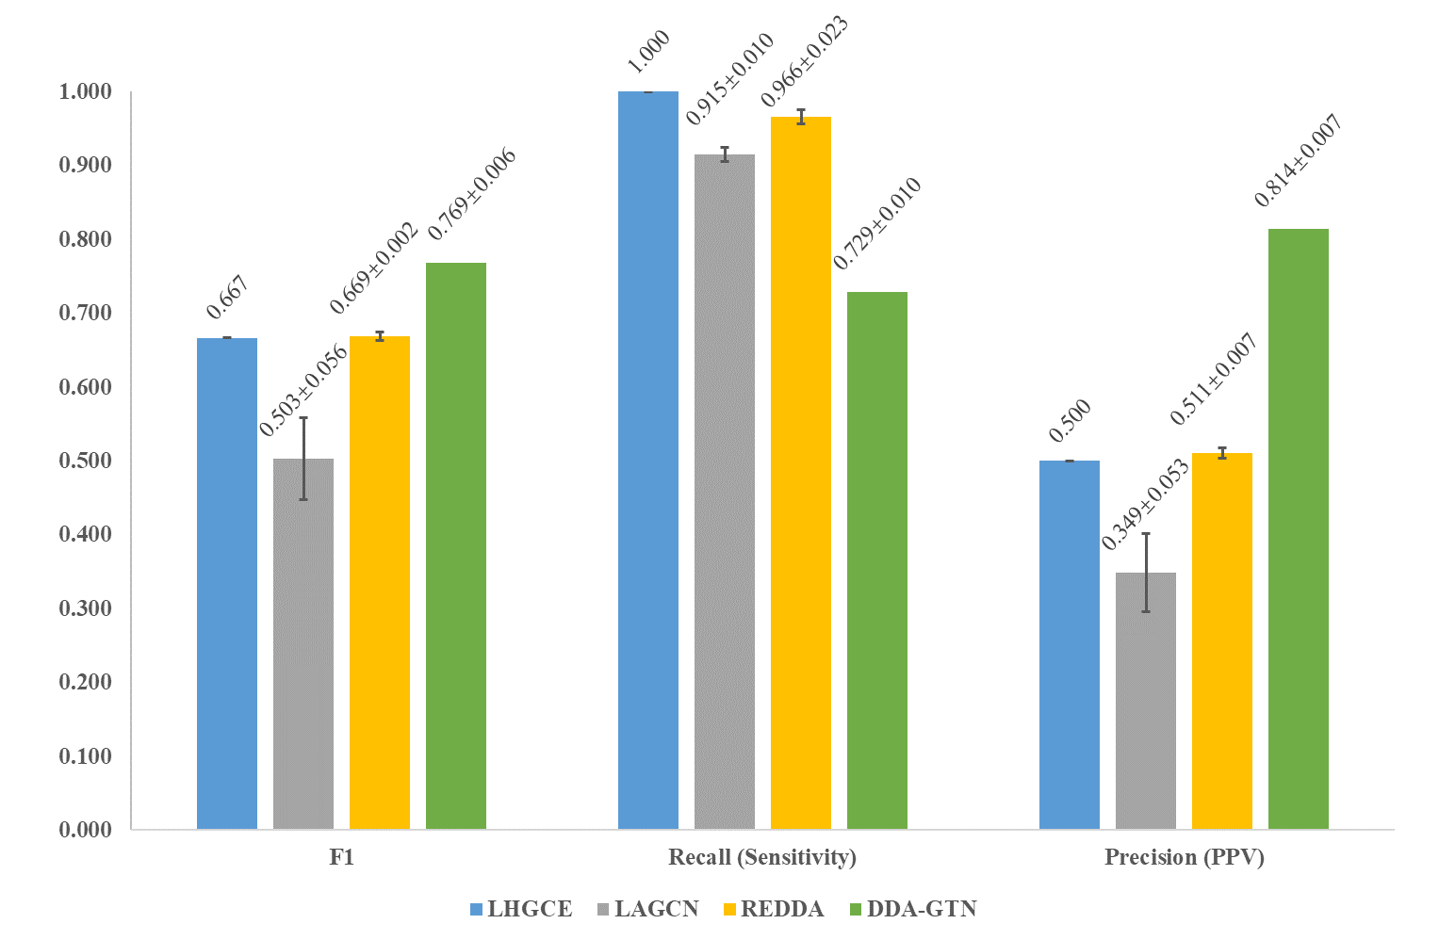
Note： HD version is in Chart 1
KFCdataset
 | LHGCE | LAGCN | REDDA | DDA-GTN
F1 | 0.667 | 0.503 | 0.669 | 0.769
Recall (Sensitivity) | 1.000 | 0.915 | 0.966 | 0.729
Precision (PPV) | 0.500 | 0.349 | 0.511 | 0.814

F1_std | 0.000 | 0.056 | 0.002 | 0.006
Recall_std | 0.000 | 0.010 | 0.023 | 0.010
Precision_std | 0.000 | 0.053 | 0.007 | 0.007

F1_label | 0.667 | 0.503±0.056 | 0.669±0.002 | 0.769±0.006
Recall_label | 1.000 | 0.915±0.010 | 0.966±0.023 | 0.729±0.010
Precision_label | 0.500 | 0.349±0.053 | 0.511±0.007 | 0.814±0.007
Data source | From running LHGCE-main/mainKFC.py, dataset replaced with KFCdataset | From running LAGCN-master/code/main.py, dataset replaced with KFCdataset | From running REDDA-main/main.py | From running src/MdataNW.py, dataset replaced with KFCdataset

