Chart1
 | LHGCE | HINGRL | LAGCN | REDDA | DDA-GTN
F1 | 0.75 | 0.80 | 0.13 | 0.71 | 0.75
Recall (Sensitivity) | 0.85 | 0.81 | 0.69 | 0.87 | 0.73
Precision (PPV) | 0.67 | 0.79 | 0.07 | 0.60 | 0.77

Sheet1
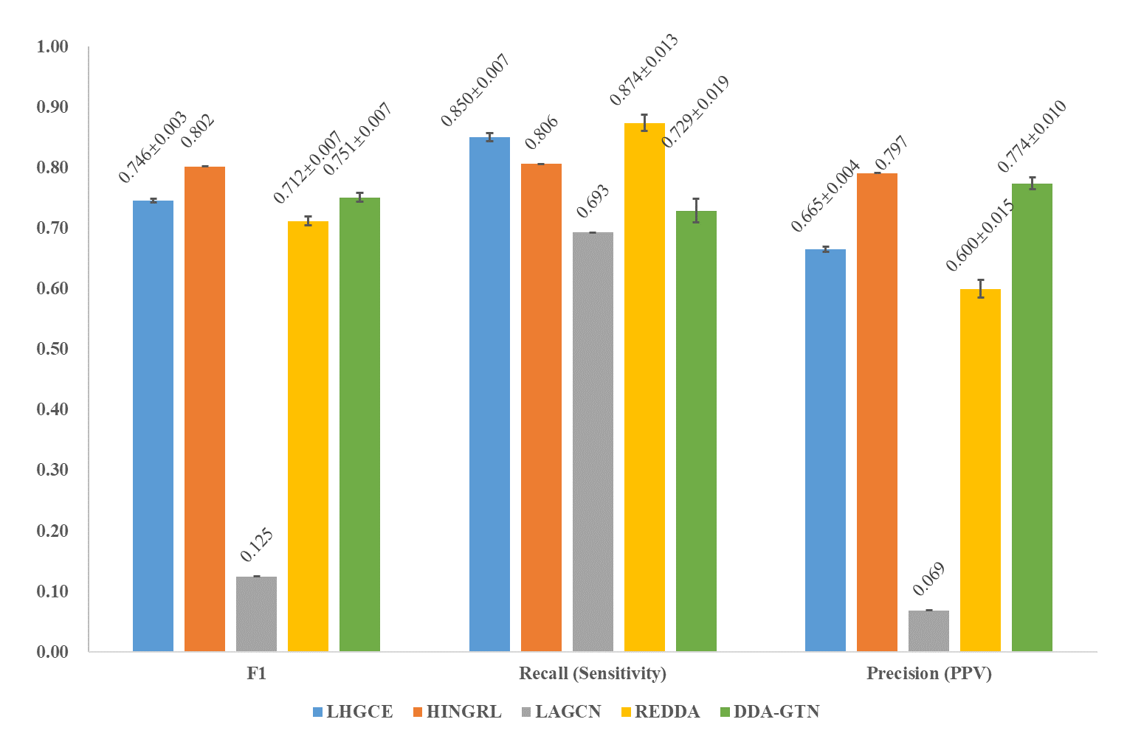
Note： HD version is in Chart 1
Bdata
 | LHGCE | HINGRL | LAGCN | REDDA | DDA-GTN
F1 | 0.75 | 0.80 | 0.13 | 0.71 | 0.75
Recall (Sensitivity) | 0.85 | 0.81 | 0.69 | 0.87 | 0.73
Precision (PPV) | 0.67 | 0.79 | 0.07 | 0.60 | 0.77

F1_std | 0.003 | 0 | 0 | 0.007 | 0.007
Recall_std | 0.007 | 0 | 0 | 0.013 | 0.019
Precision_std | 0.00 | 0.00 | 0.00 | 0.02 | 0.01

 | LHGCE | HINGRL | LAGCN | REDDA | DDA-GTN
F1_label | 0.746±0.003 | 0.802 | 0.125 | 0.712±0.007 | 0.751±0.007
Recall_label | 0.850±0.007 | 0.806 | 0.693 | 0.874±0.013 | 0.729±0.019
Precision_label | 0.665±0.004 | 0.797 | 0.069 | 0.600±0.015 | 0.774±0.010
Data source | From running LHGCE-main/main.py, dataset replaced with Bdataset | From paper HINGRL PMID: 34891172 | From paper HINGRL PMID: 34891172 | From running REDDA-main/main.py, dataset replaced with Bdataset | From running src/MdataNW.py, dataset replaced with Bdataset

