CONDITIONAL FORMATTING
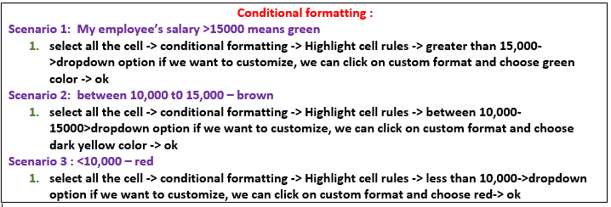
Emp Code | Employee Name | Address | City | Region | Department | Basic | AGE | gender | mobile
1 | JP Kumar | Andheri (W) | Mumbai | W | Training | 6250 | 45 | Male | 9788979445
2 | Anjali Thakur | Govindpuri | Delhi | N | Accounts | 8750 | 34 | Female | 9788979445
3 | Priya Agarwal | Sector 9 | Noida | N | Marketing | 11250 | 47 | Female | 9788979445
4 | R Vasu | Egmore | Chennai | S | R&D | 10000 | 32 | Male | 9788979445
5 | Sanjay Gupta | G K - II | Delhi | N | Training | 16250 | 21 | Female | 9788979445
6 | Jharna Biswal | Link Road | Cuttack | E | Accounts | 6400 | 56 | Male | 9788979445
7 | Prakash Dutta | Elgin Road | Kolkata | E | Marketing | 4500 | 23 | Female | 9788979445
8 | Manisha Guha | Alipore | Kolkata | E | R&D | 6275 | 34 | Male | 9788979445
9 | Arjun Jain | MG Road | Mumbai | W | Training | 6250 | 27 | Female | 9788979445
10 | Arjun Kapoor | Kormangala | Bangalore | S | Accounts | 8750 | 36 | Female | 9788979445
11 | Abrar | Jayanagar | Bangalore | S | Marketing | 11250 | 29 | Male | 9788979445
12 | Shahid Khan | M.G Road | Mangalore | S | R&D | 10000 | 28 | Female | 9788979445
13 | Anupam Mishra | Govindpuri | Mysore | S | Training | 16250 | 27 | Male | 9788979445
14 | Ashwini | Sector 9 | Mangalore | S | Accounts | 6400 | 26 | Female | 9788979445
15 | Prateek Babbar | North Road | Delhi | N | Marketing | 4500 | 25 | Male | 9788979445
16 | Sukanya Reddy | Alipore | Mangalore | S | R&D | 6275 | 24 | Female | 9788979445
17 | Satish Puri | Bandra | Mumbai | W | Operation | 6250 | 22 | Female | 9788979445
18 | Anjum Chopra | Worli | Mumbai | W | R&D | 8750 | 21 | Male | 9788979445
19 | Akram Khan | S P B Road | Pune | W | Operation | 11250 | 20 | Female | 9788979445
20 | Manish Grover | L L R Road | Noida | N | Training | 10000 | 19 | Male | 9788979445

CF-DATA BARS
Emp Code | Employee Name | Address | City | Region | Department | Basic | Basic
1 | JP Kumar | Andheri (W) | Mumbai | W | Training | 6250 | 6250
2 | Anjali Thakur | Govindpuri | Delhi | N | Accounts | 8750 | 8750
3 | Priya Agarwal | Sector 9 | Noida | N | Marketing | 11250 | 11250
4 | R Vasu | Egmore | Chennai | S | R&D | 10000 | 10000
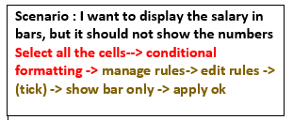
5 | Sanjay Gupta | G K - II | Delhi | N | Training | 16250 | 16250
6 | Jharna Biswal | Link Road | Cuttack | E | Accounts | 6400 | 6400
7 | Prakash Dutta | Elgin Road | Kolkata | E | Marketing | 4500 | 4500
8 | Manisha Guha | Alipore | Kolkata | E | R&D | 6275 | 6275
9 | Arjun Jain | MG Road | Mumbai | W | Training | 6250 | 6250
10 | Arjun Kapoor | Kormangala | Bangalore | S | Accounts | 8750 | 8750
11 | Abrar | Jayanagar | Bangalore | S | Marketing | 11250 | 11250
12 | Shahid Khan | M.G Road | Mangalore | S | R&D | 10000 | 10000
13 | Anupam Mishra | Govindpuri | Mysore | S | Training | 16250 | 16250
14 | Ashwini | Sector 9 | Mangalore | S | Accounts | 6400 | 6400
15 | Prateek Babbar | North Road | Delhi | N | Marketing | 4500 | 4500
16 | Sukanya Reddy | Alipore | Mangalore | S | R&D | 6275 | 6275
17 | Satish Puri | Bandra | Mumbai | W | Operation | 6250 | 6250
18 | Anjum Chopra | Worli | Mumbai | W | R&D | 8750 | 8750
19 | Akram Khan | S P B Road | Pune | W | Operation | 11250 | 11250
20 | Manish Grover | L L R Road | Noida | N | Training | 10000 | 10000

CF-ICONS
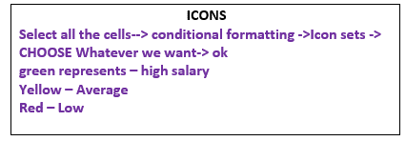
Emp Code | Employee Name | Address | City | Region | Department | Basic | Basic | Basic
1 | JP Kumar | Andheri (W) | Mumbai | W | Training | 6250 | 6250 | 6250
2 | Anjali Thakur | Govindpuri | Delhi | N | Accounts | 8750 | 8750 | 8750
3 | Priya Agarwal | Sector 9 | Noida | N | Marketing | 11250 | 11250 | 11250
4 | R Vasu | Egmore | Chennai | S | R&D | 10000 | 10000 | 10000
5 | Sanjay Gupta | G K - II | Delhi | N | Training | 16250 | 16250 | 16250
6 | Jharna Biswal | Link Road | Cuttack | E | Accounts | 6400 | 6400 | 6400
7 | Prakash Dutta | Elgin Road | Kolkata | E | Marketing | 4500 | 4500 | 4500
8 | Manisha Guha | Alipore | Kolkata | E | R&D | 6275 | 6275 | 6275
9 | Arjun Jain | MG Road | Mumbai | W | Training | 6250 | 6250 | 6250
10 | Arjun Kapoor | Kormangala | Bangalore | S | Accounts | 8750 | 8750 | 8750
11 | Abrar | Jayanagar | Bangalore | S | Marketing | 11250 | 11250 | 11250
12 | Shahid Khan | M.G Road | Mangalore | S | R&D | 10000 | 10000 | 10000
13 | Anupam Mishra | Govindpuri | Mysore | S | Training | 16250 | 16250 | 16250
14 | Ashwini | Sector 9 | Mangalore | S | Accounts | 6400 | 6400 | 6400
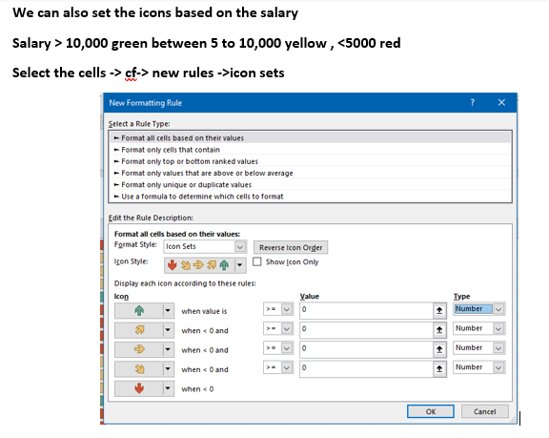
15 | Prateek Babbar | North Road | Delhi | N | Marketing | 4500 | 4500 | 4500
16 | Sukanya Reddy | Alipore | Mangalore | S | R&D | 6275 | 6275 | 6275
17 | Satish Puri | Bandra | Mumbai | W | Operation | 6250 | 6250 | 6250
18 | Anjum Chopra | Worli | Mumbai | W | R&D | 8750 | 8750 | 8750
19 | Akram Khan | S P B Road | Pune | W | Operation | 11250 | 11250 | 11250
20 | Manish Grover | L L R Road | Noida | N | Training | 10000 | 10000 | 10000

CF-new rule
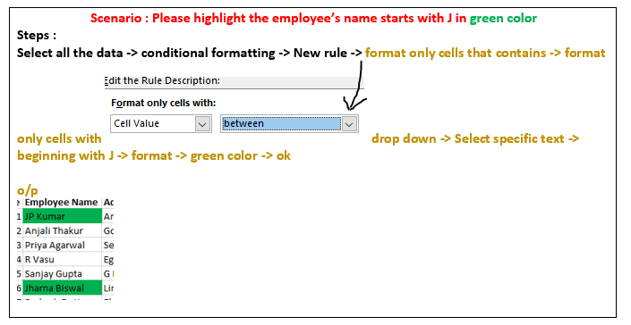
Emp Code | Employee Name | Address | City | Region | Department | Basic
1 | JP Kumar | Andheri (W) | Mumbai | W | Training | 6250
2 | Anjali Thakur | Govindpuri | Delhi | N | Accounts | 8750
3 | Priya Agarwal | Sector 9 | Noida | N | Marketing | 11250
4 | R Vasu | Egmore | Chennai | S | R&D | 10000
5 | Sanjay Gupta | G K - II | Delhi | N | Training | 16250
6 | Jharna Biswal | Link Road | Cuttack | E | Accounts | 6400
7 | Prakash Dutta | Elgin Road | Kolkata | E | Marketing | 4500
8 | Manisha Guha | Alipore | Kolkata | E | R&D | 6275
9 | Arjun Jain | MG Road | Mumbai | W | Training | 6250
10 | Arjun Kapoor | Kormangala | Bangalore | S | Accounts | 8750
11 | Abrar | Jayanagar | Bangalore | S | Marketing | 11250
12 | Shahid Khan | M.G Road | Mangalore | S | R&D | 10000
13 | Anupam Mishra | Govindpuri | Mysore | S | Training | 16250
14 | Ashwini | Sector 9 | Mangalore | S | Accounts | 6400
15 | Prateek Babbar | North Road | Delhi | N | Marketing | 4500
16 | Sukanya Reddy | Alipore | Mangalore | S | R&D | 6275
17 | Satish Puri | Bandra | Mumbai | W | Operation | 6250
18 | Anjum Chopra | Worli | Mumbai | W | R&D | 8750
19 | Akram Khan | S P B Road | Pune | W | Operation | 11250
20 | Manish Grover | L L R Road | Noida | N | Training | 10000

CF- formulas oddeven
Emp Code | Employee Name | Address | City | Region | Department | Basic | Age
1 | JP Kumar | Andheri (W) | Mumbai | W | Training | 6250 | 25
2 | Anjali Thakur | Govindpuri | Delhi | N | Accounts | 8750 | 21
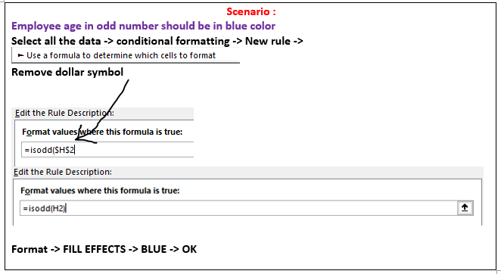
3 | Priya Agarwal | Sector 9 | Noida | N | Marketing | 11250 | 25
4 | R Vasu | Egmore | Chennai | S | R&D | 10000 | 31
5 | Sanjay Gupta | G K - II | Delhi | N | Training | 16250 | 21
6 | Jharna Biswal | Link Road | Cuttack | E | Accounts | 6400 | 34
7 | Prakash Dutta | Elgin Road | Kolkata | E | Marketing | 4500 | 43
8 | Manisha Guha | Alipore | Kolkata | E | R&D | 6275 | 49
9 | Arjun Jain | MG Road | Mumbai | W | Training | 6250 | 35
10 | Arjun Kapoor | Kormangala | Bangalore | S | Accounts | 8750 | 41
11 | Abrar | Jayanagar | Bangalore | S | Marketing | 11250 | 42
12 | Shahid Khan | M.G Road | Mangalore | S | R&D | 10000 | 21
13 | Anupam Mishra | Govindpuri | Mysore | S | Training | 16250 | 44
14 | Ashwini | Sector 9 | Mangalore | S | Accounts | 6400 | 48
15 | Prateek Babbar | North Road | Delhi | N | Marketing | 4500 | 25
16 | Sukanya Reddy | Alipore | Mangalore | S | R&D | 6275 | 44
17 | Satish Puri | Bandra | Mumbai | W | Operation | 6250 | 30
18 | Anjum Chopra | Worli | Mumbai | W | R&D | 8750 | 44
19 | Akram Khan | S P B Road | Pune | W | Operation | 11250 | 23
20 | Manish Grover | L L R Road | Noida | N | Training | 10000 | 44

CF-left,right
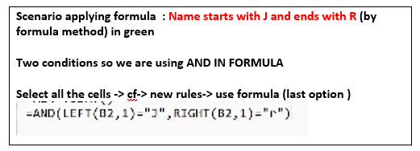
Emp Code | Employee Name | Address | City | Region | Department | Basic | Age
1 | JP Kumar | Andheri (W) | Mumbai | W | Training | 6250 | 22
2 | Anjali Thakur | Govindpuri | Delhi | N | Accounts | 8750 | 31
3 | Priya Agarwal | Sector 9 | Noida | N | Marketing | 11250 | 36
4 | R Vasu | Egmore | Chennai | S | R&D | 10000 | 29
5 | Sanjay Gupta | G K - II | Delhi | N | Training | 16250 | 43
6 | Jharna Biswal | Link Road | Cuttack | E | Accounts | 6400 | 32
7 | Prakash Dutta | Elgin Road | Kolkata | E | Marketing | 4500 | 29
8 | Manisha Guha | Alipore | Kolkata | E | R&D | 6275 | 45
9 | Arjun Jain | MG Road | Mumbai | W | Training | 6250 | 45
10 | Arjun Kapoor | Kormangala | Bangalore | S | Accounts | 8750 | 37
11 | Abrar | Jayanagar | Bangalore | S | Marketing | 11250 | 37
12 | Shahid Khan | M.G Road | Mangalore | S | R&D | 10000 | 26
13 | Anupam Mishra | Govindpuri | Mysore | S | Training | 16250 | 43
14 | Ashwini | Sector 9 | Mangalore | S | Accounts | 6400 | 50
15 | Prateek Babbar | North Road | Delhi | N | Marketing | 4500 | 45
16 | Sukanya Reddy | Alipore | Mangalore | S | R&D | 6275 | 22
17 | Satish Puri | Bandra | Mumbai | W | Operation | 6250 | 40
18 | Anjum Chopra | Worli | Mumbai | W | R&D | 8750 | 47
19 | Akram Khan | S P B Road | Pune | W | Operation | 11250 | 23
20 | Manish Grover | L L R Road | Noida | N | Training | 10000 | 29

CF-Color change
Emp Code | Employee Name | Address | City | Region | Department | Basic | Age
1 | JP Kumar | Andheri (W) | Mumbai | W | Training | 6250 | 39
2 | Anjali Thakur | Govindpuri | Delhi | N | Accounts | 8750 | 40 | Training | Training
3 | Priya Agarwal | Sector 9 | Noida | N | Marketing | 11250 | 50 | Accounts
4 | R Vasu | Egmore | Chennai | S | R&D | 10000 | 34 | Marketing
5 | Sanjay Gupta | G K - II | Delhi | N | Training | 16250 | 45 | R&D
6 | Jharna Biswal | Link Road | Cuttack | E | Accounts | 6400 | 24 | Operation
7 | Prakash Dutta | Elgin Road | Kolkata | E | Marketing | 4500 | 25
8 | Manisha Guha | Alipore | Kolkata | E | R&D | 6275 | 48
9 | Arjun Jain | MG Road | Mumbai | W | Training | 6250 | 43
10 | Arjun Kapoor | Kormangala | Bangalore | S | Accounts | 8750 | 40
11 | Abrar | Jayanagar | Bangalore | S | Marketing | 11250 | 25
12 | Shahid Khan | M.G Road | Mangalore | S | R&D | 10000 | 38
13 | Anupam Mishra | Govindpuri | Mysore | S | Training | 16250 | 50
14 | Ashwini | Sector 9 | Mangalore | S | Accounts | 6400 | 30
15 | Prateek Babbar | North Road | Delhi | N | Marketing | 4500 | 42
16 | Sukanya Reddy | Alipore | Mangalore | S | R&D | 6275 | 22
17 | Satish Puri | Bandra | Mumbai | W | Operation | 6250 | 32
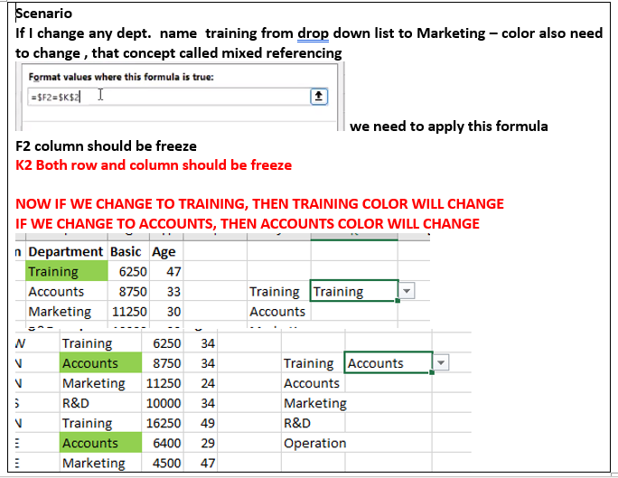
18 | Anjum Chopra | Worli | Mumbai | W | R&D | 8750 | 37
19 | Akram Khan | S P B Road | Pune | W | Operation | 11250 | 37
20 | Manish Grover | L L R Road | Noida | N | Training | 10000 | 41

CF-ISNUMBER
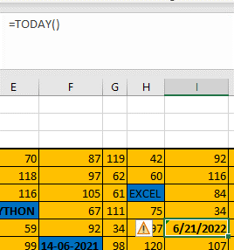
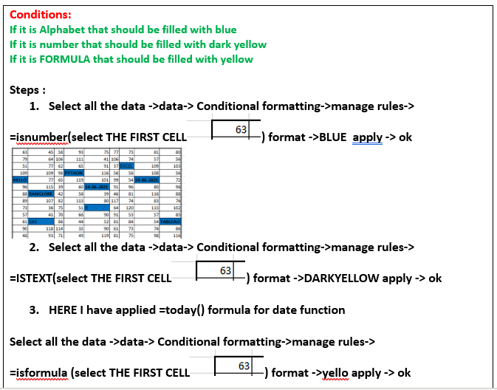

105 | 87 | 50 | 103 | 47 | 43 | 54 | 111 | 40
101 | 56 | 59 | 103 | 108 | 93 | 82 | 85 | 46
58 | 96 | 55 | 47 | 112 | 115 | EXCEL | 93 | 94
71 | 104 | 50 | PYTHON | 113 | 103 | 54 | 105 | 104
HELLO | 48 | 52 | 87 | 100 | 118 | 42 | 2023-10-11 | 47
63 | 68 | 99 | 88 | 14-06-2021 | 118 | 56 | 87 | 115
81 | BANGLORE | 118 | 117 | 78 | 86 | 106 | 112 | 90
62 | 35 | 91 | 91 | 35 | 102 | 41 | 37 | 106
84 | 70 | 82 | 38 | R | 38 | 51 | 40 | 57
115 | 83 | 45 | 35 | 55 | 110 | 73 | 37 | 44
82 | SAS | 47 | 71 | 75 | 80 | 43 | 34 | TABLEAU
34 | 71 | 48 | 78 | 102 | 72 | 91 | 45 | 118
113 | 85 | 47 | 34 | 109 | 90 | 103 | 118 | 82

cf-blanks
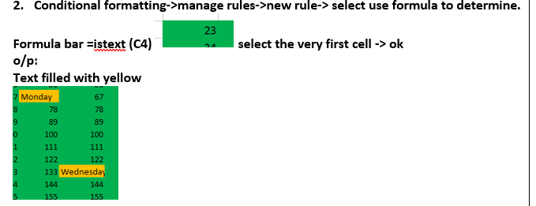
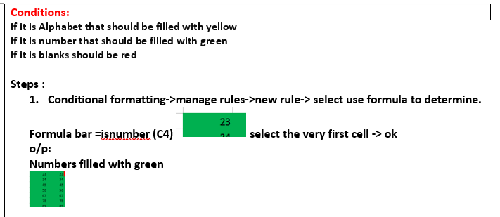

23 | 23 |  | 23 |  | 23 | 23 | 23 | 23 | 23
34 | 34 | 34 | 34 | 34 | 34 | 34 | 34 | excel | 34
45 | 45 | 45 | 45 | 45 | 45 | 45 | 45 | 45
56 | 56 | 56 | 56 | 56 | 56 | 56 | 56 | 56 | 56
67 | 67 | 67 | Monday | 67 | 67 | 67 | 67 | 67 | 67
78 | 78 | 78 | 78 | 78 | 78 | 78 | 78 | 78 | 78
89 | 89 | 89 | 89 | 89 | 89 |  | 89 | 89 | 89
100 | 100 | 100 | 100 | 100 | 100 | 100 | 100 | 100 | 100
111 | 111 | 111 | 111 | 111 | 111 | 111 | 111 | 111 | R
 | 122 | 122 | 122 | 122 | 122 | 122 | 122 | 122 | 122
133 | 133 | 133 | 133 | Wednesday | 133 | 133 | 133 | 133 | 133
144 | 144 | 144 | 144 | 144 | 144 | 144 | 144 | 144 | 144
155 | 155 | 155 | 155 | 155 | 155 | 155 | 155 | 155 | 155

