vlookup
Emp Code | Employee Name | Address | City | Region | Department | Basic
4 | R Vasu |  | Chennai
6 | Jharna Biswal
23 | Manish Grover
6 | Jharna Biswal
12 | Shahid Khan
5 | Sanjay Gupta
7 | Prakash Dutta
8 | Manisha Guha
9 | Arjun Jain
2 | Anjali Thakur
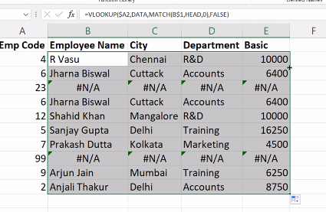
Emp Code | Employee Name | Address | City
4 | R Vasu |  | Chennai
6 | Jharna Biswal
23 | no data
6 | Jharna Biswal
12 | Shahid Khan
5 | Sanjay Gupta
7 | Prakash Dutta
8 | Manisha Guha
9 | Arjun Jain
2 | Anjali Thakur

Emp Code | Employee Name | Address | City
4 | R Vasu |  | Chennai
6 | Jharna Biswal
23 | Manish Grover
6 | Jharna Biswal |  |  |  | IFERROR(VLOOKUP($A2,data,MATCH(B$1,Head,0),FALSE),"Not Found ")
12 | Shahid Khan
5 | Sanjay Gupta
7 | Prakash Dutta
8 | Manisha Guha
9 | Arjun Jain
2 | Anjali Thakur

xlook
Emp Code | Employee Name | Address | City | Region | Department | Basic
1 | JP Kumar | Andheri (W) | Mumbai | W | Training | 6250
2 | Anjali Thakur | Govindpuri | Delhi | N | Accounts | 8750
3 | Priya Agarwal | Sector 9 | Noida | N | Marketing | 11250
4 | R Vasu | Egmore | Chennai | S | R&D | 10000
5 | Sanjay Gupta | G K - II | Delhi | N | Training | 16250
6 | Jharna Biswal | Link Road | Cuttack | E | Accounts | 6400
XLOOKUP(K12,B2:B21,G2:G21)
7 | Prakash Dutta | Elgin Road | Kolkata | E | Marketing | 4500
8 | Manisha Guha | Alipore | Kolkata | E | R&D | 6275
9 | Arjun Jain | MG Road | Mumbai | W | Training | 6250
10 | Arjun Kapoor | Kormangala | Bangalore | S | Accounts | 8750
11 | Abrar | Jayanagar | Bangalore | S | Marketing | 11250
12 | Shahid Khan | M.G Road | Mangalore | S | R&D | 10000
13 | Anupam Mishra | Govindpuri | Mysore | S | Training | 16250
14 | Ashwini | Sector 9 | Mangalore | S | Accounts | 6400
15 | Prateek Babbar | North Road | Delhi | N | Marketing | 4500
16 | Sukanya Reddy | Alipore | Mangalore | S | R&D | 6275
17 | Satish Puri | Bandra | Mumbai | W | Operation | 6250
18 | Anjum Chopra | Worli | Mumbai | W | R&D | 8750
19 | Akram Khan | S P B Road | Pune | W | Operation | 11250
20 | Manish Grover | L L R Road | Noida | N | Training | 10000

index
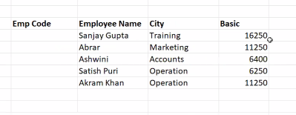
Emp Code | Employee Name | Address | City | Region | Department | Basic
11 | Abrar | Jayanagar | Bangalore | S | Marketing | 11250
19 | Akram Khan | S P B Road | Pune | W | Operation | 11250
2 | Anjali Thakur | Govindpuri | Delhi | N | Accounts | 8750
18 | Anjum Chopra | Worli | Mumbai | W | R&D | 8750
13 | Anupam Mishra | Govindpuri | Mysore | S | Training | 16250
9 | Arjun Jain | MG Road | Mumbai | W | Training | 6250
10 | Arjun Kapoor | Kormangala | Bangalore | S | Accounts | 8750
14 | Ashwini | Sector 9 | Mangalore | S | Accounts | 6400
6 | Jharna Biswal | Link Road | Cuttack | E | Accounts | 6400
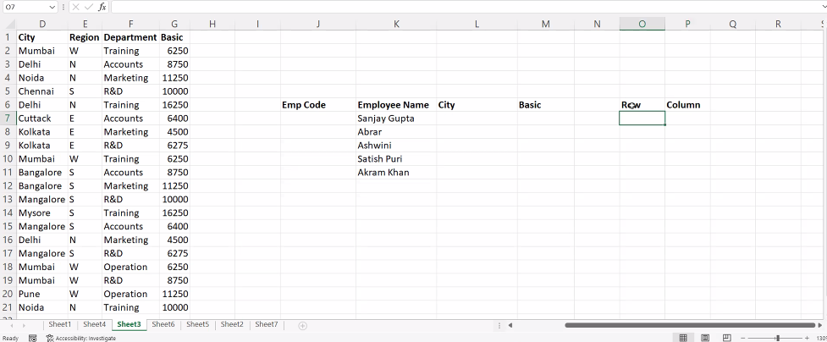
1 | JP Kumar | Andheri (W) | Mumbai | W | Training | 6250
20 | Manish Grover | L L R Road | Noida | N | Training | 10000
8 | Manisha Guha | Alipore | Kolkata | E | R&D | 6275
7 | Prakash Dutta | Elgin Road | Kolkata | E | Marketing | 4500
15 | Prateek Babbar | North Road | Delhi | N | Marketing | 4500
3 | Priya Agarwal | Sector 9 | Noida | N | Marketing | 11250
4 | R Vasu | Egmore | Chennai | S | R&D | 10000
5 | Sanjay Gupta | G K - II | Delhi | N | Training | 16250
17 | Satish Puri | Bandra | Mumbai | W | Operation | 6250
12 | Shahid Khan | M.G Road | Mangalore | S | R&D | 10000
16 | Sukanya Reddy | Alipore | Mangalore | S | R&D | 6275

