protect sheet
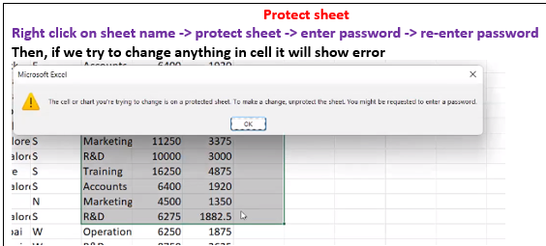
Emp Code | Employee Name | Address | City | Region | Department | Basic
1 | JP Kumar | Andheri (W) | Mumbai | W | Training | 6250
2 | Anjali Thakur | Govindpuri | Delhi | N | Accounts | 8750
3 | Priya Agarwal | Sector 9 | Noida | N | Marketing | 11250
4 | R Vasu | Egmore | Chennai | S | R&D | 10000
5 | Sanjay Gupta | G K - II | Delhi | N | Training | 16250
6 | Jharna Biswal | Link Road | Cuttack | E | Accounts | 6400
7 | Prakash Dutta | Elgin Road | Kolkata | E | Marketing | 4500
8 | Manisha Guha | Alipore | Kolkata | E | R&D | 6275
9 | Arjun Jain | MG Road | Mumbai | W | Training | 6250
10 | Arjun Kapoor | Kormangala | Bangalore | S | Accounts | 8750
11 | Abrar | Jayanagar | Bangalore | S | Marketing | 11250
12 | Shahid Khan | M.G Road | Mangalore | S | R&D | 10000
13 | Anupam Mishra | Govindpuri | Mysore | S | Training | 16250
14 | Ashwini | Sector 9 | Mangalore | S | Accounts | 6400
15 | Prateek Babbar | North Road | Delhi | N | Marketing | 4500
16 | Sukanya Reddy | Alipore | Mangalore | S | R&D | 6275
17 | Satish Puri | Bandra | Mumbai | W | Operation | 6250
18 | Anjum Chopra | Worli | Mumbai | W | R&D | 8750
19 | Akram Khan | S P B Road | Pune | W | Operation | 11250
20 | Manish Grover | L L R Road | Noida | N | Training | 10000

Sorting
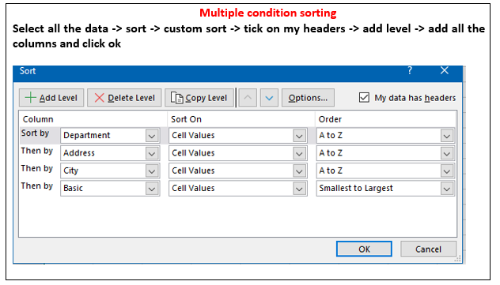
Emp Code | Employee Name | Address | City | Region | Department | Basic
2 | Anjali Thakur | Govindpuri | Delhi | N | Accounts | 8750
10 | Arjun Kapoor | Kormangala | Bangalore | S | Accounts | 8750
6 | Jharna Biswal | Link Road | Cuttack | E | Accounts | 6400
14 | Ashwini | Sector 9 | Mangalore | S | Accounts | 6400
7 | Prakash Dutta | Elgin Road | Kolkata | E | Marketing | 4500
11 | Abrar | Jayanagar | Bangalore | S | Marketing | 11250
15 | Prateek Babbar | North Road | Delhi | N | Marketing | 4500
3 | Priya Agarwal | Sector 9 | Noida | N | Marketing | 11250
17 | Satish Puri | Bandra | Mumbai | W | Operation | 6250
19 | Akram Khan | S P B Road | Pune | W | Operation | 11250
8 | Manisha Guha | Alipore | Kolkata | E | R&D | 6275
16 | Sukanya Reddy | Alipore | Mangalore | S | R&D | 6275
4 | R Vasu | Egmore | Chennai | S | R&D | 10000
12 | Shahid Khan | M.G Road | Mangalore | S | R&D | 10000
18 | Anjum Chopra | Worli | Mumbai | W | R&D | 8750
1 | JP Kumar | Andheri (W) | Mumbai | W | Training | 6250
5 | Sanjay Gupta | G K - II | Delhi | N | Training | 16250
13 | Anupam Mishra | Govindpuri | Mysore | S | Training | 16250
20 | Manish Grover | L L R Road | Noida | N | Training | 10000
9 | Arjun Jain | MG Road | Mumbai | W | Training | 6250

Filter
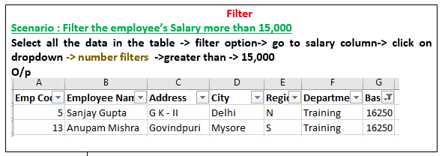
Emp Code | Employee Name | Address | City | Region | Department | Basic
1 | JP Kumar | Andheri (W) | Mumbai | W | Training | 6250
2 | Anjali Thakur | Govindpuri | Delhi | N | Accounts | 8750
3 | Priya Agarwal | Sector 9 | Noida | N | Marketing | 11250
4 | R Vasu | Egmore | Chennai | S | R&D | 10000
5 | Sanjay Gupta | G K - II | Delhi | N | Training | 16250
6 | Jharna Biswal | Link Road | Cuttack | E | Accounts | 6400
7 | Prakash Dutta | Elgin Road | Kolkata | E | Marketing | 4500
8 | Manisha Guha | Alipore | Kolkata | E | R&D | 6275
9 | Arjun Jain | MG Road | Mumbai | W | Training | 6250
10 | Arjun Kapoor | Kormangala | Bangalore | S | Accounts | 8750
11 | Abrar | Jayanagar | Bangalore | S | Marketing | 11250
12 | Shahid Khan | M.G Road | Mangalore | S | R&D | 10000
13 | Anupam Mishra | Govindpuri | Mysore | S | Training | 16250
14 | Ashwini | Sector 9 | Mangalore | S | Accounts | 6400
15 | Prateek Babbar | North Road | Delhi | N | Marketing | 4500
16 | Sukanya Reddy | Alipore | Mangalore | S | R&D | 6275
17 | Satish Puri | Bandra | Mumbai | W | Operation | 6250
18 | Anjum Chopra | Worli | Mumbai | W | R&D | 8750
19 | Akram Khan | S P B Road | Pune | W | Operation | 11250
20 | Manish Grover | L L R Road | Noida | N | Training | 10000

Advanced filter
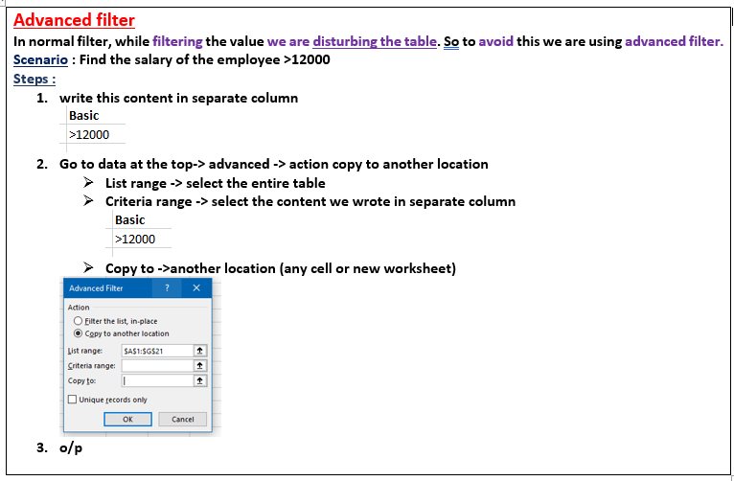
Emp Code | Employee Name | Address | City | Region | Department | Basic | Basic
2 | Anjali Thakur | Govindpuri | Delhi | N | Accounts | 8750 | >12000
10 | Arjun Kapoor | Kormangala | Bangalore | S | Accounts | 8750
6 | Jharna Biswal | Link Road | Cuttack | E | Accounts | 6400
14 | Ashwini | Sector 9 | Mangalore | S | Accounts | 6400
7 | Prakash Dutta | Elgin Road | Kolkata | E | Marketing | 4500
11 | Abrar | Jayanagar | Bangalore | S | Marketing | 11250
15 | Prateek Babbar | North Road | Delhi | N | Marketing | 4500
3 | Priya Agarwal | Sector 9 | Noida | N | Marketing | 11250
17 | Satish Puri | Bandra | Mumbai | W | Operation | 6250
19 | Akram Khan | S P B Road | Pune | W | Operation | 11250
8 | Manisha Guha | Alipore | Kolkata | E | R&D | 6275
16 | Sukanya Reddy | Alipore | Mangalore | S | R&D | 6275
4 | R Vasu | Egmore | Chennai | S | R&D | 10000
12 | Shahid Khan | M.G Road | Mangalore | S | R&D | 10000
18 | Anjum Chopra | Worli | Mumbai | W | R&D | 8750
1 | JP Kumar | Andheri (W) | Mumbai | W | Training | 6250
5 | Sanjay Gupta | G K - II | Delhi | N | Training | 16250
13 | Anupam Mishra | Govindpuri | Mysore | S | Training | 16250
20 | Manish Grover | L L R Road | Noida | N | Training | 10000
9 | Arjun Jain | MG Road | Mumbai | W | Training | 6250

adv fil begins with
Emp Code | Employee Name | Address | City | Region | Department | Basic | Employee Name
2 | Anjali Thakur | Govindpuri | Delhi | N | Accounts | 8750 | J*
10 | Arjun Kapoor | Kormangala | Bangalore | S | Accounts | 8750
6 | Jharna Biswal | Link Road | Cuttack | E | Accounts | 6400 | Emp Code | Employee Name | Address | City | Region | Department | Basic
14 | Ashwini | Sector 9 | Mangalore | S | Accounts | 6400 | 6 | Jharna Biswal | Link Road | Cuttack | E | Accounts | 6400
7 | Prakash Dutta | Elgin Road | Kolkata | E | Marketing | 4500 | 1 | JP Kumar | Andheri (W) | Mumbai | W | Training | 6250
11 | Abrar | Jayanagar | Bangalore | S | Marketing | 11250
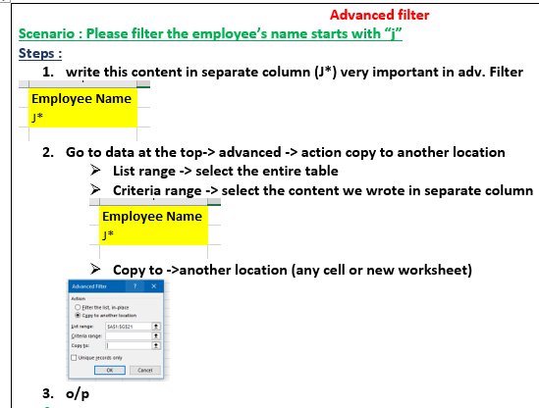
15 | Prateek Babbar | North Road | Delhi | N | Marketing | 4500
3 | Priya Agarwal | Sector 9 | Noida | N | Marketing | 11250
17 | Satish Puri | Bandra | Mumbai | W | Operation | 6250
19 | Akram Khan | S P B Road | Pune | W | Operation | 11250
8 | Manisha Guha | Alipore | Kolkata | E | R&D | 6275
16 | Sukanya Reddy | Alipore | Mangalore | S | R&D | 6275
4 | R Vasu | Egmore | Chennai | S | R&D | 10000
12 | Shahid Khan | M.G Road | Mangalore | S | R&D | 10000
18 | Anjum Chopra | Worli | Mumbai | W | R&D | 8750
1 | JP Kumar | Andheri (W) | Mumbai | W | Training | 6250
5 | Sanjay Gupta | G K - II | Delhi | N | Training | 16250
13 | Anupam Mishra | Govindpuri | Mysore | S | Training | 16250
20 | Manish Grover | L L R Road | Noida | N | Training | 10000
9 | Arjun Jain | MG Road | Mumbai | W | Training | 6250

adv fil contains
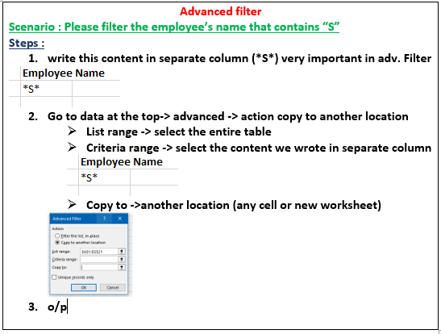
Emp Code | Employee Name | Address | City | Region | Department | Basic |  | Employee Name
2 | Anjali Thakur | Govindpuri | Delhi | N | Accounts | 8750 |  | *S*
10 | Arjun Kapoor | Kormangala | Bangalore | S | Accounts | 8750
6 | Jharna Biswal | Link Road | Cuttack | E | Accounts | 6400
14 | Ashwini | Sector 9 | Mangalore | S | Accounts | 6400 | Emp Code | Employee Name | Address | City | Region | Department | Basic
7 | Prakash Dutta | Elgin Road | Kolkata | E | Marketing | 4500 | 6 | Jharna Biswal | Link Road | Cuttack | E | Accounts | 6400
11 | Abrar | Jayanagar | Bangalore | S | Marketing | 11250 | 14 | Ashwini | Sector 9 | Mangalore | S | Accounts | 6400
15 | Prateek Babbar | North Road | Delhi | N | Marketing | 4500 | 7 | Prakash Dutta | Elgin Road | Kolkata | E | Marketing | 4500
3 | Priya Agarwal | Sector 9 | Noida | N | Marketing | 11250 | 17 | Satish Puri | Bandra | Mumbai | W | Operation | 6250
17 | Satish Puri | Bandra | Mumbai | W | Operation | 6250 | 8 | Manisha Guha | Alipore | Kolkata | E | R&D | 6275
19 | Akram Khan | S P B Road | Pune | W | Operation | 11250 | 16 | Sukanya Reddy | Alipore | Mangalore | S | R&D | 6275
8 | Manisha Guha | Alipore | Kolkata | E | R&D | 6275 | 4 | R Vasu | Egmore | Chennai | S | R&D | 10000
16 | Sukanya Reddy | Alipore | Mangalore | S | R&D | 6275 | 12 | Shahid Khan | M.G Road | Mangalore | S | R&D | 10000
4 | R Vasu | Egmore | Chennai | S | R&D | 10000 | 5 | Sanjay Gupta | G K - II | Delhi | N | Training | 16250
12 | Shahid Khan | M.G Road | Mangalore | S | R&D | 10000 | 13 | Anupam Mishra | Govindpuri | Mysore | S | Training | 16250
18 | Anjum Chopra | Worli | Mumbai | W | R&D | 8750 | 20 | Manish Grover | L L R Road | Noida | N | Training | 10000
1 | JP Kumar | Andheri (W) | Mumbai | W | Training | 6250
5 | Sanjay Gupta | G K - II | Delhi | N | Training | 16250
13 | Anupam Mishra | Govindpuri | Mysore | S | Training | 16250
20 | Manish Grover | L L R Road | Noida | N | Training | 10000
9 | Arjun Jain | MG Road | Mumbai | W | Training | 6250

adv fil. copy to next sheet
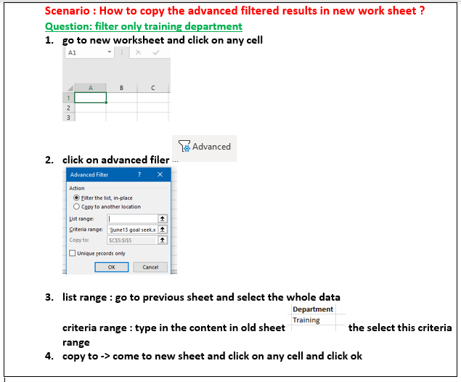
Emp Code | Employee Name | Address | City | Region | Department | Basic | Department
2 | Anjali Thakur | Govindpuri | Delhi | N | Accounts | 8750 | Training
10 | Arjun Kapoor | Kormangala | Bangalore | S | Accounts | 8750
6 | Jharna Biswal | Link Road | Cuttack | E | Accounts | 6400
14 | Ashwini | Sector 9 | Mangalore | S | Accounts | 6400
7 | Prakash Dutta | Elgin Road | Kolkata | E | Marketing | 4500
11 | Abrar | Jayanagar | Bangalore | S | Marketing | 11250
15 | Prateek Babbar | North Road | Delhi | N | Marketing | 4500
3 | Priya Agarwal | Sector 9 | Noida | N | Marketing | 11250
17 | Satish Puri | Bandra | Mumbai | W | Operation | 6250
19 | Akram Khan | S P B Road | Pune | W | Operation | 11250
8 | Manisha Guha | Alipore | Kolkata | E | R&D | 6275
16 | Sukanya Reddy | Alipore | Mangalore | S | R&D | 6275
4 | R Vasu | Egmore | Chennai | S | R&D | 10000
12 | Shahid Khan | M.G Road | Mangalore | S | R&D | 10000
18 | Anjum Chopra | Worli | Mumbai | W | R&D | 8750
1 | JP Kumar | Andheri (W) | Mumbai | W | Training | 6250
5 | Sanjay Gupta | G K - II | Delhi | N | Training | 16250
13 | Anupam Mishra | Govindpuri | Mysore | S | Training | 16250
20 | Manish Grover | L L R Road | Noida | N | Training | 10000
9 | Arjun Jain | MG Road | Mumbai | W | Training | 6250

