Sheet1
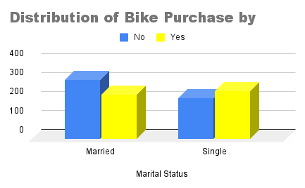
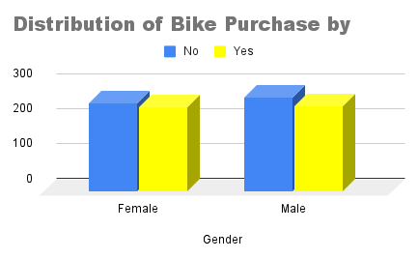
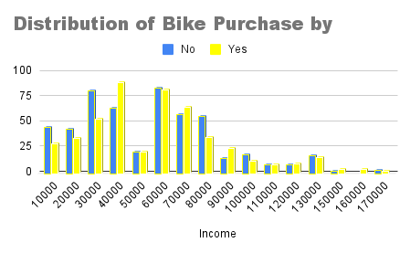

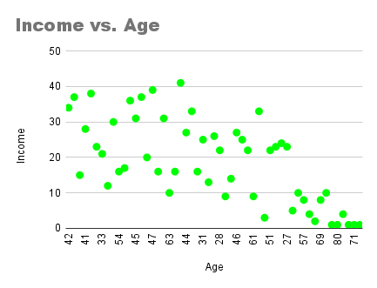
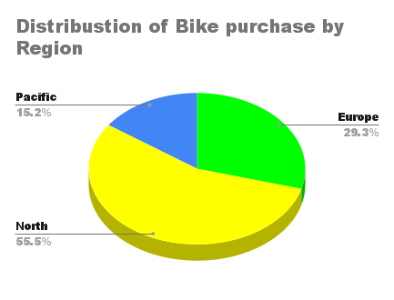
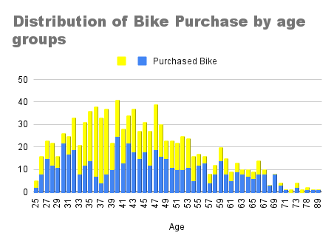

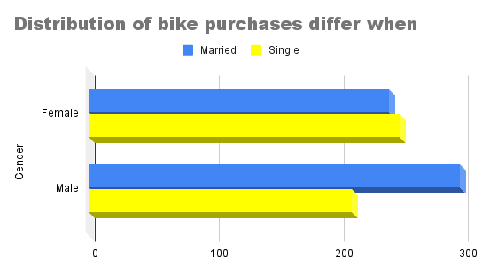

Region | AVERAGE of Age | SUM of Cars | SUM of Income
Europe | 42.85 | 320 | 12080000
North America | 44.923228346 | 774 | 31860000
Pacific | 44.34375 | 358 | 12200000
Grand Total | 44.19 | 1452 | 56140000

