q = 32
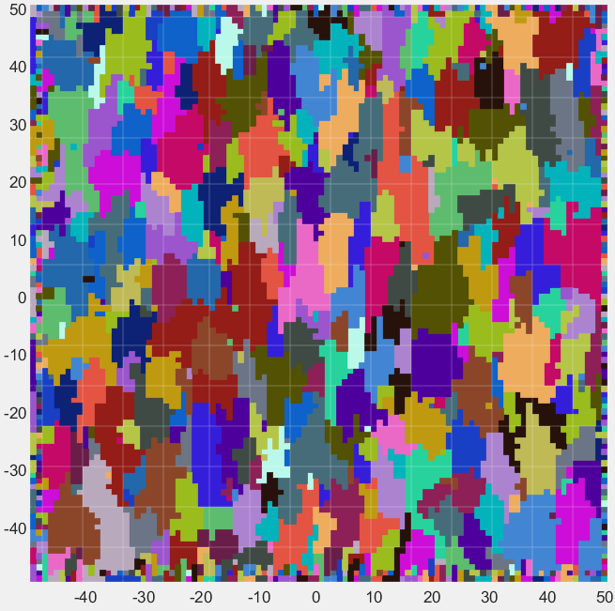
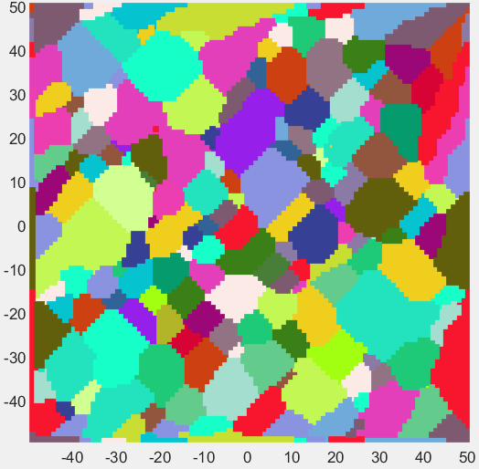
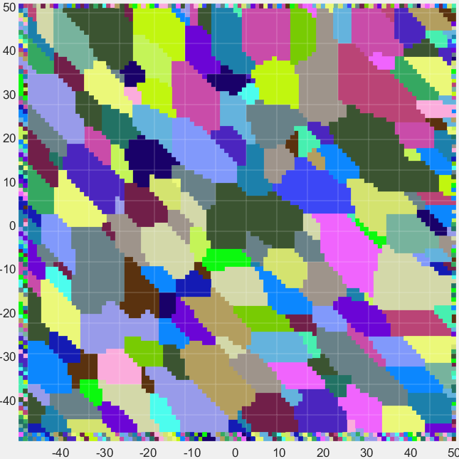
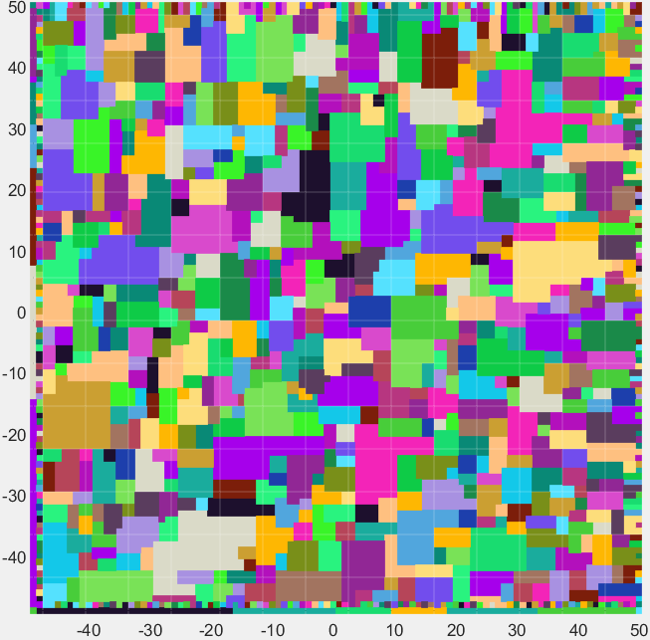
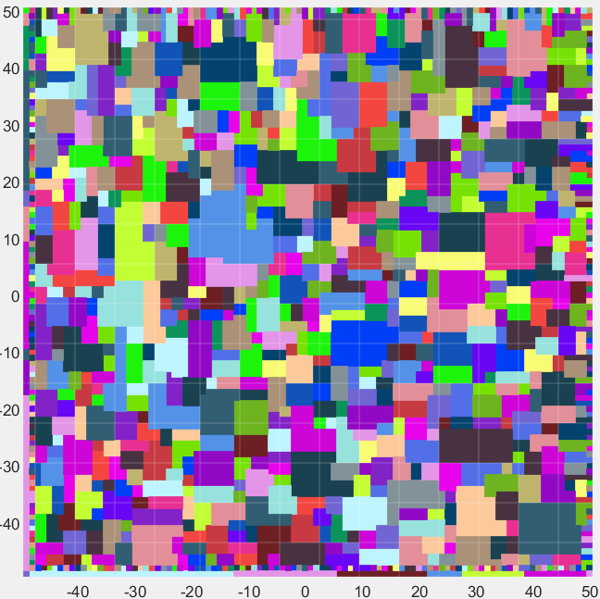
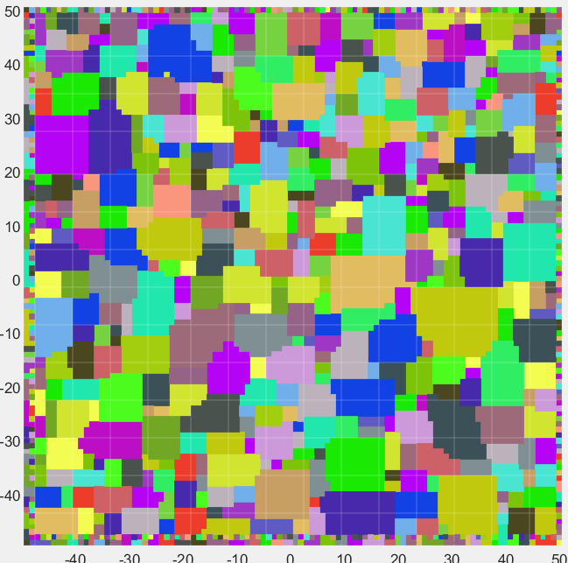
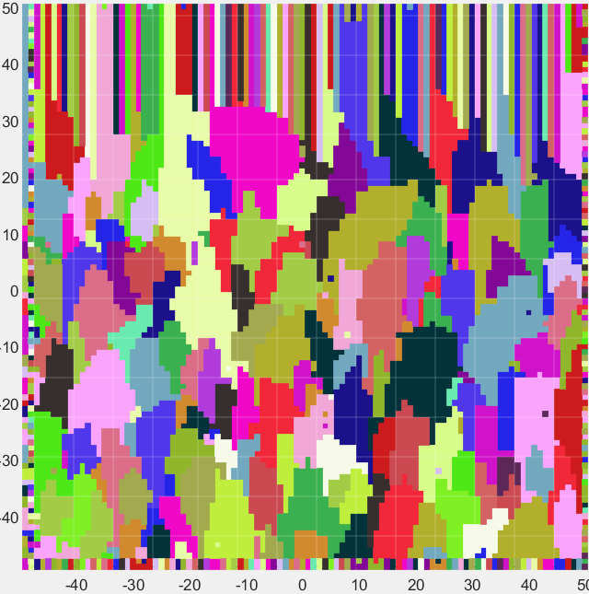
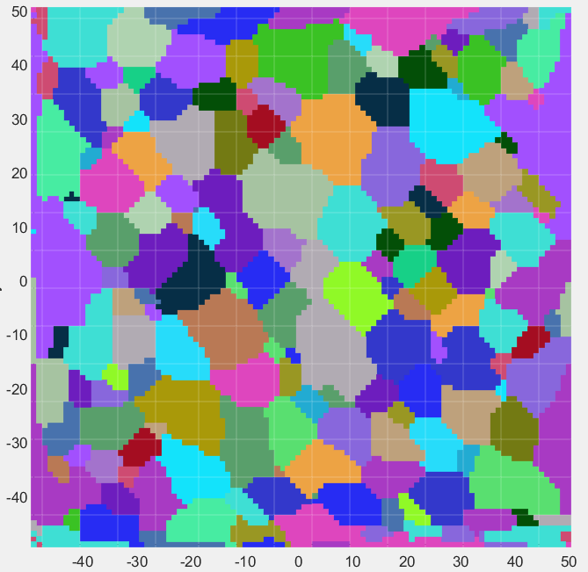
sign |  |  | xconst |  |  | yconst |  |  |  | power |  |  | sign |  |  | xconst |  |  | yconst |  |  |  | power |  |  |  | sign |  |  |  | xconst |  |  |  | yconst |  |  |  | power |  |  |  |  | sign |  |  |  | xconst |  |  |  | yconst |  |  |  | power |  |  |  |  |  |  |  |  |  |  | sign |  |  |  | xconst |  |  |  | yconst |  |  |  | power |  |  |  |  |  | sign |  |  |  | xconst |  |  |  | yconst |  |  |  | power |  |  |  |  |  | sign |  |  |  | xconst |  |  |  | yconst |  |  |  | power
1 | 1 | 1 | 1 | 1 | 1 | 1 | 1 | 1 |  | -1 | -1 | -1 | 1 | 1 | 1 | 1 | 1 | 1 | 1 | 1 | 1 |  | -2 | -1 | -1 |  | 1 | 1 | 1 |  | 1 | 1 | 1 |  | 1 | 1 | 1 |  | 1 | -1 | -1 |  |  | 1 | 1 | 1 |  | 1 | 1 | 1 |  | 1 | 1 | 1 |  | 1 | -1 | 1 |  |  |  |  |  |  |  |  | 1 | 1 | 1 |  | 1 | 1 | 1 |  | 1 | 1 | 1 |  | 2 | -1 | 2 |  |  |  | 1 | 1 | 1 |  | 1 | 1 | 1 |  | 1 | 1 | 1 |  | 2 | 0 | 2 |  |  |  | 1 | 1 | 1 |  | 1 | 1 | 1 |  | 1 | 1 | 1 |  | 2 | 0 | 2
1 | 1 | 1 | 1 | 1 | 1 | 1 | 1 | 1 |  | -1 | -1 | -1 | 1 | 1 | 1 | 1 | 1 | 1 | 1 | 1 | 1 |  | -1 | -1 | -1 |  | 1 | 1 | 1 |  | 1 | 1 | 1 |  | 1 | 1 | 1 |  | -1 | -1 | -1 |  |  | 1 | 1 | 1 |  | 1 | 1 | 1 |  | 1 | 1 | 1 |  | -1 | -1 | -1 |  |  |  |  |  |  |  |  | 1 | 1 | 1 |  | 1 | 1 | 1 |  | 1 | 1 | 1 |  | -1 | -1 | -1 |  |  |  | 1 | 1 | 1 |  | 1 | 1 | 1 |  | 1 | 1 | 1 |  | 0 | -1 | 0 |  |  |  | 1 | 1 | 1 |  | 1 | 1 | 1 |  | 1 | 1 | 1 |  | 0 | -1 | 0
1 | 1 | 1 | 1 | 1 | 1 | 1 | 1 | 1 |  | -1 | -1 | -1 | 1 | 1 | 1 | 1 | 1 | 1 | 1 | 1 | 1 |  | -1 | -1 | -2 |  | 1 | 1 | 1 |  | 1 | 1 | 1 |  | 1 | 1 | 1 |  | -1 | -1 | 1 |  |  | 1 | 1 | 1 |  | 1 | 1 | 1 |  | 1 | 1 | 1 |  | 1 | -1 | 1 |  |  |  |  |  |  |  |  | 1 | 1 | 1 |  | 1 | 1 | 1 |  | 1 | 1 | 1 |  | 2 | -1 | 2 |  |  |  | 1 | 1 | 1 |  | 1 | 1 | 1 |  | 1 | 1 | 1 |  | 2 | 0 | 2 |  |  |  | 1 | 1 | 1 |  | 1 | 1 | 1 |  | 1 | 1 | 1 |  | 2 | 0 | 2

xpower |  |  | ypower |  |  | MultipleOfNorm |  |  |  |  |  |  | xpower |  |  | ypower |  |  | MultipleOfNorm |  |  |  |  |  |  |  | xpower |  |  |  | ypower |  |  |  | MultipleOfNorm |  |  |  |  |  |  |  |  | xpower |  |  |  | ypower |  |  |  | MultipleOfNorm |  |  |  |  |  |  |  |  |  |  |  |  |  |  | xpower |  |  |  | ypower |  |  |  | MultipleOfNorm |  |  |  |  |  |  |  |  |  | xpower |  |  |  | ypower |  |  |  | MultipleOfNorm |  |  |  |  |  |  |  |  |  | xpower |  |  |  | ypower |  |  |  | MultipleOfNorm
1 | 1 | 1 | 1 | 1 | 1 | 1 | 1 | 1 |  |  |  |  | 1 | 1 | 1 | 1 | 1 | 1 | 1 | 1 | 1 |  |  |  |  |  | 1 | 1 | 1 |  | 1 | 1 | 1 |  | 1 | 1 | 1 |  |  |  |  |  |  | 1 | 1 | 1 |  | 1 | 1 | 1 |  | 1 | 1 | 1 |  |  |  |  |  |  |  |  |  |  |  |  | 1 | 1 | 1 |  | 1 | 1 | 1 |  | 1 | 1 | 1 |  |  |  |  |  |  |  | 1 | 1 | 1 |  | 1 | 1 | 1 |  | 1 | 1 | 1 |  |  |  |  |  |  |  | 1 | 1 | 1 |  | 1 | 1 | 1 |  | 1 | 1 | 1
1 | 1 | 1 | 1 | 1 | 1 | 1 | 1 | 1 |  |  |  |  | 1 | 1 | 1 | 1 | 1 | 1 | 1 | 1 | 1 | plus | 0 | x | rand(3,3) |  | 1 | 1 | 1 |  | 1 | 1 | 1 |  | 1 | 1 | 1 | plus | 0 | x | rand(3,3) |  |  | 1 | 1 | 1 |  | 1 | 1 | 1 |  | 1 | 1 | 1 | plus | 0 | x | rand(3,3) |  |  |  |  |  |  |  |  | 1 | 1 | 1 |  | 1 | 1 | 1 |  | 1 | 1 | 1 | plus | 0 | x | rand(3,3) |  |  |  | 1 | 1 | 1 |  | 1 | 1 | 1 |  | 1 | 1 | 1 | plus | 0 | x | rand(3,3) |  |  |  | 1 | 1 | 1 |  | 1 | 1 | 1 |  | 1 | 1 | 1 | plus | 0 | x | rand(3,3)
1 | 1 | 1 | 1 | 1 | 1 | 1 | 1 | 1 |  |  |  |  | 1 | 1 | 1 | 1 | 1 | 1 | 1 | 1 | 1 |  |  |  |  |  | 1 | 1 | 1 |  | 1 | 1 | 1 |  | 1 | 1 | 1 |  |  |  |  |  |  | 1 | 1 | 1 |  | 1 | 1 | 1 |  | 1 | 1 | 1 |  |  |  |  |  |  |  |  |  |  |  |  | 1 | 1 | 1 |  | 1 | 1 | 1 |  | 1 | 1 | 1 |  |  |  |  |  |  |  | 1 | 1 | 1 |  | 1 | 1 | 1 |  | 1 | 1 | 1 |  |  |  |  |  |  |  | 1 | 1 | 1 |  | 1 | 1 | 1 |  | 1 | 1 | 1 | minus | 2
 |  |  |  |  |  |  |  |  |  |  |  |  |  |  |  |  |  |  |  |  |  |  |  |  |  |  |  |  |  |  |  |  |  |  |  |  |  |  |  |  |  |  |  |  |  |  |  |  |  |  |  |  |  |  |  |  |  |  |  |  |  |  |  |  |  |  |  |  |  |  |  |  |  |  |  |  |  |  |  |  |  |  |  |  |  |  |  |  |  |  |  |  |  |  |  |  |  |  |  |  |  |  |  |  |  |  |  |  |  |  |  |  |  | plus | randi(2,3)

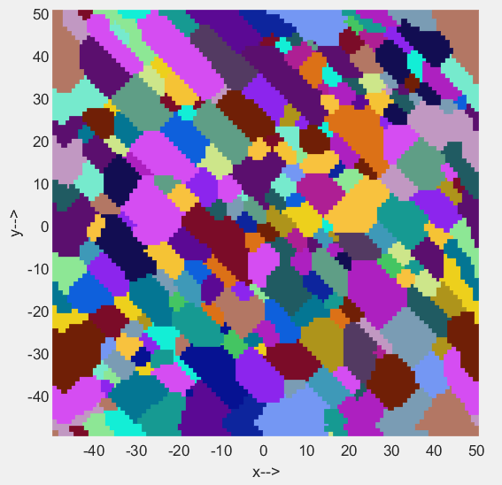
sign |  |  | xconst |  |  | yconst |  |  |  | power
1 | 1 | 1 | 1 | 1 | 1 | 1 | 1 | 1 |  | -1 | -1 | -1
1 | 1 | 1 | 1 | 1 | 1 | 1 | 1 | 1 |  | -1 | -1 | -1
1 | 1 | 1 | 1 | 1 | 1 | 1 | 1 | 1 |  | -1 | -1 | -1

xpower |  |  | ypower |  |  | MultipleOfNorm
1 | 1 | 1 | 1 | 1 | 1 | 1 | 1 | 2
1 | 1 | 1 | 1 | 1 | 1 | 1 | 1 | 1
1 | 1 | 1 | 1 | 1 | 1 | 2 | 1 | 1

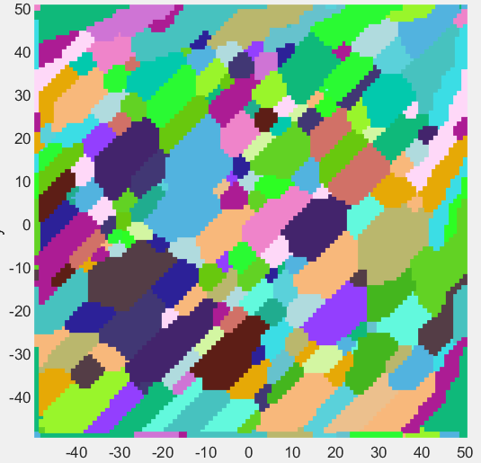
sign |  |  | xconst |  |  | yconst |  |  |  | power
1 | 1 | 1 | 1 | 1 | 1 | 1 | 1 | 1 |  | -1 | -1 | -1
1 | 1 | 1 | 1 | 1 | 1 | 1 | 1 | 1 |  | -1 | -1 | -1
1 | 1 | 1 | 1 | 1 | 1 | 1 | 1 | 1 |  | -1 | -1 | -1

xpower |  |  | ypower |  |  | MultipleOfNorm
1 | 1 | 1 | 1 | 1 | 1 | 2 | 1 | 1
1 | 1 | 1 | 1 | 1 | 1 | 1 | 1 | 1
1 | 1 | 1 | 1 | 1 | 1 | 1 | 1 | 2

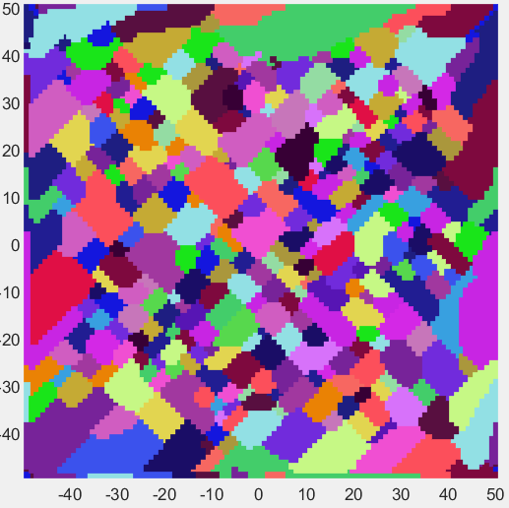
sign |  |  | xconst |  |  | yconst |  |  |  | power
1 | 1 | 1 | 1 | 1 | 1 | 1 | 1 | 1 |  | -1 | -1 | -1
1 | 1 | 1 | 1 | 1 | 1 | 1 | 1 | 1 |  | -1 | -1 | -1
1 | 1 | 1 | 1 | 1 | 1 | 1 | 1 | 1 |  | -1 | -1 | -1

xpower |  |  | ypower |  |  | MultipleOfNorm
1 | 1 | 1 | 1 | 1 | 1 | 2 | 1 | 2
1 | 1 | 1 | 1 | 1 | 1 | 1 | 1 | 1
1 | 1 | 1 | 1 | 1 | 1 | 2 | 1 | 2

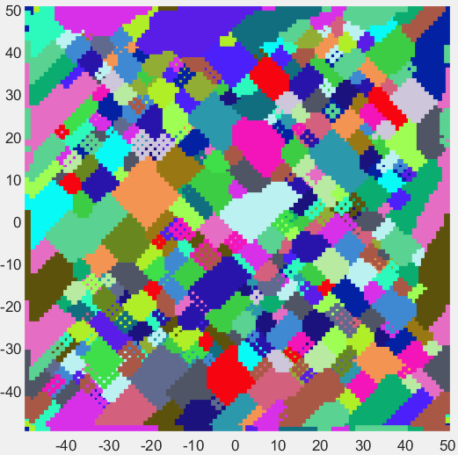
sign |  |  | xconst |  |  | yconst |  |  |  | power
1 | 1 | 1 | 1 | 1 | 1 | 1 | 1 | 1 |  | -1 | -1 | -1
1 | 1 | 1 | 1 | 1 | 1 | 1 | 1 | 1 |  | -1 | -1 | -1
1 | 1 | 1 | 1 | 1 | 1 | 1 | 1 | 1 |  | -1 | -1 | -1

xpower |  |  | ypower |  |  | MultipleOfNorm
1 | 1 | 1 | 1 | 1 | 1 | 5 | 1 | 5
1 | 1 | 1 | 1 | 1 | 1 | 1 | 1 | 1
1 | 1 | 1 | 1 | 1 | 1 | 5 | 1 | 5

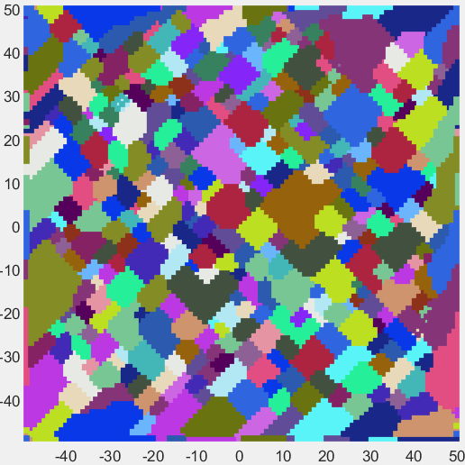
sign |  |  | xconst |  |  | yconst |  |  |  | power
1 | 1 | 1 | 1 | 1 | 1 | 1 | 1 | 1 |  | -1 | -1 | -1
1 | 1 | 1 | 1 | 1 | 1 | 1 | 1 | 1 |  | -1 | -1 | -1
1 | 1 | 1 | 1 | 1 | 1 | 1 | 1 | 1 |  | -1 | -1 | -1

xpower |  |  | ypower |  |  | MultipleOfNorm
1 | 1 | 1 | 1 | 1 | 1 | 5 | 2 | 5
1 | 1 | 1 | 1 | 1 | 1 | 2 | 1 | 2
1 | 1 | 1 | 1 | 1 | 1 | 5 | 2 | 5

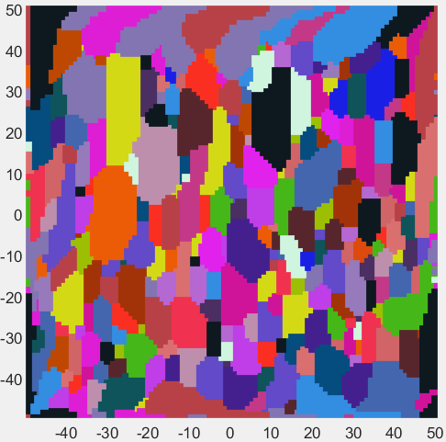
sign |  |  | xconst |  |  | yconst |  |  |  | power
1 | 1 | 1 | 1 | 1 | 1 | 1 | 1 | 1 |  | -1 | -1 | -1
1 | 1 | 1 | 1 | 1 | 1 | 1 | 1 | 1 |  | -1 | -1 | -1
1 | 1 | 1 | 1 | 1 | 1 | 1 | 1 | 1 |  | -1 | -1 | -1

xpower |  |  | ypower |  |  | MultipleOfNorm
1 | 1 | 1 | 1 | 1 | 1 | 1 | 3 | 1
1 | 1 | 1 | 1 | 1 | 1 | 1 | 1 | 1
1 | 1 | 1 | 1 | 1 | 1 | 1 | 3 | 1

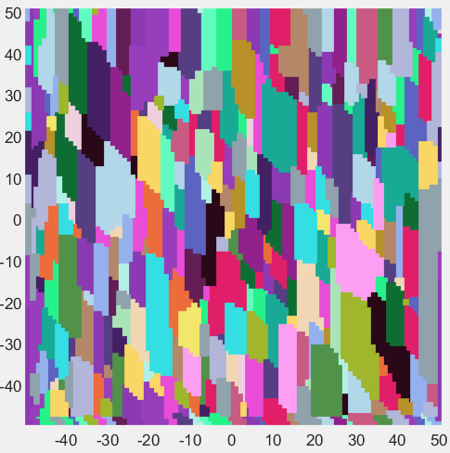
sign |  |  | xconst |  |  | yconst |  |  |  | power
1 | 1 | 1 | 1 | 1 | 1 | 1 | 1 | 1 |  | -1 | -1 | -1
1 | 1 | 1 | 1 | 1 | 1 | 1 | 1 | 1 |  | -1 | -1 | -1
1 | 1 | 1 | 1 | 1 | 1 | 1 | 1 | 1 |  | -1 | -1 | -1

xpower |  |  | ypower |  |  | MultipleOfNorm
1 | 1 | 1 | 1 | 1 | 1 | 0 | 3 | 1
1 | 1 | 1 | 1 | 1 | 1 | 1 | 1 | 1
1 | 1 | 1 | 1 | 1 | 1 | 1 | 3 | 0

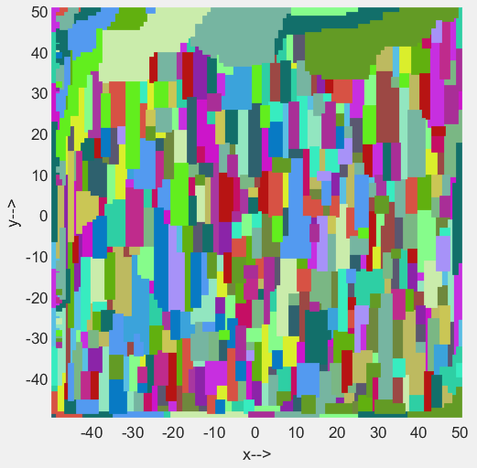
sign |  |  | xconst |  |  | yconst |  |  |  | power
1 | 1 | 1 | 1 | 1 | 1 | 1 | 1 | 1 |  | -1 | -1 | -1
1 | 1 | 1 | 1 | 1 | 1 | 1 | 1 | 1 |  | -1 | -1 | -1
1 | 1 | 1 | 1 | 1 | 1 | 1 | 1 | 1 |  | -1 | -1 | -1

xpower |  |  | ypower |  |  | MultipleOfNorm
1 | 1 | 1 | 1 | 1 | 1 | 0 | 3 | 0
1 | 1 | 1 | 1 | 1 | 1 | 1 | 1 | 1
1 | 1 | 1 | 1 | 1 | 1 | 0 | 3 | 0

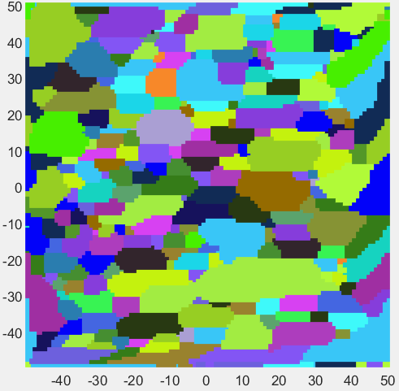
sign |  |  | xconst |  |  | yconst |  |  |  | power
1 | 1 | 1 | 1 | 1 | 1 | 1 | 1 | 1 |  | -1 | -1 | -1
1 | 1 | 1 | 1 | 1 | 1 | 1 | 1 | 1 |  | -1 | -1 | -1
1 | 1 | 1 | 1 | 1 | 1 | 1 | 1 | 1 |  | -1 | -1 | -1

xpower |  |  | ypower |  |  | MultipleOfNorm
1 | 1 | 1 | 1 | 1 | 1 | 1 | 1 | 1
1 | 1 | 1 | 1 | 1 | 1 | 3 | 1 | 3
1 | 1 | 1 | 1 | 1 | 1 | 1 | 1 | 1

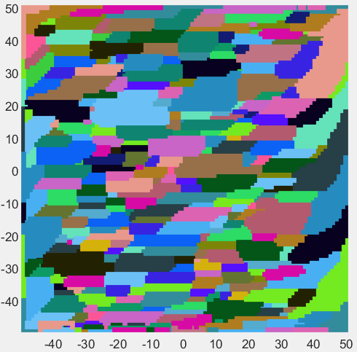
sign |  |  | xconst |  |  | yconst |  |  |  | power
1 | 1 | 1 | 1 | 1 | 1 | 1 | 1 | 1 |  | -1 | -1 | -1
1 | 1 | 1 | 1 | 1 | 1 | 1 | 1 | 1 |  | -1 | -1 | -1
1 | 1 | 1 | 1 | 1 | 1 | 1 | 1 | 1 |  | -1 | -1 | -1

xpower |  |  | ypower |  |  | MultipleOfNorm
1 | 1 | 1 | 1 | 1 | 1 | 1 | 1 | 0
1 | 1 | 1 | 1 | 1 | 1 | 3 | 1 | 3
1 | 1 | 1 | 1 | 1 | 1 | 0 | 1 | 1

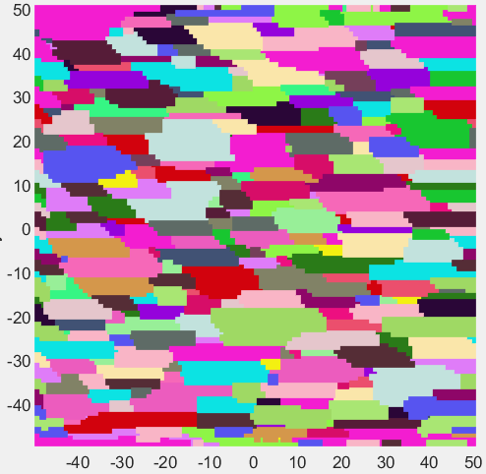
sign |  |  | xconst |  |  | yconst |  |  |  | power
1 | 1 | 1 | 1 | 1 | 1 | 1 | 1 | 1 |  | -1 | -1 | -1
1 | 1 | 1 | 1 | 1 | 1 | 1 | 1 | 1 |  | -1 | -1 | -1
1 | 1 | 1 | 1 | 1 | 1 | 1 | 1 | 1 |  | -1 | -1 | -1

xpower |  |  | ypower |  |  | MultipleOfNorm
1 | 1 | 1 | 1 | 1 | 1 | 0 | 1 | 1
1 | 1 | 1 | 1 | 1 | 1 | 3 | 1 | 3
1 | 1 | 1 | 1 | 1 | 1 | 1 | 1 | 0

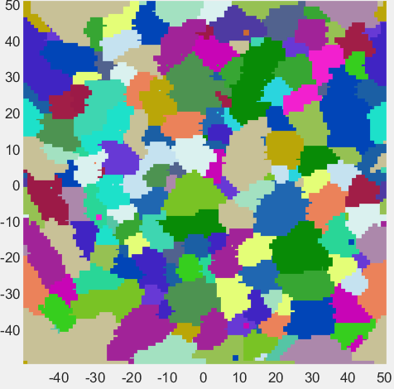
sign |  |  | xconst |  |  | yconst |  |  |  | power
1 | 1 | 1 | 1 | 1 | 1 | 1 | 1 | 1 |  | -1 | -1 | -1
1 | 1 | 1 | 1 | 1 | 1 | 1 | 1 | 1 |  | -1 | -1 | -1
1 | 1 | 1 | 1 | 1 | 1 | 1 | 1 | 1 |  | -1 | -1 | -1

xpower |  |  | ypower |  |  | MultipleOfNorm
1 | 1 | 1 | 1 | 1 | 1 | 3 | 2 | 1
1 | 1 | 1 | 1 | 1 | 1 | 3 | 2 | 1
1 | 1 | 1 | 1 | 1 | 1 | 3 | 2 | 1

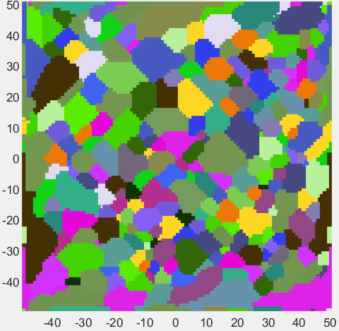
sign |  |  | xconst |  |  | yconst |  |  |  | power
1 | 1 | 1 | 1 | 1 | 1 | 1 | 1 | 1 |  | -1 | -1 | -1
1 | 1 | 1 | 1 | 1 | 1 | 1 | 1 | 1 |  | -1 | -1 | -1
1 | 1 | 1 | 1 | 1 | 1 | 1 | 1 | 1 |  | -1 | -1 | -1

xpower |  |  | ypower |  |  | MultipleOfNorm
1 | 1 | 1 | 1 | 1 | 1 | 3 | 2 | 1
1 | 1 | 1 | 1 | 1 | 1 | 1 | 2 | 3
1 | 1 | 1 | 1 | 1 | 1 | 3 | 2 | 1

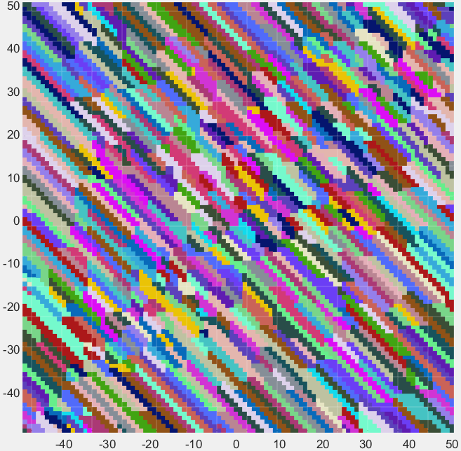
sign |  |  | xconst |  |  | yconst |  |  |  | power
1 | 1 | 1 | 1 | 1 | 1 | 1 | 1 | 1 |  | -1 | -1 | -1
1 | 1 | 1 | 1 | 1 | 1 | 1 | 1 | 1 |  | -1 | -1 | -1
1 | 1 | 1 | 1 | 1 | 1 | 1 | 1 | 1 |  | -1 | -1 | -1

xpower |  |  | ypower |  |  | MultipleOfNorm
1 | 1 | 1 | 1 | 1 | 1 | -1 | 1 | 1
1 | 1 | 1 | 1 | 1 | 1 | 1 | 1 | 1
1 | 1 | 1 | 1 | 1 | 1 | 1 | 1 | -1

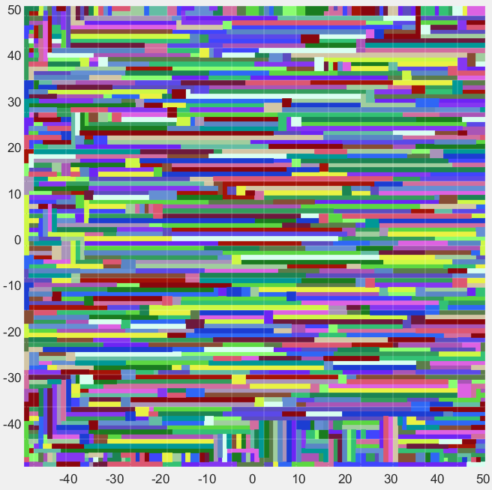
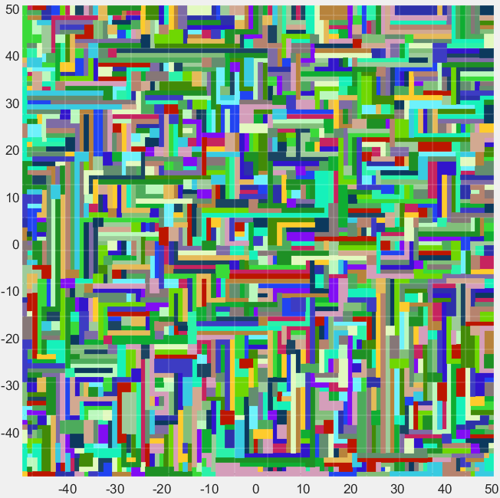
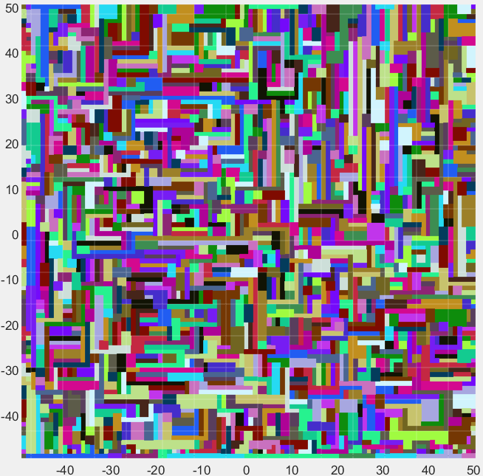
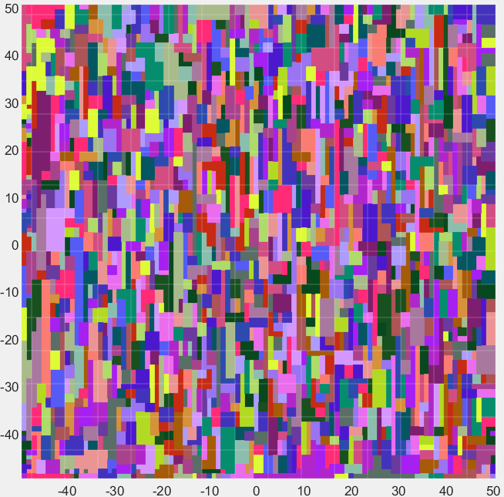
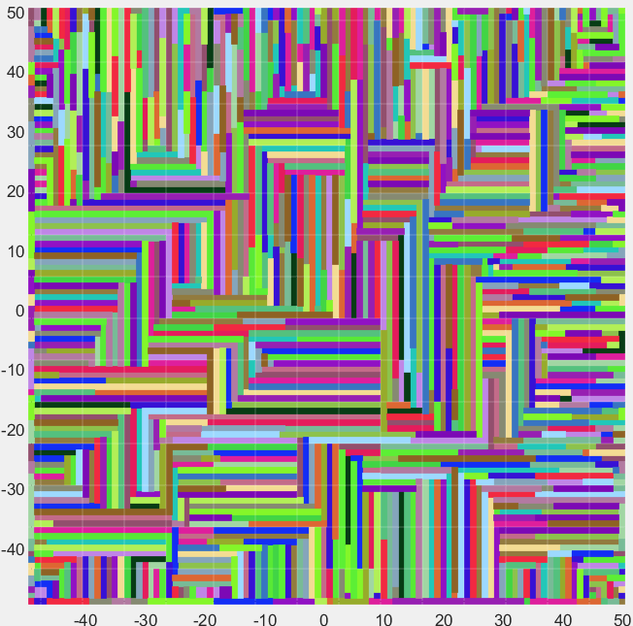
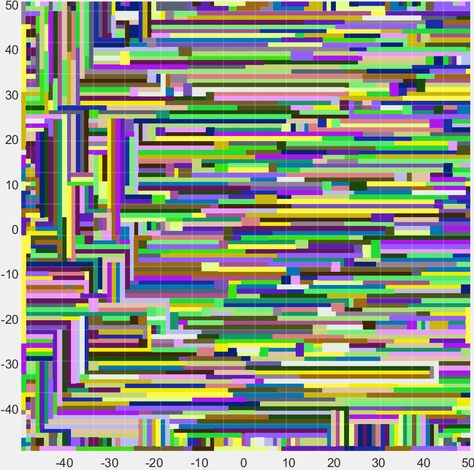
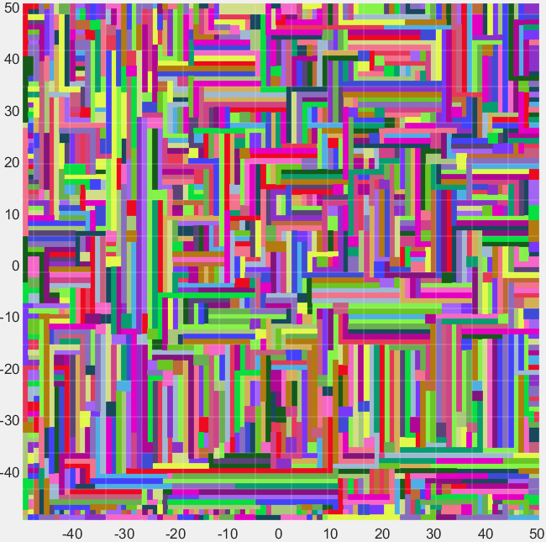
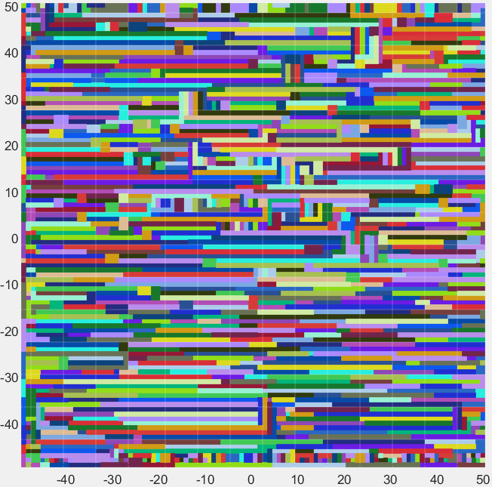
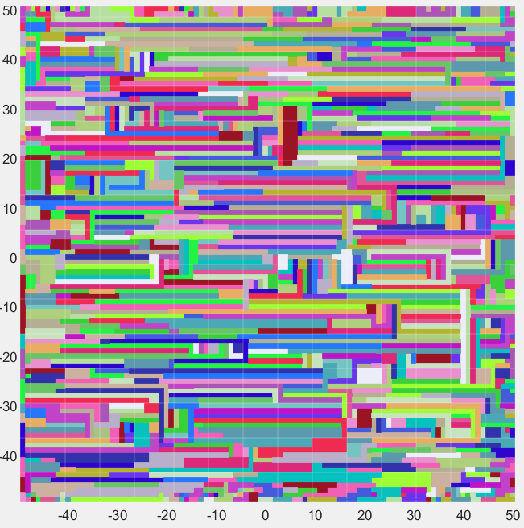
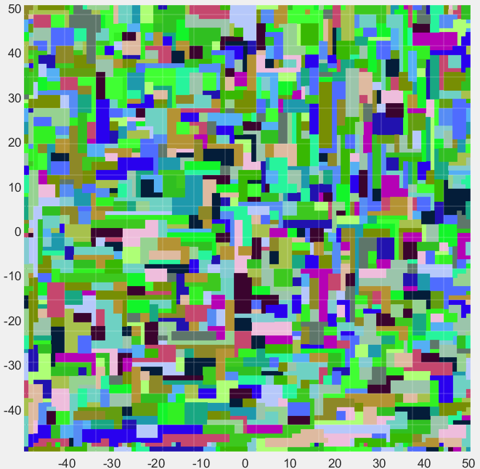
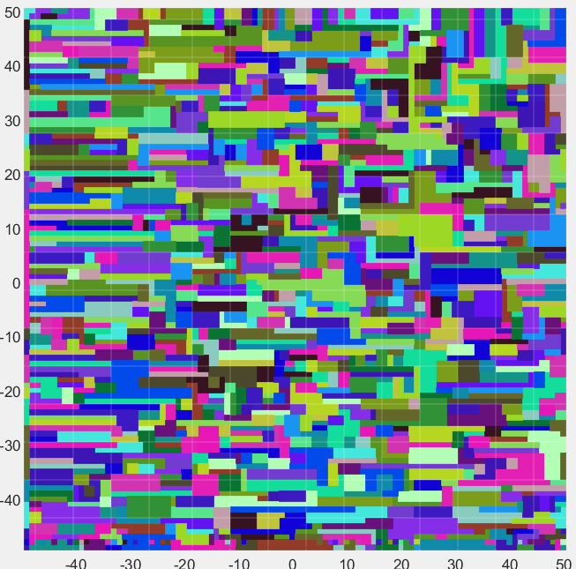
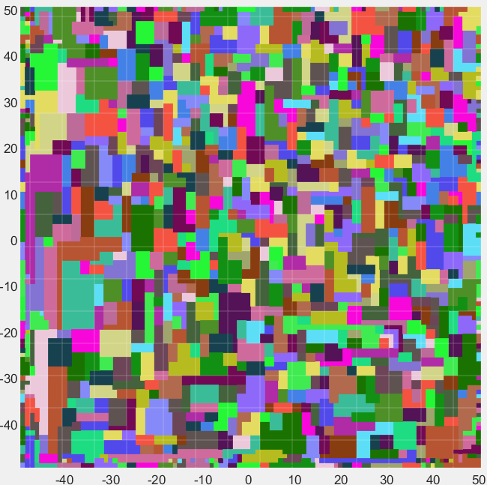
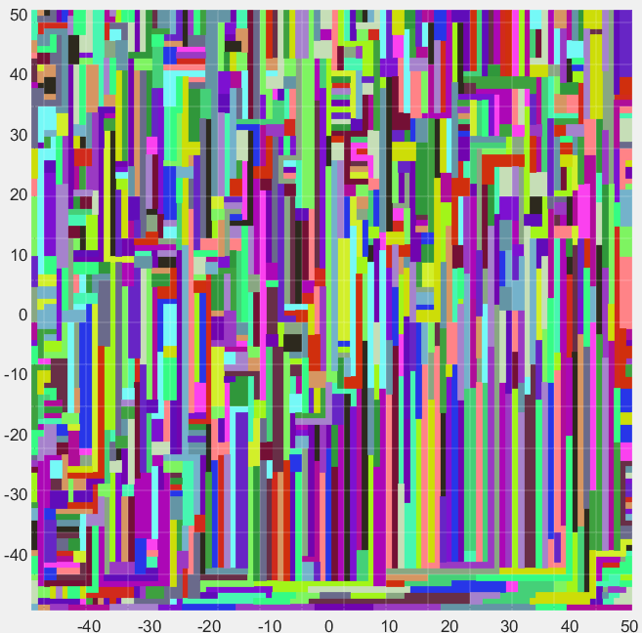
sign |  |  | xconst |  |  | yconst |  |  |  | power |  |  | sign |  |  | xconst |  |  | yconst |  |  |  | power |  |  | sign |  |  |  | xconst |  |  |  | yconst |  |  |  | power |  |  |  | sign |  |  |  | xconst |  |  |  | yconst |  |  |  | power |  |  |  |  |  |  |  |  |  | sign |  |  |  | xconst |  |  |  | yconst |  |  |  | power |  |  |  |  |  | sign |  |  |  | xconst |  |  |  | yconst |  |  |  | power |  |  |  |  |  | sign |  |  |  | xconst |  |  |  | yconst |  |  |  | power |  |  |  |  |  | sign |  |  | xconst |  |  | yconst |  |  |  | power |  |  | sign |  |  | xconst |  |  | yconst |  |  |  | power
1 | 1 | 1 | 1 | 1 | 1 | 1 | 1 | 1 |  | -1 | -1 | -1 | 1 | 1 | 1 | 1 | 1 | 1 | 1 | 1 | 1 |  | -1 | -1 | -1 | 1 | 1 | 1 |  | 1 | 1 | 1 |  | 1 | 1 | 1 |  | -1 | -1 | -1 |  | 1 | 1 | 1 |  | 1 | 1 | 1 |  | 1 | 1 | 1 |  | -1 | -1 | -1 |  |  |  |  |  |  |  | 1 | 1 | 1 |  | 1 | 1 | 1 |  | 1 | 1 | 1 |  | -1 | -1 | -1 |  |  |  | 1 | 1 | 1 |  | 1 | 1 | 1 |  | 1 | 1 | 1 |  | -1 | -1 | -1 |  |  |  | 1 | 1 | 1 |  | 1 | 1 | 1 |  | 1 | 1 | 1 |  | -1 | -1 | -1 |  |  |  | 1 | 1 | 1 | 1 | 1 | 1 | 1 | 1 | 1 |  | -1 | -1 | -1 | 1 | 1 | 1 | 1 | 1 | 1 | 1 | 1 | 1 |  | -1 | -1 | -1
1 | 1 | 1 | 1 | 1 | 1 | 1 | 1 | 1 |  | -1 | -1 | -1 | 1 | 1 | 1 | 1 | 1 | 1 | 1 | 1 | 1 |  | -1 | -1 | -1 | 1 | 1 | 1 |  | 1 | 1 | 1 |  | 1 | 1 | 1 |  | -1 | -1 | -1 |  | 1 | 1 | 1 |  | 1 | 1 | 1 |  | 1 | 1 | 1 |  | -1 | -1 | -1 |  |  |  |  |  |  |  | 1 | 1 | 1 |  | 1 | 1 | 1 |  | 1 | 1 | 1 |  | -1 | -1 | -1 |  |  |  | 1 | 1 | 1 |  | 1 | 1 | 1 |  | 1 | 1 | 1 |  | -1 | -1 | -1 |  |  |  | 1 | 1 | 1 |  | 1 | 1 | 1 |  | 1 | 1 | 1 |  | -1 | -1 | -1 |  |  |  | 1 | 1 | 1 | 1 | 1 | 1 | 1 | 1 | 1 |  | -1 | -1 | -1 | 1 | 1 | 1 | 1 | 1 | 1 | 1 | 1 | 1 |  | -1 | -1 | -1
1 | 1 | 1 | 1 | 1 | 1 | 1 | 1 | 1 |  | -1 | -1 | -1 | 1 | 1 | 1 | 1 | 1 | 1 | 1 | 1 | 1 |  | -1 | -1 | -1 | 1 | 1 | 1 |  | 1 | 1 | 1 |  | 1 | 1 | 1 |  | -1 | -1 | -1 |  | 1 | 1 | 1 |  | 1 | 1 | 1 |  | 1 | 1 | 1 |  | -1 | -1 | -1 |  |  |  |  |  |  |  | 1 | 1 | 1 |  | 1 | 1 | 1 |  | 1 | 1 | 1 |  | -1 | -1 | -1 |  |  |  | 1 | 1 | 1 |  | 1 | 1 | 1 |  | 1 | 1 | 1 |  | -1 | -1 | -1 |  |  |  | 1 | 1 | 1 |  | 1 | 1 | 1 |  | 1 | 1 | 1 |  | -1 | -1 | -1 |  |  |  | 1 | 1 | 1 | 1 | 1 | 1 | 1 | 1 | 1 |  | -1 | -1 | -1 | 1 | 1 | 1 | 1 | 1 | 1 | 1 | 1 | 1 |  | -1 | -1 | -1

xpower |  |  | ypower |  |  | MultipleOfNorm |  |  |  |  |  |  | xpower |  |  | ypower |  |  | MultipleOfNorm |  |  |  |  |  |  | xpower |  |  |  | ypower |  |  |  | MultipleOfNorm |  |  |  |  |  |  |  | xpower |  |  |  | ypower |  |  |  | MultipleOfNorm |  |  |  |  |  |  |  |  |  |  |  |  |  | xpower |  |  |  | ypower |  |  |  | MultipleOfNorm |  |  |  |  |  |  |  |  |  | xpower |  |  |  | ypower |  |  |  | MultipleOfNorm |  |  |  |  |  |  |  |  |  | xpower |  |  |  | ypower |  |  |  | MultipleOfNorm |  |  |  |  |  |  |  |  |  | xpower |  |  | ypower |  |  | MultipleOfNorm |  |  |  |  |  |  | xpower |  |  | ypower |  |  | MultipleOfNorm
1 | 1 | 1 | 1 | 1 | 1 | -1 | 1 | -1 |  |  |  |  | 1 | 1 | 1 | 1 | 1 | 1 | -1 | 1 | -1 |  |  |  |  | 1 | 1 | 1 |  | 1 | 1 | 1 |  | -1 | 1 | -1 |  |  |  |  |  | 1 | 1 | 1 |  | 1 | 1 | 1 |  | -1 | 1 | -1 |  |  |  |  |  |  |  |  |  |  |  | 1 | 1 | 1 |  | 1 | 1 | 1 |  | -1 | 1 | -1 |  |  |  |  |  |  |  | 1 | 1 | 1 |  | 1 | 1 | 1 |  | -1 | 1 | -1 |  |  |  |  |  |  |  | 1 | 1 | 1 |  | 1 | 1 | 1 |  | -1 | 1 | -1 |  |  |  |  |  |  |  | 1 | 1 | 1 | 1 | 1 | 1 | -1 | 1 | -1 |  |  |  |  | 1 | 1 | 1 | 1 | 1 | 1 | -1 | 1 | -1
1 | 1 | 1 | 1 | 1 | 1 | 1 | 1 | 1 |  |  |  |  | 1 | 1 | 1 | 1 | 1 | 1 | 1 | 1 | 1 | plus | 0.1 | x | rand(3,3) | 1 | 1 | 1 |  | 1 | 1 | 1 |  | 1 | 1 | 1 | plus | 0.2 | x | rand(3,3) |  | 1 | 1 | 1 |  | 1 | 1 | 1 |  | 1 | 1 | 1 | plus | 0.3 | x | rand(3,3) |  |  |  |  |  |  |  | 1 | 1 | 1 |  | 1 | 1 | 1 |  | 1 | 1 | 1 | plus | 0.4 | x | rand(3,3) |  |  |  | 1 | 1 | 1 |  | 1 | 1 | 1 |  | 1 | 1 | 1 | plus | 0.5 | x | rand(3,3) |  |  |  | 1 | 1 | 1 |  | 1 | 1 | 1 |  | 1 | 1 | 1 | plus | 0.6 | x | rand(3,3) |  |  |  | 1 | 1 | 1 | 1 | 1 | 1 | 1 | 1 | 1 | plus | 0.7 | x | rand(3,3) | 1 | 1 | 1 | 1 | 1 | 1 | 1 | 1 | 1 | plus | 0.8 | x | rand(3,3)
1 | 1 | 1 | 1 | 1 | 1 | -1 | 1 | -1 |  |  |  |  | 1 | 1 | 1 | 1 | 1 | 1 | -1 | 1 | -1 |  |  |  |  | 1 | 1 | 1 |  | 1 | 1 | 1 |  | -1 | 1 | -1 |  |  |  |  |  | 1 | 1 | 1 |  | 1 | 1 | 1 |  | -1 | 1 | -1 |  |  |  |  |  |  |  |  |  |  |  | 1 | 1 | 1 |  | 1 | 1 | 1 |  | -1 | 1 | -1 |  |  |  |  |  |  |  | 1 | 1 | 1 |  | 1 | 1 | 1 |  | -1 | 1 | -1 |  |  |  |  |  |  |  | 1 | 1 | 1 |  | 1 | 1 | 1 |  | -1 | 1 | -1 |  |  |  |  |  |  |  | 1 | 1 | 1 | 1 | 1 | 1 | -1 | 1 | -1 |  |  |  |  | 1 | 1 | 1 | 1 | 1 | 1 | -1 | 1 | -1

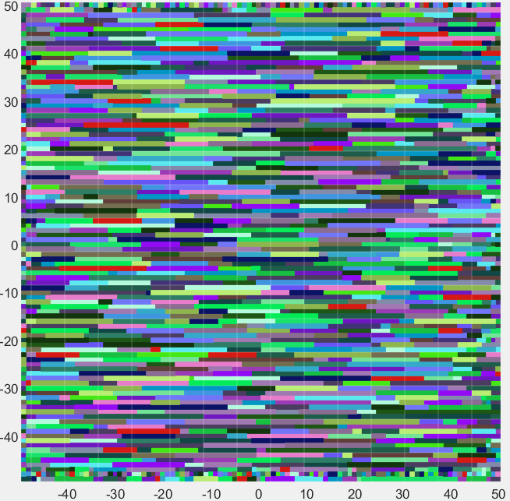
sign |  |  | xconst |  |  | yconst |  |  |  | power
1 | 1 | 1 | 1 | 1 | 1 | 1 | 1 | 1 |  | -1 | -1 | -1
1 | 1 | 1 | 1 | 1 | 1 | 1 | 1 | 1 |  | -1 | -1 | -1
1 | 1 | 1 | 1 | 1 | 1 | 1 | 1 | 1 |  | -1 | -1 | -1

xpower |  |  | ypower |  |  | MultipleOfNorm
1 | 1 | 1 | 1 | 1 | 1 | -1 | 0 | -1
1 | 1 | 1 | 1 | 1 | 1 | 1 | 1 | 1
1 | 1 | 1 | 1 | 1 | 1 | -1 | 0 | -1

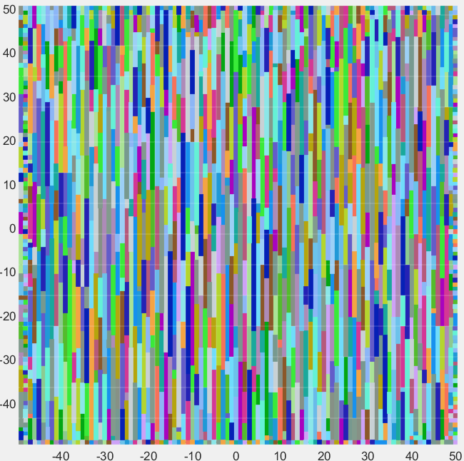
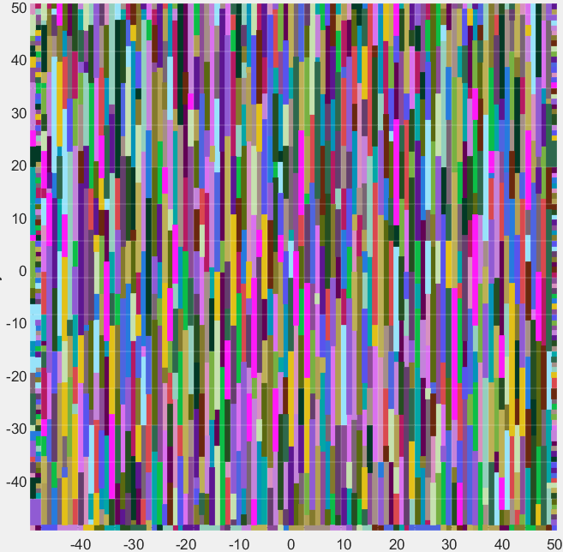
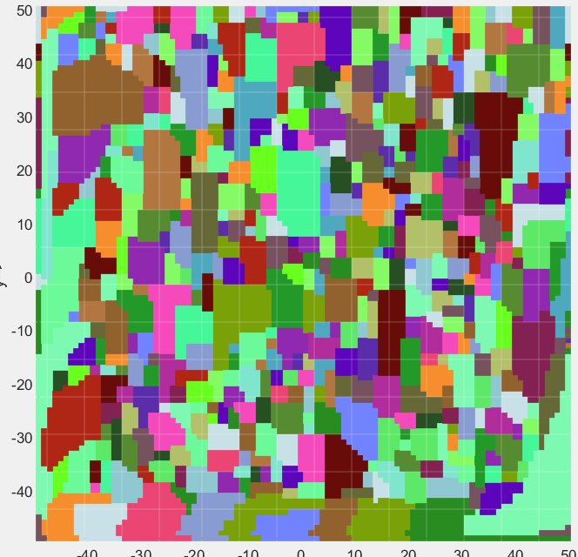
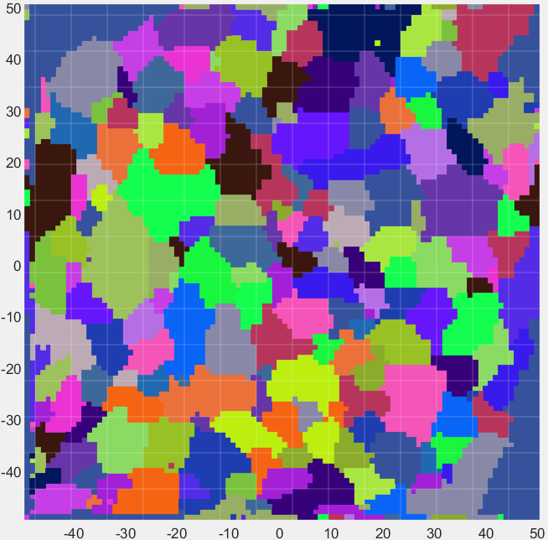
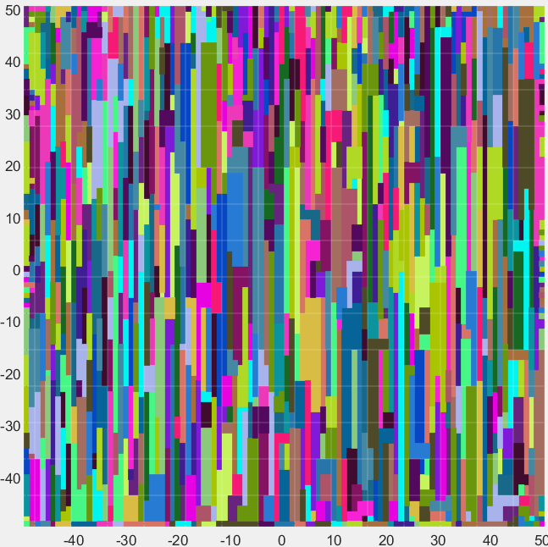
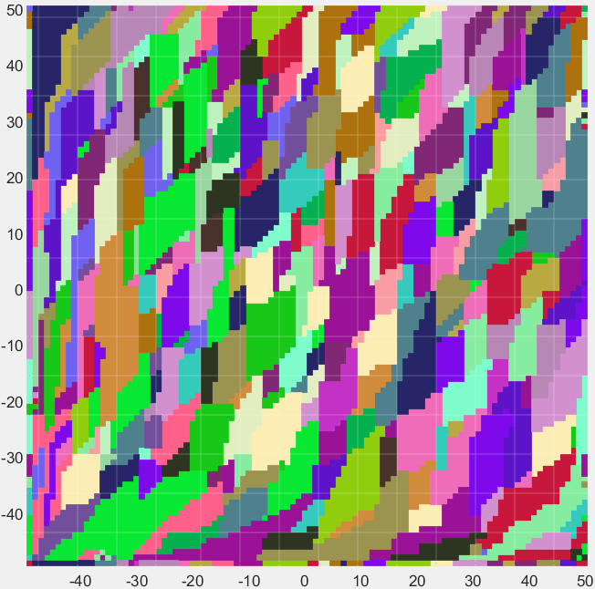
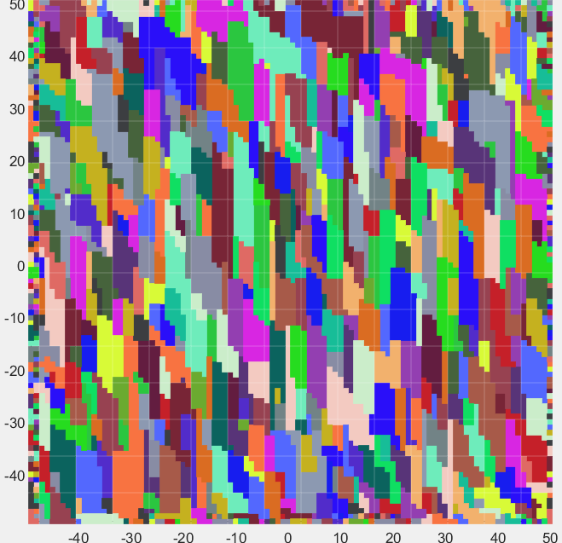
sign |  |  | xconst |  |  | yconst |  |  |  | power |  |  | 1 | 1 | 1 | 1 | 1 | 1 | 1 | 1 | 1 |  | -1 | -1 | -1 |  | 0 | 1 | 1 |  | 1 | 1 | 1 |  | 1 | 1 | 1 |  | -1 | -1 | -1 |  | 0 | 1 | 1 |  | 1 | 1 | 1 |  | 1 | 1 | 1 |  | -1 | -1 | -1
1 | 1 | 1 | 1 | 1 | 1 | 1 | 1 | 1 |  | -1 | -1 | -1 | 1 | 1 | 1 | 1 | 1 | 1 | 1 | 1 | 1 |  | -1 | -1 | -1 |  | 1 | 1 | 1 |  | 1 | 1 | 1 |  | 1 | 1 | 1 |  | -1 | -1 | -1 |  | 1 | 1 | 1 |  | 1 | 1 | 1 |  | 1 | 1 | 1 |  | -1 | -1 | -1
1 | 1 | 1 | 1 | 1 | 1 | 1 | 1 | 1 |  | -1 | -1 | -1 | 1 | 1 | 1 | 1 | 1 | 1 | 1 | 1 | 1 |  | -1 | -1 | -1 |  | 1 | 1 | 1 |  | 1 | 1 | 1 |  | 1 | 1 | 1 |  | -1 | -1 | -1 |  | 1 | 1 | 1 |  | 1 | 1 | 1 |  | 1 | 1 | 1 |  | -1 | -1 | -1
1 | 1 | 1 | 1 | 1 | 1 | 1 | 1 | 1 |  | -1 | -1 | -1
 |  |  |  |  |  |  |  |  |  |  |  |  | xpower |  |  | ypower |  |  | MultipleOfNorm |  |  |  |  |  |  |  | xpower |  |  |  | ypower |  |  |  | MultipleOfNorm |  |  |  |  |  |  |  | xpower |  |  |  | ypower |  |  |  | MultipleOfNorm
xpower |  |  | ypower |  |  | MultipleOfNorm |  |  |  |  |  |  | 1 | 1 | 1 | 1 | 1 | 1 | -1 | 1 | -1 |  |  |  |  |  | 1 | 1 | 1 |  | 1 | 1 | 1 |  | -1 | 1 | -1 |  |  |  |  |  | 1 | 1 | 1 |  | 1 | 1 | 1 |  | -1 | 1 | -1
1 | 1 | 1 | 1 | 1 | 1 | -1 | 1 | -1 |  |  |  |  | 1 | 1 | 1 | 1 | 1 | 1 | 0 | 1 | 0 | plus | 0.5 | x | rand(3,3) |  | 1 | 1 | 1 |  | 1 | 1 | 1 |  | 0 | 1 | 0 | plus | 1.5 | x | rand(3,3) |  | 1 | 1 | 1 |  | 1 | 1 | 1 |  | 0 | 1 | 0 | plus | 2 | x | rand(3,3)
1 | 1 | 1 | 1 | 1 | 1 | 0 | 1 | 0 |  |  |  |  | 1 | 1 | 1 | 1 | 1 | 1 | -1 | 1 | -1 |  |  |  |  |  | 1 | 1 | 1 |  | 1 | 1 | 1 |  | -1 | 1 | -1 |  |  |  |  |  | 1 | 1 | 1 |  | 1 | 1 | 1 |  | -1 | 1 | -1
1 | 1 | 1 | 1 | 1 | 1 | -1 | 1 | -1

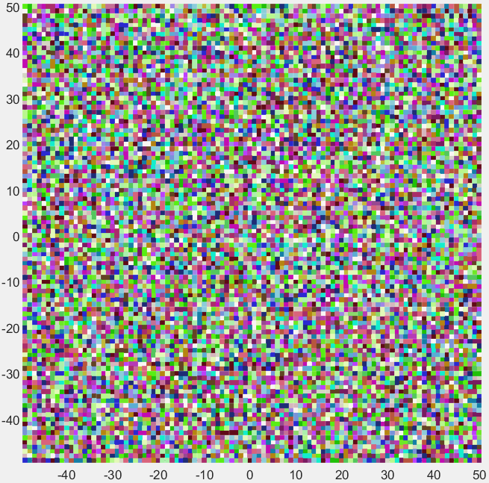
sign |  |  | xconst |  |  | yconst |  |  |  | power
1 | 1 | 1 | 1 | 1 | 1 | 1 | 1 | 1 |  | -1 | -1 | -1
1 | 1 | 1 | 1 | 1 | 1 | 1 | 1 | 1 |  | -1 | -1 | -1
1 | 1 | 1 | 1 | 1 | 1 | 1 | 1 | 1 |  | -1 | -1 | -1

xpower |  |  | ypower |  |  | MultipleOfNorm
1 | 1 | 1 | 1 | 1 | 1 | -1 | 0 | -1
1 | 1 | 1 | 1 | 1 | 1 | 0 | 1 | 0
1 | 1 | 1 | 1 | 1 | 1 | -1 | 0 | -1

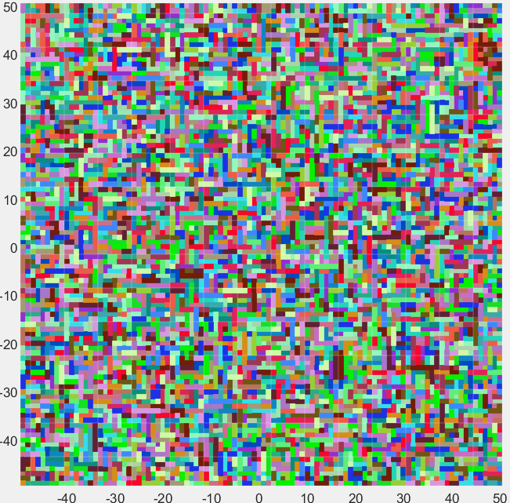
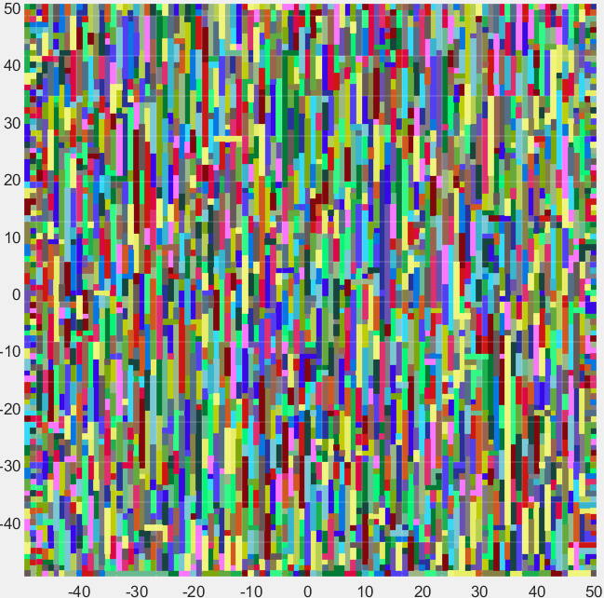
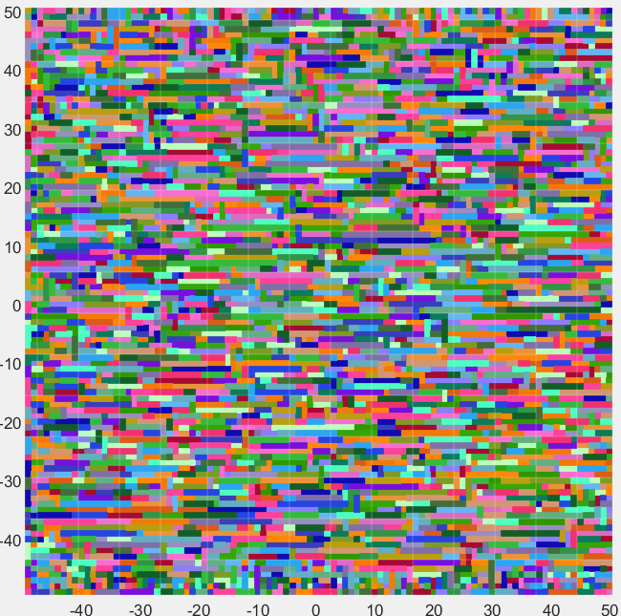
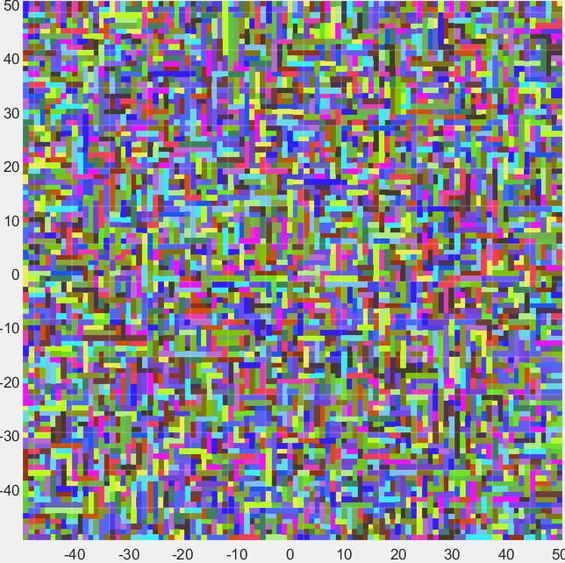
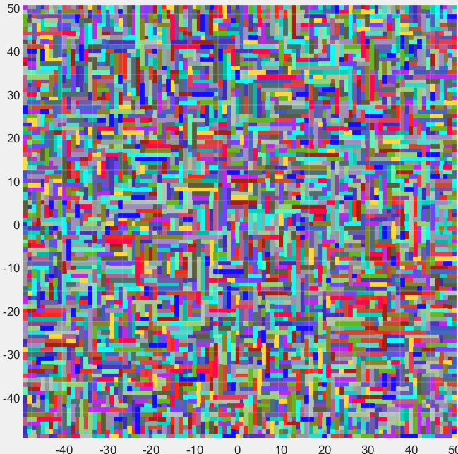
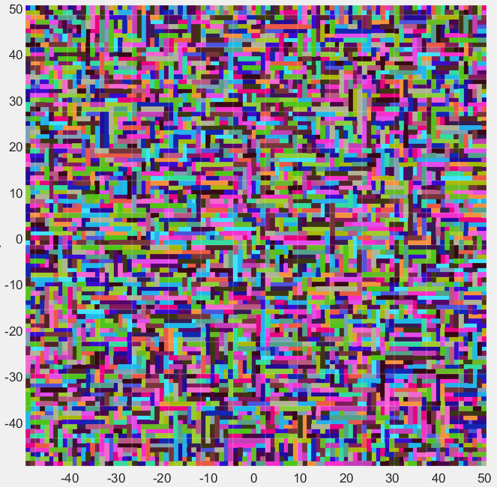
 |  |  |  |  |  |  |  |  |  |  |  |  |  |  |  |  |  |  |  |  |  |  |  |  |  |  |  |  |  |  |  |  |  |  |  |  |  |  |  |  |  |  |  |  |  |  |  |  |  |  |  |  | sign |  |  |  | xconst |  |  | yconst |  |  |  | power
 |  |  |  |  |  |  |  |  |  |  |  |  |  |  |  |  |  |  |  |  |  |  |  |  |  |  |  |  |  |  |  |  |  |  |  |  |  |  |  |  |  |  |  |  |  |  |  |  |  |  |  |  | 1 | 1 | 1 |  | 1 | 1 | 1 | 1 | 1 | 1 |  | -1 | -1 | -1
 |  |  |  |  |  |  |  |  |  |  |  |  |  |  |  |  |  |  |  |  |  |  |  |  |  | sign |  |  |  | xconst |  |  |  | yconst |  |  |  | power |  |  |  |  |  |  |  |  |  |  |  |  |  |  | 1 | 1 | 1 |  | 1 | 1 | 1 | 1 | 1 | 1 |  | -1 | -1 | -1
sign |  |  | xconst |  |  | yconst |  |  |  | power |  |  | sign |  |  | xconst |  |  | yconst |  |  |  | power |  |  | 1 | 1 | 1 |  | 1 | 1 | 1 |  | 1 | 1 | 1 |  | -1 | -1 | -1 |  |  |  |  |  |  |  |  |  |  |  |  | 1 | 1 | 1 |  | 1 | 1 | 1 | 1 | 1 | 1 |  | -1 | -1 | -1
1 | 1 | 1 | 1 | 1 | 1 | 1 | 1 | 1 |  | -1 | -1 | -1 | 1 | 1 | 1 | 1 | 1 | 1 | 1 | 1 | 1 |  | -1 | -1 | -1 | 1 | 1 | 1 |  | 1 | 1 | 1 |  | 1 | 1 | 1 |  | -1 | -1 | -1
1 | 1 | 1 | 1 | 1 | 1 | 1 | 1 | 1 |  | -1 | -1 | -1 | 1 | 1 | 1 | 1 | 1 | 1 | 1 | 1 | 1 |  | -1 | -1 | -1 | 1 | 1 | 1 |  | 1 | 1 | 1 |  | 1 | 1 | 1 |  | -1 | -1 | -1 |  |  |  |  |  |  |  |  |  |  |  |  | xpower |  |  |  | ypower |  |  | MultipleOfNorm
1 | 1 | 1 | 1 | 1 | 1 | 1 | 1 | 1 |  | -1 | -1 | -1 | 1 | 1 | 1 | 1 | 1 | 1 | 1 | 1 | 1 |  | -1 | -1 | -1 |  |  |  |  |  |  |  |  |  |  |  |  |  |  |  |  |  |  |  |  |  |  |  |  |  |  |  | 1 | 1 | 1 |  | 1 | 1 | 1 | -2 | 1 | -2
 |  |  |  |  |  |  |  |  |  |  |  |  |  |  |  |  |  |  |  |  |  |  |  |  |  | xpower |  |  |  | ypower |  |  |  | MultipleOfNorm |  |  |  |  |  |  |  |  |  |  |  |  |  |  |  |  |  |  | 1 | 1 | 1 |  | 1 | 1 | 1 | 1 | 1 | 1 | plus | 1.5 | x | rand(3,3)
xpower |  |  | ypower |  |  | MultipleOfNorm |  |  |  |  |  |  | xpower |  |  | ypower |  |  | MultipleOfNorm |  |  |  |  |  |  | 1 | 1 | 1 |  | 1 | 1 | 1 |  | -2 | 1 | -2 |  |  |  |  |  |  |  |  |  |  |  |  |  |  |  |  | 1 | 1 | 1 |  | 1 | 1 | 1 | -2 | 1 | -2
1 | 1 | 1 | 1 | 1 | 1 | -2 | 1 | -2 |  |  |  |  | 1 | 1 | 1 | 1 | 1 | 1 | -2 | 1 | -2 |  |  |  |  | 1 | 1 | 1 |  | 1 | 1 | 1 |  | 1 | 1 | 1 | plus | 1 | x | rand(3,3)
1 | 1 | 1 | 1 | 1 | 1 | 1 | 1 | 1 | plus | 0.1 | x | rand(3,3) | 1 | 1 | 1 | 1 | 1 | 1 | 1 | 1 | 1 | plus | 0.5 | x | rand(3,3) | 1 | 1 | 1 |  | 1 | 1 | 1 |  | -2 | 1 | -2 |  |  |  |  |  |  |  |  |  |  |  |  |  |  |  |  | delenergy1 = rand*WM51*(esm5==esm1) + rand*WM54*(esm5==esm4) + rand*WM57*(esm5==esm7) +...
1 | 1 | 1 | 1 | 1 | 1 | -2 | 1 | -2 |  |  |  |  | 1 | 1 | 1 | 1 | 1 | 1 | -2 | 1 | -2 |  |  |  |  |  |  |  |  |  |  |  |  |  |  |  |  |  |  |  |  |  |  |  |  |  |  |  |  |  |  |  | rand*WM52*(esm5==esm2) + rand*WM58*(esm5==esm8) + rand*WM53*(esm5==esm3) +...
 |  |  |  |  |  |  |  |  |  |  |  |  |  |  |  |  |  |  |  |  |  |  |  |  |  | delenergy1 = rand*WM51*(esm5==esm1) + rand*WM54*(esm5==esm4) + rand*WM57*(esm5==esm7) +... |  |  |  |  |  |  |  |  |  |  |  |  |  |  |  |  |  |  |  |  |  |  |  |  |  |  | rand*WM56*(esm5==esm6) + rand*WM59*(esm5==esm9);
delenergy1 = rand*WM51*(esm5==esm1) + rand*WM54*(esm5==esm4) + rand*WM57*(esm5==esm7) +... |  |  |  |  |  |  |  |  |  |  |  |  | delenergy1 = rand*WM51*(esm5==esm1) + rand*WM54*(esm5==esm4) + rand*WM57*(esm5==esm7) +... |  |  |  |  |  |  |  |  |  |  |  |  | rand*WM52*(esm5==esm2) + rand*WM58*(esm5==esm8) + rand*WM53*(esm5==esm3) +... |  |  |  |  |  |  |  |  |  |  |  |  |  |  |  |  |  |  |  |  |  |  |  |  |  |  | delenergy2 = rand*WM51*(NS==esm1) + rand*WM54*(NS==esm4) + rand*WM57*(NS==esm7) +...
rand*WM52*(esm5==esm2) + rand*WM58*(esm5==esm8) + rand*WM53*(esm5==esm3) +... |  |  |  |  |  |  |  |  |  |  |  |  | rand*WM52*(esm5==esm2) + rand*WM58*(esm5==esm8) + rand*WM53*(esm5==esm3) +... |  |  |  |  |  |  |  |  |  |  |  |  | rand*WM56*(esm5==esm6) + rand*WM59*(esm5==esm9); |  |  |  |  |  |  |  |  |  |  |  |  |  |  |  |  |  |  |  |  |  |  |  |  |  |  | rand*WM52*(NS==esm2) + rand*WM58*(NS==esm8) + rand*WM53*(NS==esm3) +...
rand*WM56*(esm5==esm6) + rand*WM59*(esm5==esm9); |  |  |  |  |  |  |  |  |  |  |  |  | rand*WM56*(esm5==esm6) + rand*WM59*(esm5==esm9); |  |  |  |  |  |  |  |  |  |  |  |  | delenergy2 = rand*WM51*(NS==esm1) + rand*WM54*(NS==esm4) + rand*WM57*(NS==esm7) +... |  |  |  |  |  |  |  |  |  |  |  |  |  |  |  |  |  |  |  |  |  |  |  |  |  |  | rand*WM56*(NS==esm6) + rand*WM59*(NS==esm9);
delenergy2 = rand*WM51*(NS==esm1) + rand*WM54*(NS==esm4) + rand*WM57*(NS==esm7) +... |  |  |  |  |  |  |  |  |  |  |  |  | delenergy2 = rand*WM51*(NS==esm1) + rand*WM54*(NS==esm4) + rand*WM57*(NS==esm7) +... |  |  |  |  |  |  |  |  |  |  |  |  | rand*WM52*(NS==esm2) + rand*WM58*(NS==esm8) + rand*WM53*(NS==esm3) +...
rand*WM52*(NS==esm2) + rand*WM58*(NS==esm8) + rand*WM53*(NS==esm3) +... |  |  |  |  |  |  |  |  |  |  |  |  | rand*WM52*(NS==esm2) + rand*WM58*(NS==esm8) + rand*WM53*(NS==esm3) +... |  |  |  |  |  |  |  |  |  |  |  |  | rand*WM56*(NS==esm6) + rand*WM59*(NS==esm9);
rand*WM56*(NS==esm6) + rand*WM59*(NS==esm9); |  |  |  |  |  |  |  |  |  |  |  |  | rand*WM56*(NS==esm6) + rand*WM59*(NS==esm9);

