BugReport
Project Name | demo.nopcommerce(Frontend)
Client | demo.nopcommerce
Reference Document | FRS
Created By | Sunilkumar
Creation Date | May 10th, 2023
Approval Date

 | Bug ID | Description/Summary | Steps to Reproduce | Pre-requisites | Expected Result | Actual Result | Severity | Priority | Screenshot
 | Def_log_001 | To verify that a user is able to successfully register on the https://demo.nopcommerce.com/ website By Registering an account by providing simple password | 1.Open the website https://demo.nopcommerce.com/. 2.Click on the "Register" link located on the top right corner of the homepage. 3.Fill in the required fields in the registration form: 3.1.Select Gender 3.2.Enter First name 3.3.Enter Last name 3.4.Select Date of birth 3.5.Enter Email address 3.6.Enter Password 3.7.Enter Confirm password 4.Click on the "Register" button. | 1.A device with a stable internet connection. 2.The website https://demo.nopcommerce.com/ is accessible. | 1.The user should not be able to successfully register on the website. 2.User sholud get'Password should contains atleast one special character and one upper case letter' 3.The user should not be able to log in using the registered email and password. | 1.The user is be able to successfully register on the website. 2.User didn't get'Password should contains atleast one special character and one upper case letter' 3.The user is able to log in using the registered email and password. | S3 | 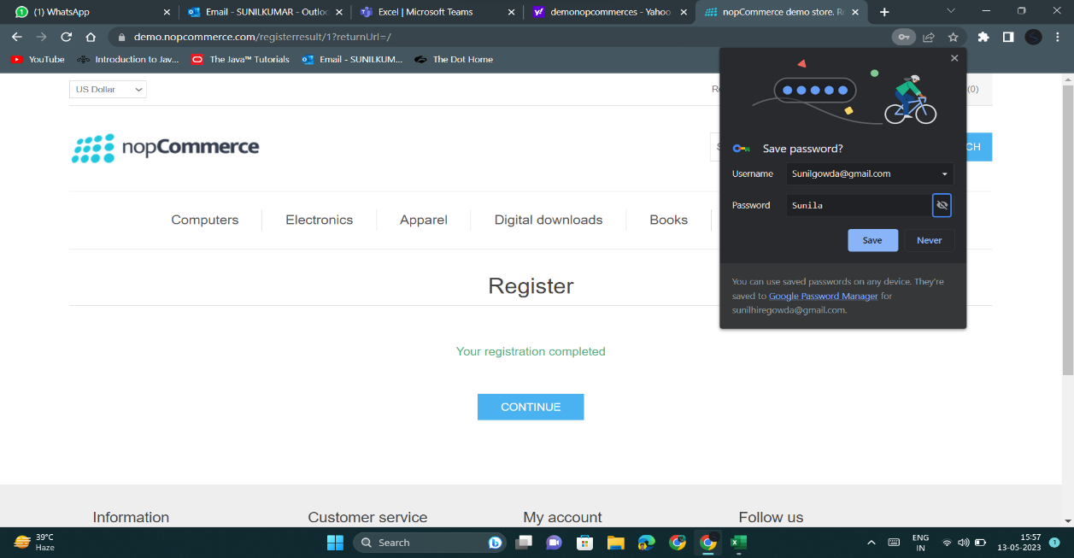 P0
 | Def_log_002 | To verify the valid login credentials after Logged out and wait for 15 mins then user should login again but in actual it is not able to log in previously Registered emai ID & Password. | 1.Open the website https://demo.nopcommerce.com/. 2.Click on the "Log in" link located at the top right corner of the page. 3.Enter a valid Email and password combination in the respective fields. 4.Click on the "Log in" button. 5.The user should be directed to the homepage. | 1.A device with a stable internet connection. 2.The website https://demo.nopcommerce.com/ is accessible. 3.The user should be Logged out and wait for 15 mins then he should go to login. | 1.The user should be able to log in successfully and be directed to the homepage. | 1.The user is not able to login after 15 min and it is saying "Login was unsuccessful. Please correct the errors and try again. No customer account found". | S1 | P0 | 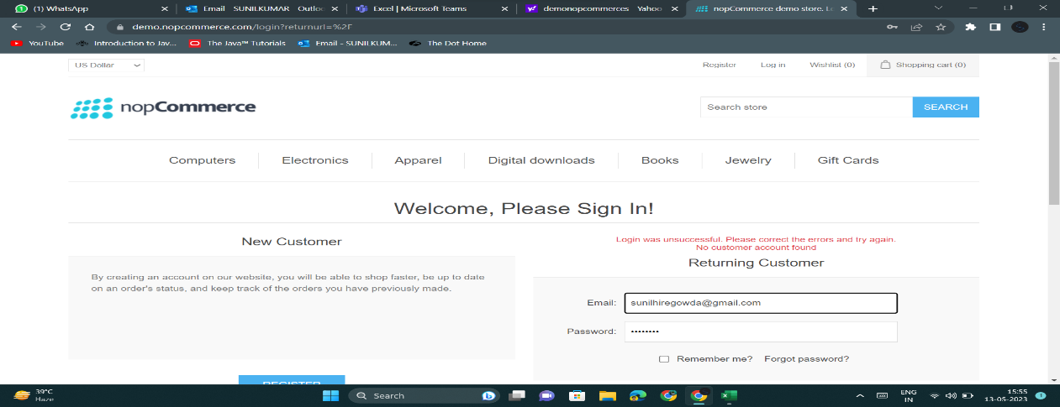
 | Def_log_003 | To verify that the forgot password functionality works correctly and that a user can reset their password successfully. | 1.Open the login page and click on "Forgot password" link 2.Enter a valid email address associated with the user's account and click on "Reset password" button. 3.Check the email associated with the entered email address for a password reset link. 4.Click on the password reset link in the email and enter a new password. Click on "Submit" button. | 1.A device with a stable internet connection. 2.The website https://demo.nopcommerce.com/ is accessible. 3.The user should be login. | 1.User should receive a password reset email and after clicking on the reset password link, the user should be able to successfully reset their password and login with the new password. | 1.The user is not received any mail for password reset and is not able to reset their password successfully. | S3 | P2 | 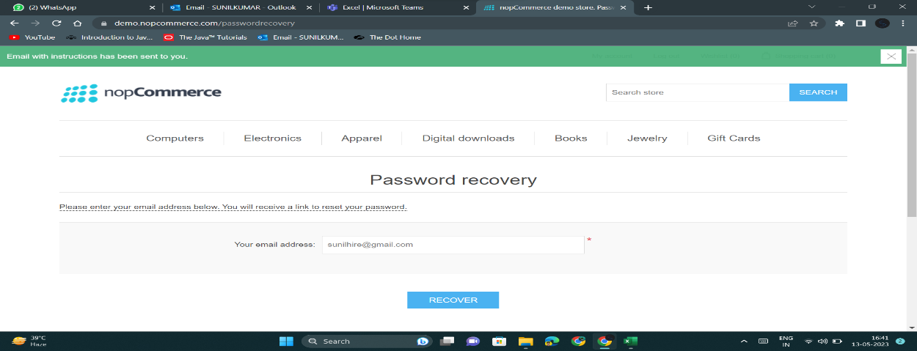
 | Def_log_004 | To verify the pincode field in the checkout page should not accept alphabets but it is accepting it. | 1. Login to your account. 2. Add a product to cart. 3.Click on Shopping cart. 4.Click on terms of service checkbox. 5. Click on CHECKOUT. 6.Enter postal code 7.Click on Continue | 1.A device with a stable internet connection. 2.The website https://demo.nopcommerce.com/ is accessible. 3.The user is logged in. | 1.User should find 'enter postal Code with only digits' | 1.User find's that pin code field accepting the alphabets in it | S3 | P1
 | Def_log_005 | To verify whether user is able to Change Password - Successfully | 1.Navigate to https://demo.nopcommerce.com/ 2.Log in with valid credentials 3.Click on my account 4.User has navigated to the "Change Password" section. 5.enter a old password 6.enter a new password 7.enter a confirm password 8.Click on change password | 1.A device with a stable internet connection. 2.The website https://demo.nopcommerce.com/ is accessible. 3.User is logged into the system. | 1.The system should successfully change the password. 2.The user should receive a confirmation message. 3.The user should be able to log in using the new password. | 1.The system is able to change password Successfully. 2.The user is not received any mail for confirmation. | S3 | P3 | 