Sheet1
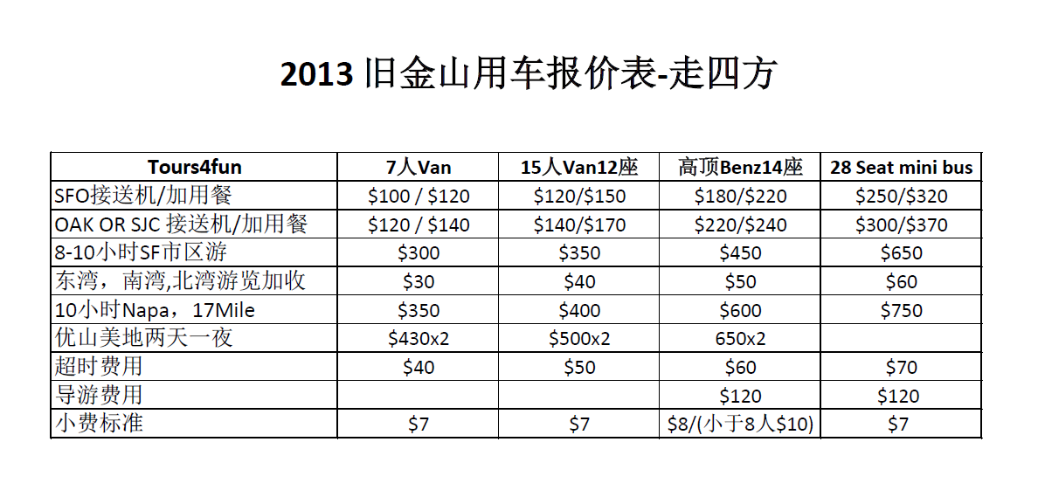

Bus # | Year | Model | Seats | Pictures
#399 | 2012 | Prevost | 57 Bus | 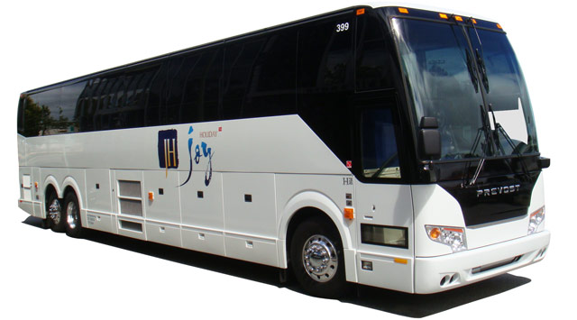
#188 | 2012 | Ford | 27 Mini Bus
#177 | 2008 | Ford | 15 Van
#168 | 2011 | Benz | 15 Van | 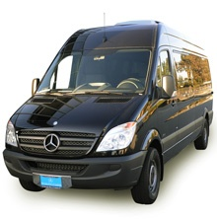
#268 | 2012 | Benz | 15 Van | 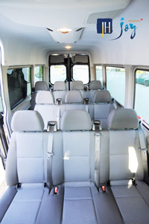
#104 | 2012 | Toyota Sienna | 8 Van | 