Sheet1
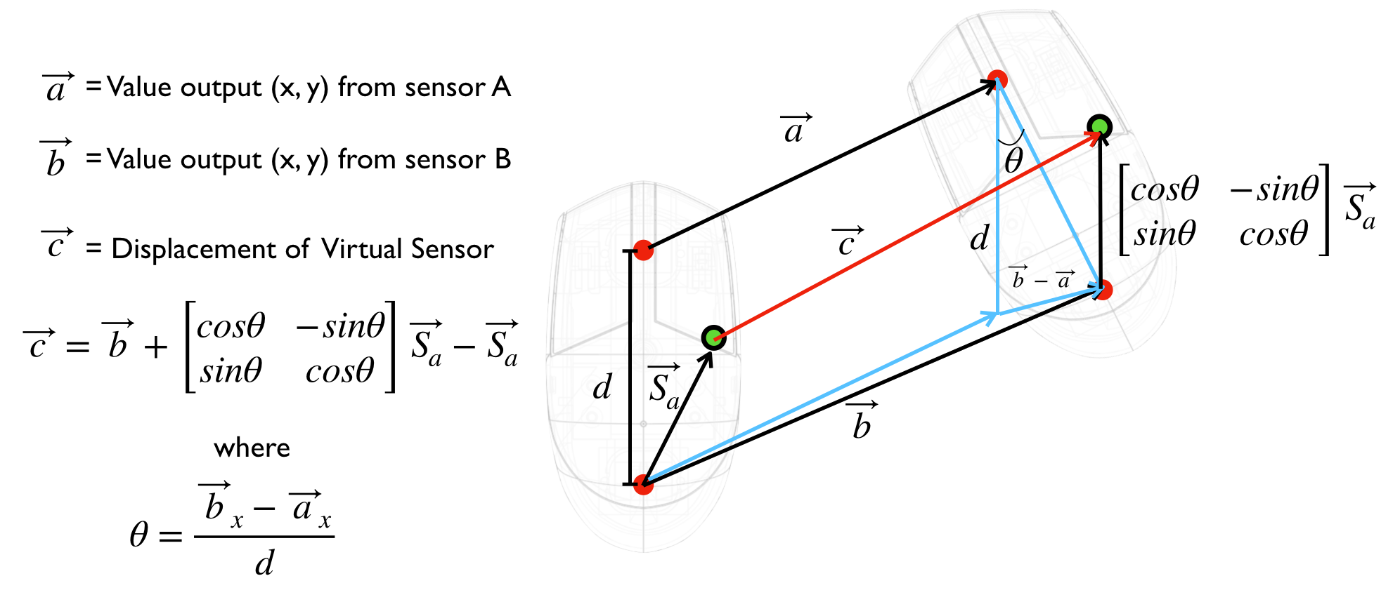
s1 (vec_a) | -30 | 20 | vx = s2_x-s1_x | 60 | SEN_DIST | 72
s2 (vec_b) | 30 | 21 | vy = s2_y-s1_y | 1 | SEN_INCH | 2.8346456693
weight_x | 0 |  |  |  | CPI | 800
weight_y | 0.5 |  | d = SEN_INCH / CPI | 2267.7165354

vs (vec_c) | 0.0035000945007 | 20.603148152 | theta = vx / d | 0.026458333333
weighted | 0 | 20.5
 |  |  | sa_x = d * weight_x | 0
 |  |  | sa_y = d * weight_y | 1133.8582677

