LAB1 Poten
Rotary Potentiometer A

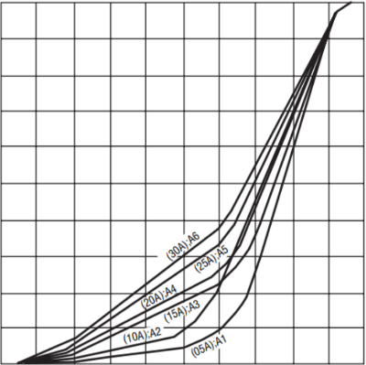
 | PA
0 | 0% | 1 | 0
36 | 10% | 2 | 0
72 | 20% | 3 | 1.05
108 | 30% | 4 | 3.55
144 | 40% | 5 | 5.87
180 | 50% | 6 | 7.88
216 | 60% | 7 | 23.70
252 | 70% | 8 | 44.12
288 | 80% | 9 | 65.53
324 | 90% | 10 | 86.47
360 | 100% | 11 | 99.08
Rotary Potentiometer B

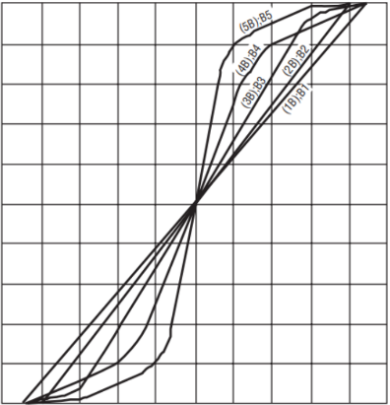
 | PB |  |  |  | V | Schmitt-trigger
0 | 0% | 1 | 0.00 |  | 0 | 0
36 | 10% | 2 | 0.00 |  | 0 | 0
72 | 20% | 3 | 1.82 |  | 0.059933349609 | 0
108 | 30% | 4 | 12.07 |  | 0.39835415039 | 0
144 | 40% | 5 | 22.03 |  | 0.72694504395 | 0
180 | 50% | 6 | 33.67 |  | 1.110963208 | 0
216 | 60% | 7 | 45.32 |  | 1.4955525879 | 0
252 | 70% | 8 | 59.66 |  | 1.9687255371 | 1
288 | 80% | 9 | 69.32 |  | 2.2875131104 | 1
324 | 90% | 10 | 82.26 |  | 2.7146375244 | 1
360 | 100% | 11 | 95.42 |  | 3.1490209717 | 1

Rotary Potentiometer C
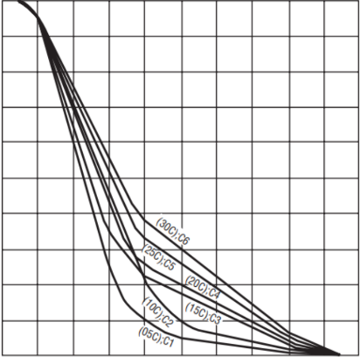
 | PC
0 | 0% | 1 | 99.68
36 | 10% | 2 | 98.33
72 | 20% | 3 | 64.73
108 | 30% | 4 | 36.22
144 | 40% | 5 | 15.32
180 | 50% | 6 | 12.31
216 | 60% | 7 | 9.45
252 | 70% | 8 | 6.22
288 | 80% | 9 | 3.17
324 | 90% | 10 | 0.00
360 | 100% | 11 | 0.00

Linear Potentiometer A
 | PS_A
0 | 0% | 1 | 0.00 | 99.79
36 | 10% | 2 | 8.20 | 96.95
72 | 20% | 3 | 26.59 | 93.46
108 | 30% | 4 | 46.73 | 89.07
144 | 40% | 5 | 68.93 | 85.1
180 | 50% | 6 | 81.09 | 81.09
216 | 60% | 7 | 85.10 | 68.93
252 | 70% | 8 | 89.07 | 46.73
288 | 80% | 9 | 93.46 | 26.59
324 | 90% | 10 | 96.95 | 8.2
360 | 100% | 11 | 99.79 | 0

Linear Pontiometer B

 | PS_B
0 | 0% | 1 | 0.00
36 | 10% | 2 | 3.17 |  |  |  | 99.79 | 0.00
72 | 20% | 3 | 13.67 |  |  |  | 96.95 | 8.20
108 | 30% | 4 | 23.82 |  |  |  | 93.46 | 26.59
144 | 40% | 5 | 34.24 |  |  |  | 89.07 | 46.73
180 | 50% | 6 | 44.30 |  |  |  | 85.10 | 68.93
216 | 60% | 7 | 55.67 |  |  |  | 81.09 | 81.09
252 | 70% | 8 | 66.58 |  |  |  | 68.93 | 85.10
288 | 80% | 9 | 79.18 |  |  |  | 46.73 | 89.07
324 | 90% | 10 | 91.69 |  |  |  | 26.59 | 93.46
360 | 100% | 11 | 99.79 |  |  |  | 8.20 | 96.95
 |  |  |  |  |  |  | 0.00 | 99.79

LAB3 Mag
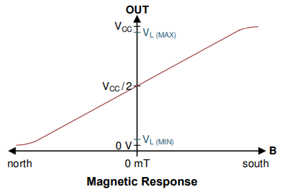
 | M_N |  |  |  | M_S |  |  |  | MWS_N |  |  |  | MWS_S
 | 1 | 0 | 49.329345703 | 1.6278684082 | 1 | 0 | 97.585742188 | 3.2203294922 | 1 | 0 | 49.403344727 | 1.630310376 | 1 | 0 | 97.610888672 | 3.2211593262
 | 2 | 0.7 | 48.447753906 | 1.5987758789 | 2 | 0.7 | 81.186425781 | 2.6791520508 | 2 | 0.7 | 48.627978516 | 1.604723291 | 2 | 0.7 | 72.980517578 | 2.4083570801
 | 3 | 1.4 | 46.507373047 | 1.5347433105 | 3 | 1.4 | 59.033569336 | 1.9481077881 | 3 | 1.4 | 46.986083984 | 1.5505407715 | 3 | 1.4 | 57.661010742 | 1.9028133545
 | 4 | 2.1 | 40.860546875 | 1.3483980469 | 4 | 2.1 | 53.622436523 | 1.7695404053 | 4 | 2.1 | 42.523388672 | 1.4032718262 | 4 | 2.1 | 53.169702148 | 1.7546001709
 | 5 | 2.8 | 15.772558594 | 0.52049443359 | 5 | 2.8 | 51.670507812 | 1.7051267578 | 5 | 2.8 | 27.131689453 | 0.89534575195 | 5 | 2.8 | 51.526171875 | 1.7003636719
 | 6 | 3.5 | 1.9992675781 | 0.065975830078 | 6 | 3.5 | 50.833862305 | 1.6775174561 | 6 | 3.5 | 2.2821289063 | 0.075310253906 | 6 | 3.5 | 50.737841797 | 1.6743487793

dfdfdf
-0.21120322266 | 1.9992675781 | 0.065975830078 |  |  |  |  |  |  | 2.2821289063 | 0.075310253906
-0.15060074219 | 15.772558594 | 0.52049443359 |  |  |  |  |  |  | 27.131689453 | 0.89534575195
-0.04021359375 | 40.860546875 | 1.3483980469 |  |  |  |  |  |  | 42.523388672 | 1.4032718262
-0.015367558594 | 46.507373047 | 1.5347433105 |  |  |  |  |  |  | 46.986083984 | 1.5505407715
-0.0068298828125 | 48.447753906 | 1.5987758789 |  |  |  |  |  |  | 48.627978516 | 1.604723291
-0.0029508789063 | 49.329345703 | 1.6278684082 |  |  |  |  |  |  | 49.403344727 | 1.630310376
0.007350234375 | 51.670507812 | 1.6775174561 |  |  |  |  |  |  | 51.526171875 | 1.6743487793
0.015938720703 | 53.622436523 | 1.7051267578 |  |  |  |  |  |  | 53.169702148 | 1.7003636719
0.039747705078 | 59.033569336 | 1.7695404053 |  |  |  |  |  |  | 57.661010742 | 1.7546001709 |  |  |  |  |  |  |  |  | Sen 7.5 | Stc 0.0012
No Shield
With Shield
0.13722027344 | 81.186425781 | 1.9481077881 |  |  |  |  |  |  | 72.980517578 | 1.9028133545
0.20937726563 | 97.585742188 | 2.6791520508 |  |  |  |  |  |  | 97.610888672 | 2.4083570801
 |  | 3.2203294922 |  |  |  |  |  |  |  | 3.2211593262
Flux Density with out shield
Flux Density with shield
B | Vout |  |  |  |  |  |  |  | B | Vout
-0.052800805664 | 0.065975830078 |  |  |  |  |  |  |  | -0.052489658203 | 0.075310253906
-0.037650185547 | 0.52049443359 |  |  |  |  |  |  |  | -0.025155141602 | 0.89534575195
-0.010053398438 | 1.3483980469 |  |  |  |  |  |  |  | -0.0082242724609 | 1.4032718262
-0.0038418896484 | 1.5347433105 |  |  |  |  |  |  |  | -0.0033153076172 | 1.5505407715
-0.0017074707031 | 1.5987758789 |  |  |  |  |  |  |  | -0.0015092236328 | 1.604723291
-0.00073771972656 | 1.6278684082 |  |  |  |  |  |  |  | -0.00065632080078 | 1.630310376
0.0018375585937 | 1.7051267578 |  |  |  |  |  |  |  | 0.0016787890625 | 1.7003636719
0.0039846801758 | 1.7695404053 |  |  |  |  |  |  |  | 0.0034866723633 | 1.7546001709
0.0099369262695 | 1.9481077881 |  |  |  |  |  |  |  | 0.0084271118164 | 1.9028133545
0.034305068359 | 2.6791520508 |  |  |  |  |  |  |  | 0.025278569336 | 2.4083570801
0.052344316406 | 3.2203294922 |  |  |  |  |  |  |  | 0.052371977539 | 3.2211593262

 |  | 3.5 | 0.065975830078
 |  | 2.8 | 0.52049443359 |  |  |  |  |  |  | Vo-1.65/30
 |  | 2.1 | 1.3483980469
 |  | 1.4 | 1.5347433105 |  |  |  |  |  |  |  |  |  |  | 0.065975830078 | -0.052800805664 |  | 0.075310253906 | -0.052489658203
 |  | 0.7 | 1.5987758789 |  |  |  |  |  |  |  |  |  |  | 0.52049443359 | -0.037650185547 |  | 0.89534575195 | -0.025155141602
 |  | 0 | 1.6278684082 |  |  |  |  |  |  |  |  |  |  | 1.3483980469 | -0.010053398438 |  | 1.4032718262 | -0.0082242724609
 |  |  |  |  |  |  |  |  |  |  |  |  |  | 1.5347433105 | -0.0038418896484 |  | 1.5505407715 | -0.0033153076172
 |  |  |  |  |  |  |  |  |  |  |  |  |  | 1.5987758789 | -0.0017074707031 |  | 1.604723291 | -0.0015092236328
 |  |  |  |  |  |  |  |  |  |  |  |  |  | 1.6278684082 | -0.00073771972656 |  | 1.630310376 | -0.00065632080078
 |  |  |  |  |  |  |  |  |  |  |  |  |  | 1.7051267578 | 0.0018375585937 |  | 1.7003636719 | 0.0016787890625
 |  |  |  |  |  |  |  |  |  |  |  |  |  | 1.7695404053 | 0.0039846801758 |  | 1.7546001709 | 0.0034866723633
 |  |  |  |  |  |  |  |  |  |  |  |  |  | 1.9481077881 | 0.0099369262695 |  | 1.9028133545 | 0.0084271118164
 |  |  |  |  |  |  |  |  |  |  |  |  |  | 2.6791520508 | 0.034305068359 |  | 2.4083570801 | 0.025278569336
 |  |  |  |  |  |  |  |  |  |  |  |  |  | 3.2203294922 | 0.052344316406 |  | 3.2211593262 | 0.052371977539

