No. 9
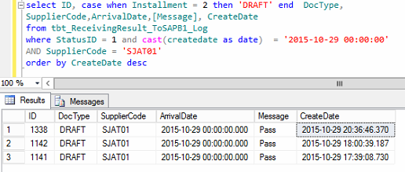
1) Log Header which was sent to SAP
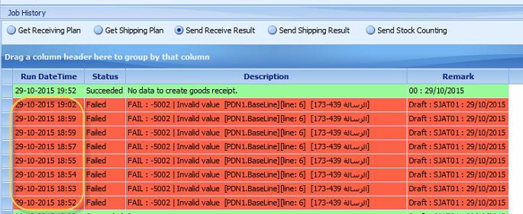
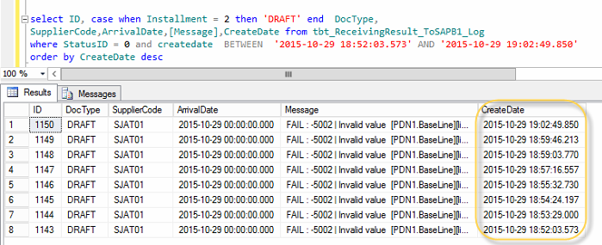

2) Item List which was sent to SAP at 18:52
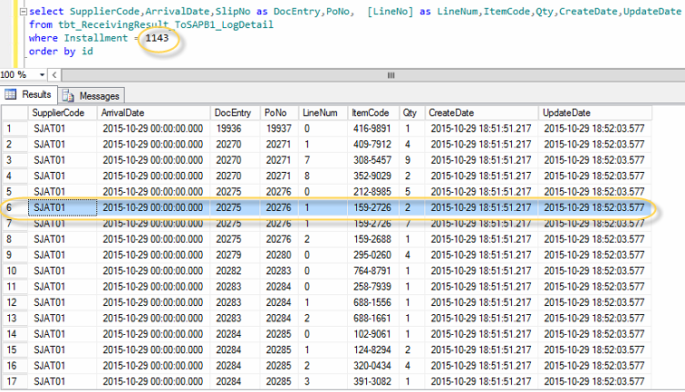

3) After changed script to SUM(Qty) and Group by PO, then synced again at 20:36 (Result is PASS)

Log Header which was sent to SAP |  |  |  |  |  |  |  |  | Draft Table in SAP was created

Item List which was sent to SAP at 20:36 |  |  |  |  |  |  |  |  | Item List which was create in SAP
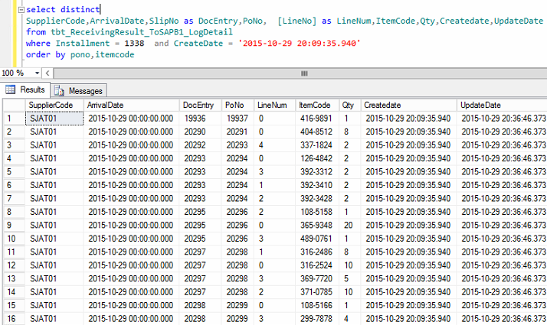
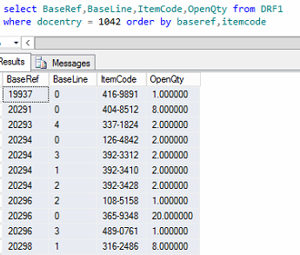

SupplierCode | ArrivalDate | DocEntry | PoNo | LineNum | ItemCode | Qty | Createdate | UpdateDate | BaseRef | BaseLine | ItemCode | OpenQty
SJAT01 | 10/29/15 | 19936 | 19937 | 0 | 416-9891 | 1 | 10/29/15 | 10/29/15 | 19937 | 0 | 416-9891 | 1
SJAT01 | 10/29/15 | 20290 | 20291 | 0 | 404-8512 | 8 | 10/29/15 | 10/29/15 | 20291 | 0 | 404-8512 | 8
SJAT01 | 10/29/15 | 20292 | 20293 | 4 | 337-1824 | 2 | 10/29/15 | 10/29/15 | 20293 | 4 | 337-1824 | 2
SJAT01 | 10/29/15 | 20293 | 20294 | 0 | 126-4842 | 2 | 10/29/15 | 10/29/15 | 20294 | 0 | 126-4842 | 2
SJAT01 | 10/29/15 | 20293 | 20294 | 3 | 392-3312 | 2 | 10/29/15 | 10/29/15 | 20294 | 3 | 392-3312 | 2
SJAT01 | 10/29/15 | 20293 | 20294 | 1 | 392-3410 | 2 | 10/29/15 | 10/29/15 | 20294 | 1 | 392-3410 | 2
SJAT01 | 10/29/15 | 20293 | 20294 | 2 | 392-3428 | 2 | 10/29/15 | 10/29/15 | 20294 | 2 | 392-3428 | 2
SJAT01 | 10/29/15 | 20295 | 20296 | 2 | 108-5158 | 1 | 10/29/15 | 10/29/15 | 20296 | 2 | 108-5158 | 1
SJAT01 | 10/29/15 | 20295 | 20296 | 0 | 365-9348 | 20 | 10/29/15 | 10/29/15 | 20296 | 0 | 365-9348 | 20
SJAT01 | 10/29/15 | 20295 | 20296 | 3 | 489-0761 | 1 | 10/29/15 | 10/29/15 | 20296 | 3 | 489-0761 | 1
SJAT01 | 10/29/15 | 20297 | 20298 | 1 | 316-2486 | 8 | 10/29/15 | 10/29/15 | 20298 | 1 | 316-2486 | 8
SJAT01 | 10/29/15 | 20297 | 20298 | 0 | 316-2524 | 10 | 10/29/15 | 10/29/15 | 20298 | 0 | 316-2524 | 10
SJAT01 | 10/29/15 | 20297 | 20298 | 3 | 369-7720 | 5 | 10/29/15 | 10/29/15 | 20298 | 3 | 369-7720 | 5
SJAT01 | 10/29/15 | 20297 | 20298 | 2 | 371-0785 | 10 | 10/29/15 | 10/29/15 | 20298 | 2 | 371-0785 | 10
SJAT01 | 10/29/15 | 20298 | 20299 | 0 | 108-5166 | 1 | 10/29/15 | 10/29/15 | 20299 | 0 | 108-5166 | 1
SJAT01 | 10/29/15 | 20298 | 20299 | 3 | 299-7878 | 4 | 10/29/15 | 10/29/15 | 20299 | 3 | 299-7878 | 4
SJAT01 | 10/29/15 | 20298 | 20299 | 1 | 331-7927 | 1 | 10/29/15 | 10/29/15 | 20299 | 1 | 331-7927 | 1
SJAT01 | 10/29/15 | 20298 | 20299 | 2 | 344-9777 | 3 | 10/29/15 | 10/29/15 | 20299 | 2 | 344-9777 | 3
SJAT01 | 10/29/15 | 20299 | 20300 | 0 | 228-8982 | 3 | 10/29/15 | 10/29/15 | 20300 | 0 | 228-8982 | 3
SJAT01 | 10/29/15 | 20301 | 20302 | 1 | 122-1051 | 1 | 10/29/15 | 10/29/15 | 20302 | 1 | 122-1051 | 1
SJAT01 | 10/29/15 | 20301 | 20302 | 0 | 212-0534 | 1 | 10/29/15 | 10/29/15 | 20302 | 0 | 212-0534 | 1
SJAT01 | 10/29/15 | 20301 | 20302 | 4 | 485-8425 | 3 | 10/29/15 | 10/29/15 | 20302 | 4 | 485-8425 | 3
SJAT01 | 10/29/15 | 20301 | 20302 | 2 | 485-8433 | 3 | 10/29/15 | 10/29/15 | 20302 | 2 | 485-8433 | 3
SJAT01 | 10/29/15 | 20301 | 20302 | 3 | 485-8441 | 3 | 10/29/15 | 10/29/15 | 20302 | 3 | 485-8441 | 3
SJAT01 | 10/29/15 | 20303 | 20304 | 0 | 336-4623 | 1 | 10/29/15 | 10/29/15 | 20304 | 0 | 336-4623 | 1
SJAT01 | 10/29/15 | 20304 | 20305 | 0 | 254-8283 | 68 | 10/29/15 | 10/29/15 | 20305 | 0 | 254-8283 | 68
SJAT01 | 10/29/15 | 20305 | 20306 | 1 | 121-3504 | 10 | 10/29/15 | 10/29/15 | 20306 | 1 | 121-3504 | 10
SJAT01 | 10/29/15 | 20305 | 20306 | 2 | 121-3997 | 10 | 10/29/15 | 10/29/15 | 20306 | 2 | 121-3997 | 10
SJAT01 | 10/29/15 | 20308 | 20309 | 10 | 392-7679 | 7 | 10/29/15 | 10/29/15 | 20309 | 10 | 392-7679 | 7
SJAT01 | 10/29/15 | 20309 | 20310 | 0 | 372-6711 | 2 | 10/29/15 | 10/29/15 | 20310 | 0 | 372-6711 | 2
SJAT01 | 10/29/15 | 20310 | 20311 | 0 | 371-4934 | 1 | 10/29/15 | 10/29/15 | 20311 | 0 | 371-4934 | 1
SJAT01 | 10/29/15 | 20312 | 20313 | 0 | 101-2908 | 1 | 10/29/15 | 10/29/15 | 20313 | 0 | 101-2908 | 1

Item List which was not sent to SAP because condition

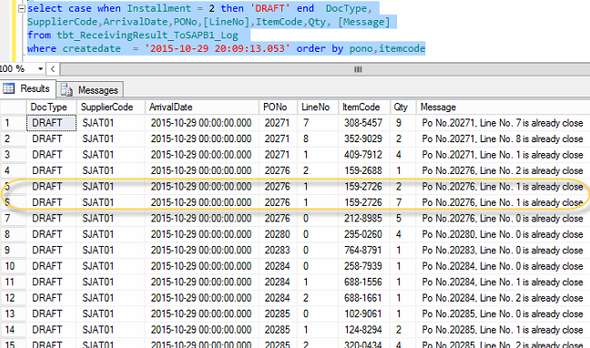

DocType | SupplierCode | ArrivalDate | PONo | LineNo | ItemCode | Message
DRAFT | SJAT01 | 10/29/15 | 20271 | 7 | 308-5457 | Po No.20271, Line No. 7 is already close
DRAFT | SJAT01 | 10/29/15 | 20271 | 8 | 352-9029 | Po No.20271, Line No. 8 is already close
DRAFT | SJAT01 | 10/29/15 | 20271 | 1 | 409-7912 | Po No.20271, Line No. 1 is already close
DRAFT | SJAT01 | 10/29/15 | 20276 | 2 | 159-2688 | Po No.20276, Line No. 2 is already close
DRAFT | SJAT01 | 10/29/15 | 20276 | 1 | 159-2726 | Po No.20276, Line No. 1 is already close
DRAFT | SJAT01 | 10/29/15 | 20276 | 1 | 159-2726 | Po No.20276, Line No. 1 is already close
DRAFT | SJAT01 | 10/29/15 | 20276 | 0 | 212-8985 | Po No.20276, Line No. 0 is already close
DRAFT | SJAT01 | 10/29/15 | 20280 | 0 | 295-0260 | Po No.20280, Line No. 0 is already close
DRAFT | SJAT01 | 10/29/15 | 20283 | 0 | 764-8791 | Po No.20283, Line No. 0 is already close
DRAFT | SJAT01 | 10/29/15 | 20284 | 0 | 258-7939 | Po No.20284, Line No. 0 is already close
DRAFT | SJAT01 | 10/29/15 | 20284 | 1 | 688-1556 | Po No.20284, Line No. 1 is already close
DRAFT | SJAT01 | 10/29/15 | 20284 | 2 | 688-1661 | Po No.20284, Line No. 2 is already close
DRAFT | SJAT01 | 10/29/15 | 20285 | 0 | 102-9061 | Po No.20285, Line No. 0 is already close
DRAFT | SJAT01 | 10/29/15 | 20285 | 1 | 124-8294 | Po No.20285, Line No. 1 is already close
DRAFT | SJAT01 | 10/29/15 | 20285 | 2 | 320-0434 | Po No.20285, Line No. 2 is already close
DRAFT | SJAT01 | 10/29/15 | 20285 | 3 | 391-3082 | Po No.20285, Line No. 3 is already close
DRAFT | SJAT01 | 10/29/15 | 20285 | 4 | 415-1224 | Po No.20285, Line No. 4 is already close
DRAFT | SJAT01 | 10/29/15 | 20286 | 0 | 117-8679 | Po No.20286, Line No. 0 is already close
DRAFT | SJAT01 | 10/29/15 | 20286 | 1 | 287-1980 | Po No.20286, Line No. 1 is already close
DRAFT | SJAT01 | 10/29/15 | 20286 | 2 | 408-3831 | Po No.20286, Line No. 2 is already close
DRAFT | SJAT01 | 10/29/15 | 20290 | 0 | 297-2280 | Po No.20290, Line No. 0 is already close
DRAFT | SJAT01 | 10/29/15 | 20292 | 0 | 383-0322 | Po No.20292, Line No. 0 is already close
DRAFT | SJAT01 | 10/29/15 | 20293 | 1 | 117-0597 | Po No.20293, Line No. 1 is already close
DRAFT | SJAT01 | 10/29/15 | 20293 | 0 | 119-9994 | Po No.20293, Line No. 0 is already close
DRAFT | SJAT01 | 10/29/15 | 20293 | 5 | 124-9339 | Po No.20293, Line No. 5 is already close
DRAFT | SJAT01 | 10/29/15 | 20293 | 8 | 336-4607 | Po No.20293, Line No. 8 is already close
DRAFT | SJAT01 | 10/29/15 | 20293 | 9 | 336-4623 | Po No.20293, Line No. 9 is already close
DRAFT | SJAT01 | 10/29/15 | 20293 | 2 | 337-1638 | Po No.20293, Line No. 2 is already close
DRAFT | SJAT01 | 10/29/15 | 20293 | 3 | 337-1697 | Po No.20293, Line No. 3 is already close
DRAFT | SJAT01 | 10/29/15 | 20293 | 7 | 372-6690 | Po No.20293, Line No. 7 is already close
DRAFT | SJAT01 | 10/29/15 | 20293 | 6 | 411-5139 | Po No.20293, Line No. 6 is already close
DRAFT | SJAT01 | 10/29/15 | 20297 | 1 | 002-3973 | Po No.20297, Line No. 1 is already close
DRAFT | SJAT01 | 10/29/15 | 20297 | 2 | 331-8826 | Po No.20297, Line No. 2 is already close
DRAFT | SJAT01 | 10/29/15 | 20301 | 0 | 342-3867 | Po No.20301, Line No. 0 is already close
DRAFT | SJAT01 | 10/29/15 | 20301 | 1 | 419-7798 | Po No.20301, Line No. 1 is already close
DRAFT | SJAT01 | 10/29/15 | 20303 | 1 | 284-1215 | Po No.20303, Line No. 1 is already close
DRAFT | SJAT01 | 10/29/15 | 20303 | 0 | 417-0407 | Po No.20303, Line No. 0 is already close
DRAFT | SJAT01 | 10/29/15 | 20309 | 3 | 276-6329 | Po No.20309, Line No. 3 is already close
DRAFT | SJAT01 | 10/29/15 | 20309 | 0 | 292-4480 | Po No.20309, Line No. 0 is already close
DRAFT | SJAT01 | 10/29/15 | 20309 | 6 | 309-1431 | Po No.20309, Line No. 6 is already close
DRAFT | SJAT01 | 10/29/15 | 20309 | 5 | 309-1449 | Po No.20309, Line No. 5 is already close
DRAFT | SJAT01 | 10/29/15 | 20309 | 7 | 342-6874 | Po No.20309, Line No. 7 is already close
DRAFT | SJAT01 | 10/29/15 | 20309 | 8 | 342-6891 | Po No.20309, Line No. 8 is already close
DRAFT | SJAT01 | 10/29/15 | 20309 | 4 | 360-7216 | Po No.20309, Line No. 4 is already close
DRAFT | SJAT01 | 10/29/15 | 20309 | 9 | 373-9066 | Po No.20309, Line No. 9 is already close
DRAFT | SJAT01 | 10/29/15 | 20309 | 1 | 378-3031 | Po No.20309, Line No. 1 is already close
DRAFT | SJAT01 | 10/29/15 | 20309 | 2 | 419-4021 | Po No.20309, Line No. 2 is already close
DRAFT | SJAT01 | 10/29/15 | 20309 | 11 | 504-2437 | Po No.20309, Line No. 11 is already close
DRAFT | SJAT01 | 10/29/15 | 20309 | 12 | 509-2353 | Po No.20309, Line No. 12 is already close
DRAFT | SJAT01 | 10/29/15 | 20309 | 13 | 510-0950 | Po No.20309, Line No. 13 is already close
DRAFT | SJAT01 | 10/29/15 | 20323 | 0 | 262-1665 | Po No.20323, Line No. 0 is already close
DRAFT | SJAT01 | 10/29/15 | 20358 | 0 | 301-1747 | Po No.20358, Line No. 0 is already close

3) Item Code 159-2726 was created at Good Receive PO (SAP)

Check At Draft Document

Log in RUBIX |  |  |  |  |  |  |  |  | Log in SAP

No.14
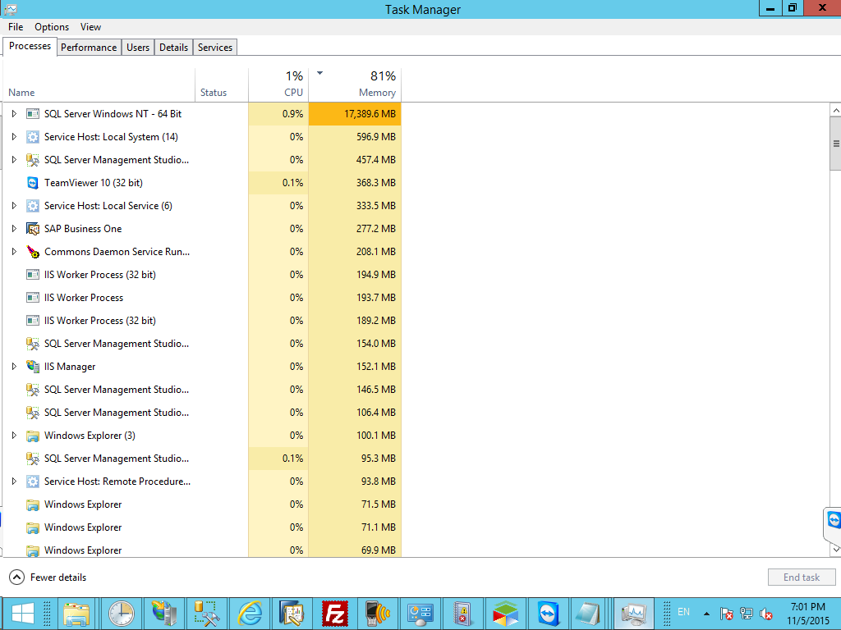
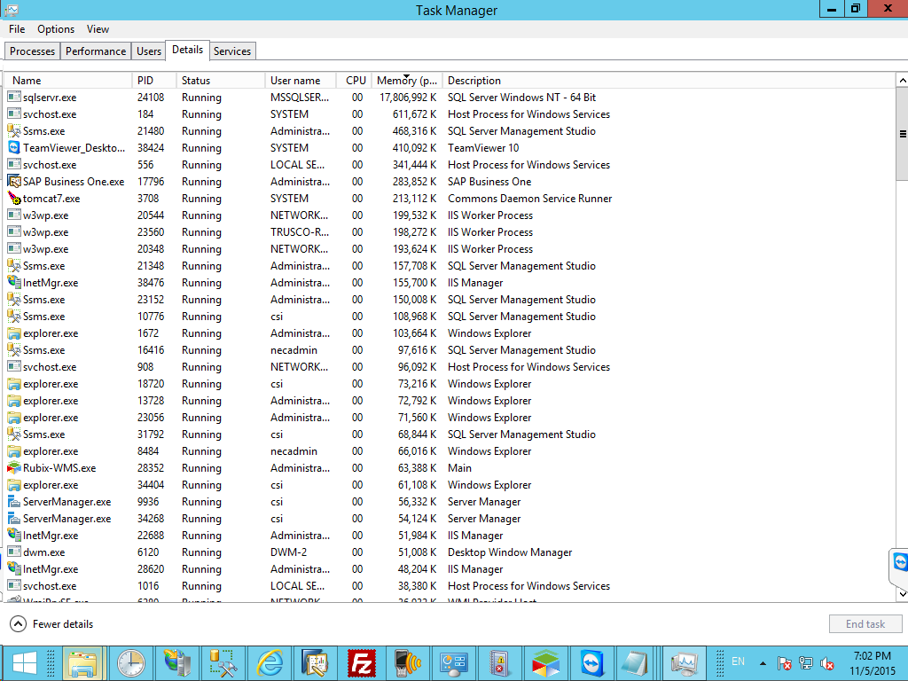
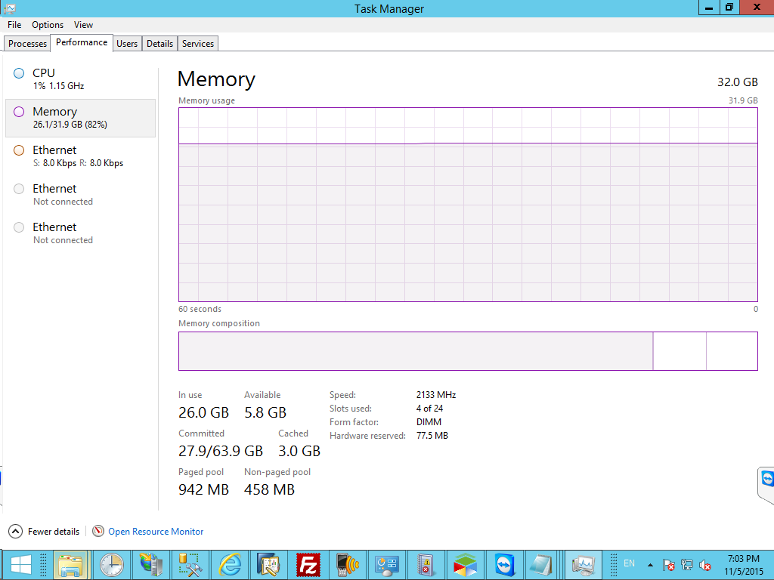
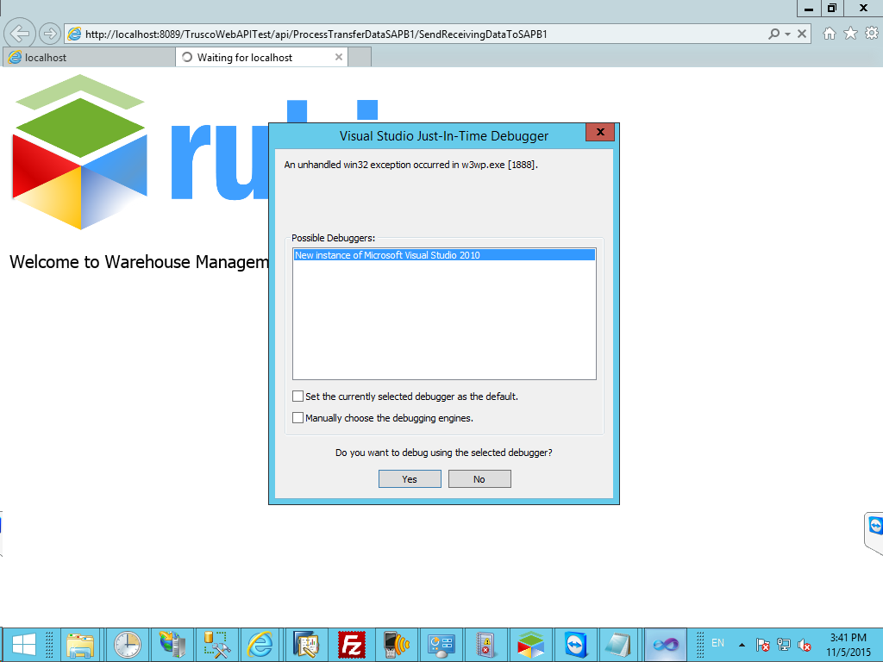
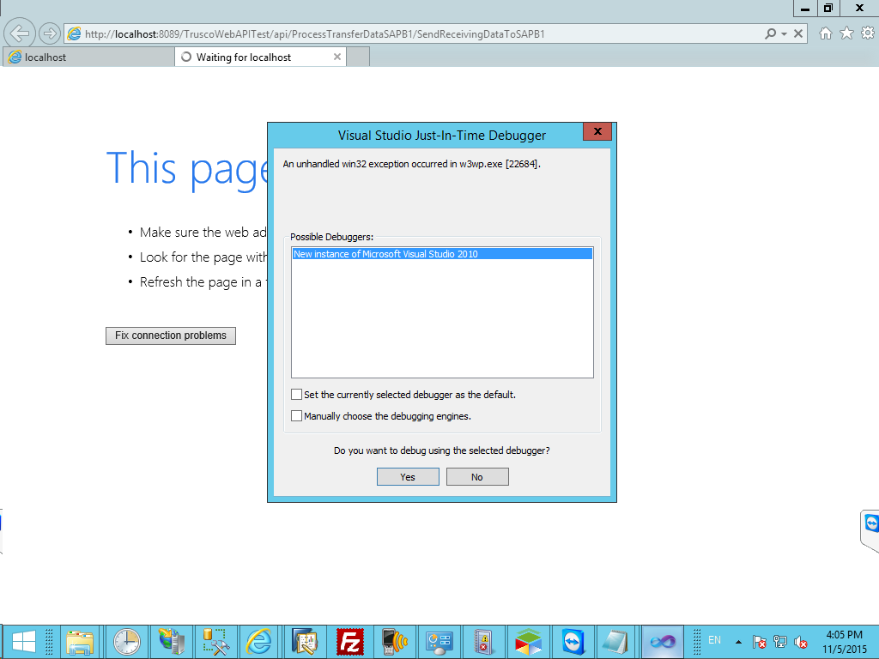
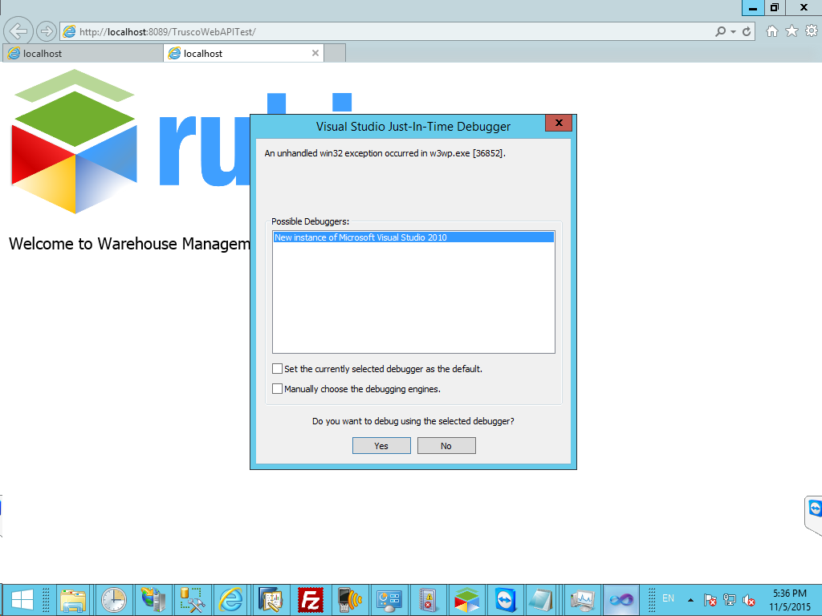

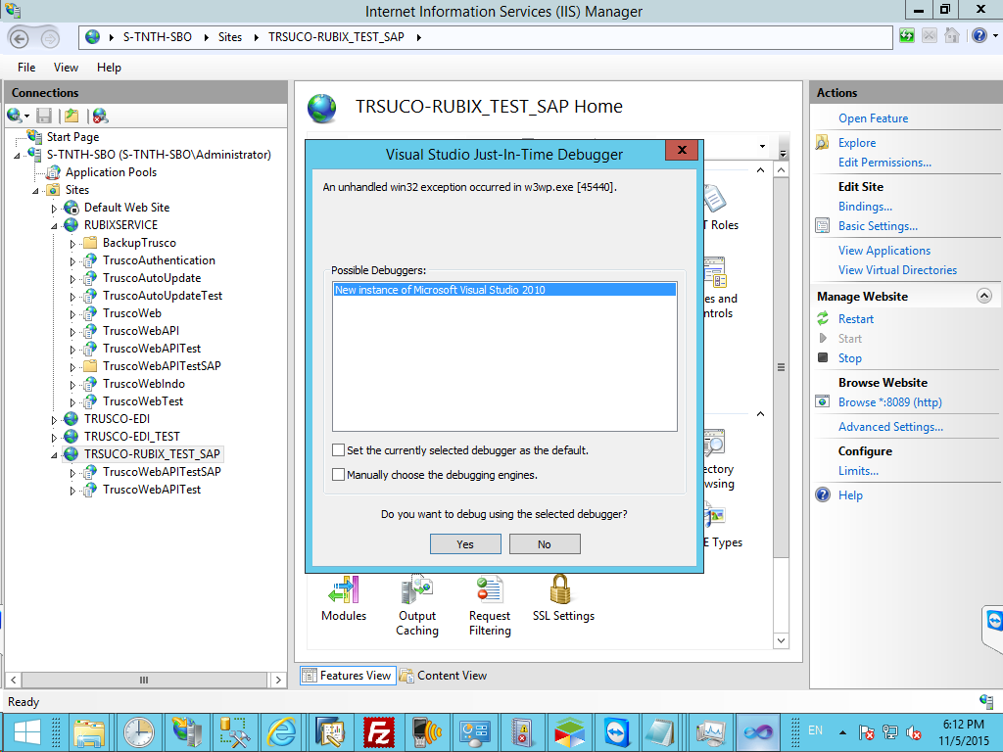
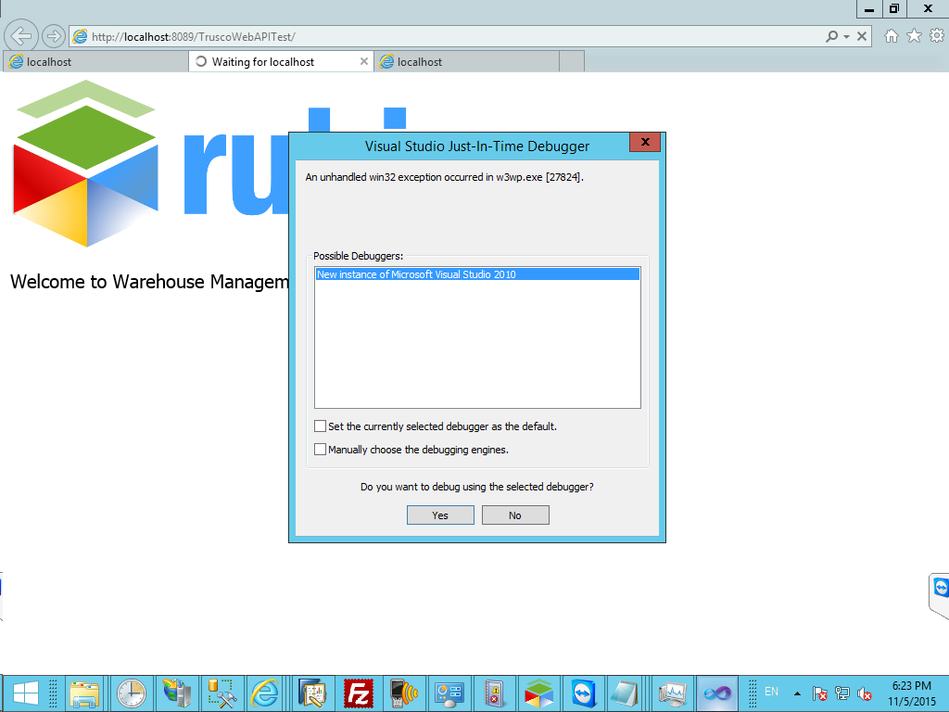
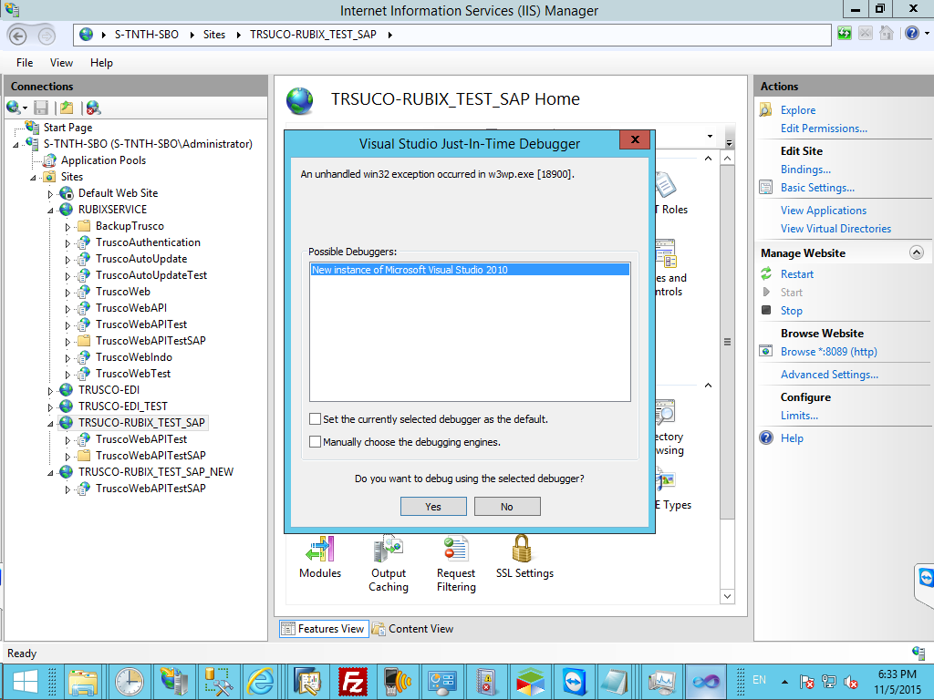

 | 1st Test | 2nd Test | 3rd Test | 4th Test | 5th Test | 6th Test
Old version | 00:00:04 with Error | 00:15:30 with Error | 00:15:45 | 00:04:25 | 00:04:41 | 00:04:55 | Time success
New version | 00:04:26 | 00:04:16 | 00:04:28 | 00:04:30 | - | - | Time success

Memory Usage

