Assignments
1 | Create KPI for Sales , Profit & Sales YOY (Formula is given below)
2 | Create a map visual to make sure that we filter the above KPI by different states .
3 | Create Donut / Pie chart to show the profit contribution by product .
4 | Create a drop down for the following KPI & Based on the selection, it should show the trend | Sales | Unit Price * (Unit Sales - Return Quantity)
 |  | Profit | (Price-Cost) * Unit Sales
 |  | Gth YOY | (Sales TY / Sales LY)-1 %
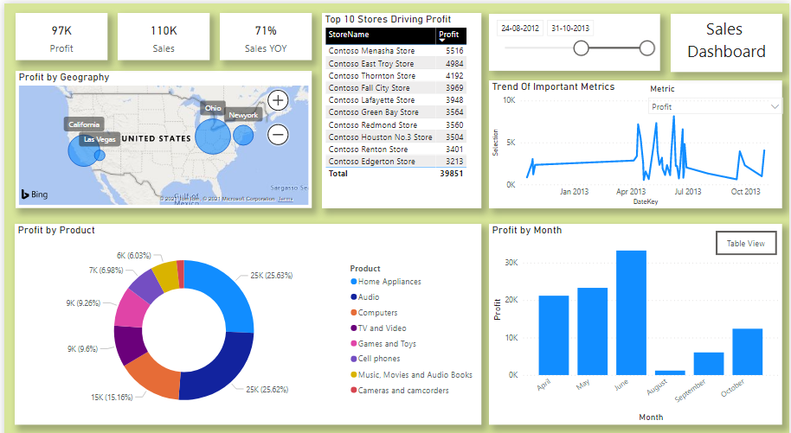
5 | Top 10 profitable Stores
6 | Show a Bar chart to show the profit by Month.
7 | Create a Toggle Button for the Table View / Chart View of Point number 6

