2我的ba
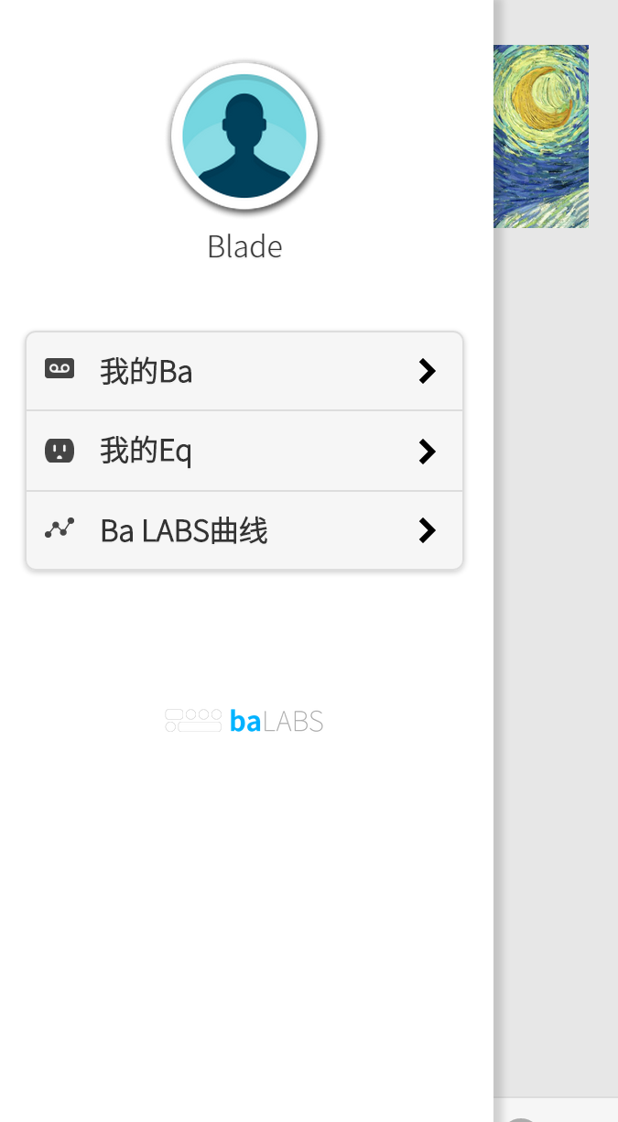
[
{
"userId": 1,
点击“我的ba”调用服务/baserver/rest/device/v1/myBaOverview
"deviceSN": "12345678",
"addressId": 1,
"roomId": null,
"type": "1",
"temperature": [
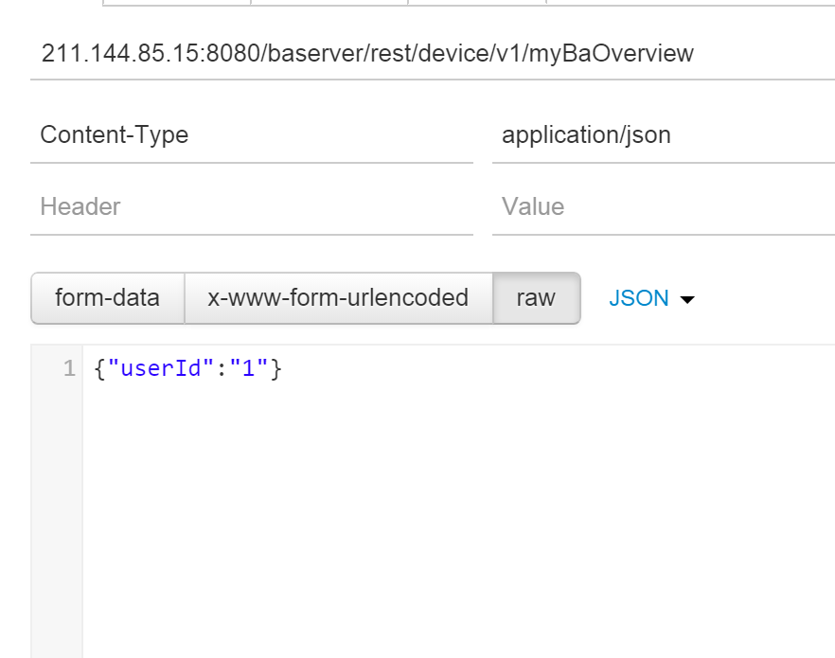
{
"pk": {
"deviceSN": "12345678",
"dataTimestamp": "2015-01-06 09:14:29"
},
"addressId": 1,
input为
userId
"data": 14,
"links": []
}
],
"humidity": [
{
"pk": {
"deviceSN": "12345678",
"dataTimestamp": "2015-01-05 20:28:36"
},
"addressId": 1,
"data": 80,
"links": []
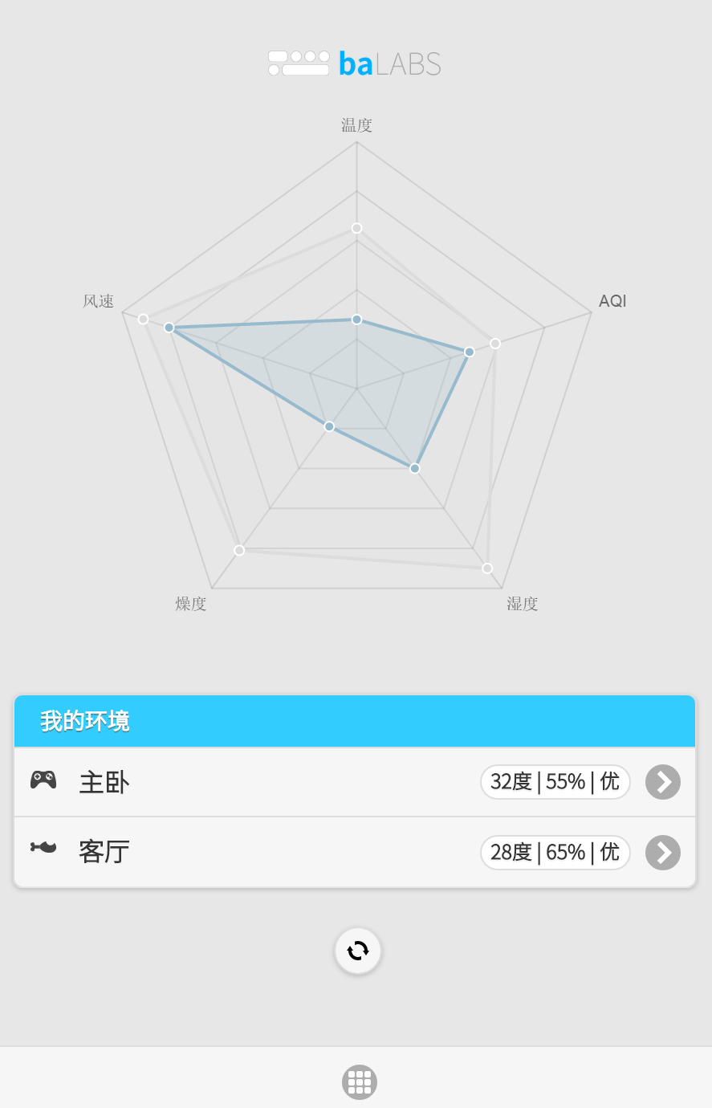
}
],
"pressure": [
{
"pk": {
"deviceSN": "12345678",
"dataTimestamp": "2015-01-06 10:03:12"
},
"addressId": 1,
"data": 101200,
"links": []
}
],
"equipments": null,
"launchTimestamp": null,
"stopTimestamp": null,
"pm25data": [
{
output: temperature-data
output: humidity-data
output: pm25data-data
"pk": {
"deviceSN": "12345678",
"dataTimestamp": "2015-01-06 10:03:57"
output:roomId
},
"addressId": 1,
"data": 101,
"links": []
}
]
},
{
"userId": 1,
"deviceSN": "87654321",
"addressId": 1,
"roomId": 1,
"type": null,
"temperature": [],
"humidity": [
{
"pk": {
"deviceSN": "87654321",
"dataTimestamp": "2015-01-05 02:00:00"
},
"addressId": 1,
"data": 70,
"links": []
}
],
"pressure": [
{
"pk": {
"deviceSN": "87654321",
"dataTimestamp": "2015-01-06 12:12:15"
},
"addressId": 1,
"data": 123123,
"links": []
}
],
"equipments": null,
"launchTimestamp": null,
"stopTimestamp": null,
"pm25data": [
{
"pk": {
"deviceSN": "87654321",
"dataTimestamp": "2015-01-05 00:33:00"
},
"addressId": 1,
"data": 90,
"links": []
}
]
}
]

2我的ba (2)
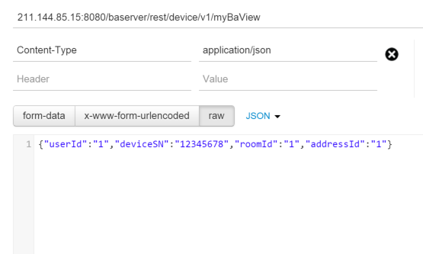
 | /baserver/rest/device/v1/myBaView

 | {
 | "userId": 1,
 | "deviceSN": "12345678",
 | "addressId": 1,
 | "roomId": 1,
 | "type": "1",
input
 | "temperature": [
 | {
 | "pk": {
 | "deviceSN": "12345678",
点击调用服务/baserver/rest/device/v1/myBaView并进入下一页
 | "dataTimestamp": "2015-01-06 09:14:29"
 | },
 | "addressId": 1,
 | "data": 14,
 | "links": []
 | }
 | ],
 | "humidity": [
 | {
 | "pk": {
 | "deviceSN": "12345678",
 | "dataTimestamp": "2015-01-05 20:28:36"
 | },
 | "addressId": 1,
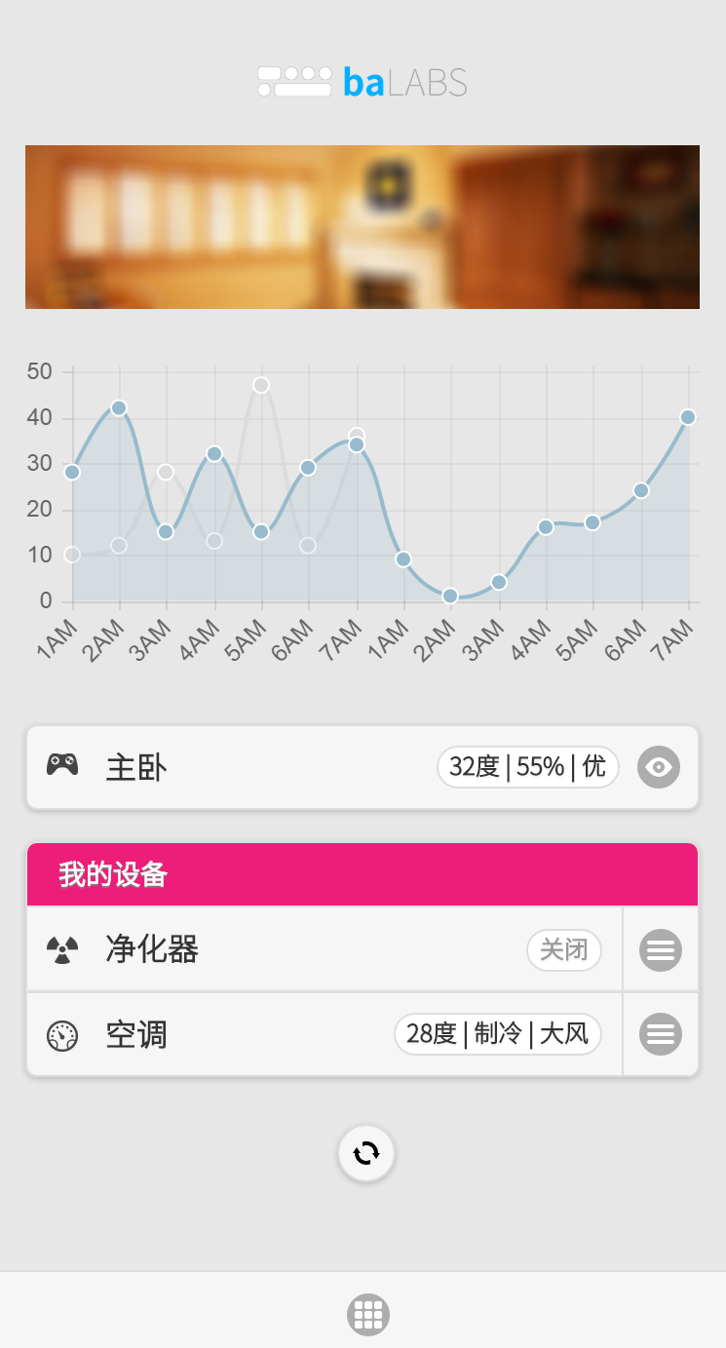
 | "data": 80,
 | "links": []
 | }
 | ],
 | "pressure": [
 | {
 | "pk": {
 | "deviceSN": "12345678",
 | "dataTimestamp": "2015-01-06 10:03:12"
 | },
 | "addressId": 1,
 | "data": 101200,
 | "links": []
 | }
 | ],
 | "equipments": [
 | {
 | "equipmentId": 1,
 | "deviceSN": "12345678",
 | "type": "2",
 | "brandCode": "GREEY",
来自上一层菜单
 | "controlType": "1",
 | "energyEfficiency": null,
 | "efficiency": null,
 | "conditionerType": null,
 | "updateTimestamp": null,
output: equipments-type+brandcode
 | "roomId": 1,
 | "deleteFlag": "N",
此处数据来自/baserver/rest/device/v1/myEqView
输入：{"userId":"1","equipmentId":"1"}
 | "version": 1,
 | "links": []
 | },
 | {
 | "equipmentId": 2,
 | "deviceSN": "12345678",
 | "type": "2",
/baserver/rest/device/v1/myEqView
output中：operations-value
 | "brandCode": "PHILPS",
 | "controlType": "2",
 | "energyEfficiency": null,
 | "efficiency": null,
 | "conditionerType": null,
 | "updateTimestamp": null,
 | "roomId": 1,
 | "deleteFlag": "N",
/baserver/rest/device/v1/myEqView | "version": null,
{ | "links": []
"equipment": { | }
"equipmentId": 1, | ],
"deviceSN": "12345678", | "launchTimestamp": null,
"type": "2", | "stopTimestamp": null,
"brandCode": "GREEY", | "pm25data": [
"controlType": "1", | {
"energyEfficiency": null, | "pk": {
"efficiency": null, | "deviceSN": "12345678",
"conditionerType": null, | "dataTimestamp": "2015-01-06 10:03:57"
"updateTimestamp": null, | },
"roomId": 1, | "addressId": 1,
"deleteFlag": "N", | "data": 101,
"version": 1, | "links": []
"links": [] | }
}, | ]
"operations": [ | }
{ | ]
"pk": {
"equipmentId": 1,
"operateTimestamp": "2015-02-01 00:00:00"
},
"mode": "1",
"value": "1",
"type": "1",
"version": null,
"links": []
},
{
"pk": {
"equipmentId": 1,
"operateTimestamp": "2015-02-01 01:00:00"
},
"mode": "2",
"value": "1",
"type": "1",
"version": null,
"links": []
}
]
}

2我的EQ
input

点击进入下一页EQ明细

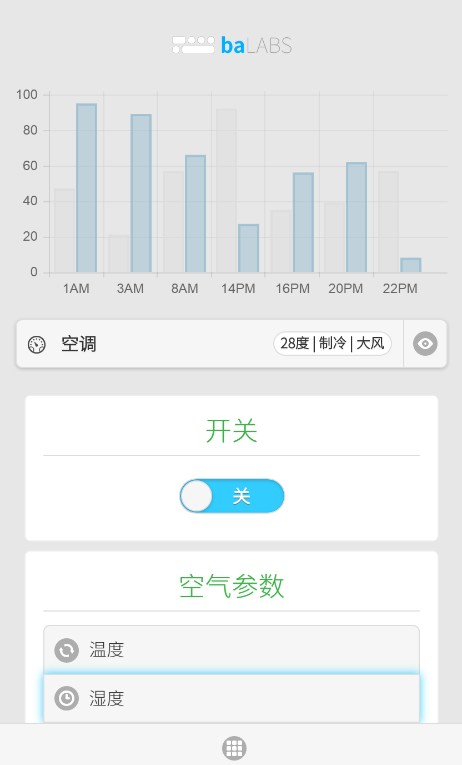
调用

来自上一页

myBaView24h
WebService设计文档
Resource Name | myBaView24h |  | 描述： | 我的ba详情24h
路径 | 资源名 | 方法 | 输入输出 | 字段 |  | 描述 | 备注
BasicAuth | YES
/rest/ba/ | myBaView24h | POST | input | user_id |  | 用户名
 |  |  |  | device_sn
 |  |  |  | room_id
 |  |  |  | address_id
 |  |  | output | device_sn
 |  |  |  | sensordata[] | data_timestamp
 |  |  |  |  | temperature
如果该房间的数据不满24小时如何处理？
 |  |  |  |  | humidity
 |  |  |  |  | pressure
 |  |  |  |  | PM25data
 |  |  |  |  | lightsensor
 |  |  |  | myEQList[] | device_sn
 |  |  |  |  | equipment_id
 |  |  |  |  | brand_code | 品牌
 |  |  |  |  | control_type | 控制类型
 |  |  |  |  | eqipType

根据用户名获取该用户某个BA设备当前对应的设备度数工作情况概览（一天内，0点起）

℞:
数据来源
ba_vw_ba_overview定义参见
字段名 | 表名 | I/O | 结果来源
user_id | ba_vw_ba_overview | I/O | 查询1
device_sn | ba_vw_ba_overview | I/O
address_id | ba_vw_ba_overview | I/O
room_id | ba_vw_ba_overview | I/O
type | ba_vw_ba_overview | O
temperature | ba_dt_temperature | O | 查询3
humidity | ba_dt_humidity | O | 查询4
pressure | ba_dt_pressure | O | 查询5
PM25data | ba_dt_pm25 | O | 查询6
lightsensor | ? | O
data_timestamp | ba_dt_temp，ba_dt_hum，ba_dt_pressure，ba_dt_pm25 | O | 查询3，4， 5，6各自
brand_code | ba_dt_equipment | O | 查询7
control_type | ba_dt_equipment | O
eqipType | ba_dt_equipment | O
equipment_id | ba_dt_equipment | O

表结合条件
N/A

查询条件
查询1
ba_vw_ba_overview.user_id=输入条件
ba_vw_ba_overview.device_sn=输入条件
ba_vw_ba_overview.address_id=输入条件
ba_vw_ba_overview.room_id=输入条件
ba_vw_ba_overview.stop_timestamp>当前时间
查询2
ba_dt_user_device.user_id=输入条件
ba_dt_user_device.device_sn=输入条件
ba_dt_user_device.stop_timestamp>=当前日期0:0:0
后续处理1
根据查询2的结果取得如下时间区段
[max(当前日期0:0:0, 查询2结果1.launch_timestamp), min(查询2结果1.stop_timestamp, 当前时间)], …, [max(当前日期0:0:0, 查询2结果N.launch_timestamp), min(查询2结果N.stop_timestamp, 当前时间)]
查询3
ba_dt_temperature.device_sn=输入条件
ba_dt_temperature.data_timestamp IN 后续处理1的结果
查询4
ba_dt_humidity.device_sn=输入条件
ba_dt_humidity.data_timestamp IN 后续处理1的结果
查询5
ba_dt_pressure.device_sn=输入条件
ba_dt_pressure.data_timestamp IN 后续处理1的结果
查询6
ba_dt_pm25.device_sn IN 查询1结果.device_sn
ba_dt_pm25.data_timestamp IN 后续处理1的结果
查询7
ba_dt_equipment.device_id=输入条件
ba_dt_equipment.room_id=输入条件

排序条件
查询3，4，5，6
data_timestamp | asc

