CCL8_Replicates_uptake plots
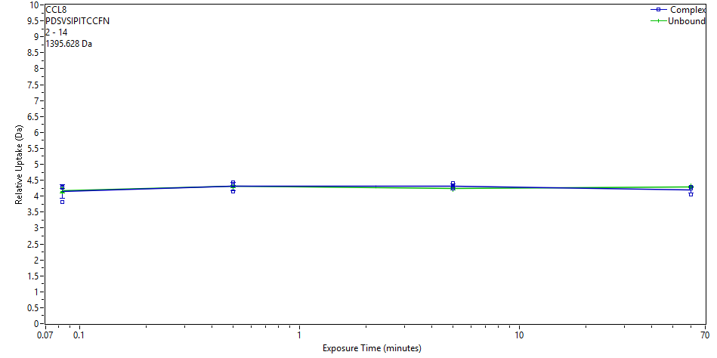
CCL8 deuterium uptake data and plots
Protein | Start | End | Sequence | Modification | Fragment | MaxUptake | MHP
CCL8 | 2 | 14 | PDSVSIPITCCFN |  |  | 10 | 1395.6283
 | File | State | Exposure | Uptake | Uptake SD | Center | Center SD | p-Value Two tailed T-test
 | CD_3s_1 | Complex | 0.083 | 3.8052 | 0.0186 | 1400.1335 | 0 | 0.7691
 | CD_3s_2 | Complex | 0.083 | 4.265 | 0.0186 | 1400.5933 | 0
 | CD_3s_3 | Complex | 0.083 | 4.2927 | 0.0186 | 1400.621 | 0
 | CD_30s_1 | Complex | 0.5 | 4.3427 | 0.0186 | 1400.671 | 0 | 0.9915
 | CD_30s_2 | Complex | 0.5 | 4.4327 | 0.0186 | 1400.7611 | 0
 | CD_30s_3 | Complex | 0.5 | 4.1353 | 0.0186 | 1400.4636 | 0
 | CD_300s_1 | Complex | 5 | 4.2341 | 0.0186 | 1400.5624 | 0 | 0.2354
 | CD_300s_2 | Complex | 5 | 4.2985 | 0.0186 | 1400.6268 | 0
 | CD_300s_3 | Complex | 5 | 4.4163 | 0.0186 | 1400.7446 | 0
 | Complex_60min_1 | Complex | 60 | 4.2925 | 0.0186 | 1400.6208 | 0 | 0.2657
 | Complex_60min_2 | Complex | 60 | 4.2446 | 0.0186 | 1400.5729 | 0
 | Complex_60min_3 | Complex | 60 | 4.0578 | 0.0186 | 1400.3861 | 0
 | CCL8_3s_2 | Unbound | 0.083 | 4.141 | 0.0186 | 1400.4693 | 0
 | CCL8_3s_3 | Unbound | 0.083 | 4.1177 | 0.0186 | 1400.446 | 0
 | CCL8_3s_1 | Unbound | 0.083 | 4.2588 | 0.0186 | 1400.5872 | 0
 | CCL8_30s_1 | Unbound | 0.5 | 4.2971 | 0.0186 | 1400.6255 | 0
 | CCL8_30s_2 | Unbound | 0.5 | 4.2668 | 0.0186 | 1400.5951 | 0
 | CCL8_30s_3 | Unbound | 0.5 | 4.3437 | 0.0186 | 1400.6721 | 0
 | CCL8_300s_1 | Unbound | 5 | 4.1893 | 0.0186 | 1400.5176 | 0
 | CCL8_300s_2 | Unbound | 5 | 4.2537 | 0.0186 | 1400.582 | 0
 | CCL8_300s_3 | Unbound | 5 | 4.2626 | 0.0186 | 1400.5909 | 0
 | CCL8_60 min_1 | Unbound | 60 | 4.2837 | 0.0186 | 1400.612 | 0
 | CCL8_60 min_2a | Unbound | 60 | 4.3305 | 0.0186 | 1400.6588 | 0
 | CCL8_60 min_3 | Unbound | 60 | 4.2678 | 0.0186 | 1400.5961 | 0
CCL8 | 17 | 27 | NRKIPIQRLES |  |  | 9 | 1353.7961
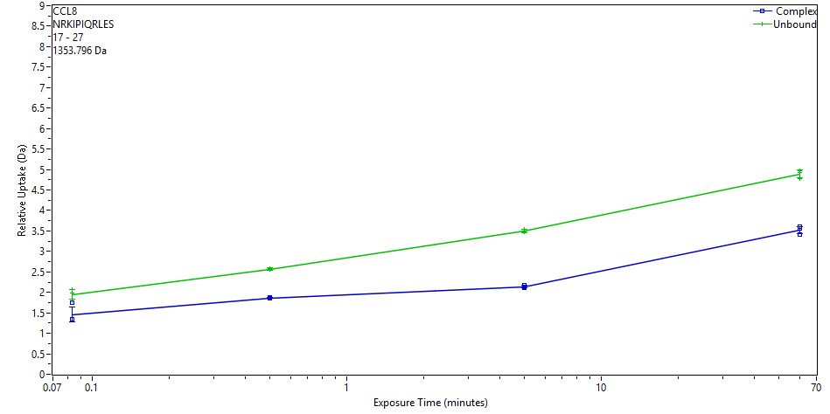
 | File | State | Exposure | Uptake | Uptake SD | Center | Center SD | p-Value Two tailed T-test
 | CD_3s_1 | Complex | 0.083 | 1.7432 | 0.0076 | 1356.2302 | 0 | 0.0385
 | CD_3s_2 | Complex | 0.083 | 1.3405 | 0.0076 | 1355.8275 | 0
 | CD_3s_3 | Complex | 0.083 | 1.3373 | 0.0076 | 1355.8243 | 0
 | CD_30s_1 | Complex | 0.5 | 1.8602 | 0.0076 | 1356.3472 | 0 | 0.0000
 | CD_30s_2 | Complex | 0.5 | 1.8524 | 0.0076 | 1356.3394 | 0
 | CD_30s_3 | Complex | 0.5 | 1.8819 | 0.0076 | 1356.3689 | 0
 | CD_300s_1 | Complex | 5 | 2.1114 | 0.0076 | 1356.5984 | 0 | 0.0000
 | CD_300s_2 | Complex | 5 | 2.1769 | 0.0076 | 1356.6639 | 0
 | CD_300s_3 | Complex | 5 | 2.1422 | 0.0076 | 1356.6293 | 0
 | Complex_60min_1 | Complex | 60 | 3.6023 | 0.0076 | 1358.0893 | 0 | 0.0001
 | Complex_60min_2 | Complex | 60 | 3.5595 | 0.0076 | 1358.0465 | 0
 | Complex_60min_3 | Complex | 60 | 3.4125 | 0.0076 | 1357.8995 | 0
 | CCL8_3s_2 | Unbound | 0.083 | 2.0737 | 0.0364 | 1356.5562 | 0
 | CCL8_3s_3 | Unbound | 0.083 | 1.7987 | 0.0416 | 1356.2813 | 0
 | CCL8_3s_1 | Unbound | 0.083 | 1.9805 | 0.0379 | 1356.463 | 0
 | CCL8_30s_1 | Unbound | 0.5 | 2.5739 | 0.0366 | 1357.0564 | 0
 | CCL8_30s_2 | Unbound | 0.5 | 2.5631 | 0.0373 | 1357.0457 | 0
 | CCL8_30s_3 | Unbound | 0.5 | 2.5577 | 0.0365 | 1357.0403 | 0
 | CCL8_300s_1 | Unbound | 5 | 3.4743 | 0.0388 | 1357.9569 | 0
 | CCL8_300s_2 | Unbound | 5 | 3.5305 | 0.0472 | 1358.013 | 0
 | CCL8_300s_3 | Unbound | 5 | 3.5003 | 0.0415 | 1357.9829 | 0
 | CCL8_60 min_1 | Unbound | 60 | 4.9183 | 0.0478 | 1359.4009 | 0
 | CCL8_60 min_2a | Unbound | 60 | 4.9792 | 0.0426 | 1359.4617 | 0
 | CCL8_60 min_3 | Unbound | 60 | 4.7872 | 0.0434 | 1359.2698 | 0
CCL8 | 18 | 25 | RKIPIQRL |  |  | 6 | 1023.6786
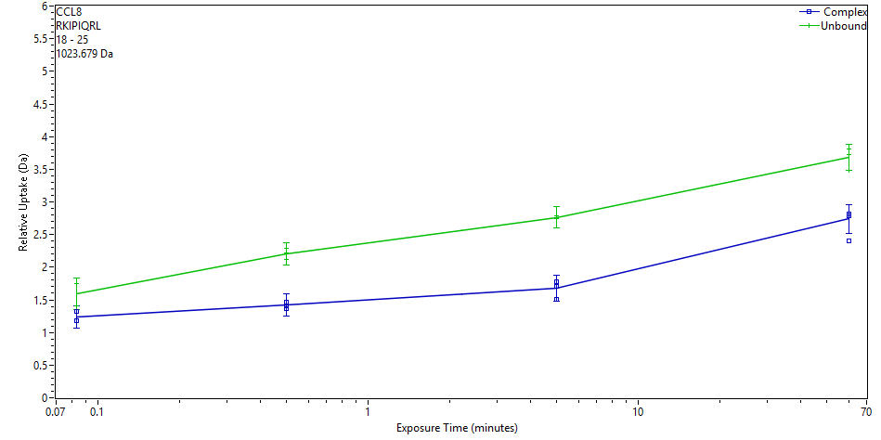
 | File | State | Exposure | Uptake | Uptake SD | Center | Center SD | p-Value Two tailed T-test
 | CD_3s_1 | Complex | 0.083 | 1.3273 | 0.162 | 1025.1998 | 0 | 0.0315
 | CD_3s_2 | Complex | 0.083 | 1.1775 | 0.162 | 1025.05 | 0
 | CD_3s_3 | Complex | 0.083 | 1.184 | 0.162 | 1025.0564 | 0
 | CD_30s_1 | Complex | 0.5 | 1.369 | 0.162 | 1025.2415 | 0 | 0.0002
 | CD_30s_2 | Complex | 0.5 | 1.4132 | 0.162 | 1025.2857 | 0
 | CD_30s_3 | Complex | 0.5 | 1.466 | 0.162 | 1025.3385 | 0
 | CD_300s_1 | Complex | 5 | 1.7835 | 0.162 | 1025.6559 | 0 | 0.0002
 | CD_300s_2 | Complex | 5 | 1.5136 | 0.162 | 1025.3861 | 0
 | CD_300s_3 | Complex | 5 | 1.704 | 0.162 | 1025.5765 | 0
 | Complex_60min_1 | Complex | 60 | 2.4003 | 0.162 | 1026.2728 | 0 | 0.0038
 | Complex_60min_2 | Complex | 60 | 2.8179 | 0.162 | 1026.6903 | 0
 | Complex_60min_3 | Complex | 60 | 2.7899 | 0.162 | 1026.6624 | 0
 | CCL8_3s_2 | Unbound | 0.083 | 1.7533 | 0.162 | 1025.6258 | 0
 | CCL8_3s_3 | Unbound | 0.083 | 1.4053 | 0.162 | 1025.2778 | 0
 | CCL8_3s_1 | Unbound | 0.083 | 1.7486 | 0.162 | 1025.6211 | 0
 | CCL8_30s_1 | Unbound | 0.5 | 2.2899 | 0.162 | 1026.1624 | 0
 | CCL8_30s_2 | Unbound | 0.5 | 2.1175 | 0.162 | 1025.99 | 0
 | CCL8_30s_3 | Unbound | 0.5 | 2.2184 | 0.162 | 1026.0909 | 0
 | CCL8_300s_1 | Unbound | 5 | 2.7497 | 0.162 | 1026.6222 | 0
 | CCL8_300s_2 | Unbound | 5 | 2.7898 | 0.162 | 1026.6623 | 0
 | CCL8_300s_3 | Unbound | 5 | 2.7519 | 0.162 | 1026.6244 | 0
 | CCL8_60 min_1 | Unbound | 60 | 3.7246 | 0.162 | 1027.5971 | 0
 | CCL8_60 min_2a | Unbound | 60 | 3.8134 | 0.162 | 1027.6858 | 0
 | CCL8_60 min_3 | Unbound | 60 | 3.4859 | 0.162 | 1027.3584 | 0
 | P672_60min_1 | Unbound | 60 | NaN | NaN | NaN | 0
 | P672_60min_2 | Unbound | 60 | NaN | NaN | NaN | 0
 | P672_60min_3 | Unbound | 60 | NaN | NaN | NaN | 0
CCL8 | 20 | 39 | IPIQRLESYTRITNIQCPKE |  |  | 17 | 2402.286
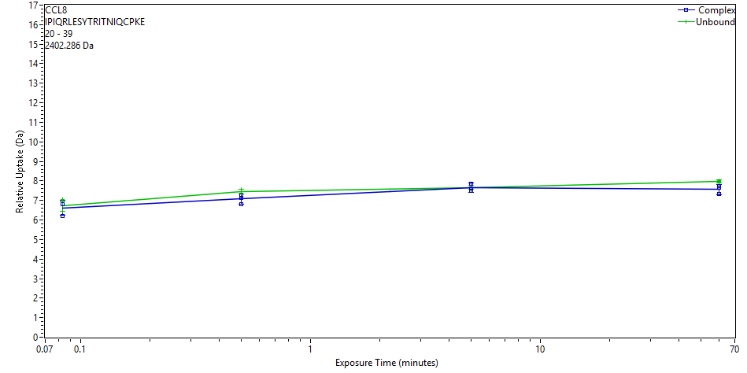
 | File | State | Exposure | Uptake | Uptake SD | Center | Center SD | p-Value Two tailed T-test
 | CD_3s_1 | Complex | 0.083 | 6.1873 | 0.1975 | 2409.8853 | 0 | 0.6426
 | CD_3s_2 | Complex | 0.083 | 6.8267 | 0.1975 | 2410.5248 | 0
 | CD_3s_3 | Complex | 0.083 | 6.8043 | 0.1975 | 2410.5024 | 0
 | CD_30s_1 | Complex | 0.5 | 6.8061 | 0.1975 | 2410.5042 | 0 | 0.0498
 | CD_30s_2 | Complex | 0.5 | 7.2504 | 0.1975 | 2410.9484 | 0
 | CD_30s_3 | Complex | 0.5 | 7.1309 | 0.1975 | 2410.8289 | 0
 | CD_300s_1 | Complex | 5 | 7.8471 | 0.1975 | 2411.5451 | 0 | 0.9280
 | CD_300s_2 | Complex | 5 | 7.613 | 0.1975 | 2411.311 | 0
 | CD_300s_3 | Complex | 5 | 7.5018 | 0.1975 | 2411.1998 | 0
 | Complex_60min_1 | Complex | 60 | 7.7378 | 0.1975 | 2411.4359 | 0 | 0.0310
 | Complex_60min_2 | Complex | 60 | 7.6577 | 0.1975 | 2411.3557 | 0
 | Complex_60min_3 | Complex | 60 | 7.3399 | 0.1975 | 2411.038 | 0
 | CCL8_3s_2 | Unbound | 0.083 | 7.0638 | 0.0868 | 2410.8044 | 0
 | CCL8_3s_3 | Unbound | 0.083 | 6.4471 | 0.0868 | 2410.1877 | 0
 | CCL8_3s_1 | Unbound | 0.083 | 6.7211 | 0.0868 | 2410.4617 | 0
 | CCL8_30s_1 | Unbound | 0.5 | 7.3816 | 0.0868 | 2411.1223 | 0
 | CCL8_30s_2 | Unbound | 0.5 | 7.4374 | 0.0868 | 2411.178 | 0
 | CCL8_30s_3 | Unbound | 0.5 | 7.5585 | 0.0868 | 2411.2991 | 0
 | CCL8_300s_1 | Unbound | 5 | 7.6928 | 0.0868 | 2411.4334 | 0
 | CCL8_300s_2 | Unbound | 5 | 7.7142 | 0.0868 | 2411.4548 | 0
 | CCL8_300s_3 | Unbound | 5 | 7.5864 | 0.0868 | 2411.327 | 0
 | CCL8_60 min_1 | Unbound | 60 | 7.9422 | 0.0868 | 2411.6828 | 0
 | CCL8_60 min_2a | Unbound | 60 | 7.9938 | 0.0868 | 2411.7344 | 0
 | CCL8_60 min_3 | Unbound | 60 | 8.003 | 0.0868 | 2411.7436 | 0
CCL8 | 32 | 57 | TNIQCPKEAVIFKTKRGKEVCADPKE |  |  | 23 | 2932.5383
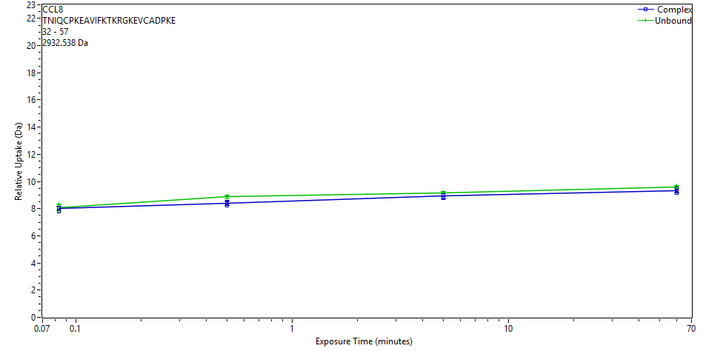
 | File | State | Exposure | Uptake | Uptake SD | Center | Center SD | p-Value Two tailed T-test
 | CD_3s_1 | Complex | 0.083 | 7.8114 | 0.2283 | 2942.0852 | 0 | 0.5628
 | CD_3s_2 | Complex | 0.083 | 8.0585 | 0.0471 | 2942.3323 | 0
 | CD_3s_3 | Complex | 0.083 | 8.0868 | 0.0324 | 2942.3606 | 0
 | CD_30s_1 | Complex | 0.5 | 8.2345 | 0.0663 | 2942.5083 | 0 | 0.0067
 | CD_30s_2 | Complex | 0.5 | 8.5179 | 0.0955 | 2942.7917 | 0
 | CD_30s_3 | Complex | 0.5 | 8.3921 | 0.1259 | 2942.6659 | 0
 | CD_300s_1 | Complex | 5 | 8.9949 | 0.1444 | 2943.2686 | 0 | 0.0382
 | CD_300s_2 | Complex | 5 | 8.7855 | 0.1929 | 2943.0593 | 0
 | CD_300s_3 | Complex | 5 | 9.0052 | 0.1068 | 2943.279 | 0
 | Complex_60min_1 | Complex | 60 | 9.4911 | 0.0831 | 2943.7649 | 0 | 0.0902
 | Complex_60min_2 | Complex | 60 | 9.3392 | 0.0196 | 2943.613 | 0
 | Complex_60min_3 | Complex | 60 | 9.1434 | 0.1254 | 2943.4172 | 0
 | CCL8_3s_2 | Unbound | 0.083 | 8.1284 | 0.0681 | 2942.4022 | 0
 | CCL8_3s_3 | Unbound | 0.083 | 7.826 | 0.0405 | 2942.0998 | 0
 | CCL8_3s_1 | Unbound | 0.083 | 8.3209 | 0.0586 | 2942.5947 | 0
 | CCL8_30s_1 | Unbound | 0.5 | 8.9585 | 0.095 | 2943.2323 | 0
 | CCL8_30s_2 | Unbound | 0.5 | 8.8416 | 0.1127 | 2943.1154 | 0
 | CCL8_30s_3 | Unbound | 0.5 | 8.8043 | 0.1369 | 2943.0781 | 0
 | CCL8_300s_1 | Unbound | 5 | 9.2316 | 0.0602 | 2943.5054 | 0
 | CCL8_300s_2 | Unbound | 5 | 9.1799 | 0.0479 | 2943.4537 | 0
 | CCL8_300s_3 | Unbound | 5 | 9.1068 | 0.0476 | 2943.3806 | 0
 | CCL8_60 min_1 | Unbound | 60 | 9.6283 | 0.0379 | 2943.9021 | 0
 | CCL8_60 min_2a | Unbound | 60 | 9.7224 | 0.0689 | 2943.9962 | 0
 | CCL8_60 min_3 | Unbound | 60 | 9.4633 | 0.0774 | 2943.7371 | 0
CCL8 | 53 | 76 | ADPKERWVRDSMKHLDQIFQNLKP |  |  | 21 | 2951.5309
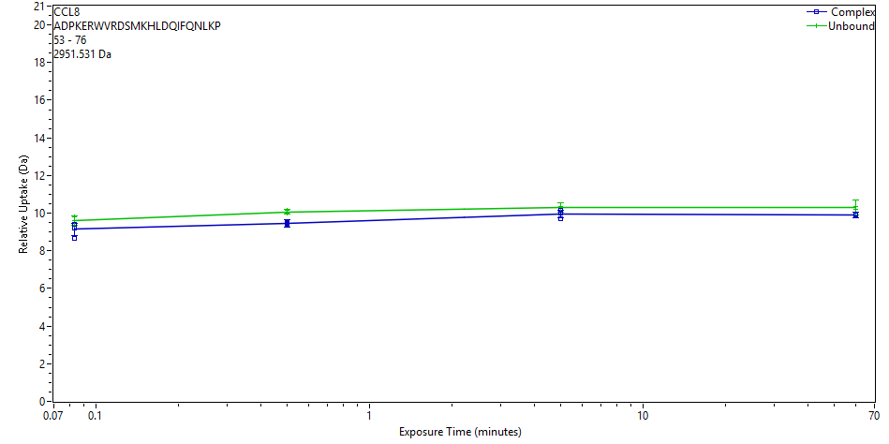
 | File | State | Exposure | Uptake | Uptake SD | Center | Center SD | p-Value Two tailed T-test
 | CD_3s_1 | Complex | 0.083 | 8.6835 | 0.0962 | 2961.9621 | 0 | 0.1311
 | CD_3s_2 | Complex | 0.083 | 9.4192 | 0.0588 | 2962.6978 | 0
 | CD_3s_3 | Complex | 0.083 | 9.2033 | 0.1091 | 2962.4819 | 0
 | CD_30s_1 | Complex | 0.5 | 9.4263 | 0.1304 | 2962.7049 | 0 | 0.0004
 | CD_30s_2 | Complex | 0.5 | 9.4908 | 0.1602 | 2962.7694 | 0
 | CD_30s_3 | Complex | 0.5 | 9.4599 | 0.25 | 2962.7385 | 0
 | CD_300s_1 | Complex | 5 | 10.1495 | 0.0677 | 2963.4281 | 0 | 0.0737
 | CD_300s_2 | Complex | 5 | 9.7199 | 0.103 | 2962.9986 | 0
 | CD_300s_3 | Complex | 5 | 10.0211 | 0.0738 | 2963.2997 | 0
 | Complex_60min_1 | Complex | 60 | 9.9157 | 0.2214 | 2963.1943 | 0 | 0.0015
 | Complex_60min_2 | Complex | 60 | 9.9357 | 0.0645 | 2963.2143 | 0
 | Complex_60min_3 | Complex | 60 | 9.9121 | 0.136 | 2963.1907 | 0
 | CCL8_3s_2 | Unbound | 0.083 | 9.6101 | 0.2129 | 2962.8888 | 0
 | CCL8_3s_3 | Unbound | 0.083 | 9.3431 | 0.0594 | 2962.6217 | 0
 | CCL8_3s_1 | Unbound | 0.083 | 9.8243 | 0.1004 | 2963.1029 | 0
 | CCL8_30s_1 | Unbound | 0.5 | 10.1707 | 0.1064 | 2963.4493 | 0
 | CCL8_30s_2 | Unbound | 0.5 | 9.9878 | 0.1654 | 2963.2664 | 0
 | CCL8_30s_3 | Unbound | 0.5 | 10.0527 | 0.0703 | 2963.3313 | 0
 | CCL8_300s_1 | Unbound | 5 | 10.3588 | 0.2085 | 2963.6374 | 0
 | CCL8_300s_2 | Unbound | 5 | 10.2389 | 0.266 | 2963.5175 | 0
 | CCL8_300s_3 | Unbound | 5 | 10.2526 | 0.2388 | 2963.5313 | 0
 | CCL8_60 min_1 | Unbound | 60 | 10.329 | 0.3492 | 2963.6076 | 0
 | CCL8_60 min_2a | Unbound | 60 | 10.3495 | 0.4439 | 2963.6282 | 0
 | CCL8_60 min_3 | Unbound | 60 | 10.1985 | 0.3871 | 2963.4772 | 0
CCL8 | 58 | 71 | RWVRDSMKHLDQIF |  |  | 13 | 1830.9432
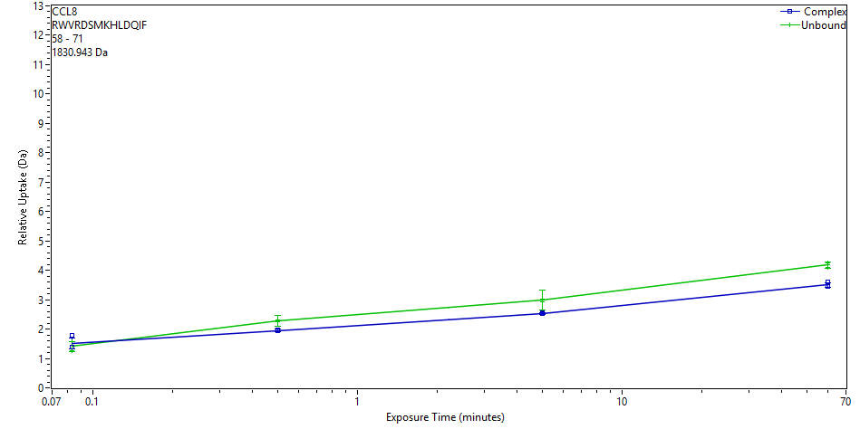
 | File | State | Exposure | Uptake | Uptake SD | Center | Center SD | p-Value Two tailed T-test
 | CD_3s_1 | Complex | 0.083 | 1.7975 | 0.0233 | 1833.8812 | 0 | 0.5701
 | CD_3s_2 | Complex | 0.083 | 1.3745 | 0.0233 | 1833.4582 | 0
 | CD_3s_3 | Complex | 0.083 | 1.4003 | 0.0233 | 1833.484 | 0
 | CD_30s_1 | Complex | 0.5 | 1.9608 | 0.0233 | 1834.0445 | 0 | 0.0002
 | CD_30s_2 | Complex | 0.5 | 1.9292 | 0.0233 | 1834.0129 | 0
 | CD_30s_3 | Complex | 0.5 | 1.9789 | 0.0233 | 1834.0627 | 0
 | CD_300s_1 | Complex | 5 | 2.5637 | 0.0233 | 1834.6474 | 0 | 0.0001
 | CD_300s_2 | Complex | 5 | 2.5397 | 0.0233 | 1834.6234 | 0
 | CD_300s_3 | Complex | 5 | 2.5119 | 0.0233 | 1834.5956 | 0
 | Complex_60min_1 | Complex | 60 | 3.6104 | 0.0233 | 1835.6941 | 0 | 0.0005
 | Complex_60min_2 | Complex | 60 | 3.4826 | 0.0233 | 1835.5663 | 0
 | Complex_60min_3 | Complex | 60 | 3.4423 | 0.0233 | 1835.526 | 0
 | CCL8_3s_2 | Unbound | 0.083 | 1.567 | 0.0233 | 1833.6507 | 0
 | CCL8_3s_3 | Unbound | 0.083 | 1.2484 | 0.1556 | 1833.3321 | 0
 | CCL8_3s_1 | Unbound | 0.083 | 1.4501 | 0.0293 | 1833.5338 | 0
 | CCL8_30s_1 | Unbound | 0.5 | 2.2819 | 0.1401 | 1834.3656 | 0
 | CCL8_30s_2 | Unbound | 0.5 | 2.2498 | 0.2194 | 1834.3336 | 0
 | CCL8_30s_3 | Unbound | 0.5 | 2.3176 | 0.1675 | 1834.4013 | 0
 | CCL8_300s_1 | Unbound | 5 | 3.0088 | 0.2243 | 1835.0925 | 0
 | CCL8_300s_2 | Unbound | 5 | 3.0143 | 0.3974 | 1835.098 | 0
 | CCL8_300s_3 | Unbound | 5 | 2.9362 | 0.3374 | 1835.0199 | 0
 | CCL8_60 min_1 | Unbound | 60 | 4.1989 | 0.1217 | 1836.2826 | 0
 | CCL8_60 min_2a | Unbound | 60 | 4.2396 | 0.0233 | 1836.3233 | 0
 | CCL8_60 min_3 | Unbound | 60 | 4.0988 | 0.0233 | 1836.1825 | 0
CCL8 | 58 | 72 | RWVRDSMKHLDQIFQ |  |  | 14 | 1959.0018
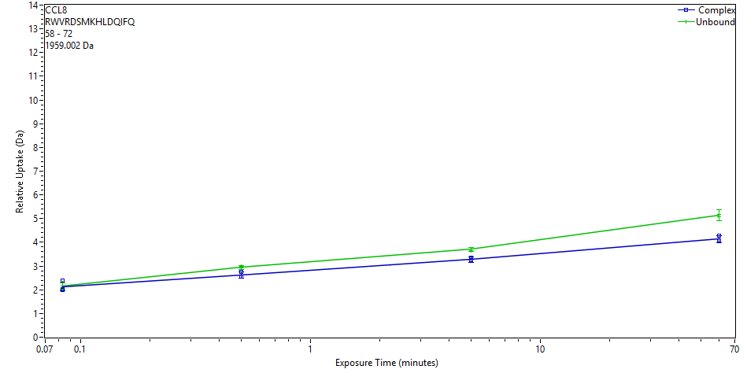
 | File | State | Exposure | Uptake | Uptake SD | Center | Center SD | p-Value Two tailed T-test
 | CD_3s_1 | Complex | 0.083 | 2.3729 | 0.069 | 1962.5509 | 0 | 0.8987
 | CD_3s_2 | Complex | 0.083 | 2.0274 | 0.0566 | 1962.2054 | 0
 | CD_3s_3 | Complex | 0.083 | 1.9996 | 0.0616 | 1962.1776 | 0
 | CD_30s_1 | Complex | 0.5 | 2.5393 | 0.0519 | 1962.7173 | 0 | 0.0149
 | CD_30s_2 | Complex | 0.5 | 2.7636 | 0.1036 | 1962.9416 | 0
 | CD_30s_3 | Complex | 0.5 | 2.5565 | 0.067 | 1962.7345 | 0
 | CD_300s_1 | Complex | 5 | 3.3365 | 0.1017 | 1963.5145 | 0 | 0.0006
 | CD_300s_2 | Complex | 5 | 3.2178 | 0.0819 | 1963.3958 | 0
 | CD_300s_3 | Complex | 5 | 3.2651 | 0.1495 | 1963.4431 | 0
 | Complex_60min_1 | Complex | 60 | 4.2949 | 0.0891 | 1964.4729 | 0 | 0.0003
 | Complex_60min_2 | Complex | 60 | 4.0774 | 0.1449 | 1964.2553 | 0
 | Complex_60min_3 | Complex | 60 | 4.0667 | 0.0614 | 1964.2447 | 0
 | CCL8_3s_2 | Unbound | 0.083 | 2.2966 | 0.0613 | 1962.4746 | 0
 | CCL8_3s_3 | Unbound | 0.083 | 1.9987 | 0.0531 | 1962.1767 | 0
 | CCL8_3s_1 | Unbound | 0.083 | 2.1647 | 0.0543 | 1962.3427 | 0
 | CCL8_30s_1 | Unbound | 0.5 | 2.9942 | 0.0631 | 1963.1722 | 0
 | CCL8_30s_2 | Unbound | 0.5 | 2.9136 | 0.0534 | 1963.0915 | 0
 | CCL8_30s_3 | Unbound | 0.5 | 2.9038 | 0.052 | 1963.0817 | 0
 | CCL8_300s_1 | Unbound | 5 | 3.7259 | 0.0604 | 1963.9039 | 0
 | CCL8_300s_2 | Unbound | 5 | 3.7308 | 0.082 | 1963.9088 | 0
 | CCL8_300s_3 | Unbound | 5 | 3.6513 | 0.065 | 1963.8293 | 0
 | CCL8_60 min_1 | Unbound | 60 | 5.1829 | 0.0783 | 1965.3608 | 0
 | CCL8_60 min_2a | Unbound | 60 | 5.1681 | 0.3479 | 1965.3461 | 0
 | CCL8_60 min_3 | Unbound | 60 | 5.0749 | 0.2504 | 1965.2528 | 0
CCL8 | 58 | 86 | RWVRDSMKHLDQIFQNLKPSSKGGYGLND |  |  | 27 | 3389.7172
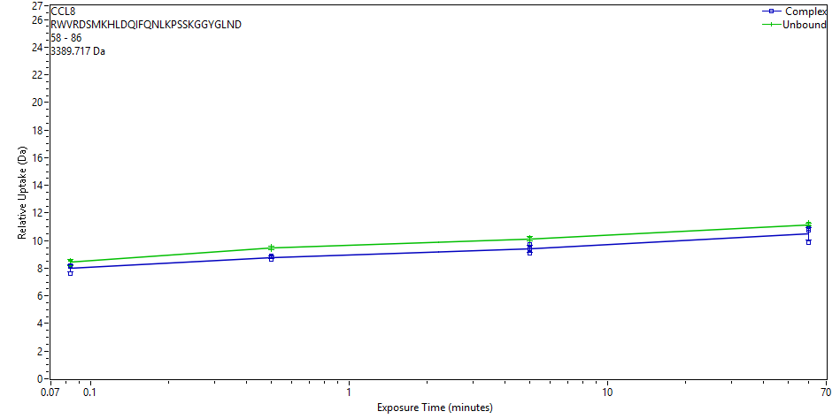
 | File | State | Exposure | Uptake | Uptake SD | Center | Center SD | p-Value Two tailed T-test
 | CD_3s_1 | Complex | 0.083 | 8.1327 | 0.055 | 3399.7744 | 0 | 0.1245
 | CD_3s_2 | Complex | 0.083 | 8.1956 | 0.055 | 3399.8373 | 0
 | CD_3s_3 | Complex | 0.083 | 7.6078 | 0.055 | 3399.2495 | 0
 | CD_30s_1 | Complex | 0.5 | 8.8794 | 0.055 | 3400.5211 | 0 | 0.0026
 | CD_30s_2 | Complex | 0.5 | 8.816 | 0.055 | 3400.4577 | 0
 | CD_30s_3 | Complex | 0.5 | 8.6629 | 0.055 | 3400.3046 | 0
 | CD_300s_1 | Complex | 5 | 9.0772 | 0.055 | 3400.7189 | 0 | 0.0345
 | CD_300s_2 | Complex | 5 | 9.4164 | 0.055 | 3401.0581 | 0
 | CD_300s_3 | Complex | 5 | 9.7367 | 0.055 | 3401.3784 | 0
 | Complex_60min_1 | Complex | 60 | 10.7712 | 0.055 | 3402.4129 | 0 | 0.1226
 | Complex_60min_2 | Complex | 60 | 10.9063 | 0.055 | 3402.548 | 0
 | Complex_60min_3 | Complex | 60 | 9.86 | 0.055 | 3401.5017 | 0
 | CCL8_3s_2 | Unbound | 0.083 | 8.5409 | 0.055 | 3400.1826 | 0
 | CCL8_3s_3 | Unbound | 0.083 | 8.1536 | 0.055 | 3399.7952 | 0
 | CCL8_3s_1 | Unbound | 0.083 | 8.5921 | 0.055 | 3400.2338 | 0
 | CCL8_30s_1 | Unbound | 0.5 | 9.6197 | 0.055 | 3401.2614 | 0
 | CCL8_30s_2 | Unbound | 0.5 | 9.3423 | 0.055 | 3400.984 | 0
 | CCL8_30s_3 | Unbound | 0.5 | 9.4632 | 0.055 | 3401.1049 | 0
 | CCL8_300s_1 | Unbound | 5 | 10.2384 | 0.055 | 3401.8801 | 0
 | CCL8_300s_2 | Unbound | 5 | 10.2097 | 0.055 | 3401.8514 | 0
 | CCL8_300s_3 | Unbound | 5 | 9.8819 | 0.055 | 3401.5236 | 0
 | CCL8_60 min_1 | Unbound | 60 | 11.0734 | 0.055 | 3402.7151 | 0
 | CCL8_60 min_2a | Unbound | 60 | 11.3032 | 0.055 | 3402.9449 | 0
 | CCL8_60 min_3 | Unbound | 60 | 11.1276 | 0.055 | 3402.7693 | 0
CCL8 | 60 | 68 | VRDSMKHLD |  |  | 8 | 1100.5517
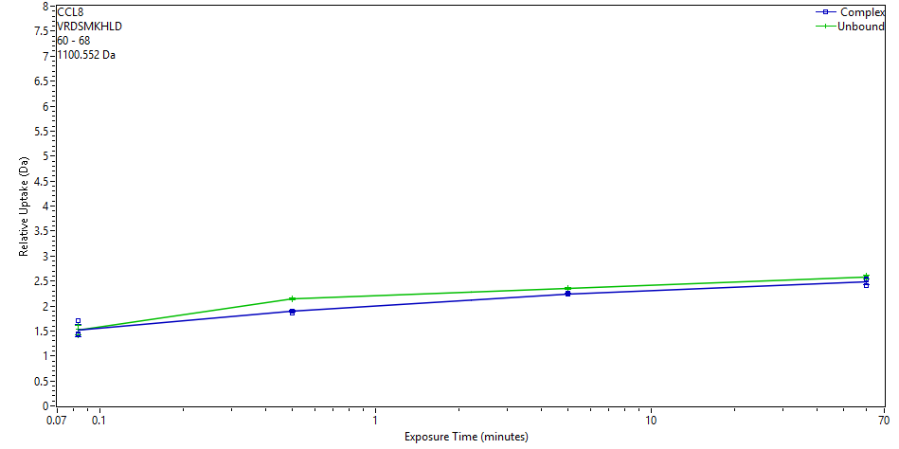
 | File | State | Exposure | Uptake | Uptake SD | Center | Center SD | p-Value Two tailed T-test
 | CD_3s_1 | Complex | 0.083 | 1.7047 | 0.0105 | 1102.7838 | 0 | 0.9387
 | CD_3s_2 | Complex | 0.083 | 1.4135 | 0.0105 | 1102.4926 | 0
 | CD_3s_3 | Complex | 0.083 | 1.4467 | 0.0105 | 1102.5258 | 0
 | CD_30s_1 | Complex | 0.5 | 1.8644 | 0.0105 | 1102.9436 | 0 | 0.0001
 | CD_30s_2 | Complex | 0.5 | 1.8904 | 0.0105 | 1102.9695 | 0
 | CD_30s_3 | Complex | 0.5 | 1.9035 | 0.0105 | 1102.9827 | 0
 | CD_300s_1 | Complex | 5 | 2.2427 | 0.0105 | 1103.3219 | 0 | 0.0012
 | CD_300s_2 | Complex | 5 | 2.2303 | 0.0105 | 1103.3094 | 0
 | CD_300s_3 | Complex | 5 | 2.2536 | 0.0105 | 1103.3327 | 0
 | Complex_60min_1 | Complex | 60 | 2.5464 | 0.0105 | 1103.6255 | 0 | 0.1355
 | Complex_60min_2 | Complex | 60 | 2.5219 | 0.0105 | 1103.601 | 0
 | Complex_60min_3 | Complex | 60 | 2.4104 | 0.0105 | 1103.4895 | 0
 | CCL8_3s_2 | Unbound | 0.083 | 1.6132 | 0.0105 | 1102.6923 | 0
 | CCL8_3s_3 | Unbound | 0.083 | 1.3943 | 0.0105 | 1102.4734 | 0
 | CCL8_3s_1 | Unbound | 0.083 | 1.5299 | 0.0105 | 1102.609 | 0
 | CCL8_30s_1 | Unbound | 0.5 | 2.1551 | 0.0105 | 1103.2342 | 0
 | CCL8_30s_2 | Unbound | 0.5 | 2.1312 | 0.0105 | 1103.2103 | 0
 | CCL8_30s_3 | Unbound | 0.5 | 2.1142 | 0.0105 | 1103.1933 | 0
 | CCL8_300s_1 | Unbound | 5 | 2.3668 | 0.0105 | 1103.4459 | 0
 | CCL8_300s_2 | Unbound | 5 | 2.3443 | 0.0105 | 1103.4234 | 0
 | CCL8_300s_3 | Unbound | 5 | 2.33 | 0.0105 | 1103.4092 | 0
 | CCL8_60 min_1 | Unbound | 60 | 2.5933 | 0.0105 | 1103.6725 | 0
 | CCL8_60 min_2a | Unbound | 60 | 2.6167 | 0.0105 | 1103.6958 | 0
 | CCL8_60 min_3 | Unbound | 60 | 2.5374 | 0.0105 | 1103.6165 | 0
CCL8 | 60 | 71 | VRDSMKHLDQIF |  |  | 11 | 1488.7628
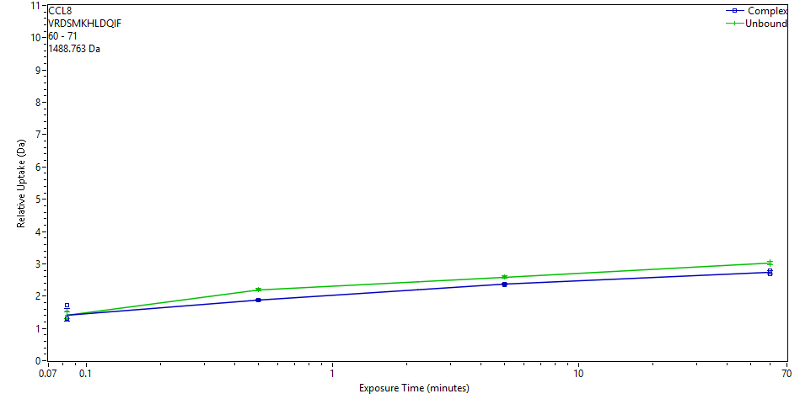
 | File | State | Exposure | Uptake | Uptake SD | Center | Center SD | p-Value Two tailed T-test
 | CD_3s_1 | Complex | 0.083 | 1.7259 | 0.0183 | 1491.2872 | 0 | 0.8265
 | CD_3s_2 | Complex | 0.083 | 1.3093 | 0.0339 | 1490.8707 | 0
 | CD_3s_3 | Complex | 0.083 | 1.3013 | 0.032 | 1490.8627 | 0
 | CD_30s_1 | Complex | 0.5 | 1.8781 | 0.0275 | 1491.4394 | 0 | 0.0000
 | CD_30s_2 | Complex | 0.5 | 1.8747 | 0.0328 | 1491.436 | 0
 | CD_30s_3 | Complex | 0.5 | 1.8897 | 0.0299 | 1491.451 | 0
 | CD_300s_1 | Complex | 5 | 2.3646 | 0.0208 | 1491.9259 | 0 | 0.0000
 | CD_300s_2 | Complex | 5 | 2.346 | 0.0236 | 1491.9073 | 0
 | CD_300s_3 | Complex | 5 | 2.3713 | 0.031 | 1491.9327 | 0
 | Complex_60min_1 | Complex | 60 | 2.7828 | 0.041 | 1492.3441 | 0 | 0.0018
 | Complex_60min_2 | Complex | 60 | 2.7443 | 0.0309 | 1492.3056 | 0
 | Complex_60min_3 | Complex | 60 | 2.6871 | 0.0463 | 1492.2484 | 0
 | CCL8_3s_2 | Unbound | 0.083 | 1.5359 | 0.0331 | 1491.0972 | 0
 | CCL8_3s_3 | Unbound | 0.083 | 1.2847 | 0.0384 | 1490.8461 | 0
 | CCL8_3s_1 | Unbound | 0.083 | 1.4051 | 0.0387 | 1490.9664 | 0
 | CCL8_30s_1 | Unbound | 0.5 | 2.2121 | 0.0268 | 1491.7734 | 0
 | CCL8_30s_2 | Unbound | 0.5 | 2.1865 | 0.0373 | 1491.7479 | 0
 | CCL8_30s_3 | Unbound | 0.5 | 2.1833 | 0.0387 | 1491.7446 | 0
 | CCL8_300s_1 | Unbound | 5 | 2.6032 | 0.0359 | 1492.1645 | 0
 | CCL8_300s_2 | Unbound | 5 | 2.5828 | 0.037 | 1492.1442 | 0
 | CCL8_300s_3 | Unbound | 5 | 2.5809 | 0.0373 | 1492.1423 | 0
 | CCL8_60 min_1 | Unbound | 60 | 3.0236 | 0.0341 | 1492.5849 | 0
 | CCL8_60 min_2a | Unbound | 60 | 3.068 | 0.0256 | 1492.6293 | 0
 | CCL8_60 min_3 | Unbound | 60 | 2.975 | 0.0259 | 1492.5364 | 0
CCL8 | 60 | 72 | VRDSMKHLDQIFQ |  |  | 12 | 1616.8213
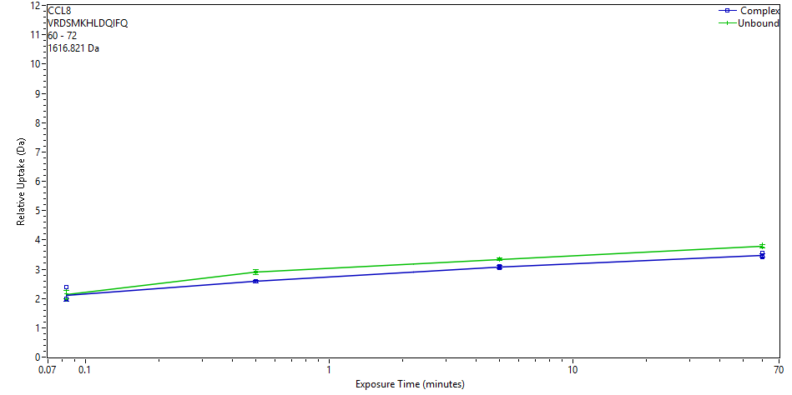
 | File | State | Exposure | Uptake | Uptake SD | Center | Center SD | p-Value Two tailed T-test
 | CD_3s_1 | Complex | 0.083 | 2.3855 | 0.0744 | 1620.1359 | 0 | 0.9478
 | CD_3s_2 | Complex | 0.083 | 1.9936 | 0.0483 | 1619.744 | 0
 | CD_3s_3 | Complex | 0.083 | 1.9933 | 0.0357 | 1619.7436 | 0
 | CD_30s_1 | Complex | 0.5 | 2.5927 | 0.0359 | 1620.343 | 0 | 0.0000
 | CD_30s_2 | Complex | 0.5 | 2.5804 | 0.0541 | 1620.3307 | 0
 | CD_30s_3 | Complex | 0.5 | 2.584 | 0.039 | 1620.3343 | 0
 | CD_300s_1 | Complex | 5 | 3.0777 | 0.0553 | 1620.828 | 0 | 0.0002
 | CD_300s_2 | Complex | 5 | 3.0542 | 0.0572 | 1620.8046 | 0
 | CD_300s_3 | Complex | 5 | 3.113 | 0.0435 | 1620.8634 | 0
 | Complex_60min_1 | Complex | 60 | 3.5427 | 0.0601 | 1621.2931 | 0 | 0.0023
 | Complex_60min_2 | Complex | 60 | 3.4495 | 0.0444 | 1621.1999 | 0
 | Complex_60min_3 | Complex | 60 | 3.4231 | 0.0357 | 1621.1735 | 0
 | CCL8_3s_2 | Unbound | 0.083 | 2.2717 | 0.0722 | 1620.011 | 0
 | CCL8_3s_3 | Unbound | 0.083 | 1.9707 | 0.058 | 1619.71 | 0
 | CCL8_3s_1 | Unbound | 0.083 | 2.1629 | 0.0751 | 1619.9022 | 0
 | CCL8_30s_1 | Unbound | 0.5 | 2.9259 | 0.062 | 1620.6652 | 0
 | CCL8_30s_2 | Unbound | 0.5 | 2.8719 | 0.0698 | 1620.6112 | 0
 | CCL8_30s_3 | Unbound | 0.5 | 2.8982 | 0.0781 | 1620.6375 | 0
 | CCL8_300s_1 | Unbound | 5 | 3.3551 | 0.0445 | 1621.0944 | 0
 | CCL8_300s_2 | Unbound | 5 | 3.3336 | 0.0453 | 1621.0729 | 0
 | CCL8_300s_3 | Unbound | 5 | 3.3202 | 0.0418 | 1621.0595 | 0
 | CCL8_60 min_1 | Unbound | 60 | 3.7627 | 0.0534 | 1621.502 | 0
 | CCL8_60 min_2a | Unbound | 60 | 3.8247 | 0.0419 | 1621.5639 | 0
 | CCL8_60 min_3 | Unbound | 60 | 3.7417 | 0.0427 | 1621.481 | 0
CCL8 | 60 | 74 | VRDSMKHLDQIFQNL |  |  | 14 | 1843.9483
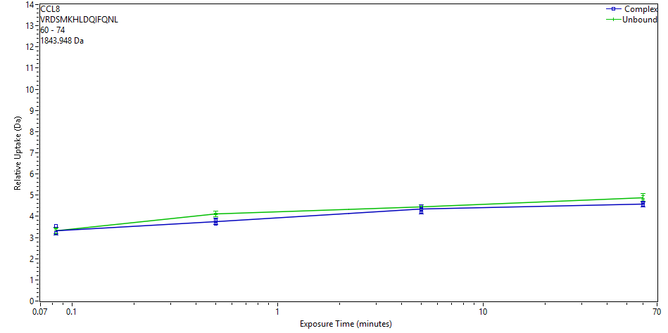
 | File | State | Exposure | Uptake | Uptake SD | Center | Center SD | p-Value Two tailed T-test
 | CD_3s_1 | Complex | 0.083 | 3.5349 | 0.188 | 1848.5376 | 0 | 0.9308
 | CD_3s_2 | Complex | 0.083 | 3.2306 | 0.0838 | 1848.2332 | 0
 | CD_3s_3 | Complex | 0.083 | 3.2149 | 0.057 | 1848.2176 | 0
 | CD_30s_1 | Complex | 0.5 | 3.6484 | 0.0659 | 1848.651 | 0 | 0.0041
 | CD_30s_2 | Complex | 0.5 | 3.8016 | 0.1617 | 1848.8043 | 0
 | CD_30s_3 | Complex | 0.5 | 3.8143 | 0.1327 | 1848.817 | 0
 | CD_300s_1 | Complex | 5 | 4.4689 | 0.2674 | 1849.4716 | 0 | 0.2480
 | CD_300s_2 | Complex | 5 | 4.2258 | 0.134 | 1849.2285 | 0
 | CD_300s_3 | Complex | 5 | 4.3197 | 0.1399 | 1849.3224 | 0
 | Complex_60min_1 | Complex | 60 | 4.657 | 0.0674 | 1849.6597 | 0 | 0.0190
 | Complex_60min_2 | Complex | 60 | 4.5394 | 0.1005 | 1849.5421 | 0
 | Complex_60min_3 | Complex | 60 | 4.5042 | 0.1086 | 1849.5068 | 0
 | CCL8_3s_2 | Unbound | 0.083 | 3.4027 | 0.0763 | 1848.4054 | 0
 | CCL8_3s_3 | Unbound | 0.083 | 3.1824 | 0.0737 | 1848.1851 | 0
 | CCL8_3s_1 | Unbound | 0.083 | 3.3609 | 0.0903 | 1848.3635 | 0
 | CCL8_30s_1 | Unbound | 0.5 | 4.1632 | 0.094 | 1849.1658 | 0
 | CCL8_30s_2 | Unbound | 0.5 | 4.0811 | 0.1386 | 1849.0837 | 0
 | CCL8_30s_3 | Unbound | 0.5 | 4.0809 | 0.1217 | 1849.0836 | 0
 | CCL8_300s_1 | Unbound | 5 | 4.4929 | 0.0796 | 1849.4955 | 0
 | CCL8_300s_2 | Unbound | 5 | 4.4428 | 0.0888 | 1849.4454 | 0
 | CCL8_300s_3 | Unbound | 5 | 4.3899 | 0.0939 | 1849.3926 | 0
 | CCL8_60 min_1 | Unbound | 60 | 4.9904 | 0.1686 | 1849.993 | 0
 | CCL8_60 min_2a | Unbound | 60 | 4.8556 | 0.1581 | 1849.8582 | 0
 | CCL8_60 min_3 | Unbound | 60 | 4.7662 | 0.0461 | 1849.7688 | 0
CCL8 | 60 | 84 | VRDSMKHLDQIFQNLKPSSKGGYGL |  |  | 23 | 2818.4669
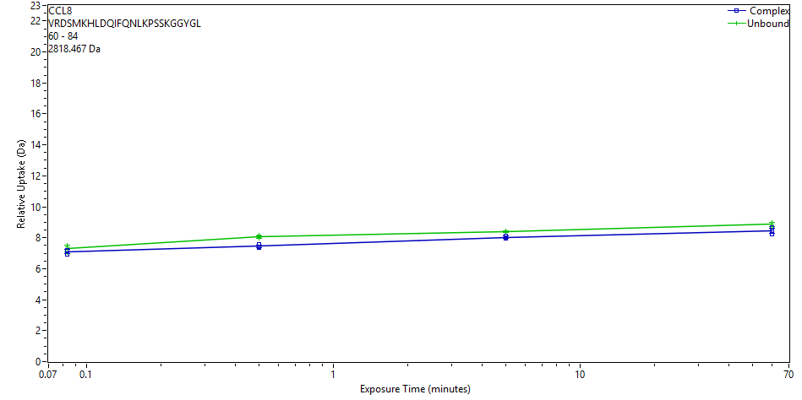
 | File | State | Exposure | Uptake | Uptake SD | Center | Center SD | p-Value Two tailed T-test
 | CD_3s_1 | Complex | 0.083 | 6.9184 | 0.0443 | 2827.0986 | 0 | 0.2646
 | CD_3s_2 | Complex | 0.083 | 7.18 | 0.042 | 2827.3603 | 0
 | CD_3s_3 | Complex | 0.083 | 7.1985 | 0.0287 | 2827.3788 | 0
 | CD_30s_1 | Complex | 0.5 | 7.3806 | 0.0298 | 2827.5609 | 0 | 0.0025
 | CD_30s_2 | Complex | 0.5 | 7.5661 | 0.0489 | 2827.7463 | 0
 | CD_30s_3 | Complex | 0.5 | 7.3973 | 0.0335 | 2827.5775 | 0
 | CD_300s_1 | Complex | 5 | 8.0056 | 0.0976 | 2828.1858 | 0 | 0.0027
 | CD_300s_2 | Complex | 5 | 7.9611 | 0.0296 | 2828.1413 | 0
 | CD_300s_3 | Complex | 5 | 8.137 | 0.0304 | 2828.3172 | 0
 | Complex_60min_1 | Complex | 60 | 8.6806 | 0.0318 | 2828.8608 | 0 | 0.0559
 | Complex_60min_2 | Complex | 60 | 8.4575 | 0.0326 | 2828.6378 | 0
 | Complex_60min_3 | Complex | 60 | 8.2479 | 0.0382 | 2828.4281 | 0
 | CCL8_3s_2 | Unbound | 0.083 | 7.4241 | 0.0298 | 2827.6043 | 0
 | CCL8_3s_3 | Unbound | 0.083 | 7.0334 | 0.0364 | 2827.2137 | 0
 | CCL8_3s_1 | Unbound | 0.083 | 7.5083 | 0.0691 | 2827.6885 | 0
 | CCL8_30s_1 | Unbound | 0.5 | 8.1608 | 0.0439 | 2828.341 | 0
 | CCL8_30s_2 | Unbound | 0.5 | 7.9991 | 0.0379 | 2828.1794 | 0
 | CCL8_30s_3 | Unbound | 0.5 | 7.9479 | 0.0287 | 2828.1281 | 0
 | CCL8_300s_1 | Unbound | 5 | 8.3916 | 0.0291 | 2828.5719 | 0
 | CCL8_300s_2 | Unbound | 5 | 8.4447 | 0.0291 | 2828.625 | 0
 | CCL8_300s_3 | Unbound | 5 | 8.3816 | 0.0365 | 2828.5618 | 0
 | CCL8_60 min_1 | Unbound | 60 | 8.8955 | 0.0316 | 2829.0758 | 0
 | CCL8_60 min_2a | Unbound | 60 | 8.9893 | 0.0718 | 2829.1695 | 0
 | CCL8_60 min_3 | Unbound | 60 | 8.7048 | 0.0337 | 2828.8851 | 0
CCL8 | 60 | 86 | VRDSMKHLDQIFQNLKPSSKGGYGLND |  |  | 25 | 3047.5367
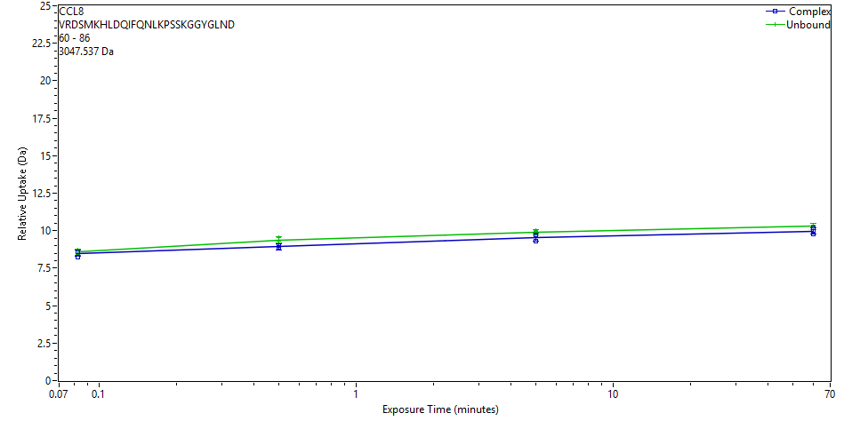
 | File | State | Exposure | Uptake | Uptake SD | Center | Center SD | p-Value Two tailed T-test
 | CD_3s_1 | Complex | 0.083 | 8.2269 | 0.1409 | 3057.6024 | 0 | 0.5241
 | CD_3s_2 | Complex | 0.083 | 8.5889 | 0.1455 | 3057.9645 | 0
 | CD_3s_3 | Complex | 0.083 | 8.602 | 0.1467 | 3057.9775 | 0
 | CD_30s_1 | Complex | 0.5 | 8.8597 | 0.1864 | 3058.2352 | 0 | 0.0095
 | CD_30s_2 | Complex | 0.5 | 9.0343 | 0.1862 | 3058.4098 | 0
 | CD_30s_3 | Complex | 0.5 | 8.8508 | 0.1538 | 3058.2264 | 0
 | CD_300s_1 | Complex | 5 | 9.6789 | 0.2315 | 3059.0545 | 0 | 0.0980
 | CD_300s_2 | Complex | 5 | 9.3213 | 0.1736 | 3058.6968 | 0
 | CD_300s_3 | Complex | 5 | 9.6977 | 0.2206 | 3059.0732 | 0
 | Complex_60min_1 | Complex | 60 | 10.1898 | 0.0755 | 3059.5654 | 0 | 0.0641
 | Complex_60min_2 | Complex | 60 | 9.9511 | 0.1137 | 3059.3267 | 0
 | Complex_60min_3 | Complex | 60 | 9.79 | 0.1073 | 3059.1655 | 0
 | CCL8_3s_2 | Unbound | 0.083 | 8.6431 | 0.1508 | 3058.0187 | 0
 | CCL8_3s_3 | Unbound | 0.083 | 8.3847 | 0.1389 | 3057.7603 | 0
 | CCL8_3s_1 | Unbound | 0.083 | 8.7247 | 0.1434 | 3058.1002 | 0
 | CCL8_30s_1 | Unbound | 0.5 | 9.5413 | 0.2025 | 3058.9168 | 0
 | CCL8_30s_2 | Unbound | 0.5 | 9.3342 | 0.1495 | 3058.7098 | 0
 | CCL8_30s_3 | Unbound | 0.5 | 9.2751 | 0.1796 | 3058.6506 | 0
 | CCL8_300s_1 | Unbound | 5 | 9.994 | 0.0617 | 3059.3695 | 0
 | CCL8_300s_2 | Unbound | 5 | 9.9362 | 0.1223 | 3059.3117 | 0
 | CCL8_300s_3 | Unbound | 5 | 9.7215 | 0.2123 | 3059.097 | 0
 | CCL8_60 min_1 | Unbound | 60 | 10.2419 | 0.2418 | 3059.6174 | 0
 | CCL8_60 min_2a | Unbound | 60 | 10.3834 | 0.0787 | 3059.759 | 0
 | CCL8_60 min_3 | Unbound | 60 | 10.2544 | 0.2563 | 3059.6299 | 0
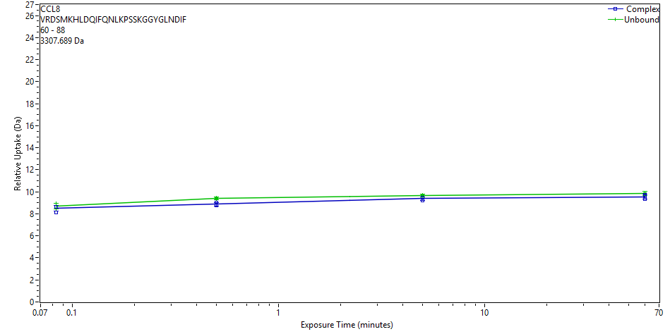
CCL8 | 60 | 88 | VRDSMKHLDQIFQNLKPSSKGGYGLNDIF |  |  | 27 | 3307.6892
 | File | State | Exposure | Uptake | Uptake SD | Center | Center SD | p-Value Two tailed T-test
 | CD_3s_1 | Complex | 0.083 | 8.1484 | 0.1396 | 3317.8813 | 0 | 0.3317
 | CD_3s_2 | Complex | 0.083 | 8.6259 | 0.1096 | 3318.3588 | 0
 | CD_3s_3 | Complex | 0.083 | 8.6456 | 0.1346 | 3318.3784 | 0
 | CD_30s_1 | Complex | 0.5 | 8.7919 | 0.1328 | 3318.5247 | 0 | 0.0024
 | CD_30s_2 | Complex | 0.5 | 9.0061 | 0.1587 | 3318.739 | 0
 | CD_30s_3 | Complex | 0.5 | 8.8099 | 0.1264 | 3318.5428 | 0
 | CD_300s_1 | Complex | 5 | 9.4904 | 0.1148 | 3319.2233 | 0 | 0.0516
 | CD_300s_2 | Complex | 5 | 9.1867 | 0.1007 | 3318.9196 | 0
 | CD_300s_3 | Complex | 5 | 9.4595 | 0.1136 | 3319.1924 | 0
 | Complex_60min_1 | Complex | 60 | 9.7501 | 0.1536 | 3319.483 | 0 | 0.0990
 | Complex_60min_2 | Complex | 60 | 9.585 | 0.1579 | 3319.3179 | 0
 | Complex_60min_3 | Complex | 60 | 9.3281 | 0.1114 | 3319.061 | 0
 | CCL8_3s_2 | Unbound | 0.083 | 8.7459 | 0.1374 | 3318.4788 | 0
 | CCL8_3s_3 | Unbound | 0.083 | 8.4521 | 0.1703 | 3318.1849 | 0
 | CCL8_3s_1 | Unbound | 0.083 | 8.9308 | 0.1416 | 3318.6636 | 0
 | CCL8_30s_1 | Unbound | 0.5 | 9.4658 | 0.1114 | 3319.1987 | 0
 | CCL8_30s_2 | Unbound | 0.5 | 9.3637 | 0.0924 | 3319.0965 | 0
 | CCL8_30s_3 | Unbound | 0.5 | 9.3553 | 0.1328 | 3319.0881 | 0
 | CCL8_300s_1 | Unbound | 5 | 9.7109 | 0.1291 | 3319.4438 | 0
 | CCL8_300s_2 | Unbound | 5 | 9.6669 | 0.1249 | 3319.3997 | 0
 | CCL8_300s_3 | Unbound | 5 | 9.5983 | 0.095 | 3319.3312 | 0
 | CCL8_60 min_1 | Unbound | 60 | 9.8496 | 0.1599 | 3319.5825 | 0
 | CCL8_60 min_2a | Unbound | 60 | 9.9366 | 0.1636 | 3319.6694 | 0
 | CCL8_60 min_3 | Unbound | 60 | 9.7434 | 0.1629 | 3319.4762 | 0
CCL8 | 63 | 71 | SMKHLDQIF |  |  | 8 | 1118.5663
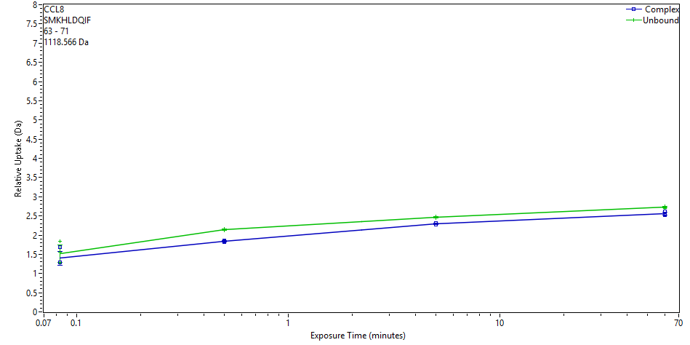
 | File | State | Exposure | Uptake | Uptake SD | Center | Center SD | p-Value Two tailed T-test
 | CD_3s_1 | Complex | 0.083 | 1.6899 | 0.0173 | 1120.7998 | 0 | 0.5826
 | CD_3s_2 | Complex | 0.083 | 1.2911 | 0.02 | 1120.401 | 0
 | CD_3s_3 | Complex | 0.083 | 1.2935 | 0.0235 | 1120.4034 | 0
 | CD_30s_1 | Complex | 0.5 | 1.8562 | 0.0173 | 1120.9661 | 0 | 0.0000
 | CD_30s_2 | Complex | 0.5 | 1.8286 | 0.0184 | 1120.9385 | 0
 | CD_30s_3 | Complex | 0.5 | 1.8307 | 0.0168 | 1120.9405 | 0
 | CD_300s_1 | Complex | 5 | 2.3063 | 0.0165 | 1121.4162 | 0 | 0.0004
 | CD_300s_2 | Complex | 5 | 2.2769 | 0.0163 | 1121.3868 | 0
 | CD_300s_3 | Complex | 5 | 2.311 | 0.0163 | 1121.4209 | 0
 | Complex_60min_1 | Complex | 60 | 2.6147 | 0.0173 | 1121.7246 | 0 | 0.0067
 | Complex_60min_2 | Complex | 60 | 2.5437 | 0.0162 | 1121.6535 | 0
 | Complex_60min_3 | Complex | 60 | 2.5194 | 0.0163 | 1121.6293 | 0
 | CCL8_3s_2 | Unbound | 0.083 | 1.5453 | 0.0127 | 1120.6558 | 0
 | CCL8_3s_3 | Unbound | 0.083 | 1.268 | 0.0153 | 1120.3785 | 0
 | CCL8_3s_1 | Unbound | 0.083 | 1.8409 | 0.0814 | 1120.9515 | 0
 | CCL8_30s_1 | Unbound | 0.5 | 2.1617 | 0.0128 | 1121.2722 | 0
 | CCL8_30s_2 | Unbound | 0.5 | 2.1294 | 0.0119 | 1121.2399 | 0
 | CCL8_30s_3 | Unbound | 0.5 | 2.1552 | 0.0129 | 1121.2658 | 0
 | CCL8_300s_1 | Unbound | 5 | 2.4807 | 0.018 | 1121.5913 | 0
 | CCL8_300s_2 | Unbound | 5 | 2.4587 | 0.0138 | 1121.5692 | 0
 | CCL8_300s_3 | Unbound | 5 | 2.4464 | 0.0156 | 1121.557 | 0
 | CCL8_60 min_1 | Unbound | 60 | 2.7339 | 0.0125 | 1121.8444 | 0
 | CCL8_60 min_2a | Unbound | 60 | 2.7472 | 0.0125 | 1121.8578 | 0
 | CCL8_60 min_3 | Unbound | 60 | 2.6968 | 0.0118 | 1121.8073 | 0
CCL8 | 63 | 72 | SMKHLDQIFQ |  |  | 9 | 1246.6249
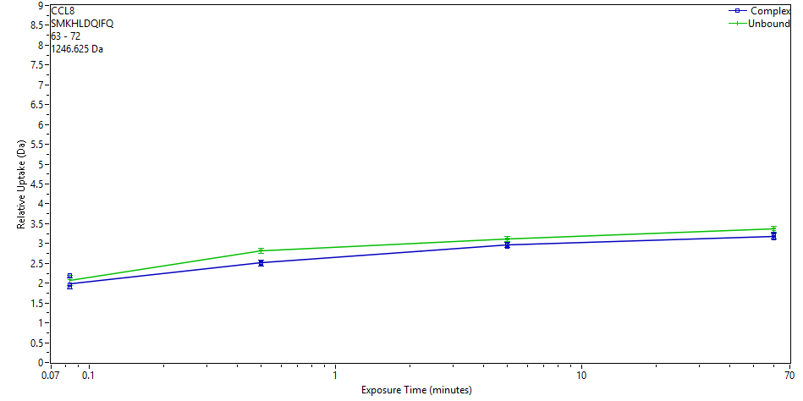
 | File | State | Exposure | Uptake | Uptake SD | Center | Center SD | p-Value Two tailed T-test
 | CD_3s_1 | Complex | 0.083 | 2.2036 | 0.0755 | 1249.4703 | 0 | 0.6805
 | CD_3s_2 | Complex | 0.083 | 1.891 | 0.0566 | 1249.1577 | 0
 | CD_3s_3 | Complex | 0.083 | 1.9526 | 0.0619 | 1249.2193 | 0
 | CD_30s_1 | Complex | 0.5 | 2.4921 | 0.0647 | 1249.7588 | 0 | 0.0000
 | CD_30s_2 | Complex | 0.5 | 2.5156 | 0.0749 | 1249.7823 | 0
 | CD_30s_3 | Complex | 0.5 | 2.5145 | 0.0659 | 1249.7812 | 0
 | CD_300s_1 | Complex | 5 | 2.9729 | 0.0679 | 1250.2396 | 0 | 0.0029
 | CD_300s_2 | Complex | 5 | 2.9295 | 0.066 | 1250.1963 | 0
 | CD_300s_3 | Complex | 5 | 2.9864 | 0.0679 | 1250.2531 | 0
 | Complex_60min_1 | Complex | 60 | 3.2341 | 0.076 | 1250.5008 | 0 | 0.0051
 | Complex_60min_2 | Complex | 60 | 3.192 | 0.0705 | 1250.4587 | 0
 | Complex_60min_3 | Complex | 60 | 3.1432 | 0.081 | 1250.4099 | 0
 | CCL8_3s_2 | Unbound | 0.083 | 2.2001 | 0.0589 | 1249.4669 | 0
 | CCL8_3s_3 | Unbound | 0.083 | 1.9197 | 0.0573 | 1249.1865 | 0
 | CCL8_3s_1 | Unbound | 0.083 | 2.0947 | 0.0603 | 1249.3615 | 0
 | CCL8_30s_1 | Unbound | 0.5 | 2.8395 | 0.069 | 1250.1063 | 0
 | CCL8_30s_2 | Unbound | 0.5 | 2.8058 | 0.0654 | 1250.0727 | 0
 | CCL8_30s_3 | Unbound | 0.5 | 2.8162 | 0.0644 | 1250.083 | 0
 | CCL8_300s_1 | Unbound | 5 | 3.1313 | 0.0643 | 1250.3982 | 0
 | CCL8_300s_2 | Unbound | 5 | 3.111 | 0.0659 | 1250.3778 | 0
 | CCL8_300s_3 | Unbound | 5 | 3.082 | 0.0704 | 1250.3488 | 0
 | CCL8_60 min_1 | Unbound | 60 | 3.3738 | 0.0716 | 1250.6406 | 0
 | CCL8_60 min_2a | Unbound | 60 | 3.3968 | 0.073 | 1250.6636 | 0
 | CCL8_60 min_3 | Unbound | 60 | 3.3339 | 0.0738 | 1250.6007 | 0
CCL8 | 63 | 74 | SMKHLDQIFQNL |  |  | 11 | 1473.7519
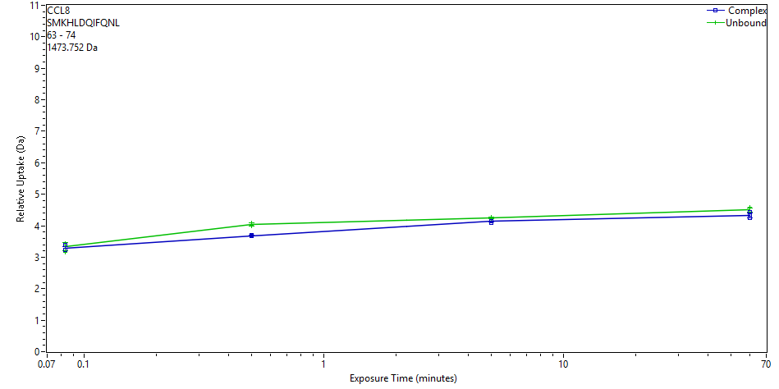
 | File | State | Exposure | Uptake | Uptake SD | Center | Center SD | p-Value Two tailed T-test
 | CD_3s_1 | Complex | 0.083 | 3.3976 | 0.0076 | 1478.0138 | 0 | 0.6774
 | CD_3s_2 | Complex | 0.083 | 3.2241 | 0.0076 | 1477.8403 | 0
 | CD_3s_3 | Complex | 0.083 | 3.245 | 0.0076 | 1477.8612 | 0
 | CD_30s_1 | Complex | 0.5 | 3.6659 | 0.0076 | 1478.2821 | 0 | 0.0005
 | CD_30s_2 | Complex | 0.5 | 3.6958 | 0.0076 | 1478.312 | 0
 | CD_30s_3 | Complex | 0.5 | 3.6915 | 0.0076 | 1478.3077 | 0
 | CD_300s_1 | Complex | 5 | 4.139 | 0.0076 | 1478.7552 | 0 | 0.0050
 | CD_300s_2 | Complex | 5 | 4.1053 | 0.0076 | 1478.7215 | 0
 | CD_300s_3 | Complex | 5 | 4.1519 | 0.0076 | 1478.7681 | 0
 | Complex_60min_1 | Complex | 60 | 4.4312 | 0.0076 | 1479.0474 | 0 | 0.0858
 | Complex_60min_2 | Complex | 60 | 4.3478 | 0.0076 | 1478.964 | 0
 | Complex_60min_3 | Complex | 60 | 4.2459 | 0.0076 | 1478.8621 | 0
 | CCL8_3s_2 | Unbound | 0.083 | 3.4476 | 0.0076 | 1478.0638 | 0
 | CCL8_3s_3 | Unbound | 0.083 | 3.1613 | 0.0076 | 1477.7775 | 0
 | CCL8_3s_1 | Unbound | 0.083 | 3.3973 | 0.0076 | 1478.0135 | 0
 | CCL8_30s_1 | Unbound | 0.5 | 4.0993 | 0.0076 | 1478.7155 | 0
 | CCL8_30s_2 | Unbound | 0.5 | 3.9938 | 0.0076 | 1478.6099 | 0
 | CCL8_30s_3 | Unbound | 0.5 | 4.0105 | 0.0076 | 1478.6267 | 0
 | CCL8_300s_1 | Unbound | 5 | 4.27 | 0.0076 | 1478.8861 | 0
 | CCL8_300s_2 | Unbound | 5 | 4.2536 | 0.0076 | 1478.8698 | 0
 | CCL8_300s_3 | Unbound | 5 | 4.2186 | 0.0076 | 1478.8348 | 0
 | CCL8_60 min_1 | Unbound | 60 | 4.4927 | 0.0076 | 1479.1089 | 0
 | CCL8_60 min_2a | Unbound | 60 | 4.5989 | 0.0076 | 1479.215 | 0
 | CCL8_60 min_3 | Unbound | 60 | 4.4295 | 0.0076 | 1479.0456 | 0
CCL8 | 63 | 85 | SMKHLDQIFQNLKPSSKGGYGLN |  |  | 21 | 2562.3133
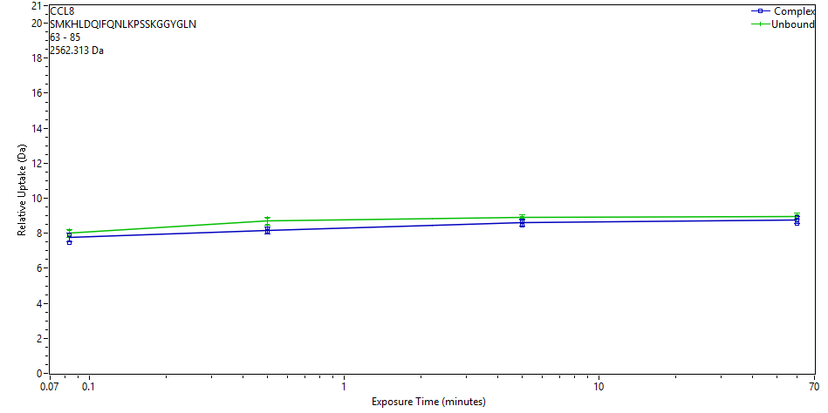
 | File | State | Exposure | Uptake | Uptake SD | Center | Center SD | p-Value Two tailed T-test
 | CD_3s_1 | Complex | 0.083 | 7.4854 | 0.1463 | 2571.3289 | 0 | 0.2212
 | CD_3s_2 | Complex | 0.083 | 7.8947 | 0.1621 | 2571.7381 | 0
 | CD_3s_3 | Complex | 0.083 | 7.8923 | 0.168 | 2571.7358 | 0
 | CD_30s_1 | Complex | 0.5 | 8.0636 | 0.1738 | 2571.907 | 0 | 0.0096
 | CD_30s_2 | Complex | 0.5 | 8.2687 | 0.1749 | 2572.1122 | 0
 | CD_30s_3 | Complex | 0.5 | 8.0881 | 0.166 | 2571.9316 | 0
 | CD_300s_1 | Complex | 5 | 8.6769 | 0.1788 | 2572.5204 | 0 | 0.0235
 | CD_300s_2 | Complex | 5 | 8.447 | 0.1659 | 2572.2905 | 0
 | CD_300s_3 | Complex | 5 | 8.7087 | 0.1647 | 2572.5522 | 0
 | Complex_60min_1 | Complex | 60 | 8.9123 | 0.1473 | 2572.7558 | 0 | 0.1438
 | Complex_60min_2 | Complex | 60 | 8.7541 | 0.1455 | 2572.5976 | 0
 | Complex_60min_3 | Complex | 60 | 8.5667 | 0.1369 | 2572.4101 | 0
 | CCL8_3s_2 | Unbound | 0.083 | 7.9701 | 0.1626 | 2571.8138 | 0
 | CCL8_3s_3 | Unbound | 0.083 | 7.85 | 0.2139 | 2571.6936 | 0
 | CCL8_3s_1 | Unbound | 0.083 | 8.1652 | 0.1878 | 2572.0088 | 0
 | CCL8_30s_1 | Unbound | 0.5 | 8.8555 | 0.199 | 2572.6991 | 0
 | CCL8_30s_2 | Unbound | 0.5 | 8.6897 | 0.1628 | 2572.5333 | 0
 | CCL8_30s_3 | Unbound | 0.5 | 8.5164 | 0.1503 | 2572.3601 | 0
 | CCL8_300s_1 | Unbound | 5 | 8.9716 | 0.1251 | 2572.8153 | 0
 | CCL8_300s_2 | Unbound | 5 | 8.9525 | 0.1654 | 2572.7961 | 0
 | CCL8_300s_3 | Unbound | 5 | 8.8615 | 0.1207 | 2572.7051 | 0
 | CCL8_60 min_1 | Unbound | 60 | 9.0148 | 0.1374 | 2572.8584 | 0
 | CCL8_60 min_2a | Unbound | 60 | 9.0518 | 0.1452 | 2572.8954 | 0
 | CCL8_60 min_3 | Unbound | 60 | 8.8281 | 0.1709 | 2572.6717 | 0
CCL8 | 63 | 86 | SMKHLDQIFQNLKPSSKGGYGLND |  |  | 22 | 2677.3403
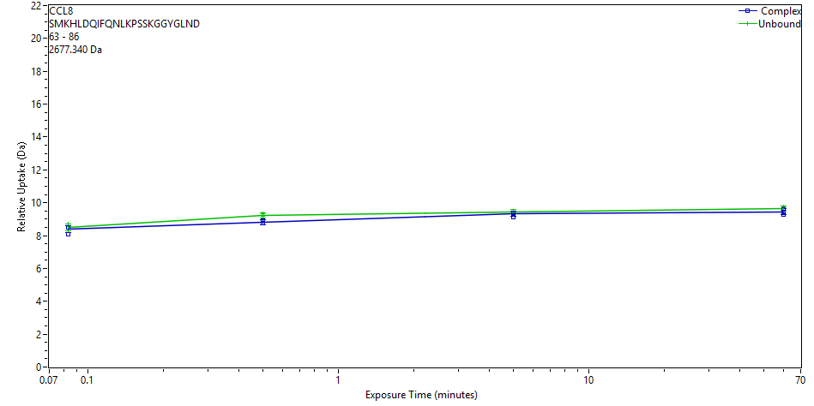
 | File | State | Exposure | Uptake | Uptake SD | Center | Center SD | p-Value Two tailed T-test
 | CD_3s_1 | Complex | 0.083 | 8.1066 | 0.0962 | 2687.0341 | 0 | 0.4800
 | CD_3s_2 | Complex | 0.083 | 8.488 | 0.1001 | 2687.4155 | 0
 | CD_3s_3 | Complex | 0.083 | 8.5107 | 0.1267 | 2687.4382 | 0
 | CD_30s_1 | Complex | 0.5 | 8.7361 | 0.1134 | 2687.6636 | 0 | 0.0064
 | CD_30s_2 | Complex | 0.5 | 8.937 | 0.1304 | 2687.8645 | 0
 | CD_30s_3 | Complex | 0.5 | 8.7429 | 0.1123 | 2687.6704 | 0
 | CD_300s_1 | Complex | 5 | 9.3999 | 0.1132 | 2688.3274 | 0 | 0.2331
 | CD_300s_2 | Complex | 5 | 9.1434 | 0.1055 | 2688.0709 | 0
 | CD_300s_3 | Complex | 5 | 9.4053 | 0.1097 | 2688.3328 | 0
 | Complex_60min_1 | Complex | 60 | 9.606 | 0.1328 | 2688.5336 | 0 | 0.1271
 | Complex_60min_2 | Complex | 60 | 9.4277 | 0.1337 | 2688.3553 | 0
 | Complex_60min_3 | Complex | 60 | 9.2926 | 0.1142 | 2688.2202 | 0
 | CCL8_3s_2 | Unbound | 0.083 | 8.5584 | 0.1214 | 2687.4861 | 0
 | CCL8_3s_3 | Unbound | 0.083 | 8.2763 | 0.1232 | 2687.2039 | 0
 | CCL8_3s_1 | Unbound | 0.083 | 8.6877 | 0.0991 | 2687.6153 | 0
 | CCL8_30s_1 | Unbound | 0.5 | 9.3344 | 0.1292 | 2688.262 | 0
 | CCL8_30s_2 | Unbound | 0.5 | 9.1854 | 0.1197 | 2688.113 | 0
 | CCL8_30s_3 | Unbound | 0.5 | 9.1874 | 0.1125 | 2688.115 | 0
 | CCL8_300s_1 | Unbound | 5 | 9.5138 | 0.1147 | 2688.4415 | 0
 | CCL8_300s_2 | Unbound | 5 | 9.4584 | 0.1146 | 2688.386 | 0
 | CCL8_300s_3 | Unbound | 5 | 9.3769 | 0.1049 | 2688.3045 | 0
 | CCL8_60 min_1 | Unbound | 60 | 9.6822 | 0.0956 | 2688.6099 | 0
 | CCL8_60 min_2a | Unbound | 60 | 9.7718 | 0.1261 | 2688.6995 | 0
 | CCL8_60 min_3 | Unbound | 60 | 9.5323 | 0.1166 | 2688.46 | 0
CCL8 | 63 | 87 | SMKHLDQIFQNLKPSSKGGYGLNDI |  |  | 23 | 2790.4243
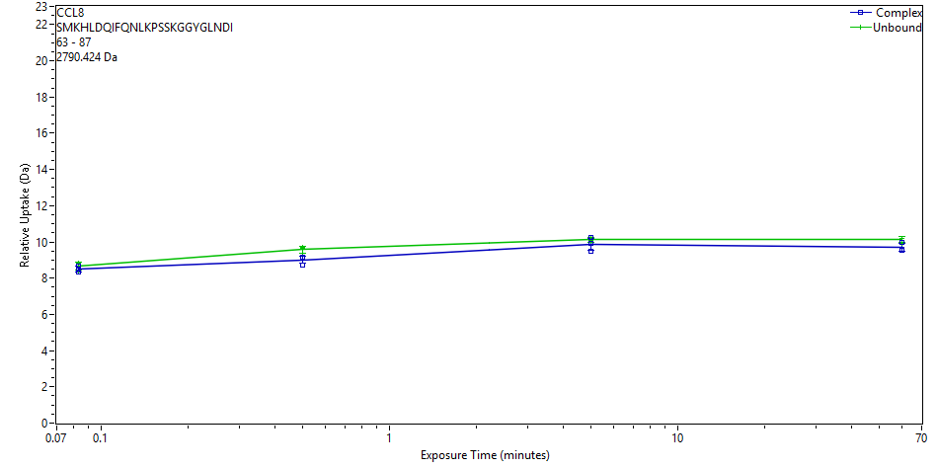
 | File | State | Exposure | Uptake | Uptake SD | Center | Center SD | p-Value Two tailed T-test
 | CD_3s_1 | Complex | 0.083 | 8.6928 | 0.1143 | 2800.679 | 0 | 0.3655
 | CD_3s_2 | Complex | 0.083 | 8.5106 | 0.1143 | 2800.4968 | 0
 | CD_3s_3 | Complex | 0.083 | 8.3146 | 0.1143 | 2800.3008 | 0
 | CD_30s_1 | Complex | 0.5 | 8.7119 | 0.1143 | 2800.6981 | 0 | 0.0292
 | CD_30s_2 | Complex | 0.5 | 9.1502 | 0.1143 | 2801.1363 | 0
 | CD_30s_3 | Complex | 0.5 | 9.0984 | 0.1143 | 2801.0845 | 0
 | CD_300s_1 | Complex | 5 | 10.2267 | 0.1143 | 2802.2129 | 0 | 0.3380
 | CD_300s_2 | Complex | 5 | 9.498 | 0.1143 | 2801.4841 | 0
 | CD_300s_3 | Complex | 5 | 9.91 | 0.1143 | 2801.8962 | 0
 | Complex_60min_1 | Complex | 60 | 9.9939 | 0.1143 | 2801.98 | 0 | 0.0750
 | Complex_60min_2 | Complex | 60 | 9.5559 | 0.1143 | 2801.5421 | 0
 | Complex_60min_3 | Complex | 60 | 9.6074 | 0.1143 | 2801.5936 | 0
 | CCL8_3s_2 | Unbound | 0.083 | 8.8486 | 0.1143 | 2800.8347 | 0
 | CCL8_3s_3 | Unbound | 0.083 | 8.4145 | 0.1143 | 2800.4007 | 0
 | CCL8_3s_1 | Unbound | 0.083 | 8.7878 | 0.1143 | 2800.774 | 0
 | CCL8_30s_1 | Unbound | 0.5 | 9.7021 | 0.1143 | 2801.6882 | 0
 | CCL8_30s_2 | Unbound | 0.5 | 9.3595 | 0.1143 | 2801.3457 | 0
 | CCL8_30s_3 | Unbound | 0.5 | 9.6253 | 0.1143 | 2801.6115 | 0
 | CCL8_300s_1 | Unbound | 5 | 10.0944 | 0.1143 | 2802.0806 | 0
 | CCL8_300s_2 | Unbound | 5 | 10.2258 | 0.1143 | 2802.2119 | 0
 | CCL8_300s_3 | Unbound | 5 | 10.0282 | 0.1143 | 2802.0143 | 0
 | CCL8_60 min_1 | Unbound | 60 | 10.2132 | 0.1143 | 2802.1994 | 0
 | CCL8_60 min_2a | Unbound | 60 | 9.939 | 0.1143 | 2801.9252 | 0
 | CCL8_60 min_3 | Unbound | 60 | 10.1696 | 0.1143 | 2802.1557 | 0
CCL8 | 63 | 88 | SMKHLDQIFQNLKPSSKGGYGLNDIF |  |  | 24 | 2937.4927
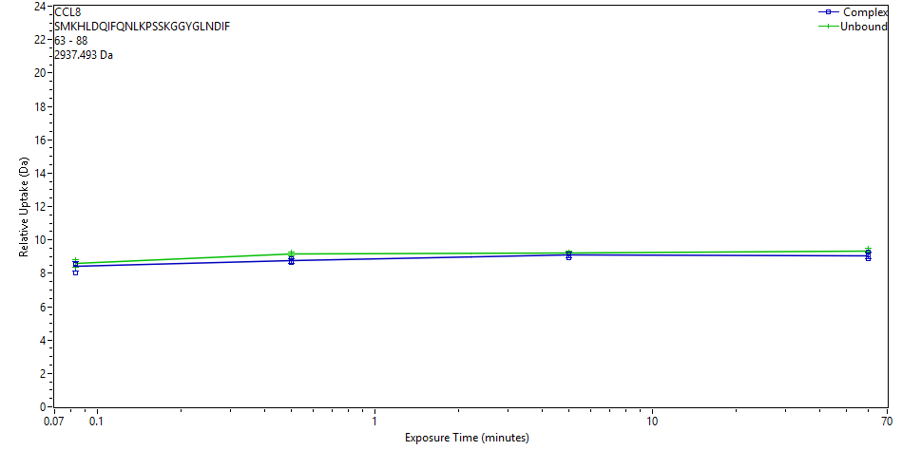
 | File | State | Exposure | Uptake | Uptake SD | Center | Center SD | p-Value Two tailed T-test
 | CD_3s_1 | Complex | 0.083 | 8.0232 | 0.1136 | 2947.3208 | 0 | 0.4326
 | CD_3s_2 | Complex | 0.083 | 8.5449 | 0.1293 | 2947.8425 | 0
 | CD_3s_3 | Complex | 0.083 | 8.5909 | 0.1086 | 2947.8886 | 0
 | CD_30s_1 | Complex | 0.5 | 8.6225 | 0.1494 | 2947.9201 | 0 | 0.0093
 | CD_30s_2 | Complex | 0.5 | 8.8612 | 0.1135 | 2948.1589 | 0
 | CD_30s_3 | Complex | 0.5 | 8.7 | 0.1249 | 2947.9977 | 0
 | CD_300s_1 | Complex | 5 | 9.1536 | 0.1013 | 2948.4512 | 0 | 0.1941
 | CD_300s_2 | Complex | 5 | 8.9085 | 0.1122 | 2948.2062 | 0
 | CD_300s_3 | Complex | 5 | 9.1789 | 0.114 | 2948.4766 | 0
 | Complex_60min_1 | Complex | 60 | 9.2696 | 0.121 | 2948.5672 | 0 | 0.0974
 | Complex_60min_2 | Complex | 60 | 9.0989 | 0.0819 | 2948.3966 | 0
 | Complex_60min_3 | Complex | 60 | 8.8851 | 0.1177 | 2948.1827 | 0
 | CCL8_3s_2 | Unbound | 0.083 | 8.6256 | 0.1459 | 2947.9232 | 0
 | CCL8_3s_3 | Unbound | 0.083 | 8.3331 | 0.1343 | 2947.6308 | 0
 | CCL8_3s_1 | Unbound | 0.083 | 8.7914 | 0.1286 | 2948.089 | 0
 | CCL8_30s_1 | Unbound | 0.5 | 9.2768 | 0.1027 | 2948.5745 | 0
 | CCL8_30s_2 | Unbound | 0.5 | 9.1509 | 0.078 | 2948.4486 | 0
 | CCL8_30s_3 | Unbound | 0.5 | 9.067 | 0.0897 | 2948.3647 | 0
 | CCL8_300s_1 | Unbound | 5 | 9.2689 | 0.1053 | 2948.5666 | 0
 | CCL8_300s_2 | Unbound | 5 | 9.2371 | 0.1045 | 2948.5347 | 0
 | CCL8_300s_3 | Unbound | 5 | 9.1637 | 0.1012 | 2948.4613 | 0
 | CCL8_60 min_1 | Unbound | 60 | 9.3251 | 0.0884 | 2948.6228 | 0
 | CCL8_60 min_2a | Unbound | 60 | 9.4989 | 0.1688 | 2948.7966 | 0
 | CCL8_60 min_3 | Unbound | 60 | 9.2733 | 0.1458 | 2948.571 | 0
CCL8 | 63 | 89 | SMKHLDQIFQNLKPSSKGGYGLNDIFE |  |  | 25 | 3066.5353
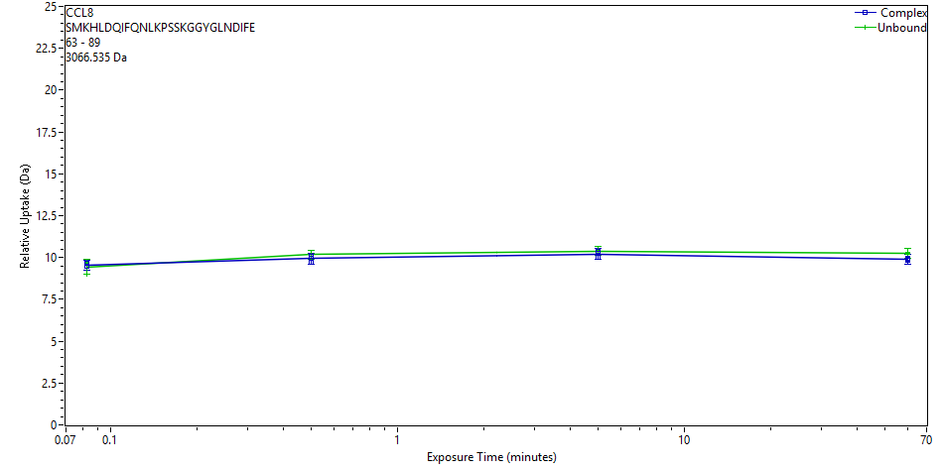
 | File | State | Exposure | Uptake | Uptake SD | Center | Center SD | p-Value Two tailed T-test
 | CD_3s_1 | Complex | 0.083 | 9.492 | 0.2774 | 3077.8208 | 0 | 0.7488
 | CD_3s_2 | Complex | 0.083 | 9.4562 | 0.2774 | 3077.7851 | 0
 | CD_3s_3 | Complex | 0.083 | 9.6626 | 0.2774 | 3077.9914 | 0
 | CD_30s_1 | Complex | 0.5 | 9.6924 | 0.2774 | 3078.0212 | 0 | 0.0982
 | CD_30s_2 | Complex | 0.5 | 10.0797 | 0.2774 | 3078.4085 | 0
 | CD_30s_3 | Complex | 0.5 | 9.9423 | 0.2774 | 3078.2712 | 0
 | CD_300s_1 | Complex | 5 | 10.3655 | 0.2774 | 3078.6943 | 0 | 0.1670
 | CD_300s_2 | Complex | 5 | 10 | 0.2774 | 3078.3288 | 0
 | CD_300s_3 | Complex | 5 | 10.2635 | 0.2774 | 3078.5923 | 0
 | Complex_60min_1 | Complex | 60 | 9.8492 | 0.2774 | 3078.1781 | 0 | 0.0012
 | Complex_60min_2 | Complex | 60 | 9.951 | 0.2774 | 3078.2798 | 0
 | Complex_60min_3 | Complex | 60 | 9.8805 | 0.2774 | 3078.2093 | 0
 | CCL8_3s_2 | Unbound | 0.083 | 9.6674 | 0.2774 | 3077.9962 | 0
 | CCL8_3s_3 | Unbound | 0.083 | 9.014 | 0.2774 | 3077.3428 | 0
 | CCL8_3s_1 | Unbound | 0.083 | 9.6917 | 0.2774 | 3078.0205 | 0
 | CCL8_30s_1 | Unbound | 0.5 | 10.2147 | 0.2774 | 3078.5436 | 0
 | CCL8_30s_2 | Unbound | 0.5 | 10.1748 | 0.2774 | 3078.5036 | 0
 | CCL8_30s_3 | Unbound | 0.5 | 10.0917 | 0.2774 | 3078.4206 | 0
 | CCL8_300s_1 | Unbound | 5 | 10.3915 | 0.2774 | 3078.7204 | 0
 | CCL8_300s_2 | Unbound | 5 | 10.3707 | 0.2774 | 3078.6996 | 0
 | CCL8_300s_3 | Unbound | 5 | 10.4231 | 0.2774 | 3078.7519 | 0
 | CCL8_60 min_1 | Unbound | 60 | 10.2106 | 0.2774 | 3078.5395 | 0
 | CCL8_60 min_2a | Unbound | 60 | 10.3225 | 0.2774 | 3078.6513 | 0
 | CCL8_60 min_3 | Unbound | 60 | 10.2428 | 0.2774 | 3078.5717 | 0
CCL8 | 65 | 86 | KHLDQIFQNLKPSSKGGYGLND |  |  | 20 | 2459.2677
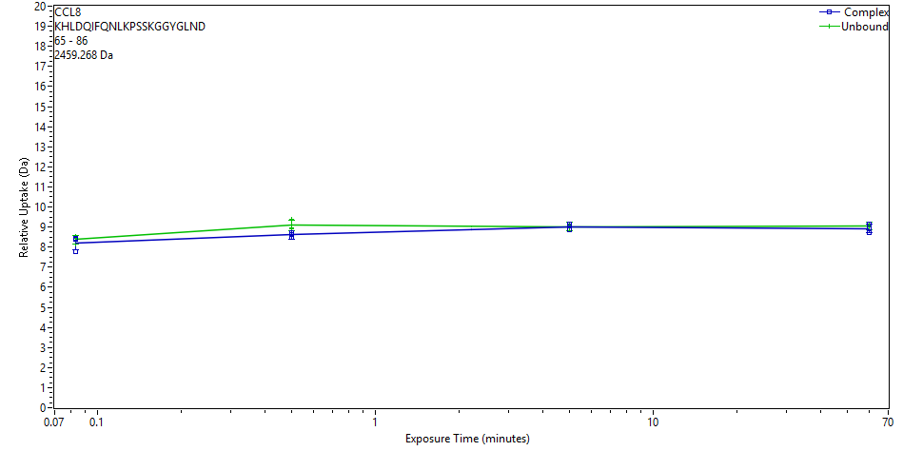
 | File | State | Exposure | Uptake | Uptake SD | Center | Center SD | p-Value Two tailed T-test
 | CD_3s_1 | Complex | 0.083 | 7.7821 | 0.161 | 2468.4167 | 0 | 0.5029
 | CD_3s_2 | Complex | 0.083 | 8.3857 | 0.2531 | 2469.0203 | 0
 | CD_3s_3 | Complex | 0.083 | 8.4376 | 0.1134 | 2469.0722 | 0
 | CD_30s_1 | Complex | 0.5 | 8.4876 | 0.1366 | 2469.1222 | 0 | 0.0448
 | CD_30s_2 | Complex | 0.5 | 8.7049 | 0.2549 | 2469.3395 | 0
 | CD_30s_3 | Complex | 0.5 | 8.6319 | 0.1158 | 2469.2666 | 0
 | CD_300s_1 | Complex | 5 | 9.0424 | 0.1195 | 2469.6771 | 0 | 0.9407
 | CD_300s_2 | Complex | 5 | 8.8516 | 0.1475 | 2469.4862 | 0
 | CD_300s_3 | Complex | 5 | 9.1483 | 0.2175 | 2469.7829 | 0
 | Complex_60min_1 | Complex | 60 | 9.1565 | 0.1274 | 2469.7911 | 0 | 0.3631
 | Complex_60min_2 | Complex | 60 | 8.9457 | 0.1119 | 2469.5803 | 0
 | Complex_60min_3 | Complex | 60 | 8.6989 | 0.1314 | 2469.3336 | 0
 | CCL8_3s_2 | Unbound | 0.083 | 8.5184 | 0.1215 | 2469.1531 | 0
 | CCL8_3s_3 | Unbound | 0.083 | 8.1662 | 0.1313 | 2468.8009 | 0
 | CCL8_3s_1 | Unbound | 0.083 | 8.4414 | 0.2386 | 2469.076 | 0
 | CCL8_30s_1 | Unbound | 0.5 | 9.3876 | 0.1216 | 2470.0222 | 0
 | CCL8_30s_2 | Unbound | 0.5 | 8.9623 | 0.1647 | 2469.5969 | 0
 | CCL8_30s_3 | Unbound | 0.5 | 8.9042 | 0.1291 | 2469.5388 | 0
 | CCL8_300s_1 | Unbound | 5 | 9.0947 | 0.2294 | 2469.7293 | 0
 | CCL8_300s_2 | Unbound | 5 | 8.9524 | 0.1292 | 2469.587 | 0
 | CCL8_300s_3 | Unbound | 5 | 9.018 | 0.2418 | 2469.6526 | 0
 | CCL8_60 min_1 | Unbound | 60 | 9.0215 | 0.2305 | 2469.6561 | 0
 | CCL8_60 min_2a | Unbound | 60 | 9.0843 | 0.126 | 2469.7189 | 0
 | CCL8_60 min_3 | Unbound | 60 | 9.1101 | 0.1111 | 2469.7448 | 0
CCL8 | 65 | 88 | KHLDQIFQNLKPSSKGGYGLNDIF |  |  | 22 | 2719.4202
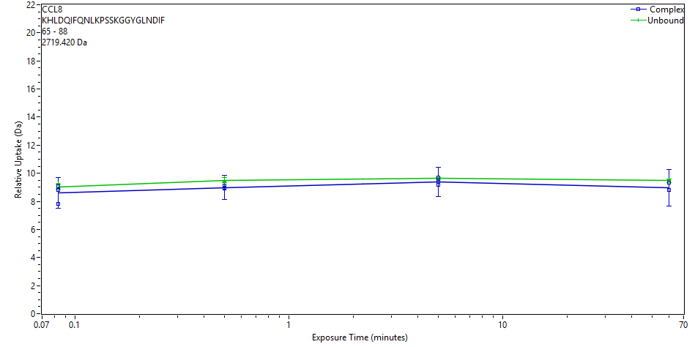
 | File | State | Exposure | Uptake | Uptake SD | Center | Center SD | p-Value Two tailed T-test
 | CD_3s_1 | Complex | 0.083 | 7.8381 | 1.611 | 2728.6573 | 0 | 0.2825
 | CD_3s_2 | Complex | 0.083 | 8.7994 | 0.3075 | 2729.6186 | 0
 | CD_3s_3 | Complex | 0.083 | 9.0683 | 0.483 | 2729.8874 | 0
 | CD_30s_1 | Complex | 0.5 | 9.1382 | 0.3269 | 2729.9573 | 0 | 0.0175
 | CD_30s_2 | Complex | 0.5 | 8.9643 | 1.3067 | 2729.7835 | 0
 | CD_30s_3 | Complex | 0.5 | 8.9122 | 0.5101 | 2729.7313 | 0
 | CD_300s_1 | Complex | 5 | 9.1525 | 1.6439 | 2729.9717 | 0 | 0.2437
 | CD_300s_2 | Complex | 5 | 9.3889 | 0.2919 | 2730.208 | 0
 | CD_300s_3 | Complex | 5 | 9.6747 | 0.4035 | 2730.4939 | 0
 | Complex_60min_1 | Complex | 60 | 9.3179 | 1.1709 | 2730.1371 | 0 | 0.0564
 | Complex_60min_2 | Complex | 60 | 8.829 | 1.3226 | 2729.6482 | 0
 | Complex_60min_3 | Complex | 60 | 8.8003 | 1.3313 | 2729.6195 | 0
 | CCL8_3s_2 | Unbound | 0.083 | 8.9927 | 0.0866 | 2729.9161 | 0
 | CCL8_3s_3 | Unbound | 0.083 | 8.8888 | 0.0866 | 2729.8122 | 0
 | CCL8_3s_1 | Unbound | 0.083 | 9.2813 | 0.0866 | 2730.2047 | 0
 | CCL8_30s_1 | Unbound | 0.5 | 9.7156 | 0.0866 | 2730.639 | 0
 | CCL8_30s_2 | Unbound | 0.5 | 9.3666 | 0.0866 | 2730.29 | 0
 | CCL8_30s_3 | Unbound | 0.5 | 9.4262 | 0.0866 | 2730.3497 | 0
 | CCL8_300s_1 | Unbound | 5 | 9.6592 | 0.0866 | 2730.5826 | 0
 | CCL8_300s_2 | Unbound | 5 | 9.6538 | 0.0866 | 2730.5772 | 0
 | CCL8_300s_3 | Unbound | 5 | 9.5414 | 0.0866 | 2730.4648 | 0
 | CCL8_60 min_1 | Unbound | 60 | 9.5022 | 0.0866 | 2730.4256 | 0
 | CCL8_60 min_2a | Unbound | 60 | 9.339 | 0.0866 | 2730.2624 | 0
 | CCL8_60 min_3 | Unbound | 60 | 9.5264 | 0.0866 | 2730.4498 | 0
CCL8 | 68 | 85 | DQIFQNLKPSSKGGYGLN |  |  | 16 | 1966.0029
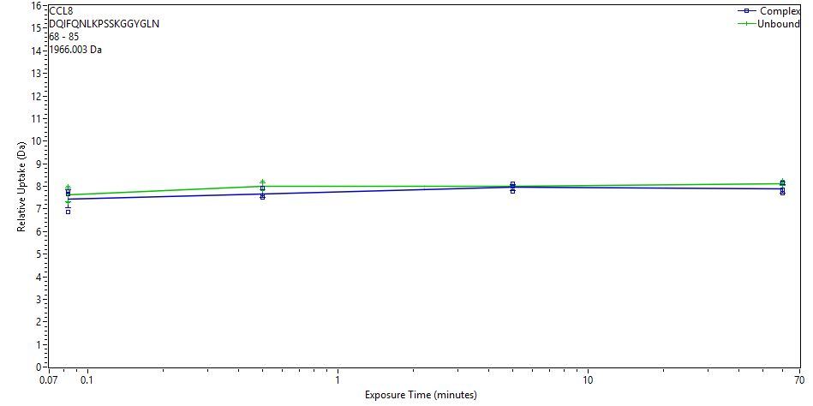
 | File | State | Exposure | Uptake | Uptake SD | Center | Center SD | p-Value Two tailed T-test
 | CD_3s_1 | Complex | 0.083 | 6.8497 | 0.0171 | 1973.9542 | 0 | 0.5734
 | CD_3s_2 | Complex | 0.083 | 7.7636 | 0.0171 | 1974.8682 | 0
 | CD_3s_3 | Complex | 0.083 | 7.6632 | 0.0171 | 1974.7678 | 0
 | CD_30s_1 | Complex | 0.5 | 7.5995 | 0.0171 | 1974.7041 | 0 | 0.1111
 | CD_30s_2 | Complex | 0.5 | 7.908 | 0.0171 | 1975.0126 | 0
 | CD_30s_3 | Complex | 0.5 | 7.5243 | 0.0171 | 1974.6289 | 0
 | CD_300s_1 | Complex | 5 | 7.9863 | 0.0171 | 1975.0908 | 0 | 0.6219
 | CD_300s_2 | Complex | 5 | 7.7595 | 0.0171 | 1974.8641 | 0
 | CD_300s_3 | Complex | 5 | 8.1005 | 0.0171 | 1975.2051 | 0
 | Complex_60min_1 | Complex | 60 | 8.15 | 0.0171 | 1975.2545 | 0 | 0.1710
 | Complex_60min_2 | Complex | 60 | 7.8401 | 0.0171 | 1974.9447 | 0
 | Complex_60min_3 | Complex | 60 | 7.6796 | 0.0171 | 1974.7841 | 0
 | CCL8_3s_2 | Unbound | 0.083 | 7.6464 | 0.0171 | 1974.751 | 0
 | CCL8_3s_3 | Unbound | 0.083 | 7.2813 | 0.0171 | 1974.3858 | 0
 | CCL8_3s_1 | Unbound | 0.083 | 8.0043 | 0.0171 | 1975.1089 | 0
 | CCL8_30s_1 | Unbound | 0.5 | 8.2107 | 0.0171 | 1975.3153 | 0
 | CCL8_30s_2 | Unbound | 0.5 | 7.9811 | 0.0171 | 1975.0856 | 0
 | CCL8_30s_3 | Unbound | 0.5 | 7.8285 | 0.0171 | 1974.933 | 0
 | CCL8_300s_1 | Unbound | 5 | 7.9708 | 0.0171 | 1975.0753 | 0
 | CCL8_300s_2 | Unbound | 5 | 8.0283 | 0.0171 | 1975.1329 | 0
 | CCL8_300s_3 | Unbound | 5 | 8.0099 | 0.0171 | 1975.1144 | 0
 | CCL8_60 min_1 | Unbound | 60 | 8.1115 | 0.0171 | 1975.2161 | 0
 | CCL8_60 min_2a | Unbound | 60 | 8.2512 | 0.0171 | 1975.3558 | 0
 | CCL8_60 min_3 | Unbound | 60 | 8.0558 | 0.0171 | 1975.1603 | 0
CCL8 | 68 | 86 | DQIFQNLKPSSKGGYGLND |  |  | 17 | 2081.0298
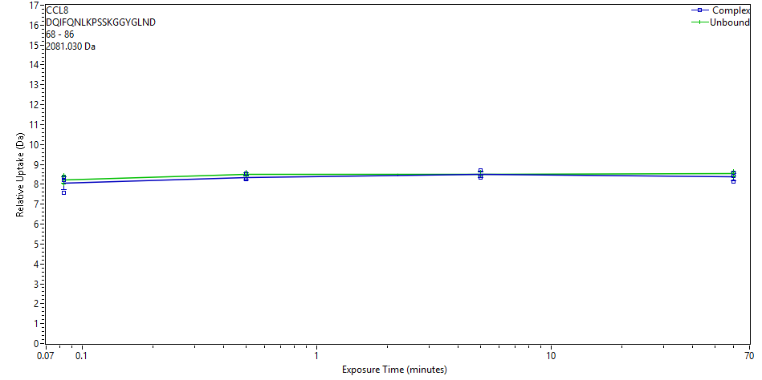
 | File | State | Exposure | Uptake | Uptake SD | Center | Center SD | p-Value Two tailed T-test
 | CD_3s_1 | Complex | 0.083 | 7.5808 | 0.0153 | 2089.7371 | 0 | 0.5170
 | CD_3s_2 | Complex | 0.083 | 8.3267 | 0.0153 | 2090.4831 | 0
 | CD_3s_3 | Complex | 0.083 | 8.2187 | 0.0153 | 2090.375 | 0
 | CD_30s_1 | Complex | 0.5 | 8.2454 | 0.0153 | 2090.4017 | 0 | 0.2047
 | CD_30s_2 | Complex | 0.5 | 8.5319 | 0.0153 | 2090.6882 | 0
 | CD_30s_3 | Complex | 0.5 | 8.254 | 0.0153 | 2090.4103 | 0
 | CD_300s_1 | Complex | 5 | 8.6972 | 0.0153 | 2090.8535 | 0 | 0.8517
 | CD_300s_2 | Complex | 5 | 8.3352 | 0.0153 | 2090.4916 | 0
 | CD_300s_3 | Complex | 5 | 8.4369 | 0.0153 | 2090.5933 | 0
 | Complex_60min_1 | Complex | 60 | 8.5778 | 0.0153 | 2090.7342 | 0 | 0.3514
 | Complex_60min_2 | Complex | 60 | 8.4091 | 0.0153 | 2090.5654 | 0
 | Complex_60min_3 | Complex | 60 | 8.1474 | 0.0153 | 2090.3037 | 0
 | CCL8_3s_2 | Unbound | 0.083 | 8.2265 | 0.0153 | 2090.3829 | 0
 | CCL8_3s_3 | Unbound | 0.083 | 8.017 | 0.0153 | 2090.1733 | 0
 | CCL8_3s_1 | Unbound | 0.083 | 8.4433 | 0.0153 | 2090.5997 | 0
 | CCL8_30s_1 | Unbound | 0.5 | 8.6229 | 0.0153 | 2090.7792 | 0
 | CCL8_30s_2 | Unbound | 0.5 | 8.4638 | 0.0153 | 2090.6201 | 0
 | CCL8_30s_3 | Unbound | 0.5 | 8.4435 | 0.0153 | 2090.5998 | 0
 | CCL8_300s_1 | Unbound | 5 | 8.5035 | 0.0153 | 2090.6598 | 0
 | CCL8_300s_2 | Unbound | 5 | 8.6284 | 0.0153 | 2090.7848 | 0
 | CCL8_300s_3 | Unbound | 5 | 8.412 | 0.0153 | 2090.5683 | 0
 | CCL8_60 min_1 | Unbound | 60 | 8.5475 | 0.0153 | 2090.7039 | 0
 | CCL8_60 min_2a | Unbound | 60 | 8.6508 | 0.0153 | 2090.8072 | 0
 | CCL8_60 min_3 | Unbound | 60 | 8.3959 | 0.0153 | 2090.5523 | 0
CCL8 | 68 | 88 | DQIFQNLKPSSKGGYGLNDIF |  |  | 19 | 2341.1823
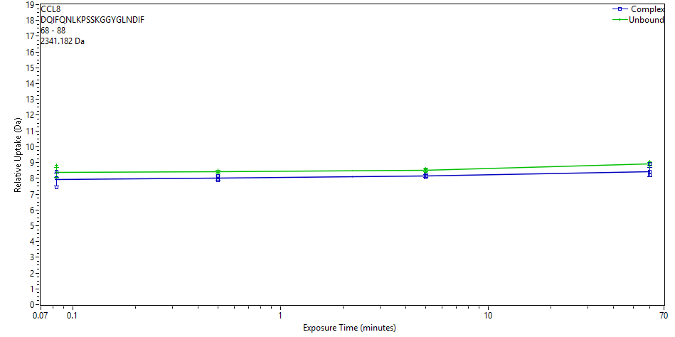
 | File | State | Exposure | Uptake | Uptake SD | Center | Center SD | p-Value Two tailed T-test
 | CD_3s_1 | Complex | 0.083 | 7.4197 | 0.0169 | 2349.9523 | 0 | 0.2702
 | CD_3s_2 | Complex | 0.083 | 8.435 | 0.0169 | 2350.9677 | 0
 | CD_3s_3 | Complex | 0.083 | 8.0336 | 0.0169 | 2350.5663 | 0
 | CD_30s_1 | Complex | 0.5 | 7.8658 | 0.0169 | 2350.3984 | 0 | 0.0104
 | CD_30s_2 | Complex | 0.5 | 8.156 | 0.0169 | 2350.6886 | 0
 | CD_30s_3 | Complex | 0.5 | 7.9599 | 0.0169 | 2350.4926 | 0
 | CD_300s_1 | Complex | 5 | 8.2229 | 0.0169 | 2350.7556 | 0 | 0.0115
 | CD_300s_2 | Complex | 5 | 8.0424 | 0.0169 | 2350.575 | 0
 | CD_300s_3 | Complex | 5 | 8.1643 | 0.0169 | 2350.697 | 0
 | Complex_60min_1 | Complex | 60 | 8.9036 | 0.0169 | 2351.4363 | 0 | 0.1314
 | Complex_60min_2 | Complex | 60 | 8.4155 | 0.0169 | 2350.9482 | 0
 | Complex_60min_3 | Complex | 60 | 8.1805 | 0.0169 | 2350.7132 | 0
 | CCL8_3s_2 | Unbound | 0.083 | 8.3961 | 0.0169 | 2350.9287 | 0
 | CCL8_3s_3 | Unbound | 0.083 | 8.0699 | 0.0169 | 2350.6026 | 0
 | CCL8_3s_1 | Unbound | 0.083 | 8.8455 | 0.0169 | 2351.3781 | 0
 | CCL8_30s_1 | Unbound | 0.5 | 8.4945 | 0.0169 | 2351.0271 | 0
 | CCL8_30s_2 | Unbound | 0.5 | 8.404 | 0.0169 | 2350.9366 | 0
 | CCL8_30s_3 | Unbound | 0.5 | 8.3635 | 0.1583 | 2350.8961 | 0
 | CCL8_300s_1 | Unbound | 5 | 8.383 | 0.0357 | 2350.9156 | 0
 | CCL8_300s_2 | Unbound | 5 | 8.5788 | 0.0856 | 2351.1114 | 0
 | CCL8_300s_3 | Unbound | 5 | 8.5709 | 0.0845 | 2351.1035 | 0
 | CCL8_60 min_1 | Unbound | 60 | 8.9288 | 0.0169 | 2351.4614 | 0
 | CCL8_60 min_2a | Unbound | 60 | 9.0417 | 0.0169 | 2351.5743 | 0
 | CCL8_60 min_3 | Unbound | 60 | 8.801 | 0.0169 | 2351.3336 | 0
CCL8 | 70 | 85 | IFQNLKPSSKGGYGLN |  |  | 14 | 1722.9173
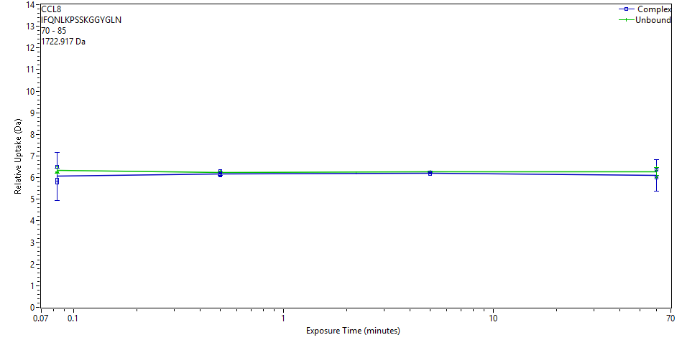
 | File | State | Exposure | Uptake | Uptake SD | Center | Center SD | p-Value Two tailed T-test
 | CD_3s_1 | Complex | 0.083 | 5.7679 | 0.3311 | 1729.6819 | 0 | 0.3119
 | CD_3s_2 | Complex | 0.083 | 6.5022 | 0.0133 | 1730.4162 | 0
 | CD_3s_3 | Complex | 0.083 | 5.894 | 1.794 | 1729.808 | 0
 | CD_30s_1 | Complex | 0.5 | 6.1223 | 0.0133 | 1730.0363 | 0 | 0.5347
 | CD_30s_2 | Complex | 0.5 | 6.301 | 0.0133 | 1730.215 | 0
 | CD_30s_3 | Complex | 0.5 | 6.1169 | 0.0133 | 1730.0308 | 0
 | CD_300s_1 | Complex | 5 | 6.2439 | 0.0133 | 1730.1579 | 0 | 0.1493
 | CD_300s_2 | Complex | 5 | 6.1797 | 0.0133 | 1730.0937 | 0
 | CD_300s_3 | Complex | 5 | 6.2266 | 0.0133 | 1730.1406 | 0
 | Complex_60min_1 | Complex | 60 | 6.3715 | 0.0133 | 1730.2855 | 0 | 0.4571
 | Complex_60min_2 | Complex | 60 | 5.9985 | 1.2195 | 1729.9125 | 0
 | Complex_60min_3 | Complex | 60 | 6.0089 | 0.0133 | 1729.9229 | 0
 | CCL8_3s_2 | Unbound | 0.083 | 6.2639 | 0.0133 | 1730.1779 | 0
 | CCL8_3s_3 | Unbound | 0.083 | 6.2385 | 0.0133 | 1730.1525 | 0
 | CCL8_3s_1 | Unbound | 0.083 | 6.4991 | 0.0133 | 1730.4131 | 0
 | CCL8_30s_1 | Unbound | 0.5 | 6.2908 | 0.0133 | 1730.2048 | 0
 | CCL8_30s_2 | Unbound | 0.5 | 6.1899 | 0.0133 | 1730.1039 | 0
 | CCL8_30s_3 | Unbound | 0.5 | 6.199 | 0.0133 | 1730.113 | 0
 | CCL8_300s_1 | Unbound | 5 | 6.2846 | 0.0133 | 1730.1986 | 0
 | CCL8_300s_2 | Unbound | 5 | 6.2747 | 0.0133 | 1730.1886 | 0
 | CCL8_300s_3 | Unbound | 5 | 6.2287 | 0.0133 | 1730.1427 | 0
 | CCL8_60 min_1 | Unbound | 60 | 6.3379 | 0.0133 | 1730.2519 | 0
 | CCL8_60 min_2a | Unbound | 60 | 6.4786 | 0.0133 | 1730.3926 | 0
 | CCL8_60 min_3 | Unbound | 60 | 6.0159 | 0.0133 | 1729.9299 | 0
CCL8 | 70 | 88 | IFQNLKPSSKGGYGLNDIF |  |  | 17 | 2098.0968
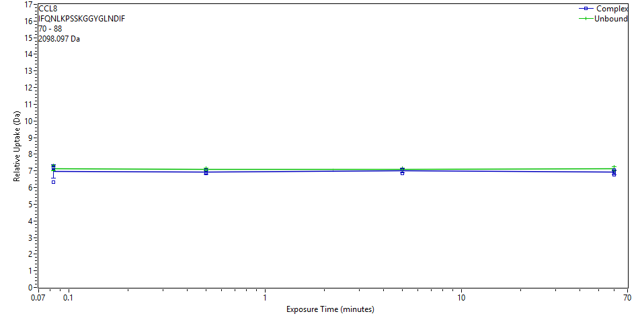
 | File | State | Exposure | Uptake | Uptake SD | Center | Center SD | p-Value Two tailed T-test
 | CD_3s_1 | Complex | 0.083 | 6.3425 | 0.0513 | 2105.657 | 0 | 0.5017
 | CD_3s_2 | Complex | 0.083 | 7.2283 | 0.05 | 2106.5428 | 0
 | CD_3s_3 | Complex | 0.083 | 7.187 | 0.0488 | 2106.5015 | 0
 | CD_30s_1 | Complex | 0.5 | 6.8883 | 0.0679 | 2106.2028 | 0 | 0.0856
 | CD_30s_2 | Complex | 0.5 | 7.0382 | 0.0513 | 2106.3527 | 0
 | CD_30s_3 | Complex | 0.5 | 6.8479 | 0.0499 | 2106.1624 | 0
 | CD_300s_1 | Complex | 5 | 7.0906 | 0.0504 | 2106.4051 | 0 | 0.3624
 | CD_300s_2 | Complex | 5 | 6.8415 | 0.0506 | 2106.156 | 0
 | CD_300s_3 | Complex | 5 | 7.0746 | 0.0708 | 2106.3891 | 0
 | Complex_60min_1 | Complex | 60 | 7.0673 | 0.0565 | 2106.3817 | 0 | 0.1874
 | Complex_60min_2 | Complex | 60 | 6.9619 | 0.0587 | 2106.2764 | 0
 | Complex_60min_3 | Complex | 60 | 6.773 | 0.0769 | 2106.0875 | 0
 | CCL8_3s_2 | Unbound | 0.083 | 7.0626 | 0.0504 | 2106.3771 | 0
 | CCL8_3s_3 | Unbound | 0.083 | 7.0277 | 0.0535 | 2106.3422 | 0
 | CCL8_3s_1 | Unbound | 0.083 | 7.3434 | 0.0488 | 2106.6579 | 0
 | CCL8_30s_1 | Unbound | 0.5 | 7.1741 | 0.0518 | 2106.4886 | 0
 | CCL8_30s_2 | Unbound | 0.5 | 7.025 | 0.0531 | 2106.3395 | 0
 | CCL8_30s_3 | Unbound | 0.5 | 7.0711 | 0.054 | 2106.3856 | 0
 | CCL8_300s_1 | Unbound | 5 | 7.1627 | 0.0497 | 2106.4772 | 0
 | CCL8_300s_2 | Unbound | 5 | 7.0944 | 0.0511 | 2106.4089 | 0
 | CCL8_300s_3 | Unbound | 5 | 7.0259 | 0.0529 | 2106.3404 | 0
 | CCL8_60 min_1 | Unbound | 60 | 7.1408 | 0.0523 | 2106.4553 | 0
 | CCL8_60 min_2a | Unbound | 60 | 7.2681 | 0.0492 | 2106.5826 | 0
 | CCL8_60 min_3 | Unbound | 60 | 6.9722 | 0.0494 | 2106.2867 | 0
CCL8 | 71 | 88 | FQNLKPSSKGGYGLNDIF |  |  | 16 | 1985.0127
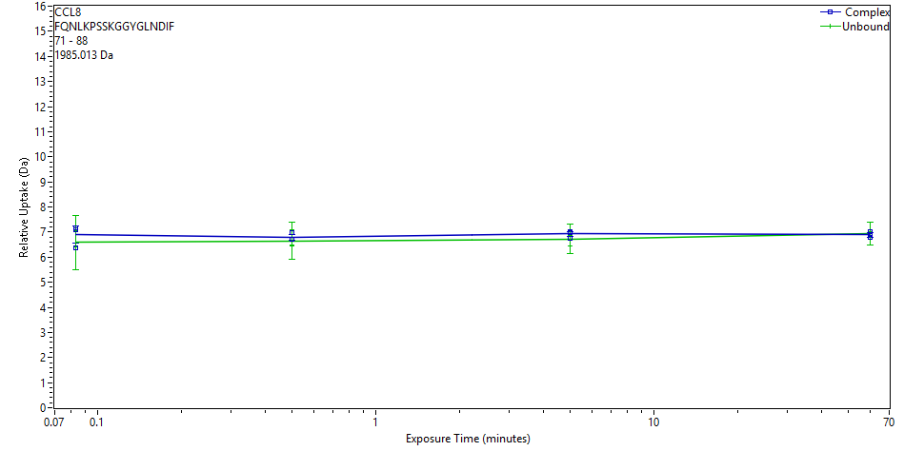
 | File | State | Exposure | Uptake | Uptake SD | Center | Center SD | p-Value Two tailed T-test
 | CD_3s_1 | Complex | 0.083 | 6.3755 | 0.0068 | 1992.5133 | 0 | 0.4631
 | CD_3s_2 | Complex | 0.083 | 7.1032 | 0.0068 | 1993.241 | 0
 | CD_3s_3 | Complex | 0.083 | 7.1746 | 0.0068 | 1993.3124 | 0
 | CD_30s_1 | Complex | 0.5 | 6.7247 | 0.0068 | 1992.8625 | 0 | 0.5958
 | CD_30s_2 | Complex | 0.5 | 6.96 | 0.0068 | 1993.0978 | 0
 | CD_30s_3 | Complex | 0.5 | 6.7168 | 0.0068 | 1992.8546 | 0
 | CD_300s_1 | Complex | 5 | 7.0067 | 0.0068 | 1993.1445 | 0 | 0.2789
 | CD_300s_2 | Complex | 5 | 6.7635 | 0.0068 | 1992.9013 | 0
 | CD_300s_3 | Complex | 5 | 6.995 | 0.0068 | 1993.1328 | 0
 | Complex_60min_1 | Complex | 60 | 7.0091 | 0.0068 | 1993.1469 | 0 | 0.5695
 | Complex_60min_2 | Complex | 60 | 6.8973 | 0.0068 | 1993.035 | 0
 | Complex_60min_3 | Complex | 60 | 6.7762 | 0.0068 | 1992.914 | 0
 | CCL8_3s_2 | Unbound | 0.083 | 6.4046 | 1.5733 | 1992.5426 | 0
 | CCL8_3s_3 | Unbound | 0.083 | 6.3981 | 0.8178 | 1992.5361 | 0
 | CCL8_3s_1 | Unbound | 0.083 | 7.0415 | 0.5154 | 1993.1795 | 0
 | CCL8_30s_1 | Unbound | 0.5 | 7.0871 | 0.1259 | 1993.225 | 0
 | CCL8_30s_2 | Unbound | 0.5 | 6.4359 | 0.947 | 1992.5739 | 0
 | CCL8_30s_3 | Unbound | 0.5 | 6.4938 | 0.6324 | 1992.6318 | 0
 | CCL8_300s_1 | Unbound | 5 | 6.8649 | 0.4022 | 1993.0029 | 0
 | CCL8_300s_2 | Unbound | 5 | 6.8566 | 0.3118 | 1992.9945 | 0
 | CCL8_300s_3 | Unbound | 5 | 6.4528 | 0.8051 | 1992.5908 | 0
 | CCL8_60 min_1 | Unbound | 60 | 6.9523 | 0.092 | 1993.0902 | 0
 | CCL8_60 min_2a | Unbound | 60 | 7.0023 | 0.5136 | 1993.1403 | 0
 | CCL8_60 min_3 | Unbound | 60 | 6.8715 | 0.7008 | 1993.0095 | 0
CCL8 | 72 | 86 | QNLKPSSKGGYGLND |  |  | 13 | 1577.7918
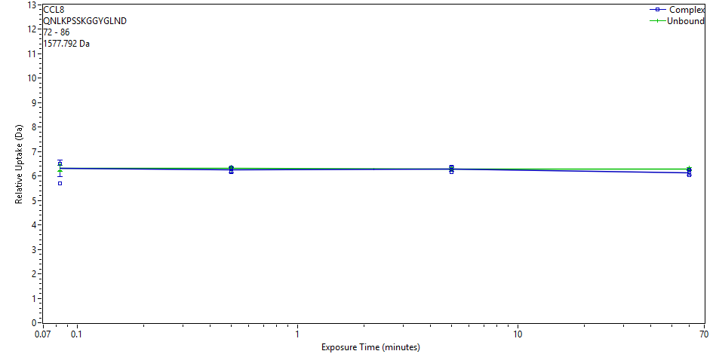
 | File | State | Exposure | Uptake | Uptake SD | Center | Center SD | p-Value Two tailed T-test
 | CD_3s_1 | Complex | 0.083 | 5.7143 | 0.0332 | 1584.3042 | 0 | 0.8081
 | CD_3s_2 | Complex | 0.083 | 6.5096 | 0.0316 | 1585.0994 | 0
 | CD_3s_3 | Complex | 0.083 | 6.5054 | 0.0316 | 1585.0953 | 0
 | CD_30s_1 | Complex | 0.5 | 6.181 | 0.0322 | 1584.7709 | 0 | 0.3173
 | CD_30s_2 | Complex | 0.5 | 6.3564 | 0.0319 | 1584.9463 | 0
 | CD_30s_3 | Complex | 0.5 | 6.1674 | 0.0328 | 1584.7572 | 0
 | CD_300s_1 | Complex | 5 | 6.3572 | 0.0327 | 1584.9471 | 0 | 0.9681
 | CD_300s_2 | Complex | 5 | 6.1509 | 0.0324 | 1584.7408 | 0
 | CD_300s_3 | Complex | 5 | 6.367 | 0.0334 | 1584.9569 | 0
 | Complex_60min_1 | Complex | 60 | 6.2538 | 0.0413 | 1584.8437 | 0 | 0.1317
 | Complex_60min_2 | Complex | 60 | 6.1467 | 0.0396 | 1584.7365 | 0
 | Complex_60min_3 | Complex | 60 | 6.0368 | 0.0352 | 1584.6267 | 0
 | CCL8_3s_2 | Unbound | 0.083 | 6.2359 | 0.0332 | 1584.8258 | 0
 | CCL8_3s_3 | Unbound | 0.083 | 6.2327 | 0.0326 | 1584.8227 | 0
 | CCL8_3s_1 | Unbound | 0.083 | 6.4758 | 0.0333 | 1585.0657 | 0
 | CCL8_30s_1 | Unbound | 0.5 | 6.3855 | 0.0321 | 1584.9754 | 0
 | CCL8_30s_2 | Unbound | 0.5 | 6.2982 | 0.0317 | 1584.8881 | 0
 | CCL8_30s_3 | Unbound | 0.5 | 6.2637 | 0.0316 | 1584.8536 | 0
 | CCL8_300s_1 | Unbound | 5 | 6.3383 | 0.0326 | 1584.9282 | 0
 | CCL8_300s_2 | Unbound | 5 | 6.2983 | 0.0334 | 1584.8882 | 0
 | CCL8_300s_3 | Unbound | 5 | 6.2481 | 0.0313 | 1584.8381 | 0
 | CCL8_60 min_1 | Unbound | 60 | 6.271 | 0.0418 | 1584.861 | 0
 | CCL8_60 min_2a | Unbound | 60 | 6.344 | 0.0354 | 1584.934 | 0
 | CCL8_60 min_3 | Unbound | 60 | 6.2269 | 0.0314 | 1584.8169 | 0
CCL8 | 72 | 88 | QNLKPSSKGGYGLNDIF |  |  | 15 | 1837.9443
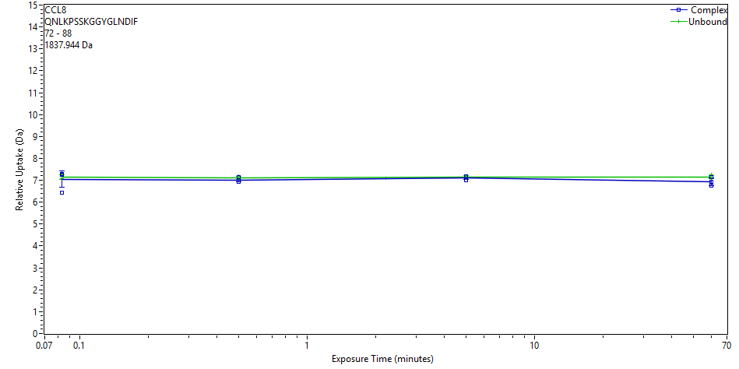
 | File | State | Exposure | Uptake | Uptake SD | Center | Center SD | p-Value Two tailed T-test
 | CD_3s_1 | Complex | 0.083 | 6.4165 | 0.0413 | 1845.3722 | 0 | 0.6054
 | CD_3s_2 | Complex | 0.083 | 7.2741 | 0.0353 | 1846.2298 | 0
 | CD_3s_3 | Complex | 0.083 | 7.2478 | 0.037 | 1846.2034 | 0
 | CD_30s_1 | Complex | 0.5 | 6.9967 | 0.0363 | 1845.9524 | 0 | 0.2526
 | CD_30s_2 | Complex | 0.5 | 7.1333 | 0.0353 | 1846.089 | 0
 | CD_30s_3 | Complex | 0.5 | 6.9155 | 0.0397 | 1845.8712 | 0
 | CD_300s_1 | Complex | 5 | 7.1932 | 0.0354 | 1846.1488 | 0 | 0.7339
 | CD_300s_2 | Complex | 5 | 6.9999 | 0.0421 | 1845.9555 | 0
 | CD_300s_3 | Complex | 5 | 7.1756 | 0.0422 | 1846.1313 | 0
 | Complex_60min_1 | Complex | 60 | 7.1356 | 0.0463 | 1846.0913 | 0 | 0.1711
 | Complex_60min_2 | Complex | 60 | 6.9366 | 0.0411 | 1845.8923 | 0
 | Complex_60min_3 | Complex | 60 | 6.7556 | 0.0462 | 1845.7113 | 0
 | CCL8_3s_2 | Unbound | 0.083 | 7.0621 | 0.0375 | 1846.0178 | 0
 | CCL8_3s_3 | Unbound | 0.083 | 7.078 | 0.0354 | 1846.0337 | 0
 | CCL8_3s_1 | Unbound | 0.083 | 7.2866 | 0.0526 | 1846.2423 | 0
 | CCL8_30s_1 | Unbound | 0.5 | 7.1733 | 0.0353 | 1846.129 | 0
 | CCL8_30s_2 | Unbound | 0.5 | 7.0642 | 0.0398 | 1846.0199 | 0
 | CCL8_30s_3 | Unbound | 0.5 | 7.0941 | 0.0392 | 1846.0498 | 0
 | CCL8_300s_1 | Unbound | 5 | 7.1906 | 0.0356 | 1846.1463 | 0
 | CCL8_300s_2 | Unbound | 5 | 7.1487 | 0.0381 | 1846.1043 | 0
 | CCL8_300s_3 | Unbound | 5 | 7.1024 | 0.0426 | 1846.0581 | 0
 | CCL8_60 min_1 | Unbound | 60 | 7.1162 | 0.036 | 1846.0719 | 0
 | CCL8_60 min_2a | Unbound | 60 | 7.2478 | 0.0433 | 1846.2034 | 0
 | CCL8_60 min_3 | Unbound | 60 | 7.0722 | 0.0354 | 1846.0278 | 0
CCL8 | 72 | 89 | QNLKPSSKGGYGLNDIFE |  |  | 16 | 1966.9869
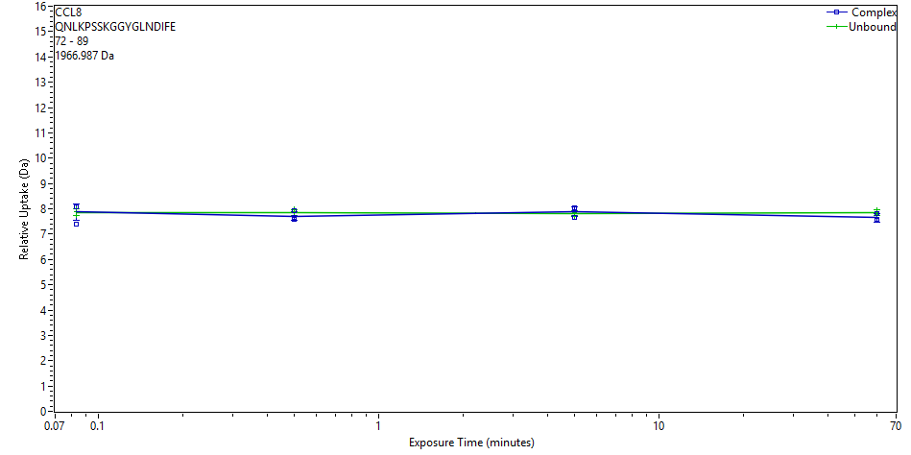
 | File | State | Exposure | Uptake | Uptake SD | Center | Center SD | p-Value Two tailed T-test
 | CD_3s_1 | Complex | 0.083 | 7.3784 | 0.1562 | 1975.4122 | 0 | 0.9346
 | CD_3s_2 | Complex | 0.083 | 8.0747 | 0.0445 | 1976.1086 | 0
 | CD_3s_3 | Complex | 0.083 | 8.0901 | 0.0374 | 1976.124 | 0
 | CD_30s_1 | Complex | 0.5 | 7.6714 | 0.0328 | 1975.7052 | 0 | 0.3105
 | CD_30s_2 | Complex | 0.5 | 7.9242 | 0.0811 | 1975.9581 | 0
 | CD_30s_3 | Complex | 0.5 | 7.5653 | 0.0396 | 1975.5991 | 0
 | CD_300s_1 | Complex | 5 | 8.0174 | 0.1066 | 1976.0513 | 0 | 0.5737
 | CD_300s_2 | Complex | 5 | 7.645 | 0.0386 | 1975.6789 | 0
 | CD_300s_3 | Complex | 5 | 8.0268 | 0.0339 | 1976.0606 | 0
 | Complex_60min_1 | Complex | 60 | 7.8231 | 0.1157 | 1975.857 | 0 | 0.1170
 | Complex_60min_2 | Complex | 60 | 7.589 | 0.0881 | 1975.6228 | 0
 | Complex_60min_3 | Complex | 60 | 7.5294 | 0.0518 | 1975.5633 | 0
 | CCL8_3s_2 | Unbound | 0.083 | 7.8837 | 0.0329 | 1975.9176 | 0
 | CCL8_3s_3 | Unbound | 0.083 | 7.7214 | 0.0555 | 1975.7552 | 0
 | CCL8_3s_1 | Unbound | 0.083 | 8.0032 | 0.0325 | 1976.037 | 0
 | CCL8_30s_1 | Unbound | 0.5 | 7.9894 | 0.0336 | 1976.0233 | 0
 | CCL8_30s_2 | Unbound | 0.5 | 7.8698 | 0.0726 | 1975.9037 | 0
 | CCL8_30s_3 | Unbound | 0.5 | 7.7458 | 0.038 | 1975.7797 | 0
 | CCL8_300s_1 | Unbound | 5 | 7.9019 | 0.0388 | 1975.9358 | 0
 | CCL8_300s_2 | Unbound | 5 | 7.8357 | 0.0333 | 1975.8695 | 0
 | CCL8_300s_3 | Unbound | 5 | 7.6951 | 0.0456 | 1975.7289 | 0
 | CCL8_60 min_1 | Unbound | 60 | 7.8358 | 0.0328 | 1975.8697 | 0
 | CCL8_60 min_2a | Unbound | 60 | 7.9511 | 0.1319 | 1975.985 | 0
 | CCL8_60 min_3 | Unbound | 60 | 7.774 | 0.0415 | 1975.8079 | 0
CCL8 | 73 | 85 | NLKPSSKGGYGLN |  |  | 11 | 1334.7063
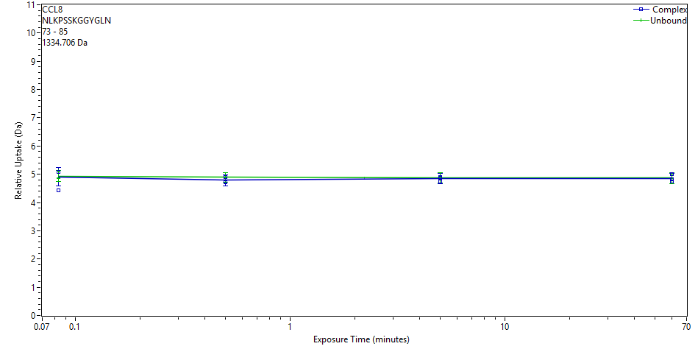
 | File | State | Exposure | Uptake | Uptake SD | Center | Center SD | p-Value Two tailed T-test
 | CD_3s_1 | Complex | 0.083 | 4.4248 | 0.1488 | 1339.7901 | 0 | 0.7502
 | CD_3s_2 | Complex | 0.083 | 5.0728 | 0.197 | 1340.438 | 0
 | CD_3s_3 | Complex | 0.083 | 5.0715 | 0.14 | 1340.4367 | 0
 | CD_30s_1 | Complex | 0.5 | 4.7312 | 0.151 | 1340.0964 | 0 | 0.2185
 | CD_30s_2 | Complex | 0.5 | 4.9079 | 0.1675 | 1340.2731 | 0
 | CD_30s_3 | Complex | 0.5 | 4.7175 | 0.1743 | 1340.0828 | 0
 | CD_300s_1 | Complex | 5 | 4.8787 | 0.1836 | 1340.2439 | 0 | 0.5628
 | CD_300s_2 | Complex | 5 | 4.7428 | 0.1756 | 1340.108 | 0
 | CD_300s_3 | Complex | 5 | 4.9121 | 0.1572 | 1340.2773 | 0
 | Complex_60min_1 | Complex | 60 | 5.0034 | 0.1156 | 1340.3686 | 0 | 0.8439
 | Complex_60min_2 | Complex | 60 | 4.8294 | 0.1626 | 1340.1946 | 0
 | Complex_60min_3 | Complex | 60 | 4.7359 | 0.1474 | 1340.1011 | 0
 | CCL8_3s_2 | Unbound | 0.083 | 4.864 | 0.1488 | 1340.2293 | 0
 | CCL8_3s_3 | Unbound | 0.083 | 4.8366 | 0.164 | 1340.2018 | 0
 | CCL8_3s_1 | Unbound | 0.083 | 5.1061 | 0.1621 | 1340.4713 | 0
 | CCL8_30s_1 | Unbound | 0.5 | 4.961 | 0.184 | 1340.3262 | 0
 | CCL8_30s_2 | Unbound | 0.5 | 4.8634 | 0.1524 | 1340.2286 | 0
 | CCL8_30s_3 | Unbound | 0.5 | 4.8438 | 0.1602 | 1340.209 | 0
 | CCL8_300s_1 | Unbound | 5 | 4.9141 | 0.18 | 1340.2794 | 0
 | CCL8_300s_2 | Unbound | 5 | 4.9047 | 0.1689 | 1340.2699 | 0
 | CCL8_300s_3 | Unbound | 5 | 4.826 | 0.1904 | 1340.1913 | 0
 | CCL8_60 min_1 | Unbound | 60 | 4.8561 | 0.2141 | 1340.2214 | 0
 | CCL8_60 min_2a | Unbound | 60 | 4.9789 | 0.1263 | 1340.3442 | 0
 | CCL8_60 min_3 | Unbound | 60 | 4.7938 | 0.1842 | 1340.159 | 0
CCL8 | 73 | 86 | NLKPSSKGGYGLND |  |  | 12 | 1449.7332
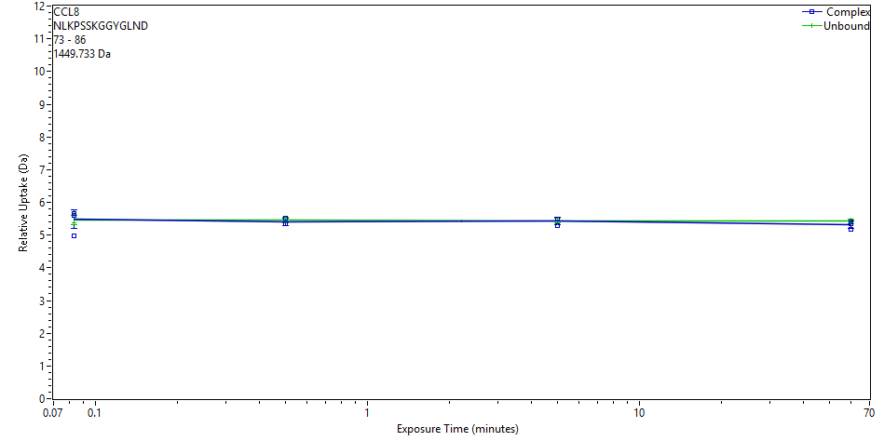
 | File | State | Exposure | Uptake | Uptake SD | Center | Center SD | p-Value Two tailed T-test
 | CD_3s_1 | Complex | 0.083 | 4.9878 | 0.0466 | 1455.4391 | 0 | 0.8740
 | CD_3s_2 | Complex | 0.083 | 5.6137 | 0.0646 | 1456.065 | 0
 | CD_3s_3 | Complex | 0.083 | 5.6635 | 0.0541 | 1456.1147 | 0
 | CD_30s_1 | Complex | 0.5 | 5.3392 | 0.0703 | 1455.7905 | 0 | 0.4317
 | CD_30s_2 | Complex | 0.5 | 5.5248 | 0.0597 | 1455.9761 | 0
 | CD_30s_3 | Complex | 0.5 | 5.3356 | 0.0605 | 1455.7869 | 0
 | CD_300s_1 | Complex | 5 | 5.4902 | 0.0739 | 1455.9415 | 0 | 0.8542
 | CD_300s_2 | Complex | 5 | 5.2967 | 0.0822 | 1455.748 | 0
 | CD_300s_3 | Complex | 5 | 5.4793 | 0.0842 | 1455.9306 | 0
 | Complex_60min_1 | Complex | 60 | 5.4122 | 0.0607 | 1455.8635 | 0 | 0.2265
 | Complex_60min_2 | Complex | 60 | 5.348 | 0.0464 | 1455.7992 | 0
 | Complex_60min_3 | Complex | 60 | 5.1764 | 0.065 | 1455.6276 | 0
 | CCL8_3s_2 | Unbound | 0.083 | 5.384 | 0.0661 | 1455.8353 | 0
 | CCL8_3s_3 | Unbound | 0.083 | 5.3727 | 0.0805 | 1455.824 | 0
 | CCL8_3s_1 | Unbound | 0.083 | 5.6262 | 0.0499 | 1456.0775 | 0
 | CCL8_30s_1 | Unbound | 0.5 | 5.5246 | 0.0557 | 1455.9759 | 0
 | CCL8_30s_2 | Unbound | 0.5 | 5.4389 | 0.0593 | 1455.8902 | 0
 | CCL8_30s_3 | Unbound | 0.5 | 5.4202 | 0.0627 | 1455.8715 | 0
 | CCL8_300s_1 | Unbound | 5 | 5.4719 | 0.0649 | 1455.9231 | 0
 | CCL8_300s_2 | Unbound | 5 | 5.4462 | 0.0679 | 1455.8975 | 0
 | CCL8_300s_3 | Unbound | 5 | 5.3878 | 0.0609 | 1455.8391 | 0
 | CCL8_60 min_1 | Unbound | 60 | 5.417 | 0.0561 | 1455.8683 | 0
 | CCL8_60 min_2a | Unbound | 60 | 5.4717 | 0.0544 | 1455.9229 | 0
 | CCL8_60 min_3 | Unbound | 60 | 5.3732 | 0.0586 | 1455.8244 | 0
CCL8 | 73 | 88 | NLKPSSKGGYGLNDIF |  |  | 14 | 1709.8857
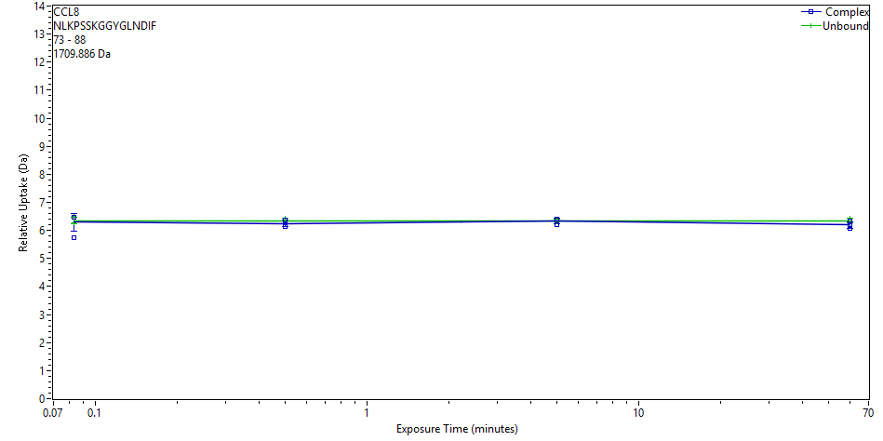
 | File | State | Exposure | Uptake | Uptake SD | Center | Center SD | p-Value Two tailed T-test
 | CD_3s_1 | Complex | 0.083 | 5.754 | 0.0511 | 1716.5384 | 0 | 0.6883
 | CD_3s_2 | Complex | 0.083 | 6.4773 | 0.0572 | 1717.2617 | 0
 | CD_3s_3 | Complex | 0.083 | 6.4807 | 0.0632 | 1717.265 | 0
 | CD_30s_1 | Complex | 0.5 | 6.2125 | 0.0517 | 1716.9968 | 0 | 0.3171
 | CD_30s_2 | Complex | 0.5 | 6.3633 | 0.0533 | 1717.1476 | 0
 | CD_30s_3 | Complex | 0.5 | 6.1382 | 0.084 | 1716.9226 | 0
 | CD_300s_1 | Complex | 5 | 6.3864 | 0.0536 | 1717.1708 | 0 | 0.7891
 | CD_300s_2 | Complex | 5 | 6.2009 | 0.0509 | 1716.9852 | 0
 | CD_300s_3 | Complex | 5 | 6.3977 | 0.0529 | 1717.182 | 0
 | Complex_60min_1 | Complex | 60 | 6.3364 | 0.048 | 1717.1207 | 0 | 0.1745
 | Complex_60min_2 | Complex | 60 | 6.1838 | 0.0668 | 1716.9682 | 0
 | Complex_60min_3 | Complex | 60 | 6.055 | 0.0491 | 1716.8394 | 0
 | CCL8_3s_2 | Unbound | 0.083 | 6.2751 | 0.0484 | 1717.0594 | 0
 | CCL8_3s_3 | Unbound | 0.083 | 6.2746 | 0.0497 | 1717.059 | 0
 | CCL8_3s_1 | Unbound | 0.083 | 6.4885 | 0.0504 | 1717.2729 | 0
 | CCL8_30s_1 | Unbound | 0.5 | 6.4241 | 0.0542 | 1717.2085 | 0
 | CCL8_30s_2 | Unbound | 0.5 | 6.2886 | 0.0666 | 1717.073 | 0
 | CCL8_30s_3 | Unbound | 0.5 | 6.2792 | 0.0645 | 1717.0636 | 0
 | CCL8_300s_1 | Unbound | 5 | 6.389 | 0.0486 | 1717.1733 | 0
 | CCL8_300s_2 | Unbound | 5 | 6.3488 | 0.0531 | 1717.1331 | 0
 | CCL8_300s_3 | Unbound | 5 | 6.3057 | 0.0485 | 1717.0901 | 0
 | CCL8_60 min_1 | Unbound | 60 | 6.3255 | 0.048 | 1717.1098 | 0
 | CCL8_60 min_2a | Unbound | 60 | 6.4462 | 0.0492 | 1717.2306 | 0
 | CCL8_60 min_3 | Unbound | 60 | 6.2767 | 0.0631 | 1717.061 | 0
CCL8 | 75 | 88 | KPSSKGGYGLNDIF |  |  | 12 | 1482.7587
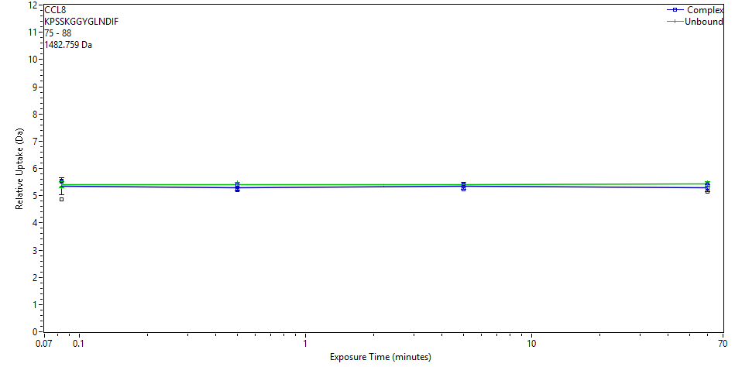
 | File | State | Exposure | Uptake | Uptake SD | Center | Center SD | p-Value Two tailed T-test
 | CD_3s_1 | Complex | 0.083 | 4.863 | 0.096 | 1488.4036 | 0 | 0.6796
 | CD_3s_2 | Complex | 0.083 | 5.5077 | 0.073 | 1489.0483 | 0
 | CD_3s_3 | Complex | 0.083 | 5.5447 | 0.0766 | 1489.0853 | 0
 | CD_30s_1 | Complex | 0.5 | 5.2535 | 0.073 | 1488.7941 | 0 | 0.2312
 | CD_30s_2 | Complex | 0.5 | 5.4095 | 0.0609 | 1488.9501 | 0
 | CD_30s_3 | Complex | 0.5 | 5.2103 | 0.084 | 1488.7509 | 0
 | CD_300s_1 | Complex | 5 | 5.3997 | 0.1034 | 1488.9404 | 0 | 0.4280
 | CD_300s_2 | Complex | 5 | 5.2398 | 0.0725 | 1488.7804 | 0
 | CD_300s_3 | Complex | 5 | 5.4201 | 0.0916 | 1488.9608 | 0
 | Complex_60min_1 | Complex | 60 | 5.4129 | 0.0608 | 1488.9535 | 0 | 0.1866
 | Complex_60min_2 | Complex | 60 | 5.297 | 0.0672 | 1488.8376 | 0
 | Complex_60min_3 | Complex | 60 | 5.1412 | 0.0713 | 1488.6818 | 0
 | CCL8_3s_2 | Unbound | 0.083 | 5.3207 | 0.0617 | 1488.8613 | 0
 | CCL8_3s_3 | Unbound | 0.083 | 5.3492 | 0.0618 | 1488.8899 | 0
 | CCL8_3s_1 | Unbound | 0.083 | 5.557 | 0.0631 | 1489.0977 | 0
 | CCL8_30s_1 | Unbound | 0.5 | 5.4774 | 0.062 | 1489.0181 | 0
 | CCL8_30s_2 | Unbound | 0.5 | 5.3535 | 0.0773 | 1488.8941 | 0
 | CCL8_30s_3 | Unbound | 0.5 | 5.3527 | 0.0632 | 1488.8933 | 0
 | CCL8_300s_1 | Unbound | 5 | 5.4202 | 0.0631 | 1488.9608 | 0
 | CCL8_300s_2 | Unbound | 5 | 5.4284 | 0.0631 | 1488.969 | 0
 | CCL8_300s_3 | Unbound | 5 | 5.3694 | 0.0897 | 1488.9101 | 0
 | CCL8_60 min_1 | Unbound | 60 | 5.4436 | 0.0607 | 1488.9842 | 0
 | CCL8_60 min_2a | Unbound | 60 | 5.4804 | 0.0614 | 1489.021 | 0
 | CCL8_60 min_3 | Unbound | 60 | 5.3478 | 0.0635 | 1488.8884 | 0
CCL8 | 87 | 97 | IFEAQKIEWHE |  |  | 10 | 1429.711
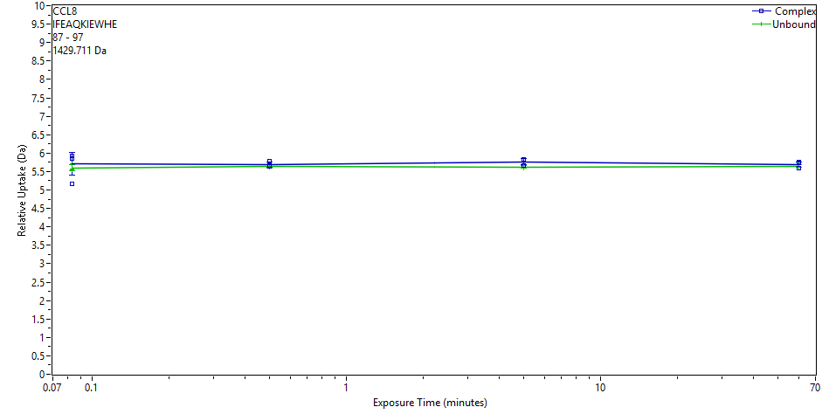
 | File | State | Exposure | Uptake | Uptake SD | Center | Center SD | p-Value Two tailed T-test
 | CD_3s_1 | Complex | 0.083 | 5.1708 | 0.0345 | 1435.6009 | 0 | 0.8685
 | CD_3s_2 | Complex | 0.083 | 5.8591 | 0.0253 | 1436.2891 | 0
 | CD_3s_3 | Complex | 0.083 | 5.9146 | 0.0134 | 1436.3447 | 0
 | CD_30s_1 | Complex | 0.5 | 5.639 | 0.0196 | 1436.0691 | 0 | 0.4226
 | CD_30s_2 | Complex | 0.5 | 5.7853 | 0.0286 | 1436.2154 | 0
 | CD_30s_3 | Complex | 0.5 | 5.6595 | 0.0292 | 1436.0895 | 0
 | CD_300s_1 | Complex | 5 | 5.8295 | 0.016 | 1436.2596 | 0 | 0.0757
 | CD_300s_2 | Complex | 5 | 5.6602 | 0.0185 | 1436.0902 | 0
 | CD_300s_3 | Complex | 5 | 5.8041 | 0.0274 | 1436.2342 | 0
 | Complex_60min_1 | Complex | 60 | 5.7587 | 0.0154 | 1436.1888 | 0 | 0.4820
 | Complex_60min_2 | Complex | 60 | 5.7339 | 0.0188 | 1436.164 | 0
 | Complex_60min_3 | Complex | 60 | 5.5867 | 0.0129 | 1436.0167 | 0
 | CCL8_3s_2 | Unbound | 0.083 | 5.5607 | 0.0296 | 1435.9908 | 0
 | CCL8_3s_3 | Unbound | 0.083 | 5.5439 | 0.0322 | 1435.974 | 0
 | CCL8_3s_1 | Unbound | 0.083 | 5.7102 | 0.0385 | 1436.1403 | 0
 | CCL8_30s_1 | Unbound | 0.5 | 5.6877 | 0.0283 | 1436.1178 | 0
 | CCL8_30s_2 | Unbound | 0.5 | 5.651 | 0.0259 | 1436.0811 | 0
 | CCL8_30s_3 | Unbound | 0.5 | 5.608 | 0.0359 | 1436.038 | 0
 | CCL8_300s_1 | Unbound | 5 | 5.668 | 0.0225 | 1436.098 | 0
 | CCL8_300s_2 | Unbound | 5 | 5.626 | 0.0249 | 1436.056 | 0
 | CCL8_300s_3 | Unbound | 5 | 5.589 | 0.0314 | 1436.0191 | 0
 | CCL8_60 min_1 | Unbound | 60 | 5.6341 | 0.0148 | 1436.0641 | 0
 | CCL8_60 min_2a | Unbound | 60 | 5.6907 | 0.0286 | 1436.1208 | 0
 | CCL8_60 min_3 | Unbound | 60 | 5.6201 | 0.0199 | 1436.0501 | 0
CCL8 | 89 | 97 | EAQKIEWHE |  |  | 8 | 1169.5586
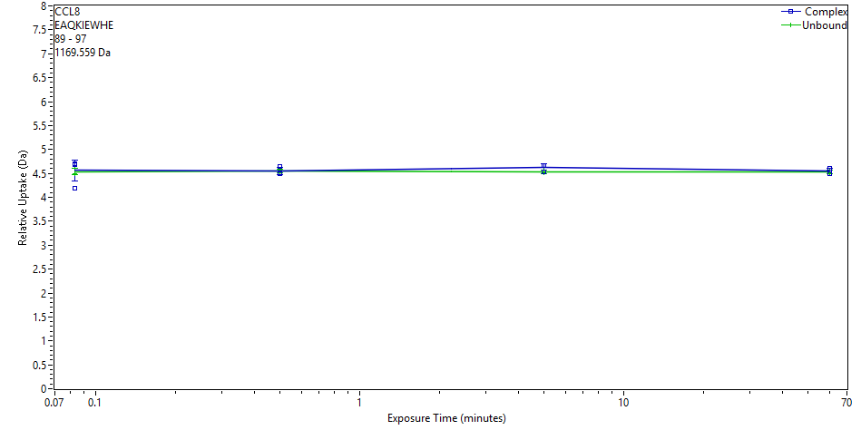
 | File | State | Exposure | Uptake | Uptake SD | Center | Center SD | p-Value Two tailed T-test
 | CD_3s_1 | Complex | 0.083 | 4.1948 | 0.0274 | 1174.3285 | 0 | 0.9650
 | CD_3s_2 | Complex | 0.083 | 4.6785 | 0.0277 | 1174.8122 | 0
 | CD_3s_3 | Complex | 0.083 | 4.71 | 0.028 | 1174.8436 | 0
 | CD_30s_1 | Complex | 0.5 | 4.4878 | 0.0269 | 1174.6214 | 0 | 0.9004
 | CD_30s_2 | Complex | 0.5 | 4.6462 | 0.028 | 1174.7798 | 0
 | CD_30s_3 | Complex | 0.5 | 4.5186 | 0.0271 | 1174.6523 | 0
 | CD_300s_1 | Complex | 5 | 4.6707 | 0.0285 | 1174.8043 | 0 | 0.1317
 | CD_300s_2 | Complex | 5 | 4.5375 | 0.0281 | 1174.6711 | 0
 | CD_300s_3 | Complex | 5 | 4.6658 | 0.0272 | 1174.7994 | 0
 | Complex_60min_1 | Complex | 60 | 4.6094 | 0.0278 | 1174.743 | 0 | 0.5796
 | Complex_60min_2 | Complex | 60 | 4.5633 | 0.0277 | 1174.6969 | 0
 | Complex_60min_3 | Complex | 60 | 4.4919 | 0.0274 | 1174.6255 | 0
 | CCL8_3s_2 | Unbound | 0.083 | 4.4954 | 0.0273 | 1174.6291 | 0
 | CCL8_3s_3 | Unbound | 0.083 | 4.4973 | 0.0273 | 1174.6309 | 0
 | CCL8_3s_1 | Unbound | 0.083 | 4.6146 | 0.0286 | 1174.7483 | 0
 | CCL8_30s_1 | Unbound | 0.5 | 4.5768 | 0.027 | 1174.7104 | 0
 | CCL8_30s_2 | Unbound | 0.5 | 4.5379 | 0.0269 | 1174.6715 | 0
 | CCL8_30s_3 | Unbound | 0.5 | 4.5173 | 0.0272 | 1174.6509 | 0
 | CCL8_300s_1 | Unbound | 5 | 4.5656 | 0.0288 | 1174.6992 | 0
 | CCL8_300s_2 | Unbound | 5 | 4.533 | 0.0292 | 1174.6666 | 0
 | CCL8_300s_3 | Unbound | 5 | 4.5136 | 0.0275 | 1174.6473 | 0
 | CCL8_60 min_1 | Unbound | 60 | 4.5145 | 0.0284 | 1174.6481 | 0
 | CCL8_60 min_2a | Unbound | 60 | 4.5644 | 0.0272 | 1174.698 | 0
 | CCL8_60 min_3 | Unbound | 60 | 4.5174 | 0.0269 | 1174.6511 | 0
CCL8 | 90 | 97 | AQKIEWHE |  |  | 7 | 1040.516
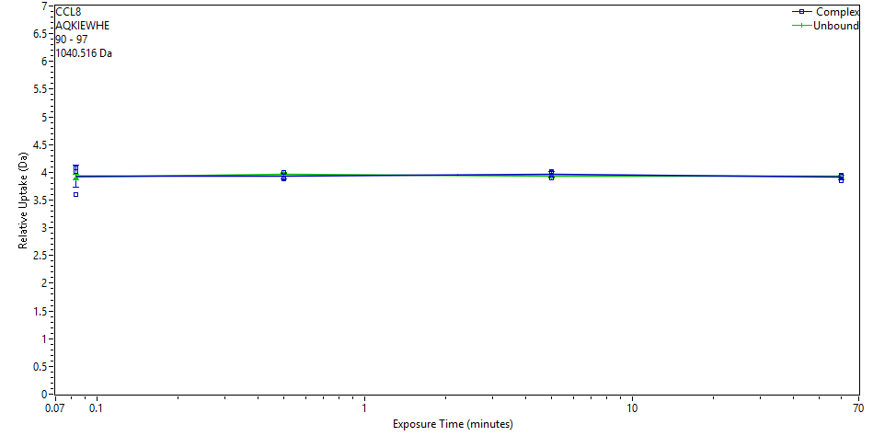
 | File | State | Exposure | Uptake | Uptake SD | Center | Center SD | p-Value Two tailed T-test
 | CD_3s_1 | Complex | 0.083 | 3.6015 | 0.0178 | 1044.5765 | 0 | 0.9086
 | CD_3s_2 | Complex | 0.083 | 4.0201 | 0.0179 | 1044.9951 | 0
 | CD_3s_3 | Complex | 0.083 | 4.0774 | 0.0198 | 1045.0524 | 0
 | CD_30s_1 | Complex | 0.5 | 3.8779 | 0.0175 | 1044.8529 | 0 | 0.4429
 | CD_30s_2 | Complex | 0.5 | 3.9934 | 0.0174 | 1044.9684 | 0
 | CD_30s_3 | Complex | 0.5 | 3.9047 | 0.0173 | 1044.8797 | 0
 | CD_300s_1 | Complex | 5 | 4.0119 | 0.0182 | 1044.9869 | 0 | 0.3750
 | CD_300s_2 | Complex | 5 | 3.8961 | 0.0168 | 1044.8711 | 0
 | CD_300s_3 | Complex | 5 | 3.9899 | 0.0172 | 1044.9649 | 0
 | Complex_60min_1 | Complex | 60 | 3.9426 | 0.0202 | 1044.9176 | 0 | 0.5625
 | Complex_60min_2 | Complex | 60 | 3.9296 | 0.0189 | 1044.9046 | 0
 | Complex_60min_3 | Complex | 60 | 3.8526 | 0.0181 | 1044.8276 | 0
 | CCL8_3s_2 | Unbound | 0.083 | 3.8821 | 0.0181 | 1044.857 | 0
 | CCL8_3s_3 | Unbound | 0.083 | 3.892 | 0.0187 | 1044.8668 | 0
 | CCL8_3s_1 | Unbound | 0.083 | 3.9811 | 0.0195 | 1044.9559 | 0
 | CCL8_30s_1 | Unbound | 0.5 | 3.9922 | 0.0203 | 1044.9671 | 0
 | CCL8_30s_2 | Unbound | 0.5 | 3.9572 | 0.0197 | 1044.9321 | 0
 | CCL8_30s_3 | Unbound | 0.5 | 3.9276 | 0.0198 | 1044.9025 | 0
 | CCL8_300s_1 | Unbound | 5 | 3.9546 | 0.0202 | 1044.9295 | 0
 | CCL8_300s_2 | Unbound | 5 | 3.9243 | 0.0202 | 1044.8992 | 0
 | CCL8_300s_3 | Unbound | 5 | 3.904 | 0.0191 | 1044.8789 | 0
 | CCL8_60 min_1 | Unbound | 60 | 3.9133 | 0.0209 | 1044.8882 | 0
 | CCL8_60 min_2a | Unbound | 60 | 3.9465 | 0.0195 | 1044.9213 | 0
 | CCL8_60 min_3 | Unbound | 60 | 3.9214 | 0.0184 | 1044.8962 | 0
CCL8 | 91 | 97 | QKIEWHE |  |  | 6 | 969.4789
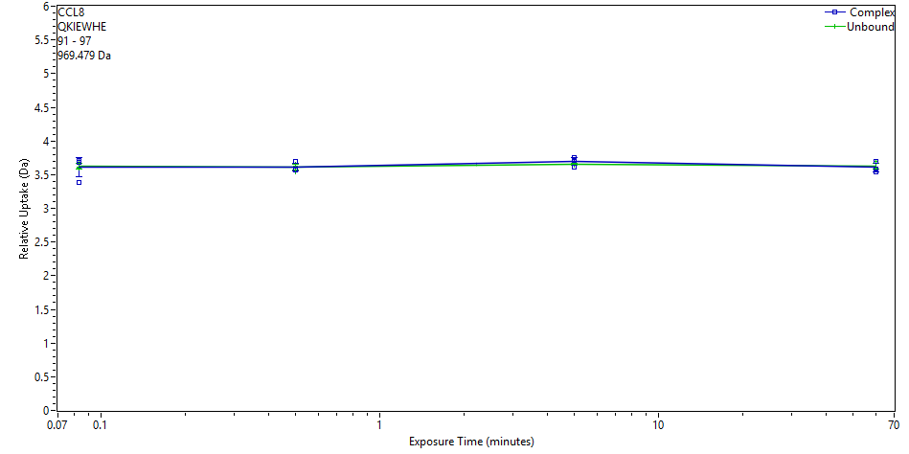
 | File | State | Exposure | Uptake | Uptake SD | Center | Center SD | p-Value Two tailed T-test
 | CD_3s_1 | Complex | 0.083 | 3.3774 | 0.008 | 973.2833 | 0 | 0.7434
 | CD_3s_2 | Complex | 0.083 | 3.6825 | 0.008 | 973.5884 | 0
 | CD_3s_3 | Complex | 0.083 | 3.7054 | 0.008 | 973.6113 | 0
 | CD_30s_1 | Complex | 0.5 | 3.5707 | 0.008 | 973.4765 | 0 | 0.9610
 | CD_30s_2 | Complex | 0.5 | 3.6908 | 0.008 | 973.5967 | 0
 | CD_30s_3 | Complex | 0.5 | 3.5646 | 0.008 | 973.4705 | 0
 | CD_300s_1 | Complex | 5 | 3.7119 | 0.008 | 973.6178 | 0 | 0.3577
 | CD_300s_2 | Complex | 5 | 3.6154 | 0.008 | 973.5213 | 0
 | CD_300s_3 | Complex | 5 | 3.7579 | 0.008 | 973.6638 | 0
 | Complex_60min_1 | Complex | 60 | 3.6908 | 0.008 | 973.5967 | 0 | 0.6209
 | Complex_60min_2 | Complex | 60 | 3.588 | 0.008 | 973.4939 | 0
 | Complex_60min_3 | Complex | 60 | 3.5454 | 0.008 | 973.4513 | 0
 | CCL8_3s_2 | Unbound | 0.083 | 3.6116 | 0.008 | 973.5175 | 0
 | CCL8_3s_3 | Unbound | 0.083 | 3.5922 | 0.008 | 973.4981 | 0
 | CCL8_3s_1 | Unbound | 0.083 | 3.6759 | 0.008 | 973.5818 | 0
 | CCL8_30s_1 | Unbound | 0.5 | 3.6516 | 0.008 | 973.5575 | 0
 | CCL8_30s_2 | Unbound | 0.5 | 3.6212 | 0.008 | 973.5271 | 0
 | CCL8_30s_3 | Unbound | 0.5 | 3.5452 | 0.008 | 973.4511 | 0
 | CCL8_300s_1 | Unbound | 5 | 3.6654 | 0.008 | 973.5713 | 0
 | CCL8_300s_2 | Unbound | 5 | 3.6377 | 0.008 | 973.5435 | 0
 | CCL8_300s_3 | Unbound | 5 | 3.6489 | 0.008 | 973.5548 | 0
 | CCL8_60 min_1 | Unbound | 60 | 3.5966 | 0.008 | 973.5025 | 0
 | CCL8_60 min_2a | Unbound | 60 | 3.6999 | 0.008 | 973.6057 | 0
 | CCL8_60 min_3 | Unbound | 60 | 3.6139 | 0.008 | 973.5198 | 0
CCL8 | 91 | 97 | QKIEWHE | PYRROLIDONE CARBOXYLIC ACID N-TERM (1) |  | 6 | 952.4523
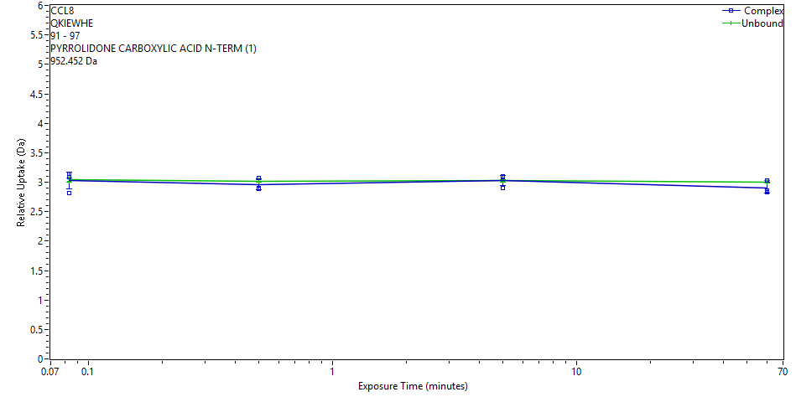
 | File | State | Exposure | Uptake | Uptake SD | Center | Center SD | p-Value Two tailed T-test
 | CD_3s_1 | Complex | 0.083 | 2.8148 | 0.0157 | 955.6555 | 0 | 0.8346
 | CD_3s_2 | Complex | 0.083 | 3.0899 | 0.0157 | 955.9306 | 0
 | CD_3s_3 | Complex | 0.083 | 3.1429 | 0.0157 | 955.9835 | 0
 | CD_30s_1 | Complex | 0.5 | 2.8954 | 0.0157 | 955.736 | 0 | 0.3585
 | CD_30s_2 | Complex | 0.5 | 3.0726 | 0.0157 | 955.9132 | 0
 | CD_30s_3 | Complex | 0.5 | 2.8895 | 0.0157 | 955.7302 | 0
 | CD_300s_1 | Complex | 5 | 3.0846 | 0.0157 | 955.9252 | 0 | 0.9756
 | CD_300s_2 | Complex | 5 | 2.9056 | 0.0157 | 955.7463 | 0
 | CD_300s_3 | Complex | 5 | 3.0934 | 0.0157 | 955.934 | 0
 | Complex_60min_1 | Complex | 60 | 3.028 | 0.0157 | 955.8686 | 0 | 0.1759
 | Complex_60min_2 | Complex | 60 | 2.8608 | 0.0157 | 955.7014 | 0
 | Complex_60min_3 | Complex | 60 | 2.827 | 0.0157 | 955.6676 | 0
 | CCL8_3s_2 | Unbound | 0.083 | 3.0171 | 0.0157 | 955.8577 | 0
 | CCL8_3s_3 | Unbound | 0.083 | 3.0127 | 0.0157 | 955.8533 | 0
 | CCL8_3s_1 | Unbound | 0.083 | 3.0877 | 0.0157 | 955.9283 | 0
 | CCL8_30s_1 | Unbound | 0.5 | 2.9979 | 0.0157 | 955.8385 | 0
 | CCL8_30s_2 | Unbound | 0.5 | 3.0374 | 0.0157 | 955.8781 | 0
 | CCL8_30s_3 | Unbound | 0.5 | 3.0124 | 0.0157 | 955.853 | 0
 | CCL8_300s_1 | Unbound | 5 | 3.0503 | 0.0157 | 955.891 | 0
 | CCL8_300s_2 | Unbound | 5 | 3.0124 | 0.0157 | 955.8531 | 0
 | CCL8_300s_3 | Unbound | 5 | 3.0148 | 0.0157 | 955.8554 | 0
 | CCL8_60 min_1 | Unbound | 60 | 2.9918 | 0.0157 | 955.8324 | 0
 | CCL8_60 min_2a | Unbound | 60 | 3.0162 | 0.0157 | 955.8568 | 0
 | CCL8_60 min_3 | Unbound | 60 | 3.0166 | 0.0157 | 955.8573 | 0

P672_Replicates_uptake plots
P672 deuterium uptake data and plots
Protein | Start | End | Sequence | Modification | Fragment | MaxUptake | MHP
P672 | 1 | 19 | ETGHHHHHHHHSAWSHPQF |  |  | 17 | 2343.02
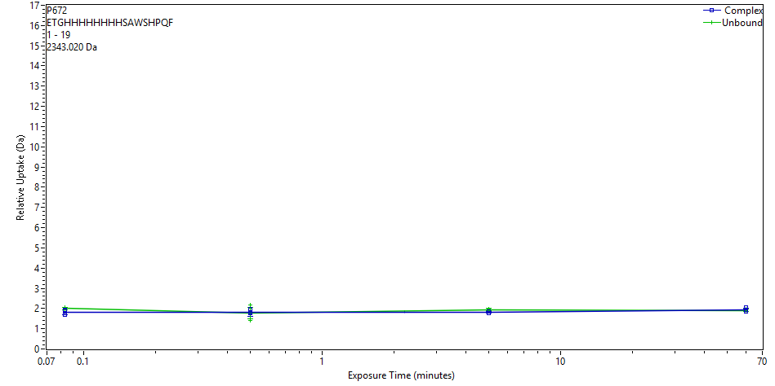
 | File | State | Exposure | Uptake | Uptake SD | Center | Center SD | p-Value Two tailed T-test
 | CD_3s_1 | Complex | 0.083 | 1.6802 | 0.0408 | 2346.0173 | 0 | 0.1067
 | CD_3s_2 | Complex | 0.083 | 1.9185 | 0.026 | 2346.2555 | 0
 | CD_3s_3 | Complex | 0.083 | 1.8843 | 0.0398 | 2346.2214 | 0
 | CD_30s_1 | Complex | 0.5 | 1.8047 | 0.0261 | 2346.1418 | 0 | 0.9644
 | CD_30s_2 | Complex | 0.5 | 1.9764 | 0.535 | 2346.3135 | 0
 | CD_30s_3 | Complex | 0.5 | 1.7863 | 0.0443 | 2346.1234 | 0
 | CD_300s_1 | Complex | 5 | 1.8433 | 0.036 | 2346.1804 | 0 | 0.0204
 | CD_300s_2 | Complex | 5 | 1.7832 | 0.0295 | 2346.1203 | 0
 | CD_300s_3 | Complex | 5 | 1.836 | 0.0338 | 2346.1731 | 0
 | Complex_60min_1 | Complex | 60 | 2.0541 | 0.0243 | 2346.3912 | 0 | 0.6578
 | Complex_60min_2 | Complex | 60 | 1.9329 | 0.0367 | 2346.27 | 0
 | Complex_60min_3 | Complex | 60 | 1.8557 | 0.0262 | 2346.1928 | 0
 | Evasin_3s_1 | Unbound | 0.083 | 2.0566 | 0.0354 | 2346.3937 | 0
 | Evasin_3s_2 | Unbound | 0.083 | 1.966 | 0.0271 | 2346.3031 | 0
 | Evasin_3s_3 | Unbound | 0.083 | 1.9617 | 0.0284 | 2346.2988 | 0
 | Evasin_30s_1 | Unbound | 0.5 | 2.0033 | 0.0389 | 2346.3404 | 0
 | Evasin_30s_2 | Unbound | 0.5 | 1.4288 | 0.028 | 2345.7659 | 0
 | Evasin_30s_3 | Unbound | 0.5 | 2.1684 | 0.2074 | 2346.5055 | 0
 | Evasin_300s_1 | Unbound | 5 | 1.9858 | 0.0327 | 2346.3229 | 0
 | Evasin_300s_2 | Unbound | 5 | 1.962 | 0.0379 | 2346.2991 | 0
 | Evasin_300s_3 | Unbound | 5 | 1.8924 | 0.025 | 2346.2295 | 0
 | P672_60min_1 | Unbound | 60 | 1.8884 | 0.0308 | 2346.2255 | 0
 | P672_60min_2 | Unbound | 60 | 1.8769 | 0.0325 | 2346.214 | 0
 | P672_60min_3 | Unbound | 60 | 1.9819 | 0.0358 | 2346.319 | 0
P672 | 1 | 29 | ETGHHHHHHHHSAWSHPQFEKGGGGSVCE |  |  | 27 | 3246.3957
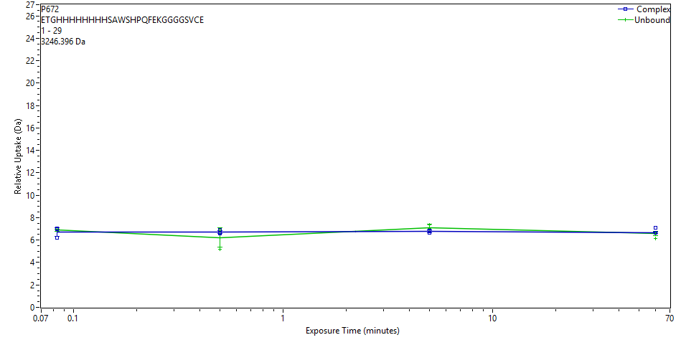
 | File | State | Exposure | Uptake | Uptake SD | Center | Center SD | p-Value Two tailed T-test
 | CD_3s_1 | Complex | 0.083 | 6.1843 | 0.0508 | 3254.4966 | 0 | 0.6115
 | CD_3s_2 | Complex | 0.083 | 6.9841 | 0.079 | 3255.2964 | 0
 | CD_3s_3 | Complex | 0.083 | 7.0333 | 0.0683 | 3255.3457 | 0
 | CD_30s_1 | Complex | 0.5 | 6.6173 | 0.0875 | 3254.9297 | 0 | 0.5251
 | CD_30s_2 | Complex | 0.5 | 6.895 | 0.1264 | 3255.2073 | 0
 | CD_30s_3 | Complex | 0.5 | 6.6639 | 0.0886 | 3254.9762 | 0
 | CD_300s_1 | Complex | 5 | 6.8356 | 0.0584 | 3255.1479 | 0 | 0.0606
 | CD_300s_2 | Complex | 5 | 6.6271 | 0.0928 | 3254.9395 | 0
 | CD_300s_3 | Complex | 5 | 6.7948 | 0.1983 | 3255.1071 | 0
 | Complex_60min_1 | Complex | 60 | 6.6481 | 0.0559 | 3254.9604 | 0 | 0.2640
 | Complex_60min_2 | Complex | 60 | 7.1179 | 0.1057 | 3255.4303 | 0
 | Complex_60min_3 | Complex | 60 | 6.642 | 0.1586 | 3254.9543 | 0
 | Evasin_3s_1 | Unbound | 0.083 | 6.9261 | 0.0868 | 3255.2123 | 0
 | Evasin_3s_2 | Unbound | 0.083 | 6.9029 | 0.079 | 3255.1891 | 0
 | Evasin_3s_3 | Unbound | 0.083 | 6.8294 | 0.0943 | 3255.1156 | 0
 | Evasin_30s_1 | Unbound | 0.5 | 6.9495 | 0.149 | 3255.2357 | 0
 | Evasin_30s_2 | Unbound | 0.5 | 5.2136 | 0.1127 | 3253.4998 | 0
 | Evasin_30s_3 | Unbound | 0.5 | 6.8312 | 0.2041 | 3255.1174 | 0
 | Evasin_300s_1 | Unbound | 5 | 6.9691 | 0.463 | 3255.2553 | 0
 | Evasin_300s_2 | Unbound | 5 | 7.3783 | 0.1793 | 3255.6645 | 0
 | Evasin_300s_3 | Unbound | 5 | 7.0239 | 0.0934 | 3255.3101 | 0
 | P672_60min_1 | Unbound | 60 | 6.1685 | 0.0566 | 3254.4547 | 0
 | P672_60min_2 | Unbound | 60 | 6.6732 | 0.0582 | 3254.9594 | 0
 | P672_60min_3 | Unbound | 60 | 6.67 | 0.0566 | 3254.9562 | 0
P672 | 2 | 20 | TGHHHHHHHHSAWSHPQFE |  |  | 17 | 2343.02
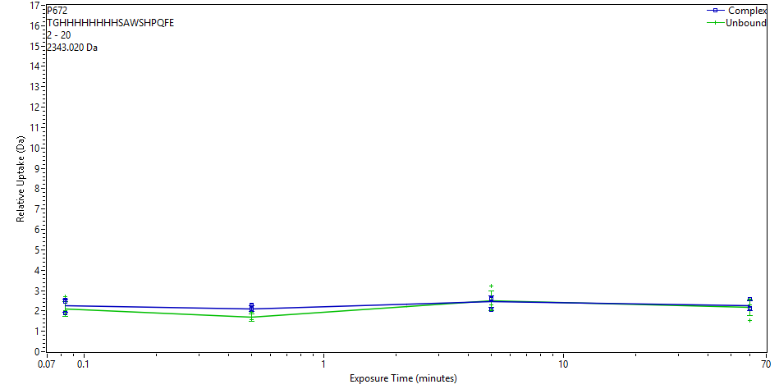
 | File | State | Exposure | Uptake | Uptake SD | Center | Center SD | p-Value Two tailed T-test
 | CD_3s_1 | Complex | 0.083 | 1.8857 | 0.1404 | 2345.9683 | 0 | 0.7827
 | CD_3s_2 | Complex | 0.083 | 2.4618 | 0.1404 | 2346.5444 | 0
 | CD_3s_3 | Complex | 0.083 | 2.5342 | 0.1404 | 2346.6168 | 0
 | CD_30s_1 | Complex | 0.5 | 2.2534 | 0.1404 | 2346.336 | 0 | 0.0180
 | CD_30s_2 | Complex | 0.5 | 2.0929 | 0.1404 | 2346.1756 | 0
 | CD_30s_3 | Complex | 0.5 | 2.3114 | 0.1404 | 2346.394 | 0
 | CD_300s_1 | Complex | 5 | 2.5779 | 0.1404 | 2346.6605 | 0 | 0.8147
 | CD_300s_2 | Complex | 5 | 2.0587 | 0.1404 | 2346.1413 | 0
 | CD_300s_3 | Complex | 5 | 2.6271 | 0.1404 | 2346.7098 | 0
 | Complex_60min_1 | Complex | 60 | 2.5585 | 0.1404 | 2346.6411 | 0 | 0.6937
 | Complex_60min_2 | Complex | 60 | 2.1518 | 0.1404 | 2346.2344 | 0
 | Complex_60min_3 | Complex | 60 | 2.1061 | 0.1404 | 2346.1887 | 0
 | Evasin_3s_1 | Unbound | 0.083 | 1.8689 | 0.0627 | 2345.9564 | 0
 | Evasin_3s_2 | Unbound | 0.083 | 2.0033 | 0.0627 | 2346.0908 | 0
 | Evasin_3s_3 | Unbound | 0.083 | 2.7147 | 0.0627 | 2346.8021 | 0
 | Evasin_30s_1 | Unbound | 0.5 | 1.9281 | 0.0627 | 2346.0156 | 0
 | Evasin_30s_2 | Unbound | 0.5 | 1.5545 | 0.0627 | 2345.642 | 0
 | Evasin_30s_3 | Unbound | 0.5 | 1.572 | 0.0627 | 2345.6594 | 0
 | Evasin_300s_1 | Unbound | 5 | 3.2344 | 0.0627 | 2347.3218 | 0
 | Evasin_300s_2 | Unbound | 5 | 2.2806 | 0.0627 | 2346.3681 | 0
 | Evasin_300s_3 | Unbound | 5 | 2.0528 | 0.0627 | 2346.1403 | 0
 | P672_60min_1 | Unbound | 60 | 2.5643 | 0.0627 | 2346.6517 | 0
 | P672_60min_2 | Unbound | 60 | 1.5177 | 0.0627 | 2345.6051 | 0
 | P672_60min_3 | Unbound | 60 | 2.2958 | 0.0627 | 2346.3832 | 0
P672 | 12 | 31 | SAWSHPQFEKGGGGSVCEVS |  |  | 18 | 2048.9131
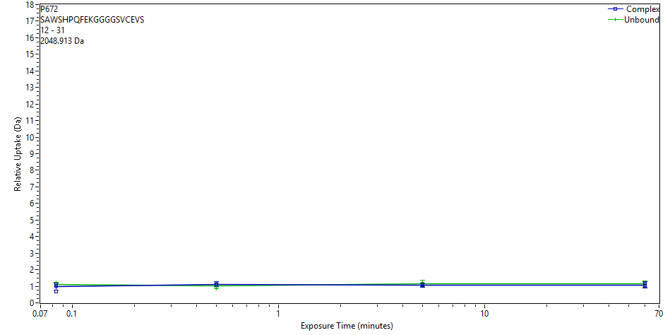
 | File | State | Exposure | Uptake | Uptake SD | Center | Center SD | p-Value Two tailed T-test
 | CD_3s_1 | Complex | 0.083 | 1.0138 | 0.1885 | 2051.3617 | 0 | 0.2953
 | CD_3s_2 | Complex | 0.083 | 0.662 | 0.0978 | 2051.0098 | 0
 | CD_3s_3 | Complex | 0.083 | 1.1273 | 0.0978 | 2051.4752 | 0
 | CD_30s_1 | Complex | 0.5 | 1.1248 | 0.0978 | 2051.4727 | 0 | 0.1959
 | CD_30s_2 | Complex | 0.5 | 1.1731 | 0.0978 | 2051.521 | 0
 | CD_30s_3 | Complex | 0.5 | 1.0982 | 0.1611 | 2051.4461 | 0
 | CD_300s_1 | Complex | 5 | 1.0959 | 0.1389 | 2051.4438 | 0 | 0.0862
 | CD_300s_2 | Complex | 5 | 1.0587 | 0.1442 | 2051.4066 | 0
 | CD_300s_3 | Complex | 5 | 1.0716 | 0.1318 | 2051.4195 | 0
 | Complex_60min_1 | Complex | 60 | 1.1694 | 0.0978 | 2051.5172 | 0 | 0.4627
 | Complex_60min_2 | Complex | 60 | 1.0363 | 0.0978 | 2051.3842 | 0
 | Complex_60min_3 | Complex | 60 | 1.0506 | 0.2354 | 2051.3985 | 0
 | Evasin_3s_1 | Unbound | 0.083 | 1.2461 | 0.0978 | 2051.594 | 0
 | Evasin_3s_2 | Unbound | 0.083 | 1.0524 | 0.0978 | 2051.4003 | 0
 | Evasin_3s_3 | Unbound | 0.083 | 1.0595 | 0.0978 | 2051.4074 | 0
 | Evasin_30s_1 | Unbound | 0.5 | 1.1247 | 0.0978 | 2051.4725 | 0
 | Evasin_30s_2 | Unbound | 0.5 | 0.8708 | 0.0978 | 2051.2187 | 0
 | Evasin_30s_3 | Unbound | 0.5 | 1.039 | 0.0978 | 2051.3869 | 0
 | Evasin_300s_1 | Unbound | 5 | 1.0952 | 0.2694 | 2051.443 | 0
 | Evasin_300s_2 | Unbound | 5 | 1.2266 | 0.0978 | 2051.5745 | 0
 | Evasin_300s_3 | Unbound | 5 | 1.1743 | 0.0978 | 2051.5222 | 0
 | P672_60min_1 | Unbound | 60 | 1.057 | 0.2441 | 2051.4048 | 0
 | P672_60min_2 | Unbound | 60 | 1.2409 | 0.0978 | 2051.5888 | 0
 | P672_60min_3 | Unbound | 60 | 1.1246 | 0.0978 | 2051.4724 | 0
P672 | 20 | 29 | EKGGGGSVCE |  |  | 9 | 922.3935
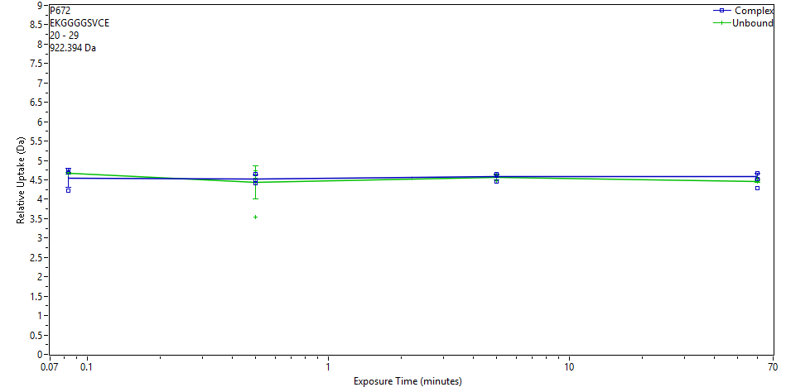
 | File | State | Exposure | Uptake | Uptake SD | Center | Center SD | p-Value Two tailed T-test
 | CD_3s_1 | Complex | 0.083 | 4.2307 | 0.0154 | 926.9875 | 0 | 0.5599
 | CD_3s_2 | Complex | 0.083 | 4.6966 | 0.0154 | 927.4534 | 0
 | CD_3s_3 | Complex | 0.083 | 4.759 | 0.0154 | 927.5158 | 0
 | CD_30s_1 | Complex | 0.5 | 4.4159 | 0.0154 | 927.1728 | 0 | 0.5618
 | CD_30s_2 | Complex | 0.5 | 4.6446 | 0.0154 | 927.4014 | 0
 | CD_30s_3 | Complex | 0.5 | 4.4722 | 0.0154 | 927.229 | 0
 | CD_300s_1 | Complex | 5 | 4.6401 | 0.0154 | 927.3969 | 0 | 0.9269
 | CD_300s_2 | Complex | 5 | 4.4638 | 0.0154 | 927.2207 | 0
 | CD_300s_3 | Complex | 5 | 4.6172 | 0.0154 | 927.3741 | 0
 | Complex_60min_1 | Complex | 60 | 4.6648 | 0.0154 | 927.4216 | 0 | 0.9435
 | Complex_60min_2 | Complex | 60 | 4.5303 | 0.0154 | 927.2871 | 0
 | Complex_60min_3 | Complex | 60 | 4.2857 | 0.0154 | 927.0425 | 0
 | Evasin_3s_1 | Unbound | 0.083 | 4.6982 | 0.0154 | 927.455 | 0
 | Evasin_3s_2 | Unbound | 0.083 | 4.6677 | 0.0154 | 927.4245 | 0
 | Evasin_3s_3 | Unbound | 0.083 | 4.6396 | 0.0154 | 927.3964 | 0
 | Evasin_30s_1 | Unbound | 0.5 | 4.7293 | 0.0154 | 927.4861 | 0
 | Evasin_30s_2 | Unbound | 0.5 | 3.5391 | 0.0154 | 926.2959 | 0
 | Evasin_30s_3 | Unbound | 0.5 | 4.55 | 0.0154 | 927.3068 | 0
 | Evasin_300s_1 | Unbound | 5 | 4.6219 | 0.0154 | 927.3788 | 0
 | Evasin_300s_2 | Unbound | 5 | 4.5963 | 0.0154 | 927.3531 | 0
 | Evasin_300s_3 | Unbound | 5 | 4.4824 | 0.0154 | 927.2392 | 0
 | P672_60min_1 | Unbound | 60 | 4.4548 | 0.0154 | 927.2117 | 0
 | P672_60min_2 | Unbound | 60 | 4.4556 | 0.0154 | 927.2124 | 0
 | P672_60min_3 | Unbound | 60 | 4.5444 | 0.0154 | 927.3012 | 0
P672 | 29 | 43 | EVSEQEGVGEDNATE |  |  | 14 | 1592.6558
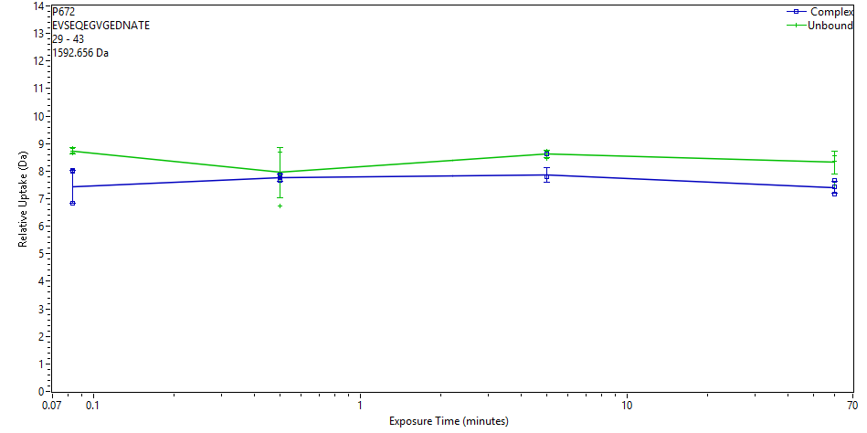
 | File | State | Exposure | Uptake | Uptake SD | Center | Center SD | p-Value Two tailed T-test
 | CD_3s_1 | Complex | 0.083 | 6.8254 | 0.0934 | 1599.9067 | 0 | 0.0460
 | CD_3s_2 | Complex | 0.083 | 8.0147 | 0.0934 | 1601.096 | 0
 | CD_3s_3 | Complex | 0.083 | 7.9887 | 0.0934 | 1601.07 | 0
 | CD_30s_1 | Complex | 0.5 | 7.7756 | 0.0934 | 1600.8569 | 0 | 0.9977
 | CD_30s_2 | Complex | 0.5 | 7.8561 | 0.0934 | 1600.9374 | 0
 | CD_30s_3 | Complex | 0.5 | 7.6748 | 0.0934 | 1600.7561 | 0
 | CD_300s_1 | Complex | 5 | 7.7938 | 0.0934 | 1600.8751 | 0 | 0.1285
 | CD_300s_2 | Complex | 5 | 8.6317 | 0.0934 | 1601.713 | 0
 | CD_300s_3 | Complex | 5 | 7.7952 | 0.0934 | 1600.8765 | 0
 | Complex_60min_1 | Complex | 60 | 7.4185 | 0.0934 | 1600.4998 | 0 | 0.1135
 | Complex_60min_2 | Complex | 60 | 7.6669 | 0.0934 | 1600.7482 | 0
 | Complex_60min_3 | Complex | 60 | 7.1792 | 0.0934 | 1600.2605 | 0
 | Evasin_3s_1 | Unbound | 0.083 | 8.7143 | 0.0934 | 1601.7956 | 0
 | Evasin_3s_2 | Unbound | 0.083 | 8.8333 | 0.0934 | 1601.9146 | 0
 | Evasin_3s_3 | Unbound | 0.083 | 8.6702 | 0.0934 | 1601.7515 | 0
 | Evasin_30s_1 | Unbound | 0.5 | 7.8558 | 0.0934 | 1600.9371 | 0
 | Evasin_30s_2 | Unbound | 0.5 | 6.7372 | 0.0934 | 1599.8184 | 0
 | Evasin_30s_3 | Unbound | 0.5 | 8.7082 | 0.0934 | 1601.7895 | 0
 | Evasin_300s_1 | Unbound | 5 | 8.692 | 0.0934 | 1601.7733 | 0
 | Evasin_300s_2 | Unbound | 5 | 8.7152 | 0.0934 | 1601.7964 | 0
 | Evasin_300s_3 | Unbound | 5 | 8.4735 | 0.0934 | 1601.5547 | 0
 | P672_60min_1 | Unbound | 60 | 7.4963 | 0.0934 | 1600.5776 | 0
 | P672_60min_2 | Unbound | 60 | 8.5726 | 0.0934 | 1601.6538 | 0
 | P672_60min_3 | Unbound | 60 | 8.3737 | 0.0934 | 1601.455 | 0
P672 | 29 | 46 | EVSEQEGVGEDNATEDED | HEXNAC (N) (12) |  | 17 | 2154.8317

 | File | State | Exposure | Uptake | Uptake SD | Center | Center SD | p-Value Two tailed T-test
 | CD_3s_1 | Complex | 0.083 | 9.8265 | 0.0463 | 2165.6132 | 0 | 0.0390
 | CD_3s_2 | Complex | 0.083 | 10.4694 | 0.0463 | 2166.2562 | 0
 | CD_3s_3 | Complex | 0.083 | 10.5049 | 0.0463 | 2166.2916 | 0
 | CD_30s_1 | Complex | 0.5 | 10.1396 | 0.0463 | 2165.9264 | 0 | 0.8186
 | CD_30s_2 | Complex | 0.5 | 10.892 | 0.0463 | 2166.6787 | 0
 | CD_30s_3 | Complex | 0.5 | 10.2716 | 0.0463 | 2166.0583 | 0
 | CD_300s_1 | Complex | 5 | 10.6312 | 0.0463 | 2166.4179 | 0 | 0.0026
 | CD_300s_2 | Complex | 5 | 10.502 | 0.0463 | 2166.2887 | 0
 | CD_300s_3 | Complex | 5 | 10.6866 | 0.0463 | 2166.4733 | 0
 | Complex_60min_1 | Complex | 60 | 10.6762 | 0.0463 | 2166.4629 | 0 | 0.3570
 | Complex_60min_2 | Complex | 60 | 10.4274 | 0.0463 | 2166.2141 | 0
 | Complex_60min_3 | Complex | 60 | 10.6046 | 0.0463 | 2166.3913 | 0
 | Evasin_3s_1 | Unbound | 0.083 | 10.9487 | 0.0463 | 2166.7355 | 0
 | Evasin_3s_2 | Unbound | 0.083 | 10.9132 | 0.0463 | 2166.6999 | 0
 | Evasin_3s_3 | Unbound | 0.083 | 10.9406 | 0.0463 | 2166.7273 | 0
 | Evasin_30s_1 | Unbound | 0.5 | 11.2965 | 0.0463 | 2167.0832 | 0
 | Evasin_30s_2 | Unbound | 0.5 | 8.2335 | 0.0463 | 2164.0202 | 0
 | Evasin_30s_3 | Unbound | 0.5 | 11.0334 | 0.0463 | 2166.8201 | 0
 | Evasin_300s_1 | Unbound | 5 | 11.1755 | 0.0463 | 2166.9622 | 0
 | Evasin_300s_2 | Unbound | 5 | 11.2023 | 0.0463 | 2166.989 | 0
 | Evasin_300s_3 | Unbound | 5 | 11.0202 | 0.0463 | 2166.8069 | 0
 | P672_60min_1 | Unbound | 60 | 10.6391 | 0.0463 | 2166.4258 | 0
 | P672_60min_2 | Unbound | 60 | 10.7018 | 0.0463 | 2166.4885 | 0
 | P672_60min_3 | Unbound | 60 | 10.6124 | 0.0463 | 2166.3991 | 0
P672 | 30 | 39 | VSEQEGVGED |  |  | 9 | 1048.4429

 | File | State | Exposure | Uptake | Uptake SD | Center | Center SD | p-Value Two tailed T-test
 | CD_3s_1 | Complex | 0.083 | 4.0811 | 0.0151 | 1052.945 | 0 | 0.2761
 | CD_3s_2 | Complex | 0.083 | 4.6337 | 0.0151 | 1053.4976 | 0
 | CD_3s_3 | Complex | 0.083 | 4.685 | 0.0151 | 1053.5489 | 0
 | CD_30s_1 | Complex | 0.5 | 4.3901 | 0.0151 | 1053.254 | 0 | 0.6094
 | CD_30s_2 | Complex | 0.5 | 4.6227 | 0.0151 | 1053.4866 | 0
 | CD_30s_3 | Complex | 0.5 | 4.4919 | 0.0151 | 1053.3558 | 0
 | CD_300s_1 | Complex | 5 | 4.5653 | 0.0151 | 1053.4292 | 0 | 0.3361
 | CD_300s_2 | Complex | 5 | 4.3482 | 0.0151 | 1053.2121 | 0
 | CD_300s_3 | Complex | 5 | 4.4247 | 0.0151 | 1053.2886 | 0
 | Complex_60min_1 | Complex | 60 | 4.7344 | 0.0151 | 1053.5983 | 0 | 0.9186
 | Complex_60min_2 | Complex | 60 | 4.6603 | 0.0151 | 1053.5242 | 0
 | Complex_60min_3 | Complex | 60 | 4.4647 | 0.0151 | 1053.3286 | 0
 | Evasin_3s_1 | Unbound | 0.083 | 4.7941 | 0.0151 | 1053.658 | 0
 | Evasin_3s_2 | Unbound | 0.083 | 4.6764 | 0.0151 | 1053.5403 | 0
 | Evasin_3s_3 | Unbound | 0.083 | 4.6752 | 0.0151 | 1053.5391 | 0
 | Evasin_30s_1 | Unbound | 0.5 | 4.744 | 0.0151 | 1053.608 | 0
 | Evasin_30s_2 | Unbound | 0.5 | 3.4801 | 0.0151 | 1052.344 | 0
 | Evasin_30s_3 | Unbound | 0.5 | 4.6065 | 0.0151 | 1053.4704 | 0
 | Evasin_300s_1 | Unbound | 5 | 4.6021 | 0.0151 | 1053.466 | 0
 | Evasin_300s_2 | Unbound | 5 | 4.5424 | 0.0151 | 1053.4063 | 0
 | Evasin_300s_3 | Unbound | 5 | 4.4484 | 0.0151 | 1053.3123 | 0
 | P672_60min_1 | Unbound | 60 | 4.5378 | 0.0151 | 1053.4018 | 0
 | P672_60min_2 | Unbound | 60 | 4.5989 | 0.0151 | 1053.4628 | 0
 | P672_60min_3 | Unbound | 60 | 4.6926 | 0.0151 | 1053.5565 | 0
P672 | 30 | 43 | VSEQEGVGEDNATE |  |  | 13 | 1463.6132

 | File | State | Exposure | Uptake | Uptake SD | Center | Center SD | p-Value Two tailed T-test
 | CD_3s_1 | Complex | 0.083 | 6.5792 | 0.0258 | 1470.7536 | 0 | 0.8213
 | CD_3s_2 | Complex | 0.083 | 7.2984 | 0.0258 | 1471.4727 | 0
 | CD_3s_3 | Complex | 0.083 | 7.3799 | 0.0258 | 1471.5542 | 0
 | CD_30s_1 | Complex | 0.5 | 7.9117 | 0.0258 | 1472.0861 | 0 | 0.1086
 | CD_30s_2 | Complex | 0.5 | 7.4038 | 0.0258 | 1471.5782 | 0
 | CD_30s_3 | Complex | 0.5 | 8.335 | 0.0258 | 1472.5094 | 0
 | CD_300s_1 | Complex | 5 | 7.3357 | 0.0258 | 1471.5101 | 0 | 0.0427
 | CD_300s_2 | Complex | 5 | 7.9527 | 0.0258 | 1472.1271 | 0
 | CD_300s_3 | Complex | 5 | 8.3938 | 0.0258 | 1472.5682 | 0
 | Complex_60min_1 | Complex | 60 | 7.8495 | 0.0258 | 1472.0239 | 0 | 0.0003
 | Complex_60min_2 | Complex | 60 | 7.7172 | 0.0258 | 1471.8916 | 0
 | Complex_60min_3 | Complex | 60 | 7.6324 | 0.0258 | 1471.8068 | 0
 | Evasin_3s_1 | Unbound | 0.083 | 7.0187 | 0.0132 | 1472.1534 | 0
 | Evasin_3s_2 | Unbound | 0.083 | 7.0418 | 0.0132 | 1472.1764 | 0
 | Evasin_3s_3 | Unbound | 0.083 | 7.0128 | 0.0132 | 1472.1474 | 0
 | Evasin_30s_1 | Unbound | 0.5 | 7.1261 | 0.0132 | 1472.2607 | 0
 | Evasin_30s_2 | Unbound | 0.5 | 5.0191 | 0.0132 | 1470.1537 | 0
 | Evasin_30s_3 | Unbound | 0.5 | 6.9868 | 0.0132 | 1472.1214 | 0
 | Evasin_300s_1 | Unbound | 5 | 7.0566 | 0.0132 | 1472.1913 | 0
 | Evasin_300s_2 | Unbound | 5 | 7.0144 | 0.0132 | 1472.1491 | 0
 | Evasin_300s_3 | Unbound | 5 | 6.8596 | 0.0132 | 1471.9942 | 0
 | P672_60min_1 | Unbound | 60 | 6.7041 | 0.0132 | 1471.8387 | 0
 | P672_60min_2 | Unbound | 60 | 6.6932 | 0.0132 | 1471.8278 | 0
 | P672_60min_3 | Unbound | 60 | 6.873 | 0.0132 | 1472.0076 | 0
P672 | 30 | 45 | VSEQEGVGEDNATEDE | Deamidation N (11) |  | 15 | 1708.6668

 | File | State | Exposure | Uptake | Uptake SD | Center | Center SD | p-Value Two tailed T-test
 | CD_3s_1 | Complex | 0.083 | 7.029 | 0.1799 | 1716.2868 | 0 | 0.8368
 | CD_3s_2 | Complex | 0.083 | 7.9599 | 0.1799 | 1717.2177 | 0
 | CD_3s_3 | Complex | 0.083 | 8.0005 | 0.1799 | 1717.2583 | 0
 | CD_30s_1 | Complex | 0.5 | 7.5807 | 0.1799 | 1716.8385 | 0 | 0.5418
 | CD_30s_2 | Complex | 0.5 | 7.7789 | 0.1799 | 1717.0367 | 0
 | CD_30s_3 | Complex | 0.5 | 7.5611 | 0.1799 | 1716.8189 | 0
 | CD_300s_1 | Complex | 5 | 7.8048 | 0.1799 | 1717.0626 | 0 | 0.1435
 | CD_300s_2 | Complex | 5 | 7.5225 | 0.1799 | 1716.7803 | 0
 | CD_300s_3 | Complex | 5 | 7.6648 | 0.1799 | 1716.9226 | 0
 | Complex_60min_1 | Complex | 60 | 7.5975 | 0.1799 | 1716.8553 | 0 | 0.6286
 | Complex_60min_2 | Complex | 60 | 7.7044 | 0.1799 | 1716.9622 | 0
 | Complex_60min_3 | Complex | 60 | 7.4453 | 0.1799 | 1716.7031 | 0
 | Evasin_3s_1 | Unbound | 0.083 | 7.6623 | 0.1799 | 1716.9201 | 0
 | Evasin_3s_2 | Unbound | 0.083 | 7.6988 | 0.1799 | 1716.9566 | 0
 | Evasin_3s_3 | Unbound | 0.083 | 7.8405 | 0.1799 | 1717.0983 | 0
 | Evasin_30s_1 | Unbound | 0.5 | 7.8925 | 0.1799 | 1717.1503 | 0
 | Evasin_30s_2 | Unbound | 0.5 | 5.2903 | 0.1799 | 1714.5481 | 0
 | Evasin_30s_3 | Unbound | 0.5 | 7.972 | 0.1799 | 1717.2298 | 0
 | Evasin_300s_1 | Unbound | 5 | 7.6765 | 0.1799 | 1716.9343 | 0
 | Evasin_300s_2 | Unbound | 5 | 8.173 | 0.1799 | 1717.4308 | 0
 | Evasin_300s_3 | Unbound | 5 | 8.0896 | 0.1799 | 1717.3474 | 0
 | P672_60min_1 | Unbound | 60 | 7.556 | 0.1799 | 1716.8139 | 0
 | P672_60min_2 | Unbound | 60 | 7.3193 | 0.1799 | 1716.5771 | 0
 | P672_60min_3 | Unbound | 60 | 7.6711 | 0.1799 | 1716.9289 | 0
P672 | 30 | 46 | VSEQEGVGEDNATEDED | HEXNAC (N) (11) |  | 16 | 2025.7891

 | File | State | Exposure | Uptake | Uptake SD | Center | Center SD | p-Value Two tailed T-test
 | CD_3s_1 | Complex | 0.083 | 9.2559 | 0.008 | 2035.8981 | 0 | 0.2645
 | CD_3s_2 | Complex | 0.083 | 10.1554 | 0.008 | 2036.7976 | 0
 | CD_3s_3 | Complex | 0.083 | 10.2986 | 0.008 | 2036.9408 | 0
 | CD_30s_1 | Complex | 0.5 | 9.746 | 0.008 | 2036.3882 | 0 | 0.6341
 | CD_30s_2 | Complex | 0.5 | 10.2332 | 0.008 | 2036.8754 | 0
 | CD_30s_3 | Complex | 0.5 | 9.9019 | 0.008 | 2036.5441 | 0
 | CD_300s_1 | Complex | 5 | 10.1282 | 0.008 | 2036.7704 | 0 | 0.0674
 | CD_300s_2 | Complex | 5 | 9.8157 | 0.008 | 2036.4579 | 0
 | CD_300s_3 | Complex | 5 | 10.1512 | 0.008 | 2036.7935 | 0
 | Complex_60min_1 | Complex | 60 | 10.1688 | 0.008 | 2036.8111 | 0 | 0.7336
 | Complex_60min_2 | Complex | 60 | 10.0403 | 0.008 | 2036.6825 | 0
 | Complex_60min_3 | Complex | 60 | 9.7986 | 0.008 | 2036.4408 | 0
 | Evasin_3s_1 | Unbound | 0.083 | 10.339 | 0.3408 | 2036.9805 | 0
 | Evasin_3s_2 | Unbound | 0.083 | 10.4147 | 0.0125 | 2037.0562 | 0
 | Evasin_3s_3 | Unbound | 0.083 | 10.2406 | 0.0125 | 2036.8822 | 0
 | Evasin_30s_1 | Unbound | 0.5 | 10.4794 | 0.3255 | 2037.121 | 0
 | Evasin_30s_2 | Unbound | 0.5 | 7.7415 | 0.0125 | 2034.383 | 0
 | Evasin_30s_3 | Unbound | 0.5 | 10.2818 | 0.0125 | 2036.9234 | 0
 | Evasin_300s_1 | Unbound | 5 | 10.3985 | 0.0125 | 2037.04 | 0
 | Evasin_300s_2 | Unbound | 5 | 10.4171 | 0.0125 | 2037.0586 | 0
 | Evasin_300s_3 | Unbound | 5 | 10.2177 | 0.0125 | 2036.8592 | 0
 | P672_60min_1 | Unbound | 60 | 9.8883 | 0.3207 | 2036.5298 | 0
 | P672_60min_2 | Unbound | 60 | 9.8453 | 0.3641 | 2036.4868 | 0
 | P672_60min_3 | Unbound | 60 | 10.1224 | 0.4149 | 2036.764 | 0
P672 | 30 | 46 | VSEQEGVGEDNATEDED | Deamidation N (11) |  | 16 | 1823.6937

 | File | State | Exposure | Uptake | Uptake SD | Center | Center SD | p-Value Two tailed T-test
 | CD_3s_1 | Complex | 0.083 | 8.178 | 0.0212 | 1832.1459 | 0 | 0.1764
 | CD_3s_2 | Complex | 0.083 | 9.0651 | 0.0212 | 1833.033 | 0
 | CD_3s_3 | Complex | 0.083 | 9.2081 | 0.0212 | 1833.176 | 0
 | CD_30s_1 | Complex | 0.5 | 8.6713 | 0.0212 | 1832.6392 | 0 | 0.6834
 | CD_30s_2 | Complex | 0.5 | 8.9855 | 0.0212 | 1832.9534 | 0
 | CD_30s_3 | Complex | 0.5 | 8.7384 | 0.0212 | 1832.7064 | 0
 | CD_300s_1 | Complex | 5 | 9.0359 | 0.0212 | 1833.0038 | 0 | 0.0420
 | CD_300s_2 | Complex | 5 | 8.6653 | 0.0212 | 1832.6333 | 0
 | CD_300s_3 | Complex | 5 | 8.9874 | 0.0212 | 1832.9553 | 0
 | Complex_60min_1 | Complex | 60 | 8.9931 | 0.3992 | 1832.961 | 0 | 0.2414
 | Complex_60min_2 | Complex | 60 | 9.0991 | 0.3799 | 1833.067 | 0
 | Complex_60min_3 | Complex | 60 | 8.5769 | 0.0212 | 1832.5448 | 0
 | Evasin_3s_1 | Unbound | 0.083 | 9.35 | 0.0212 | 1833.3179 | 0
 | Evasin_3s_2 | Unbound | 0.083 | 9.3586 | 0.3965 | 1833.3265 | 0
 | Evasin_3s_3 | Unbound | 0.083 | 9.3282 | 0.0212 | 1833.2961 | 0
 | Evasin_30s_1 | Unbound | 0.5 | 9.4992 | 0.3189 | 1833.4671 | 0
 | Evasin_30s_2 | Unbound | 0.5 | 6.6618 | 0.0212 | 1830.6297 | 0
 | Evasin_30s_3 | Unbound | 0.5 | 9.0654 | 0.0212 | 1833.0333 | 0
 | Evasin_300s_1 | Unbound | 5 | 9.4799 | 0.0212 | 1833.4478 | 0
 | Evasin_300s_2 | Unbound | 5 | 9.427 | 0.0212 | 1833.3949 | 0
 | Evasin_300s_3 | Unbound | 5 | 9.1509 | 0.0212 | 1833.1189 | 0
 | P672_60min_1 | Unbound | 60 | 9.0201 | 0.0212 | 1832.988 | 0
 | P672_60min_2 | Unbound | 60 | 9.1562 | 0.0212 | 1833.1241 | 0
 | P672_60min_3 | Unbound | 60 | 9.1815 | 0.3808 | 1833.1494 | 0
P672 | 35 | 63 | GVGEDNATEDEDYEDFFKPVTCYFANSTV |  |  | 27 | 3262.3681

 | File | State | Exposure | Uptake | Uptake SD | Center | Center SD | p-Value Two tailed T-test
 | CD_3s_1 | Complex | 0.083 | 6.1612 | 0.4588 | 3270.5777 | 0 | 0.4525
 | CD_3s_2 | Complex | 0.083 | 6.6058 | 0.328 | 3271.0223 | 0
 | CD_3s_3 | Complex | 0.083 | 6.8491 | 0.3027 | 3271.2657 | 0
 | CD_30s_1 | Complex | 0.5 | 6.8378 | 0.5751 | 3271.2543 | 0 | 0.3012
 | CD_30s_2 | Complex | 0.5 | 6.624 | 0.3971 | 3271.0405 | 0
 | CD_30s_3 | Complex | 0.5 | 6.7799 | 0.3873 | 3271.1964 | 0
 | CD_300s_1 | Complex | 5 | 6.6022 | 0.3058 | 3271.0187 | 0 | 0.1744
 | CD_300s_2 | Complex | 5 | 6.3983 | 0.4057 | 3270.8148 | 0
 | CD_300s_3 | Complex | 5 | 6.641 | 0.4405 | 3271.0575 | 0
 | Complex_60min_1 | Complex | 60 | 6.3797 | 0.2799 | 3270.7963 | 0 | 0.3954
 | Complex_60min_2 | Complex | 60 | 6.1711 | 0.1454 | 3270.5876 | 0
 | Complex_60min_3 | Complex | 60 | 6.0445 | 0.1489 | 3270.4611 | 0
 | Evasin_3s_1 | Unbound | 0.083 | 6.6674 | 0.4874 | 3271.0839 | 0
 | Evasin_3s_2 | Unbound | 0.083 | 6.688 | 0.3348 | 3271.1045 | 0
 | Evasin_3s_3 | Unbound | 0.083 | 6.7689 | 0.3537 | 3271.1854 | 0
 | Evasin_30s_1 | Unbound | 0.5 | 6.8475 | 0.3025 | 3271.2641 | 0
 | Evasin_30s_2 | Unbound | 0.5 | 4.922 | 0.1639 | 3269.3385 | 0
 | Evasin_30s_3 | Unbound | 0.5 | 6.3922 | 0.1596 | 3270.8087 | 0
 | Evasin_300s_1 | Unbound | 5 | 6.4194 | 0.1787 | 3270.8359 | 0
 | Evasin_300s_2 | Unbound | 5 | 6.4453 | 0.1633 | 3270.8618 | 0
 | Evasin_300s_3 | Unbound | 5 | 6.0661 | 0.3066 | 3270.4826 | 0
 | P672_60min_1 | Unbound | 60 | 6.2315 | 0.1436 | 3270.648 | 0
 | P672_60min_2 | Unbound | 60 | 6.2756 | 0.1515 | 3270.6921 | 0
 | P672_60min_3 | Unbound | 60 | 6.4035 | 0.1576 | 3270.82 | 0
P672 | 36 | 64 | VGEDNATEDEDYEDFFKPVTCYFANSTVG |  |  | 27 | 3262.3681

 | File | State | Exposure | Uptake | Uptake SD | Center | Center SD | p-Value Two tailed T-test
 | CD_3s_1 | Complex | 0.083 | 6.4365 | 0.2792 | 3270.4881 | 0 | 0.8936
 | CD_3s_2 | Complex | 0.083 | 8.1522 | 0.2931 | 3272.2038 | 0
 | CD_3s_3 | Complex | 0.083 | 7.6085 | 0.3056 | 3271.6601 | 0
 | CD_30s_1 | Complex | 0.5 | 7.1527 | 0.2861 | 3271.2044 | 0 | 0.6086
 | CD_30s_2 | Complex | 0.5 | 7.8271 | 0.3041 | 3271.8787 | 0
 | CD_30s_3 | Complex | 0.5 | 7.3063 | 0.38 | 3271.358 | 0
 | CD_300s_1 | Complex | 5 | 7.1285 | 0.2959 | 3271.1801 | 0 | 0.9165
 | CD_300s_2 | Complex | 5 | 7.1259 | 0.3134 | 3271.1775 | 0
 | CD_300s_3 | Complex | 5 | 7.7555 | 0.3181 | 3271.8071 | 0
 | Complex_60min_1 | Complex | 60 | 7.3392 | 0.3308 | 3271.3908 | 0 | 0.0729
 | Complex_60min_2 | Complex | 60 | 6.8123 | 0.3741 | 3270.864 | 0
 | Complex_60min_3 | Complex | 60 | 6.8258 | 0.5426 | 3270.8774 | 0
 | Evasin_3s_1 | Unbound | 0.083 | 6.9021 | 0.3795 | 3270.8583 | 0
 | Evasin_3s_2 | Unbound | 0.083 | 7.7817 | 0.4308 | 3271.7379 | 0
 | Evasin_3s_3 | Unbound | 0.083 | 7.2711 | 0.4632 | 3271.2273 | 0
 | Evasin_30s_1 | Unbound | 0.5 | 8.4557 | 0.3798 | 3272.412 | 0
 | Evasin_30s_2 | Unbound | 0.5 | 5.2579 | 0.389 | 3269.2141 | 0
 | Evasin_30s_3 | Unbound | 0.5 | 6.9971 | 0.3925 | 3270.9533 | 0
 | Evasin_300s_1 | Unbound | 5 | 7.4903 | 0.3809 | 3271.4465 | 0
 | Evasin_300s_2 | Unbound | 5 | 7.4688 | 0.3807 | 3271.425 | 0
 | Evasin_300s_3 | Unbound | 5 | 6.9597 | 0.381 | 3270.9159 | 0
 | P672_60min_1 | Unbound | 60 | 7.6267 | 0.6633 | 3271.583 | 0
 | P672_60min_2 | Unbound | 60 | 7.2808 | 0.3841 | 3271.237 | 0
 | P672_60min_3 | Unbound | 60 | 7.9434 | 0.4534 | 3271.8996 | 0
P672 | 47 | 57 | YEDFFKPVTCY |  |  | 9 | 1411.6239

 | File | State | Exposure | Uptake | Uptake SD | Center | Center SD | p-Value Two tailed T-test
 | CD_3s_1 | Complex | 0.083 | 3.8712 | 0.0117 | 1416.2452 | 0 | 0.0166
 | CD_3s_2 | Complex | 0.083 | 2.3922 | 0.0117 | 1414.7663 | 0
 | CD_3s_3 | Complex | 0.083 | 2.4027 | 0.0117 | 1414.7768 | 0
 | CD_30s_1 | Complex | 0.5 | 4.1345 | 0.0117 | 1416.5085 | 0 | 0.5962
 | CD_30s_2 | Complex | 0.5 | 3.9547 | 0.0117 | 1416.3288 | 0
 | CD_30s_3 | Complex | 0.5 | 4.0767 | 0.0117 | 1416.4508 | 0
 | CD_300s_1 | Complex | 5 | 4.6955 | 0.0117 | 1417.0695 | 0 | 0.2845
 | CD_300s_2 | Complex | 5 | 4.63 | 0.0117 | 1417.0041 | 0
 | CD_300s_3 | Complex | 5 | 4.867 | 0.0117 | 1417.2411 | 0
 | Complex_60min_1 | Complex | 60 | 4.7893 | 0.0117 | 1417.1634 | 0 | 0.2621
 | Complex_60min_2 | Complex | 60 | 4.6066 | 0.0117 | 1416.9806 | 0
 | Complex_60min_3 | Complex | 60 | 4.6454 | 0.0117 | 1417.0194 | 0
 | Evasin_3s_1 | Unbound | 0.083 | 4.9076 | 0.0117 | 1417.2817 | 0
 | Evasin_3s_2 | Unbound | 0.083 | 4.856 | 0.0117 | 1417.2301 | 0
 | Evasin_3s_3 | Unbound | 0.083 | 4.7663 | 0.0117 | 1417.1404 | 0
 | Evasin_30s_1 | Unbound | 0.5 | 4.8679 | 0.0117 | 1417.2419 | 0
 | Evasin_30s_2 | Unbound | 0.5 | 3.3886 | 0.0117 | 1415.7626 | 0
 | Evasin_30s_3 | Unbound | 0.5 | 4.7274 | 0.0117 | 1417.1015 | 0
 | Evasin_300s_1 | Unbound | 5 | 4.682 | 0.0117 | 1417.0561 | 0
 | Evasin_300s_2 | Unbound | 5 | 4.6615 | 0.0117 | 1417.0356 | 0
 | Evasin_300s_3 | Unbound | 5 | 4.5402 | 0.0117 | 1416.9143 | 0
 | P672_60min_1 | Unbound | 60 | 4.752 | 0.0117 | 1417.1261 | 0
 | P672_60min_2 | Unbound | 60 | 4.7084 | 0.0117 | 1417.0824 | 0
 | P672_60min_3 | Unbound | 60 | 4.8644 | 0.0117 | 1417.2385 | 0
P672 | 50 | 56 | FFKPVTC |  |  | 5 | 841.4277

 | File | State | Exposure | Uptake | Uptake SD | Center | Center SD | p-Value Two tailed T-test
 | CD_3s_1 | Complex | 0.083 | 0.1766 | 0.0081 | 842.0399 | 0 | 0.0000
 | CD_3s_2 | Complex | 0.083 | 0.0746 | 0.0081 | 841.938 | 0
 | CD_3s_3 | Complex | 0.083 | 0.0074 | 0.0081 | 841.8707 | 0
 | CD_30s_1 | Complex | 0.5 | 0.2925 | 0.0081 | 842.1559 | 0 | 0.0018
 | CD_30s_2 | Complex | 0.5 | 0.5064 | 0.0081 | 842.3697 | 0
 | CD_30s_3 | Complex | 0.5 | 0.4685 | 0.0081 | 842.3319 | 0
 | CD_300s_1 | Complex | 5 | 0.8612 | 0.0081 | 842.7246 | 0 | 0.0000
 | CD_300s_2 | Complex | 5 | 0.8591 | 0.0081 | 842.7224 | 0
 | CD_300s_3 | Complex | 5 | 0.8496 | 0.0081 | 842.713 | 0
 | Complex_60min_1 | Complex | 60 | 1.0262 | 0.0081 | 842.8895 | 0 | 0.0000
 | Complex_60min_2 | Complex | 60 | 0.9892 | 0.0081 | 842.8525 | 0
 | Complex_60min_3 | Complex | 60 | 1.2503 | 0.0081 | 843.1137 | 0
 | Evasin_3s_1 | Unbound | 0.083 | 2.9859 | 0.0069 | 844.8225 | 0
 | Evasin_3s_2 | Unbound | 0.083 | 2.9762 | 0.0069 | 844.8128 | 0
 | Evasin_3s_3 | Unbound | 0.083 | 2.9712 | 0.0069 | 844.8078 | 0
 | Evasin_30s_1 | Unbound | 0.5 | 2.9258 | 0.0069 | 844.7624 | 0
 | Evasin_30s_2 | Unbound | 0.5 | 2.0328 | 0.0069 | 843.8695 | 0
 | Evasin_30s_3 | Unbound | 0.5 | 2.876 | 0.0069 | 844.7126 | 0
 | Evasin_300s_1 | Unbound | 5 | 2.9529 | 0.0069 | 844.7895 | 0
 | Evasin_300s_2 | Unbound | 5 | 2.8644 | 0.0069 | 844.701 | 0
 | Evasin_300s_3 | Unbound | 5 | 2.7989 | 0.0069 | 844.6355 | 0
 | P672_60min_1 | Unbound | 60 | 2.9533 | 0.0069 | 844.7899 | 0
 | P672_60min_2 | Unbound | 60 | 2.8583 | 0.0069 | 844.6949 | 0
 | P672_60min_3 | Unbound | 60 | 2.975 | 0.0069 | 844.8116 | 0
P672 | 50 | 57 | FFKPVTCY |  |  | 6 | 1004.491

 | File | State | Exposure | Uptake | Uptake SD | Center | Center SD | p-Value Two tailed T-test
 | CD_3s_1 | Complex | 0.083 | 2.8052 | 0.0562 | 1007.8935 | 0 | 0.0181
 | CD_3s_2 | Complex | 0.083 | 1.5477 | 0.0566 | 1006.6361 | 0
 | CD_3s_3 | Complex | 0.083 | 1.6654 | 0.056 | 1006.7537 | 0
 | CD_30s_1 | Complex | 0.5 | 2.9624 | 0.0558 | 1008.0507 | 0 | 0.6200
 | CD_30s_2 | Complex | 0.5 | 2.9701 | 0.0566 | 1008.0584 | 0
 | CD_30s_3 | Complex | 0.5 | 3.0072 | 0.0562 | 1008.0955 | 0
 | CD_300s_1 | Complex | 5 | 3.5618 | 0.0557 | 1008.6501 | 0 | 0.1615
 | CD_300s_2 | Complex | 5 | 3.4795 | 0.0556 | 1008.5678 | 0
 | CD_300s_3 | Complex | 5 | 3.6394 | 0.0573 | 1008.7278 | 0
 | Complex_60min_1 | Complex | 60 | 3.4719 | 0.0556 | 1008.5602 | 0 | 0.0526
 | Complex_60min_2 | Complex | 60 | 3.4794 | 0.0556 | 1008.5677 | 0
 | Complex_60min_3 | Complex | 60 | 3.4546 | 0.0558 | 1008.5429 | 0
 | Evasin_3s_1 | Unbound | 0.083 | 3.5882 | 0.0561 | 1008.6765 | 0
 | Evasin_3s_2 | Unbound | 0.083 | 3.5832 | 0.057 | 1008.6716 | 0
 | Evasin_3s_3 | Unbound | 0.083 | 3.5061 | 0.0556 | 1008.5944 | 0
 | Evasin_30s_1 | Unbound | 0.5 | 3.5402 | 0.0556 | 1008.6285 | 0
 | Evasin_30s_2 | Unbound | 0.5 | 2.4545 | 0.0556 | 1007.5428 | 0
 | Evasin_30s_3 | Unbound | 0.5 | 3.5237 | 0.056 | 1008.612 | 0
 | Evasin_300s_1 | Unbound | 5 | 3.5006 | 0.0556 | 1008.5889 | 0
 | Evasin_300s_2 | Unbound | 5 | 3.4908 | 0.0556 | 1008.5791 | 0
 | Evasin_300s_3 | Unbound | 5 | 3.3865 | 0.0556 | 1008.4748 | 0
 | P672_60min_1 | Unbound | 60 | 3.5074 | 0.0559 | 1008.5957 | 0
 | P672_60min_2 | Unbound | 60 | 3.488 | 0.0556 | 1008.5764 | 0
 | P672_60min_3 | Unbound | 60 | 3.5331 | 0.1368 | 1008.6214 | 0
P672 | 51 | 57 | FKPVTCY |  |  | 5 | 857.4226

 | File | State | Exposure | Uptake | Uptake SD | Center | Center SD | p-Value Two tailed T-test
 | CD_3s_1 | Complex | 0.083 | 2.397 | 0.0179 | 860.3221 | 0 | 0.0094
 | CD_3s_2 | Complex | 0.083 | 1.6053 | 0.0179 | 859.5305 | 0
 | CD_3s_3 | Complex | 0.083 | 1.6658 | 0.0179 | 859.591 | 0
 | CD_30s_1 | Complex | 0.5 | 2.5415 | 0.0179 | 860.4666 | 0 | 0.6079
 | CD_30s_2 | Complex | 0.5 | 2.6063 | 0.0179 | 860.5314 | 0
 | CD_30s_3 | Complex | 0.5 | 2.6017 | 0.0179 | 860.5268 | 0
 | CD_300s_1 | Complex | 5 | 3.0664 | 0.0179 | 860.9915 | 0 | 0.3076
 | CD_300s_2 | Complex | 5 | 2.9657 | 0.0179 | 860.8908 | 0
 | CD_300s_3 | Complex | 5 | 3.0315 | 0.0179 | 860.9567 | 0
 | Complex_60min_1 | Complex | 60 | 3.0633 | 0.0179 | 860.9885 | 0 | 0.7249
 | Complex_60min_2 | Complex | 60 | 3.0469 | 0.0179 | 860.9721 | 0
 | Complex_60min_3 | Complex | 60 | 3.006 | 0.0179 | 860.9311 | 0
 | Evasin_3s_1 | Unbound | 0.083 | 3.0995 | 0.0729 | 861.0067 | 0
 | Evasin_3s_2 | Unbound | 0.083 | 3.0957 | 0.0734 | 861.0029 | 0
 | Evasin_3s_3 | Unbound | 0.083 | 3.0552 | 0.0679 | 860.9624 | 0
 | Evasin_30s_1 | Unbound | 0.5 | 3.0847 | 0.0699 | 860.9919 | 0
 | Evasin_30s_2 | Unbound | 0.5 | 2.144 | 0.0667 | 860.0511 | 0
 | Evasin_30s_3 | Unbound | 0.5 | 3.0306 | 0.0692 | 860.9377 | 0
 | Evasin_300s_1 | Unbound | 5 | 3.0106 | 0.0674 | 860.9178 | 0
 | Evasin_300s_2 | Unbound | 5 | 2.9928 | 0.0682 | 860.9 | 0
 | Evasin_300s_3 | Unbound | 5 | 2.9111 | 0.0679 | 860.8182 | 0
 | P672_60min_1 | Unbound | 60 | 3.0213 | 0.0748 | 860.9284 | 0
 | P672_60min_2 | Unbound | 60 | 3.0298 | 0.0665 | 860.937 | 0
 | P672_60min_3 | Unbound | 60 | 3.099 | 0.0727 | 861.0062 | 0
P672 | 52 | 58 | KPVTCYF |  |  | 5 | 857.4226

 | File | State | Exposure | Uptake | Uptake SD | Center | Center SD | p-Value Two tailed T-test
 | CD_3s_1 | Complex | 0.083 | 1.3843 | 0.1569 | 858.9096 | 0 | 0.0000
 | CD_3s_2 | Complex | 0.083 | 1.3912 | 0.1569 | 858.9165 | 0
 | CD_3s_3 | Complex | 0.083 | 1.3206 | 0.1569 | 858.846 | 0
 | CD_30s_1 | Complex | 0.5 | 1.9164 | 0.1569 | 859.4418 | 0 | 0.0313
 | CD_30s_2 | Complex | 0.5 | 1.9209 | 0.1569 | 859.4463 | 0
 | CD_30s_3 | Complex | 0.5 | 1.8753 | 0.1569 | 859.4007 | 0
 | CD_300s_1 | Complex | 5 | 1.9204 | 0.1569 | 859.4458 | 0 | 0.0181
 | CD_300s_2 | Complex | 5 | 2.3449 | 0.1569 | 859.8702 | 0
 | CD_300s_3 | Complex | 5 | 2.3989 | 0.1569 | 859.9242 | 0
 | Complex_60min_1 | Complex | 60 | 2.4698 | 0.1569 | 859.9952 | 0 | 0.0083
 | Complex_60min_2 | Complex | 60 | 2.3416 | 0.1569 | 859.867 | 0
 | Complex_60min_3 | Complex | 60 | 2.4115 | 0.1569 | 859.9369 | 0
 | Evasin_3s_1 | Unbound | 0.083 | 2.8072 | 0.0162 | 860.4102 | 0
 | Evasin_3s_2 | Unbound | 0.083 | 2.8198 | 0.0162 | 860.4228 | 0
 | Evasin_3s_3 | Unbound | 0.083 | 2.8249 | 0.0162 | 860.4279 | 0
 | Evasin_30s_1 | Unbound | 0.5 | 2.7012 | 0.0162 | 860.3043 | 0
 | Evasin_30s_2 | Unbound | 0.5 | 2.158 | 0.0162 | 859.761 | 0
 | Evasin_30s_3 | Unbound | 0.5 | 2.7943 | 0.0162 | 860.3973 | 0
 | Evasin_300s_1 | Unbound | 5 | 2.7996 | 0.0162 | 860.4026 | 0
 | Evasin_300s_2 | Unbound | 5 | 2.8116 | 0.0162 | 860.4147 | 0
 | Evasin_300s_3 | Unbound | 5 | 2.8069 | 0.0162 | 860.41 | 0
 | P672_60min_1 | Unbound | 60 | 2.806 | 0.0162 | 860.4091 | 0
 | P672_60min_2 | Unbound | 60 | 2.6344 | 0.0162 | 860.2375 | 0
 | P672_60min_3 | Unbound | 60 | 2.829 | 0.0162 | 860.432 | 0
P672 | 58 | 73 | FANSTVGPLRPPNCTV | Deamidation N (3)HEXNAC (N) (13) |  | 12 | 1876.911

 | File | State | Exposure | Uptake | Uptake SD | Center | Center SD | p-Value Two tailed T-test
 | CD_3s_1 | Complex | 0.083 | 0.9025 | 0.0051 | 1878.7495 | 0 | 0.1251
 | CD_3s_2 | Complex | 0.083 | NaN | NaN | NaN | 0
 | CD_3s_3 | Complex | 0.083 | 1.1329 | 0.0051 | 1878.9799 | 0
 | CD_30s_1 | Complex | 0.5 | 1.0391 | 0.0051 | 1878.886 | 0 | 0.6093
 | CD_30s_2 | Complex | 0.5 | 1.0609 | 0.0051 | 1878.9079 | 0
 | CD_30s_3 | Complex | 0.5 | 1.0114 | 0.0051 | 1878.8583 | 0
 | CD_300s_1 | Complex | 5 | 0.9845 | 0.0051 | 1878.8314 | 0 | 0.0471
 | CD_300s_2 | Complex | 5 | 0.8447 | 0.0051 | 1878.6916 | 0
 | CD_300s_3 | Complex | 5 | 0.9801 | 0.0051 | 1878.827 | 0
 | Complex_60min_1 | Complex | 60 | 0.3367 | 0.0051 | 1878.1837 | 0 | 0.8074
 | Complex_60min_2 | Complex | 60 | 1.174 | 0.0051 | 1879.021 | 0
 | Complex_60min_3 | Complex | 60 | 0.9727 | 0.0051 | 1878.8197 | 0
 | Evasin_3s_1 | Unbound | 0.083 | NaN | NaN | NaN | 0
 | Evasin_3s_2 | Unbound | 0.083 | 1.6992 | 0.071 | 1879.5521 | 0
 | Evasin_3s_3 | Unbound | 0.083 | 1.3676 | 0.0458 | 1879.2206 | 0
 | Evasin_30s_1 | Unbound | 0.5 | 1.2224 | 0.0618 | 1879.0753 | 0
 | Evasin_30s_2 | Unbound | 0.5 | 1.0787 | 0.038 | 1878.9317 | 0
 | Evasin_30s_3 | Unbound | 0.5 | 0.9453 | 0.0379 | 1878.7982 | 0
 | Evasin_300s_1 | Unbound | 5 | 1.1206 | 0.0751 | 1878.9736 | 0
 | Evasin_300s_2 | Unbound | 5 | 1.1382 | 0.0525 | 1878.9912 | 0
 | Evasin_300s_3 | Unbound | 5 | 1.0314 | 0.0684 | 1878.8844 | 0
 | P672_60min_1 | Unbound | 60 | 1.0036 | 0.0322 | 1878.8565 | 0
 | P672_60min_2 | Unbound | 60 | 0.964 | 0.0459 | 1878.8169 | 0
 | P672_60min_3 | Unbound | 60 | 0.2391 | 0.0527 | 1878.092 | 0
P672 | 58 | 73 | FANSTVGPLRPPNCTV | Deamidation N (3)Deamidation N (13) |  | 12 | 1674.8156

 | File | State | Exposure | Uptake | Uptake SD | Center | Center SD | p-Value Two tailed T-test
 | CD_3s_1 | Complex | 0.083 | 1.1942 | 0.0265 | 1676.8146 | 0 | 0.0099
 | CD_3s_2 | Complex | 0.083 | 1.0801 | 0.0419 | 1676.7005 | 0
 | CD_3s_3 | Complex | 0.083 | 1.1866 | 0.0265 | 1676.807 | 0
 | CD_30s_1 | Complex | 0.5 | 1.2422 | 0.3784 | 1676.8626 | 0 | 0.0577
 | CD_30s_2 | Complex | 0.5 | 1.0741 | 0.2316 | 1676.6945 | 0
 | CD_30s_3 | Complex | 0.5 | 1.3239 | 0.2702 | 1676.9443 | 0
 | CD_300s_1 | Complex | 5 | 1.3728 | 0.4516 | 1676.9933 | 0 | 0.0032
 | CD_300s_2 | Complex | 5 | 1.2191 | 0.4969 | 1676.8395 | 0
 | CD_300s_3 | Complex | 5 | 1.2547 | 0.5886 | 1676.8751 | 0
 | Complex_60min_1 | Complex | 60 | NaN | NaN | NaN | 0 | 0.7482
 | Complex_60min_2 | Complex | 60 | 1.3318 | 0.4511 | 1676.9522 | 0
 | Complex_60min_3 | Complex | 60 | 1.2062 | 0.4732 | 1676.8266 | 0
 | Evasin_3s_1 | Unbound | 0.083 | NaN | NaN | NaN | 0
 | Evasin_3s_2 | Unbound | 0.083 | 1.9691 | 0.0079 | 1677.5908 | 0
 | Evasin_3s_3 | Unbound | 0.083 | 1.6873 | 0.0079 | 1677.309 | 0
 | Evasin_30s_1 | Unbound | 0.5 | 1.685 | 0.0079 | 1677.3067 | 0
 | Evasin_30s_2 | Unbound | 0.5 | 1.353 | 0.0079 | 1676.9747 | 0
 | Evasin_30s_3 | Unbound | 0.5 | 1.5667 | 0.0079 | 1677.1884 | 0
 | Evasin_300s_1 | Unbound | 5 | 1.6465 | 0.0079 | 1677.2682 | 0
 | Evasin_300s_2 | Unbound | 5 | 1.6383 | 0.0079 | 1677.26 | 0
 | Evasin_300s_3 | Unbound | 5 | 1.567 | 0.0079 | 1677.1887 | 0
 | P672_60min_1 | Unbound | 60 | 1.4109 | 0.0079 | 1677.0326 | 0
 | P672_60min_2 | Unbound | 60 | 1.4259 | 0.0079 | 1677.0476 | 0
 | P672_60min_3 | Unbound | 60 | 1.1162 | 0.0079 | 1676.7379 | 0
P672 | 65 | 94 | PLRPPNCTVVCTNNTAWWNDTKSDGGHCYS |  |  | 26 | 3336.4619

 | File | State | Exposure | Uptake | Uptake SD | Center | Center SD | p-Value Two tailed T-test
 | CD_3s_1 | Complex | 0.083 | 4.726 | 0.1339 | 3343.1055 | 0 | 0.3782
 | CD_3s_2 | Complex | 0.083 | 5.5348 | 0.1469 | 3343.9143 | 0
 | CD_3s_3 | Complex | 0.083 | 5.4254 | 0.2165 | 3343.8049 | 0
 | CD_30s_1 | Complex | 0.5 | 5.271 | 0.1466 | 3343.6505 | 0 | 0.5574
 | CD_30s_2 | Complex | 0.5 | 5.3261 | 0.2033 | 3343.7056 | 0
 | CD_30s_3 | Complex | 0.5 | 5.168 | 0.2738 | 3343.5475 | 0
 | CD_300s_1 | Complex | 5 | 5.3189 | 0.2219 | 3343.6984 | 0 | 0.2343
 | CD_300s_2 | Complex | 5 | 5.0907 | 0.2158 | 3343.4702 | 0
 | CD_300s_3 | Complex | 5 | 5.2971 | 0.252 | 3343.6767 | 0
 | Complex_60min_1 | Complex | 60 | 5.3986 | 0.1471 | 3343.7781 | 0 | 0.4357
 | Complex_60min_2 | Complex | 60 | 5.0887 | 0.1103 | 3343.4682 | 0
 | Complex_60min_3 | Complex | 60 | 5.0905 | 0.1183 | 3343.47 | 0
 | Evasin_3s_1 | Unbound | 0.083 | 5.6033 | 0.1284 | 3343.9828 | 0
 | Evasin_3s_2 | Unbound | 0.083 | 5.3879 | 0.1381 | 3343.7674 | 0
 | Evasin_3s_3 | Unbound | 0.083 | 5.4702 | 0.1715 | 3343.8497 | 0
 | Evasin_30s_1 | Unbound | 0.5 | 5.464 | 0.2231 | 3343.8435 | 0
 | Evasin_30s_2 | Unbound | 0.5 | 4.1223 | 0.0905 | 3342.5019 | 0
 | Evasin_30s_3 | Unbound | 0.5 | 5.3503 | 0.1572 | 3343.7298 | 0
 | Evasin_300s_1 | Unbound | 5 | 5.4273 | 0.2017 | 3343.8068 | 0
 | Evasin_300s_2 | Unbound | 5 | 5.3456 | 0.1286 | 3343.7251 | 0
 | Evasin_300s_3 | Unbound | 5 | 5.2848 | 0.1971 | 3343.6644 | 0
 | P672_60min_1 | Unbound | 60 | 5.2346 | 0.0493 | 3343.6141 | 0
 | P672_60min_2 | Unbound | 60 | 5.2097 | 0.0341 | 3343.5892 | 0
 | P672_60min_3 | Unbound | 60 | 5.485 | 0.0895 | 3343.8645 | 0
P672 | 66 | 89 | LRPPNCTVVCTNNTAWWNDTKSDG | Deamidation N (1)Deamidation N (1)HEXNAC (N) (1) |  | 21 | 2897.2716

 | File | State | Exposure | Uptake | Uptake SD | Center | Center SD | p-Value Two tailed T-test
 | CD_3s_1 | Complex | 0.083 | 4.0655 | 0.2056 | 2902.9437 | 0 | 0.6870
 | CD_3s_2 | Complex | 0.083 | 4.5669 | 0.2246 | 2903.4451 | 0
 | CD_3s_3 | Complex | 0.083 | 4.6736 | 0.26 | 2903.5518 | 0
 | CD_30s_1 | Complex | 0.5 | 4.3439 | 0.202 | 2903.2221 | 0 | 0.2606
 | CD_30s_2 | Complex | 0.5 | 4.537 | 0.2314 | 2903.4152 | 0
 | CD_30s_3 | Complex | 0.5 | 4.4406 | 0.2401 | 2903.3188 | 0
 | CD_300s_1 | Complex | 5 | 4.5184 | 0.1884 | 2903.3967 | 0 | 0.0379
 | CD_300s_2 | Complex | 5 | 4.3387 | 0.228 | 2903.2169 | 0
 | CD_300s_3 | Complex | 5 | 4.4526 | 0.2209 | 2903.3308 | 0
 | Complex_60min_1 | Complex | 60 | 4.1957 | 0.1868 | 2903.0739 | 0 | 0.2353
 | Complex_60min_2 | Complex | 60 | 4.1748 | 0.2239 | 2903.053 | 0
 | Complex_60min_3 | Complex | 60 | 4.001 | 0.2006 | 2902.8792 | 0
 | Evasin_3s_1 | Unbound | 0.083 | 4.3777 | 0.2387 | 2903.2559 | 0
 | Evasin_3s_2 | Unbound | 0.083 | 4.3503 | 0.2301 | 2903.2286 | 0
 | Evasin_3s_3 | Unbound | 0.083 | 4.3336 | 0.2338 | 2903.2118 | 0
 | Evasin_30s_1 | Unbound | 0.5 | 4.3659 | 0.2447 | 2903.2441 | 0
 | Evasin_30s_2 | Unbound | 0.5 | 3.3287 | 0.2235 | 2902.2069 | 0
 | Evasin_30s_3 | Unbound | 0.5 | 4.2948 | 0.2435 | 2903.1731 | 0
 | Evasin_300s_1 | Unbound | 5 | 4.2683 | 0.2131 | 2903.1465 | 0
 | Evasin_300s_2 | Unbound | 5 | 4.2783 | 0.2214 | 2903.1565 | 0
 | Evasin_300s_3 | Unbound | 5 | 4.1479 | 0.2162 | 2903.0261 | 0
 | P672_60min_1 | Unbound | 60 | 4.1407 | 0.2085 | 2903.0189 | 0
 | P672_60min_2 | Unbound | 60 | 4.2555 | 0.2371 | 2903.1337 | 0
 | P672_60min_3 | Unbound | 60 | 4.3033 | 0.2112 | 2903.1815 | 0
P672 | 78 | 92 | NTAWWNDTKSDGGHC | HEXNAC (N) (6) |  | 14 | 1894.7661

 | File | State | Exposure | Uptake | Uptake SD | Center | Center SD | p-Value Two tailed T-test
 | CD_3s_1 | Complex | 0.083 | 6.3163 | 0.0408 | 1902.191 | 0 | 0.6213
 | CD_3s_2 | Complex | 0.083 | 6.5783 | 0.0408 | 1902.453 | 0
 | CD_3s_3 | Complex | 0.083 | 6.9167 | 0.0408 | 1902.7914 | 0
 | CD_30s_1 | Complex | 0.5 | 6.4324 | 0.0408 | 1902.307 | 0 | 0.6791
 | CD_30s_2 | Complex | 0.5 | 6.7701 | 0.0408 | 1902.6447 | 0
 | CD_30s_3 | Complex | 0.5 | 6.4386 | 0.0408 | 1902.3133 | 0
 | CD_300s_1 | Complex | 5 | NaN | NaN | NaN | 0 | 0.0346
 | CD_300s_2 | Complex | 5 | 6.4209 | 0.0408 | 1902.2956 | 0
 | CD_300s_3 | Complex | 5 | 6.5202 | 0.0408 | 1902.3949 | 0
 | Complex_60min_1 | Complex | 60 | 6.8543 | 0.0408 | 1902.7289 | 0 | 0.0869
 | Complex_60min_2 | Complex | 60 | 6.6229 | 0.0408 | 1902.4976 | 0
 | Complex_60min_3 | Complex | 60 | 6.4786 | 0.0408 | 1902.3532 | 0
 | Evasin_3s_1 | Unbound | 0.083 | 6.8663 | 0.0408 | 1902.741 | 0
 | Evasin_3s_2 | Unbound | 0.083 | 6.7406 | 0.0408 | 1902.6152 | 0
 | Evasin_3s_3 | Unbound | 0.083 | 6.5255 | 0.0408 | 1902.4002 | 0
 | Evasin_30s_1 | Unbound | 0.5 | 7.0664 | 0.0408 | 1902.9411 | 0
 | Evasin_30s_2 | Unbound | 0.5 | 4.93 | 0.0408 | 1900.8047 | 0
 | Evasin_30s_3 | Unbound | 0.5 | 6.7438 | 0.0408 | 1902.6185 | 0
 | Evasin_300s_1 | Unbound | 5 | 6.8069 | 0.0408 | 1902.6816 | 0
 | Evasin_300s_2 | Unbound | 5 | 7.0702 | 0.0408 | 1902.9449 | 0
 | Evasin_300s_3 | Unbound | 5 | 6.8212 | 0.0408 | 1902.6959 | 0
 | P672_60min_1 | Unbound | 60 | 6.8294 | 0.0408 | 1902.704 | 0
 | P672_60min_2 | Unbound | 60 | 6.9392 | 0.0408 | 1902.8138 | 0
 | P672_60min_3 | Unbound | 60 | 7.0071 | 0.0408 | 1902.8817 | 0
P672 | 82 | 111 | WNDTKSDGGHCYSEYRPEKRTHSREIYNCT | Deamidation N (2)Deamidation N (28) |  | 28 | 3634.571

 | File | State | Exposure | Uptake | Uptake SD | Center | Center SD | p-Value Two tailed T-test
 | CD_3s_1 | Complex | 0.083 | 9.4239 | 0.0658 | 3646.1223 | 0 | 0.3390
 | CD_3s_2 | Complex | 0.083 | 10.0819 | 0.0658 | 3646.7803 | 0
 | CD_3s_3 | Complex | 0.083 | 10.2134 | 0.0658 | 3646.9118 | 0
 | CD_30s_1 | Complex | 0.5 | 10.2554 | 0.0658 | 3646.9538 | 0 | 0.5359
 | CD_30s_2 | Complex | 0.5 | 9.6797 | 0.0658 | 3646.3781 | 0
 | CD_30s_3 | Complex | 0.5 | 9.8718 | 0.0658 | 3646.5702 | 0
 | CD_300s_1 | Complex | 5 | 9.9513 | 0.0658 | 3646.6497 | 0 | 0.7461
 | CD_300s_2 | Complex | 5 | 9.814 | 0.0658 | 3646.5124 | 0
 | CD_300s_3 | Complex | 5 | 9.957 | 0.0658 | 3646.6554 | 0
 | Complex_60min_1 | Complex | 60 | 9.7862 | 0.0658 | 3646.4846 | 0 | 0.0564
 | Complex_60min_2 | Complex | 60 | 9.5164 | 0.0658 | 3646.2148 | 0
 | Complex_60min_3 | Complex | 60 | 9.5352 | 0.0658 | 3646.2336 | 0
 | Evasin_3s_1 | Unbound | 0.083 | 10.2043 | 0.1162 | 3646.8172 | 0
 | Evasin_3s_2 | Unbound | 0.083 | 10.2194 | 0.1267 | 3646.8323 | 0
 | Evasin_3s_3 | Unbound | 0.083 | 10.0997 | 0.1092 | 3646.7126 | 0
 | Evasin_30s_1 | Unbound | 0.5 | 10.1095 | 0.151 | 3646.7224 | 0
 | Evasin_30s_2 | Unbound | 0.5 | 7.7065 | 0.3197 | 3644.3194 | 0
 | Evasin_30s_3 | Unbound | 0.5 | 10.2729 | 0.3484 | 3646.8858 | 0
 | Evasin_300s_1 | Unbound | 5 | 10.1117 | 0.181 | 3646.7246 | 0
 | Evasin_300s_2 | Unbound | 5 | 10.0327 | 0.1318 | 3646.6456 | 0
 | Evasin_300s_3 | Unbound | 5 | 9.7136 | 0.109 | 3646.3265 | 0
 | P672_60min_1 | Unbound | 60 | 9.8322 | 0.1205 | 3646.4451 | 0
 | P672_60min_2 | Unbound | 60 | 9.8256 | 0.1315 | 3646.4385 | 0
 | P672_60min_3 | Unbound | 60 | 9.9736 | 0.1164 | 3646.5865 | 0
P672 | 92 | 109 | CYSEYRPEKRTHSREIYN |  |  | 16 | 2331.0935

 | File | State | Exposure | Uptake | Uptake SD | Center | Center SD | p-Value Two tailed T-test
 | CD_3s_1 | Complex | 0.083 | 5.9543 | 0.1114 | 2338.3945 | 0 | 0.1301
 | CD_3s_2 | Complex | 0.083 | 6.6908 | 0.0643 | 2339.1311 | 0
 | CD_3s_3 | Complex | 0.083 | 6.4799 | 0.1475 | 2338.9202 | 0
 | CD_30s_1 | Complex | 0.5 | 6.3076 | 0.1649 | 2338.7479 | 0 | 0.7937
 | CD_30s_2 | Complex | 0.5 | 6.4867 | 0.0562 | 2338.927 | 0
 | CD_30s_3 | Complex | 0.5 | 6.2836 | 0.1356 | 2338.7239 | 0
 | CD_300s_1 | Complex | 5 | 6.579 | 0.0587 | 2339.0192 | 0 | 0.1284
 | CD_300s_2 | Complex | 5 | 6.5321 | 0.082 | 2338.9724 | 0
 | CD_300s_3 | Complex | 5 | 6.4214 | 0.1225 | 2338.8616 | 0
 | Complex_60min_1 | Complex | 60 | 6.748 | 0.0646 | 2339.1882 | 0 | 0.8243
 | Complex_60min_2 | Complex | 60 | 6.6201 | 0.0789 | 2339.0604 | 0
 | Complex_60min_3 | Complex | 60 | 6.5291 | 0.0621 | 2338.9694 | 0
 | Evasin_3s_1 | Unbound | 0.083 | 6.8071 | 0.0975 | 2339.2473 | 0
 | Evasin_3s_2 | Unbound | 0.083 | 6.8243 | 0.0687 | 2339.2646 | 0
 | Evasin_3s_3 | Unbound | 0.083 | 6.749 | 0.0616 | 2339.1893 | 0
 | Evasin_30s_1 | Unbound | 0.5 | 6.7943 | 0.0592 | 2339.2346 | 0
 | Evasin_30s_2 | Unbound | 0.5 | 5.2102 | 0.0577 | 2337.6505 | 0
 | Evasin_30s_3 | Unbound | 0.5 | 6.6463 | 0.0708 | 2339.0866 | 0
 | Evasin_300s_1 | Unbound | 5 | 6.7225 | 0.0666 | 2339.1628 | 0
 | Evasin_300s_2 | Unbound | 5 | 6.7211 | 0.0564 | 2339.1614 | 0
 | Evasin_300s_3 | Unbound | 5 | 6.5352 | 0.058 | 2338.9754 | 0
 | P672_60min_1 | Unbound | 60 | 6.5017 | 0.0629 | 2338.942 | 0
 | P672_60min_2 | Unbound | 60 | 6.543 | 0.0663 | 2338.9833 | 0
 | P672_60min_3 | Unbound | 60 | 6.7767 | 0.096 | 2339.217 | 0
P672 | 93 | 106 | YSEYRPEKRTHSRE |  |  | 12 | 1837.894

 | File | State | Exposure | Uptake | Uptake SD | Center | Center SD | p-Value Two tailed T-test
 | CD_3s_1 | Complex | 0.083 | 2.6867 | 0.0424 | 1841.5929 | 0 | 0.0590
 | CD_3s_2 | Complex | 0.083 | 3.5265 | 0.0398 | 1842.4327 | 0
 | CD_3s_3 | Complex | 0.083 | 3.3071 | 0.0344 | 1842.2132 | 0
 | CD_30s_1 | Complex | 0.5 | 3.0517 | 0.0542 | 1841.9579 | 0 | 0.4701
 | CD_30s_2 | Complex | 0.5 | 3.1657 | 0.0382 | 1842.0719 | 0
 | CD_30s_3 | Complex | 0.5 | 3.016 | 0.0489 | 1841.9222 | 0
 | CD_300s_1 | Complex | 5 | 3.0261 | 0.0349 | 1841.9323 | 0 | 0.0001
 | CD_300s_2 | Complex | 5 | 2.949 | 0.0476 | 1841.8552 | 0
 | CD_300s_3 | Complex | 5 | 2.9948 | 0.0445 | 1841.9009 | 0
 | Complex_60min_1 | Complex | 60 | 3.7882 | 0.0288 | 1842.6944 | 0 | 0.9528
 | Complex_60min_2 | Complex | 60 | 3.5443 | 0.0335 | 1842.4505 | 0
 | Complex_60min_3 | Complex | 60 | 3.415 | 0.0928 | 1842.3212 | 0
 | Evasin_3s_1 | Unbound | 0.083 | 3.9568 | 0.0306 | 1842.863 | 0
 | Evasin_3s_2 | Unbound | 0.083 | 3.8414 | 0.0301 | 1842.7476 | 0
 | Evasin_3s_3 | Unbound | 0.083 | 3.7511 | 0.0448 | 1842.6573 | 0
 | Evasin_30s_1 | Unbound | 0.5 | 3.8506 | 0.0287 | 1842.7568 | 0
 | Evasin_30s_2 | Unbound | 0.5 | 2.6123 | 0.0559 | 1841.5185 | 0
 | Evasin_30s_3 | Unbound | 0.5 | 3.7139 | 0.0308 | 1842.6201 | 0
 | Evasin_300s_1 | Unbound | 5 | 3.6949 | 0.0331 | 1842.6011 | 0
 | Evasin_300s_2 | Unbound | 5 | 3.688 | 0.0331 | 1842.5941 | 0
 | Evasin_300s_3 | Unbound | 5 | 3.5868 | 0.0302 | 1842.493 | 0
 | P672_60min_1 | Unbound | 60 | 3.4427 | 0.0296 | 1842.3489 | 0
 | P672_60min_2 | Unbound | 60 | 3.4311 | 0.0389 | 1842.3372 | 0
 | P672_60min_3 | Unbound | 60 | 3.8409 | 0.0313 | 1842.7471 | 0
P672 | 93 | 109 | YSEYRPEKRTHSREIYN | Deamidation N (17) |  | 15 | 2229.0683

 | File | State | Exposure | Uptake | Uptake SD | Center | Center SD | p-Value Two tailed T-test
 | CD_3s_1 | Complex | 0.083 | 4.8205 | 0.0181 | 2235.1679 | 0 | 0.7190
 | CD_3s_2 | Complex | 0.083 | 5.4797 | 0.0181 | 2235.8271 | 0
 | CD_3s_3 | Complex | 0.083 | 5.4617 | 0.0181 | 2235.8091 | 0
 | CD_30s_1 | Complex | 0.5 | 5.3245 | 0.0181 | 2235.672 | 0 | 0.5467
 | CD_30s_2 | Complex | 0.5 | 5.2744 | 0.0181 | 2235.6218 | 0
 | CD_30s_3 | Complex | 0.5 | 5.1589 | 0.0181 | 2235.5063 | 0
 | CD_300s_1 | Complex | 5 | 5.3801 | 0.0181 | 2235.7276 | 0 | 0.8768
 | CD_300s_2 | Complex | 5 | 5.2112 | 0.0181 | 2235.5586 | 0
 | CD_300s_3 | Complex | 5 | 5.3729 | 0.0181 | 2235.7203 | 0
 | Complex_60min_1 | Complex | 60 | 5.2882 | 0.0181 | 2235.6356 | 0 | 0.5931
 | Complex_60min_2 | Complex | 60 | 5.234 | 0.0181 | 2235.5814 | 0
 | Complex_60min_3 | Complex | 60 | 5.187 | 0.0181 | 2235.5345 | 0
 | Evasin_3s_1 | Unbound | 0.083 | 5.5025 | 0.0181 | 2235.85 | 0
 | Evasin_3s_2 | Unbound | 0.083 | 5.3754 | 0.0181 | 2235.7229 | 0
 | Evasin_3s_3 | Unbound | 0.083 | 5.1605 | 0.0181 | 2235.5079 | 0
 | Evasin_30s_1 | Unbound | 0.5 | 5.404 | 0.0181 | 2235.7514 | 0
 | Evasin_30s_2 | Unbound | 0.5 | 3.9313 | 0.0181 | 2234.2787 | 0
 | Evasin_30s_3 | Unbound | 0.5 | 5.438 | 0.0181 | 2235.7854 | 0
 | Evasin_300s_1 | Unbound | 5 | 5.3379 | 0.0181 | 2235.6853 | 0
 | Evasin_300s_2 | Unbound | 5 | 5.3511 | 0.0181 | 2235.6985 | 0
 | Evasin_300s_3 | Unbound | 5 | 5.2431 | 0.0181 | 2235.5906 | 0
 | P672_60min_1 | Unbound | 60 | 5.2247 | 0.0181 | 2235.5721 | 0
 | P672_60min_2 | Unbound | 60 | 5.2283 | 0.0181 | 2235.5758 | 0
 | P672_60min_3 | Unbound | 60 | 5.3389 | 0.0181 | 2235.6864 | 0
P672 | 93 | 111 | YSEYRPEKRTHSREIYNCT | Deamidation N (17) |  | 17 | 2433.1252

 | File | State | Exposure | Uptake | Uptake SD | Center | Center SD | p-Value Two tailed T-test
 | CD_3s_1 | Complex | 0.083 | 5.8757 | 0.2353 | 2440.3997 | 0 | 0.3489
 | CD_3s_2 | Complex | 0.083 | 6.6415 | 0.0932 | 2441.1655 | 0
 | CD_3s_3 | Complex | 0.083 | 6.6408 | 0.0655 | 2441.1648 | 0
 | CD_30s_1 | Complex | 0.5 | 6.409 | 0.0607 | 2440.933 | 0 | 0.2615
 | CD_30s_2 | Complex | 0.5 | 7.0556 | 1.2616 | 2441.5796 | 0
 | CD_30s_3 | Complex | 0.5 | 6.9485 | 1.4572 | 2441.4725 | 0
 | CD_300s_1 | Complex | 5 | 6.4676 | 0.2049 | 2440.9916 | 0 | 0.8065
 | CD_300s_2 | Complex | 5 | 6.0938 | 1.3504 | 2440.6178 | 0
 | CD_300s_3 | Complex | 5 | 6.737 | 0.0607 | 2441.261 | 0
 | Complex_60min_1 | Complex | 60 | 6.1683 | 1.1343 | 2440.6923 | 0 | 0.7456
 | Complex_60min_2 | Complex | 60 | 6.4122 | 0.0607 | 2440.9362 | 0
 | Complex_60min_3 | Complex | 60 | 6.587 | 1.0244 | 2441.111 | 0
 | Evasin_3s_1 | Unbound | 0.083 | 6.6859 | 0.1245 | 2441.2099 | 0
 | Evasin_3s_2 | Unbound | 0.083 | 6.9273 | 1.2344 | 2441.4513 | 0
 | Evasin_3s_3 | Unbound | 0.083 | 6.4618 | 0.081 | 2440.9858 | 0
 | Evasin_30s_1 | Unbound | 0.5 | 6.6264 | 0.0561 | 2441.1504 | 0
 | Evasin_30s_2 | Unbound | 0.5 | 4.688 | 0.0555 | 2439.212 | 0
 | Evasin_30s_3 | Unbound | 0.5 | 6.5145 | 0.0567 | 2441.0385 | 0
 | Evasin_300s_1 | Unbound | 5 | 6.52 | 0.0591 | 2441.044 | 0
 | Evasin_300s_2 | Unbound | 5 | 6.2637 | 1.0931 | 2440.7878 | 0
 | Evasin_300s_3 | Unbound | 5 | 6.3569 | 0.0609 | 2440.8809 | 0
 | P672_60min_1 | Unbound | 60 | 6.4188 | 0.0555 | 2440.9428 | 0
 | P672_60min_2 | Unbound | 60 | 6.275 | 0.164 | 2440.799 | 0
 | P672_60min_3 | Unbound | 60 | 6.6424 | 0.1777 | 2441.1664 | 0
P672 | 93 | 111 | YSEYRPEKRTHSREIYNCT |  |  | 17 | 2432.1412

 | File | State | Exposure | Uptake | Uptake SD | Center | Center SD | p-Value Two tailed T-test
 | CD_3s_1 | Complex | 0.083 | 6.6106 | 0.1179 | 2440.3905 | 0 | 0.0772
 | CD_3s_2 | Complex | 0.083 | 6.6926 | 0.176 | 2440.4725 | 0
 | CD_3s_3 | Complex | 0.083 | 6.796 | 0.0739 | 2440.5758 | 0
 | CD_30s_1 | Complex | 0.5 | 7.2598 | 0.0783 | 2441.0397 | 0 | 0.1560
 | CD_30s_2 | Complex | 0.5 | 7.2365 | 0.0806 | 2441.0163 | 0
 | CD_30s_3 | Complex | 0.5 | 7.1228 | 0.1176 | 2440.9027 | 0
 | CD_300s_1 | Complex | 5 | 6.2727 | 0.2642 | 2440.0525 | 0 | 0.9040
 | CD_300s_2 | Complex | 5 | 7.1261 | 0.121 | 2440.906 | 0
 | CD_300s_3 | Complex | 5 | 7.2409 | 0.1378 | 2441.0208 | 0
 | Complex_60min_1 | Complex | 60 | 7.2521 | 0.0718 | 2441.0319 | 0 | 0.5221
 | Complex_60min_2 | Complex | 60 | 7.1231 | 0.0838 | 2440.903 | 0
 | Complex_60min_3 | Complex | 60 | 6.94 | 0.1177 | 2440.7199 | 0
 | Evasin_3s_1 | Unbound | 0.083 | 7.3757 | 0.0769 | 2441.152 | 0
 | Evasin_3s_2 | Unbound | 0.083 | 7.2912 | 0.0863 | 2441.0676 | 0
 | Evasin_3s_3 | Unbound | 0.083 | 6.7881 | 0.0945 | 2440.5645 | 0
 | Evasin_30s_1 | Unbound | 0.5 | 6.8464 | 0.164 | 2440.6227 | 0
 | Evasin_30s_2 | Unbound | 0.5 | 5.5194 | 0.075 | 2439.2957 | 0
 | Evasin_30s_3 | Unbound | 0.5 | 6.8893 | 0.0954 | 2440.6657 | 0
 | Evasin_300s_1 | Unbound | 5 | 6.7988 | 0.1781 | 2440.5752 | 0
 | Evasin_300s_2 | Unbound | 5 | 7.2944 | 0.0881 | 2441.0708 | 0
 | Evasin_300s_3 | Unbound | 5 | 6.6845 | 0.2032 | 2440.4609 | 0
 | P672_60min_1 | Unbound | 60 | 7.1174 | 0.0874 | 2440.8938 | 0
 | P672_60min_2 | Unbound | 60 | 7.1089 | 0.075 | 2440.8852 | 0
 | P672_60min_3 | Unbound | 60 | 7.3345 | 0.0804 | 2441.1109 | 0
P672 | 93 | 120 | YSEYRPEKRTHSREIYNCTIGVCGNGTC | HEXNAC (N) (17)Deamidation N (25) |  | 26 | 3440.5304

 | File | State | Exposure | Uptake | Uptake SD | Center | Center SD | p-Value Two tailed T-test
 | CD_3s_1 | Complex | 0.083 | 9.253 | 0.1899 | 3451.9435 | 0 | 0.0027
 | CD_3s_2 | Complex | 0.083 | 10.5073 | 0.2126 | 3453.1977 | 0
 | CD_3s_3 | Complex | 0.083 | 10.6581 | 0.254 | 3453.3485 | 0
 | CD_30s_1 | Complex | 0.5 | 10.2145 | 0.4088 | 3452.9049 | 0 | 0.2626
 | CD_30s_2 | Complex | 0.5 | 10.3379 | 0.1137 | 3453.0283 | 0
 | CD_30s_3 | Complex | 0.5 | 10.0284 | 0.3649 | 3452.7189 | 0
 | CD_300s_1 | Complex | 5 | 10.3972 | 0.4686 | 3453.0877 | 0 | 0.0001
 | CD_300s_2 | Complex | 5 | 10.0301 | 0.2827 | 3452.7206 | 0
 | CD_300s_3 | Complex | 5 | 10.242 | 0.2154 | 3452.9324 | 0
 | Complex_60min_1 | Complex | 60 | 12.8502 | 0.1757 | 3455.5407 | 0 | 0.4866
 | Complex_60min_2 | Complex | 60 | 12.6455 | 0.3744 | 3455.3359 | 0
 | Complex_60min_3 | Complex | 60 | 12.1985 | 0.4142 | 3454.8889 | 0
 | Evasin_3s_1 | Unbound | 0.083 | 13.0451 | 0.6691 | 3455.7355 | 0
 | Evasin_3s_2 | Unbound | 0.083 | 13.0885 | 0.1784 | 3455.7789 | 0
 | Evasin_3s_3 | Unbound | 0.083 | 13.1414 | 0.1526 | 3455.8319 | 0
 | Evasin_30s_1 | Unbound | 0.5 | 13.2053 | 0.1313 | 3455.8958 | 0
 | Evasin_30s_2 | Unbound | 0.5 | 9.3109 | 0.5521 | 3452.0014 | 0
 | Evasin_30s_3 | Unbound | 0.5 | 13.0561 | 0.2089 | 3455.7466 | 0
 | Evasin_300s_1 | Unbound | 5 | 13.1691 | 0.1812 | 3455.8595 | 0
 | Evasin_300s_2 | Unbound | 5 | 13.0607 | 0.1543 | 3455.7512 | 0
 | Evasin_300s_3 | Unbound | 5 | 12.7194 | 0.1715 | 3455.4098 | 0
 | P672_60min_1 | Unbound | 60 | 12.7096 | 0.2036 | 3455.4 | 0
 | P672_60min_2 | Unbound | 60 | 12.5987 | 0.2458 | 3455.2892 | 0
 | P672_60min_3 | Unbound | 60 | 12.8611 | 0.3942 | 3455.5515 | 0
P672 | 94 | 111 | SEYRPEKRTHSREIYNCT | Deamidation N (16) |  | 16 | 2270.0618

 | File | State | Exposure | Uptake | Uptake SD | Center | Center SD | p-Value Two tailed T-test
 | CD_3s_1 | Complex | 0.083 | 5.9855 | 0.0924 | 2277.3182 | 0 | 0.7238
 | CD_3s_2 | Complex | 0.083 | 6.395 | 0.0924 | 2277.7277 | 0
 | CD_3s_3 | Complex | 0.083 | 6.6857 | 0.0924 | 2278.0184 | 0
 | CD_30s_1 | Complex | 0.5 | 6.3807 | 0.0924 | 2277.7134 | 0 | 0.3072
 | CD_30s_2 | Complex | 0.5 | 6.6305 | 0.0924 | 2277.9632 | 0
 | CD_30s_3 | Complex | 0.5 | 6.573 | 0.0924 | 2277.9057 | 0
 | CD_300s_1 | Complex | 5 | 6.6044 | 0.0924 | 2277.9371 | 0 | 0.5811
 | CD_300s_2 | Complex | 5 | 6.3036 | 0.0924 | 2277.6363 | 0
 | CD_300s_3 | Complex | 5 | 6.2842 | 0.0924 | 2277.6168 | 0
 | Complex_60min_1 | Complex | 60 | 6.2389 | 0.2941 | 2277.5716 | 0 | 0.2289
 | Complex_60min_2 | Complex | 60 | 5.7093 | 0.0924 | 2277.042 | 0
 | Complex_60min_3 | Complex | 60 | 6.1691 | 0.2727 | 2277.5018 | 0
 | Evasin_3s_1 | Unbound | 0.083 | 6.2776 | 0.3365 | 2277.5809 | 0
 | Evasin_3s_2 | Unbound | 0.083 | 6.3095 | 0.301 | 2277.6128 | 0
 | Evasin_3s_3 | Unbound | 0.083 | 6.2471 | 0.217 | 2277.5505 | 0
 | Evasin_30s_1 | Unbound | 0.5 | 6.4846 | 0.3745 | 2277.7879 | 0
 | Evasin_30s_2 | Unbound | 0.5 | 4.7132 | 0.2342 | 2276.0165 | 0
 | Evasin_30s_3 | Unbound | 0.5 | 6.3643 | 0.394 | 2277.6676 | 0
 | Evasin_300s_1 | Unbound | 5 | 6.4189 | 0.3065 | 2277.7222 | 0
 | Evasin_300s_2 | Unbound | 5 | 6.3857 | 0.3498 | 2277.6891 | 0
 | Evasin_300s_3 | Unbound | 5 | 6.145 | 0.1169 | 2277.4483 | 0
 | P672_60min_1 | Unbound | 60 | 6.2308 | 0.2605 | 2277.5341 | 0
 | P672_60min_2 | Unbound | 60 | 6.2928 | 0.1561 | 2277.5962 | 0
 | P672_60min_3 | Unbound | 60 | 6.3081 | 0.225 | 2277.6114 | 0
P672 | 96 | 111 | YRPEKRTHSREIYNCT | Deamidation N (14) |  | 14 | 2053.9872

 | File | State | Exposure | Uptake | Uptake SD | Center | Center SD | p-Value Two tailed T-test
 | CD_3s_1 | Complex | 0.083 | 4.1268 | 0.0165 | 2059.3531 | 0 | 0.3470
 | CD_3s_2 | Complex | 0.083 | 4.8958 | 0.0165 | 2060.1221 | 0
 | CD_3s_3 | Complex | 0.083 | 4.7719 | 0.0165 | 2059.9982 | 0
 | CD_30s_1 | Complex | 0.5 | 4.4942 | 0.0165 | 2059.7204 | 0 | 0.6945
 | CD_30s_2 | Complex | 0.5 | 4.6314 | 0.0165 | 2059.8576 | 0
 | CD_30s_3 | Complex | 0.5 | 4.634 | 0.0165 | 2059.8602 | 0
 | CD_300s_1 | Complex | 5 | 4.6329 | 0.0165 | 2059.8591 | 0 | 0.0764
 | CD_300s_2 | Complex | 5 | 4.576 | 0.0165 | 2059.8022 | 0
 | CD_300s_3 | Complex | 5 | 4.5751 | 0.0165 | 2059.8013 | 0
 | Complex_60min_1 | Complex | 60 | 4.734 | 0.0165 | 2059.9603 | 0 | 0.8352
 | Complex_60min_2 | Complex | 60 | 4.6564 | 0.0165 | 2059.8827 | 0
 | Complex_60min_3 | Complex | 60 | 4.5498 | 0.0165 | 2059.7761 | 0
 | Evasin_3s_1 | Unbound | 0.083 | 4.7983 | 0.0165 | 2060.0245 | 0
 | Evasin_3s_2 | Unbound | 0.083 | 4.9187 | 0.0165 | 2060.145 | 0
 | Evasin_3s_3 | Unbound | 0.083 | 4.8471 | 0.0165 | 2060.0733 | 0
 | Evasin_30s_1 | Unbound | 0.5 | 4.8174 | 0.0165 | 2060.0436 | 0
 | Evasin_30s_2 | Unbound | 0.5 | 3.5042 | 0.0165 | 2058.7305 | 0
 | Evasin_30s_3 | Unbound | 0.5 | 4.8691 | 0.0165 | 2060.0953 | 0
 | Evasin_300s_1 | Unbound | 5 | 4.79 | 0.0165 | 2060.0162 | 0
 | Evasin_300s_2 | Unbound | 5 | 4.7745 | 0.0165 | 2060.0008 | 0
 | Evasin_300s_3 | Unbound | 5 | 4.6229 | 0.0165 | 2059.8492 | 0
 | P672_60min_1 | Unbound | 60 | 4.5358 | 0.0165 | 2059.7621 | 0
 | P672_60min_2 | Unbound | 60 | 4.6423 | 0.0165 | 2059.8685 | 0
 | P672_60min_3 | Unbound | 60 | 4.8294 | 0.0165 | 2060.0557 | 0
P672 | 102 | 128 | THSREIYNCTIGVCGNGTCIANHTYAD |  |  | 26 | 2913.2713

 | File | State | Exposure | Uptake | Uptake SD | Center | Center SD | p-Value Two tailed T-test
 | CD_3s_1 | Complex | 0.083 | 3.6256 | 0.1542 | 2918.5258 | 0 | 0.1606
 | CD_3s_2 | Complex | 0.083 | 4.3583 | 0.1543 | 2919.2584 | 0
 | CD_3s_3 | Complex | 0.083 | 4.2185 | 0.1698 | 2919.1187 | 0
 | CD_30s_1 | Complex | 0.5 | 4.1774 | 0.0878 | 2919.0775 | 0 | 0.5133
 | CD_30s_2 | Complex | 0.5 | 4.4111 | 0.0883 | 2919.3113 | 0
 | CD_30s_3 | Complex | 0.5 | 4.3415 | 0.0882 | 2919.2416 | 0
 | CD_300s_1 | Complex | 5 | 4.2983 | 0.1383 | 2919.1984 | 0 | 0.8021
 | CD_300s_2 | Complex | 5 | 4.0983 | 0.1305 | 2918.9984 | 0
 | CD_300s_3 | Complex | 5 | 4.3781 | 0.096 | 2919.2782 | 0
 | Complex_60min_1 | Complex | 60 | 4.3018 | 0.1257 | 2919.2019 | 0 | 0.0423
 | Complex_60min_2 | Complex | 60 | 4.0853 | 0.1708 | 2918.9854 | 0
 | Complex_60min_3 | Complex | 60 | 4.1101 | 0.139 | 2919.0102 | 0
 | Evasin_3s_1 | Unbound | 0.083 | 4.4912 | 0.1412 | 2919.2765 | 0
 | Evasin_3s_2 | Unbound | 0.083 | 4.4618 | 0.1262 | 2919.2471 | 0
 | Evasin_3s_3 | Unbound | 0.083 | 4.4139 | 0.1517 | 2919.1992 | 0
 | Evasin_30s_1 | Unbound | 0.5 | 4.4343 | 0.1157 | 2919.2196 | 0
 | Evasin_30s_2 | Unbound | 0.5 | 3.3573 | 0.1558 | 2918.1426 | 0
 | Evasin_30s_3 | Unbound | 0.5 | 4.3731 | 0.1505 | 2919.1585 | 0
 | Evasin_300s_1 | Unbound | 5 | 4.4433 | 0.1422 | 2919.2286 | 0
 | Evasin_300s_2 | Unbound | 5 | 4.2642 | 0.1991 | 2919.0495 | 0
 | Evasin_300s_3 | Unbound | 5 | 4.1613 | 0.1473 | 2918.9467 | 0
 | P672_60min_1 | Unbound | 60 | 4.3704 | 0.1111 | 2919.1557 | 0
 | P672_60min_2 | Unbound | 60 | 4.3452 | 0.1328 | 2919.1305 | 0
 | P672_60min_3 | Unbound | 60 | 4.4618 | 0.1454 | 2919.2471 | 0
P672 | 112 | 120 | IGVCGNGTC | Deamidation N (6) |  | 8 | 824.3277

 | File | State | Exposure | Uptake | Uptake SD | Center | Center SD | p-Value Two tailed T-test
 | CD_3s_1 | Complex | 0.083 | 2.9553 | 0.0155 | 826.6789 | 0 | 0.0359
 | CD_3s_2 | Complex | 0.083 | 3.2039 | 0.0155 | 826.9275 | 0
 | CD_3s_3 | Complex | 0.083 | 3.1492 | 0.0155 | 826.8728 | 0
 | CD_30s_1 | Complex | 0.5 | 3.1256 | 0.0155 | 826.8492 | 0 | 0.0000
 | CD_30s_2 | Complex | 0.5 | 3.2975 | 0.0155 | 827.0211 | 0
 | CD_30s_3 | Complex | 0.5 | 3.1084 | 0.0155 | 826.832 | 0
 | CD_300s_1 | Complex | 5 | 3.3024 | 0.0155 | 827.026 | 0 | 0.0002
 | CD_300s_2 | Complex | 5 | 2.9959 | 0.0155 | 826.7195 | 0
 | CD_300s_3 | Complex | 5 | 3.0773 | 0.0155 | 826.8009 | 0
 | Complex_60min_1 | Complex | 60 | 3.1359 | 0.0155 | 826.8595 | 0 | 0.0448
 | Complex_60min_2 | Complex | 60 | 3.2388 | 0.0155 | 826.9624 | 0
 | Complex_60min_3 | Complex | 60 | 2.8081 | 0.0155 | 826.5317 | 0
 | Evasin_3s_1 | Unbound | 0.083 | 1.7048 | 0.0155 | 825.4284 | 0
 | Evasin_3s_2 | Unbound | 0.083 | 2.7094 | 0.0155 | 826.433 | 0
 | Evasin_3s_3 | Unbound | 0.083 | 1.7284 | 0.0155 | 825.452 | 0
 | Evasin_30s_1 | Unbound | 0.5 | 1.7435 | 0.0155 | 825.4671 | 0
 | Evasin_30s_2 | Unbound | 0.5 | 1.7092 | 0.0155 | 825.4328 | 0
 | Evasin_30s_3 | Unbound | 0.5 | 1.7678 | 0.0155 | 825.4914 | 0
 | Evasin_300s_1 | Unbound | 5 | 1.7514 | 0.0155 | 825.475 | 0
 | Evasin_300s_2 | Unbound | 5 | 1.6549 | 0.0155 | 825.3785 | 0
 | Evasin_300s_3 | Unbound | 5 | 1.8336 | 0.0155 | 825.5572 | 0
 | P672_60min_1 | Unbound | 60 | 1.7661 | 0.0155 | 825.4897 | 0
 | P672_60min_2 | Unbound | 60 | 1.7864 | 0.0155 | 825.51 | 0
 | P672_60min_3 | Unbound | 60 | 2.7101 | 0.0155 | 826.4337 | 0
P672 | 121 | 129 | IANHTYADC | Deamidation N (3) |  | 8 | 1008.4091

 | File | State | Exposure | Uptake | Uptake SD | Center | Center SD | p-Value Two tailed T-test
 | CD_3s_1 | Complex | 0.083 | 2.9092 | 0.0265 | 1011.7816 | 0 | 0.3944
 | CD_3s_2 | Complex | 0.083 | 3.2753 | 0.0265 | 1012.1477 | 0
 | CD_3s_3 | Complex | 0.083 | 3.3112 | 0.0265 | 1012.1836 | 0
 | CD_30s_1 | Complex | 0.5 | 3.1352 | 0.0265 | 1012.0075 | 0 | 0.6527
 | CD_30s_2 | Complex | 0.5 | 3.1897 | 0.0265 | 1012.0621 | 0
 | CD_30s_3 | Complex | 0.5 | 3.1355 | 0.0265 | 1012.0079 | 0
 | CD_300s_1 | Complex | 5 | 3.2457 | 0.0265 | 1012.118 | 0 | 0.4096
 | CD_300s_2 | Complex | 5 | 3.1089 | 0.0265 | 1011.9812 | 0
 | CD_300s_3 | Complex | 5 | 3.2224 | 0.0265 | 1012.0948 | 0
 | Complex_60min_1 | Complex | 60 | 3.196 | 0.0286 | 1012.0683 | 0 | 0.3282
 | Complex_60min_2 | Complex | 60 | 3.201 | 0.0265 | 1012.0733 | 0
 | Complex_60min_3 | Complex | 60 | 3.0924 | 0.0292 | 1011.9648 | 0
 | Evasin_3s_1 | Unbound | 0.083 | 3.2907 | 0.0265 | 1012.163 | 0
 | Evasin_3s_2 | Unbound | 0.083 | 3.2985 | 0.0268 | 1012.1708 | 0
 | Evasin_3s_3 | Unbound | 0.083 | 3.2744 | 0.0271 | 1012.1468 | 0
 | Evasin_30s_1 | Unbound | 0.5 | 3.3399 | 0.0265 | 1012.2123 | 0
 | Evasin_30s_2 | Unbound | 0.5 | 2.4602 | 0.0322 | 1011.3326 | 0
 | Evasin_30s_3 | Unbound | 0.5 | 3.252 | 0.027 | 1012.1244 | 0
 | Evasin_300s_1 | Unbound | 5 | 3.2726 | 0.0271 | 1012.145 | 0
 | Evasin_300s_2 | Unbound | 5 | 3.2719 | 0.0265 | 1012.1443 | 0
 | Evasin_300s_3 | Unbound | 5 | 3.1779 | 0.0283 | 1012.0503 | 0
 | P672_60min_1 | Unbound | 60 | 3.1599 | 0.0265 | 1012.0323 | 0
 | P672_60min_2 | Unbound | 60 | 3.2074 | 0.0312 | 1012.0798 | 0
 | P672_60min_3 | Unbound | 60 | 3.3184 | 0.0285 | 1012.1907 | 0
P672 | 121 | 130 | IANHTYADCW | Deamidation N (3) |  | 9 | 1194.4884

 | File | State | Exposure | Uptake | Uptake SD | Center | Center SD | p-Value Two tailed T-test
 | CD_3s_1 | Complex | 0.083 | 3.4329 | 0.0129 | 1198.5077 | 0 | 0.0611
 | CD_3s_2 | Complex | 0.083 | 3.5652 | 0.0129 | 1198.64 | 0
 | CD_3s_3 | Complex | 0.083 | 3.5796 | 0.0129 | 1198.6544 | 0
 | CD_30s_1 | Complex | 0.5 | 3.7097 | 0.0129 | 1198.7845 | 0 | 0.3422
 | CD_30s_2 | Complex | 0.5 | 3.7762 | 0.0129 | 1198.8511 | 0
 | CD_30s_3 | Complex | 0.5 | 3.6847 | 0.0129 | 1198.7596 | 0
 | CD_300s_1 | Complex | 5 | 3.8079 | 0.0129 | 1198.8827 | 0 | 0.8563
 | CD_300s_2 | Complex | 5 | 3.45 | 0.0129 | 1198.5248 | 0
 | CD_300s_3 | Complex | 5 | 3.7696 | 0.0129 | 1198.8445 | 0
 | Complex_60min_1 | Complex | 60 | 3.6495 | 0.0129 | 1198.7243 | 0 | 0.4234
 | Complex_60min_2 | Complex | 60 | 3.6162 | 0.0129 | 1198.691 | 0
 | Complex_60min_3 | Complex | 60 | 3.5558 | 0.0129 | 1198.6306 | 0
 | Evasin_3s_1 | Unbound | 0.083 | 3.4044 | 0.0129 | 1198.4792 | 0
 | Evasin_3s_2 | Unbound | 0.083 | 3.4199 | 0.0129 | 1198.4947 | 0
 | Evasin_3s_3 | Unbound | 0.083 | 3.323 | 0.0129 | 1198.3978 | 0
 | Evasin_30s_1 | Unbound | 0.5 | 3.7243 | 0.0129 | 1198.7991 | 0
 | Evasin_30s_2 | Unbound | 0.5 | 2.6836 | 0.0129 | 1197.7584 | 0
 | Evasin_30s_3 | Unbound | 0.5 | 3.6677 | 0.0129 | 1198.7425 | 0
 | Evasin_300s_1 | Unbound | 5 | 3.6855 | 0.0129 | 1198.7603 | 0
 | Evasin_300s_2 | Unbound | 5 | 3.6858 | 0.0129 | 1198.7606 | 0
 | Evasin_300s_3 | Unbound | 5 | 3.5878 | 0.0129 | 1198.6626 | 0
 | P672_60min_1 | Unbound | 60 | 3.6087 | 0.0129 | 1198.6835 | 0
 | P672_60min_2 | Unbound | 60 | 3.6196 | 0.0129 | 1198.6945 | 0
 | P672_60min_3 | Unbound | 60 | 3.6985 | 0.0129 | 1198.7733 | 0
P672 | 124 | 130 | HTYADCW |  |  | 6 | 895.3403

 | File | State | Exposure | Uptake | Uptake SD | Center | Center SD | p-Value Two tailed T-test
 | CD_3s_1 | Complex | 0.083 | 2.7913 | 0.196 | 898.4845 | 0 | 0.0036
 | CD_3s_2 | Complex | 0.083 | 2.7312 | 0.0627 | 898.4244 | 0
 | CD_3s_3 | Complex | 0.083 | 2.7481 | 0.0621 | 898.4412 | 0
 | CD_30s_1 | Complex | 0.5 | 2.9164 | 0.1317 | 898.6096 | 0 | 0.6919
 | CD_30s_2 | Complex | 0.5 | 3.1711 | 0.2535 | 898.8642 | 0
 | CD_30s_3 | Complex | 0.5 | 3.0598 | 0.2945 | 898.753 | 0
 | CD_300s_1 | Complex | 5 | 3.1117 | 0.299 | 898.8048 | 0 | 0.7985
 | CD_300s_2 | Complex | 5 | 3.1144 | 0.3476 | 898.8076 | 0
 | CD_300s_3 | Complex | 5 | 3.2236 | 0.215 | 898.9168 | 0
 | Complex_60min_1 | Complex | 60 | 3.1422 | 0.0699 | 898.8354 | 0 | 0.1725
 | Complex_60min_2 | Complex | 60 | 3.1284 | 0.077 | 898.8216 | 0
 | Complex_60min_3 | Complex | 60 | 3.0681 | 0.0981 | 898.7612 | 0
 | Evasin_3s_1 | Unbound | 0.083 | 2.9237 | 0.066 | 898.6168 | 0
 | Evasin_3s_2 | Unbound | 0.083 | 2.8969 | 0.108 | 898.59 | 0
 | Evasin_3s_3 | Unbound | 0.083 | 2.8735 | 0.0773 | 898.5667 | 0
 | Evasin_30s_1 | Unbound | 0.5 | 3.2282 | 0.0947 | 898.9214 | 0
 | Evasin_30s_2 | Unbound | 0.5 | 2.4702 | 0.0632 | 898.1634 | 0
 | Evasin_30s_3 | Unbound | 0.5 | 3.1303 | 0.0922 | 898.8235 | 0
 | Evasin_300s_1 | Unbound | 5 | 3.1953 | 0.1189 | 898.8885 | 0
 | Evasin_300s_2 | Unbound | 5 | 3.194 | 0.1303 | 898.8872 | 0
 | Evasin_300s_3 | Unbound | 5 | 3.1001 | 0.0941 | 898.7932 | 0
 | P672_60min_1 | Unbound | 60 | 3.1302 | 0.0948 | 898.8233 | 0
 | P672_60min_2 | Unbound | 60 | 3.1675 | 0.1002 | 898.8607 | 0
 | P672_60min_3 | Unbound | 60 | 3.172 | 0.0823 | 898.8651 | 0

