Experimental
TABLE S1. HDX Experimental details and data.

Data Set | Apo | LPS* | sHVF18* | sHVF18+LPS* | HVF18** | HVF18+LPS**
HDX reaction details | Undeuterated = 20mM Tris, pH(read)= 7.1 // HDX labelling at 20°C by 7-fold dilution (85% D20)with 10 mM dPBS, pH(read)=7.5 // Quench at 1°C by 1:1 dilution with 4 M Urea, 0.4 M TCEP in 1 % TFA | Undeuterated = 20mM Tris, pH(read)= 7.1 // HDX labelling at 20°C by 7-fold dilution (85% D20)with 10 mM dPBS, pH(read)=7.5 // Quench at 1°C by 1:1 dilution with 4 M Urea, 0.4 M TCEP in 1 % TFA | Undeuterated = 20mM Tris, pH(read)= 7.1 // HDX labelling at 20°C by 7-fold dilution (85% D20)with 10 mM dPBS, pH(read)=7.5 // Quench at 1°C by 1:1 dilution with 4 M Urea, 0.4 M TCEP in 1 % TFA | Undeuterated = 20mM Tris, pH(read)= 7.1 // HDX labelling at 20°C by 7-fold dilution (85% D20)with 10 mM dPBS, pH(read)=7.5 // Quench at 1°C by 1:1 dilution with 4 M Urea, 0.4 M TCEP in 1 % TFA | Undeuterated = 20mM Tris, pH(read)= 7.1 // HDX labelling at 20°C by 7-fold dilution (85% D20)with 10 mM dPBS, pH(read)=7.5 // Quench at 1°C by 1:1 dilution with 4 M Urea, 0.4 M TCEP in 1 % TFA | Undeuterated = 20mM Tris, pH(read)= 7.1 // HDX labelling at 20°C by 7-fold dilution (85% D20)with 10 mM dPBS, pH(read)=7.5 // Quench at 1°C by 1:1 dilution with 4 M Urea, 0.4 M TCEP in 1 % TFA
HDX time course (labelling at 20°C) | 30, 300, 3000 , 9000 s | 30, 300, 3000 , 9000 s | 30, 300, 3000 , 9000 s | 30, 300, 3000 , 9000 s | 30, 300, 3000 , 9000 s | 30, 300, 3000 , 9000 s
HDX control samples | 4 undeuterated controls | 4 undeuterated controls | 4 undeuterated controls | 4 undeuterated controls | 4 undeuterated controls | 4 undeuterated controls
# of Peptides | 129 | 129 | 129 | 129 | 129 | 129
Sequence coverage (AA 319-554) | 89.8% | 89.8% | 89.8% | 89.8% | 89.8% | 89.8%
Average peptide length / Redundancy | 13.9/5.4 | 13.9/5.5 | 13.9/5.6 | 13.9/5.7 | 13.9/5.8 | 13.9/5.9
Replicate runs ( technical) per time point | 4-5 | 2 | 4 | 3 | 2 | 2
Repeatability * | see individual tab | see individual tab | see individual tab | see individual tab | see individual tab | see individual tab
Significant differences; Calculated by HDExaminer, volcano plot significance lines, 95% CI, (Da) | na | > 0.47 | > 0.47 | > 0.44 | > 0.50 | > 0.49
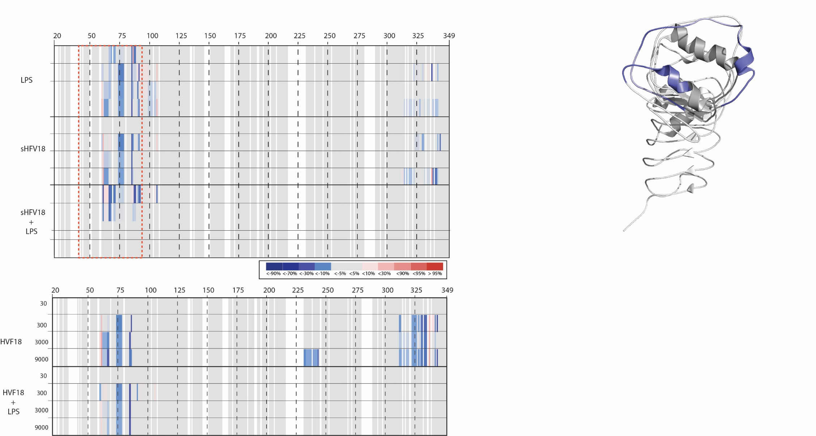

* Note that due to the uncertainties regarding the solution state of LPS (which is not present as monomers) and differences in solubility for the peptides it is inadvisable to compare the magnitude of the HDX pertubation between the different states.
**The states HVF18 is added just to show that it's similarity to sHVF18 and LPS. For transparacy the HVF18+LPS is added and while it might not show the exact same decrease as SHVF18 vs sHVF18+LPS, there also appears to be a potential decrease in HVF18 binding due to LPS being added at the same time.

 |  |  | Figure 2d with all states presented at the same time, note that this picture is just an compacted and combiend version of all the individual differential heatmaps the Apo - (State)
 |  |  | with the peptide covarage bars removed

Peptide figure 2d
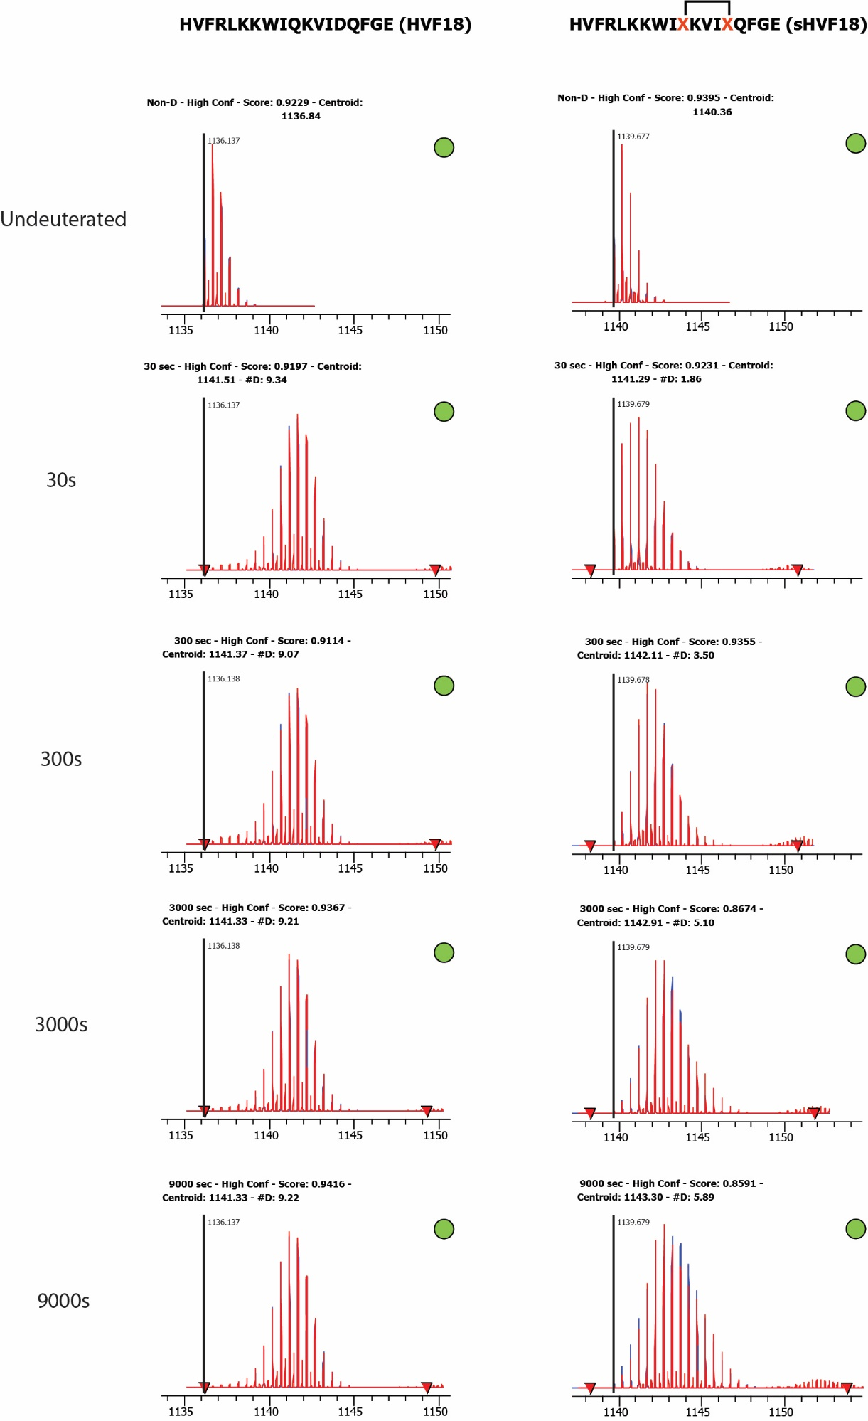
Peptide isotope envelopes from main figure 1d, extracted from HDExaminer and shown here with #D uptake above each isotope pattern.

