Sheet1
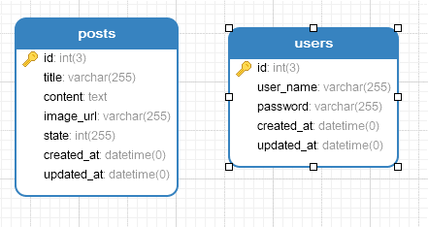
User |  |  |  |  |  |  | Admin

 |  |  |  |  |  |  | Logo |  |  |  |  |  |  |  |  |  |  | A | 

 | Read Our Blogs |  |  |  |  |  |  |  |  |  |  |  |  |  |  |  |  |  |  |  | Post Modal

 |  |  |  |  |  |  |  |  |  |  |  |  |  |  |  |  |  |  |  | Post Title
 |  |  |  |  |  |  | LeftSide Bar |  | Content Bar

Photo File Upload or Remove
 |  |  |  |  |  |  | User |  | New Post |  |  |  | Sort |  |  | Per Page Count

 |  |  |  |  |  |  |  |  | No | Photo | Post Title | Post Content |  |  | State |  | Action
 |  |  |  |  |  |  | Post
Post Title |  |  | Post Title
 |  |  |  |  |  |  |  |  | 1 |  | This field is Post title | This field is Post contect
Content |  |  | Content
Radio Approve
Radio Block
 |  |  |  |  |  |  |  |  |  |  |  |  |  |  |  |  | N | ! | 

 |  |  |  |  |  |  |  |  | 2 |  | This field is Post title | This field is Post contect

 |  |  |  |  |  |  |  |  |  |  |  |  |  |  |  |  | N | ! | 

 |  |  |  |  |  |  |  |  |  |  |  |  |  |  |  |  |  |  |  | Post Content
 | Read more |  |  | Read more |  |  |  |  | 3 |  | This field is Post title | This field is Post contect

 |  |  |  |  |  |  |  |  |  |  |  |  |  |  |  |  | N | ! | 

 |  |  |  |  |  |  |  |  | 4 |  | This field is Post title | This field is Post contect
Disable when clicking the view button, enable when clicking the edit button
 |  |  |  |  |  |  |  |  |  |  |  |  |  |  |  |  | N | ! | 

Create
Edit
Cancel

Only Enable when clicking the New Post button

 |  |  |  |  |  |  |  |  |  |  |  |  |  | Pagination

 |  |  |  |  |  |  |  |  |  |  |  |  |  |  |  |  |  |  |  |  |  | Login Page

 |  |  |  |  |  |  |  |  |  |  |  |  |  |  |  |  |  |  |  |  | UserName

 |  |  |  |  |  |  |  |  |  |  |  |  |  |  |  |  |  |  |  |  | Password

Login
 |  |  | Content Bar

 | No |  | UserName |  | Password | Action
 |  |  |  |  |  |  |  |  |  |  |  |  |  |  |  | Database Structure

 |  | 1 |  |  |  |  | ! | 

