Stackup
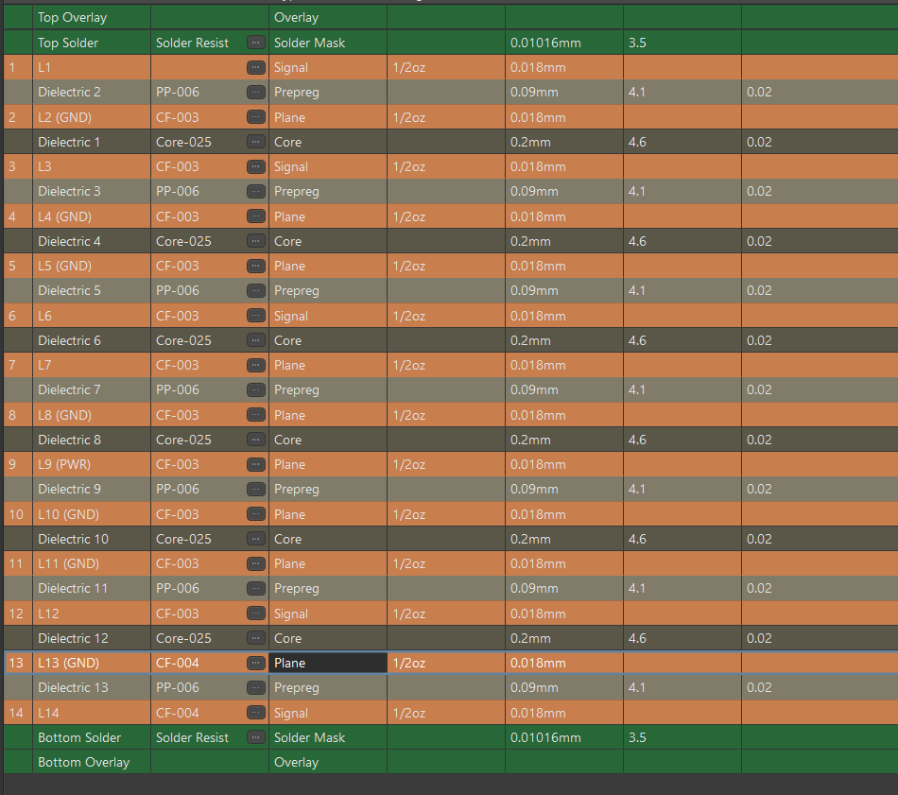
Total |  | Type | thickness | other | Foil | 18um | 0.5oZ
1.862 | 1 | copper | 0.018 | 0.5oZ |  | 35um | 1oZ | https://www.pcbway.com/pcb_prototype/Cost_cores_Foil___Prepreg_for_PCBs.html
 |  | prepeg | 0.08 | 1080 |  |  |  | https://www.pcbway.com/multi-layer-laminated-structure.html
 | 2 | copper | 0.018 | 0.5oZ
 |  | core | 0.175 |  | core thick | 0.2
 | 3 | copper | 0.018 | 0.5oZ |  | 0.3
 |  | prepeg | 0.08 | 1080 |  | 0.4
 | 4 | copper | 0.018 | 0.5oZ
 |  | core | 0.175
 | 5 | copper | 0.018 | 0.5oZ | prepeg | 0.09 | 1080
 |  | prepeg | 0.08 | 1080 |  | 0.12 | 2116
 | 6 | copper | 0.018 | 0.5oZ |  | 0.19 | 7628
 |  | core | 0.175
 | 7 | copper | 0.018 | 0.5oZ
 |  | prepeg | 0.08 | 1080 |  |  |  |  | core
 | 8 | copper | 0.018 | 0.5oZ
 |  | core | 0.175
 | 9 | copper | 0.018 | 0.5oZ |  |  |  |  | prepeg
 |  | prepeg | 0.08 | 1080
 | 10 | copper | 0.018 | 0.5oZ
 |  | core | 0.175
 | 11 | copper | 0.018 | 0.5oZ
 |  | prepeg | 0.08 | 1080
 | 12 | copper | 0.018 | 0.5oZ
 |  | core | 0.175
 | 13 | copper | 0.018 | 0.5oZ
 |  | prepeg | 0.08 | 1080
 | 14 | copper | 0.018 | 0.5oZ

