Guardrail Trace
Guardrail Compression Trace — cumulative +5d hit rate by confidence band
Auto-generated by guardrail_trace.py · source: Signals tab · as of 2026-06-15. The 50-59% band must lead 60-69%.

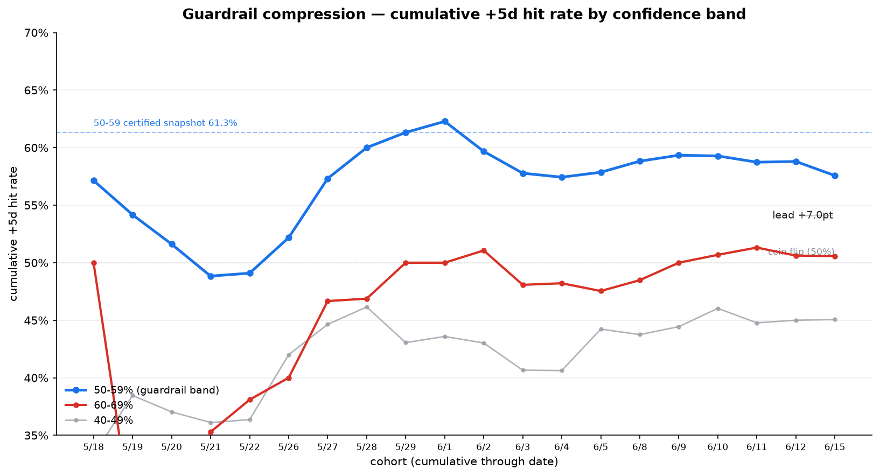
Cohort | 50-59 (coh) | 60-69 (coh) | cum 50-59 | cum 60-69 | cum 40-49 | lead gap (pt)
2026-05-18 | 8/14 | 2/4 | 57.1% | 50.0% | 33.3% | 7.1
2026-05-19 | 5/10 | 1/7 | 54.2% | 27.3% | 38.5% | 26.9
2026-05-20 | 3/7 | 1/3 | 51.6% | 28.6% | 37.0% | 23.0
2026-05-21 | 5/12 | 2/3 | 48.8% | 35.3% | 36.1% | 13.5
2026-05-22 | 6/12 | 2/4 | 49.1% | 38.1% | 36.4% | 11.0
2026-05-26 | 9/14 | 2/4 | 52.2% | 40.0% | 42.0% | 12.2
2026-05-27 | 11/13 | 4/5 | 57.3% | 46.7% | 44.6% | 10.7
2026-05-28 | 10/13 | 1/2 | 60.0% | 46.9% | 46.2% | 13.1
2026-05-29 | 8/11 | 4/6 | 61.3% | 50.0% | 43.1% | 11.3
2026-06-01 | 6/8 | 3/6 | 62.3% | 50.0% | 43.6% | 12.3
2026-06-02 | 3/10 | 2/3 | 59.7% | 51.1% | 43.0% | 8.6
2026-06-03 | 4/11 | 1/5 | 57.8% | 48.1% | 40.7% | 9.7
2026-06-04 | 7/13 | 2/4 | 57.4% | 48.2% | 40.6% | 9.2
2026-06-05 | 7/11 | 2/5 | 57.9% | 47.5% | 44.2% | 10.3
2026-06-08 | 8/11 | 3/5 | 58.8% | 48.5% | 43.8% | 10.3
2026-06-09 | 8/12 | 3/4 | 59.3% | 50.0% | 44.4% | 9.3
2026-06-10 | 7/12 | 2/3 | 59.3% | 50.7% | 46.0% | 8.6
2026-06-11 | 6/12 | 2/3 | 58.7% | 51.3% | 44.8% | 7.4
2026-06-12 | 6/10 | 2/5 | 58.8% | 50.6% | 45.0% | 8.2
2026-06-15 | 6/15 | 3/6 | 57.6% | 50.6% | 45.1% | 7.0

As of 2026-06-15
50-59% 57.6% · 60-69% 50.6% · 40-49% 45.1%
lead (50-59 over 60-69): +7.0pt · drift from certified 61.3%: -3.7pt
lead gap, last 3 cohorts: roughly flat (+7.4pt → +7.0pt)

