F1FRV SWR BRIDGE
COLOR CODE: INPUTS= BLUE / OUTPUTS= RED / INFORMATION= BLACK |  |  | F1FRV January 2020 REVISION 13 |  | MEASUREMENT RESULTS WITH POWER 40 WATTS / 50 OHMS WITH
 |  |  | ( See revisions page ) |  | VOLTMETER 10 MEGOHMS/V |  |  |  | ENTER YOUR MEASURED VALUES !!
LINE IMPEDANCE Z (Ohms) | 50 |  |  |  | FREQUENCY (MHz) | FWD VALUE |  | REF VALUE
Maximum power (Watts) | 2,250 |  |  |  | 1.8 | 690 | mV | 0.10 | mV
PERMANENT Maximum SWR to be accepted by the bridge | 10.0 |  |  |  | 3.5 | 693 | mV | 0.10 | mV
Reference of toroid | FT 140-43 | >> | CLICK HERE FOR TOROID FLUX VERIFICATION PAGE !! |  | 5.0 | 694 | mV | 0.10 | mV
Nominal average AL of toroid (nH / turn2) | 885.0 | >> | True measured AL : |  | 7.0 | 695 | mV | 0.10 | mV
Nb TOTAL of turns (N) INSIDE toroid (2 x N/2) ( MUST be EVEN !! ) | 8 |  | True measured AL MUST stay BLANK if no measured AL |  | 10.0 | 689 | mV | 0.10 | mV
L1 (uH) with coupling factor 0.99 | 56.074 |  | If Total Nb of turns > 10, Decrease R2 value. |  | 14.0 | 680 | mV | 0.10 | mV
Bridge Minimum Frequency of use (MHz) | 1.800 |  | This, to minimize L1 parasitic capacitances. |  | 18.0 | 678 | mV | 0.10 | mV
L1 / R2 ratio at minimum freq. (shall be >7 for <1% accuracy ) | 126.8 | >> | L1/R2 = 3 power error ~5% and phase ~18° |  | 21.0 | 679 | mV | 0.10 | mV
R2 (Ohms) Shall be NON INDUCTIVE !!! | 5.00 |  | L1/R2 = 7 power error ~1% and phase ~8° |  | 24.9 | 680 | mV | 0.10 | mV
Max current in R2 and toroid winding (Amps) | 3.75 | >> | Wire MIN CSA (sq mm) | 1.25 | 28.0 | 689 | mV | 0.10 | mV
Bridge coupling design dB | 47.09 |  | Wire MIN Dia. (mm) | 1.27 | 30.0 | 682 | mV | 0.10 | mV
R2 dissipated power (Watts) at maximum permanent power | 7.03 | >> | AT MAXIMUM SWR : | 10.00 | 50.0 | 683 | mV | 0.10 | mV
C1 (pF) | 0.96 | >> | 2 x RG 402 | pF/m | MEAN VALUE | 686 | mV | 0.10 | mV
FWD DETECTION (mV) @ FREQUENCY (MHz)
Max Voltage on C1 (Volts peak/peak) | 1,500 |  | 2 x 2000 V MAX | 95.1 | MAXIMUM ERROR +/- | 1.8 | %
C2 (pF) adjustable (+ C2a fixed value if necessary) | 152.6 |  | C1 MANUAL CALCULATION |  | BRIDGE DIRECTIVITY | 38.4 | dB
VR1 variable resistor to adjust with Ohmmeter at value | 146,025 |  | 2 lengths of (mm) | 20.0
FWD Volts on R2 (Volts rms) | 5.16 |  | C1 (pF) incl. strays | 0.96
REF Voltage on R2 (Volts rms) | 4.22 |  | See Picture at page bottom
FWD Apparent Power (Watts) | 6,806.25
REF Apparent Power (Watts) | 4,556.25 |  | 1N4148 (PIV 100V, FV 0.3V @ 1uA) High FV.
Detection diode maximum Peak Inverse Voltage (Volts) | 70 | >> | See diode manufacturer data for values.
Detection diode Treshold Forward Voltage (Volts) | 0.180 | >> | Quadratic detection below threshold voltage
Estimated forward rectified voltage (DC Volts) | 7.216 |  | Linear detection over threshold voltage (FV).
Estimated reflected rectified voltage (DC Volts) | 5.891 |  | 1N5711 (PIV 70V, FV 0.18V @ 1uA) is the best.
With output power (Watts) | 2,500 |  | Auto SWR supply V > | 9.3
Minimum reflected detected power will be (Watts) | 0.364 | >> | with directivity measured in tests
Nota: If necessary, install a resistive divider to reduce FWD & REF voltages outputs, for auto SWR lower supply voltage.
To estimate maximum output voltages & currents, modify max SWR (cell B5)
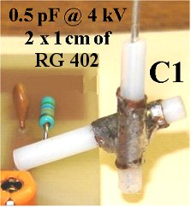
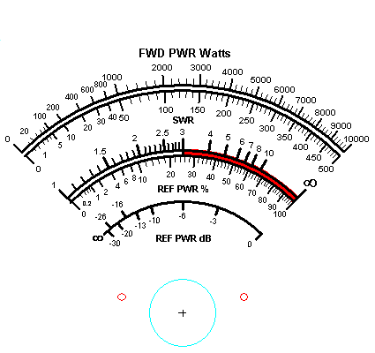
IMPORTANT: C2 adjustment mus be made ONLY at bridge maximum frequency of service.
Nota: Coaxial line must be grounded ONLY 1 SIDE OF TOROID, 1 x just behind toroid, AND 1 x at TX connector.

DC voltages
Power, DC voltages are at 1:10 VSWR | Estimated forward rectified voltage | Estimated reverse Dc voltage
10W | 0.41 | 0.32
20W | 0.61 | 0.48
30W | 0.76 | 0.61
50W | 1.01 | 0.81
70W | 1.21 | 0.97
90W | 1.384 | 1.119
110W | 1.538 | 1.244
150W | 1.808 | 1.466
200W | 2.099 | 1.704
250W | 2.356 | 1.914
300W | 2.558 | 2.104
350W | 2.801 | 2.278
400W | 3 | 2.441
450W | 3.186 | 2.593
500W | 3.362 | 2.738
550W | 3.53 | 2.875
600W | 3.691 | 3.006
650W | 3.844 | 3.132
700W | 3.992 | 3.253
750W | 4.135 | 3.37
800W | 4.273 | 3.483
850W | 4.407 | 3.592
900W | 4.537 | 3.698
950W | 4.663 | 3.802
1000W | 4.786 | 3.902
1050W | 4.906 | 4.001
1100W | 5.023 | 4.096
1150W | 5.138 | 4.19
1200W | 5.25 | 4.282
1250W | 5.36 | 4.372
1300W | 5.467 | 4.46
1350W | 5.573 | 4.546
1400W | 5.677 | 4.631
1450W | 5.778 | 4.714
1500W | 5.879 | 4.796
1550W | 5.977 | 4.877
1600W | 6.074 | 4.956
1650W | 6.169 | 5.034
1700W | 6.263 | 5.111
1750W | 6.355 | 5.186
1800W | 6.447 | 5.261
1850W | 6.537 | 5.335
1900W | 6.625 | 5.407
1950W | 6.713 | 5.479
2000W | 6.799 | 5.55
2250W | 7.216 | 5.891
2500W | 7.611 | 6.213

