Sheet1
Dashboard requirements |  |  |  |  | Architecture

Information and data |  |  |  | Architecture

Supply
Coal generation |  | Current generation |  |  |  |  |  | Fetch data on startup of dashboard; fetches the last 24 hours of data
Gas generation |  | Forecast generation |  |  | Elexon |  | Other sites
Nuclear generation |  | Outages
Solar |  |  |  |  |  |  |  | When running, update and fetch latest data every 1 hour
Wind |  |  |  |  | REST API |  | Python; script to automatically fetch data
Hydro
Embedded generation |  |  |  |  |  |  |  | On hourly update will only want to fetch and update the latest data, not 24 hours worth every time
Interconnectors |  |  |  |  | Excel | Raw data files
 |  |  |  |  |  |  | Python: numpy
Demand
Residential |  | Current demand |  |  | Excel | Clean data file
Industrial |  | Forecast demand |  |  |  |  | Python: matplotlib, seaborn
Interconnectors
 |  |  |  |  |  | Data analysis and graphing
Pricing |  |  |  |  |  |  | Javascript; nodejs, html, css, highcharts
Spot price |  |  |  |  | Host locally, view in browser
Cashout price |  |  |  |  |  |  |  | Turn data into JSON format to read into browser
Gas price |  |  |  |  |  | Dashboard

Other
Weather data

 |  | Dashboard layout
 | Generation |  | Demand |  |  | Pricing

 | Current |  | Current |  | Spot price |  | Cashout price


 |  |  |  |  | B1770 and MID
 |  | pie charts? |  |  |  | plot of cashout price against MID price

 |  | most recent quantity from B1620
 |  |  |  |  | Gas price

 | Forecast |  | Forecast |  | Futures
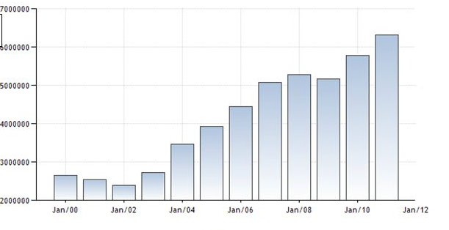
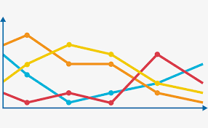

 | Outages |  | Weather |  | News

