TxNvInfo
WIFI Target
RCZ1 | CE
RCZ2 | FCC
RCZ3 | TELEC
RCZ4 | FCC

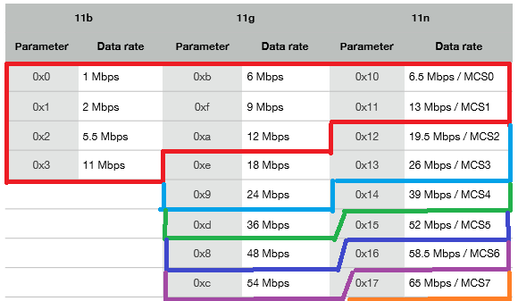

채널 영역을 나눌시 사용하는 셋팅룰 (1, 2~10, 11~)
*특이사항 2~10 >= 1 >= 11~을 지켜야함

Tx Power Control

* Scan기능에 문제발생. 디버깅후 바이너리받고 설정값 변경됨

ESP_EV
 |  | 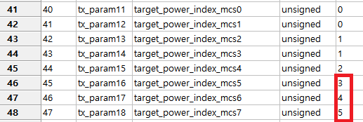
Mode |  | Config | Hex | 1Ch | 6Ch | 11ch
MCS0~1 | Ch2~10 | 20.5 | 52 | 14.5 | 18.5 | 9.5
MCS2~3 |  | 20.5 | 52 | 14.5 | 18.1 | 9.4
MCS4 |  | 20.5 | 52 | 14.9 | 18.1 | 9.4
MCS5 |  | 20.5 | 52 | 14.6 | 18.1 | 9.2
MCS6 | Ch1 | 15.5 | 3e | 15.2 | 14.8 | 9.4
MCS7 | Ch14 | 10.5 | 2a | 10.5 | 10.5 | 9.4

Mode |  | Config | Hex | 1Ch | 6Ch | 11ch | 1Ch | 2ch | 6Ch | 10Ch | 11ch | 14ch
MCS0~1 | Ch2~10 | 12.5 | 32 | 10.3 | 12.1 | 8.2 | 10.3 | 12 | 12.1 | 11.8 | 8.2 | 8.1
MCS2~3 |  | 12.5 | 32 | 10.4 | 12 | 7.5 | 10.4 |  | 12 |  | 7.5
MCS4 |  | 12.5 | 32 | 10.5 | 12.2 | 7.8 | 10.5 |  | 12.2 |  | 7.8
MCS5 |  | 12.5 | 32 | 10.4 | 12 | 7.6 | 10.4 |  | 12 |  | 7.6
MCS6 | Ch1 | 10.5 | 2a | 9.9 | 10.2 | 7.6 | 9.9 |  | 12 |  | 7.6
MCS7 | Ch14 | 8.5 | 22 | 8.1 | 9.4 | 7.5 | 9.9 | 11.8 | 12.2 | 11.9 | 7.5 | 7.8

* 우선순위 룰 위반시 ESP EVB 측정결과
Test 3rd(CE) |  |  | Test 4th(CE)
Nv |  | Measure | Nv |  |  | Measure
16 | 0x40 | 14.3 | -1 | 15 | 0x3C | 12.1
16 | 0x40 | 14.8 | -1 | 15 | 0x3C | 12.3
16 | 0x40 | 14.5 | 0 | 16 | 0x40 | 12
16 | 0x40 | 14.2 | -1 | 15 | 0x3C | 11.8
16 | 0x40 | 14.8 | -1 | 15 | 0x3C | 12.3
16 | 0x40 | 13.2 | 0 | 16 | 0x40 | 11.1
16 | 0x40 | 14.3 | -1 | 15 | 0x3C | 11.8
16 | 0x40 | 14.8 | -1 | 15 | 0x3C | 12.3
16 | 0x40 | 13.3 | 0 | 16 | 0x40 | 11.1

SFM20R2
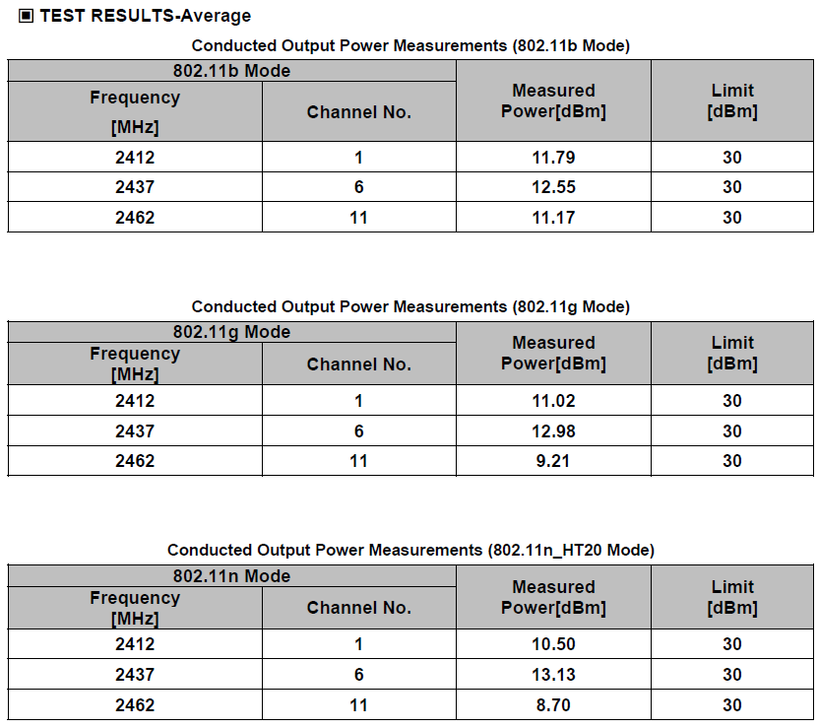

SFM20R4


