practice queries
Schema
Q1. | Look at the departments table in the school database provided to you. How many columns does it have and what are the column names?
Ans1 | It has 2 columns. Column names are id and name.
Q2. | Which column in the departments table is intended to be uniquely identifying?
Ans2 | Id column in the departments table is intended to be uniquley identifying.
Q3. | Look at the teachers schema. Which column is being used as a foreign key? Why might we be using a foreign key here rather than storing the data directly in this table? Review the last paragraph if you are unclear.
Ans3 | department column is foreign key in teachers table. To avoid duplication. It simplifies the data so we can only change from one place. Data integrity. The FOREIGN KEY constraint is used to prevent actions that would destroy links between tables. The FOREIGN KEY constraint also prevents invalid data from being inserted into the foreign key column, because it has to be one of the values contained in the table it points to. | https://www.w3schools.com/sql/sql_foreignkey.asp#:~:text=The%20FOREIGN%20KEY%20constraint%20is,the%20table%20it%20points%20to.
Q4. | Look at the remaining table schemas in this database. Whiteboard each of the 5 tables, representing them as simple spreadsheet like grids, using arrows to indicate where a particular column is referring to data stored in another table.
Ans4
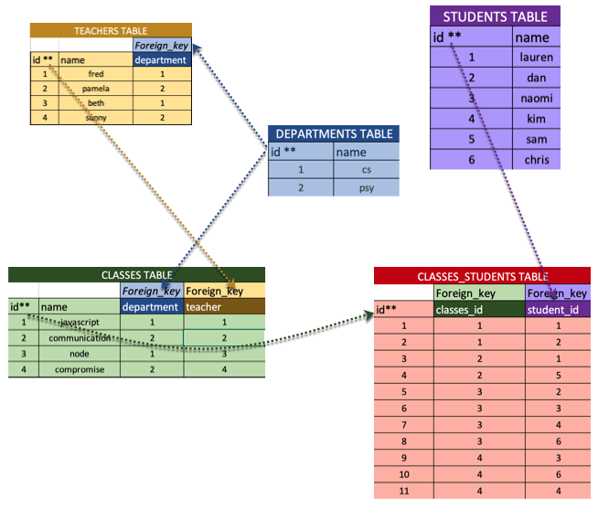
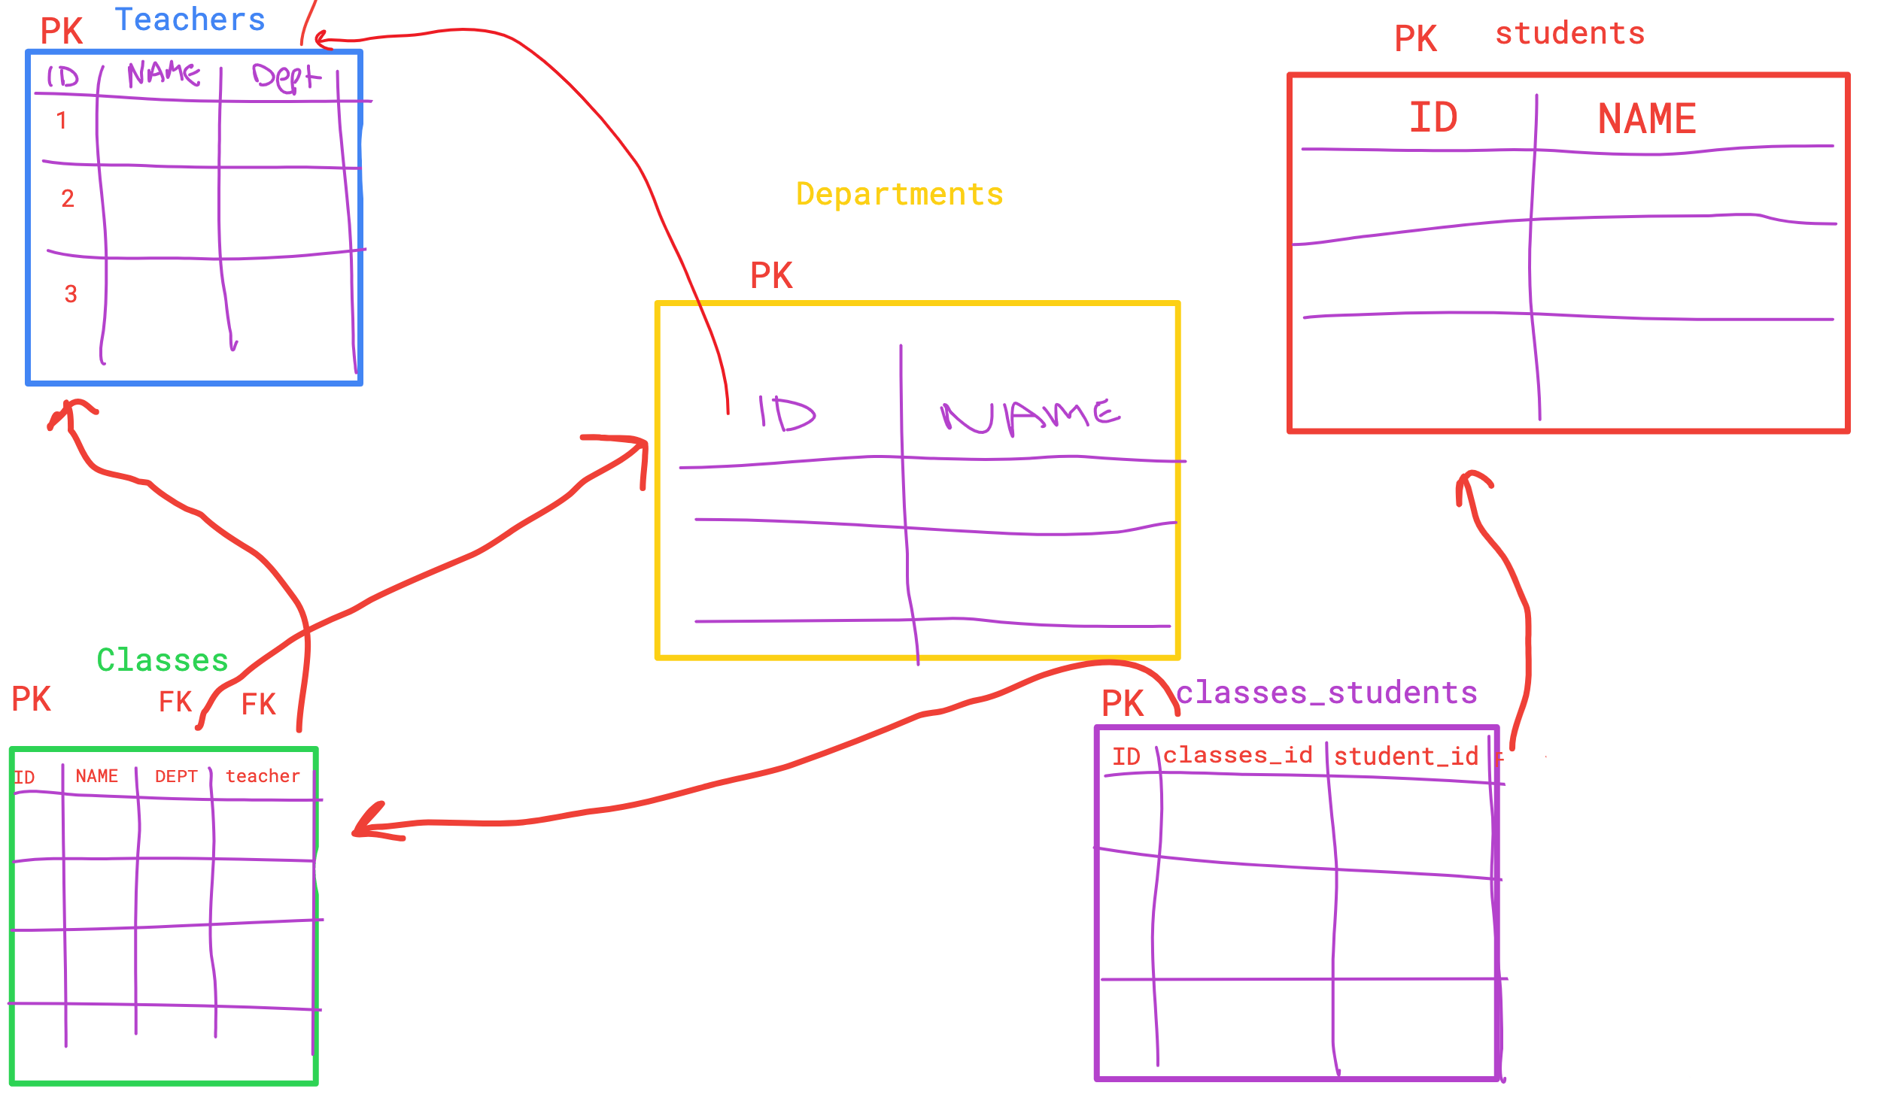

Querying the database with SELECT
Q5. | Display the name column for every row in the students table
Ans5 | select name from students; name ---------- lauren dan naomi kim sam chris
Q6. | Display every column for the teachers table. The department column just contains numbers, what are these numbers referencing? (Look at the teachers schema if you need to).
Ans6 | select * from teachers; id name department ---------- ---------- ---------- 1 fred 1 2 pamela 2 3 beth 1 4 sunny 2 It refers to the primary key of the departments table.
Q7. | Display every column for the teachers table and then every column for the departments table. Just by looking at the tables, what is the name of the department that the teacher beth is a part of?
Ans7 | select * from teachers; select * from departments; Teacher beth belongs to cs department.
Filtering rows with WHERE
Q8. | Display just the name column for all the students whose names are not naomi. (Note, naomi being text, should be placed in single quotes)
Ans8 | select name from students where name != 'naomi'; name ---------- lauren dan kim sam chris
Q9. | Display the name and department id of teachers whose own id is greater than 2 or whose name is 'fred'
Ans9 | select name, id from teachers where id > 2; name id ---------- ---------- beth 3 sunny 4 select name, id from teachers where name == 'fred'; name id ---------- ---------- fred 1 select name, department from teachers where department > 2 OR name = 'fred';
WHERE pattern matching with LIKE
Q10. | Display the id and name of all the students whose names end in 'm'
Ans10 | select name, id from students where name like '%m'; name id ---------- ---------- kim 4 sam 5
Q11. | Display all columns for students whose names do not contain the letter 'a'. HINT: a more long-winded way to say "includes the letter 'a'" is "includes 0 or more of any letter followed by an 'a' followed by 0 or more of any letter."
Ans11 | select name, id from students where name not like '%a%'; name id ---------- ---------- kim 4 chris 6
Limiting WHERE to a defined set with IN
Q12. | Display just the names of all the teachers whose id is NOT either 1, 2, or 4
Ans12 | select name from teachers where id not in (1, 2, 4); name ---------- beth
Q13. | Display just the names of all the teachers whose department is either 1 or 4
Ans13 | select name from teachers where id in (1, 4); select name from teachers where department in (1, 4); name ---------- fred sunny name ---------- fred beth
Using IN to compose subqueries
Q14. | Display the name and id of all the teachers in the 'psy' department (should be pamela and sunny, with their respective ids)
Ans14 | select name, id from teachers where department in (select id from departments where name = 'psy'); name id ---------- ---------- pamela 2 sunny 4
Q15. | Display the name of the department that 'sunny' teaches for (should be 'psy')
Ans15 | select name from departments where id in (select department from teachers where name = 'sunny'); name ---------- psy
Selecting from multiple tables
Q16. | Use the same thought process from above to make a prediction about what the following queries will return. How many columns will there be? How many rows will there be? Run each of the queries to check your work. SELECT departments.id, classes.id FROM departments, classes; SELECT students.*, teachers.name FROM students, teachers;
Ans16
Advanced filtering with multi-table SELECT
Q17. | Display the name and id of all the teachers in the 'psy' department (should be pamela and sunny, with their respective ids)
Ans17 | select teachers.name, teachers.id from teachers, departments where departments.name = 'psy' and teachers.department = departments.id; name id ---------- ---------- pamela 2 sunny 4
Q18. | Display the name of the department that 'sunny' teaches for (should be 'psy')
Ans18 | select departments.name from teachers, departments where teachers.name = 'sunny' and departments.id = teachers.department; name ---------- psy
INNER JOIN
Q19. | What is the difference between the return from the following two statements: SELECT * FROM students, teachers; SELECT * FROM students INNER JOIN teachers;
Ans19 | No difference
Q20. | Display the name and id of all the teachers in the 'psy' department (should be pamela and sunny, with their respective ids)
Ans20 | select teachers.name, teachers.id from teachers inner join departments on teachers.department = departments.id and departments.name = 'psy'; select teachers.name, teachers.id from teachers inner join departments where teachers.department = departments.id and departments.id = 'psy'; name id ---------- ---------- pamela 2 sunny 4
Q21. | Display the name of the department that 'sunny' teaches for (should be 'psy')
Ans21 | select departments.name from teachers inner join departments on teachers.name = 'sunny' and departments.id = teachers.department; name ---------- psy
Other joins
Q22.
Ans22 | https://stackoverflow.com/questions/38549/what-is-the-difference-between-inner-join-and-outer-join
Join Tables
Q23. | Which classes is 'sam' taking? (confirm your answer below)
Ans23 | select classes.name from classes inner join students inner join classes_students on students.name = 'sam' and classes_students.student_id = students.id and classes_students.classes_id = classes.id; communication
Q24. | What are the names of the students in the 'compromise' class?
Ans24 | select students.name from students inner join classes inner join classes_students on classes.name = 'compromise' and classes_students.classes_id = classes.id and classes_students.student_id = students.id; naomi, kim, chris
Q25. | What are the names of the students taking any class in the 'cs' department?
Ans25 | select students.name from students inner join classes inner join departments inner join classes_students on departments.name = 'cs' and classes.department = departments.id and classes_students.classes_id = classes.id and classes_students.student_id = students.id; lauren, dan, naomi, kim, chris

