Chart pattern
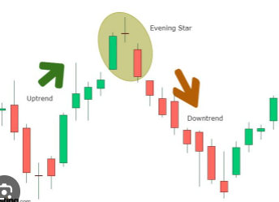
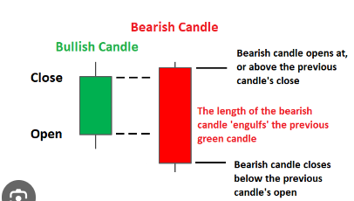
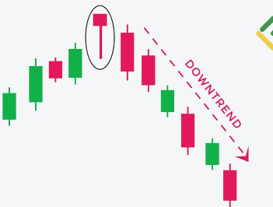
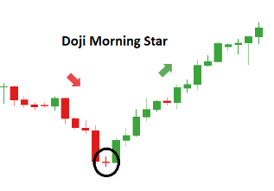
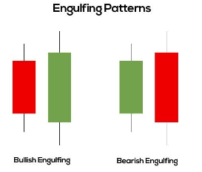
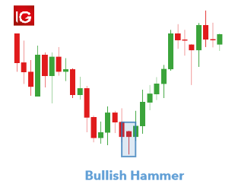
 | Check level | trend
bullish engulfing | bootom | downword
morning star | bootom | downword
Bullish Hammer | bootom | downword

Bearish engulfing | top | uptrend
Evening star | top | uptrend
Reveser Hammer | top | uptrend

Hanging hammer
shooting star

