Hammer
 |  |  | Hanging Man | Shooting star and inverted hammer
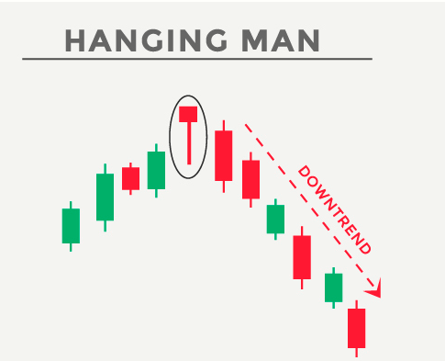
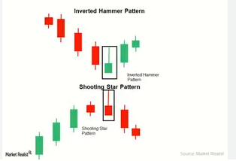

 |  |  |  | The longer the upper shadow, the higher the potential of a reversal occurring.
 |  |  |  | A gap down from the previous day’s close sets up for a stronger reversal move.
 |  |  |  | Large volume on the day of the inverted hammer signal increases the chances that a blow off day has occurred
 |  |  |  | The day after the inverted hammer signal opens higher.

 |  |  |  | Daily close greater than equal to Daily low
Yield = [Discount Value]/[Bond Price] * [365/number of days to maturity] |  |  |  | Daily close Daily low less than Daily open daily close
 |  |  |  | Daily close less than Daily open
 |  |  |  | Daily high Daily open greater than Daily open daily close
 | 0.9829 | 4.010989011
 | 3.9424010989

Englfing
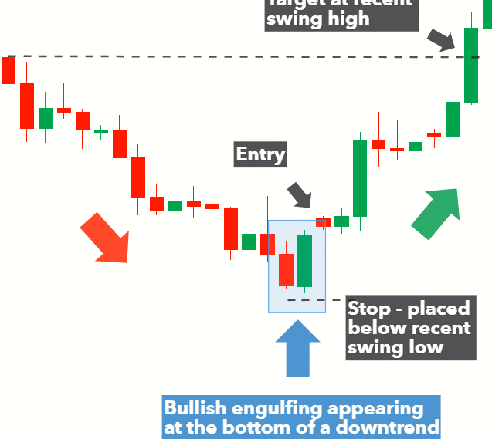
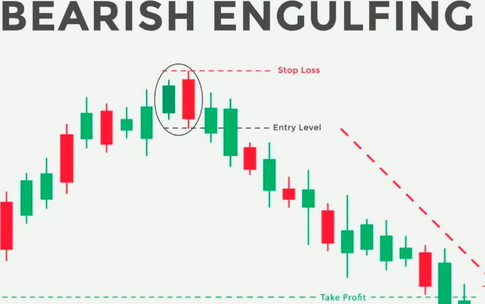
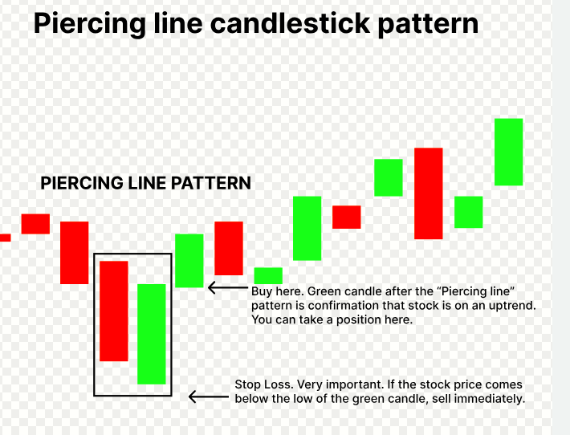
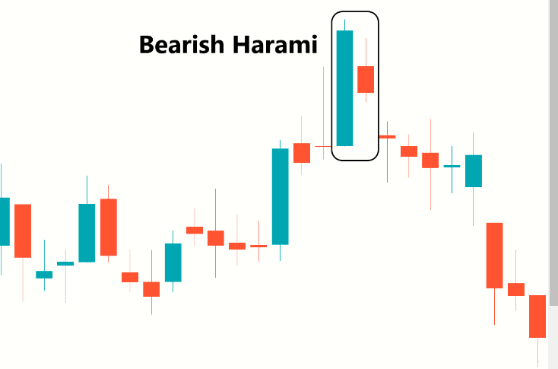
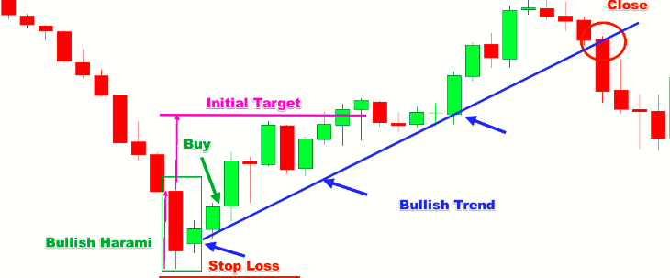
Bullish Englfing

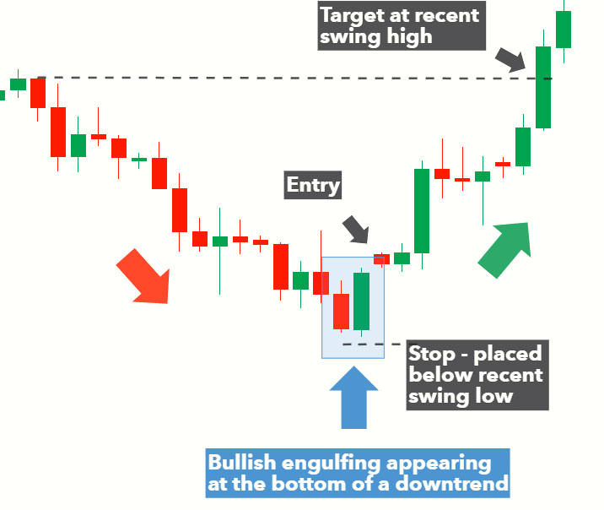
 | A small body being covered by the larger one. The previous day shows the trend was running out of steam. The large body shows that the new direction has started with good force.
 | Large volume on the engulfi ng day increases the chances that a blow off day has occurred.
 | The engulfi ng body engulfs absorbs the body and the shadows of the previous day; the reversal has a greater probability of working.
 | The probability of a strong reversal increases as the open gaps between the previous and the current day increases.

