Dashboard
Sum of plan
18750
Total sales
3741
Autoparts Sales

 | Total
Becker, Sam | 1251
Bennett, Lucy | 1252
Diaz, Isabella | 1249
Griffin, Evelyn | 1249
Hughes, Tyler | 1248
Long, Elenor | 1248
Nelsen, Mary | 1248
Patterson, Clara | 1248
Perry, Chloe | 1249
Powell, Victor | 1253
Ross, Drake | 1251
Russell, Penelope | 1250
Simpson, Helen | 1248
Smith, John | 1253
Williams, Jasmine | 1253
 | Electrical | Interior | Other | Power Train | Structural
Total | 1127 | 359 | 709 | 960 | 597
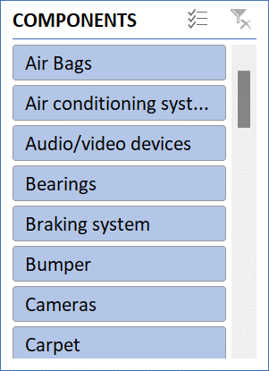
 | Air Bags | Air conditioning system (A/C) | Audio/video devices | Bearings | Braking system | Bumper | Cameras | Carpet | Console | Doors | Electrical supply system | Electrical switches
$12 |  |  | 13 |  |  |  |  |  |  |  | 13
$13 | 581 | 590 | 518 | 582 | 578 | 586 | 558 | 581 | 582 | 589 | 553 | 555
$14 |  |  | 13
$15
$16

