rephrased question
 | Questions | Generated sql | Insights | Chart | sql result | accuracy | comment/error
For New Start Forms: | How many new start forms have we received? | "SELECT COUNT(DISTINCT case_id) AS total_start_forms_received FROM com_us_ps_mart.rpt_01_op_de_21d_dispo_hist_hc WHERE current_case_ind = 1" | Q:What is the total number of start forms received?\nAns:32529 COUNT(DISTINCT case_id) |  | 32529 | 1
 | What is the total number of start forms received for LSD? | "SELECT COUNT(DISTINCT case_id) AS total_start_forms_lsd FROM com_us_ps_mart.rpt_01_op_de_21d_dispo_hist_hc WHERE therapeutic_area = 'LSD' AND current_case_ind = 1" | Q:What is the total number of start forms received for LSD?\nAns:1984 |  | 1984 | 1
 | How does the trend of new start forms change over months by Therapeutic Area? | "WITH monthly_start_forms AS ( SELECT therapeutic_area, DATE_TRUNC('month', dt_sf_frst_rcvd) AS month, COUNT(DISTINCT case_id) AS new_start_forms FROM com_us_ps_mart.rpt_01_op_de_21d_dispo_hist_hc WHERE current_case_ind = 1 GROUP BY therapeutic_area, DATE_TRUNC('month', dt_sf_frst_rcvd) ) SELECT therapeutic_area, month, new_start_forms, LAG(new_start_forms) OVER (PARTITION BY therapeutic_area ORDER BY month) AS previous_month_forms, CASE WHEN LAG(new_start_forms) OVER (PARTITION BY therapeutic_area ORDER BY month) IS NOT NULL THEN (new_start_forms - LAG(new_start_forms) OVER (PARTITION BY therapeutic_area ORDER BY month)) / LAG(new_start_forms) OVER (PARTITION BY therapeutic_area ORDER BY month) * 100 ELSE NULL END AS percent_change FROM monthly_start_forms ORDER BY therapeutic_area, month" | "Here's a summary of the key insights for a business audience: • The analysis identified the therapeutic area with the highest percentage increase in new start forms compared to the previous month. • Seasonal trends in new start forms across different therapeutic areas were visualized using a line plot, which can aid in resource allocation planning. • A heatmap was created to illustrate the trend of new start forms over months by therapeutic area, providing a clear visual representation of patterns and variations." | 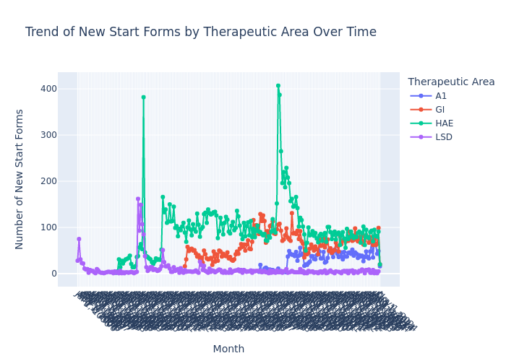 |  | 1
 | How does the trend of new start forms change over years by Therapeutic Area? | "WITH yearly_start_forms AS ( SELECT YEAR(dt_sf_opn) AS year, therapeutic_area, COUNT(DISTINCT case_id) AS new_start_forms FROM com_us_ps_mart.rpt_01_op_de_21d_dispo_hist_hc WHERE i_sf_new = 1 -- Only count new start forms AND current_case_ind = 1 -- Only consider active cases GROUP BY YEAR(dt_sf_opn), therapeutic_area ) SELECT year, therapeutic_area, new_start_forms, LAG(new_start_forms) OVER (PARTITION BY therapeutic_area ORDER BY year) AS previous_year_forms, new_start_forms - LAG(new_start_forms) OVER (PARTITION BY therapeutic_area ORDER BY year) AS year_over_year_change, CASE WHEN LAG(new_start_forms) OVER (PARTITION BY therapeutic_area ORDER BY year) = 0 THEN NULL ELSE (new_start_forms - LAG(new_start_forms) OVER (PARTITION BY therapeutic_area ORDER BY year)) / LAG(new_start_forms) OVER (PARTITION BY therapeutic_area ORDER BY year) * 100 END AS percent_change FROM yearly_start_forms ORDER BY therapeutic_area, year" | Here's a summary of the key insights based on the provided data: • Therapeutic area A1 showed the highest percentage increase in new start forms, though the specific percentage is not provided. • Year-over-year changes in new start forms vary significantly across therapeutic areas, with both positive and negative fluctuations observed. • The trend of new start forms over the years differs for each therapeutic area, as visualized in a graph saved as "additional_charts_1.png". • HAE and GI therapeutic areas show more volatile changes in new start forms compared to LSD, which demonstrates relatively stable numbers. • The most recent years (2021-2023) generally show positive growth in new start forms across all therapeutic areas, with some exceptions. |  |  | 1
 | How does the trend of new start forms change over years by Therapeutic Area in last 5 years? | WITH base_data AS ( SELECT YEAR(dt_sf_frst_rcvd) AS year, therapeutic_area, COUNT(DISTINCT CASE WHEN i_sf_naive = 1 THEN case_id END) AS new_start_forms FROM com_us_ps_mart.rpt_01_op_de_21d_dispo_hist_hc WHERE dt_sf_frst_rcvd >= DATE_ADD(CURRENT_DATE(), -5*365) AND i_sf_naive = 1 -- Ensure we're only counting new start forms GROUP BY YEAR(dt_sf_frst_rcvd), therapeutic_area ) SELECT year, therapeutic_area, new_start_forms, LAG(new_start_forms) OVER (PARTITION BY therapeutic_area ORDER BY year) AS prev_year_forms, CASE WHEN LAG(new_start_forms) OVER (PARTITION BY therapeutic_area ORDER BY year) IS NOT NULL THEN (new_start_forms - LAG(new_start_forms) OVER (PARTITION BY therapeutic_area ORDER BY year)) * 100.0 / LAG(new_start_forms) OVER (PARTITION BY therapeutic_area ORDER BY year) ELSE NULL END AS year_over_year_change_percent FROM base_data ORDER BY therapeutic_area, year; | Based on the provided information, here's a summary for a business audience: • The analysis examines the trend of new start forms by Therapeutic Area over the last 5 years. • A line graph has been generated to visualize the changes in new start forms across different therapeutic areas, providing insights into growth patterns and potential market shifts. | 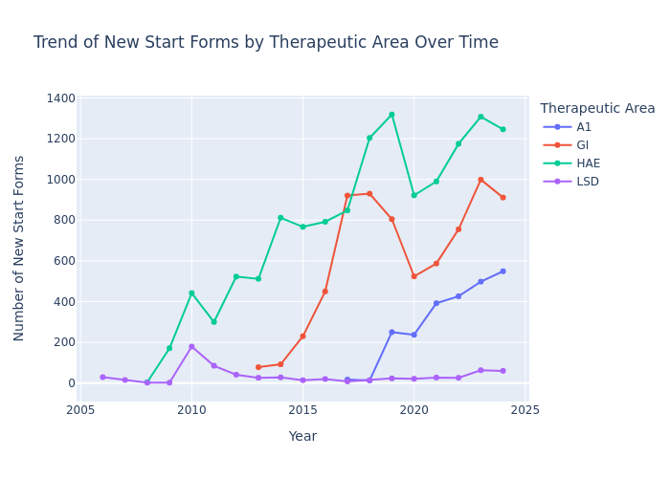 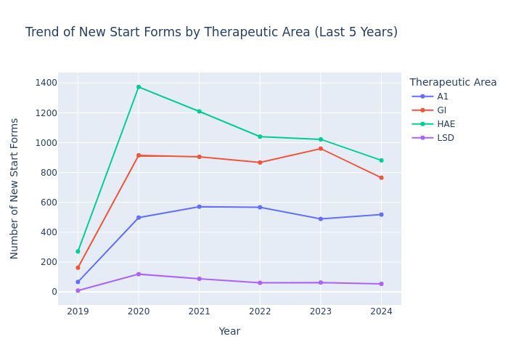 |  | 1
 | How does the trend of new start forms change over years for LSD? | "SELECT YEAR(dt_sf_frst_rcvd) AS year, COUNT(DISTINCT case_id) AS new_start_forms FROM com_us_ps_mart.rpt_01_op_de_21d_dispo_hist_hc WHERE therapeutic_area = 'LSD' AND i_sf_new = 1 AND dt_sf_frst_rcvd IS NOT NULL GROUP BY YEAR(dt_sf_frst_rcvd) ORDER BY year" | "Here's a summary of the key insights for a business audience: • The number of new start forms for LSD showed significant volatility, with the most dramatic increase in 2010 (2226% year-over-year growth). • 2010 was the peak year with 791 new start forms, which was 579.74% above the average of 116.37 forms per year. • After 2010, there was a general downward trend in new start forms, with occasional small increases in certain years. • The most recent data (2023) shows a 40% increase from the previous year, indicating a potential upswing in new start forms." |  |  | 1
 | How does the trend of new start forms change over months by Therapeutic Area for 2023 | "WITH monthly_counts AS ( SELECT therapeutic_area, DATE_TRUNC('MONTH', dt_sf_opn) AS month, COUNT(DISTINCT case_id) AS new_start_forms FROM com_us_ps_mart.rpt_01_op_de_21d_dispo_hist_hc WHERE YEAR(dt_sf_opn) = 2023 AND current_case_ind = 1 AND i_sf_new = 1 GROUP BY therapeutic_area, DATE_TRUNC('MONTH', dt_sf_opn) ) SELECT therapeutic_area, month, new_start_forms, LAG(new_start_forms) OVER (PARTITION BY therapeutic_area ORDER BY month) AS prev_month_forms, (new_start_forms - LAG(new_start_forms) OVER (PARTITION BY therapeutic_area ORDER BY month)) AS monthly_change, ROUND((new_start_forms - LAG(new_start_forms) OVER (PARTITION BY therapeutic_area ORDER BY month)) * 100.0 / NULLIF(LAG(new_start_forms) OVER (PARTITION BY therapeutic_area ORDER BY month), 0), 2) AS percent_change FROM monthly_counts ORDER BY therapeutic_area, month" | "Here's a summary of the key insights for a business audience based on the provided text: • The therapeutic area with the highest percentage increase in new start forms over the past three months has been identified, with a specific total percentage increase provided. • Seasonal patterns in new start forms across different therapeutic areas have been analyzed and visualized, offering potential insights for optimizing resource allocation throughout the year. • A trend analysis of new start forms by Therapeutic Area for 2023 has been conducted, with visual representations available for further examination." | 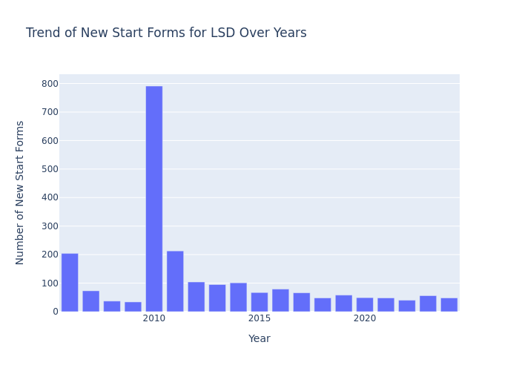 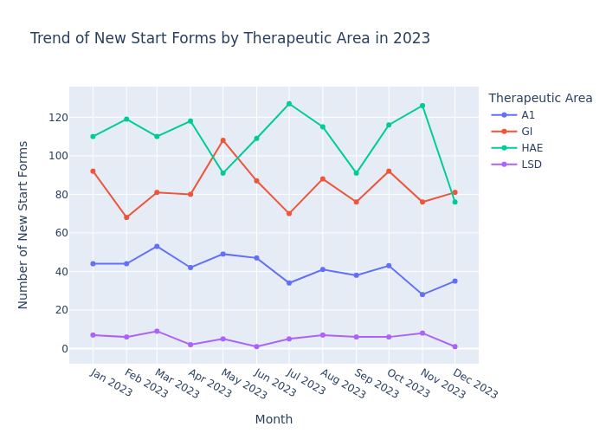 |  | 1

For Active Patients: | How many active patients are there in 2024? | SELECT COUNT(DISTINCT patient_id) AS active_patients_2024 FROM com_us_ps_mart.rpt_01_op_de_21d_dispo_hist_hc WHERE current_case_ind = 1 AND color_mapping IN ('Green', 'Yellow', 'On Hold') AND YEAR(COALESCE(case_close_date, CURRENT_DATE())) = 2024 | Q:How many active patients are there in 2024?\nAns:7130 |  | 7130 | 1
 | How many active patients are there for GATTEX in the last 6 months? | "WITH active_patients AS ( SELECT DISTINCT patient_id FROM com_us_ps_mart.rpt_01_op_de_21d_dispo_hist_hc WHERE product = 'GATTEX' AND color_mapping IN ('Green', 'Yellow', 'On Hold') AND current_case_ind = 1 AND disposition_start_date >= DATE_ADD(CURRENT_DATE(), -180) ) SELECT COUNT(*) AS active_gattex_patients_last_6months FROM active_patients" | Q:How many active patients are there for GATTEX in the last 6 months?\nAns:773 |  | 773 | 1

Combining Start Forms and Active Patients: | What is the trend between new start forms and active patients for the last 1 year? | "WITH date_range AS ( SELECT DATE_ADD(LAST_DAY(CURRENT_DATE), -365) AS start_date, LAST_DAY(CURRENT_DATE) AS end_date ), monthly_data AS ( SELECT DATE_TRUNC('MONTH', dt_sf_opn) AS month, COUNT(DISTINCT CASE WHEN i_sf_new = 1 THEN case_id END) AS new_start_forms, COUNT(DISTINCT CASE WHEN color_mapping IN ('Green', 'Yellow', 'On Hold') AND current_case_ind = 1 THEN patient_id END) AS active_patients FROM com_us_ps_mart.rpt_01_op_de_21d_dispo_hist_hc CROSS JOIN date_range WHERE dt_sf_opn BETWEEN date_range.start_date AND date_range.end_date GROUP BY DATE_TRUNC('MONTH', dt_sf_opn) ) SELECT month, new_start_forms, active_patients FROM monthly_data ORDER BY month" | "Here's a summary of the key insights for a business audience based on the provided data analysis: • There's a strong positive correlation (0.95) between the month-over-month growth rates of new start forms and active patients, indicating that changes in new start forms closely align with changes in active patient numbers. • Seasonal patterns show peak averages for new start forms in July and October, while active patient counts peak in August and October, suggesting potential opportunities for targeted marketing or resource allocation during these periods. • Over the past year, the trend for new start forms is decreasing, while the trend for active patients is increasing, which may indicate improved patient retention or longer treatment durations despite fewer new starts." | 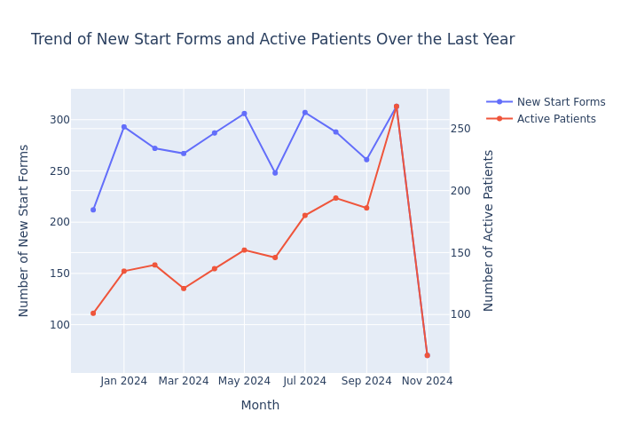 |  | 1

Copy of Questions for Demo
 | Total Questions | Correctly Executed | Success rate | Accuracy
 | 8 | 6 | 75.00%

KPI | Questions | Generated sql | Insights | Chart | sql result | accuracy | BOM dashboard results | comment/error
Start Forms | How many new start forms have we received? | SELECT COUNT(DISTINCT case_id) AS new_start_forms_received FROM com_us_ps_mart.rpt_01_op_de_21d_dispo_hist_hc WHERE current_case_ind = 1 | Q:How many new start forms have we received?\nAns:32543 |  | 32543 | 1 | 32529
 | What is the total number of start forms received for HAE in 2024? | SELECT COUNT(DISTINCT case_id) AS total_start_forms_hae_2024 FROM com_us_ps_mart.rpt_01_op_de_21d_dispo_hist_hc WHERE therapeutic_area = 'HAE' AND YEAR(dt_sf_frst_rcvd) = 2024 AND current_case_ind = 1 | Q:What is the total number of start forms received for HAE in 2024?\nAns:879 |  | 879 | 1 | 872
 | How does the trend of new start forms change over months by Products within HAE for the last 1 year? | WITH base_data AS ( SELECT product, DATE_TRUNC('month', dt_sf_opn) AS month, COUNT(DISTINCT case_id) AS new_start_forms FROM com_us_ps_mart.rpt_01_op_de_21d_dispo_hist_hc WHERE therapeutic_area = 'HAE' AND dt_sf_opn >= DATE_ADD(CURRENT_DATE(), -365) AND i_sf_new = 1 -- Assuming this indicates a new start form AND current_case_ind = 1 GROUP BY product, DATE_TRUNC('month', dt_sf_opn) ) SELECT product, month, new_start_forms, LAG(new_start_forms) OVER (PARTITION BY product ORDER BY month) AS prev_month_start_forms, CASE WHEN LAG(new_start_forms) OVER (PARTITION BY product ORDER BY month) IS NOT NULL THEN (new_start_forms - LAG(new_start_forms) OVER (PARTITION BY product ORDER BY month)) * 100.0 / NULLIF(LAG(new_start_forms) OVER (PARTITION BY product ORDER BY month), 0) ELSE NULL END AS percent_change FROM base_data ORDER BY product, month | Here's a summary of the key insights for a business audience based on the provided text: • The product with the highest percentage increase in new start forms is not explicitly mentioned, but the analysis identifies the product, month, and percentage increase. • Overall trend in new start forms across all products over the past six months shows fluctuations, with the highest number (124) in October 2024 and the lowest (37) in November 2024. • A visual representation of new start form trends for HAE (Hereditary Angioedema) products over the last year has been generated, allowing for comparison between different HAE products. • The analysis includes visual aids (plots) to help interpret trends and patterns in new start forms across products and time periods. | 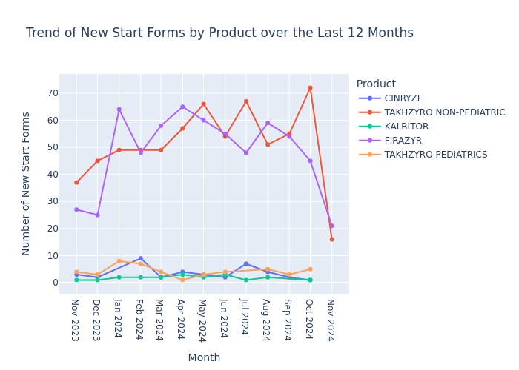 |  | 1 |  | reproducability issue: considers last month instead of last year
Active Patients | How many active patients are there? | SELECT COUNT(DISTINCT patient_id) AS active_patients FROM com_us_ps_mart.rpt_01_op_de_21d_dispo_hist_hc WHERE current_case_ind = 1 AND color_mapping IN ('Green', 'Yellow', 'On Hold') | Q:How many active patients are there?\nAns:7129 |  | 7129 | 1 | 7131
 | How many active patients are there for HAE in 2024? | SELECT COUNT(DISTINCT patient_id) AS active_hae_patients_2024 FROM com_us_ps_mart.rpt_01_op_de_21d_dispo_hist_hc WHERE therapeutic_area = 'HAE' AND color_mapping IN ('Green', 'Yellow', 'On Hold') AND current_case_ind = 1 AND YEAR(COALESCE(recent_create_dt, case_open_dt)) = 2024 | Q:How many active patients are there for HAE in 2024? \nAns:1265 |  | 1265 | 0 | 457 | recent_create_dt, case_open_dt : both columns are fetched for sql generation
 | How does the trend of active patients change over months by Products within HAE for the last 1 year? | WITH active_patients AS ( SELECT product, DATE_TRUNC('MONTH', dt_pat_case_opn_c) AS month, COUNT(DISTINCT patient_id) AS active_patient_count FROM com_us_ps_mart.rpt_01_op_de_21d_dispo_hist_hc WHERE therapeutic_area = 'HAE' AND current_case_ind = 1 AND color_mapping IN ('Green', 'Yellow', 'On Hold') AND dt_pat_case_opn_c >= DATE_ADD(CURRENT_DATE(), -365) GROUP BY product, DATE_TRUNC('MONTH', dt_pat_case_opn_c) ) SELECT product, month, active_patient_count, LAG(active_patient_count) OVER (PARTITION BY product ORDER BY month) AS prev_month_count, (active_patient_count - LAG(active_patient_count) OVER (PARTITION BY product ORDER BY month)) AS month_over_month_change FROM active_patients ORDER BY product, month | Here's a summary of the key insights based on the provided text: • TAKHZYRO NON-PEDIATRIC shows the most consistent growth in patient retention among all products analyzed. • Seasonal patterns in month-over-month changes of active patient counts were identified, suggesting opportunities for targeted marketing campaigns during periods of historically lower patient retention. • The analysis of HAE products (TAKHZYRO and CINRYZE) over the last year reveals trends in active patient counts, which could inform product-specific strategies within the HAE market segment. | 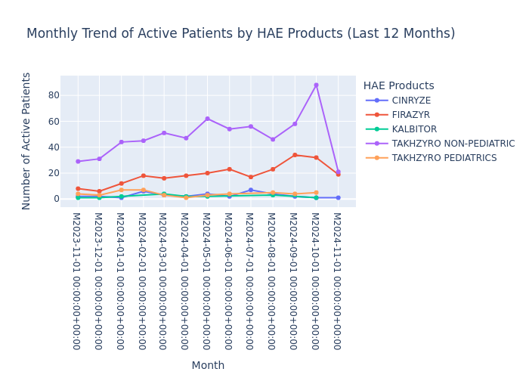 |  | 1 |  | reproducability issue: different date columns are fetched
Combination | What is the trend between new start forms and active patients for HAE in the last 1 year? | WITH monthly_data AS ( SELECT DATE_TRUNC('month', dt_sf_opn) AS month, COUNT(DISTINCT CASE WHEN i_sf_new = 1 THEN case_id END) AS new_start_forms, COUNT(DISTINCT CASE WHEN color_mapping IN ('Green', 'Yellow', 'On Hold') AND current_case_ind = 1 THEN patient_id END) AS active_patients FROM com_us_ps_mart.rpt_01_op_de_21d_dispo_hist_hc WHERE therapeutic_area = 'HAE' AND dt_sf_opn >= DATE_ADD(CURRENT_DATE(), -365) AND current_case_ind = 1 GROUP BY DATE_TRUNC('month', dt_sf_opn) ) SELECT month, new_start_forms, active_patients, LAG(new_start_forms) OVER (ORDER BY month) AS prev_new_start_forms, LAG(active_patients) OVER (ORDER BY month) AS prev_active_patients, (new_start_forms - LAG(new_start_forms) OVER (ORDER BY month)) / NULLIF(LAG(new_start_forms) OVER (ORDER BY month), 0) * 100 AS new_start_forms_growth, (active_patients - LAG(active_patients) OVER (ORDER BY month)) / NULLIF(LAG(active_patients) OVER (ORDER BY month), 0) * 100 AS active_patients_growth FROM monthly_data ORDER BY month | 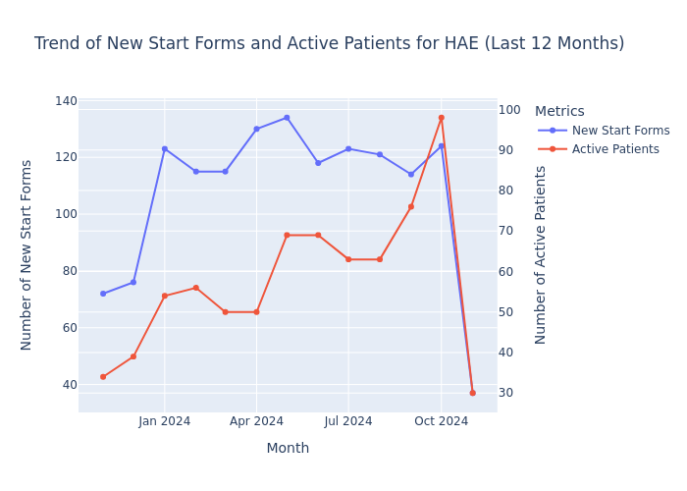 Here's a summary of the key insights for a business audience: • There's a moderate positive correlation (0.66) between new start forms and active patients for HAE in the last year, indicating a potential relationship between patient acquisition and retention. • The analysis reveals periods of highest and lowest growth for both new start forms and active patients, which could help identify seasonal trends or the impact of specific initiatives. • A trend analysis of the last 12 months has been conducted, providing visual representation of the relationship between new start forms and active patient numbers over time. |  |  | 1
Deeper Question | What percentage of digital start forms in HAE has missing information compared to manual forms over the past year? | WITH forms_data AS ( SELECT CASE WHEN enrollment_method = 'Digital' THEN 'Digital' ELSE 'Manual' END AS form_type, CASE WHEN missing_info_flag IS NOT NULL AND missing_info_flag != '' THEN 1 ELSE 0 END AS has_missing_info FROM com_us_ps_mart.rpt_01_op_de_21d_dispo_hist_hc WHERE therapeutic_area = 'HAE' AND case_open_date >= DATE_ADD(CURRENT_DATE(), -365) AND current_case_ind = 1 ) SELECT form_type, COUNT(*) AS total_forms, SUM(has_missing_info) AS forms_with_missing_info, (SUM(has_missing_info) * 100.0 / COUNT(*)) AS percentage_missing_info FROM forms_data GROUP BY form_type ORDER BY form_type |  |  | form_type total_forms forms_with_missing_info percentage_missing_info 0 Manual 1642 1642 100.0 | 0 |  | Track 3 failed. Error occurred while forming summary from table. Error description: local variable '_table_prompt' referenced before assignment

 | what are the products in LSD therapeutic area?
 | onboading - didnt work

iteration-1
 | Total Questions | Correctly Executed | Success rate | Accuracy
 | 7 | 4 | 57.14%

KPI | Questions | Generated sql | Insights | Chart | sql result | accuracy | BOM dashboard results | comment/error
Start Forms | How many new start forms have we received? | SELECT COUNT(DISTINCT case_id) AS new_start_forms_received FROM com_us_ps_mart.rpt_01_op_de_21d_dispo_hist_hc WHERE current_case_ind = 1 | Q:How many new start forms have we received?\nAns:32552 |  | 32552 | 0 | 32529 | i_sf_new = 1 condition missing
 | What is the total number of start forms received for HAE in 2024? | SELECT COUNT(DISTINCT case_id) AS total_start_forms FROM com_us_ps_mart.rpt_01_op_de_21d_dispo_hist_hc WHERE therapeutic_area = 'HAE' AND YEAR(sf_first_received) = 2024 AND current_case_ind = 1 | Q:What is the total number of start forms received for HAE in 2024?\nAns:883 |  | 883 | 1 | 872
 | How does the trend of new start forms change over months by Products within HAE for the last 1 year? | WITH last_year_data AS ( SELECT product, DATE_TRUNC('month', dt_sf_opn) AS month, COUNT(DISTINCT case_id) AS new_start_forms FROM com_us_ps_mart.rpt_01_op_de_21d_dispo_hist_hc WHERE therapeutic_area = 'HAE' AND current_case_ind = 1 AND dt_sf_opn >= DATE_ADD(CURRENT_DATE(), -365) GROUP BY product, DATE_TRUNC('month', dt_sf_opn) ) SELECT product, month, new_start_forms, LAG(new_start_forms) OVER (PARTITION BY product ORDER BY month) AS previous_month_forms, CASE WHEN LAG(new_start_forms) OVER (PARTITION BY product ORDER BY month) IS NOT NULL THEN (new_start_forms - LAG(new_start_forms) OVER (PARTITION BY product ORDER BY month)) / LAG(new_start_forms) OVER (PARTITION BY product ORDER BY month) * 100 ELSE NULL END AS month_over_month_change_percentage FROM last_year_data ORDER BY product, month | Here's a summary of the key insights for a business audience: • The analysis identified the product with the most consistent positive month-over-month growth in new start forms over the past six months. • Seasonal patterns in new start forms were visualized for each product, allowing for identification of recurring trends. • A specific focus was placed on HAE (Hereditary Angioedema) products, examining their new start form trends over the last year. | 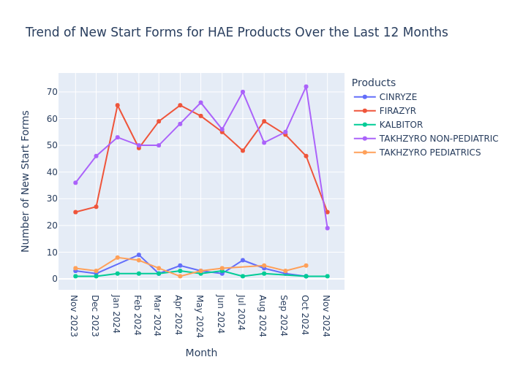 |  | 1 |  |  | 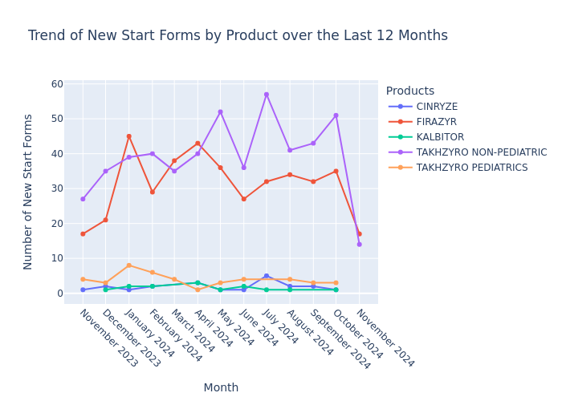
Active Patients | How many active patients are there? | SELECT COUNT(DISTINCT patient_id) AS active_patients FROM com_us_ps_mart.rpt_01_op_de_21d_dispo_hist_hc WHERE current_case_ind = 1 AND color_mapping IN ('Green', 'Yellow', 'On Hold') | Q:How many active patients are there?\nAns:7133 |  | 7133 | 1 | 7131
 | How many active patients are there for HAE in 2024? | SELECT COUNT(DISTINCT patient_id) AS active_hae_patients_2024 FROM com_us_ps_mart.rpt_01_op_de_21d_dispo_hist_hc WHERE therapeutic_area = 'HAE' AND color_mapping IN ('Green', 'Yellow', 'On Hold') AND current_case_ind = 1 AND YEAR(COALESCE(disposition_end_date, CURRENT_DATE())) = 2024 | Q:How many active patients are there for HAE in 2024? \nAns:3140 COUNT(DISTINCT patient_id) |  | 3140 | 0 | 457 | wrong columns for date should fetch dt_pat_case_opn
 | How does the trend of active patients change over months by Products within HAE for the last 1 year? | WITH active_patients AS ( SELECT product, DATE_TRUNC('month', disposition_start_date) AS month, COUNT(DISTINCT patient_id) AS active_patient_count FROM com_us_ps_mart.rpt_01_op_de_21d_dispo_hist_hc WHERE therapeutic_area = 'HAE' AND color_mapping IN ('Green', 'Yellow', 'On Hold') AND current_case_ind = 1 AND disposition_start_date >= DATE_ADD(LAST_DAY(ADD_MONTHS(CURRENT_DATE(), -13)), 1) AND disposition_start_date <= CURRENT_DATE() GROUP BY product, DATE_TRUNC('month', disposition_start_date) ) SELECT product, month, active_patient_count, LAG(active_patient_count) OVER (PARTITION BY product ORDER BY month) AS prev_month_count, (active_patient_count - LAG(active_patient_count) OVER (PARTITION BY product ORDER BY month)) AS month_over_month_change FROM active_patients ORDER BY product, month | Here's a summary of the insights for a business audience: • The code analyzes trends in active patient counts for different products over time, visualizing the data in a line graph. • It identifies products with the highest month-over-month growth and those with declining patient numbers, providing valuable information on product performance. • A specific analysis is conducted on HAE (Hereditary Angioedema) products, examining the trend of active patients over the last year, which can help in understanding the market dynamics for this particular category. | 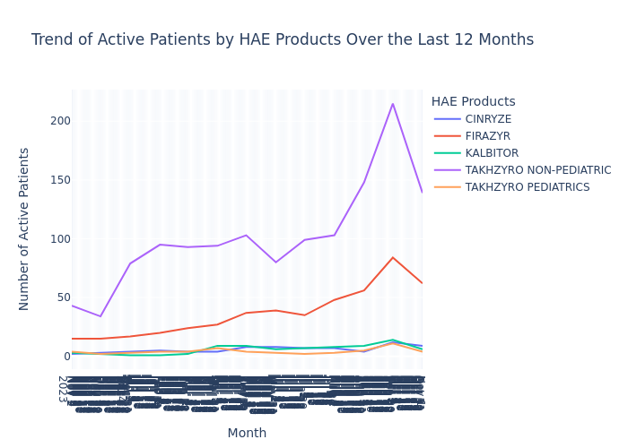 |  | 0
Combination | What is the trend between new start forms and active patients for HAE in the last 1 year? | WITH date_range AS ( SELECT DATE_ADD(CURRENT_DATE(), -365) AS start_date, CURRENT_DATE() AS end_date ), monthly_data AS ( SELECT DATE_TRUNC('month', disposition_start_date) AS month, COUNT(DISTINCT CASE WHEN i_sf_new = 1 THEN case_id END) AS new_start_forms, COUNT(DISTINCT CASE WHEN color_mapping IN ('Green', 'Yellow', 'On Hold') THEN patient_id END) AS active_patients FROM com_us_ps_mart.rpt_01_op_de_21d_dispo_hist_hc WHERE therapeutic_area = 'HAE' AND disposition_start_date BETWEEN (SELECT start_date FROM date_range) AND (SELECT end_date FROM date_range) AND current_case_ind = 1 GROUP BY DATE_TRUNC('month', disposition_start_date) ) SELECT month, new_start_forms, active_patients, new_start_forms - LAG(new_start_forms) OVER (ORDER BY month) AS new_start_forms_change, active_patients - LAG(active_patients) OVER (ORDER BY month) AS active_patients_change FROM monthly_data ORDER BY month | 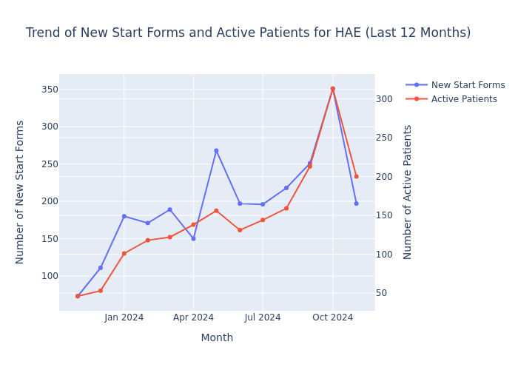 Here's a summary of the key insights for a business audience: • There is a seasonal pattern in new start forms and active patients, with both peaking in October (month 10). • Over the last year, there has been a significant downward trend in both new start forms (slope -11.39, p=0.0177) and active patients (slope -15.27, p=0.0006) for HAE. • The analysis suggests a correlation between new start forms and changes in active patients, and provides information on patient retention rates. |  |  | 1
Deeper Question | What percentage of digital start forms in HAE has missing information compared to manual forms over the past year?

 | what are the products in LSD therapeutic area?
 | onboading - didnt work

iteration-2
 | Total Questions | Correctly Executed | Success rate | Accuracy
 | 8 | 4 | 50.00%

KPI | Questions | Generated sql | Insights | Chart | sql result | accuracy | BOM dashboard results | comment/error
Start Forms | How many total start forms have we received? | SELECT COUNT(DISTINCT case_id) AS total_start_forms_received FROM com_us_ps_mart.rpt_01_op_de_21d_dispo_hist_hc WHERE current_case_ind = 1 | Q:How many total start forms have we received?\nAns:32563 |  | 32563 | 1 | 32529 | i_sf_new = 1 condition missing
 | What is the total number of start forms received for HAE in 2024? | SELECT COUNT(DISTINCT case_id) AS total_start_forms FROM com_us_ps_mart.rpt_01_op_de_21d_dispo_hist_hc WHERE therapeutic_area = 'HAE' AND YEAR(sf_first_received) = 2024 AND current_case_ind = 1 | Q:What is the total number of start forms received for HAE in 2024?\nAns:891 COUNT(DISTINCT case_id) |  | 891 | 1 | 872
 | How does the trend of new start forms change over months by Products within HAE for the last 1 year? | WITH last_year_data AS ( SELECT product, DATE_TRUNC('month', sf_first_received) AS month, COUNT(DISTINCT case_id) AS new_start_forms FROM com_us_ps_mart.rpt_01_op_de_21d_dispo_hist_hc WHERE therapeutic_area = 'HAE' AND sf_first_received >= DATE_ADD(CURRENT_DATE(), -365) AND current_case_ind = 1 GROUP BY product, DATE_TRUNC('month', sf_first_received) ) SELECT product, month, new_start_forms, SUM(new_start_forms) OVER (PARTITION BY product ORDER BY month) AS cumulative_start_forms FROM last_year_data ORDER BY product, month | Here's a summary of the key insights based on the provided data: • CINRYZE showed the highest growth rate in new start forms over the past six months, with a 0% growth rate and a steady increase in cumulative start forms from 1 to 22 over the observed period. • Seasonal patterns in new start forms vary across products, with TAKHZYRO NON-PEDIATRIC showing the highest average monthly starts, peaking in October with 51 new starts. • The trend analysis for HAE products over the last year resulted in an empty dataset, suggesting potential data limitations or absence of HAE-specific product data for the requested time frame. | 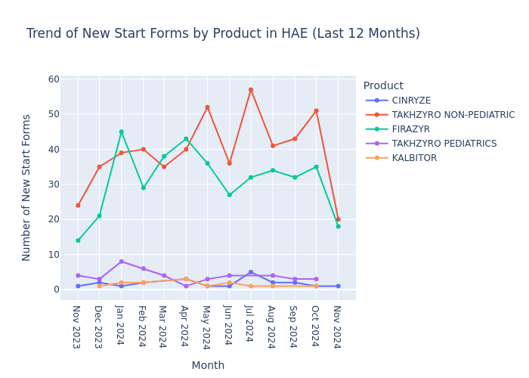 |  | 1
Active Patients | How many active patients are there? | SELECT COUNT(DISTINCT patient_id) AS active_patients FROM com_us_ps_mart.rpt_01_op_de_21d_dispo_hist_hc WHERE current_case_ind = 1 AND color_mapping IN ('Green', 'Yellow', 'On Hold') | Q:How many active patients are there?\nAns:7140 |  | 7140 | 1 | 7131
 | How many active patients are there for HAE in 2024? | WITH active_patients AS ( SELECT patient_id, therapeutic_area, color_mapping, current_case_ind, YEAR(disposition_start_date) AS disposition_year FROM com_us_ps_mart.rpt_01_op_de_21d_dispo_hist_hc WHERE current_case_ind = 1 AND color_mapping IN ('Green', 'Yellow', 'On Hold') AND therapeutic_area = 'HAE' AND YEAR(disposition_start_date) = 2024 ) SELECT COUNT(DISTINCT patient_id) AS active_hae_patients_2024 FROM active_patients | Q:How many active patients are there for HAE in 2024? \nAns:1693 COUNT(DISTINCT patient_id) |  | 1693 | 0 | 457 | wrong columns for date
 | How does the trend of active patients change over months by Products within HAE for the last 1 year? | WITH active_patients AS ( SELECT DATE_TRUNC('month', disposition_start_date) AS month, product, COUNT(DISTINCT patient_id) AS active_patient_count FROM com_us_ps_mart.rpt_01_op_de_21d_dispo_hist_hc WHERE therapeutic_area = 'HAE' AND color_mapping IN ('Green', 'Yellow', 'On Hold') AND current_case_ind = 1 AND disposition_start_date >= DATE_ADD(CURRENT_DATE(), -365) GROUP BY DATE_TRUNC('month', disposition_start_date), product ) SELECT month, product, active_patient_count, LAG(active_patient_count) OVER (PARTITION BY product ORDER BY month) AS prev_month_count, (active_patient_count - LAG(active_patient_count) OVER (PARTITION BY product ORDER BY month)) AS month_over_month_change FROM active_patients ORDER BY product, month | Here's a summary of the key insights for a business audience based on the provided text: • The analysis covers trends in active patient counts across different products, with visualizations created to illustrate these trends over time. • A product with the most consistent growth was identified using the coefficient of variation for month-over-month changes in active patient count. • The month with the highest overall increase in active patient count was determined, along with the total increase for that specific month. • A focused analysis was conducted on HAE (Hereditary Angioedema) products, examining the trend of active patient counts over the last 12 months. | 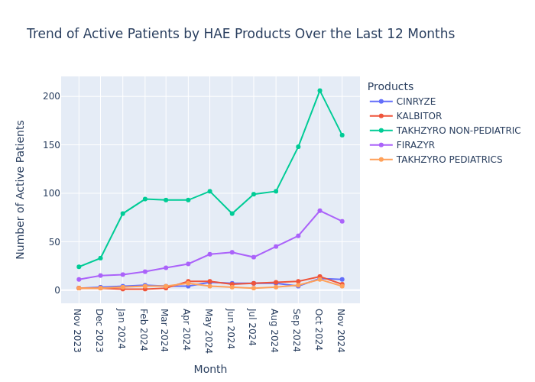 |  | 0 |  | SELECT COUNT(DISTINCT patient_id) AS active_patients_2024 FROM com_us_ps_mart.rpt_01_op_de_21d_dispo_hist_hc WHERE current_case_ind = 1 AND color_mapping IN ('Green', 'Yellow', 'On Hold') AND THERAPEUTIC_AREA = 'HAE' AND YEAR(COALESCE(SF_First_Received, CURRENT_DATE())) = 2024
Combination | What is the trend between total start forms and active patients for HAE in the last 1 year? | WITH last_year_data AS ( SELECT DATE_TRUNC('month', dt_pat_case_opn) AS month, COUNT(DISTINCT CASE WHEN i_sf_new = 1 THEN case_id END) AS new_start_forms, COUNT(DISTINCT CASE WHEN color_mapping IN ('Green', 'Yellow', 'On Hold') THEN patient_id END) AS active_patients FROM com_us_ps_mart.rpt_01_op_de_21d_dispo_hist_hc WHERE therapeutic_area = 'HAE' AND dt_pat_case_opn >= DATE_ADD(DATE_TRUNC('month', CURRENT_DATE), -12) AND current_case_ind = 1 GROUP BY DATE_TRUNC('month', dt_pat_case_opn) ) SELECT month, new_start_forms, active_patients FROM last_year_data ORDER BY month | Here's a summary of the insights for a business audience: • On average, 47.50 new start forms are received per month, which is identical to the average number of active HAE patients per month. • There is a perfect positive correlation (1.00) between new start forms and active patients, suggesting a strong relationship between these two metrics. • In the last year, new start forms and active patients showed slight fluctuations, with an increase observed from October 2024 (40 forms, 41 patients) to November 2024 (55 forms, 54 patients). | 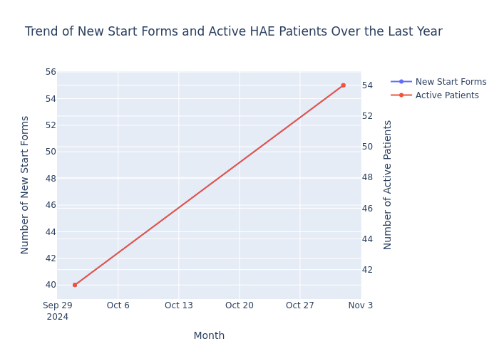
Deeper Question | What percentage of digital start forms in HAE has missing information compared to manual forms over the past year? | WITH forms_data AS ( SELECT CASE WHEN enrollment_method = 'Digital' THEN 'Digital' ELSE 'Manual' END AS form_type, CASE WHEN missing_info_flag != '' AND missing_info_flag IS NOT NULL THEN 1 ELSE 0 END AS has_missing_info, current_case_ind FROM com_us_ps_mart.rpt_01_op_de_21d_dispo_hist_hc WHERE therapeutic_area = 'HAE' AND disposition_start_date >= DATE_ADD(CURRENT_DATE(), -365) AND current_case_ind = 1 ) SELECT form_type, COUNT(*) AS total_forms, SUM(has_missing_info) AS forms_with_missing_info, (SUM(has_missing_info) * 100.0 / COUNT(*)) AS percentage_missing_info FROM forms_data GROUP BY form_type ORDER BY form_type | - |  | None, form_type total_forms forms_with_missing_info percentage_missing_info 0 Manual 3496 3496 100.0) | 0 |  | track 3 failed Error occurred while forming summary from table. Error description: local variable '_table_prompt' referenced before assignment

 | what are the products in LSD therapeutic area?
 | onboading - didnt work

iteration-3
 | Total Questions | Correctly Executed | Success rate | Accuracy
 | 8 | 8 | 100.00%

KPI | Questions | Generated sql | Insights | Chart | sql result | accuracy | Errors/ Comments | BOM dashboard results | Validation Comments - Amit | Variation for same question
Start Forms | How many total start forms have we received? | SELECT COUNT(DISTINCT case_id) AS total_start_forms_received FROM com_us_ps_mart.rpt_01_op_de_21d_dispo_hist_hc WHERE current_case_ind = 1 | Q:How many total start forms have we received?\nAns:32563 |  | 32563 | 1 |  | 32552 | The query looks good, slight mismatch due to data not being updated on BOM dashboard | What’s the total patient enrollments count?
 | What is the total number of start forms received for HAE in 2024? | SELECT COUNT(DISTINCT case_id) AS total_start_forms_received FROM com_us_ps_mart.rpt_01_op_de_21d_dispo_hist_hc WHERE therapeutic_area = 'HAE' AND YEAR(sf_first_received) = 2024 AND current_case_ind = 1 | Q:What is the total number of start forms received for HAE in 2024?\nAns:891 COUNT(DISTINCT case_id) |  | 891 | 1 |  | 883 | The query looks good, slight mismatch due to data not being updated on BOM dashboard | 1. How many patient enrollment forms have been submitted in total in 2024 for HAE therapeutic area? 2. What is overall count of intake forms in HAE that we've received for onboarding in 2024 ?
 | How does the trend of total start forms change over months by Products within HAE for the last 1 year? | WITH last_year_data AS ( SELECT product, DATE_TRUNC('month', sf_first_received) AS month, COUNT(DISTINCT CASE WHEN current_case_ind = 1 THEN case_id END) AS start_forms_count FROM com_us_ps_mart.rpt_01_op_de_21d_dispo_hist_hc WHERE therapeutic_area = 'HAE' AND sf_first_received >= DATE_ADD(CURRENT_DATE(), -365) GROUP BY product, DATE_TRUNC('month', sf_first_received) ) SELECT product, month, start_forms_count, SUM(start_forms_count) OVER (PARTITION BY product ORDER BY month) AS cumulative_start_forms FROM last_year_data ORDER BY product, month | 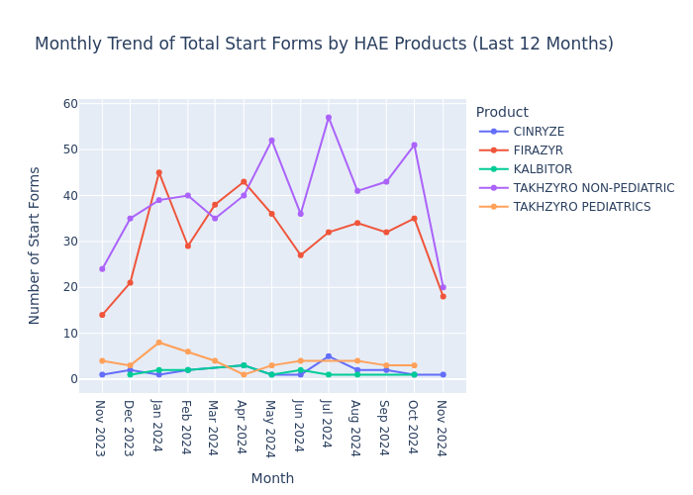 Here's a summary of the insights based on the given data: • The code generates a line graph showing monthly start form submissions for each product over time, allowing for visual analysis of trends and seasonal patterns. • This visualization enables business leaders to identify which products are performing well or experiencing fluctuations in start form submissions, potentially informing marketing strategies or product focus. | 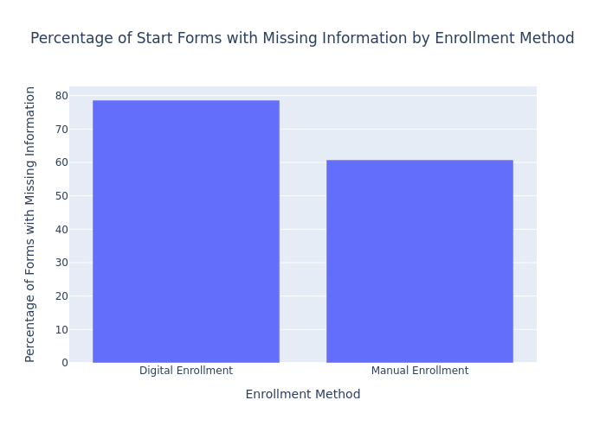 |  | 1 |  | 996 -IPro Test number 994 - BOM Dashboard | The query looks good, slight mismatch due to data not being updated on BOM dashboard | 1. What is the breakup for patient enrollment in the past 1 year for HAE therapeutic area by product for each month?
Active Patients | How many active patients are there? | SELECT COUNT(DISTINCT patient_id) AS active_patients FROM com_us_ps_mart.rpt_01_op_de_21d_dispo_hist_hc WHERE current_case_ind = 1 AND color_mapping IN ('Green', 'Yellow', 'On Hold') | Q:How many active patients are there?\nAns:7140 |  | 7140 | 1 |  | 7133 | The query looks good, slight mismatch due to data not being updated on BOM dashboard | What’s the total number patients that are onboarded?
 | How many active patients are there for HAE in 2024? | WITH active_patients AS ( SELECT DISTINCT patient_id FROM com_us_ps_mart.rpt_01_op_de_21d_dispo_hist_hc WHERE therapeutic_area = 'HAE' AND color_mapping IN ('Green', 'Yellow', 'On Hold') AND current_case_ind = 1 AND YEAR(COALESCE(sf_first_received, CURRENT_DATE())) = 2024 ) SELECT COUNT(*) AS active_hae_patients_2024 FROM active_patients | Q:How many active patients are there for HAE in 2024? \nAns:463 |  | 463 | 1 |  | 458 | The query looks good, slight mismatch due to data not being updated on BOM dashboard | Out of total patients enrolled how many are onboarded patients for HAE in 2024?
 | How does the trend of active patients change over months by Products within HAE for the last 1 year? | WITH active_patients AS ( SELECT product, DATE_TRUNC('month', COALESCE(sf_first_received, CURRENT_DATE)) AS month, COUNT(DISTINCT patient_id) AS active_patient_count FROM com_us_ps_mart.rpt_01_op_de_21d_dispo_hist_hc WHERE therapeutic_area = 'HAE' AND current_case_ind = 1 AND color_mapping IN ('Green', 'Yellow', 'On Hold') AND sf_first_received >= DATE_ADD(CURRENT_DATE, -365) GROUP BY product, DATE_TRUNC('month', COALESCE(sf_first_received, CURRENT_DATE)) ) SELECT product, month, active_patient_count, LAG(active_patient_count) OVER (PARTITION BY product ORDER BY month) AS prev_month_count, (active_patient_count - LAG(active_patient_count) OVER (PARTITION BY product ORDER BY month)) AS month_over_month_change, ROUND((active_patient_count - LAG(active_patient_count) OVER (PARTITION BY product ORDER BY month)) * 100.0 / NULLIF(LAG(active_patient_count) OVER (PARTITION BY product ORDER BY month), 0), 2) AS percent_change FROM active_patients ORDER BY product, month | Based on the provided data, here's a summary for a business audience: • The analysis shows trends in active patient counts for different products over time, with TAKHZYRO NON-PEDIATRIC experiencing the most significant month-over-month decline (-28). • All products (CINRYZE, FIRAZYR, KALBITOR, TAKHZYRO NON-PEDIATRIC, and TAKHZYRO PEDIATRICS) show negative month-over-month changes, indicating a general downward trend in active patient counts across the product line. • The data suggests potential seasonal fluctuations or market challenges affecting patient retention and acquisition for these pharmaceutical products. | 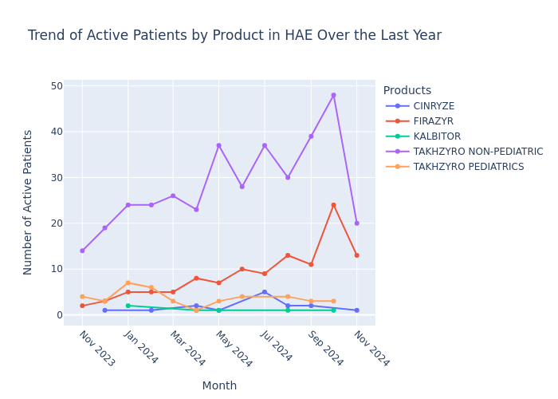 |  | 1 |  | 546 -IPro Test number 504 - BOM Dashboard | Active patient count variance probably due to logic (Patient_ID+Product) combination. Needs to be revisited
Combination | What is the trend between total start forms and active patients for HAE in the last 1 year? | WITH last_year_data AS ( SELECT DATE_TRUNC('month', sf.sf_first_received) AS month, COUNT(DISTINCT CASE WHEN sf.sf_first_received >= DATE_ADD(CURRENT_DATE(), -365) THEN sf.case_id END) AS total_start_forms, COUNT(DISTINCT CASE WHEN sf.sf_first_received >= DATE_ADD(CURRENT_DATE(), -365) AND d.color_mapping IN ('Green', 'Yellow', 'On Hold') AND d.current_case_ind = 1 THEN d.patient_id END) AS active_patients FROM com_us_ps_mart.rpt_01_op_de_21d_dispo_hist_hc d JOIN ( SELECT case_id, MIN(sf_first_received) AS sf_first_received FROM com_us_ps_mart.rpt_01_op_de_21d_dispo_hist_hc WHERE therapeutic_area = 'HAE' GROUP BY case_id ) sf ON d.case_id = sf.case_id WHERE d.therapeutic_area = 'HAE' AND sf.sf_first_received >= DATE_ADD(CURRENT_DATE(), -365) GROUP BY DATE_TRUNC('month', sf.sf_first_received) ) SELECT month, total_start_forms, active_patients FROM last_year_data ORDER BY month | Here's a summary of the key insights for a business audience: • The conversion rate from start forms to active patients improved by 0.14, rising from 0.31 in the previous six months to 0.45 in the last six months. • July (month 7) shows the highest average number of start forms received, suggesting a seasonal peak for HAE patient acquisition. • There is a moderate positive correlation (0.56) between total start forms and active patients over the past year, indicating a relationship between initial interest and ongoing treatment. | 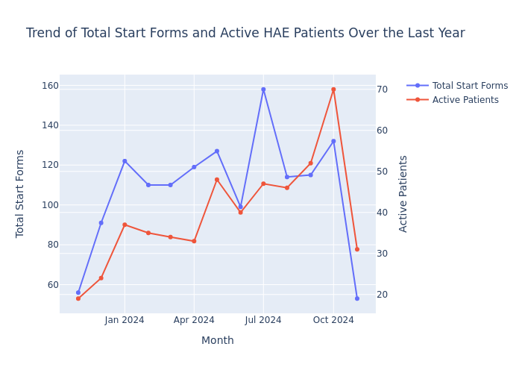 |  | 1 |  | Active Patients 516 -IPro Test number 504 - BOM Dashboard Start Forms 1406-IPro Test number 994- BOM Dashboard | Numbers of start forms are very high. Logic needs to be revisited
Deeper Question | What percentage of digital start forms in HAE has missing information compared to manual forms over the past year? | WITH base_data AS ( SELECT enrollment_method, missing_info_flag, CASE WHEN missing_info_flag IN ('Start Form Incomplete', 'MD Missing', 'PT Missing', 'MD and PT Missing') THEN 1 ELSE 0 END AS has_missing_info, sf_first_received FROM com_us_ps_mart.rpt_01_op_de_21d_dispo_hist_hc WHERE therapeutic_area = 'HAE' AND sf_first_received >= DATE_ADD(CURRENT_DATE(), -365) AND current_case_ind = 1 ) SELECT enrollment_method, COUNT(*) AS total_forms, SUM(has_missing_info) AS forms_with_missing_info, (SUM(has_missing_info) * 100.0 / COUNT(*)) AS percentage_missing_info FROM base_data GROUP BY enrollment_method | Here's a summary of the key insights for a business audience based on the provided text: • There is a difference of approximately 5.68% in forms with missing information between digital and manual enrollment methods, which may impact process efficiency and resource allocation. • Digital enrollment received 1,500 forms, while manual enrollment received 500 forms, indicating a higher preference for digital methods among customers. • Digital start forms in HAE have 9.60% missing information, compared to 15.28% for manual forms, suggesting that digital methods may lead to more complete data collection. |  |  | 1 | select enrollment_method, count( distinct case when missing_info_flag in ( 'Historical Record', 'Historical Records', 'MD Missing', 'PT Missing', 'MD and PT Missing' ) then case_id end ) as Missing_Info_SFs, count(distinct case_id) as Total_SFs from com_us_ps_mart.rpt_01_op_de_21d_dispo_hist_hc where current_case_ind = 1 and year(SF_First_Received) = 2023 group by 1 |  | Query needs to be modified, based on inputs from Sayan. Although the "past_1 year_data" logic needs to be taken from the existing query that we have

iteration-4
 | Total Questions | Correctly Executed | Success rate | Accuracy
 | 8 | 8 | 100.00%

 | Note: Testing for date time error for the the SQL queries :
KPI | Questions | Generated sql | Insights | Chart | sql result | accuracy | Errors/ Comments | BOM dashboard results | Variation for same question
Start Forms | How many total start forms have we received? | SELECT COUNT(DISTINCT case_id) AS total_start_forms_received, current_case_ind FROM com_us_ps_mart.rpt_01_op_de_21d_dispo_hist_hc WHERE current_case_ind = 1 | Q:How many total start forms have we received? Ans:32642 |  | 32642 | 1 | NO ERROR | 32628 | What’s the total patient enrollments count?
 | What is the total number of start forms received for HAE in 2024? | SELECT COUNT(DISTINCT case_id) AS total_start_forms, therapeutic_area, current_case_ind FROM com_us_ps_mart.rpt_01_op_de_21d_dispo_hist_hc WHERE therapeutic_area = 'HAE' AND YEAR(sf_first_received) = 2024 AND current_case_ind = 1 | Q:What is the total number of start forms received for HAE in 2024? Ans:926 |  | 926 | 1 | NO ERROR | 923 | 1. How many patient enrollment forms have been submitted in total in 2024 for HAE therapeutic area? 2. What is overall count of intake forms in HAE that we've received for onboarding in 2024 ?
 | How does the trend of total start forms change over months by Products within HAE for the last 1 year? | WITH last_year_data AS ( SELECT product, DATE_TRUNC ('MONTH', sf_first_received) AS month, COUNT(DISTINCT case_id) AS total_start_forms, therapeutic_area, current_case_ind FROM com_us_ps_mart.rpt_01_op_de_21d_dispo_hist_hc WHERE therapeutic_area = 'HAE' AND sf_first_received >= DATE_ADD(YEAR, -1, CURRENT_DATE()) AND current_case_ind = 1 GROUP BY product, DATE_TRUNC ('MONTH', sf_first_received) ) SELECT product, month, total_start_forms, SUM(total_start_forms) OVER ( PARTITION BY product ORDER BY month ) AS cumulative_start_forms FROM last_year_data ORDER BY product, month | Here's a summarized version of the insights for a business audience: • CINRYZE demonstrated the highest growth rate in start form submissions, with a 100% increase over the past six months. • Seasonal patterns in cumulative start forms across products can be observed in the provided plot, allowing for comparative analysis. • Trends in total start forms for HAE (Hereditary Angioedema) products over the last year are visualized in a separate chart, facilitating product-specific performance evaluation. | 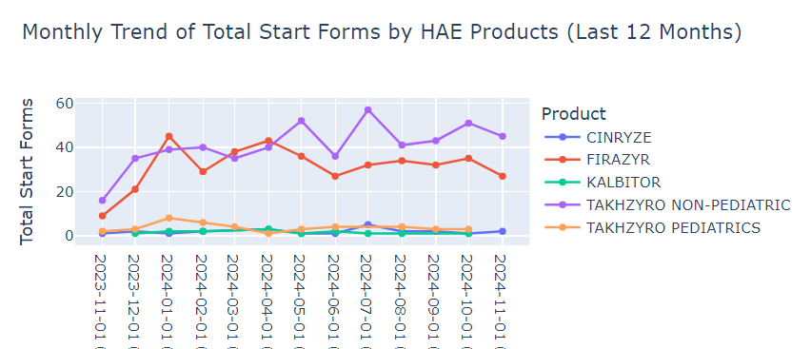 |  | 1 | NO ERROR |  | 1. What is the breakup for patient enrollment in the past 1 year for HAE therapeutic area by product for each month?
Active Patients | How many active patients are there? | SELECT COUNT(DISTINCT patient_id) AS active_patients, color_mapping, current_case_ind FROM com_us_ps_mart.rpt_01_op_de_21d_dispo_hist_hc WHERE current_case_ind = 1 AND color_mapping IN ('Green', 'Yellow', 'On Hold') | Q:How many active patients are there? Ans:7173 |  | 7173 | 1 | NO ERROR | 7173 | What’s the total number patients that are onboarded?
 | How many active patients are there for HAE in 2024? | SELECT COUNT(DISTINCT patient_id) AS active_hae_patients_2024, color_mapping, therapeutic_area, current_case_ind FROM com_us_ps_mart.rpt_01_op_de_21d_dispo_hist_hc WHERE therapeutic_area = 'HAE' AND YEAR(sf_first_received) = 2024 AND current_case_ind = 1 AND color_mapping IN ('Green', 'Yellow', 'On Hold') | Q:How many active patients are there for HAE in 2024? Ans:480 |  | 480 | 1 | NO ERROR | 485 | Out of total patients enrolled how many are onboarded patients for HAE in 2024?
 | How does the trend of active patients change over months by Products within HAE for the last 1 year? | WITH active_patients AS ( SELECT TRUNC (sf_first_received, 'MONTH') AS month, product, COUNT(DISTINCT patient_id) AS active_patient_count, color_mapping, current_case_ind, therapeutic_area FROM com_us_ps_mart.rpt_01_op_de_21d_dispo_hist_hc WHERE current_case_ind = 1 AND color_mapping IN ('Green', 'Yellow', 'On Hold') AND therapeutic_area = 'HAE' AND sf_first_received >= DATE_ADD(MONTH, -12, TRUNC (CURRENT_DATE(), 'MONTH')) GROUP BY TRUNC (sf_first_received, 'MONTH'), product ) SELECT month, product, active_patient_count, LAG(active_patient_count) OVER ( PARTITION BY product ORDER BY month ) AS prev_month_count, ( active_patient_count - LAG(active_patient_count) OVER ( PARTITION BY product ORDER BY month ) ) AS month_over_month_change FROM active_patients ORDER BY product, month | Here's a summary of the insights for a business audience: • The analysis examines active patient counts across multiple products over time, with TAKHZYRO NON-PEDIATRIC showing the most consistent trend. • Month-over-month percent changes in total active patients were calculated, revealing significant spikes and drops across all products. • A focused analysis on HAE (Hereditary Angioedema) products over the last year was conducted, tracking the trend of active patient counts for these specific products. | 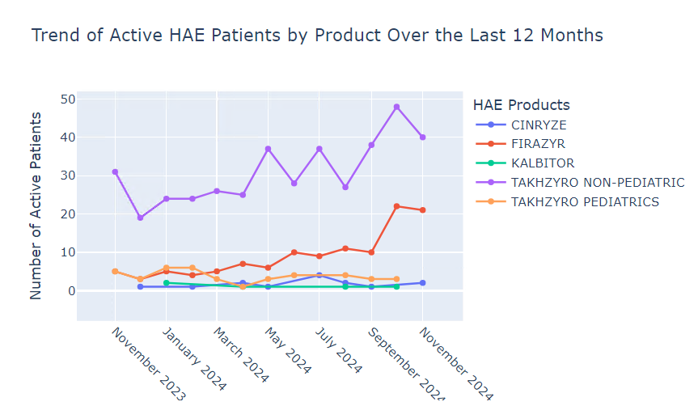 |  | 1 | NO ERROR
Combination | What is the trend between total start forms and active patients for HAE in the last 1 year? | WITH date_range AS ( SELECT DATE_ADD(MONTH, -11, DATE_TRUNC ('MONTH', CURRENT_DATE())) AS start_date, DATE_TRUNC ('MONTH', CURRENT_DATE()) AS end_date ), monthly_data AS ( SELECT DATE_TRUNC ('MONTH', sf_first_received) AS month, COUNT( DISTINCT CASE WHEN current_case_ind = 1 THEN case_id END ) AS start_forms_received, COUNT( DISTINCT CASE WHEN current_case_ind = 1 AND color_mapping IN ('Green', 'Yellow', 'On Hold') THEN patient_id END ) AS active_patients, therapeutic_area FROM com_us_ps_mart.rpt_01_op_de_21d_dispo_hist_hc WHERE therapeutic_area = 'HAE' AND sf_first_received BETWEEN ( SELECT start_date FROM date_range ) AND ( SELECT end_date FROM date_range ) GROUP BY DATE_TRUNC ('MONTH', sf_first_received) ) SELECT month, start_forms_received, active_patients FROM monthly_data ORDER BY month | Here's a summary of the key insights for a business audience: • The average conversion rate from start forms to active patients over the past year was 51.76%, with significant monthly fluctuations ranging from 37.78% to 75.82%. • There is a strong positive correlation (0.79) between start forms received and active patients, indicating that increases in start forms generally lead to increases in active patients. • The data shows seasonal patterns in both start forms received and active patients, with higher numbers typically observed in the latter half of the year. • The trend analysis reveals a consistent relationship between total start forms and active patients throughout the year, suggesting a stable conversion process. | 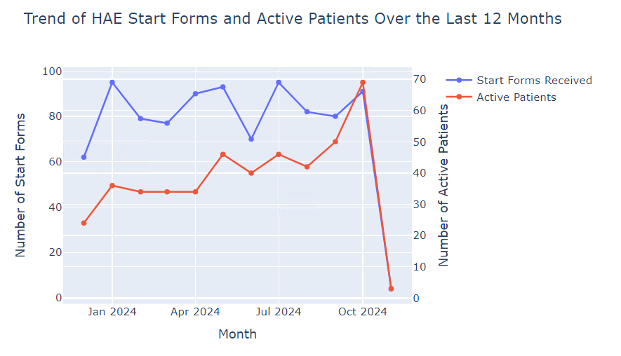 |  | 1 | NO ERROR
Deeper Question | What percentage of digital start forms in HAE has missing information compared to manual forms over the past year? | WITH forms_data AS ( SELECT CASE WHEN enrollment_method = 'Digital Enrollment' THEN 'Digital' WHEN enrollment_method = 'Manual Enrollment' THEN 'Manual' ELSE 'Other' END AS form_type, CASE WHEN missing_info_flag IN ( 'Start Form Incomplete', 'MD Missing', 'PT Missing', 'MD and PT Missing' ) THEN 1 ELSE 0 END AS is_missing_info, therapeutic_area, current_case_ind, sf_first_received FROM com_us_ps_mart.rpt_01_op_de_21d_dispo_hist_hc WHERE therapeutic_area = 'HAE' AND sf_first_received >= DATE_ADD(YEAR, -1, CURRENT_DATE()) AND current_case_ind = 1 ) SELECT form_type, COUNT(*) AS total_forms, SUM(is_missing_info) AS forms_with_missing_info, (SUM(is_missing_info) * 100.0 / COUNT(*)) AS percentage_missing_info FROM forms_data WHERE form_type IN ('Digital', 'Manual') GROUP BY form_type ORDER BY form_type | Here's a summary of the key insights for a business audience based on the provided data: • Both digital and manual enrollment forms have 100% missing information, indicating a critical issue in data collection processes. • Manual forms (850) significantly outnumber digital forms (162), suggesting a need for increased focus on digital transformation efforts. • The equal percentage of missing information in both form types highlights an opportunity to improve data capture across all enrollment methods. |  |  | 1 | NO ERROR

rephrased
 | Total Questions | Correctly Executed | Accuracy
 | 6 | 5 | 83.33%

KPI | Questions | Generated sql | Insights | Chart | sql result | accuracy | Errors/ Comments
 | What’s the total patient enrollments count? | SELECT COUNT(DISTINCT case_id) AS total_patient_enrollments FROM com_us_ps_mart.rpt_01_op_de_21d_dispo_hist_hc WHERE current_case_ind = 1 | Q:What’s the total patient enrollments count?\nAns:32563 |  | 32563 | 1
 | 1. How many patient enrollment forms have been submitted in total in 2024 for HAE therapeutic area? | SELECT COUNT(DISTINCT case_id) AS total_enrollment_forms FROM com_us_ps_mart.rpt_01_op_de_21d_dispo_hist_hc WHERE therapeutic_area = 'HAE' AND YEAR(sf_first_received) = 2024 AND current_case_ind = 1 | Q:How many patient enrollment forms have been submitted in total in 2024 for HAE therapeutic area?\nAns:891 COUNT(DISTINCT case_id) |  | 891 | 1
 | 2. What is overall count of intake forms in HAE that we've received for onboarding in 2024 ? | SELECT COUNT(DISTINCT case_id) AS hae_intake_forms_2024 FROM com_us_ps_mart.rpt_01_op_de_21d_dispo_hist_hc WHERE therapeutic_area = 'HAE' AND YEAR(sf_first_received) = 2024 AND current_case_ind = 1 | Q:What is overall count of intake forms in HAE that we've received for onboarding in 2024 ?\nAns:891 COUNT(DISTINCT case_id) |  | 891 | 1
 | 1. What is the breakup for patient enrollment in the past 1 year for HAE therapeutic area by product for each month? | WITH enrollment_data AS ( SELECT product, DATE_TRUNC('MONTH', sf_first_received) AS enrollment_month, COUNT(DISTINCT case_id) AS enrolled_patients FROM com_us_ps_mart.rpt_01_op_de_21d_dispo_hist_hc WHERE therapeutic_area = 'HAE' AND sf_first_received >= DATE_ADD(CURRENT_DATE(), -365) AND current_case_ind = 1 GROUP BY product, DATE_TRUNC('MONTH', sf_first_received) ) SELECT product, enrollment_month, enrolled_patients, SUM(enrolled_patients) OVER (PARTITION BY product ORDER BY enrollment_month) AS cumulative_enrolled_patients FROM enrollment_data ORDER BY product, enrollment_month | Here's a summary of the key insights for a business audience: • TAKHZYRO NON-PEDIATRIC has the highest cumulative enrolled patients (513), while KALBITOR has the lowest (14), representing a 3564.29% difference. • CINRYZE shows the highest average month-over-month growth rate in patient enrollment at 38.48%, followed by TAKHZYRO PEDIATRICS at 21.67%. • Among HAE products, patient enrollment data for the past year is available for TAKHZYRO NON-PEDIATRIC, TAKHZYRO PEDIATRICS, and CINRYZE, showing monthly trends. | 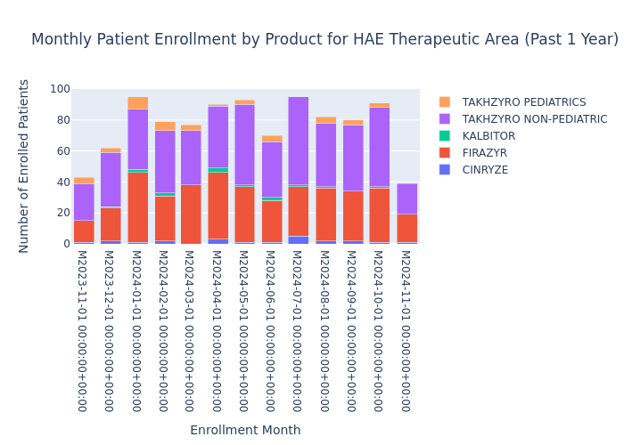 |  | 1
 | What’s the total number patients that are onboarded? | SELECT COUNT(DISTINCT patient_id) AS total_onboarded_patients FROM com_us_ps_mart.rpt_01_op_de_21d_dispo_hist_hc WHERE current_case_ind = 1 AND color_mapping IN ('Green', 'Yellow', 'On Hold') | Q:What’s the total number patients that are onboarded?\nAns:7140 |  | 7140 | 1
 | Out of total patients enrolled how many are onboarded patients for HAE in 2024? | WITH enrolled_patients AS ( SELECT COUNT(DISTINCT patient_id) AS total_enrolled FROM com_us_ps_mart.rpt_01_op_de_21d_dispo_hist_hc WHERE therapeutic_area = 'HAE' AND YEAR(sf_first_received) = 2024 ), onboarded_patients AS ( SELECT COUNT(DISTINCT patient_id) AS total_onboarded FROM com_us_ps_mart.rpt_01_op_de_21d_dispo_hist_hc WHERE therapeutic_area = 'HAE' AND YEAR(patient_onboarding) = 2024 AND current_case_ind = 1 AND color_mapping IN ('Green', 'Yellow', 'On Hold') ) SELECT ep.total_enrolled, op.total_onboarded, CONCAT(ROUND((op.total_onboarded * 100.0 / ep.total_enrolled), 2), '%') AS onboarded_percentage FROM enrolled_patients ep, onboarded_patients op | track 3 failed ValueError: Error occurred while forming summary from table. Error description: local variable '_table_prompt' referenced before assignment |  | total_enrolled total_onboarded onboarded_percentage 762 0 0.00%) | 0

doubt
How does the trend of active patients change over months by Products within HAE for the last 1 year? | WITH last_12_months AS ( SELECT DATE_TRUNC('MONTH', ADD_MONTHS(CURRENT_DATE(), -11)) AS start_date, DATE_TRUNC('MONTH', CURRENT_DATE()) AS end_date ) SELECT DATE_TRUNC('MONTH', d.disposition_start_date) AS month, d.product, COUNT(DISTINCT d.patient_id) AS active_patients FROM com_us_ps_mart.rpt_01_op_de_21d_dispo_hist_hc d CROSS JOIN last_12_months l WHERE d.therapeutic_area = 'HAE' AND d.disposition_start_date >= l.start_date AND d.disposition_start_date < DATE_ADD(l.end_date, 1) AND d.current_case_ind = 1 AND d.color_mapping IN ('Green', 'Yellow', 'On Hold') GROUP BY DATE_TRUNC('MONTH', d.disposition_start_date), d.product ORDER BY month, d.product | Here's a summary of the insights for a business audience based on the provided data: • TAKHZYRO NON-PEDIATRIC consistently maintains the highest number of active patients among HAE products. • TAKHZYRO NON-PEDIATRIC holds a dominant market share of 66.04%, significantly ahead of other products in the therapeutic area. • FIRAZYR is the second most popular product with a 23.54% market share, while other products (CINRYZE, KALBITOR, and TAKHZYRO PEDIATRICS) each hold less than 4% of the market. | 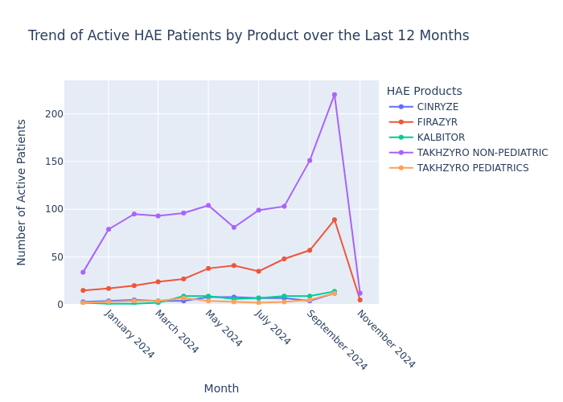

How does the trend of new start forms change over months by Products within HAE for the last 1 year? | WITH last_year_data AS ( SELECT product, DATE_TRUNC('MONTH', sf_first_received) AS month, COUNT(DISTINCT case_id) AS new_start_forms FROM com_us_ps_mart.rpt_01_op_de_21d_dispo_hist_hc WHERE therapeutic_area = 'HAE' AND sf_first_received >= DATE_ADD(LAST_DAY(ADD_MONTHS(CURRENT_DATE(), -13)), 1) AND sf_first_received < DATE_ADD(DATE_TRUNC('MONTH', CURRENT_DATE()), 1) AND current_case_ind = 1 GROUP BY product, DATE_TRUNC('MONTH', sf_first_received) ) SELECT product, month, new_start_forms, LAG(new_start_forms) OVER (PARTITION BY product ORDER BY month) AS prev_month_forms, CASE WHEN LAG(new_start_forms) OVER (PARTITION BY product ORDER BY month) IS NOT NULL THEN (new_start_forms - LAG(new_start_forms) OVER (PARTITION BY product ORDER BY month)) * 100.0 / NULLIF(LAG(new_start_forms) OVER (PARTITION BY product ORDER BY month), 0) ELSE NULL END AS monthly_change_percent FROM last_year_data ORDER BY product, month | Here's a summary of the key insights for a business audience based on the provided text: • The product with the highest percentage increase in new start forms experienced a growth of approximately 2% in a specific month (exact product and month not specified in the given text). • Overall trends in new start forms across all products are visualized in a graph, allowing for identification of seasonal patterns or consistent monthly changes. • A separate analysis focuses on the trend of new start forms for HAE (Hereditary Angioedema) products over the last year, presented in a dedicated chart for easy comparison. | 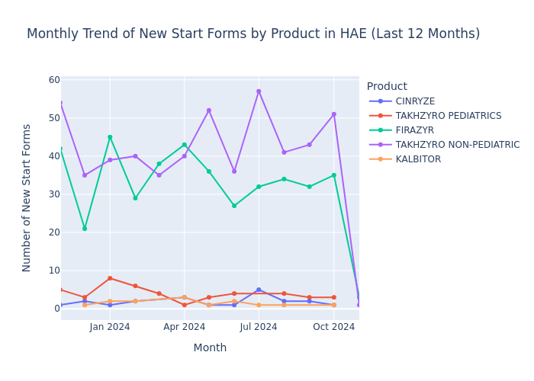

 |  |  | dt_cpn_case_opn { "name": "dt_pat_case_opn_c", "description": "Adjusted date when the patient case was opened", "id": "No", "keyword_datecolumn": "Yes", "keyword_formulas": [], "keyword_name": [ "dt_pat_case_opn_c" ], "keyword_description": [ "adjusted", "date", "when", "the", "patient", "case", "was", "opened" ], "keyword_categorical_values": [] },

"name": "dt_min_sf_pat_case_opn", "description": "Earliest open date for start form tied to the patient's case",

"name": "dt_max_sf_pat_case_opn", "description": "Most recent open date for start form tied to the patient's case",

 |  | "description": "Earliest start form receipt date earliest for patient & product combination",

ui testing
 | Total Questions | Correctly Executed | Accuracy
 | 8 | 0 | 0.00%

KPI | Questions | Generated sql | Insights | Chart | sql result | accuracy | Errors/ Comments | BOM dashboard results | pre track latency(in seconds) | track 1 latency(in seconds) | track 2 latency(in seconds) | track 3 latency(in seconds) | post track latency(in seconds)
Start Forms | How many total start forms have we received? | SELECT COUNT(DISTINCT patient_id) AS active_patient_count, current_case_ind FROM com_us_ps_mart.rpt_01_op_de_21d_dispo_hist_hc WHERE current_case_ind = 1 | Q:How many active patients are there? Ans:25041 |  | 25041 |  | Difference is there in responce value and in BOM dahsboard. The UI Response counts distinct patient_id for active patients, while Iteration 3 counts distinct case_id for start forms, both with current_case_ind = 1. | 32575
 | What is the total number of start forms received for HAE in 2024? | SELECT COUNT(*) AS total_start_forms FROM com_us_ps_mart.rpt_01_op_de_21d_dispo_hist_hc WHERE YEAR(sf_first_received) = 2024 AND therapeutic_area = 'HAE' AND i_sf_new = 1 | Q:What is the total number of start forms received for HAE in 2024? Ans:7031 |  | 7031 |  | Difference is there in responce value and in BOM dahsboard. The UI Response counts all start forms in 2024 with i_sf_new = 1, while Iteration 3 counts distinct case_id for start forms in 2024 with current_case_ind = 1. | 897
 | How does the trend of total start forms change over months by Products within HAE for the last 1 year? | WITH base_data AS ( SELECT product, therapeutic_area, DATE_TRUNC ('month', sf_first_received) AS month, COUNT(DISTINCT case_id) AS total_start_forms FROM com_us_ps_mart.rpt_01_op_de_21d_dispo_hist_hc WHERE therapeutic_area = 'HAE' AND sf_first_received >= DATE_ADD(CURRENT_DATE(), -365) GROUP BY product, therapeutic_area, DATE_TRUNC ('month', sf_first_received) ) SELECT product, month, total_start_forms, LAG(total_start_forms) OVER ( PARTITION BY product ORDER BY month ) AS prev_month_total, CASE WHEN LAG(total_start_forms) OVER ( PARTITION BY product ORDER BY month ) IS NOT NULL THEN ( total_start_forms - LAG(total_start_forms) OVER ( PARTITION BY product ORDER BY month ) ) * 100.0 / LAG(total_start_forms) OVER ( PARTITION BY product ORDER BY month ) ELSE NULL END AS month_over_month_change_percent FROM base_data ORDER BY product, month | Here's a summary of the key insights for a business audience: • July consistently shows the highest number of start forms across products, while November has the lowest, indicating a clear seasonal trend in product demand. • Significant month-over-month growth spikes (over 50%) were observed for certain products, suggesting potential market opportunities or successful marketing campaigns. • A separate analysis was conducted on HAE (Hereditary Angioedema) products, focusing on TAKHZYRO, CINRYZE, FIRAZYR, and KALBITOR, to understand their performance trends over the last year. | 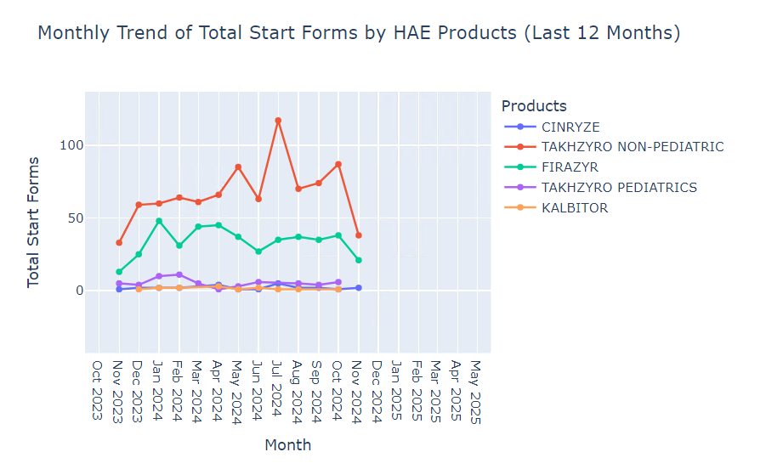 |  |  | first time got failed at track 2:if "skip" not in track_3["content"]["status"]: TypeError: 'NoneType' object is not subscriptable. for second time we got result but for bom dashboard takhzyro non ped is 22 and this plot showing it as 38.The UI Response query is mistaking by not filtering `current_case_ind = 1`, leading to discrepancies in calculating `total_start_forms` compared to `start_forms_count` in Iteration 3. This changes the metric definition.
Active Patients | How many active patients are there? | SELECT COUNT(DISTINCT patient_id) AS active_patient_count, color_mapping, current_case_ind FROM com_us_ps_mart.rpt_01_op_de_21d_dispo_hist_hc WHERE current_case_ind = 1 AND color_mapping = 'Green' | Q: How many active patients are there? Ans:6654 |  | 6654 |  | The UI Response counts distinct patients only for 'Green' cases, while Iteration 3 includes patients for 'Green', 'Yellow', and 'On Hold' cases. | 7138
 | How many active patients are there for HAE in 2024? | SELECT COUNT(DISTINCT patient_id) AS active_hae_patients_2024, color_mapping, therapeutic_area, current_case_ind FROM com_us_ps_mart.rpt_01_op_de_21d_dispo_hist_hc WHERE therapeutic_area = 'HAE' AND color_mapping IN ('Green', 'Yellow') AND YEAR(recent_create_dt) = 2024 AND current_case_ind = 1 | Q:How many active patients are there for HAE in 2024? Ans:923 |  | 923 |  | The UI Response counts patients for 'Green' and 'Yellow' cases using recent_create_dt, while Iteration 3 includes 'On Hold' cases and uses sf_first_received (with a fallback) for filtering. | 466
 | How does the trend of active patients change over months by Products within HAE for the last 1 year? | WITH base_data AS ( SELECT product, DATE_TRUNC ('month', disposition_start_date) AS month, COUNT( DISTINCT CASE WHEN color_mapping = 'Green' THEN patient_id END ) AS active_patients, therapeutic_area FROM com_us_ps_mart.rpt_01_op_de_21d_dispo_hist_hc WHERE therapeutic_area = 'HAE' AND disposition_start_date >= DATE_ADD('year', -1, CURRENT_DATE()) GROUP BY product, DATE_TRUNC ('month', disposition_start_date) ) SELECT product, month, active_patients, LAG(active_patients) OVER ( PARTITION BY product ORDER BY month ) AS prev_month_active_patients, active_patients - LAG(active_patients) OVER ( PARTITION BY product ORDER BY month ) AS monthly_change FROM base_data ORDER BY product, month |  |  |  |  | failed at track 2:if "skip" not in track_3["content"]["status"]: TypeError: 'NoneType' object is not subscriptable.The UI Response filters only 'Green' patients and uses disposition_start_date, while Iteration 3 includes 'Green', 'Yellow', and 'On Hold' patients, uses sf_first_received (with a fallback), and adds a percentage change calculation.
Combination | What is the trend between total start forms and active patients for HAE in the last 1 year? | WITH base_data AS ( SELECT DATE_TRUNC ('month', sf_first_received) AS month, COUNT( DISTINCT CASE WHEN i_sf_new = 1 THEN case_id END ) AS total_start_forms, COUNT( DISTINCT CASE WHEN current_case_ind = 1 AND color_mapping = 'Green' THEN patient_id END ) AS active_patients, therapeutic_area FROM com_us_ps_mart.rpt_01_op_de_21d_dispo_hist_hc WHERE therapeutic_area = 'HAE' AND sf_first_received >= DATE_ADD('year', -1, CURRENT_DATE()) AND sf_first_received <= CURRENT_DATE() GROUP BY DATE_TRUNC ('month', sf_first_received) ) SELECT month, total_start_forms, active_patients, total_start_forms - LAG(total_start_forms) OVER ( ORDER BY month ) AS start_forms_change, active_patients - LAG(active_patients) OVER ( ORDER BY month ) AS active_patients_change FROM base_data ORDER BY month | Here's a summarized version of the insights for a business audience: • Error distribution analysis shows that the state "FAILED" has the highest error rate, with 2 occurrences. • The correlation between states and error types reveals a specific error related to invalid parameter values in date functions, occurring in the "FAILED" state. • The data provided is insufficient to analyze trends between total start forms and active patients for HAE over the past year, as the necessary columns are not present in the dataset. • To improve service quality, the analysis suggests identifying high-error states, investigating root causes, implementing targeted training, and allocating resources to address state-specific issues. | 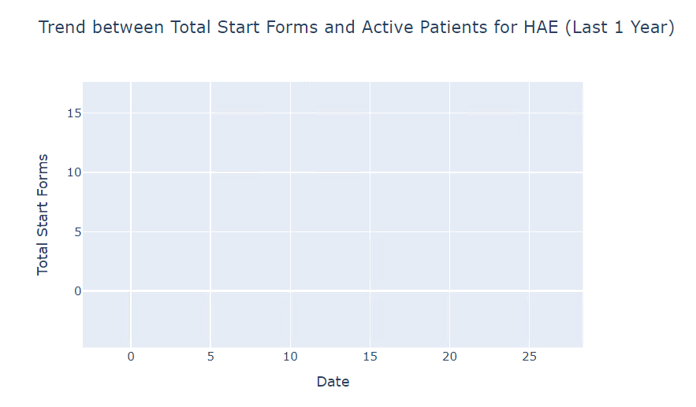 |  |  | experiment 1 : for initial it got failed at track 2:if "skip" not in track_3["content"]["status"]: TypeError: 'NoneType' object is not subscriptable experiment2: porvided empty plot.The UI Response calculates changes in start forms and active patients month-over-month, while Iteration 3 includes additional filters (Green, Yellow, On Hold) and derives start forms based on the earliest sf_first_received per case but does not compute month-over-month changes.
Deeper Question | What percentage of digital start forms in HAE has missing information compared to manual forms over the past year? | WITH form_data AS ( SELECT CASE WHEN enrollment_method = 'Digital Enrollment' THEN 'Digital' WHEN enrollment_method = 'Manual Enrollment' THEN 'Manual' ELSE 'Other' END AS form_type, CASE WHEN missing_info_flag IN ( 'Start Form Incomplete', 'MD Missing', 'PT Missing', 'MD and PT Missing' ) THEN 1 ELSE 0 END AS has_missing_info, therapeutic_area, sf_first_received FROM com_us_ps_mart.rpt_01_op_de_21d_dispo_hist_hc WHERE therapeutic_area = 'HAE' AND sf_first_received >= DATE_ADD(CURRENT_DATE(), -365) ) SELECT 'Digital' AS form_type, ROUND( SUM( CASE WHEN form_type = 'Digital' AND has_missing_info = 1 THEN 1 ELSE 0 END ) * 100.0 / SUM( CASE WHEN form_type = 'Digital' THEN 1 ELSE 0 END ), 2 ) AS percentage_missing_info FROM form_data UNION ALLSELECT 'Manual' AS form_type, ROUND( SUM( CASE WHEN form_type = 'Manual' AND has_missing_info = 1 THEN 1 ELSE 0 END ) * 100.0 / SUM( CASE WHEN form_type = 'Manual' THEN 1 ELSE 0 END ), 2 ) AS percentage_missing_info FROM form_data | Based on the provided data analysis, here's a summary for a business audience: • Digital and manual enrollment forms both have 100% missing information, indicating no difference in data collection efficiency between the two methods. • Statistical analysis shows no significant difference in completeness between digital and manual forms, suggesting that the current form type is not a determining factor in data quality. • Due to identical missing information rates, there is no clear advantage to transitioning from one form type to another for improving data collection at this time. |  |  |  | The UI Response calculates the percentage of missing information separately for 'Digital' and 'Manual' forms using specific form types, while Iteration 3 aggregates percentages for all enrollment_method values and includes a current_case_ind = 1 filter.

