Sheet1
Approach | Performance Measures | Evaluation |  |  |  |  | Evaluation | Performance | Normalized Euclidean | Cosine Distance | Canberra | Manhattan Distance | Chebyshev | Minkowski Distance
 |  | Cosine Similarity Distance |  |  |  |  |  | Measures
 |  | Top 10 | Top 20 | Top 30 | Top 40 | Top 50 | Top 10 | Precision | 91.315 | 92.404 | 91.192 | 91.114 | 83.452 | 91.381
Wavelet Transform | Precision | 49.263 | 42.331 | 38.753 | 36.257 | 34.263 |  | Recall | 9.131 | 9.242 | 9.12 | 9.111 | 8.346 | 9.137
 | Recall | 4.927 | 8.468 | 11.625 | 14.502 | 17.133 |  | Accuracy | 91.315 | 92.404 | 91.192 | 91.114 | 83.452 | 91.381
 | Accuracy | 49.263 | 42.331 | 38.753 | 36.257 | 34.263 |  | F1 score | 16.604 | 16.802 | 16.583 | 16.566 | 15.174 | 16.617
 | F1 Score | 8.956 | 14.11 | 17.886 | 20.718 | 22.839 | Top 20 | Precision | 87.884 | 89.543 | 87.884 | 87.711 | 76.254 | 87.982
LBP | Precision | 50.585 | 44.628 | 41.332 | 38.999 | 37.204 |  | Recall | 17.578 | 17.909 | 17.578 | 17.543 | 15.25 | 17.597
 | Recall | 5.06 | 8.926 | 12.399 | 15.601 | 18.603 |  | Accuracy | 87.884 | 89.543 | 87.884 | 87.711 | 76.254 | 87.982
 | Accuracy | 50.585 | 44.628 | 41.332 | 38.999 | 37.204 |  | F1 score | 29.296 | 29.848 | 29.296 | 29.235 | 25.418 | 29.328
 | F1 Score | 9.198 | 14.877 | 19.075 | 22.283 | 24.803 | Top 30 | Precision | 85.33 | 87.377 | 85.282 | 85.166 | 70.868 | 85.368
Color Moment | Precision | 50.876 | 44.88 | 41.609 | 39.246 | 37.31 |  | Recall | 25.6 | 26.212 | 25.583 | 25.549 | 21.259 | 25.609
 | Recall | 5.088 | 8.977 | 12.481 | 15.698 | 18.654 |  | Accuracy | 85.33 | 87.377 | 85.282 | 85.166 | 70.868 | 85.368
 | Accuracy | 50.876 | 44.88 | 41.609 | 39.246 | 37.31 |  | F1 score | 39.384 | 40.329 | 39.361 | 39.309 | 32.707 | 39.402
 | F1 Score | 9.251 | 14.96 | 19.203 | 22.425 | 24.872 | Top 40 | Precision | 82.928 | 85.414 | 82.969 | 82.754 | 66.107 | 82.91
Color Histogram | Precision | 58.372 | 51.804 | 48.121 | 45.394 | 43.185 |  | Recall | 33.173 | 34.164 | 33.187 | 33.102 | 26.444 | 33.165
 | Recall | 5.838 | 10.361 | 14.435 | 18.156 | 21.592 |  | Accuracy | 82.928 | 85.414 | 82.969 | 82.754 | 66.107 | 82.91
 | Accuracy | 58.372 | 51.804 | 48.121 | 45.394 | 43.185 |  | F1 score | 47.387 | 48.809 | 47.41 | 47.289 | 37.773 | 47.377
 | F1 Score | 10.614 | 17.269 | 22.209 | 25.94 | 28.792 | Top 50 | Precision | 80.523 | 83.509 | 80.67 | 80.401 | 61.731 | 80.442
Combination of Handcrafted Features | Precision | 68.588 | 61.497 | 57.241 | 54.032 | 51.298 |  | Recall | 40.263 | 41.756 | 40.336 | 40.2 | 30.866 | 40.223
 | Recall | 6.859 | 12.299 | 17.171 | 21.613 | 25.649 |  | Accuracy | 80.523 | 83.509 | 80.67 | 80.401 | 61.731 | 80.442
 | Accuracy | 68.588 | 61.497 | 57.241 | 54.032 | 51.298 |  | F1 score | 53.682 | 55.674 | 53.78 | 53.601 | 41.153 | 53.628
 | F1 Score | 12.469 | 20.5 | 26.418 | 30.875 | 34.198
ResNet-18 | Precision | 87.869 | 83.499 | 80.168 | 77.206 | 74.492 | TABLE IV. THE PERFORMANCE EVALUATION OF PROPOSED CTD-NET USING VARIOUS SIMILARITY MEASURES ON COREL-10K DATASET
 | Recall | 8.786 | 16.7 | 24.051 | 30.883 | 37.246
 | Accuracy | 29.634 | 38.152 | 44.875 | 50.076 | 54.092
 | F1 Score | 74.21 | 73.183 | 72.294 | 71.248 | 70.061
DenseNet-121 | Precision | 90.041 | 86.03 | 82.849 | 79.962 | 77.218
 | Recall | 9.005 | 17.208 | 24.855 | 31.984 | 38.608
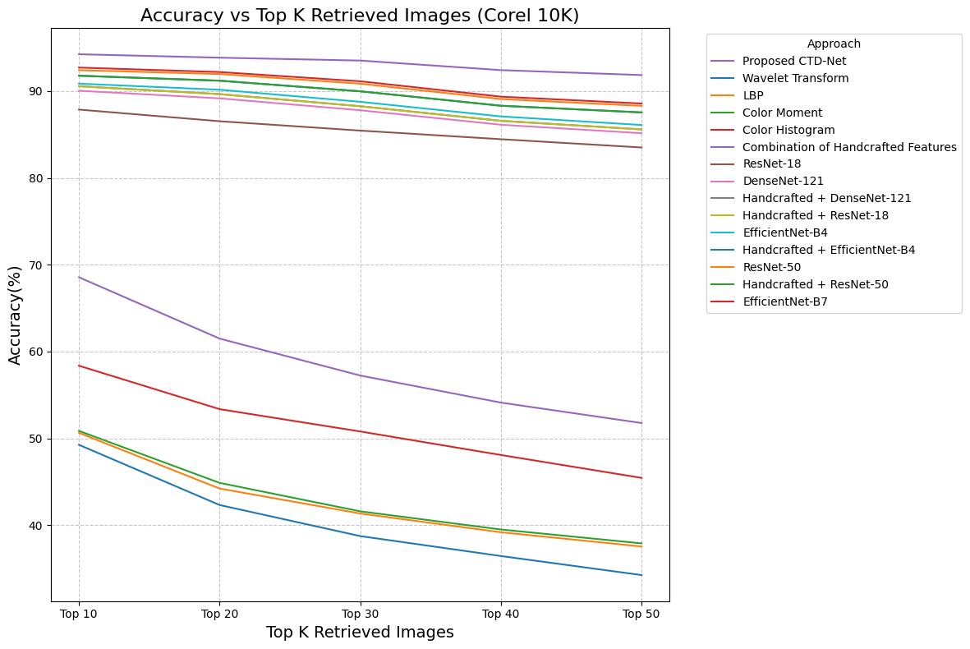
 | Accuracy | 59.822 | 62.267 | 64.261 | 65.612 | 66.41
 | F1 Score | 46.59 | 52.44 | 56.827 | 60.043 | 62.285
Handcrafted + DenseNet-121 | Precision | 90.553 | 86.501 | 83.282 | 80.392 | 77.666
 | Recall | 9.056 | 17.301 | 24.984 | 32.158 | 38.833
 | Accuracy | 16.463 | 28.835 | 38.436 | 45.938 | 51.776
 | F1 Score | 90.553 | 86.501 | 83.282 | 80.392 | 77.666
Handcrafted + ResNet-18 | Precision | 90.219 | 86.057 | 82.84 | 79.985 | 77.23
 | Recall | 9.024 | 17.212 | 24.852 | 31.995 | 38.617
 | Accuracy | 61.95 | 64.477 | 66.233 | 67.315 | 67.776
 | F1 Score | 44.672 | 50.267 | 54.841 | 58.374 | 60.941
EfficientNet-B4 | Precision | 90.837 | 86.931 | 83.946 | 81.221 | 78.424
 | Recall | 9.085 | 17.386 | 25.183 | 32.489 | 39.212
 | Accuracy | 16.515 | 28.979 | 38.746 | 46.411 | 52.285
 | F1 Score | 90.837 | 86.931 | 83.946 | 81.221 | 78.424
Handcrafted + EfficientNet-B4 | Precision | 91.789 | 88.022 | 85.049 | 82.407 | 79.658
 | Recall | 9.179 | 17.606 | 25.515 | 32.962 | 39.83
 | Accuracy | 77.066 | 76.658 | 76.245 | 75.637 | 74.591
 | F1 Score | 31.411 | 40.706 | 48.057 | 53.858 | 58.171
Handcrafted + ResNet-50 | Precision | 0.91005 | 0.09102 | 0.16547 | 0.91005 | 0.91005
 | Recall | 0.87335 | 0.17468 | 0.29112 | 0.87335 | 0.87335
 | Accuracy | 0.8452 | 0.25356 | 0.39009 | 0.8452 | 0.8452
 | F1 Score | 0.81985 | 0.32794 | 0.46849 | 0.81985 | 0.81985 | Fig. 14. Comparing all performing models with proposed CTD-Net on Corel 10K dataset
ResNet-50 | Precision | 90.46 | 86.754 | 83.932 | 81.325 | 78.849
 | Recall | 9.047 | 17.353 | 25.179 | 32.531 | 39.424
 | Accuracy | 30.9 | 40.12 | 47.431 | 53.123 | 57.547
 | F1 Score | 76.008 | 75.553 | 75.238 | 74.675 | 73.87
EfficientNet-B7 | Precision | 91.87 | 88.956 | 86.716 | 84.728 | 82.811
 | Recall | 9.188 | 17.792 | 26.015 | 33.892 | 41.405
 | Accuracy | 91.87 | 88.956 | 86.716 | 84.728 | 82.811
 | F1 Score | 16.704 | 29.654 | 40.022 | 48.416 | 55.207
Proposed CTD-Net | Precision | 92.404 | 89.543 | 87.377 | 85.414 | 83.509
 | Recall | 9.242 | 17.909 | 26.212 | 34.164 | 41.756
 | Accuracy | 92.404 | 89.543 | 87.377 | 85.414 | 83.509
 | F1 Score | 16.802 | 29.848 | 40.329 | 48.809 | 55.674

TABLE III. THE PERFORMANCE EVALUATION OF PROPOSED CTD-NET ON COREL-10K

