Sheet1
Approach | Performance Measures | Evaluation |  |  |  |  | Evaluation | Performance measures | Normalized | Cosine | Canberra | Manhattan Distance | Chebyshev | Minkowski
 |  | Cosine Similarity Distance |  |  |  |  |  |  | Euclidean | Distance |  |  |  | Distance
 |  | Top 10 | Top 20 | Top 30 | Top 40 | Top 50 | Top 10 | Precision | 97.68 | 98.85 | 98.22 | 97.71 | 93.27 | 97.54
Wavelet | Precision | 55 | 48.72 | 45.49 | 43.13 | 41.2 |  | Recall | 9.77 | 9.89 | 9.82 | 9.77 | 9.33 | 9.75
Transform | Recall | 5.5 | 9.74 | 13.65 | 17.25 | 20.6 |  | Accuracy | 97.68 | 98.85 | 98.22 | 97.71 | 93.27 | 97.54
 | Accuracy | 55 | 48.72 | 45.49 | 43.13 | 41.2 |  | F1 score | 17.76 | 17.97 | 17.86 | 17.77 | 16.96 | 17.73
 | F1 Score | 10 | 16.24 | 21 | 24.64 | 27.46 | Top 20 | Precision | 96.48 | 98.45 | 97.6 | 96.5 | 89.01 | 96.41
LBP | Precision | 57.72 | 52.05 | 48.97 | 46.57 | 44.54 |  | Recall | 19.3 | 19.69 | 19.52 | 19.3 | 17.8 | 19.28
 | Recall | 5.77 | 10.41 | 14.69 | 18.63 | 22.27 |  | Accuracy | 96.48 | 98.45 | 97.6 | 96.5 | 89.01 | 96.41
 | Accuracy | 57.72 | 52.05 | 48.97 | 46.57 | 44.54 |  | F1 score | 32.16 | 32.82 | 32.54 | 32.17 | 29.67 | 32.14
 | F1 Score | 10.49 | 17.35 | 22.6 | 26.61 | 29.69 | Top 30 | Precision | 95.54 | 98.04 | 96.99 | 95.56 | 85 | 95.45
Color | Precision | 57.98 | 52.42 | 49.12 | 46.88 | 44.84 |  | Recall | 28.66 | 29.41 | 29.1 | 28.67 | 25.5 | 28.64
Moment | Recall | 5.8 | 10.48 | 14.74 | 18.75 | 22.42 |  | Accuracy | 95.54 | 98.04 | 96.99 | 95.56 | 85 | 95.45
 | Accuracy | 57.98 | 52.42 | 49.12 | 46.88 | 44.84 |  | F1 score | 44.1 | 45.25 | 447700 | 44.1 | 39.23 | 44.06
 | F1 Score | 10.54 | 17.47 | 22.67 | 26.79 | 29.89 | Top 40 | Precision | 94.7 | 97.73 | 96.43 | 94.71 | 80.93 | 94.55
Color | Precision | 62.05 | 55.39 | 51.04 | 47.99 | 45.7 |  | Recall | 37.88 | 39.09 | 37.57 | 37.88 | 32.37 | 37.82
Histogram | Recall | 6.21 | 11.08 | 15.31 | 19.2 | 22.85 |  | Accuracy | 94.7 | 97.73 | 96.43 | 94.71 | 80.93 | 94.55
 | Accuracy | 62.05 | 55.39 | 51.04 | 47.99 | 45.7 |  | F1 score | 54.12 | 55.85 | 55.11 | 54.12 | 46.25 | 54.03
 | F1 Score | 11.28 | 18.47 | 23.56 | 27.42 | 30.47 | Top 50 | Precision | 93.55 | 97.27 | 95.71 | 93.64 | 76.86 | 93.35
Combination of | Precision | 76.61 | 71.01 | 67.24 | 64.23 | 61.7 |  | Recall | 46.77 | 48.64 | 47.86 | 46.82 | 38.43 | 46.68
Handcrafted | Recall | 7.66 | 14.2 | 20.17 | 25.69 | 30.85 |  | Accuracy | 93.55 | 97.27 | 95.71 | 93.64 | 76.86 | 93.35
Features | Accuracy | 76.61 | 71.01 | 67.24 | 64.23 | 61.7 |  | F1 score | 62.37 | 64.85 | 63.81 | 62.42 | 51.24 | 62.24
 | F1 Score | 13.93 | 23.67 | 31.03 | 36.7 | 41.13
ResNet-18 | Precision | 96.04 | 94.66 | 93.62 | 92.6 | 91.46 | TABLE II. THE PERFORMANCE EVALUATION OF PROPOSED CTD-NET USING VARIOUS SIMILARITY MEASURES ON COREL-1K DATASET
 | Recall | 9.6 | 18.63 | 28.09 | 37.04 | 45.73
 | Accuracy | 96.04 | 94.66 | 93.62 | 92.6 | 9.00E+05
 | F1 Score | 17.46 | 31.55 | 43.21 | 52.91 | 60.97
DenseNet-121 | Precision | 96.1 | 94.49 | 93.4 | 92.38 | 91.17
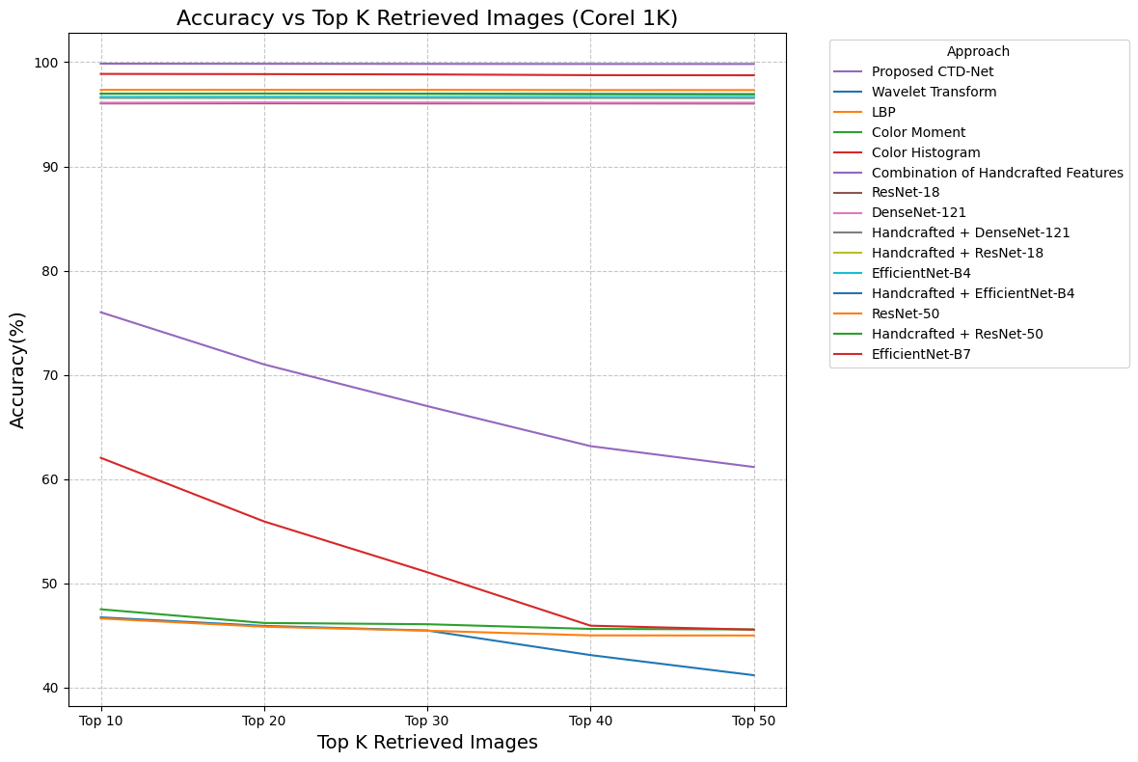
 | Recall | 9.61 | 18.9 | 28.02 | 36.95 | 45.59
 | Accuracy | 96.1 | 94.49 | 93.4 | 92.38 | 91.17
 | F1 Score | 17.47 | 31.5 | 43.11 | 52.79 | 60.78
Handcrafted + DenseNet-121 | Precision | 96.11 | 94.66 | 93.49 | 92.48 | 91.41
 | Recall | 9.61 | 31.55 | -28.1 | 36.99 | 45.7
 | Accuracy | 96.11 | 94.66 | 93.49 | 92.48 | 91.41
 | F1 Score | 17.47 | 31.55 | 43.15 | 52.85 | 60.94
Handcrafted + ResNet-18 | Precision | 96.23 | 94.88 | -93.8 | -92.86 | 91.77
 | Recall | 9.62 | 18.98 | 28.14 | 37.14 | 45.88
 | Accuracy | 96.23 | 94.88 | -93.8 | -92.86 | 91.77
 | F1 Score | 17.5 | 31.63 | 43.29 | 53.06 | 61.18
EfficientNet-B4 | Precision | 96.65 | 94.7 | 92.98 | 91.33 | 89.43
 | Recall | 9.67 | 18.94 | 27.89 | 36.53 | 44.71
 | Accuracy | 96.65 | 94.7 | 92.98 | 91.33 | 89.43
 | F1 Score | 17.57 | 31.57 | 42.92 | 52.19 | 59.62
Handcrafted + EfficientNet-B4 | Precision | 96.69 | 94.9 | 93.39 | 91.75 | 89.84
 | Recall | 9.67 | 18.98 | 28.02 | 36.7 | 44.92
 | Accuracy | 96.69 | 94.9 | 93.39 | 91.75 | 89.84
 | F1 Score | 17.58 | 31.63 | 43.1 | 52.43 | 59.89
Handcrafted + ResNet-50 | Precision | 97.36 | 96.43 | 95.7 | 94.93 | 94.06
 | Recall | 9.74 | 19.29 | 28.71 | 37.97 | 47.03
 | Accuracy | 97.36 | 96.43 | 95.7 | 94.93 | 94.06
 | F1 Score | 17.7 | 32.14 | 44.17 | 54.25 | 62.71
ResNet-50 | Precision | 97.37 | 96.44 | 95.66 | 94.86 | 94.02
 | Recall | 9.974 | 19.29 | 28.7 | 37.95 | 47.01
 | Accuracy | 97.37 | 96.44 | 95.66 | 94.86 | 94.02 | Fig. 13. Comparing all performing models with proposed CTD-Net Corel 1K dataset
 | F1 Score | 17.7 | 32.15 | 44.15 | 54.21 | 62.68
EfficientNet-B7 | Precision | 98.8 | 98.49 | 98.11 | 97.72 | 97.25
 | Recall | 9.88 | 19.7 | 29.43 | 39.09 | 48.63
 | Accuracy | 98.8 | 98.49 | 98.11 | 97.72 | 97.25
 | F1 Score | 17.96 | 32.83 | 45.28 | 55.84 | 64.84
Proposed | Precision | 98.85 | 98.45 | 98.04 | 97.73 | 97.27
CTD-Net | Recall | 9.89 | 19.69 | 29.41 | 39.09 | 48.64
 | Accuracy | 98.85 | 98.45 | 98.04 | 97.73 | 97.27
 | F1 Score | 17.97 | 32.82 | 45.25 | 55.85 | 64.85

TABLE I. THE PERFORMANCE EVALUATION OF PROPOSED CTD-NET ON COREL-1K DATASET

