Group_12_Details
FINANCIAL REPORTING & ANALYSIS
PROFORMA FINANCIAL STATEMENTS & EARNINGS CALL

Assumptions
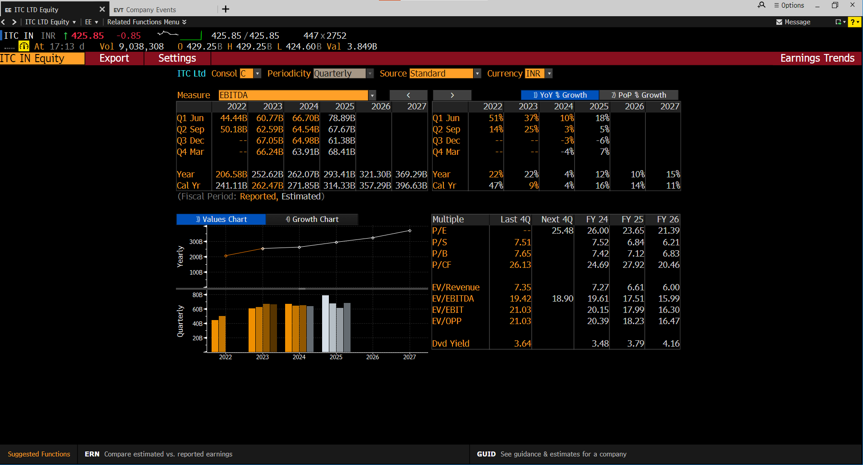
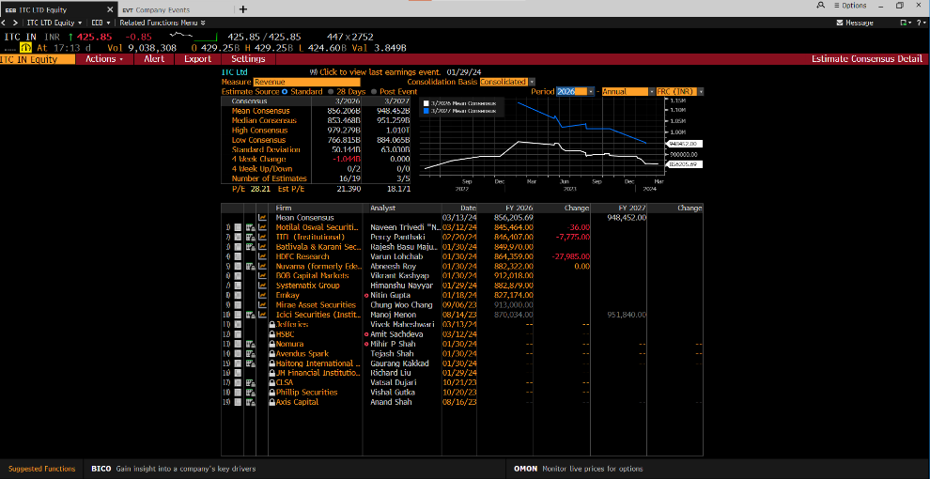
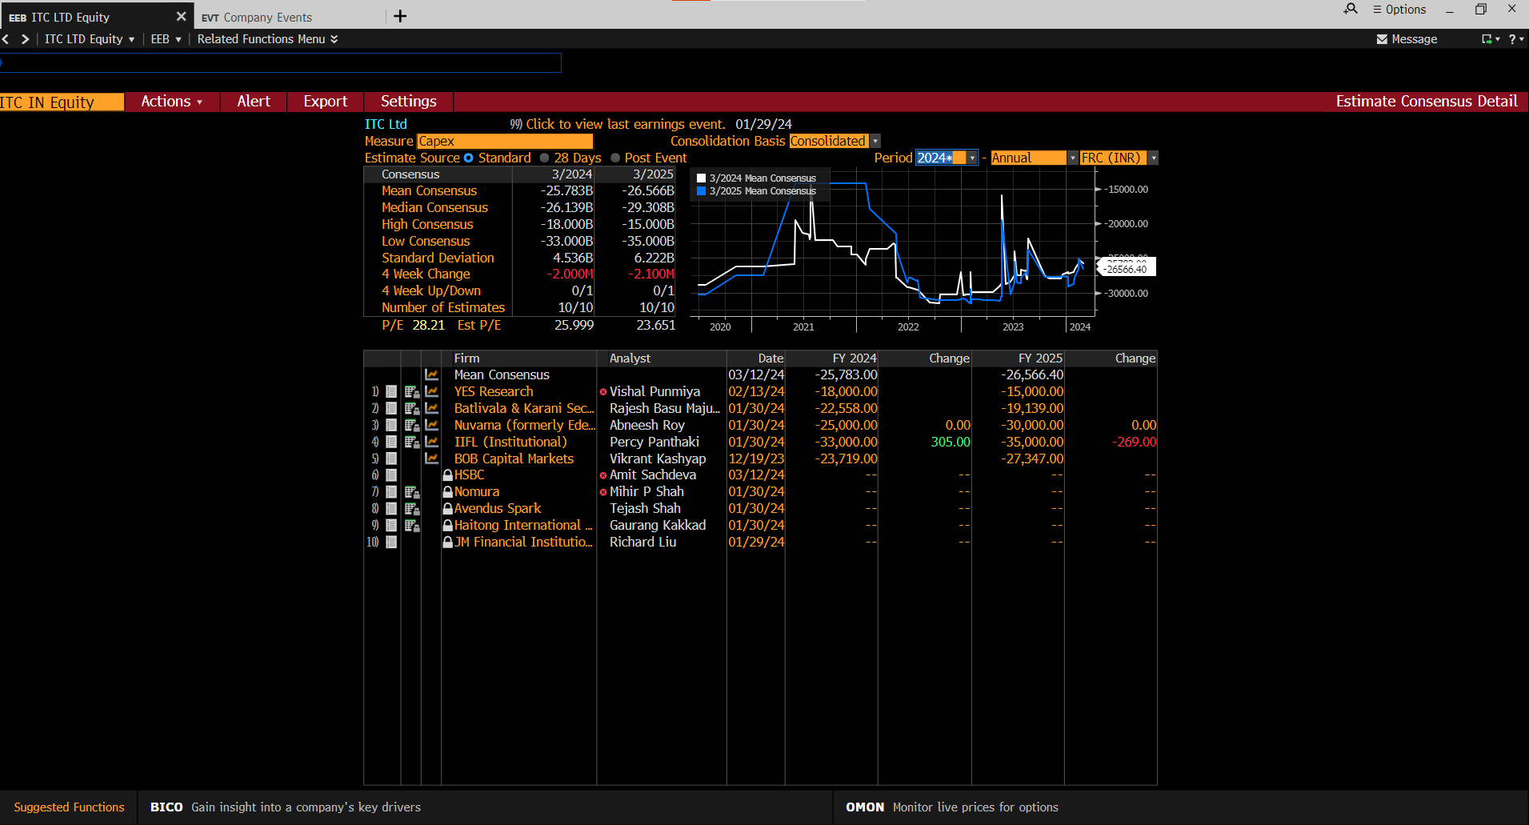
Item | Method | 2024 | 2025 | 2026 | 2027
Revenue growth | Horizontal | 12% | 12% | 16% | 18%
material cost | as % of sales | 33% | 31% | 33% | 33%
Purchase of stock in trade | as % of sales | 12% | 12% | 12% | 12%
Employee cost | as % of sales | 8% | 8% | 8% | 8%
other operating exp | as % of sales | 10% | 15% | 15% | 15%
Depreciation | (% of net Fixed Assets @ beg ) | 15% | 15% | 15% | 15%
interest on loan | (% of loan at end) | 8% | 9% | 9% | 9%
Income tax | % of pre tax income | 30% | 30% | 30% | 30%
Investment properties | Horizontal | 12% | 12% | 12% | 12%
Day's sales outstanding | No.of days sales(365D) | 15 | 15 | 15 | 15
inventory | No.of days of cost of sales | 80 | 80 | 80 | 80
OCA | No.of days sales(365D) | 15 | 15 | 15 | 15
Prepayments, accrued income and other deferred current assets | as% of sales | 1% | 2% | 3% | 4%
PPE | Asset turn | 0.8 | 0.8 | 0.8 | 0.8
OCLs (as% sales) | as % of sales | 4% | 4% | 4% | 4%
Accounts Payables | no. of days of sales | 20 | 20 | 20 | 20
bank loan | % equity | 0.01 | 0.01 | 0.01 | 0.01
Paid in Capital | Same as previous years | Same as previous years
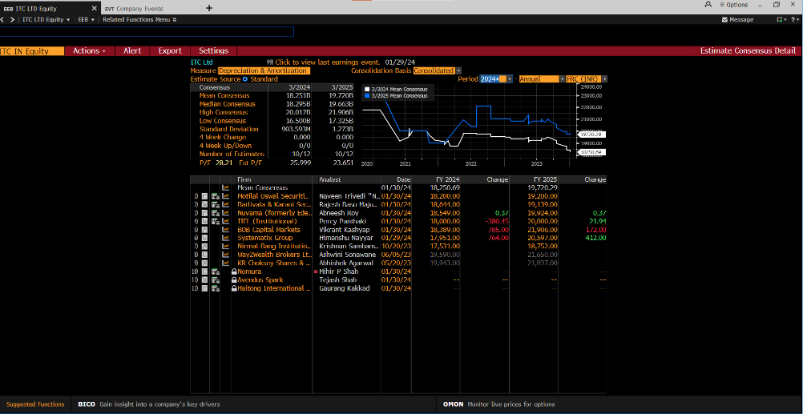
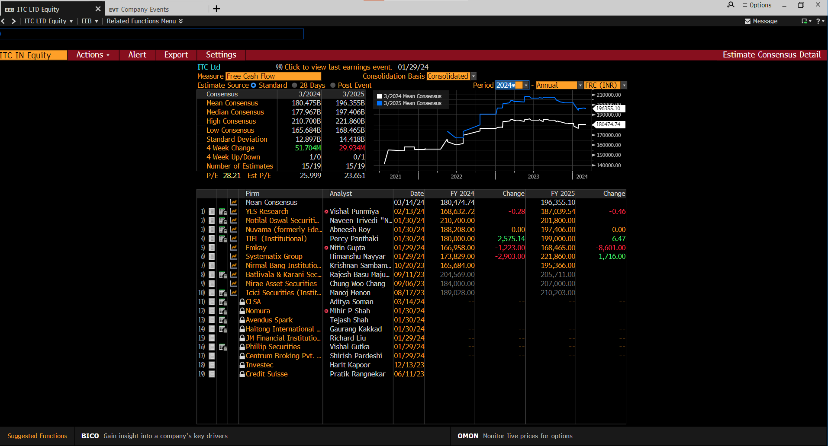
Defered tax | Same as previous years
Deferred revenue, accrued expenses and other deferred NCL | Same as previous years
Other Non current assets | Same as previous years
Short term borrowings | as % of sales | 0.5% | 0.5% | 0.5% | 0.5%

Source: Bloomberg

