C(2)
Microsoft 365 Excel Complete Story

Question: What does Excel do? |  | Answer: Calculations and Data Analysis!
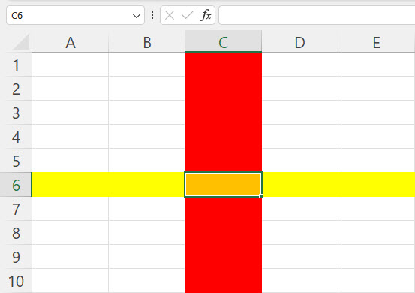

Video 2

 | 0

 |  |  | Microsoft 365 Excel

C(2-2)
Microsoft 365 Excel Complete Story

 Complete Introduction to Excel: Formulas & Functions PivotTables & Slicers Charts & Formatting

Video 2

 | 0

 |  | Microsoft 365 Excel

Topics


 | Topics: | New File 1/20/2023
1 | Calculations
2 | Excel Worksheet Formulas
3 | Excel's Golden Rule
4 | Excel Models to Solve a Problems
5 | Define Data Analysis
6 | Define Table
7 | PivotTable to create report
8 | Excel Chart to visualize data

Calcs
Most important ways to make calculations in Excel:
Worksheet Formulas |  |  |  | Calculations that usually work best with Worksheet Formulas:
PivotTable |  |  |  | Math, like adding, subtracting, multiplying, dividing, etc.
Power Query M Code Formulas |  |  |  | Academic Grading, like creating a gradebook
DAX Formulas in Power Pivot and Power BI Desktop |  |  |  | Budgets, like projected sales for next year
 |  |  |  | Accounting, like payroll calculations or inventory valuation
Calculation = |  |  |  | Finance, like value of an investment
Math, logical or data manipulation operation to create an answer. |  |  |  | Statistics, like mean, median, standard deviation and probability
 |  |  |  | Regression, like creating a predictive model
Excel Worksheet Formulas: |  |  |  | Analytics, like linear programming or simulation
All formulas have an equal sign ( = ) as first character in cell
Formulas can contains things such as |  |  |  | Formulas elements (things that can go into formulas):
 |  |  |  | Equal sign as first character in cell to create formula
 |  |  |  | Cell references and table references
Examples of Calculations: |  |  |  | Math operators: + - * / ^ ()
 |  |  |  | Numbers (if the number won't change like 12 for months in a year)
Goal 1: Calculate the deduction amount |  |  |  | Built-in functions (like SUM, ROUND, AVERAGE, TEXTBEFORE
 |  |  |  | Comparative operators: > < >= <= <>
Gross Pay | $2,154.75 |  |  | Join Symbol: & (Ampersand)
Tax Rate | 7.65% |  |  | Text in double quotes (like "Revenue" or ", ")
Deduction
 |  | Number Formula = delivers a number answer. |  |  |  | ** Notes for ROUND function are in next video
Goal 2: Extract First Name

Full Name | Chantel Mims |  |  |  |  | Entering References into formulas:
First Name |  |  |  |  |  | When Reference is close use Arrow Keys
 |  | Text Formula = delivers a text answer. |  |  |  | When Reference is not close use Mouse
Goal 3: Did Employee get bonus?
 |  |  |  | Number Formatting is Façade
Employee Sales | 1999.99 |  |  | Number Formatting displays numbers in a certain way without
Bonus Hurdle | 2000 |  |  | changing the underlying number. Formulas do not act on
Get Bonus? |  |  |  | Number Formatting: they act on underlying value.

 |  | Logical (Boolean) Formula = delivers a TRUE or FALSE.

Goal 4: Check whether the e-mail statement made is accurate. Build a model and follow Excel's Golden Rule.
E-mail read: 23 of the 30 students in the class passed the class with a 2.0 grade. This was more than the 80% who passed in the previous class.
New E-mail read: It was 25 of 30, not 23 of 30.

Excel’s Golden Rule: If an Excel solution input can change, put it into a cell, label it, and refer to it with a cell reference / table reference.
Excel Model: An Excel solution built to solve a problem, make calculations or perform data analysis that can be used more than 1 time.

Why Excel's Golden Rule?
1) It provides good documentation of the worksheet solution/model so it is easy to understand.
2) It makes it easy to update the solution/model later.
3) It reduces errors because you do not “Hard Coding” inputs into formulas.
Research has shown that a common error in spreadsheets is “Hard Coding”:
http://www.strategy-at-risk.com/2009/03/03/the-risk-of-spreadsheet-errors/

Next Video: Three ways to copy or spill formulas. Calculate tax for each sales amount, then add.

1) Single Input-Output Formulas |  | 2) Dynamic Spilled Array Formulas |  |  | 3) Excel Table Formulas

Tax Rate | 0.0975 | Tax Rate | 0.0975 |  | Tax Rate | 0.0975

Sales | Tax Amount | Sales | Tax Amount |  | Sales | Tax Amount
4.49 |  | 4.49 |  |  | 4.49
3.43 |  | 3.43 |  |  | 3.43
4.98 |  | 4.98 |  |  | 4.98
4.49 |  | 4.49 |  |  | 4.49
3.44 |  | 3.44 |  |  | 3.44
Total |  | Total |  |  | Total

Relative Cell Reference will move throughout copy action.
Absolute (Locked) Cell Reference does not move throughout copy action.
F4 key will toggle between different types of cell references.
Copy Formulas using the Fill Handle and your Cross Hair (Angry Rabbit) Cursor.

Dynamic Spilled Array Formulas are array formulas that deliver a spilled array to the worksheet as the final answer.
Dynamic Spilled Array formulas spill from the top cell and only live in the top cell.
If you spill a formula from cell F62, you refer to the spilled array with the spilled range operator #,
as in SUM(#F62) when you want to add the values.

Excel Table Formulas are formulas that use the table formula nomenclature, rather than cell references.
Excel Tables are dynamic because if you add rows or columns, anything pointing to table will update with new data.
Table formula nomenclature (References to Excel Table objects):
TaxTable = Excel Table Name
TaxTable[Tax Amount] = Field Name in an Excel Table
[@Tax Amount] = Relative Cell Reference

Calcs (an)
Most important ways to make calculations in Excel:
Worksheet Formulas |  |  |  | Calculations that usually work best with Worksheet Formulas:
PivotTable |  |  |  | Math, like adding, subtracting, multiplying, dividing, etc.
Power Query M Code Formulas |  |  |  | Academic Grading, like creating a gradebook
DAX Formulas in Power Pivot and Power BI Desktop |  |  |  | Budgets, like projected sales for next year
 |  |  |  | Accounting, like payroll calculations or inventory valuation
Calculation = |  |  |  | Finance, like value of an investment
Math, logical or data manipulation operation to create an answer. |  |  |  | Statistics, like mean, median, standard deviation and probability
 |  |  |  | Regression, like creating a predictive model
Excel Worksheet Formulas: |  |  |  | Analytics, like linear programming or simulation
All formulas have an equal sign ( = ) as first character in cell
Formulas can contains things such as |  |  |  | Formulas elements (things that can go into formulas):
 |  |  |  | Equal sign as first character in cell to create formula
 |  |  |  | Cell references and table references
Examples of Calculations: |  |  |  | Math operators: + - * / ^ ()
 |  |  |  | Numbers (if the number won't change like 12 for months in a year)
Goal 1: Calculate the deduction amount |  |  |  | Built-in functions (like SUM, ROUND, AVERAGE, TEXTBEFORE
 |  |  |  | Comparative operators: > < >= <= <>
Gross Pay | $2,154.75 |  |  | Join Symbol: & (Ampersand)
Tax Rate | 7.65% |  |  | Text in double quotes (like "Revenue" or ", ")
Deduction | $164.84 | =ROUND(C20*C21,2)
 |  | Number Formula = delivers a number answer. |  |  |  | ** Notes for ROUND function are in next video
Goal 2: Extract First Name

Full Name | Chantel Mims |  |  |  |  | Entering References into formulas:
First Name | Chantel | =TEXTBEFORE(C26," ",,,1) |  |  |  | When Reference is close use Arrow Keys
 | Chantel | Text Formula = delivers a text answer. |  |  |  | When Reference is not close use Mouse
Goal 3: Did Employee get bonus?
 |  |  |  | Number Formatting is Façade
Employee Sales | 1999.99 |  |  | Number Formatting displays numbers in a certain way without
Bonus Hurdle | 2000 |  |  | changing the underlying number. Formulas do not act on
Get Bonus? | FALSE | =C31>=C32 |  | Number Formatting: they act on underlying value.

 |  | Logical (Boolean) Formula = delivers a TRUE or FALSE.

Goal 4: Check whether the e-mail statement made is accurate. Build a model and follow Excel's Golden Rule.
E-mail read: 23 of the 30 students in the class passed the class with a 2.0 grade. This was more than the 80% who passed in the previous class.

Excel’s Golden Rule: If an Excel solution input can change, put it into a cell, label it, and refer to it with a cell reference / table reference.
Excel Model: An Excel solution built to solve a problem, make calculations or perform data analysis that can be used more than 1 time.

New E-mail read: It was 25 of 30, not 23 of 30.
# Students Passed (>=2.0) | 23 |  | Dynamic Spilled Array Formula
Total Students in Class | 30
% Passed in Last Class | 80.00%
% Passed This Class | 76.67% | =C46/C47 | =C46/C47 | Number Formula
% This Class > % Last Class | FALSE | =C49>C48 | =C49>C48 | Logical Formula

Why Excel's Golden Rule?
1) It provides good documentation of the worksheet solution/model so it is easy to understand.
2) It makes it easy to update the solution/model later.
3) It reduces errors because you do not “Hard Coding” inputs into formulas.
Research has shown that a common error in spreadsheets is “Hard Coding”:
http://www.strategy-at-risk.com/2009/03/03/the-risk-of-spreadsheet-errors/

Next Video: Three ways to copy or spill formulas. Calculate tax for each sales amount, then add.

1) Single Input-Output Formulas |  | 2) Dynamic Spilled Array Formulas |  |  | 3) Excel Table Formulas

Tax Rate | 0.0975 | Tax Rate | 0.0975 |  | Tax Rate | 0.0975

Sales | Tax Amount | Sales | Tax Amount |  | Sales | Tax Amount
4.49 |  | 4.49 |  |  | 4.49
3.43 |  | 3.43 |  |  | 3.43
4.98 |  | 4.98 |  |  | 4.98
4.49 |  | 4.49 |  |  | 4.49
3.44 |  | 3.44 |  |  | 3.44
Total |  | Total |  |  | Total

Relative Cell Reference will move throughout copy action.
Absolute (Locked) Cell Reference does not move throughout copy action.
F4 key will toggle between different types of cell references.
Copy Formulas using the Fill Handle and your Cross Hair (Angry Rabbit) Cursor.

Dynamic Spilled Array Formulas are array formulas that deliver a spilled array to the worksheet as the final answer.
Dynamic Spilled Array formulas spill from the top cell and only live in the top cell.
If you spill a formula from cell F62, you refer to the spilled array with the spilled range operator #,
as in SUM(#F62) when you want to add the values.

Excel Table Formulas are formulas that use the table formula nomenclature, rather than cell references.
Excel Tables are dynamic because if you add rows or columns, anything pointing to table will update with new data.
Table formula nomenclature (References to Excel Table objects):
TaxTable = Excel Table Name
TaxTable[Tax Amount] = Field Name in an Excel Table
[@Tax Amount] = Relative Cell Reference

Data Analysis
Data Analysis = Convert raw data into useful information to gain insight and make decisions.
Synonyms: Data Analytics, Analytics, Business Intelligence, Data Analysis
Goal: help make data-driven decisions, which tend to be more accurate & help to achieve goals more consistently
Examples:
1) Sales data in a table converted into a Monthly SalesRep Sales Report. What are top 3 sales amounts?
Q: If a bonus is given for the 3 biggest monthly sales amounts, who gets bonus? A: Chantel, Jo, Tyrone.
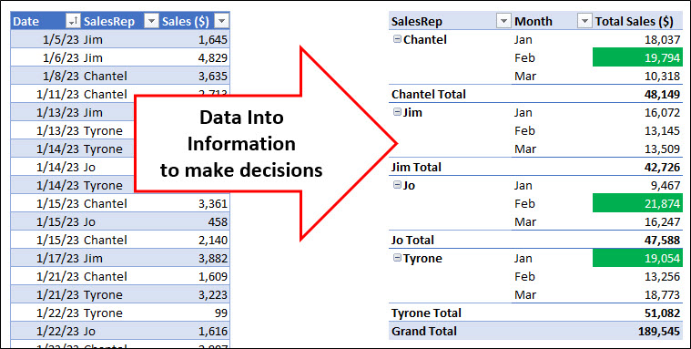

2) Sales data in a Table converted into a Monthly Sales Trends Chart. What is the trend?
Q: What were sales trends over last six months? A: Mostly up.
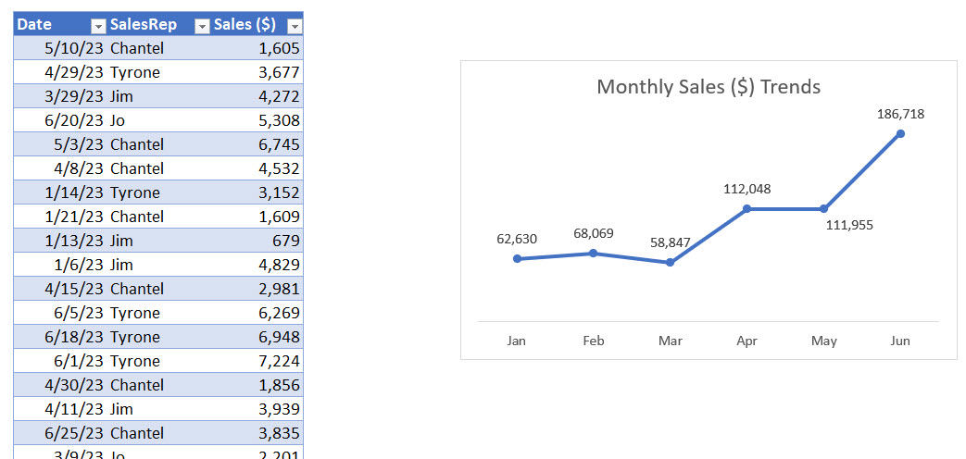
Data Into Information to gain insight

Raw Data = data stored in its smallest form in a cell

Not Raw Data:
Date, Person, Sales
01/05/2023, Jim, $1,645.01

Raw Data:
Date | Person | Sales
2023-01-05 | Jim | $1,645.01

Proper Data Set = Data Set = Table
Table is made up of:
Field = column in table
Field Name= name at top of field that describes what data goes into field
Record = one row in table

Table requirements in Excel:
1) Field names in first row
2) Records of related data in subsequent rows
3) Empty cells or Excel Row/Column Headers, all the way around table

Date | Person | Sales |  | Fields | Survey Data |  | Fields
2023-01-05 | Jim | 1,645 |  | Records | Yes |  | Records
2023-01-06 | Jim | 4,829 |  |  | Yes
2023-01-08 | Chantel | 3,635 |  |  | No
2023-01-11 | Chantel | 2,713 | . |  | Yes | .
2023-01-13 | Jim | 679 | . |  | No | .
2023-01-13 | Tyrone | 1,527 | . |  | No | .
2023-01-14 | Tyrone | 3,152 |  |  | No
2023-01-14 | Jo | 3,554 |  |  | Somewhat
2023-01-14 | Tyrone | 3,410 |  |  | Yes
2023-01-15 | Jo | 458 |  |  | Yes
2023-01-15 | Chantel | 2,140 |  |  | Yes
2023-01-15 | Chantel | 3,361 |  |  | Yes
2023-01-17 | Jim | 3,882 |  |  | Somewhat
2023-01-21 | Tyrone | 3,223 |  |  | No
2023-01-21 | Chantel | 1,609 |  |  | No
2023-01-22 | Tyrone | 99 |  |  | Yes
2023-01-22 | Jo | 1,616 |  |  | No
2023-01-23 | Chantel | 2,907 |  |  | No
2023-01-25 | Jim | 555 |  |  | No
2023-01-25 | Jim | 4,326 |  |  | No
2023-01-25 | Tyrone | 2,385 |  |  | No
2023-01-26 | Jim | 156 |  |  | No
2023-01-26 | Tyrone | 1,905 |  |  | No
2023-01-27 | Chantel | 883 |  |  | Yes
2023-01-29 | Jo | 3,839 |  |  | Yes
2023-01-30 | Tyrone | 3,354 |  |  | Yes
2023-01-30 | Chantel | 788 |  |  | Somewhat
2023-02-01 | Jo | 4,467 |  |  | Somewhat
2023-02-01 | Jim | 4,434 |  |  | Somewhat
2023-02-02 | Chantel | 2,066 |  |  | No
2023-02-02 | Jim | 1,970 |  |  | No
2023-02-03 | Chantel | 3,389 |  |  | No
2023-02-03 | Chantel | 1,797 |  |  | Yes
2023-02-03 | Jim | 1,635 |  |  | No
2023-02-05 | Jo | 1,776 |  |  | No
2023-02-07 | Jim | 67 |  |  | No
2023-02-07 | Tyrone | 1,855 |  |  | Yes
2023-02-07 | Jo | 1,363 |  |  | No
2023-02-08 | Chantel | 4,546 |  |  | No
2023-02-08 | Chantel | 1,818 |  |  | No
2023-02-08 | Jo | 1,451 |  |  | Yes
2023-02-09 | Tyrone | 4,711 |  |  | Somewhat
2023-02-12 | Tyrone | 1,483 |  |  | No
2023-02-12 | Jo | 2,322 |  |  | Somewhat
2023-02-13 | Jo | 1,562 |  |  | No
2023-02-14 | Jo | 1,576 |  |  | Yes
2023-02-14 | Tyrone | 4,510 |  |  | No
2023-02-15 | Jim | 4,298 |  |  | No
2023-02-16 | Jim | 740 |  |  | Somewhat
2023-02-16 | Chantel | 43 |  |  | No
2023-02-22 | Chantel | 3,195 |  |  | Somewhat
2023-02-22 | Jo | 554 |  |  | Somewhat
2023-02-23 | Jo | 4,064 |  |  | No
2023-02-24 | Tyrone | 698 |  |  | No
2023-02-25 | Jo | 2,739 |  |  | No
2023-02-25 | Chantel | 2,938 |  |  | No
2023-03-01 | Tyrone | 4,690 |  |  | No
2023-03-02 | Jim | 1,778 |  |  | Somewhat
2023-03-05 | Tyrone | 4,294 |  |  | Yes
2023-03-08 | Jim | 3,710 |  |  | Somewhat
2023-03-09 | Jo | 2,201 |  |  | Somewhat
2023-03-12 | Jo | 4,752 |  |  | No
2023-03-12 | Chantel | 4,411 |  |  | Somewhat
2023-03-13 | Tyrone | 3,171 |  |  | No
2023-03-14 | Chantel | 2,540 |  |  | Somewhat
2023-03-15 | Jim | 2,026 |  |  | No
2023-03-16 | Tyrone | 494 |  |  | No
2023-03-16 | Chantel | 3,367 |  |  | No
2023-03-19 | Jo | 4,499 |  |  | No
2023-03-24 | Jim | 1,724 |  |  | No
2023-03-26 | Tyrone | 3,263 |  |  | Yes
2023-03-27 | Tyrone | 2,860 |  |  | Somewhat
2023-03-28 | Jo | 2,220 |  |  | Yes
2023-03-29 | Jo | 2,574 |  |  | Somewhat
2023-03-29 | Jim | 4,272 |  |  | No
 |  |  |  |  | No
 |  |  |  |  | Yes
 |  |  |  |  | Yes
 |  |  |  |  | No
 |  |  |  |  | No
 |  |  |  |  | Yes
 |  |  |  |  | Yes
 |  |  |  |  | No
 |  |  |  |  | Yes
 |  |  |  |  | No
 |  |  |  |  | Yes
 |  |  |  |  | No
 |  |  |  |  | Yes
 |  |  |  |  | No
 |  |  |  |  | No
 |  |  |  |  | Yes
 |  |  |  |  | Somewhat
 |  |  |  |  | No
 |  |  |  |  | Yes
 |  |  |  |  | Yes
 |  |  |  |  | Yes
 |  |  |  |  | Somewhat
 |  |  |  |  | Somewhat
 |  |  |  |  | No
 |  |  |  |  | No
 |  |  |  |  | No
 |  |  |  |  | No
 |  |  |  |  | Yes
 |  |  |  |  | Yes
 |  |  |  |  | Somewhat
 |  |  |  |  | No
 |  |  |  |  | No
 |  |  |  |  | Somewhat
 |  |  |  |  | Yes
 |  |  |  |  | No
 |  |  |  |  | No
 |  |  |  |  | Somewhat
 |  |  |  |  | Yes
 |  |  |  |  | Yes
 |  |  |  |  | No
 |  |  |  |  | No
 |  |  |  |  | No
 |  |  |  |  | No
 |  |  |  |  | No
 |  |  |  |  | Somewhat
 |  |  |  |  | Yes
 |  |  |  |  | Yes
 |  |  |  |  | No
 |  |  |  |  | No
 |  |  |  |  | No
 |  |  |  |  | Somewhat
 |  |  |  |  | Yes
 |  |  |  |  | Somewhat
 |  |  |  |  | No
 |  |  |  |  | Yes
 |  |  |  |  | No
 |  |  |  |  | Somewhat
 |  |  |  |  | Yes
 |  |  |  |  | Yes
 |  |  |  |  | Yes
 |  |  |  |  | No
 |  |  |  |  | Yes
 |  |  |  |  | Somewhat
 |  |  |  |  | No
 |  |  |  |  | Somewhat
 |  |  |  |  | Yes
 |  |  |  |  | Somewhat
 |  |  |  |  | No
 |  |  |  |  | Somewhat
 |  |  |  |  | Yes
 |  |  |  |  | No
 |  |  |  |  | No
 |  |  |  |  | No
 |  |  |  |  | Somewhat
 |  |  |  |  | Yes
 |  |  |  |  | No
 |  |  |  |  | No
 |  |  |  |  | Somewhat
 |  |  |  |  | Yes
 |  |  |  |  | Somewhat
 |  |  |  |  | Yes
 |  |  |  |  | No
 |  |  |  |  | No
 |  |  |  |  | Somewhat

DATools
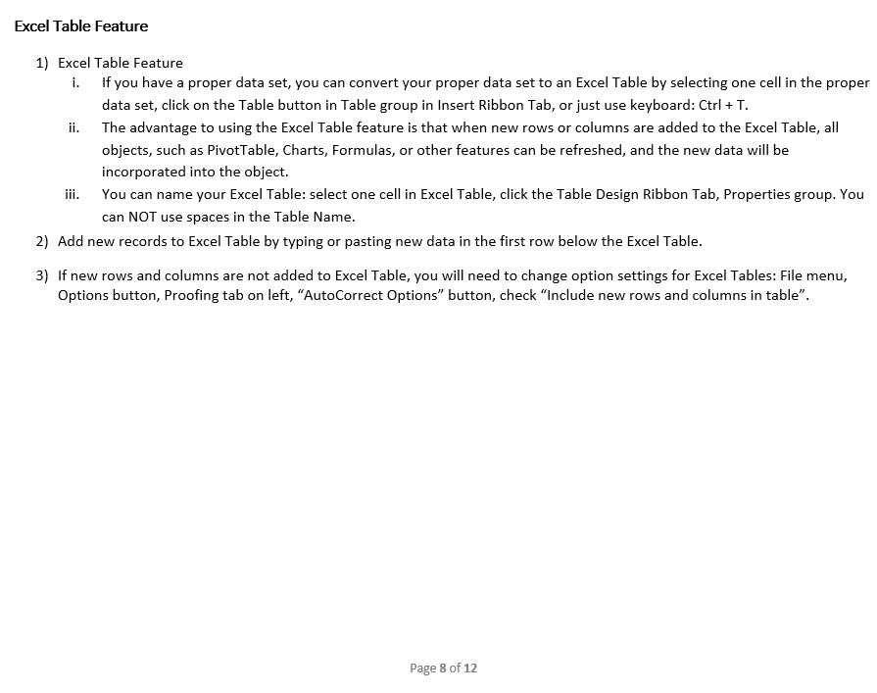
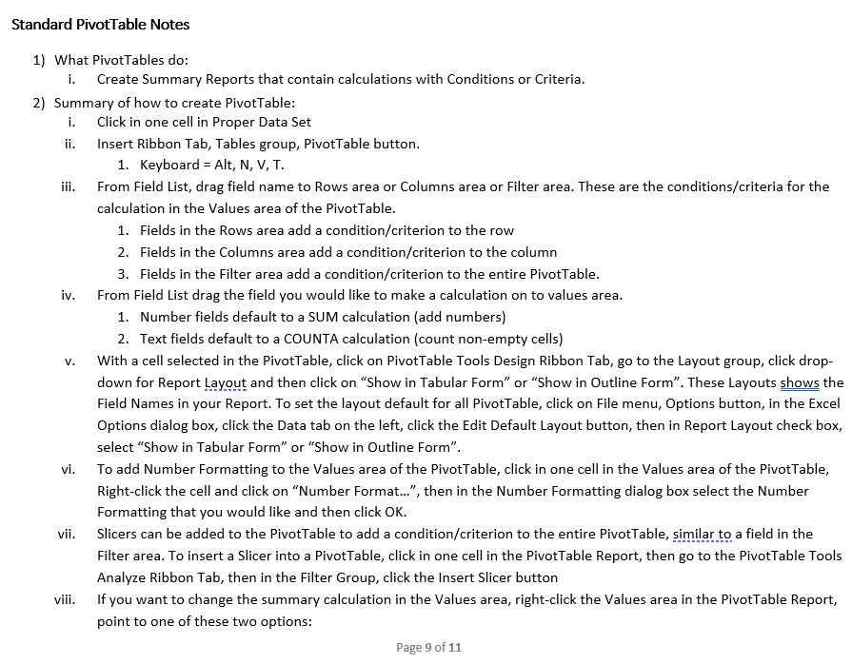
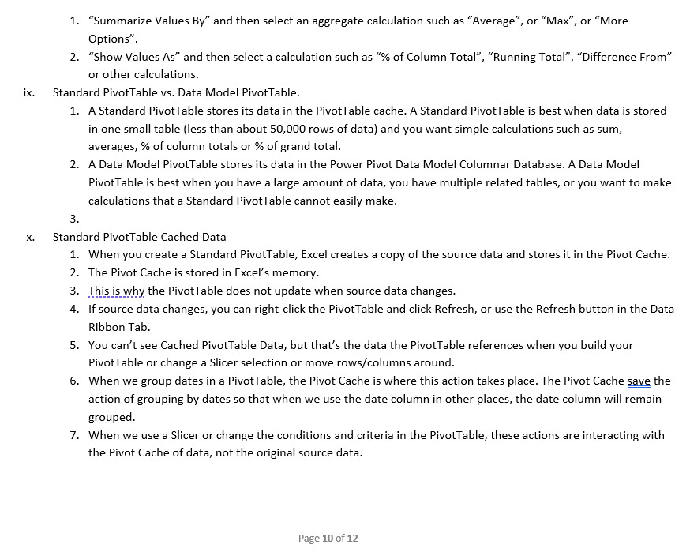
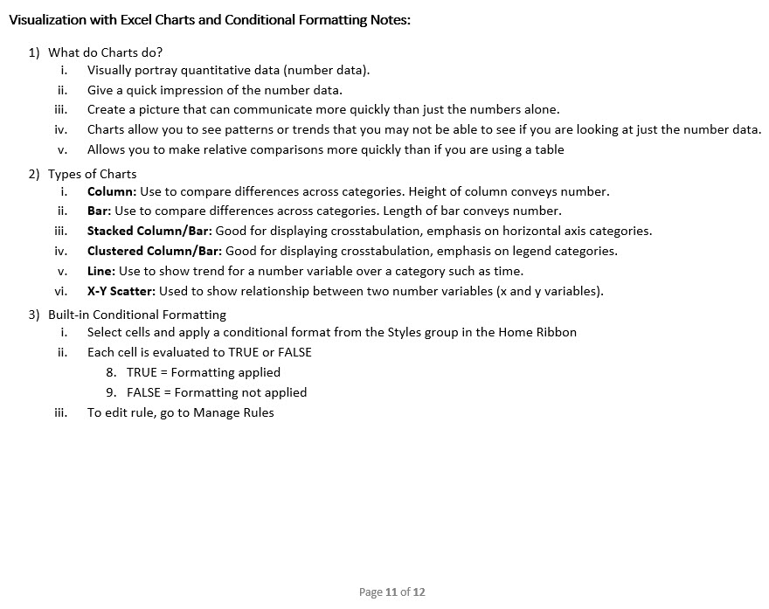
Some of the Data Analysis Tools in Excel:
Excel Table feature = Convert proper data sets to a Table Object that can expand and contract and auto fill formulas.
Sort = Sort data A-Z (Ascending) or Z-A (Descending).
Filter = Show or extract records based on conditions, criteria and logical tests.
PivotTable = Drag and drop summary report tool that makes calculations based on conditions, criteria and logical tests.
Excel Charts = Visualize data with charts and graphs.
Conditional Formatting = Visualize data based on conditions, criteria and logical tests
Worksheet formulas = To create helper fields (like with XLOOKUP function) or make conditional calculations (like with SUMIFS or COUNTIFS functions) or create full reports (like with LET, SUMIFS, HSTACK or VSTACK functions).
Flash Fill = One-time data cleaning tool
Power Query = Import data into worksheet, PivotTable or Data Model. Clean & transform data, tables and other related data objects.
Relationships = Creates relationships between tables (Substitute for XLOOKUP). Method of creating related tables to make PivotTable reporting more efficient.
Power Pivot Data Model and Data Model PivotTable = Used when you need Excel worksheet reports and visualizations and you have large data (about 50,000 rows or more), calculations that are hard to do with a PivotTable, or you have related tables of data.
Power BI Desktop and Data Model Visualizations = Used when you need Power BI reports and visualizations (more varied than in Excel) or you want to publish and share data analysis results online.
Power BI Online = share data analysis results online.

Notes about Tools in This Video:

DAExample
 |  |  |  |  |  |  |  | 2,066.43 + 1,797.46 + 3,389.24 + 1,818.23 + 4,546.43 + 43.43 + 3,194.89 + 2,938.14 = 19,794.25
Goal 1: Create monthly sales rep report |  |  | Chart Title: | Company Monthly Sales ($) Trends
Goal 2: Visualize trends in month sales

Date | SalesRep | Sales ($)
01/05/2023 | Jim | 1645.01
01/06/2023 | Jim | 4828.54
01/08/2023 | Chantel | 3634.56
01/11/2023 | Chantel | 2713.46
01/13/2023 | Jim | 679.07
01/13/2023 | Tyrone | 1526.73
01/14/2023 | Tyrone | 3151.76
01/14/2023 | Jo | 3554.02
01/14/2023 | Tyrone | 3409.51
01/15/2023 | Chantel | 3361.29
01/15/2023 | Jo | 458.09
01/15/2023 | Chantel | 2140.04
01/17/2023 | Jim | 3882.28
01/21/2023 | Chantel | 1608.7
01/21/2023 | Tyrone | 3223.12
01/22/2023 | Tyrone | 98.57
01/22/2023 | Jo | 1616.32
01/23/2023 | Chantel | 2907.42
01/25/2023 | Tyrone | 2384.97
01/25/2023 | Jim | 4326.08
01/25/2023 | Jim | 554.62
01/26/2023 | Tyrone | 1904.62
01/26/2023 | Jim | 156.34
01/27/2023 | Chantel | 883.34
01/29/2023 | Jo | 3838.87
01/30/2023 | Chantel | 787.87
01/30/2023 | Tyrone | 3354.4
02/01/2023 | Jo | 4467.02
02/01/2023 | Jim | 4434.06
02/02/2023 | Jim | 1970.14
02/02/2023 | Chantel | 2066.43
02/03/2023 | Chantel | 1797.46
02/03/2023 | Jim | 1635.13
02/03/2023 | Chantel | 3389.24
02/05/2023 | Jo | 1775.61
02/07/2023 | Jim | 67.38
02/07/2023 | Jo | 1363.2
02/07/2023 | Tyrone | 1854.64
02/08/2023 | Jo | 1450.63
02/08/2023 | Chantel | 1818.23
02/08/2023 | Chantel | 4546.43
02/09/2023 | Tyrone | 4710.52
02/12/2023 | Tyrone | 1482.88
02/12/2023 | Jo | 2322.23
02/13/2023 | Jo | 1561.53
02/14/2023 | Tyrone | 4510.13
02/14/2023 | Jo | 1576.29
02/15/2023 | Jim | 4297.68
02/16/2023 | Chantel | 43.43
02/16/2023 | Jim | 740.43
02/22/2023 | Jo | 554.48
02/22/2023 | Chantel | 3194.89
02/23/2023 | Jo | 4063.91
02/24/2023 | Tyrone | 697.75
02/25/2023 | Chantel | 2938.14
02/25/2023 | Jo | 2738.8
03/01/2023 | Tyrone | 4690.49
03/02/2023 | Jim | 1777.52
03/05/2023 | Tyrone | 4294.17
03/08/2023 | Jim | 3709.57
03/09/2023 | Jo | 2200.53
03/12/2023 | Chantel | 4410.61
03/12/2023 | Jo | 4752.48
03/13/2023 | Tyrone | 3170.86
03/14/2023 | Chantel | 2539.84
03/15/2023 | Jim | 2026.19
03/16/2023 | Chantel | 3367.39
03/16/2023 | Tyrone | 494.38
03/19/2023 | Jo | 4499.43
03/24/2023 | Jim | 1723.54
03/26/2023 | Tyrone | 3263.26
03/27/2023 | Tyrone | 2859.62
03/28/2023 | Jo | 2220.35
03/29/2023 | Jim | 4272.4
03/29/2023 | Jo | 2574.33
 |  |  |  |  | 2023-04-01 | Jo | 5,229
 |  |  |  |  | 2023-04-01 | Chantel | 4,151
 |  |  |  |  | 2023-04-02 | Chantel | 4,214
 |  |  |  |  | 2023-04-03 | Jo | 1,617
 |  |  |  |  | 2023-04-04 | Jim | 2,321
 |  |  |  |  | 2023-04-06 | Tyrone | 4,672
 |  |  |  |  | 2023-04-06 | Chantel | 3,164
 |  |  |  |  | 2023-04-07 | Tyrone | 3,545
 |  |  |  |  | 2023-04-08 | Chantel | 4,532
 |  |  |  |  | 2023-04-09 | Jim | 2,322
 |  |  |  |  | 2023-04-11 | Jim | 3,939
 |  |  |  |  | 2023-04-15 | Chantel | 2,981
 |  |  |  |  | 2023-04-16 | Jo | 3,062
 |  |  |  |  | 2023-04-17 | Jo | 6,239
 |  |  |  |  | 2023-04-18 | Chantel | 2,907
 |  |  |  |  | 2023-04-19 | Jo | 5,813
 |  |  |  |  | 2023-04-20 | Jim | 6,139
 |  |  |  |  | 2023-04-20 | Chantel | 2,249
 |  |  |  |  | 2023-04-20 | Chantel | 4,344
 |  |  |  |  | 2023-04-22 | Tyrone | 4,982
 |  |  |  |  | 2023-04-25 | Jo | 3,066
 |  |  |  |  | 2023-04-25 | Chantel | 2,926
 |  |  |  |  | 2023-04-28 | Jim | 3,361
 |  |  |  |  | 2023-04-29 | Tyrone | 6,476
 |  |  |  |  | 2023-04-29 | Tyrone | 3,677
 |  |  |  |  | 2023-04-29 | Tyrone | 1,382
 |  |  |  |  | 2023-04-29 | Chantel | 6,206
 |  |  |  |  | 2023-04-30 | Jim | 4,677
 |  |  |  |  | 2023-04-30 | Chantel | 1,856
 |  |  |  |  | 2023-05-03 | Tyrone | 3,621
 |  |  |  |  | 2023-05-03 | Chantel | 6,745
 |  |  |  |  | 2023-05-03 | Jo | 2,483
 |  |  |  |  | 2023-05-04 | Chantel | 6,701
 |  |  |  |  | 2023-05-09 | Jim | 5,295
 |  |  |  |  | 2023-05-09 | Jo | 3,161
 |  |  |  |  | 2023-05-10 | Chantel | 1,605
 |  |  |  |  | 2023-05-10 | Tyrone | 6,774
 |  |  |  |  | 2023-05-10 | Jo | 3,642
 |  |  |  |  | 2023-05-11 | Tyrone | 2,728
 |  |  |  |  | 2023-05-12 | Tyrone | 5,204
 |  |  |  |  | 2023-05-13 | Jim | 4,230
 |  |  |  |  | 2023-05-17 | Chantel | 4,971
 |  |  |  |  | 2023-05-18 | Tyrone | 4,894
 |  |  |  |  | 2023-05-22 | Tyrone | 4,069
 |  |  |  |  | 2023-05-23 | Jo | 6,305
 |  |  |  |  | 2023-05-23 | Jim | 1,535
 |  |  |  |  | 2023-05-24 | Jim | 6,196
 |  |  |  |  | 2023-05-25 | Jo | 3,860
 |  |  |  |  | 2023-05-26 | Jo | 2,175
 |  |  |  |  | 2023-05-26 | Jo | 6,436
 |  |  |  |  | 2023-05-27 | Jim | 3,184
 |  |  |  |  | 2023-05-28 | Jo | 1,336
 |  |  |  |  | 2023-05-28 | Jim | 4,128
 |  |  |  |  | 2023-05-29 | Jo | 6,973
 |  |  |  |  | 2023-05-30 | Jo | 2,386
 |  |  |  |  | 2023-05-31 | Tyrone | 1,318
 |  |  |  |  | 2023-06-01 | Tyrone | 7,224
 |  |  |  |  | 2023-06-02 | Jim | 7,674
 |  |  |  |  | 2023-06-02 | Jo | 4,695
 |  |  |  |  | 2023-06-03 | Tyrone | 5,522
 |  |  |  |  | 2023-06-04 | Jim | 4,431
 |  |  |  |  | 2023-06-05 | Tyrone | 6,269
 |  |  |  |  | 2023-06-05 | Jo | 6,099
 |  |  |  |  | 2023-06-05 | Tyrone | 6,523
 |  |  |  |  | 2023-06-07 | Jim | 5,528
 |  |  |  |  | 2023-06-07 | Jim | 4,519
 |  |  |  |  | 2023-06-08 | Chantel | 7,012
 |  |  |  |  | 2023-06-08 | Jim | 6,647
 |  |  |  |  | 2023-06-08 | Chantel | 5,210
 |  |  |  |  | 2023-06-09 | Tyrone | 3,831
 |  |  |  |  | 2023-06-09 | Chantel | 4,556
 |  |  |  |  | 2023-06-09 | Chantel | 4,665
 |  |  |  |  | 2023-06-10 | Tyrone | 5,006
 |  |  |  |  | 2023-06-12 | Tyrone | 6,344
 |  |  |  |  | 2023-06-12 | Jim | 6,083
 |  |  |  |  | 2023-06-14 | Chantel | 4,217
 |  |  |  |  | 2023-06-16 | Jo | 7,645
 |  |  |  |  | 2023-06-16 | Chantel | 7,362
 |  |  |  |  | 2023-06-16 | Jim | 4,198
 |  |  |  |  | 2023-06-17 | Tyrone | 7,737
 |  |  |  |  | 2023-06-18 | Tyrone | 6,948
 |  |  |  |  | 2023-06-20 | Chantel | 5,736
 |  |  |  |  | 2023-06-20 | Jo | 5,308
 |  |  |  |  | 2023-06-20 | Jo | 5,535
 |  |  |  |  | 2023-06-23 | Jim | 6,855
 |  |  |  |  | 2023-06-23 | Jim | 5,276
 |  |  |  |  | 2023-06-25 | Tyrone | 4,064
 |  |  |  |  | 2023-06-25 | Chantel | 3,835
 |  |  |  |  | 2023-06-26 | Jo | 4,164

Monthly Sales ($) Trends
 | Series1
Jan | 62629.6
Feb | 68068.69
Mar | 58846.96
Apr | 112047.83
May | 111955.33
Jun | 186718.56

DAExample (an)
 |  |  |  |  |  |  |  |  |  |  | 2,066.43 + 1,797.46 + 3,389.24 + 1,818.23 + 4,546.43 + 43.43 + 3,194.89 + 2,938.14 = 19,794.25
Goal 1: Create monthly sales rep report |  |  |  |  |  | Chart Title: | Company Monthly Sales ($) Trends
Goal 2: Visualize trends in month sales

Date | SalesRep | Sales ($) | SalesRep | Months | Sum of Sales ($) | Months | Sum of Sales ($)
01/05/2023 | Jim | 1645.01 | Chantel | Jan | 18,036.68 | Jan | 62,629.60
01/06/2023 | Jim | 4828.54 |  | Feb | 19,794.25 | Feb | 68,068.69
01/08/2023 | Chantel | 3634.56 |  | Mar | 10,317.84 | Mar | 58,846.96
01/11/2023 | Chantel | 2713.46 |  | Apr | 39,529.88 | Apr | 112,047.83
01/13/2023 | Jim | 679.07 |  | May | 20,023.19 | May | 111,955.33
01/13/2023 | Tyrone | 1526.73 |  | Jun | 42,592.27 | Jun | 186,718.15
01/14/2023 | Tyrone | 3151.76 | Chantel Total |  | 150,294.11 | Grand Total | 600,266.56
01/14/2023 | Jo | 3554.02 | Jim | Jan | 16,071.94
01/14/2023 | Tyrone | 3409.51 |  | Feb | 13,144.82
Company Monthly Sales ($) Trends
01/15/2023 | Chantel | 3361.29 |  | Mar | 13,509.22
01/15/2023 | Jo | 458.09 |  | Apr | 22,758.20
01/15/2023 | Chantel | 2140.04 |  | May | 24,567.18
01/17/2023 | Jim | 3882.28 |  | Jun | 51,211.06
01/21/2023 | Chantel | 1608.7 | Jim Total |  | 141,262.42
01/21/2023 | Tyrone | 3223.12 | Jo | Jan | 9,467.30
01/22/2023 | Tyrone | 98.57 |  | Feb | 21,873.70
01/22/2023 | Jo | 1616.32 |  | Mar | 16,247.12
01/23/2023 | Chantel | 2907.42 |  | Apr | 25,026.29
01/25/2023 | Tyrone | 2384.97 |  | May | 38,757.67
01/25/2023 | Jim | 4326.08 |  | Jun | 33,445.38
01/25/2023 | Jim | 554.62 | Jo Total |  | 144,817.46
01/26/2023 | Tyrone | 1904.62 | Tyrone | Jan | 19,053.68
01/26/2023 | Jim | 156.34 |  | Feb | 13,255.92
01/27/2023 | Chantel | 883.34 |  | Mar | 18,772.78
01/29/2023 | Jo | 3838.87 |  | Apr | 24,733.46
01/30/2023 | Chantel | 787.87 |  | May | 28,607.29
01/30/2023 | Tyrone | 3354.4 |  | Jun | 59,469.44
02/01/2023 | Jo | 4467.02 | Tyrone Total |  | 163,892.57
02/01/2023 | Jim | 4434.06 | Grand Total |  | 600,266.56
02/02/2023 | Jim | 1970.14
02/02/2023 | Chantel | 2066.43
02/03/2023 | Chantel | 1797.46
02/03/2023 | Jim | 1635.13
02/03/2023 | Chantel | 3389.24
02/05/2023 | Jo | 1775.61
02/07/2023 | Jim | 67.38
02/07/2023 | Jo | 1363.2
02/07/2023 | Tyrone | 1854.64
02/08/2023 | Jo | 1450.63
02/08/2023 | Chantel | 1818.23
02/08/2023 | Chantel | 4546.43
02/09/2023 | Tyrone | 4710.52
02/12/2023 | Tyrone | 1482.88
02/12/2023 | Jo | 2322.23
02/13/2023 | Jo | 1561.53
02/14/2023 | Tyrone | 4510.13
02/14/2023 | Jo | 1576.29
02/15/2023 | Jim | 4297.68
02/16/2023 | Chantel | 43.43
02/16/2023 | Jim | 740.43
02/22/2023 | Jo | 554.48
02/22/2023 | Chantel | 3194.89
02/23/2023 | Jo | 4063.91
02/24/2023 | Tyrone | 697.75
02/25/2023 | Chantel | 2938.14
02/25/2023 | Jo | 2738.8
03/01/2023 | Tyrone | 4690.49
03/02/2023 | Jim | 1777.52
03/05/2023 | Tyrone | 4294.17
03/08/2023 | Jim | 3709.57
03/09/2023 | Jo | 2200.53
03/12/2023 | Chantel | 4410.61
03/12/2023 | Jo | 4752.48
03/13/2023 | Tyrone | 3170.86
03/14/2023 | Chantel | 2539.84
03/15/2023 | Jim | 2026.19
03/16/2023 | Chantel | 3367.39
03/16/2023 | Tyrone | 494.38
03/19/2023 | Jo | 4499.43
03/24/2023 | Jim | 1723.54
03/26/2023 | Tyrone | 3263.26
03/27/2023 | Tyrone | 2859.62
03/28/2023 | Jo | 2220.35
03/29/2023 | Jim | 4272.4
03/29/2023 | Jo | 2574.33
04/01/2023 | Jo | 5,229 |  |  |  |  |  | 2023-04-01 | Jo | 5,229
04/01/2023 | Chantel | 4,151 |  |  |  |  |  | 2023-04-01 | Chantel | 4,151
04/02/2023 | Chantel | 4,214 |  |  |  |  |  | 2023-04-02 | Chantel | 4,214
04/03/2023 | Jo | 1,617 |  |  |  |  |  | 2023-04-03 | Jo | 1,617
04/04/2023 | Jim | 2,321 |  |  |  |  |  | 2023-04-04 | Jim | 2,321
04/06/2023 | Tyrone | 4,672 |  |  |  |  |  | 2023-04-06 | Tyrone | 4,672
04/06/2023 | Chantel | 3,164 |  |  |  |  |  | 2023-04-06 | Chantel | 3,164
04/07/2023 | Tyrone | 3,545 |  |  |  |  |  | 2023-04-07 | Tyrone | 3,545
04/08/2023 | Chantel | 4,532 |  |  |  |  |  | 2023-04-08 | Chantel | 4,532
04/09/2023 | Jim | 2,322 |  |  |  |  |  | 2023-04-09 | Jim | 2,322
04/11/2023 | Jim | 3,939 |  |  |  |  |  | 2023-04-11 | Jim | 3,939
04/15/2023 | Chantel | 2,981 |  |  |  |  |  | 2023-04-15 | Chantel | 2,981
04/16/2023 | Jo | 3,062 |  |  |  |  |  | 2023-04-16 | Jo | 3,062
04/17/2023 | Jo | 6,239 |  |  |  |  |  | 2023-04-17 | Jo | 6,239
04/18/2023 | Chantel | 2,907 |  |  |  |  |  | 2023-04-18 | Chantel | 2,907
04/19/2023 | Jo | 5,813 |  |  |  |  |  | 2023-04-19 | Jo | 5,813
04/20/2023 | Jim | 6,139 |  |  |  |  |  | 2023-04-20 | Jim | 6,139
04/20/2023 | Chantel | 2,249 |  |  |  |  |  | 2023-04-20 | Chantel | 2,249
04/20/2023 | Chantel | 4,344 |  |  |  |  |  | 2023-04-20 | Chantel | 4,344
04/22/2023 | Tyrone | 4,982 |  |  |  |  |  | 2023-04-22 | Tyrone | 4,982
04/25/2023 | Jo | 3,066 |  |  |  |  |  | 2023-04-25 | Jo | 3,066
04/25/2023 | Chantel | 2,926 |  |  |  |  |  | 2023-04-25 | Chantel | 2,926
04/28/2023 | Jim | 3,361 |  |  |  |  |  | 2023-04-28 | Jim | 3,361
04/29/2023 | Tyrone | 6,476 |  |  |  |  |  | 2023-04-29 | Tyrone | 6,476
04/29/2023 | Tyrone | 3,677 |  |  |  |  |  | 2023-04-29 | Tyrone | 3,677
04/29/2023 | Tyrone | 1,382 |  |  |  |  |  | 2023-04-29 | Tyrone | 1,382
04/29/2023 | Chantel | 6,206 |  |  |  |  |  | 2023-04-29 | Chantel | 6,206
04/30/2023 | Jim | 4,677 |  |  |  |  |  | 2023-04-30 | Jim | 4,677
04/30/2023 | Chantel | 1,856 |  |  |  |  |  | 2023-04-30 | Chantel | 1,856
05/03/2023 | Tyrone | 3,621 |  |  |  |  |  | 2023-05-03 | Tyrone | 3,621
05/03/2023 | Chantel | 6,745 |  |  |  |  |  | 2023-05-03 | Chantel | 6,745
05/03/2023 | Jo | 2,483 |  |  |  |  |  | 2023-05-03 | Jo | 2,483
05/04/2023 | Chantel | 6,701 |  |  |  |  |  | 2023-05-04 | Chantel | 6,701
05/09/2023 | Jim | 5,295 |  |  |  |  |  | 2023-05-09 | Jim | 5,295
05/09/2023 | Jo | 3,161 |  |  |  |  |  | 2023-05-09 | Jo | 3,161
05/10/2023 | Chantel | 1,605 |  |  |  |  |  | 2023-05-10 | Chantel | 1,605
05/10/2023 | Tyrone | 6,774 |  |  |  |  |  | 2023-05-10 | Tyrone | 6,774
05/10/2023 | Jo | 3,642 |  |  |  |  |  | 2023-05-10 | Jo | 3,642
05/11/2023 | Tyrone | 2,728 |  |  |  |  |  | 2023-05-11 | Tyrone | 2,728
05/12/2023 | Tyrone | 5,204 |  |  |  |  |  | 2023-05-12 | Tyrone | 5,204
05/13/2023 | Jim | 4,230 |  |  |  |  |  | 2023-05-13 | Jim | 4,230
05/17/2023 | Chantel | 4,971 |  |  |  |  |  | 2023-05-17 | Chantel | 4,971
05/18/2023 | Tyrone | 4,894 |  |  |  |  |  | 2023-05-18 | Tyrone | 4,894
05/22/2023 | Tyrone | 4,069 |  |  |  |  |  | 2023-05-22 | Tyrone | 4,069
05/23/2023 | Jo | 6,305 |  |  |  |  |  | 2023-05-23 | Jo | 6,305
05/23/2023 | Jim | 1,535 |  |  |  |  |  | 2023-05-23 | Jim | 1,535
05/24/2023 | Jim | 6,196 |  |  |  |  |  | 2023-05-24 | Jim | 6,196
05/25/2023 | Jo | 3,860 |  |  |  |  |  | 2023-05-25 | Jo | 3,860
05/26/2023 | Jo | 2,175 |  |  |  |  |  | 2023-05-26 | Jo | 2,175
05/26/2023 | Jo | 6,436 |  |  |  |  |  | 2023-05-26 | Jo | 6,436
05/27/2023 | Jim | 3,184 |  |  |  |  |  | 2023-05-27 | Jim | 3,184
05/28/2023 | Jo | 1,336 |  |  |  |  |  | 2023-05-28 | Jo | 1,336
05/28/2023 | Jim | 4,128 |  |  |  |  |  | 2023-05-28 | Jim | 4,128
05/29/2023 | Jo | 6,973 |  |  |  |  |  | 2023-05-29 | Jo | 6,973
05/30/2023 | Jo | 2,386 |  |  |  |  |  | 2023-05-30 | Jo | 2,386
05/31/2023 | Tyrone | 1,318 |  |  |  |  |  | 2023-05-31 | Tyrone | 1,318
06/01/2023 | Tyrone | 7,224 |  |  |  |  |  | 2023-06-01 | Tyrone | 7,224
06/02/2023 | Jim | 7,674 |  |  |  |  |  | 2023-06-02 | Jim | 7,674
06/02/2023 | Jo | 4,695 |  |  |  |  |  | 2023-06-02 | Jo | 4,695
06/03/2023 | Tyrone | 5,522 |  |  |  |  |  | 2023-06-03 | Tyrone | 5,522
06/04/2023 | Jim | 4,431 |  |  |  |  |  | 2023-06-04 | Jim | 4,431
06/05/2023 | Tyrone | 6,269 |  |  |  |  |  | 2023-06-05 | Tyrone | 6,269
06/05/2023 | Jo | 6,099 |  |  |  |  |  | 2023-06-05 | Jo | 6,099
06/05/2023 | Tyrone | 6,523 |  |  |  |  |  | 2023-06-05 | Tyrone | 6,523
06/07/2023 | Jim | 5,528 |  |  |  |  |  | 2023-06-07 | Jim | 5,528
06/07/2023 | Jim | 4,519 |  |  |  |  |  | 2023-06-07 | Jim | 4,519
06/08/2023 | Chantel | 7,012 |  |  |  |  |  | 2023-06-08 | Chantel | 7,012
06/08/2023 | Jim | 6,647 |  |  |  |  |  | 2023-06-08 | Jim | 6,647
06/08/2023 | Chantel | 5,210 |  |  |  |  |  | 2023-06-08 | Chantel | 5,210
06/09/2023 | Tyrone | 3,831 |  |  |  |  |  | 2023-06-09 | Tyrone | 3,831
06/09/2023 | Chantel | 4,556 |  |  |  |  |  | 2023-06-09 | Chantel | 4,556
06/09/2023 | Chantel | 4,665 |  |  |  |  |  | 2023-06-09 | Chantel | 4,665
06/10/2023 | Tyrone | 5,006 |  |  |  |  |  | 2023-06-10 | Tyrone | 5,006
06/12/2023 | Tyrone | 6,344 |  |  |  |  |  | 2023-06-12 | Tyrone | 6,344
06/12/2023 | Jim | 6,083 |  |  |  |  |  | 2023-06-12 | Jim | 6,083
06/14/2023 | Chantel | 4,217 |  |  |  |  |  | 2023-06-14 | Chantel | 4,217
06/16/2023 | Jo | 7,645 |  |  |  |  |  | 2023-06-16 | Jo | 7,645
06/16/2023 | Chantel | 7,362 |  |  |  |  |  | 2023-06-16 | Chantel | 7,362
06/16/2023 | Jim | 4,198 |  |  |  |  |  | 2023-06-16 | Jim | 4,198
06/17/2023 | Tyrone | 7,737 |  |  |  |  |  | 2023-06-17 | Tyrone | 7,737
06/18/2023 | Tyrone | 6,948 |  |  |  |  |  | 2023-06-18 | Tyrone | 6,948
06/20/2023 | Chantel | 5,736 |  |  |  |  |  | 2023-06-20 | Chantel | 5,736
06/20/2023 | Jo | 5,308 |  |  |  |  |  | 2023-06-20 | Jo | 5,308
06/20/2023 | Jo | 5,535 |  |  |  |  |  | 2023-06-20 | Jo | 5,535
06/23/2023 | Jim | 6,855 |  |  |  |  |  | 2023-06-23 | Jim | 6,855
06/23/2023 | Jim | 5,276 |  |  |  |  |  | 2023-06-23 | Jim | 5,276
06/25/2023 | Tyrone | 4,064 |  |  |  |  |  | 2023-06-25 | Tyrone | 4,064
06/25/2023 | Chantel | 3,835 |  |  |  |  |  | 2023-06-25 | Chantel | 3,835
06/26/2023 | Jo | 4,164 |  |  |  |  |  | 2023-06-26 | Jo | 4,164

Monthly Sales ($) Trends
 | Series1
Jan | 62629.6
Feb | 68068.69
Mar | 58846.96
Apr | 112047.83
May | 111955.33
Jun | 186718.56

HW(2)
 |  |  | 2,066.43 + 1,797.46 + 3,389.24 + 1,818.23 + 4,546.43 + 43.43 + 3,194.89 + 2,938.14 = 19,794.25
Goal 1: Create monthly report that counts the number of transactional sales each sales rep made (each record is a transactional sale).
Goal 2: Visualize trends in transactional counts by month.
To show a range of 10 - 35 in vertical count axis, select axis, use Ctrl + 1, then in the Task Pane set minimum value to 10.
Visualize the top five amounts for monthly sales rep sales transaction counts.
Accommodate the fact that new transactions might be added to the data set later.

Date | SalesRep | Sales ($)
01/05/2023 | Jim | 1645.01
01/06/2023 | Jim | 4828.54
01/08/2023 | Chantel | 3634.56
01/11/2023 | Chantel | 2713.46
01/13/2023 | Jim | 679.07
01/13/2023 | Tyrone | 1526.73
01/14/2023 | Tyrone | 3151.76
01/14/2023 | Jo | 3554.02
01/14/2023 | Tyrone | 3409.51
01/15/2023 | Chantel | 3361.29
01/15/2023 | Jo | 458.09
01/15/2023 | Chantel | 2140.04
01/17/2023 | Jim | 3882.28
01/21/2023 | Chantel | 1608.7
01/21/2023 | Tyrone | 3223.12
01/22/2023 | Tyrone | 98.57
01/22/2023 | Jo | 1616.32
01/23/2023 | Chantel | 2907.42
01/25/2023 | Tyrone | 2384.97
01/25/2023 | Jim | 4326.08
01/25/2023 | Jim | 554.62
01/26/2023 | Tyrone | 1904.62
01/26/2023 | Jim | 156.34
01/27/2023 | Chantel | 883.34
01/29/2023 | Jo | 3838.87
01/30/2023 | Chantel | 787.87
01/30/2023 | Tyrone | 3354.4
02/01/2023 | Jo | 4467.02
02/01/2023 | Jim | 4434.06
02/02/2023 | Jim | 1970.14
02/02/2023 | Chantel | 2066.43
02/03/2023 | Chantel | 1797.46
02/03/2023 | Jim | 1635.13
02/03/2023 | Chantel | 3389.24
02/05/2023 | Jo | 1775.61
02/07/2023 | Jim | 67.38
02/07/2023 | Jo | 1363.2
02/07/2023 | Tyrone | 1854.64
02/08/2023 | Jo | 1450.63
02/08/2023 | Chantel | 1818.23
02/08/2023 | Chantel | 4546.43
02/09/2023 | Tyrone | 4710.52
02/12/2023 | Tyrone | 1482.88
02/12/2023 | Jo | 2322.23
02/13/2023 | Jo | 1561.53
02/14/2023 | Tyrone | 4510.13
02/14/2023 | Jo | 1576.29
02/15/2023 | Jim | 4297.68
02/16/2023 | Chantel | 43.43
02/16/2023 | Jim | 740.43
02/22/2023 | Jo | 554.48
02/22/2023 | Chantel | 3194.89
02/23/2023 | Jo | 4063.91
02/24/2023 | Tyrone | 697.75
02/25/2023 | Chantel | 2938.14
02/25/2023 | Jo | 2738.8
03/01/2023 | Tyrone | 4690.49
03/02/2023 | Jim | 1777.52
03/05/2023 | Tyrone | 4294.17
03/08/2023 | Jim | 3709.57
03/09/2023 | Jo | 2200.53
03/12/2023 | Chantel | 4410.61
03/12/2023 | Jo | 4752.48
03/13/2023 | Tyrone | 3170.86
03/14/2023 | Chantel | 2539.84
03/15/2023 | Jim | 2026.19
03/16/2023 | Chantel | 3367.39
03/16/2023 | Tyrone | 494.38
03/19/2023 | Jo | 4499.43
03/24/2023 | Jim | 1723.54
03/26/2023 | Tyrone | 3263.26
03/27/2023 | Tyrone | 2859.62
03/28/2023 | Jo | 2220.35
03/29/2023 | Jim | 4272.4
03/29/2023 | Jo | 2574.33
04/01/2023 | Jo | 5,229
04/01/2023 | Chantel | 4,151
04/02/2023 | Chantel | 4,214
04/03/2023 | Jo | 1,617
04/04/2023 | Jim | 2,321
04/06/2023 | Tyrone | 4,672
04/06/2023 | Chantel | 3,164
04/07/2023 | Tyrone | 3,545
04/08/2023 | Chantel | 4,532
04/09/2023 | Jim | 2,322
04/11/2023 | Jim | 3,939
04/15/2023 | Chantel | 2,981
04/16/2023 | Jo | 3,062
04/17/2023 | Jo | 6,239
04/18/2023 | Chantel | 2,907
04/19/2023 | Jo | 5,813
04/20/2023 | Jim | 6,139
04/20/2023 | Chantel | 2,249
04/20/2023 | Chantel | 4,344
04/22/2023 | Tyrone | 4,982
04/25/2023 | Jo | 3,066
04/25/2023 | Chantel | 2,926
04/28/2023 | Jim | 3,361
04/29/2023 | Tyrone | 6,476
04/29/2023 | Tyrone | 3,677
04/29/2023 | Tyrone | 1,382
04/29/2023 | Chantel | 6,206
04/30/2023 | Jim | 4,677
04/30/2023 | Chantel | 1,856
05/03/2023 | Tyrone | 3,621
05/03/2023 | Chantel | 6,745
05/03/2023 | Jo | 2,483
05/04/2023 | Chantel | 6,701
05/09/2023 | Jim | 5,295
05/09/2023 | Jo | 3,161
05/10/2023 | Chantel | 1,605
05/10/2023 | Tyrone | 6,774
05/10/2023 | Jo | 3,642
05/11/2023 | Tyrone | 2,728
05/12/2023 | Tyrone | 5,204
05/13/2023 | Jim | 4,230
05/17/2023 | Chantel | 4,971
05/18/2023 | Tyrone | 4,894
05/22/2023 | Tyrone | 4,069
05/23/2023 | Jo | 6,305
05/23/2023 | Jim | 1,535
05/24/2023 | Jim | 6,196
05/25/2023 | Jo | 3,860
05/26/2023 | Jo | 2,175
05/26/2023 | Jo | 6,436
05/27/2023 | Jim | 3,184
05/28/2023 | Jo | 1,336
05/28/2023 | Jim | 4,128
05/29/2023 | Jo | 6,973
05/30/2023 | Jo | 2,386
05/31/2023 | Tyrone | 1,318
06/01/2023 | Tyrone | 7,224
06/02/2023 | Jim | 7,674
06/02/2023 | Jo | 4,695
06/03/2023 | Tyrone | 5,522
06/04/2023 | Jim | 4,431
06/05/2023 | Tyrone | 6,269
06/05/2023 | Jo | 6,099
06/05/2023 | Tyrone | 6,523
06/07/2023 | Jim | 5,528
06/07/2023 | Jim | 4,519
06/08/2023 | Chantel | 7,012
06/08/2023 | Jim | 6,647
06/08/2023 | Chantel | 5,210
06/09/2023 | Tyrone | 3,831
06/09/2023 | Chantel | 4,556
06/09/2023 | Chantel | 4,665
06/10/2023 | Tyrone | 5,006
06/12/2023 | Tyrone | 6,344
06/12/2023 | Jim | 6,083
06/14/2023 | Chantel | 4,217
06/16/2023 | Jo | 7,645
06/16/2023 | Chantel | 7,362
06/16/2023 | Jim | 4,198
06/17/2023 | Tyrone | 7,737
06/18/2023 | Tyrone | 6,948
06/20/2023 | Chantel | 5,736
06/20/2023 | Jo | 5,308
06/20/2023 | Jo | 5,535
06/23/2023 | Jim | 6,855
06/23/2023 | Jim | 5,276
06/25/2023 | Tyrone | 4,064
06/25/2023 | Chantel | 3,835
06/26/2023 | Jo | 4,164

Monthly Sales ($) Trends
 | Series1
Jan | 62629.6
Feb | 68068.69
Mar | 58846.96
Apr | 112047.83
May | 111955.33
Jun | 186718.56

HW(2an)
 |  |  |  |  |  |  |  |  | 2,066.43 + 1,797.46 + 3,389.24 + 1,818.23 + 4,546.43 + 43.43 + 3,194.89 + 2,938.14 = 19,794.25
Goal 1: Create monthly report that counts the number of transactional sales each sales rep made (each record is a transactional sale).
Goal 2: Visualize trends in transactional counts by month.
To show a range of 10 - 35 in vertical count axis, select axis, use Ctrl + 1, then in the Task Pane set minimum value to 10.
Visualize the top five amounts for monthly sales rep sales transaction counts. |  |  |  |  |  |  | Chart Title: | Company Sales Transactional Counts
Accommodate the fact that new transactions might be added to the data set later.

Date | SalesRep | Sales ($) | SalesRep | Months | Count Sales Transactions | Months | Count of Months
01/05/2023 | Jim | 1645.01 | Chantel | Jan | 8 | Jan | 27
01/06/2023 | Jim | 4828.54 |  | Feb | 8 | Feb | 29
01/08/2023 | Chantel | 3634.56 |  | Mar | 3 | Mar | 19
01/11/2023 | Chantel | 2713.46 |  | Apr | 11 | Apr | 29
01/13/2023 | Jim | 679.07 |  | May | 4 | May | 27
01/13/2023 | Tyrone | 1526.73 |  | Jun | 8 | Jun | 33
01/14/2023 | Tyrone | 3151.76 | Chantel Total |  | 42 | Grand Total | 164
01/14/2023 | Jo | 3554.02 | Jim | Jan | 7
Company Sales Transactional Counts
01/14/2023 | Tyrone | 3409.51 |  | Feb | 6
01/15/2023 | Chantel | 3361.29 |  | Mar | 5
01/15/2023 | Jo | 458.09 |  | Apr | 6
01/15/2023 | Chantel | 2140.04 |  | May | 6
01/17/2023 | Jim | 3882.28 |  | Jun | 9
01/21/2023 | Chantel | 1608.7 | Jim Total |  | 39
01/21/2023 | Tyrone | 3223.12 | Jo | Jan | 4
01/22/2023 | Tyrone | 98.57 |  | Feb | 10
01/22/2023 | Jo | 1616.32 |  | Mar | 5
01/23/2023 | Chantel | 2907.42 |  | Apr | 6
01/25/2023 | Tyrone | 2384.97 |  | May | 10
01/25/2023 | Jim | 4326.08 |  | Jun | 6
01/25/2023 | Jim | 554.62 | Jo Total |  | 41
01/26/2023 | Tyrone | 1904.62 | Tyrone | Jan | 8
01/26/2023 | Jim | 156.34 |  | Feb | 5
01/27/2023 | Chantel | 883.34 |  | Mar | 6 |  | OR
01/29/2023 | Jo | 3838.87 |  | Apr | 6
Company Sales Transactional Counts
01/30/2023 | Chantel | 787.87 |  | May | 7
01/30/2023 | Tyrone | 3354.4 |  | Jun | 10
02/01/2023 | Jo | 4467.02 | Tyrone Total |  | 42
02/01/2023 | Jim | 4434.06 | Grand Total |  | 164
02/02/2023 | Jim | 1970.14
02/02/2023 | Chantel | 2066.43
02/03/2023 | Chantel | 1797.46
02/03/2023 | Jim | 1635.13
02/03/2023 | Chantel | 3389.24
02/05/2023 | Jo | 1775.61
02/07/2023 | Jim | 67.38
02/07/2023 | Jo | 1363.2
02/07/2023 | Tyrone | 1854.64
02/08/2023 | Jo | 1450.63
02/08/2023 | Chantel | 1818.23
02/08/2023 | Chantel | 4546.43
02/09/2023 | Tyrone | 4710.52
02/12/2023 | Tyrone | 1482.88
02/12/2023 | Jo | 2322.23
02/13/2023 | Jo | 1561.53
02/14/2023 | Tyrone | 4510.13
02/14/2023 | Jo | 1576.29
02/15/2023 | Jim | 4297.68
02/16/2023 | Chantel | 43.43
02/16/2023 | Jim | 740.43
02/22/2023 | Jo | 554.48
02/22/2023 | Chantel | 3194.89
02/23/2023 | Jo | 4063.91
02/24/2023 | Tyrone | 697.75
02/25/2023 | Chantel | 2938.14
02/25/2023 | Jo | 2738.8
03/01/2023 | Tyrone | 4690.49
03/02/2023 | Jim | 1777.52
03/05/2023 | Tyrone | 4294.17
03/08/2023 | Jim | 3709.57
03/09/2023 | Jo | 2200.53
03/12/2023 | Chantel | 4410.61
03/12/2023 | Jo | 4752.48
03/13/2023 | Tyrone | 3170.86
03/14/2023 | Chantel | 2539.84
03/15/2023 | Jim | 2026.19
03/16/2023 | Chantel | 3367.39
03/16/2023 | Tyrone | 494.38
03/19/2023 | Jo | 4499.43
03/24/2023 | Jim | 1723.54
03/26/2023 | Tyrone | 3263.26
03/27/2023 | Tyrone | 2859.62
03/28/2023 | Jo | 2220.35
03/29/2023 | Jim | 4272.4
03/29/2023 | Jo | 2574.33
04/01/2023 | Jo | 5,229
04/01/2023 | Chantel | 4,151
04/02/2023 | Chantel | 4,214
04/03/2023 | Jo | 1,617
04/04/2023 | Jim | 2,321
04/06/2023 | Tyrone | 4,672
04/06/2023 | Chantel | 3,164
04/07/2023 | Tyrone | 3,545
04/08/2023 | Chantel | 4,532
04/09/2023 | Jim | 2,322
04/11/2023 | Jim | 3,939
04/15/2023 | Chantel | 2,981
04/16/2023 | Jo | 3,062
04/17/2023 | Jo | 6,239
04/18/2023 | Chantel | 2,907
04/19/2023 | Jo | 5,813
04/20/2023 | Jim | 6,139
04/20/2023 | Chantel | 2,249
04/20/2023 | Chantel | 4,344
04/22/2023 | Tyrone | 4,982
04/25/2023 | Jo | 3,066
04/25/2023 | Chantel | 2,926
04/28/2023 | Jim | 3,361
04/29/2023 | Tyrone | 6,476
04/29/2023 | Tyrone | 3,677
04/29/2023 | Tyrone | 1,382
04/29/2023 | Chantel | 6,206
04/30/2023 | Jim | 4,677
04/30/2023 | Chantel | 1,856
05/03/2023 | Tyrone | 3,621
05/03/2023 | Chantel | 6,745
05/03/2023 | Jo | 2,483
05/04/2023 | Chantel | 6,701
05/09/2023 | Jim | 5,295
05/09/2023 | Jo | 3,161
05/10/2023 | Chantel | 1,605
05/10/2023 | Tyrone | 6,774
05/10/2023 | Jo | 3,642
05/11/2023 | Tyrone | 2,728
05/12/2023 | Tyrone | 5,204
05/13/2023 | Jim | 4,230
05/17/2023 | Chantel | 4,971
05/18/2023 | Tyrone | 4,894
05/22/2023 | Tyrone | 4,069
05/23/2023 | Jo | 6,305
05/23/2023 | Jim | 1,535
05/24/2023 | Jim | 6,196
05/25/2023 | Jo | 3,860
05/26/2023 | Jo | 2,175
05/26/2023 | Jo | 6,436
05/27/2023 | Jim | 3,184
05/28/2023 | Jo | 1,336
05/28/2023 | Jim | 4,128
05/29/2023 | Jo | 6,973
05/30/2023 | Jo | 2,386
05/31/2023 | Tyrone | 1,318
06/01/2023 | Tyrone | 7,224
06/02/2023 | Jim | 7,674
06/02/2023 | Jo | 4,695
06/03/2023 | Tyrone | 5,522
06/04/2023 | Jim | 4,431
06/05/2023 | Tyrone | 6,269
06/05/2023 | Jo | 6,099
06/05/2023 | Tyrone | 6,523
06/07/2023 | Jim | 5,528
06/07/2023 | Jim | 4,519
06/08/2023 | Chantel | 7,012
06/08/2023 | Jim | 6,647
06/08/2023 | Chantel | 5,210
06/09/2023 | Tyrone | 3,831
06/09/2023 | Chantel | 4,556
06/09/2023 | Chantel | 4,665
06/10/2023 | Tyrone | 5,006
06/12/2023 | Tyrone | 6,344
06/12/2023 | Jim | 6,083
06/14/2023 | Chantel | 4,217
06/16/2023 | Jo | 7,645
06/16/2023 | Chantel | 7,362
06/16/2023 | Jim | 4,198
06/17/2023 | Tyrone | 7,737
06/18/2023 | Tyrone | 6,948
06/20/2023 | Chantel | 5,736
06/20/2023 | Jo | 5,308
06/20/2023 | Jo | 5,535
06/23/2023 | Jim | 6,855
06/23/2023 | Jim | 5,276
06/25/2023 | Tyrone | 4,064
06/25/2023 | Chantel | 3,835
06/26/2023 | Jo | 4,164

Monthly Sales ($) Trends
 | Series1
Jan | 62629.6
Feb | 68068.69
Mar | 58846.96
Apr | 112047.83
May | 111955.33
Jun | 186718.56

