Sheet1
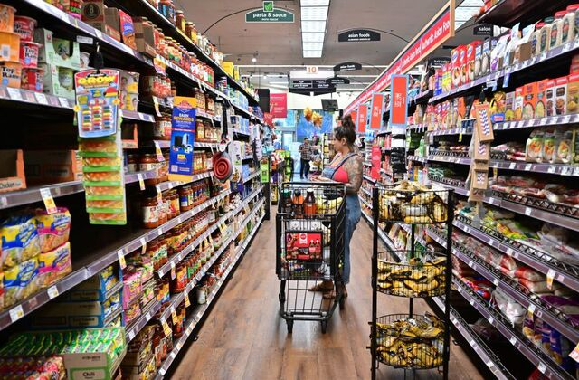

 |  |  | Objective
Automation the process of splitting the budget at Week and Department Level with more faster way and Creating the Dashboard to find the insights

 |  |  | Problem Statement

Data Preparation / Data Cleaning
Dashboard Creation / Finding Insights

 |  | Data Preparation / Data Cleaning

 | Table 1 |  |  | Table 2
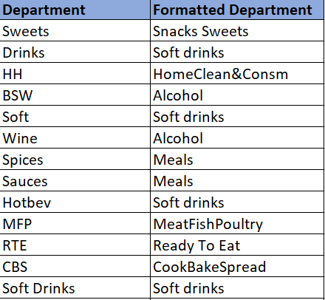
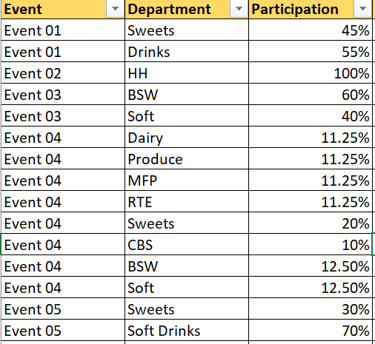

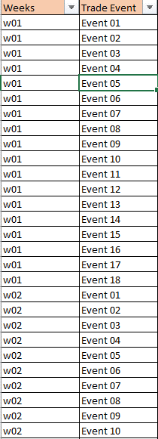
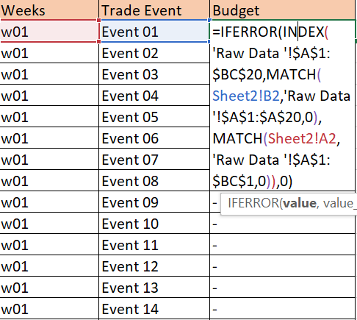
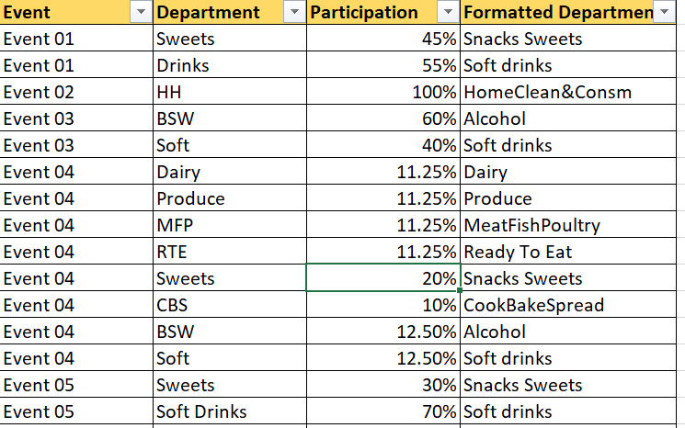

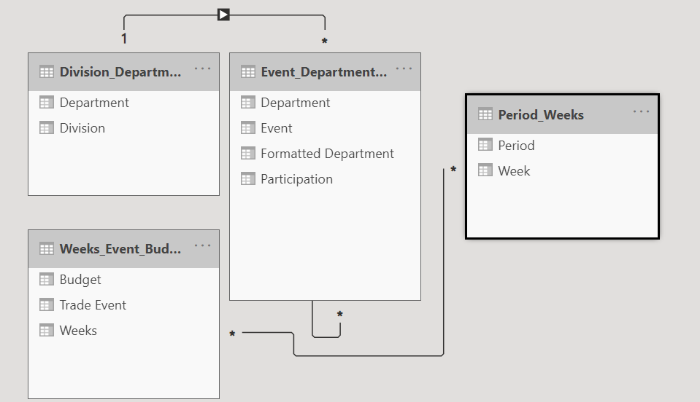

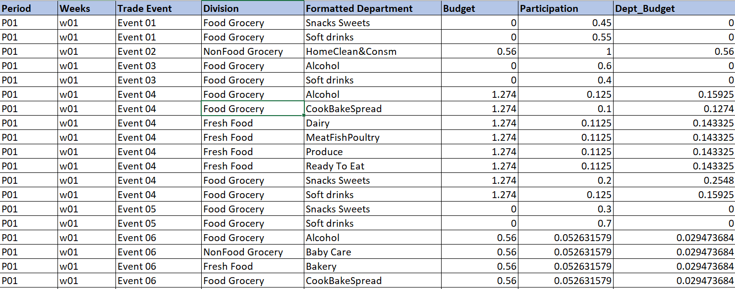

 |  | Dashboard Creation and Insight Finding
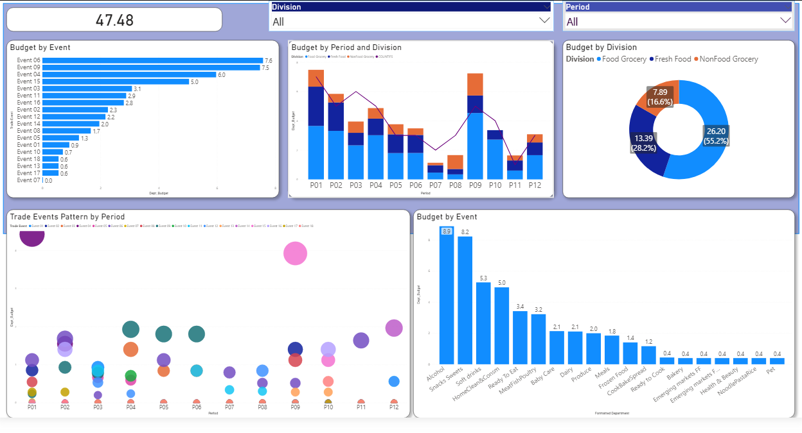

Top4_bud = CALCULATE (
SUM('Final Data'[Dept_Budget] ),
FILTER ( 'Final Data', ('Final Data'[Trade Event] = "Event 06" || 'Final Data'[Trade Event] = "Event 04" || 'Final Data'[Trade Event] = "Event 09" || 'Final Data'[Trade Event] = "Event 15") && 'Final Data'[Dept_Budget] <> 0 && 'Final Data'[Formatted Department] = 'Final Data'[Formatted Department]
) )
 |  | High Level Insight

Budget_Dept =
CALCULATE (
SUM ('Final Data'[Dept_Budget] ),
ALLEXCEPT ( 'Final Data', 'Final Data'[Formatted Department] )
)
Top4_bud = CALCULATE (
SUM('Final Data'[Dept_Budget] ),
FILTER ( 'Final Data', ('Final Data'[Trade Event] = "Event 06" || 'Final Data'[Trade Event] = "Event 04" || 'Final Data'[Trade Event] = "Event 09" || 'Final Data'[Trade Event] = "Event 15") && 'Final Data'[Dept_Budget] <> 0 && 'Final Data'[Formatted Department] = 'Final Data'[Formatted Department]
) )
total_budget =
CALCULATE(SUM('Final Data'[Dept_Budget] ), ALL('Final Data'))
TotalvsT4 = [Top4_bud]/[Budget_Dept]
Event_Parti = ('Final Data'[Dept_Budget]/[total_budget])

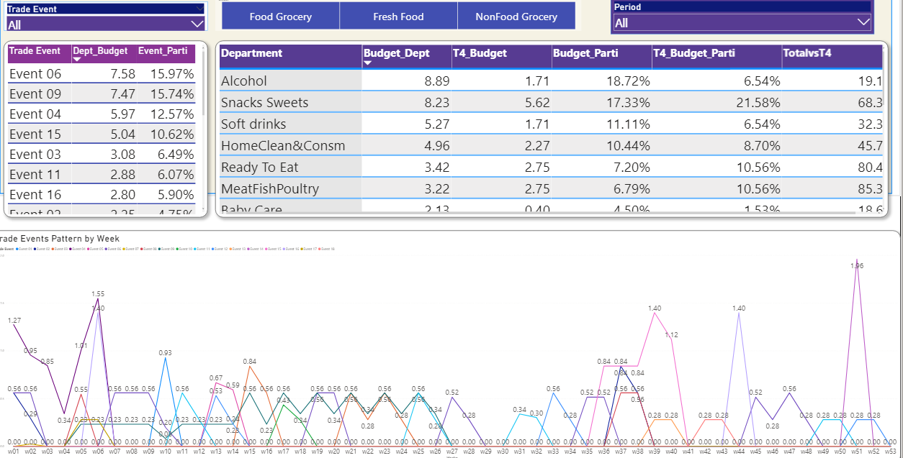

 |  | Deep Drive Analysis

 |  | Insight Findings

 |  |  |  | 1. Top 4 events (Event 06, Event 09, Event 04, Event 15)
 |  |  |  | contibutes 55% of total events
 |  |  |  | 2. FGR has highest budget participation with 55%
 |  |  |  | followed by FF(28%) and NFGR(17%).
 |  |  |  | 3. P01 and P09 has been allocated highest budget,
 |  |  |  | uplifted by Event 04 and Event 09 accordingly.
 |  |  |  | 4. Event 06 is running with highest budget (7.6mGBP)
 |  |  |  | in almost every period. Event 09 with almost
 |  |  |  | same budget (7.5mGBP) running in H1(till P06).
 |  |  |  | 5. Event 04 with 6mGBP will be observed
 |  |  |  | only in P01 and P02 whereas Event 15 with 5mGBP will run
 |  |  |  | only in P09 and P10. Those two event shows
 |  |  |  | the seasonal pattern ( - & Christmas)
 |  |  |  | 6. Observed reducing in number of trade events
 |  |  |  | with periods and exceptionally increased in P09.

 |  | Detail Analysis of Top 4 Events

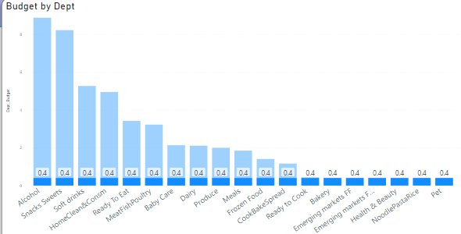

Event 06 has highest budget contribution with 16% of total budget, running on all food division (FF + FGR + NFGR) with equal budget split in every department and it's running through out the year.

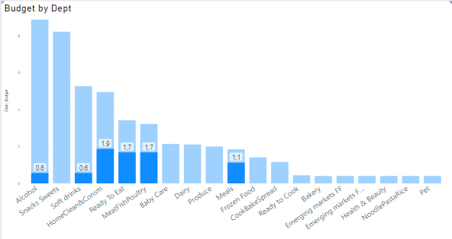

Event 09 which is also contributing 16% of total budget running on Alcohol, Soft Drinks, HomeClean&Consm, R2E, MFP and Meals. This event will be running till H1 (P01-P06)

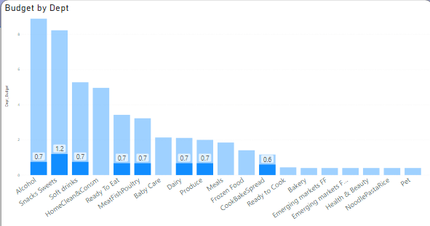

Event 04 with 13% of total budget running only till W07 and seems to be the seasonal event related to Easter. It is running on Alcohol, Snack Sweets, Soft Drinks, R2E, MFP, Diary, Produce, CBS.

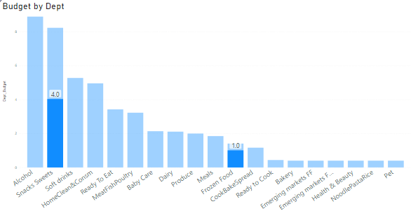

Event 15 which is also a big event with 11% of total budget running only from w35 to w41. Like Event 04, Event 15 also seems to be a seasonal event related to Christmas (W43 is Christmas). This event is running only on Snack Sweets and Frozen Food.

 |  | Detail Analysis of Top 4 Departments

 |  |  |  |  | 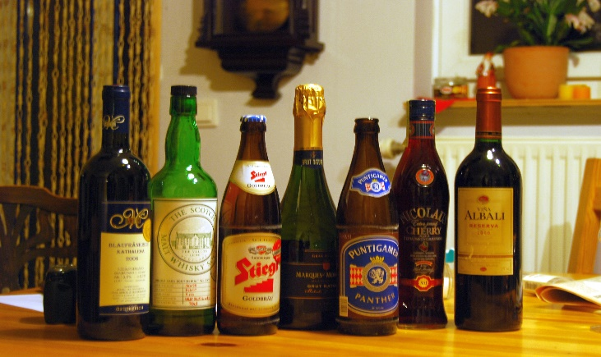 Alcohol has the highest budget participation with 19% of total budget running throughout the year. It is observed that Alcohol is contributing only 6.5% to Top 4 Events which means alcohol is running mostly on small events (Event 16, Event 03, Event 08..)

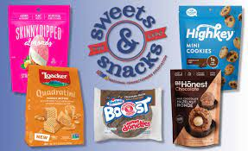
 |  |  |  |  | Snack Sweets contributes 17.3% to total budget and 21.5% to Top 4 Event. Snack Sweets mostly contibutes to Top 4 event with 68% of it's budget. Snack Sweets has highest budget participation towards Event 15 and Event 04 - both events are Seasonal and top4 event.

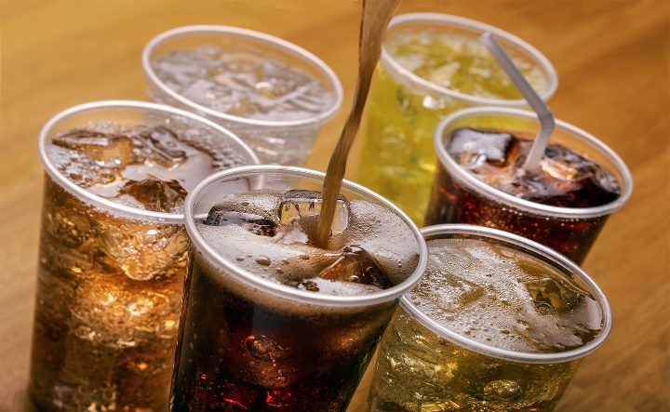
 |  |  |  |  | Soft Drinks with 11.1%of total budget running mostly before P06 and contributing most of the small events (Event 03, Event 05, Event 04, Event 11…).


 |  |  |  |  | HomeClean&Consm has 10.4% of total budget and running in every week till P06 (W27) and shows it's peak in P09 (W36-W39)

Sheet4
 |  |  | Objective
Automation the process of splitting the budget at Week and Department Level with more faster way and Creating the Dashboard to find the insights

 |  |  | Problem Statement

Data Preparation / Data Cleaning
Dashboard Creation / Finding Insights

 |  | Data Preparation / Data Cleaning

 | Table 1 |  |  | Table 2

 |  | Dashboard Creation and Insight Finding

Top4_bud = CALCULATE (
SUM('Final Data'[Dept_Budget] ),
FILTER ( 'Final Data', ('Final Data'[Trade Event] = "Event 06" || 'Final Data'[Trade Event] = "Event 04" || 'Final Data'[Trade Event] = "Event 09" || 'Final Data'[Trade Event] = "Event 15") && 'Final Data'[Dept_Budget] <> 0 && 'Final Data'[Formatted Department] = 'Final Data'[Formatted Department]
) )
 |  | High Level Insight
total_budget =
CALCULATE(SUM('Final Data'[Dept_Budget] ), ALL('Final Data'))
Budget_Dept =
CALCULATE (
SUM ('Final Data'[Dept_Budget] ),
ALLEXCEPT ( 'Final Data', 'Final Data'[Formatted Department] )
)
Top4_bud = CALCULATE (
SUM('Final Data'[Dept_Budget] ),
FILTER ( 'Final Data', ('Final Data'[Trade Event] = "Event 06" || 'Final Data'[Trade Event] = "Event 04" || 'Final Data'[Trade Event] = "Event 09" || 'Final Data'[Trade Event] = "Event 15") && 'Final Data'[Dept_Budget] <> 0 && 'Final Data'[Formatted Department] = 'Final Data'[Formatted Department]
) )

Event_Parti = ('Final Data'[Dept_Budget]/[total_budget])
TotalvsT4 = [Top4_bud]/[Budget_Dept]

 |  | Deep Drive Analysis

 |  | Insight Findings

 |  |  |  | 1. Top 4 events (Event 06, Event 09, Event 04, Event 15)
 |  |  |  | contibutes 55% of total events
 |  |  |  | 2. FGR has highest budget participation with 55%
 |  |  |  | followed by FF(28%) and NFGR(17%).
 |  |  |  | 3. P01 and P09 has been allocated highest budget,
 |  |  |  | uplifted by Event 04 and Event 09 accordingly.
 |  |  |  | 4. Event 06 is running with highest budget (7.6mGBP)
 |  |  |  | in almost every period. Event 09 with almost
 |  |  |  | same budget (7.5mGBP) running in H1(till P06).
 |  |  |  | 5. Event 04 with 6mGBP will be observed
 |  |  |  | only in P01 and P02 whereas Event 15 with 5mGBP will run
 |  |  |  | only in P09 and P10. Those two event shows
 |  |  |  | the seasonal pattern ( - & Christmas)
 |  |  |  | 6. Observed reducing in number of trade events
 |  |  |  | with periods and exceptionally increased in P09.

 |  | Detail Analysis of Top 4 Events

Event 06 has highest budget contribution with 16% of total budget, running on all food division (FF + FGR + NFGR) with equal budget split in every department and it's running through out the year.

Event 09 which is also contributing 16% of total budget running on Alcohol, Soft Drinks, HomeClean&Consm, R2E, MFP and Meals. This event will be running till H1 (P01-P06)

Event 04 with 13% of total budget running only till W07 and seems to be the seasonal event related to Easter. It is running on Alcohol, Snack Sweets, Soft Drinks, R2E, MFP, Diary, Produce, CBS.

Event 15 which is also a big event with 11% of total budget running only from w35 to w41. Like Event 04, Event 15 also seems to be a seasonal event related to Christmas (W43 is Christmas). This event is running only on Snack Sweets and Frozen Food.

 |  | Detail Analysis of Top 4 Departments

 |  |  |  |  |  Alcohol has the highest budget participation with 19% of total budget running throughout the year. It is observed that Alcohol is contributing only 6.5% to Top 4 Events which means alcohol is running mostly on small events (Event 16, Event 03, Event 08..)

 |  |  |  |  | Snack Sweets contributes 17.3% to total budget and 21.5% to Top 4 Event. Snack Sweets mostly contibutes to Top 4 event with 68% of it's budget. Snack Sweets has highest budget participation towards Event 15 and Event 04 - both events are Seasonal and top4 event.


 |  |  |  |  | Soft Drinks with 11.1%of total budget running mostly before P06 and contributing most of the small events (Event 03, Event 05, Event 04, Event 11…).

 |  |  |  |  | HomeClean&Consm has 10.4% of total budget and running in every week till P06 (W27) and shows it's peak in P09 (W36-W39)

