Sheet1
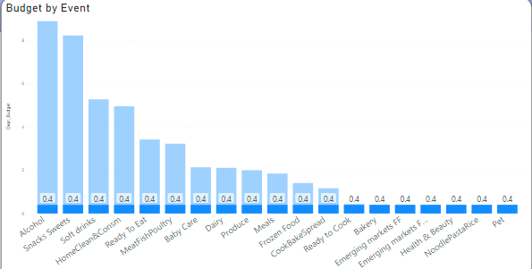
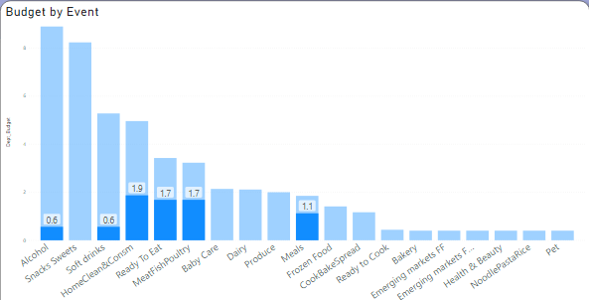
 |  |  |  | Objective
Automation the process of splitting the budget at Week and Department Level with more faster way and Creating the Dashboard to find the insights

 |  |  |  | Problem Statement

Data Preparation / Data CLeaning
Dashboard Creation / Finding Insights

 |  |  | Data Preparation / Data Cleaning

 | Table 1 |  |  |  | Table 2
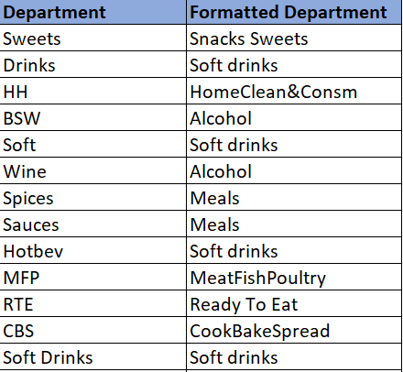
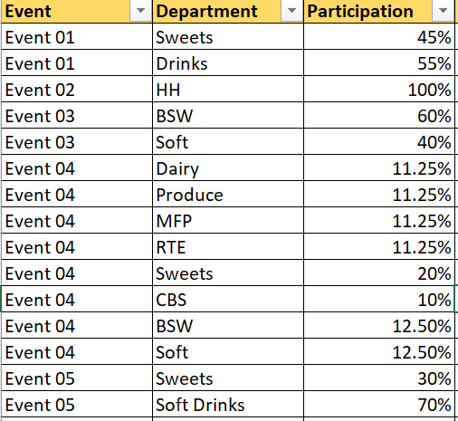

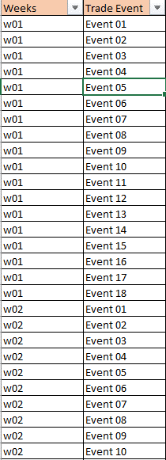
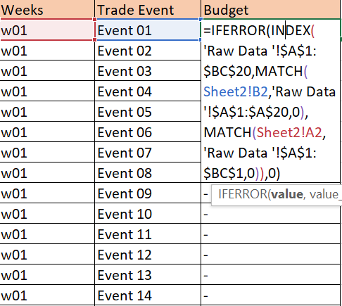
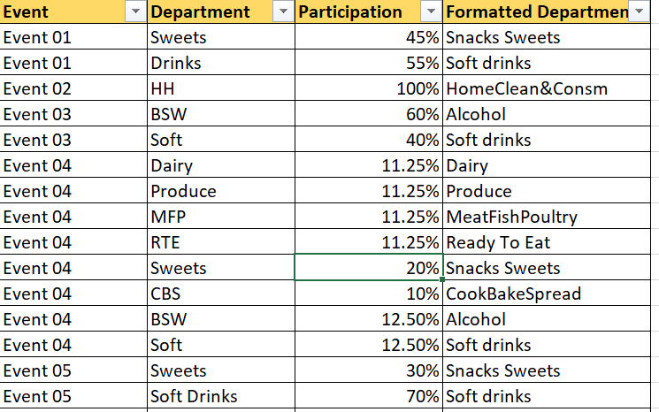

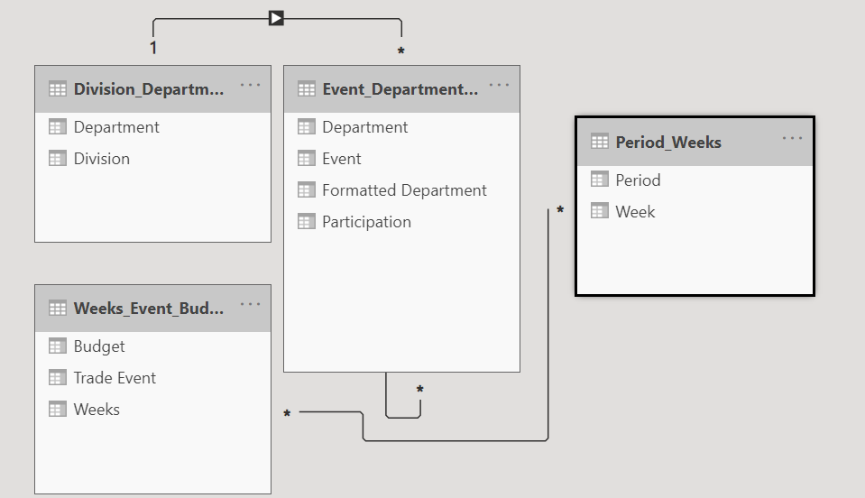

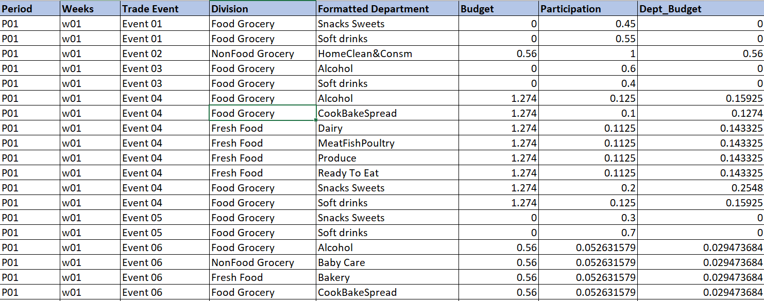

 |  |  | Dashboard Creation and Insight Finding
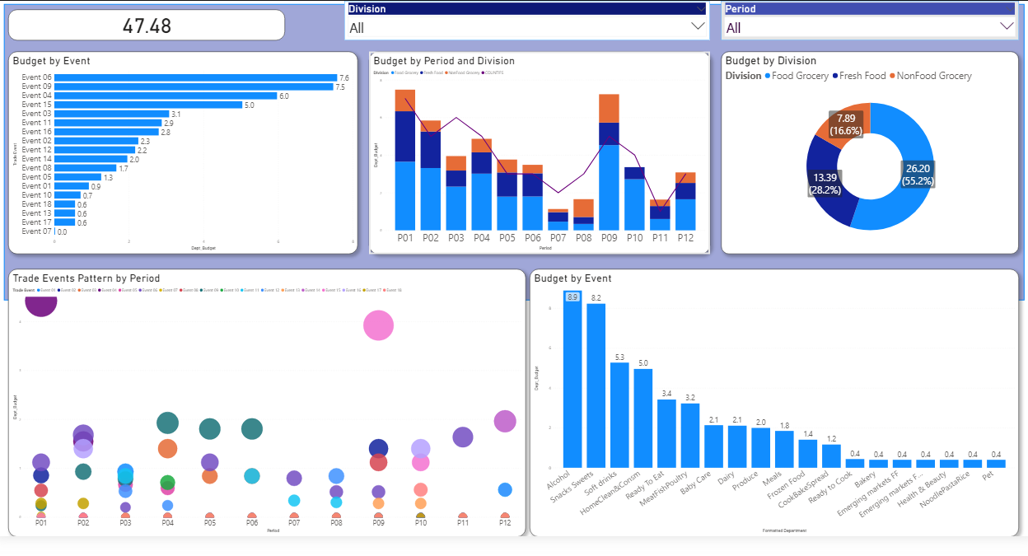
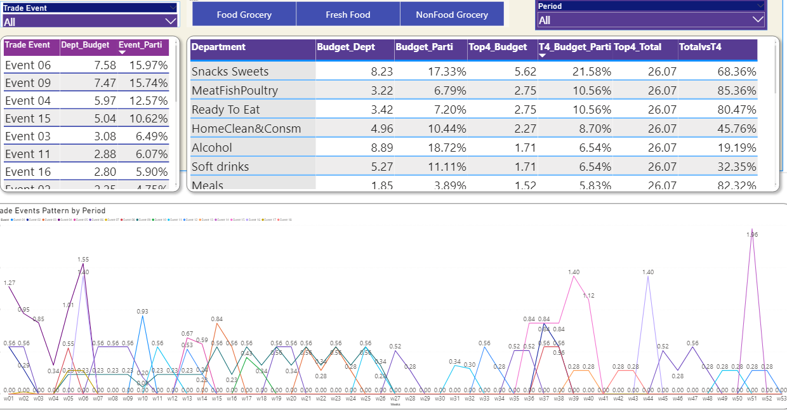

 |  | High Level Insight Finding |  |  |  | Deep Drive Insight Finding

 |  |  | Insight Findings

 |  |  |  |  | 1. Top 4 events (Event 06, Event 09, Event 04, Event 15)
 |  |  |  |  | contibutes 55% of total events
 |  |  |  |  | 2. FGR has highest budget participation with 55%
 |  |  |  |  | followed by FF(28%) and NFGR(17%).
 |  |  |  |  | 3. P01 and P09 has been allocated highest budget,
 |  |  |  |  | uplifted by Event 04 and Event 09 accordingly.
 |  |  |  |  | 4. Event 06 is running with highest budget (7.6mGBP)
 |  |  |  |  | in almost every period. Event 09 with almost
 |  |  |  |  | same budget (7.5mGBP) running in H1(till P06).
 |  |  |  |  | 5. Event 04 with 6mGBP will be observed
 |  |  |  |  | only in P01 and P02 whereas Event 15 with 5mGBP will run
 |  |  |  |  | only in P09 and P10. Those two event shows
 |  |  |  |  | the seasonal pattern ( - & Christmas)
 |  |  |  |  | 6. Observed reducing in number of trade events
 |  |  |  |  | with periods and exceptionally increased in P09.

 |  |  | Detail Analysis of Top 4 Event

Sheet2
Events
Event 09
Event 04
Event 15
Event 06
(15.97%)

FGR
(5.9%)
FF
(6.7%)
NFGR
(3.4%)

