Test Scenario Description
Test Scenario for Wireframe

Wireframe:
Test Scenario Description:
Test Scenario # 1
Version #: | Proudct_version |  | Build #: | Product_Build |  | Retry #: | 1
Test Scenario ID: | TS_001 |  |  | Process ID: | 1
Environment: | Product_Env |  |  | Machine tested: | PC
Test Scenario Description: | Test Scenario for Wireframe
Objective: | To create the detailed test scenarios based on the provided wireframes and requirements..
Assumptions/ Constraints:
Test Files/Test Data: | Webistes/Application
Author: | Swapnagandha |  |  | Last Modified: | 2023-07-02
Reviewed by: | Person from Anymind |  |  | Reviewed Date:
Executed by: | Person from Anymind |  |  | Execution Date:

Wireframe:
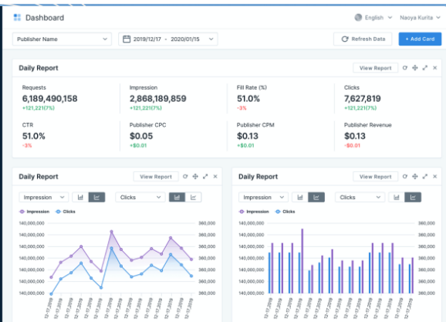

 |  | s

