Dashboard
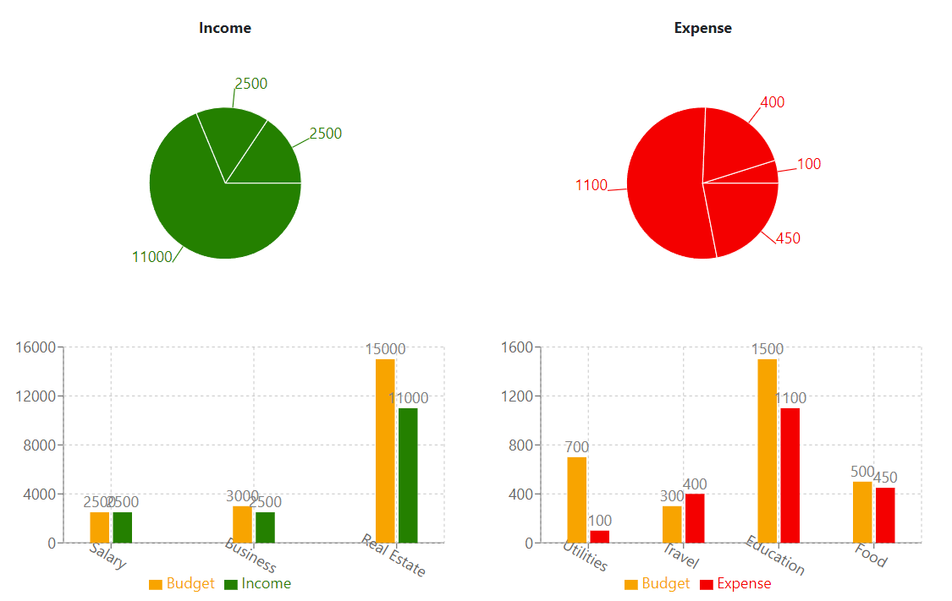
Expense Tracker
 | Dashboard | Categories | Budget | Transactions | Groups | Group Transactions |  |  | Kapil Suryawanshi | Logout

Transactions |  | Period | 2024-Feb
Group Transactions

Dashboard (2)
Expense Tracker
 | Dashboard | Categories | Budget | Transactions | Groups | Group Transactions | Kapil Suryawanshi | Logout

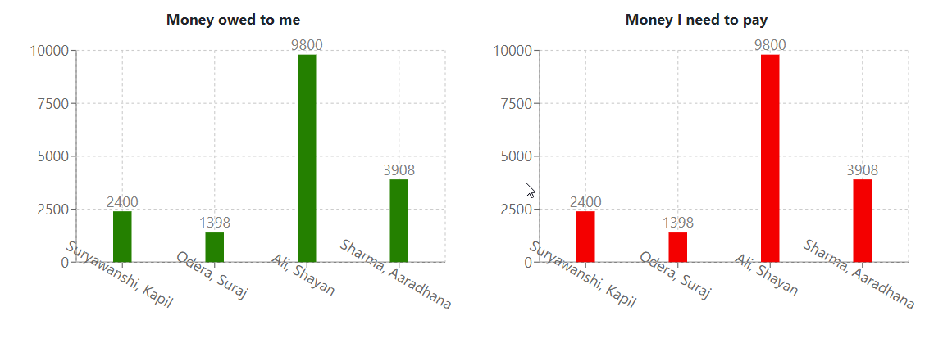
Transactions
Group Transactions

