Sheet1
CSV | Rows | columns
category | 9 | category_id | category
subcategory | 24 | subcategory_id | subcategory
campaign | 1000 | cf_id | contact_id | company_name | description | goal | pledged | outcome | backers_count | country | currency | launched_date | end_date | category_id | subcategory_id
contacts | 1000 | contact_id | first_name | last_name | email
backers | 8175 | backer_id | cf_id | first_name | last_name | email

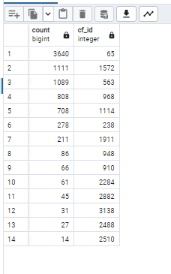
Tables
Join Camppaign with backers |  |  | backer_campaigns
Count backers by campaign |  |  | backer_campaign_count

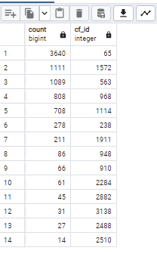
Validation
Count backers per event in backers

Life campaigns |  |  | goal_remaining
Email contacts goal amount |  |  | email_contacts_remaining_goal_amount.csv

