Dashboard
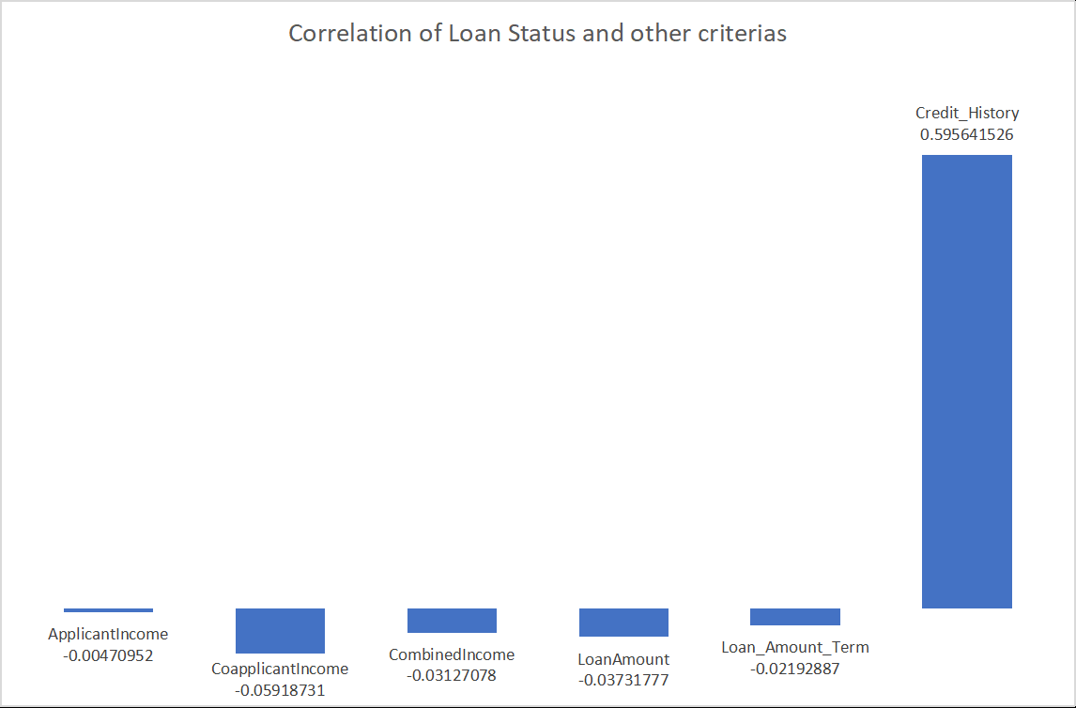
Loan Risk Data Analysis

Credit History by Loan Status
 | 0 | 1
N | 0.6884057971 | 0.20378151261
Y | 0.3115942029 | 0.79621848739

Loan Status by Loan Factor
 | Total
N High | 0.20846905537
N Low | 0.030944625407
N Mid | 0.07328990228
Y High | 0.48534201954
Y Low | 0.058631921824
Y Mid | 0.14332247557
Loan Status by Number of Dependents
 | Total
< 3 N | 174
< 3 Y | 389
> 3 N | 18
> 3 Y | 33

