management
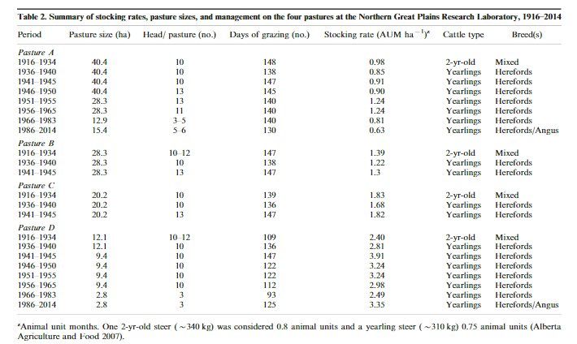
Three mixed prairie sites were grazed heavily (0.9 ha steer), moderately (2.6 ha steer) or left ungrazed (exclosure) since 1916
The grazing season extended from about mid-May to October each year
Soil carbon was measured in autum 1991

A crested wheatgrass pasture (CWP) represented the seeded
forage,

Th e grazing season for all three pastures extended from about
mid-May to early October using yearling steers. Stocking rates
for MGP and HGP were 2.6 and 0.9 ha steer−1 (0.39 and 1.1
animals ha−1), respectively. Stocking rates within CWP were
0.4 ha steer−1 (2.3 animals ha−1) in late spring–early summer
and 0.9 ha steer−1 (1.2 animals ha−1) for the remainder of the
grazing season. Grazing has occurred every year since pasture
establishment except during times of severe drought when
forage production was inadequate to support livestock grazing.
To increase forage production, CWP was fertilized in the fall
of each year since 1963 with NH4NO3 at 45 kg N ha−1. Of the
three grazing treatments, MGP and HGP are refl ective of the
predominant forms of grassland management in the northern
Great Plains.

