Sheet1
patient id | age | smoking | smart | asdf | min im | patient id | nam | kf | ave
95909 | 51 | 1 | 10 |  |  | 95909 | 5 | 20
10369 | 49 | 1 | 8 |  |  | 10369 | 6 | 17
35101 | 56 | 3 | 12
25192 | 47 | 3 | 12
75658 | 50 | 3 | 10 |  |  | 75658 | 6 | 15
25765 | 55 | 2 | 12 |  |  | 25765 | 4 | 10
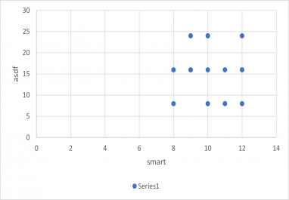
57464 | 52 | 1 | 11
14530 | 50 | 2 | 8 |  |  | 14530 | 5 | 10
21888 | 52 | 2 | 9 |  |  | 21888 | 5 | 20
43631 | 53 | 2 | 8 |  |  | 43631 | 4 | 14
14528 | 55 | 1 | 8
70171 | 58 | 3 | 10 |  |  | 70171 | 4 | 15
14654 | 58 | 2 | 10
81574 | 50 | 3 | 9 |  |  | 81574 | 4 | 12
67203 | 52 | 1 | 12 |  |  | 67203 | 5 | 8
19792 | 48 | 2 | 9 |  |  | 19792 | 6 | 8
95847 | 56 | 2 | 9
21922 | 52 | 3 | 10 |  |  | 21922 | 5 | 15
49434 | 48 | 1 | 10 |  |  | 49434 | 5 | 17
64334 | 50 | 2 | 11 |  |  | 64334 | 6 | 9
11988 | 49 | 2 | 12
51090 | 46 | 3 | 9 |  |  | 51090 | 6 | 11
72970 | 49 | 3 | 10 |  |  | 72970 | 6 | 10
57054 | 50 | 1 | 12
 |  |  |  |  |  | 1111 | 6 | 13
 |  |  |  |  |  | 4323 | 4 | 20
 |  |  |  |  |  | 532 | 6 | 16
 |  |  |  |  |  | 66435 | 6 | 15
 |  |  |  |  |  | 64 | 5 | 19
 |  |  |  |  |  | 775 | 6 | 9
 |  |  |  |  |  | 34 | 4 | 17

