Defect Report
Project Name | OrangeHRM Automation Testing Suite
Assigned To | Sushil Thorat
Reported By | Sushil Thorat
Executed by | Sushil Thorat
Date Reported
Environment

Defect ID | Title/Description | Steps to Reproduce | Expected Result | Actual Result | Severity | Priority | Status | Attachments | Comments

D01 | The user is automatically logged out after some time. | 1. Navigate to the login page. 2. Enter valid username in the username field. 3. Enter valid password in the password field. 4. Click on the "Login" button. 5. Put the device on sleep mode for some time. | The user must remain logged in even when the device is in sleep mode. | The user logged out. | Major | Medium | New
D02 | Incorrect leave balance is displayed after applying for leave. | 1. Click on Leave option. 2. Click on apply option. 3. Fill the all necessary information 4. Click on apply button. | User should be able to view leave balance while applying for leave. | Incorrect leave balance is displayed. | Major | High | New | 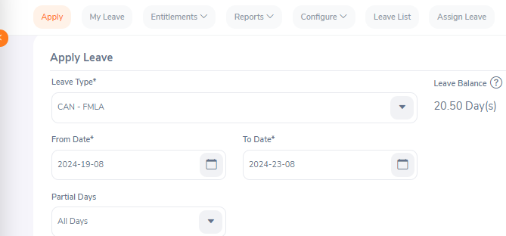
D03 | User is not able to see how many hours he/she worked after punching out. | 1. Click on time option. 2. Select punch in/out option from Attendance dropdown. 3. Fill the all necessary information and complete punch in and out action. | User should be able to see total working hours after punch out successfully. | User is not able to see how many hours he/she worked | Minor | Low | 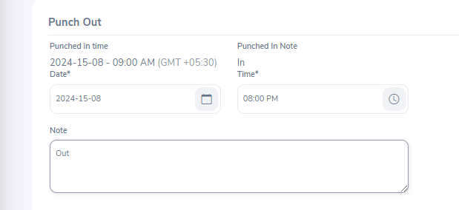 New
D04
D05
D06
D07
D08
D09
D10
D11
D12
D13
D14
D15

Enhancements
Project Name | OrangeHRM Automation Testing Suite
Assigned To | Sushil Thorat
Reported By | Sushil Thorat
Executed by | Sushil Thorat
Date Reported
Environment

Enhancement ID | Module | Title/Description | Expected Result | Actual Result | Severity | Priority | Status | Attachments | Comments
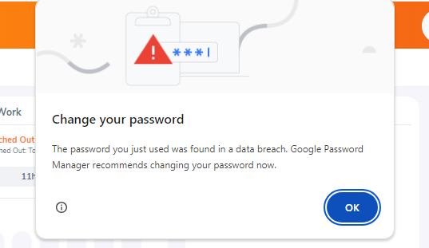
E01 | Dashboard | Every time of login we can see change your password recommendation popup popping up on the dashboard. | No need of this kind of popup's. | Change your password popup popping up on the dashboard. | Minor | Low | New
E02 |  |  |  |  | Select
E03 |  |  |  |  | Select
E04
E05
E06
E07
E08
E09
E10
E11
E12
E13
E14
E15

