TechSpec
Screenshot | Component | eVar
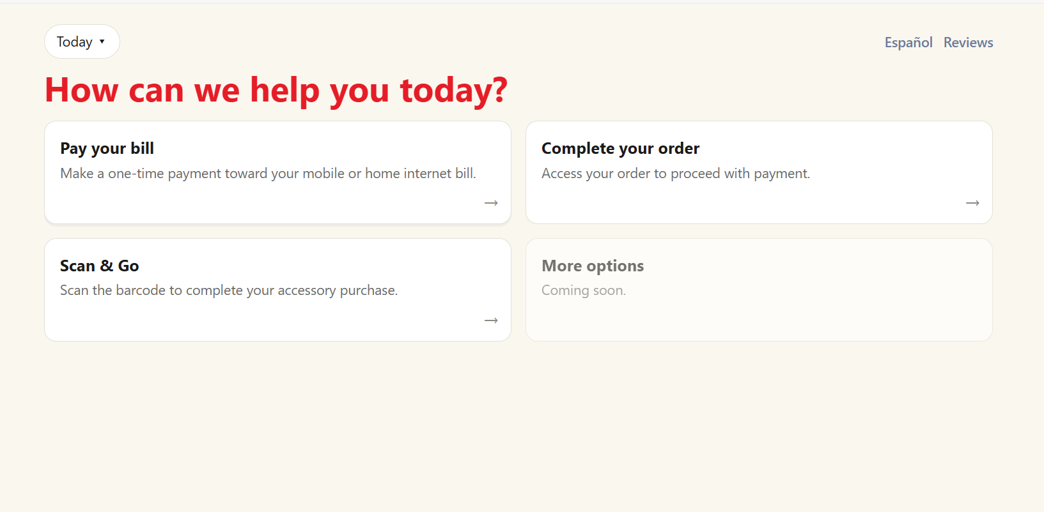 | Help | eVar100 (help_cta_name)
 | Help | eVar105 (nav_link_name)
 | Help | eVar105 (nav_link_name)

