Time Series Decomposition-outpt
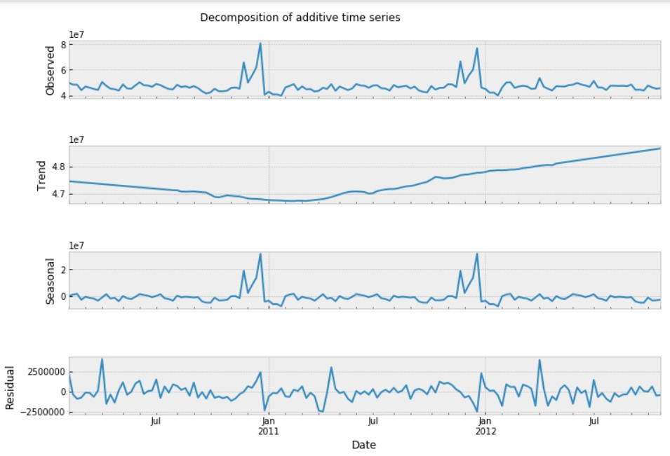

Prediction
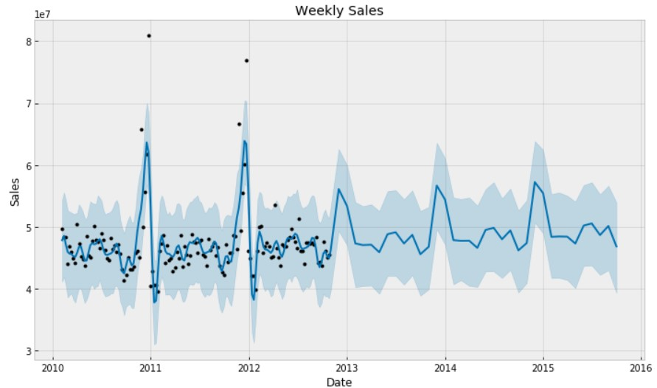
Time Series Forecasting Using FBProphet

Trend
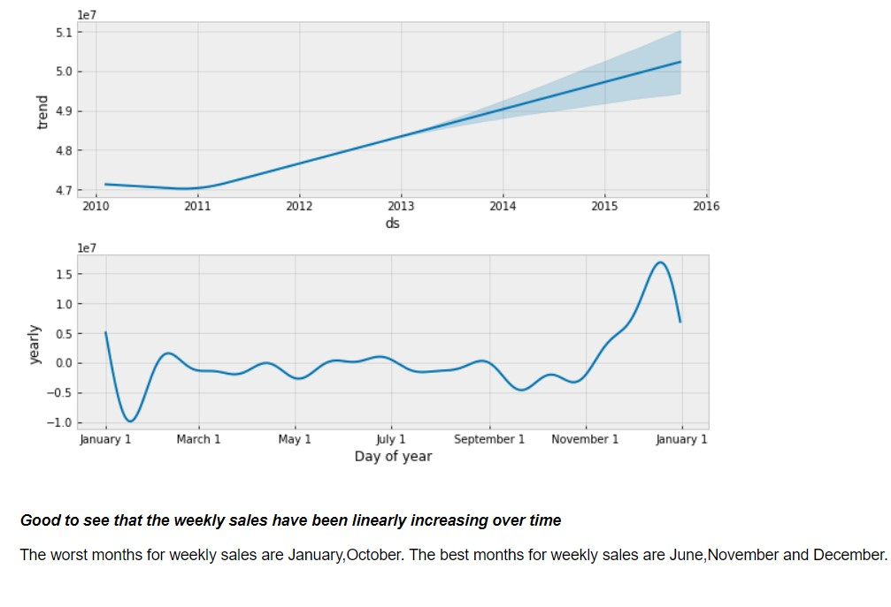
Trends and Patterns

ARIMA Modeling
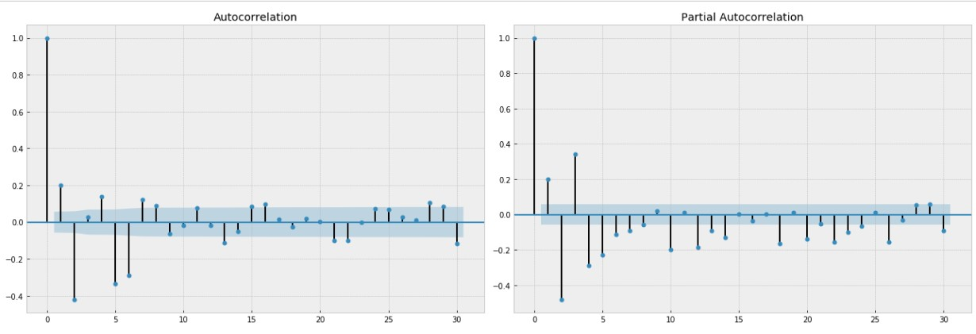
ACF AND PACF GRAPHS TO DETERMINE p,d,q VALUES

Graph-Forecast Sales
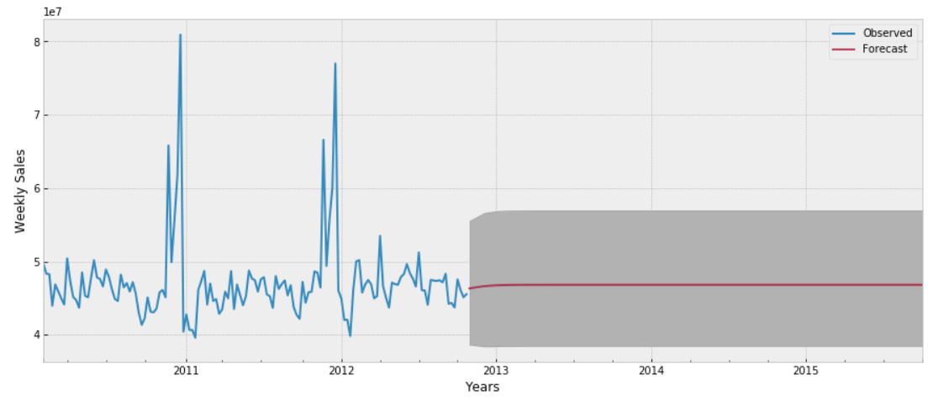
Forecast Sales for next 3 years- 2013,2014,2015

