Summary
Category | Count
Passed | 1
Failed | 1
Skipped | 1
Total | 3
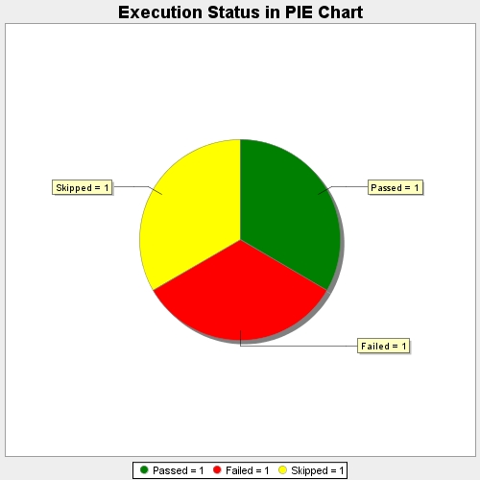
Start Time | 2017-07-29T15:02:18Z
End Time | 2017-07-29T15:03:23Z
Duration | 65145 ms

