Sheet1
Application Gateway | VPN Gateway | Traffic Manager | Load Balancer

Azure Application Gateway is a web traffic load balancer that enables you to manage traffic to your web applications. Traditional load balancers operate at the transport layer (OSI layer 4 - TCP and UDP) and route traffic based on source IP address and port, to a destination IP address and port. Application Gateway can make routing decisions based on additional attributes of an HTTP request, for example URI path or host headers. For example, you can route traffic based on the incoming URL | A VPN gateway is a specific type of virtual network gateway that is used to send encrypted traffic between an Azure virtual network and an on-premises location over the public Internet. You can also use a VPN gateway to send encrypted traffic between Azure virtual networks over the Microsoft network. Each virtual network can have only one VPN gateway. However, you can create multiple connections to the same VPN gateway. When you create multiple connections to the same VPN gateway, all VPN tunnels share the available gateway bandwidth | Azure Traffic Manager is a DNS-based traffic load balancer that enables you to distribute traffic optimally to services across global Azure regions, while providing high availability and responsiveness. Traffic Manager uses DNS to direct client requests to the most appropriate service endpoint based on a traffic-routing method and the health of the endpoints. An endpoint is any Internet-facing service hosted inside or outside of Azure. Traffic Manager provides a range of traffic-routing methods and endpoint monitoring options to suit different application needs and automatic failover models. Traffic Manager is resilient to failure, including the failure of an entire Azure region. | An Azure load balancer is a Layer-4 (TCP, UDP) load balancer that provides high availability by distributing incoming traffic among healthy VMs. A load balancer health probe monitors a given port on each VM and only distributes traffic to an operational VM. You define a front-end IP configuration that contains one or more public IP addresses. This front-end IP configuration allows your load balancer and applications to be accessible over the Internet. Virtual machines connect to a load balancer using their virtual network interface card (NIC). To distribute traffic to the VMs, a back-end address pool contains the IP addresses of the virtual (NICs) connected to the load balancer.

Application Gateway supports SSL termination, URL-based routing, multi-site routing, Cookie-based session affinity and Web Application Firewall (WAF) features | The gateway type determines how the virtual network gateway will be used and the actions that the gateway takes. The gateway type 'Vpn' specifies that the type of virtual network gateway created is a 'VPN gateway'. | Traffic Manager allows you to control the distribution of user traffic for service endpoints in different datacenters. Service endpoints supported by Traffic Manager include Azure VMs, Web Apps, and cloud services. You can also use Traffic Manager with external, non-Azure endpoints. | Load Balancer only supports endpoints hosted in Azure. Application Gateway can support any routable IP address.
Application Gateway is billed per-hour, and has two tiers, depending on features you need (with/without WAF) |  |  | Load Balancer is free
you can make routing decisions based on URI path or host headers. |  |  | Azure Load Balancer is a high-performance, low-latency Layer 4 load-balancing service (inbound and outbound) for all UDP and TCP protocols.
It can be used to do TLS/SSL termination. TLS/SSL termination can be useful to allow unencrypted traffic between AGW and backend servers saving some of processing load needed to encrypt and decrypt said traffic. |  |  | It is a TCP/UDP load balancing and port forwarding engine only. It does not terminate, respond, or otherwise interact with the traffic. It simply routes traffic based on source IP address and port, to a destination IP address and port.
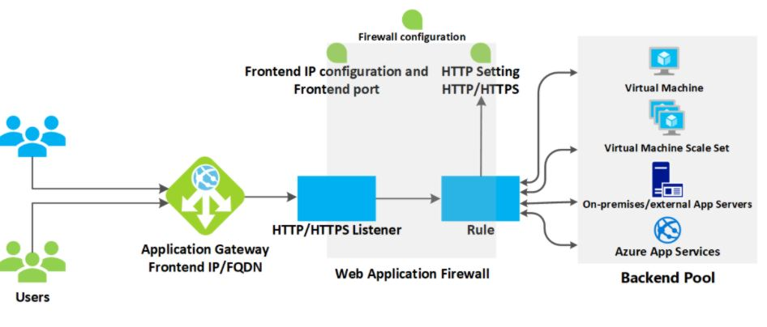 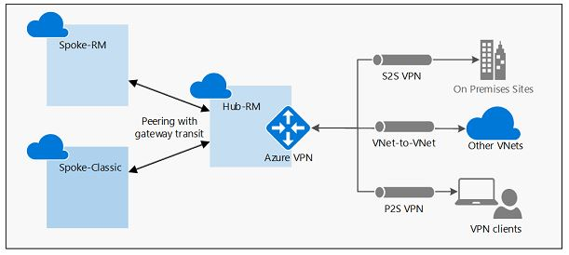 |  | 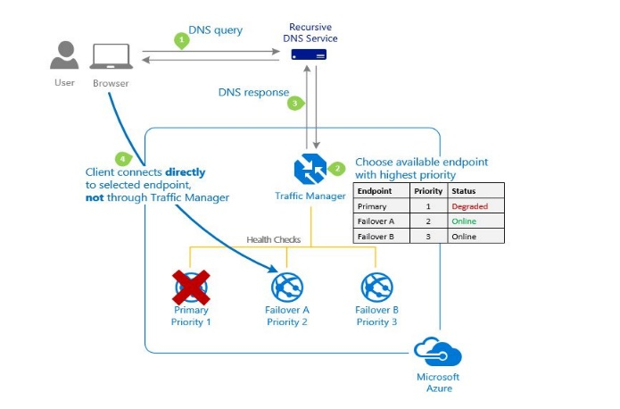 | 