3. Tank Sizing Calcns
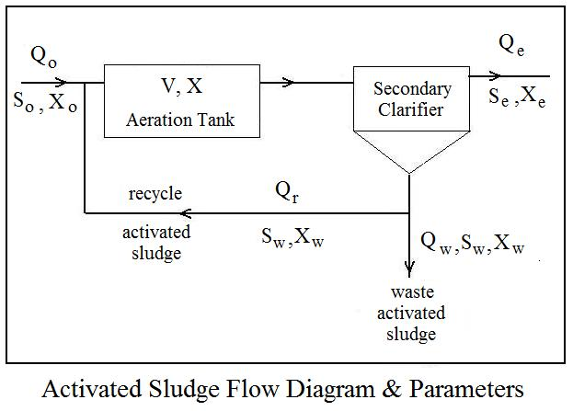
Activated Sludge Waste Water Treatment Calculations - S.I. units

2. Aeration Tank Sizing Calculations

Instructions: Enter values in blue boxes. Spreadsheet calculates values in yellow boxes

A. Aeration Tank Design based on volumetric loading

Inputs |  |  | Calculations (based on Volumetric Loading)

Design Vol. Loading, VL = | 0.5606 |  | Aeration tank volume, V = | 1,621 | m3
(kg BOD/day/m3)

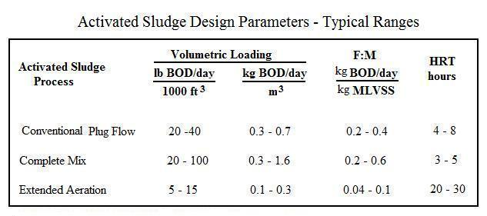
Values Transferred from Worksheet 2: |  |  | Check on other design parameters:
Design ww Flow Rate, Qo = | 5,678 | m3/d | Aeration tank HRT = | 6.85 | hr

Prim. Effl. BOD, So = | 160 | g/m3 | Aeration tank F:M = | 0.381
 |  |  | (kg BOD/day/kg MLVSS)
Aeration tank MLSS, X = | 2100 | g/m3

% volatile MLSS, %Vol = | 70%

Equations used for Calculations:

V = (So*Qo/1000)/VL |  |  |  |  |  | Adapted from: Metcalf & Eddy, Inc, (Revised by Tchobanoglous, G, Burton, F.L., Stensel, H.D.,
 |  |  |  |  |  | Wastewater Engineering, Treatment and Reuse, 4th Ed., New York, NY, 2003.
HRT = 24*V/Qo

F:M = (So*Qo)/(%Vol*X*V) |  |  |  |  |  |  | Find more Excel spreadsheets for engineering at:
 |  |  |  |  |  |  |  | EngineeringExcelTemplates.com

 |  |  |  |  |  |  | Copyright © 2018 Harlan H. Bengtson. All Rights Reserved.

B. Aeration Tank Design based on hydraulic loading

Inputs |  |  | Check on other design parameters: |  |  |  | Ref.: Bengtson, Harlan H., |  | Activated Sludge Calculations Spreadsheet: Aeration Tank Calculations
 |  |  |  |  |  |  |  |  | an Amazon Kindle ebook
Design Aer. tank HRT = | 7 | hr | Volumetric Loading, VL = | 0.55
 |  |  | (kg BOD/day/m3) |  |  |  | Ref.: Bengtson, Harlan H., |  | Biological Wastewater Treatment Process Design Calculations
Calculations (based on Hydraulic Loading) |  |  | Aeration tank F:M = | 0.37 |  |  |  |  | available as a paperback book and as an Amazon Kindle ebook
 |  |  | (kg BOD/day/kg MLVSS)
Aeration tank volume, V = | 1,656 | m3

C. Aeration Tank Design based on F:M ratio

Inputs

Aeration tank F:M = | 0.35 |  | Check on other design parameters:
(kg BOD/day/kg MLVSS)
 |  |  | Volumetric Loading, VL = | 0.51
Calculations (based on F:M ratio) |  |  | (kg BOD/day/m3)

Aeration tank volume, V = | 1,766 | m3 | Aeration tank HRT = | 7.5 | hr

4. Operations Calcns
Activated Sludge Waste Water Treatment Calculations - S.I. units

3. Aeration Tank Operation Calculations

Instructions: Enter values in blue boxes. Spreadsheet calculates values in yellow boxes

Values Transferred from Worksheet 2: |  |  |  |  | Inputs

Design ww Flow Rate, Qo = |  | 5,678 | m3/d |  | Aeration tank vol., V = | 1,699 | m3

Prim. Effl. BOD, So = |  | 160 | g/m3 |  | Sludge ret. time, SRT = | 12 | days

Aeration tank MLSS, X = |  | 2100 | g/m3 |  | Calculations

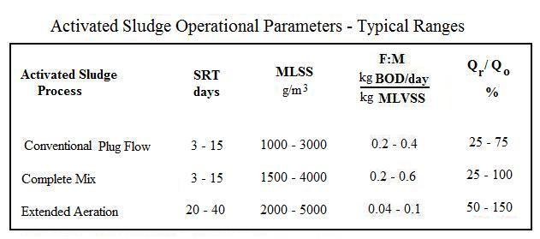
% volatile MLSS, %Vol = |  | 70% |  |  | Aeration tank F:M = | 0.364
Waste/recycle activated |  |  |  |  | (kg BOD/day/kg MLVSS)
sludge SS conc., Xw = |  | 6800 | g/m3 | Waste Act. Sludge Rate, Qw = |  | 27 | m3/d
 |  |  |  |  | Recycle Activated
Prim. Effl. TSS, Xo = |  | 180 | g/m3 |  | Sludge Flow Rate, Qr = | 2,320 | m3/d

Secondary Effl. TSS, Xe = |  | 20 | g/m3

Equations used for Calculations:

Qr = Qo(X - Xo)/(Xw - X)
 |  |  |  |  |  |  |  | Adapted from: Metcalf & Eddy, Inc, (Revised by Tchobanoglous, G, Burton, F.L., Stensel, H.D.,
Qw = (1/Xw)[(V*X/SRT) - QeXe] |  |  |  |  |  |  |  | Wastewater Engineering, Treatment and Reuse, 4th Ed., New York, NY, 2003.

F:M = (So*Qo)/(%Vol*X*V) |  |  |  |  |  |  | Ref.: Bengtson, Harlan H., |  |  | Activated Sludge Calculations Spreadsheet: Aeration Tank Calculations
 |  |  |  |  |  |  |  |  | an Amazon Kindle ebook

 |  |  |  |  |  |  | Ref.: Bengtson, Harlan H., |  |  | Biological Wastewater Treatment Process Design Calculations
 | Find more Excel spreadsheets for engineering at: |  |  |  |  |  |  |  | available as a paperback book and as an Amazon Kindle ebook
 |  | EngineeringExcelTemplates.com

 | Copyright © 2018 Engineering Excel Templates. All Rights Reserved.

