2. Sec Clarifier Design
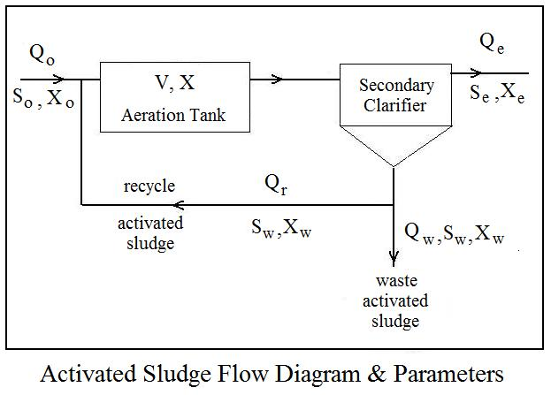
Activated Sludge Waste Water Treatment Calculations - S.I. units

2. Secondary Clarifier Design

Instructions: Enter values in blue boxes. Spreadsheet calculates values in yellow boxes

Inputs |  |  |  |  | Calculations

Prim. Effl. Flow Rate, Q = |  | 10600 | m3/d |  | Recycle Act. Sl. Rate, Qr = | 3180 | m3/d

Return Act. Sl. Ratio, R = |  | 0.3 |  |  | Peak Hourly Flow Rate, Qp = | 23850 | m3/d

Aeration tank MLSS, X = |  | 2100 | mg/L |  | Calculate Clarifier Area based on SOR

Design Surface |  |  |  |  | Based on ave. Flow: A1 = | 482 | m2
Overflow Rate , SOR = |  | 22 | m3/d/m2 | (ave) | Based on Peak Flow: A2 = | 507 | m2
 |  | 47 | m3/d/m2 | (peak) | The larger of the two areas is: | 507 | m2
Design Solids
Loading Rate , SLR = |  | 5.0 | kg/hr/m2 | (ave) | Calculate Clarifier Area based on SLR
 |  | 8 | kg/hr/m2 | (peak) | Based on ave. Flow: A3 = | 241 | m2
 |  |  |  |  | Based on Peak Flow: A4 = | 339 | m2
Peaking Factor, PF = |  | 2.25 |  |  | The larger of the two areas is: | 339 | m2
(for peak hourly flow)
 |  |  |  |  | Area needed for Clarifier, A = | 507 | m2
 |  |  |  |  | (The largest of A1, A2, A3, & A4) |  |  | Adapted from: Metcalf & Eddy, Inc, (Revised by Tchobanoglous, G, Burton, F.L., Stensel, H.D.,
 |  |  |  |  |  |  |  | Wastewater Engineering, Treatment and Reuse, 4th Ed., New York, NY, 2003.
Calculate Circular Clarifier Diameter:
 |  |  |  |  |  |  |  | NOTE: The design parameters for a particular project will typically come from the design guide
Number of Clarifiers, N = |  | 2 |  |  | Clarifier Diameter, D = | 18 | m | of the appropriate state, county or municipality.

Effluent Weir Calculations (Circular Clarifiers) |  |  |  |  |  |  |  |  | Typical maximum values for Weir Overflow Rate (WOR):
 |  |  |  |  | Min. Diameter for single
Max Weir Overflow Rate = |  | 375 | m3/d/m |  | circular effluent weir = | 4.5 | m |  | for Q < 3800 m3/day: |  |  | WOR < 250 m3/d/m

 |  |  |  |  | Min. Diameter for circular Channel with |  |  |  | for Q > 3800 m3/day: |  |  | WOR < 375 m3/d/m
 |  |  |  |  | effluent weir on each side = | 2.2 | m
 |  |  |  |  |  |  |  |  | Typical Values for Peaking Factors (hourly maximum/daily average)
Calculate Length and Width for Rectangular Clarifier:
 |  |  |  |  |  |  |  |  |  | Ave Flow, MGD | Peaking Factor
Number of Clarifiers, N = |  | 2 |  |  | Clarifier Width, W = | 8.0 | m
Length/Width ratio, L/W = |  | 4 |  |  | Clarifier Length, L = | 15.9 | m |  |  | < 0.1 | 3.0
 |  |  |  |  |  |  |  |  |  | 0.1 - 0.3 | 2.9
Effluent Weir Calculations (Rectangular Clarifiers) |  |  |  |  |  |  |  |  |  | 0.3 - 0.5 | 2.8
 |  |  |  |  | Number of channel widths |  |  |  |  | 0.5 - 0.7 | 2.7
Max Weir Overflow Rate = |  | 375 | m3/d/m |  | needed for effluent weir = | 1.8 |  |  |  | 0.7 - 1.0 | 2.6
 |  |  |  |  |  |  |  |  |  | 1 - 2 | 2.5
 |  |  |  |  |  |  |  |  |  | 2 - 4 | 2.25
Equations used for Calculations: |  |  |  |  | A note on unit conversions: |  |  |  |  | > 4 | 2.0

Clarifier area: A = Q/SOR |  |  |  |  | 1 mg/L = 0.001 kg/m3

Clarifier Area: A = (Q + Qr)*X*0.001/24*SLR

Effl. Weir Length: L = Q/WOR

 | Find more Excel spreadsheets for engineering at:
 |  | EngineeringExcelTemplates.com

 | Copyright © 2011 Engineering Excel Templates. All Rights Reserved.

3. Prim Clarif Design
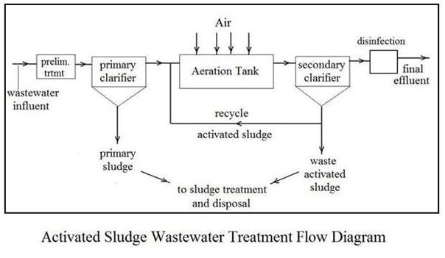
Activated Sludge Waste Water Treatment Calculations - U.S. units

3. Primary Clarifier Design

Instructions: Enter values in blue boxes. Spreadsheet calculates values in yellow boxes

Inputs |  |  |  | Calculations

Influent Flow Rate, Q = |  | 10600 | m3/d | Recycle Act. Sl. Rate, Qr = | 3180 | m3/d

Return Act. Sl. Ratio, R = |  | 0.3 |  | Peak Hourly Flow Rate, Qp = | 23850 | m3/d

Design Surface Overflow |  |  |  | Calculate Clarifier Area based on SOR
Rate (average) , SORa = |  | 40 | m3/d/m2
 |  |  |  | Based on ave. Flow: A1 = | 265 | m2
Design Surface Overflow
Rate (peak) , SORp = |  | 100 | m3/d/m2 | Based on Peak Flow: A2 = | 239 | m2
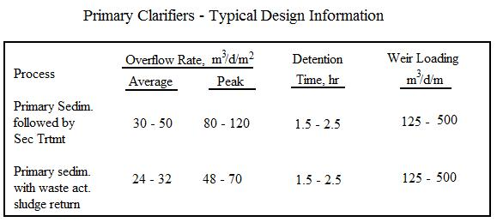
Peaking Factor, PF = |  | 2.25 |  | The larger of the two areas is: | 265 | m2
(for peak hourly flow)

Calculate Circular Clarifier Diameter:

Number of Clarifiers, N = |  | 2 |  | Clarifier Diameter, D = | 13 | m

Effluent Weir Calculations (Circular Clarifiers)
 |  |  |  | Min. Diameter for single
 |  |  |  | circular effluent weir = | 8 | m
Max Weir Overflow
Rate, WOR = |  | 200 | m3/hr/m | Min. Diameter for circular Channel with
 |  |  |  | effluent weir on each side = | 4 | m

Calculate Length and Width for Rectangular Clarifier: |  |  |  |  |  |  | Adapted from: Metcalf & Eddy, Inc, (Revised by Tchobanoglous, G, Burton, F.L., Stensel, H.D.,
 |  |  |  |  |  |  | Wastewater Engineering, Treatment and Reuse, 4th Ed., New York, NY, 2003.
Number of Clarifiers, N = |  | 2 |  | Clarifier Width, W = | 5.8 | m
Length/Width ratio, L/W = |  | 4 |  | Clarifier Length, L = | 11.5 | m | NOTE: The design parameters for a particular project will typically come from the design guide
 |  |  |  |  |  |  | of the appropriate state, county or municipality.
Effluent Weir Calculations (Rectangular Clarifiers)

Max Weir Overflow |  |  |  | Number of channel widths
Rate, WOR = |  | 200 | m3/hr/m | needed for effluent weir = | 4.6

 | Equations used for Calculations: |  |  |  |  |  |  | Typical Values for Peaking Factors (hourly maximum/daily average)

 | Clarifier area: A = Q/SOR |  |  |  |  |  |  |  | Ave Flow, MGD | Peaking Factor

 | Effl. Weir Length: L = Q/WOR |  |  |  |  |  |  |  | < 0.1 | 3.0
 |  |  |  |  |  |  |  |  | 0.1 - 0.3 | 2.9
 |  |  |  |  |  |  |  |  | 0.3 - 0.5 | 2.8
 |  |  |  |  |  |  |  |  | 0.5 - 0.7 | 2.7
 |  |  |  |  |  |  |  |  | 0.7 - 1.0 | 2.6
 | Find more Excel spreadsheets for engineering at: |  |  |  |  |  |  |  | 1 - 2 | 2.5
 |  | EngineeringExcelTemplates.com |  |  |  |  |  |  | 2 - 4 | 2.25
 |  |  |  |  |  |  |  |  | > 4 | 2.0

 | Copyright © 2011 Engineering Excel Templates. All Rights Reserved.

